main
模型ID_ModelID | 动态模型_IsDynamicModel | 文件名_FileName | 专用动作_ExclusiveAnimation | 适配性别_Gender | 主角可选_AvailableToPlayer | 模型半径_ModelRadius | 方向类型_DirectionType | 模型高度_ModelHeight | 质量_ModelMass | 悬浮高度_ZOffset | 底座模型_FixedPart | 无视碰撞_IgnoreCollision | 关闭移动特效_DisableMovementVisualEffect | 标准人形_IsHumanoid | 音效字典_SoundDictionary | TAG_Tag | 备注_Remarks
赫炎赭 | 0 | Prefabs/赫炎赭 |  | 1 | 0 | 72 | 0 | 260 | 70 | 0 |  | 0 | 0 | 1 | victory=FemaleVictory 受伤=Female07_Hurt 攻击吼叫=Female07_Attack 死亡吼叫=Female07_Death 技能吼叫=Female07_Skill 战吼=Female07_BattleShout |  |  | 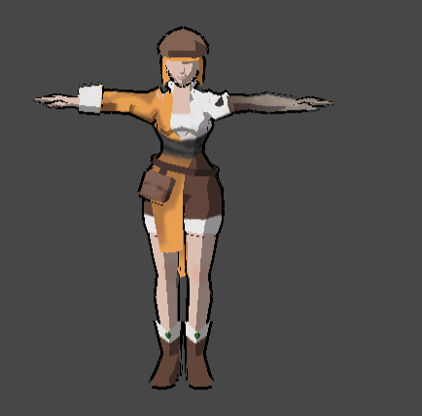 | 57
丧尸1 | 0 | Prefabs/丧尸1 | 丧尸1 | 0 | 0 | 72 | 0 | 260 | 70 | 0 |  | 0 | 0 | 1 | victory=Bear_BattleShout 攻击吼叫=Titan_Attack 死亡吼叫=Titan_Death 技能吼叫=Titan_Attack 战吼=Titan_Attack |  |  |  | 57
霍晟 | 0 | Prefabs/霍晟 |  | 0 | 0 | 72 | 0 | 260 | 70 | 0 |  | 1 | 0 | 1 | victory=MaleVictory 受伤=Male01_Hurt 攻击吼叫=Male01_Attack 死亡吼叫=Male01_Death 技能吼叫=Male01_Skill 战吼=Male01_BattleShout |  |  |  | 57

