Links_References
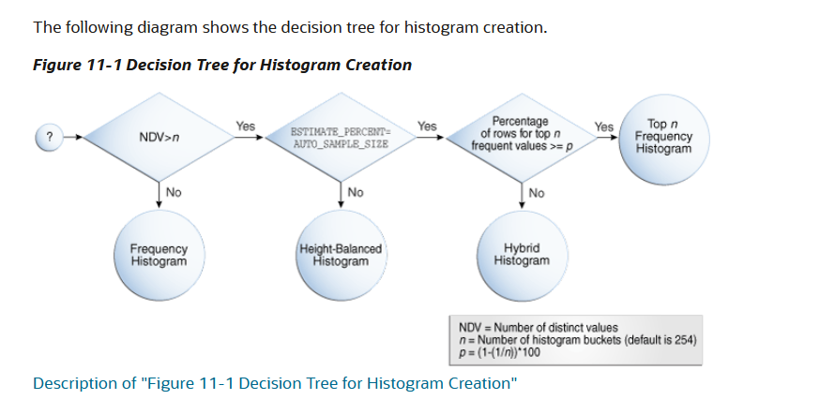

https://docs.oracle.com/en/database/oracle/oracle-database/19/tgsql/histograms.html#GUID-F02DAAC5-31F9-477B-9C25-AE33E21DB350

For histograms, the algorithm for cardinality depends on factors such as the endpoint numbers and values, and whether column values are popular or nonpopular.
Frequency Histograms are created when the number of distinct values in the column is less than 254 in 11g but less than 2048 in 12c.

https://jorgebarbablog.wordpress.com/2016/04/02/another-version-of-showing-how-a-frequency-histogram-works/
https://chandlerdba.com/2021/02/03/oracle-optimizer-system-statistics/

