Introduction
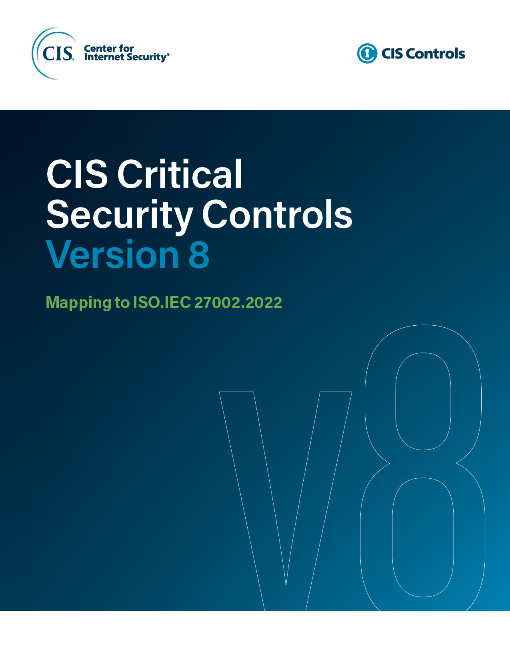
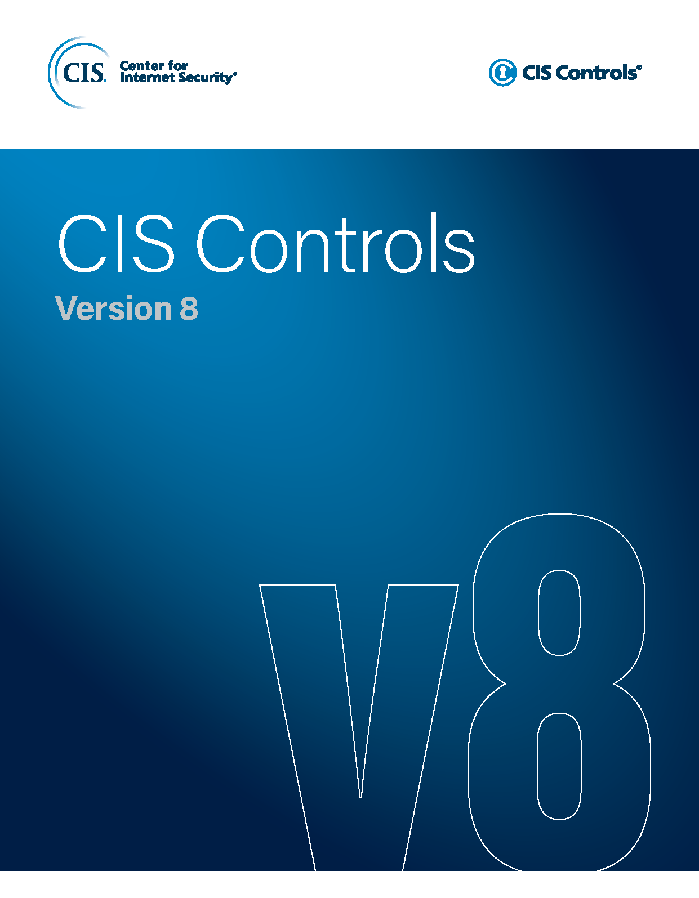

Contact Information
CIS
31 Tech Valley Drive
East Greenbush, NY 12061
518.266.3460
controlsinfo@cisecurity.org

Editors
Joshua M Franklin

Contributors
Mike Garcia
Jared Dearing

