SIM-Kit Complete Guide
SIM-KIT - Complete Guide | LimelightIT Research Pvt. Ltd.
Everything you need to know about SIM-Kit — Structure · Components · Flowchart · Photos · Quick Reference
SECTION 1 — WHAT IS SIM-KIT?
 | SIM-Kit stands for Shopfloor Insight & Monitoring Kit. It is LimelightIT's flagship product that helps factory owners digitise their machines in real time. Once installed, it collects live data and shows it on a dashboard — so owners can monitor every machine remotely. |  |  |  |  |  | Think of it this way: Before SIM-Kit -> Factory owner walks the floor, checks machines manually, uses paper logs. After SIM-Kit -> Owner sees everything live on their phone/laptop from anywhere.
 | OEE Tracking Shows machine efficiency score (Availability × Performance × Quality) |  |  |  | Energy Monitor Measures electricity per machine per shift — finds wastage | Downtime Capture Records WHEN & WHY a machine stopped — operators log the reason |  | Live Alerts Notifies owner instantly when machine is idle or faulty

 | OEE Tracking Shows machine efficiency score (Availability × Performance × Quality) |  |  |  | Energy Monitor Measures electricity per machine per shift — finds wastage | Downtime Capture Records WHEN & WHY a machine stopped — operators log the reason |  | Live Alerts Notifies owner instantly when machine is idle or faulty

SECTION 2 — SIM-KIT STRUCTURE (Read Top -> Bottom)
 |  |  |  | SIM-KIT (The complete product)
 |  |  |  | ▼
 |  |  |  | PANEL (The protective enclosure box mounted on the machine)
 |  | ▼ INSIDE ▼ |  |  |  | ▼ OUTSIDE ▼
 | INSIDE THE PANEL (Components fitted inside the enclosure box) |  |  |  |  | OUTSIDE THE PANEL (Components visible/mounted outside the box)
 | ▼ |  |  |  | ▼ | ▼ |  | ▼
 | CHANNEL (Signal pathway from machine → Datameter) |  |  |  | DATAMETER (The BRAIN — collects & sends all data) | DOOR & DOOR LOCK (Access door + Lock securing the panel) |  | TOWER LIGHT (Colour signal — Green=Running Yellow=Idle Red=Stopped)
 |  |  |  |  | ▼ Contains ▼
 |  |  |  |  | Sensor (Detects machine signals) Power Cord Cable (Powers the Datameter) Antenna (Sends data to cloud wirelessly)

SECTION 3 — EVERY COMPONENT EXPLAINED
 | COMPONENT |  | WHAT IT IS |  |  |  | WHY IT MATTERS
 | Panel |  | The physical metal/plastic enclosure box mounted on or near the factory machine. Houses all components. |  |  |  | Protects all electronics from dust, oil, vibration, and harsh factory conditions.
 | Channel |  | The signal pathway / wiring channel that carries electrical signals from the machine into the Datameter. |  |  |  | Without it, the Datameter receives no signal — no signal = no data collected.
 | Datameter |  | The core computing unit of SIM-Kit. Receives machine signals, processes them, and sends data to the cloud. |  |  |  | This is the BRAIN of the entire system. Everything feeds into it. No Datameter = No SIM-Kit.
 | Sensor |  | Connected to the Datameter. Detects machine activity — whether it's running, idle, or stopped — and feeds signals in. |  |  |  | The 'eyes & ears' of SIM-Kit. Without it, the Datameter has nothing to process.
 | Power Cord Cable |  | The cable that supplies stable electrical power from the factory's power supply to the Datameter. |  |  |  | Keeps the Datameter powered 24/7. Without it, the whole system shuts off.
 | Antenna |  | Wireless device on the Datameter that sends processed data to the cloud via Wi-Fi, LTE/SIM, or LoRa. |  |  |  | Bridges the Datameter and the cloud dashboard. Without it, data never reaches the owner's phone/laptop.
 | Door |  | The front-access door of the panel enclosure. Opened during installation, maintenance, or inspection. |  |  |  | Allows technicians to safely access internal components without removing the full panel.
 | Door Lock |  | Physical lock on the panel door. Prevents unauthorised access to the Datameter and wiring inside. |  |  |  | Ensures only authorised personnel (engineers/technicians) can open and modify the internals.
 | Tower Light |  | Multi-colour signal light stack mounted outside on/near the machine. Visible from across the factory floor. Green = Running Yellow = Idle/Warning Red = Stopped/Fault |  |  |  | Gives instant visual machine status — supervisors can spot a problem without checking any screen.

SECTION 4 — REAL PHOTOS OF SIM-KIT
 | SIM-Kit Installed on Machine — Open View (Datameter visible inside) |  |  |  |  |  | SIM-Kit Box Exterior with Tower Light (Outside view)
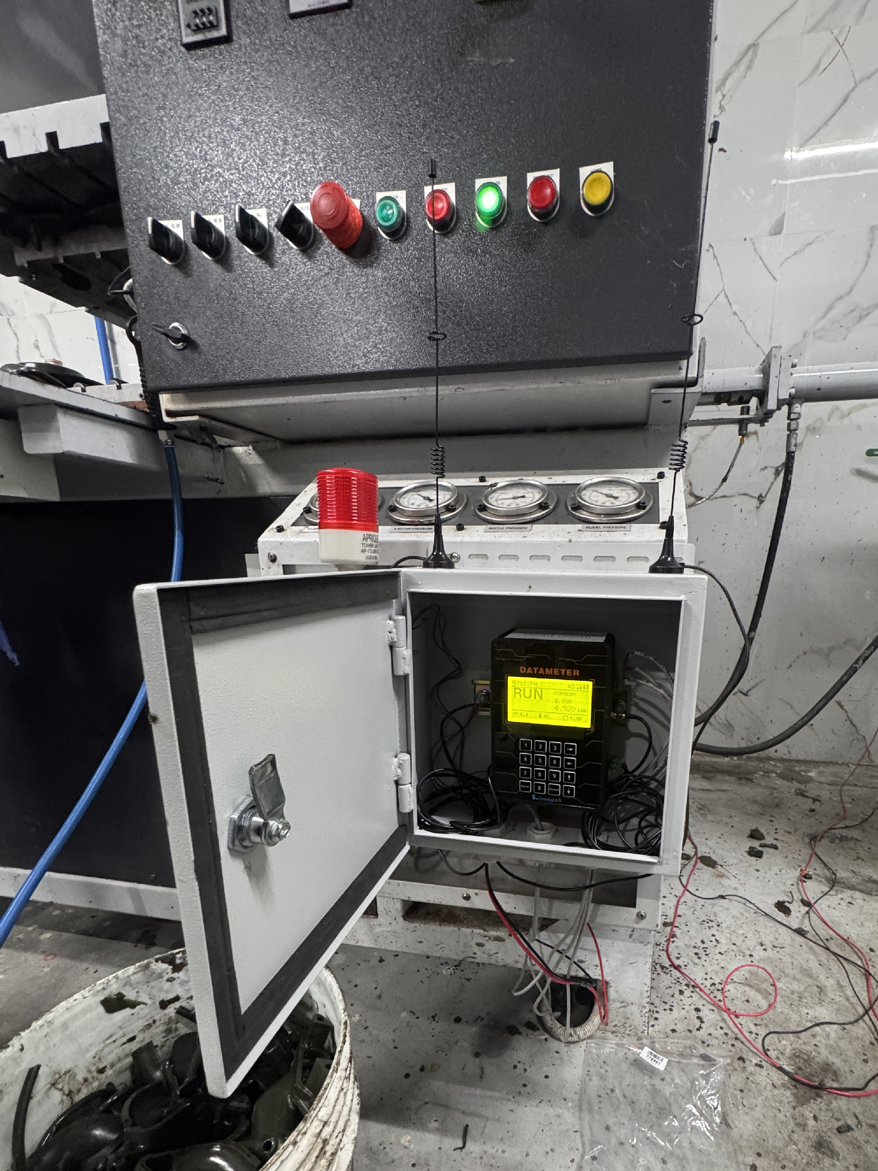
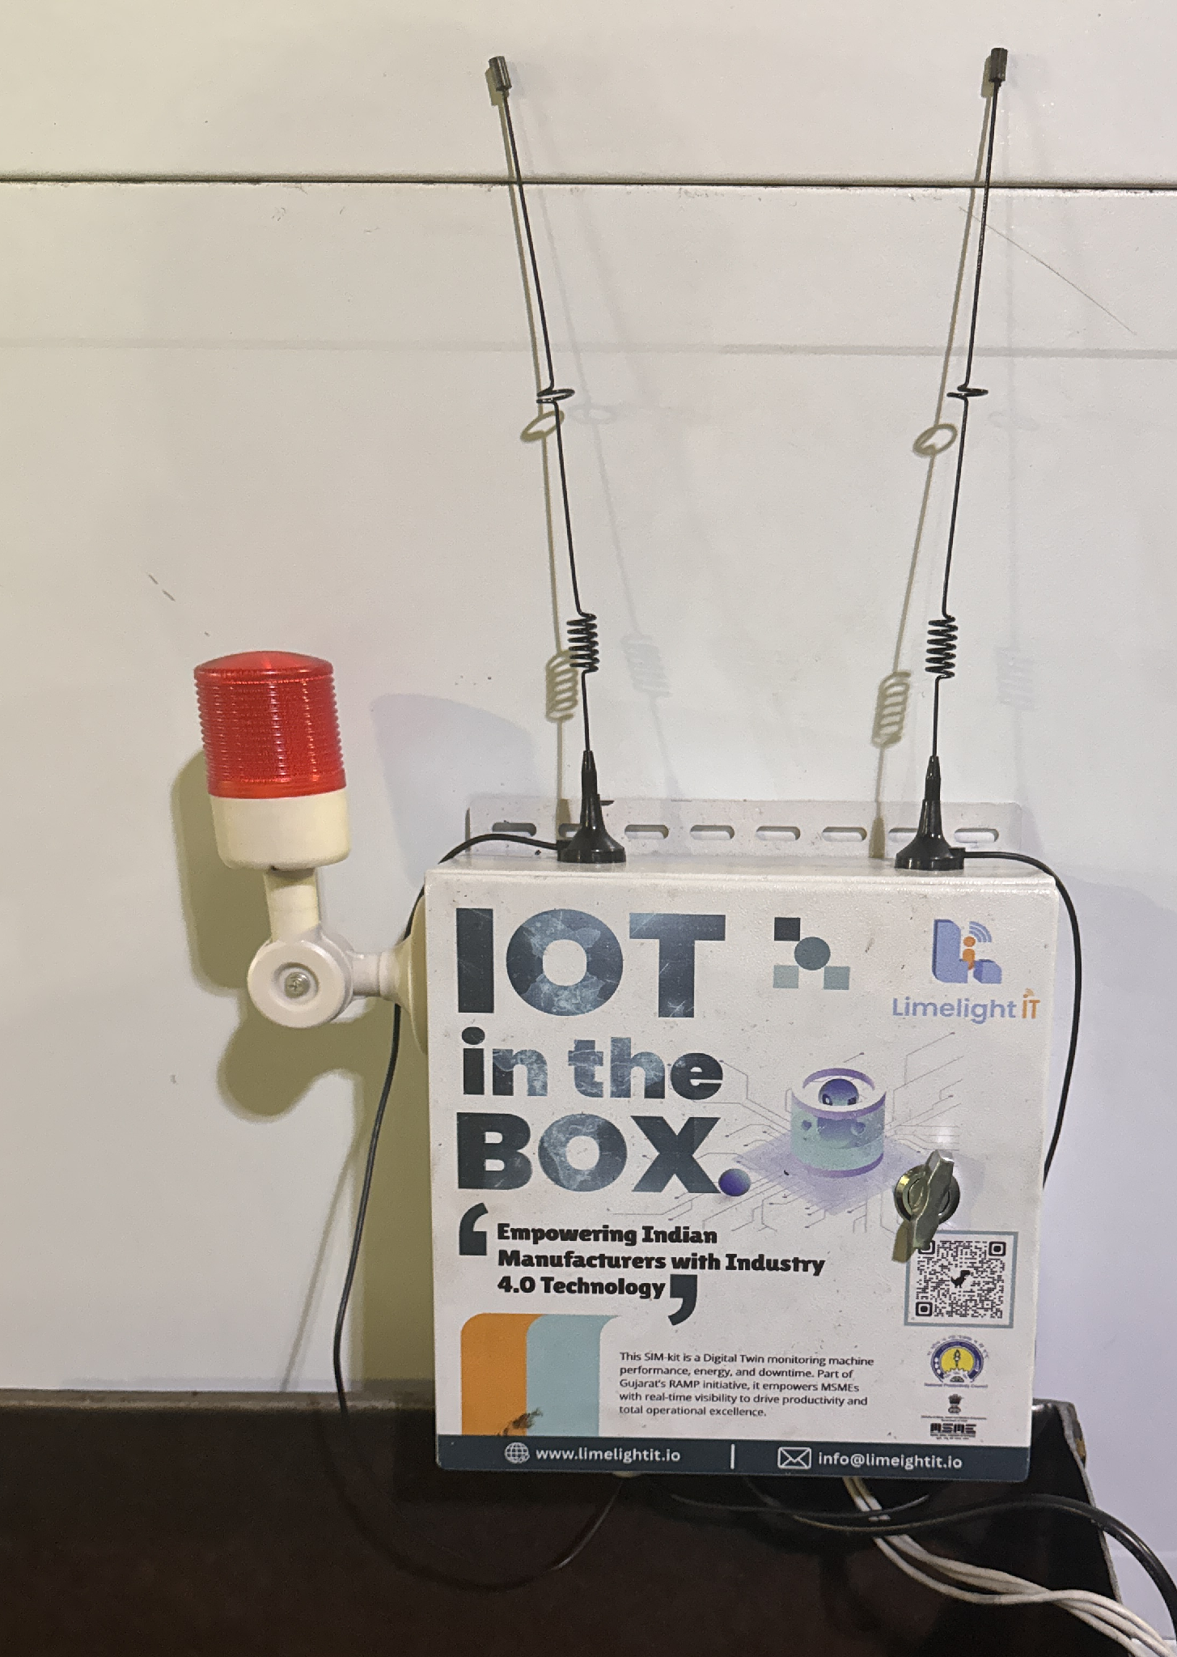

SECTION 5 — ORIGINAL HAND-DRAWN FLOW DIAGRAM
 | Reference diagram drawn during on-site learning — shows the SIM-Kit component hierarchy visually
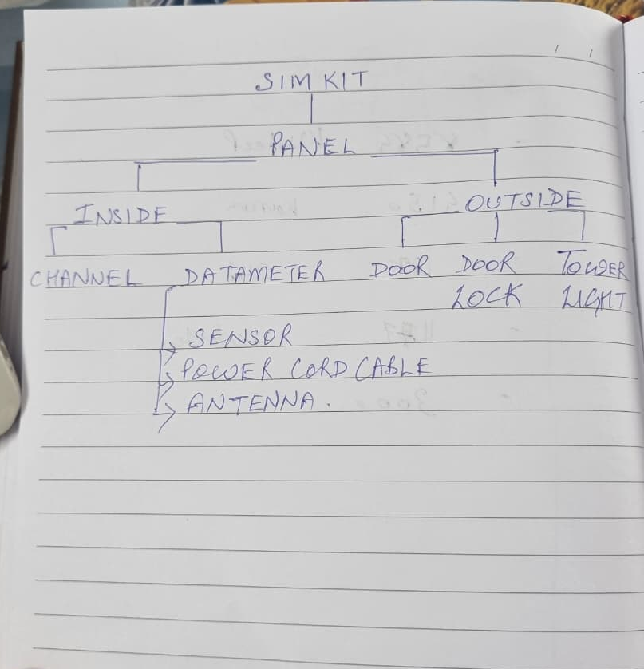

SECTION 6 — QUICK REFERENCE CHEAT SHEET
 | TERM |  |  |  |  | MEANING
 | SIM-Kit |  |  |  |  | Shopfloor Insight & Monitoring Kit — LimelightIT's main product for factory digitization
 | Panel |  |  |  |  | Physical protective enclosure box mounted on the machine housing all components
 | Inside Segment |  |  |  |  | Section of the panel containing Channel and Datameter
 | Outside Segment |  |  |  |  | Section outside the panel — Door, Door Lock, and Tower Light
 | Channel |  |  |  |  | Signal pathway (wiring) carrying machine signals to the Datameter
 | Datameter |  |  |  |  | The brain of SIM-Kit — collects, processes and transmits machine data to the cloud
 | Sensor |  |  |  |  | Detects machine activity signals (running/idle/stopped) and feeds them into the Datameter
 | Power Cord Cable |  |  |  |  | Supplies electrical power to the Datameter
 | Antenna |  |  |  |  | Enables the Datameter to wirelessly send data to the cloud dashboard
 | Door |  |  |  |  | Front access door of the enclosure panel — opened for maintenance/installation
 | Door Lock |  |  |  |  | Physical lock securing the panel — only authorised personnel can open it
 | Tower Light |  |  |  |  | Multi-colour signal light: Green=Running Yellow=Idle Red=Stopped/Fault
 | OEE |  |  |  |  | Overall Equipment Effectiveness — machine health score (Availability × Performance × Quality)
 | FactoryPulse |  |  |  |  | Cloud dashboard app where owners/managers view live machine data on phone or laptop
 | NPC |  |  |  |  | National Productivity Council — Government body supporting SIM-Kit deployment in Gujarat
 | MSME |  |  |  |  | Micro, Small & Medium Enterprises — the factory owners who are our target customers
 | Industry 4.0 |  |  |  |  | The movement to digitize and automate manufacturing using IoT, AI, and real-time data
 | PWA |  |  |  |  | Progressive Web App — offline-capable app used by operators to log downtime reasons on the shop floor

Prepared by: Raghav Gaur | LimelightIT Research Pvt. Ltd. | SIM-Kit Onboarding Guide

