IFN-gamma
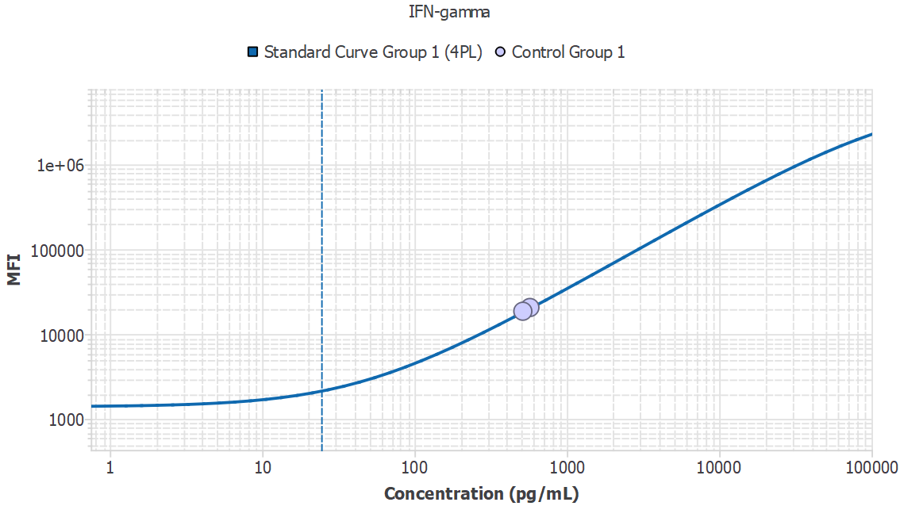
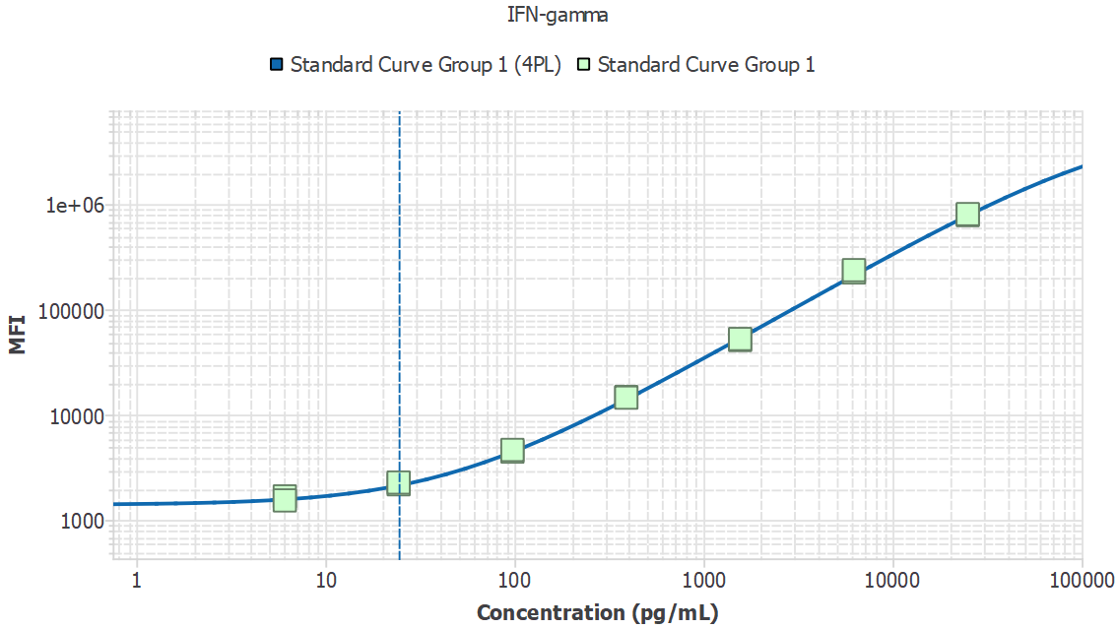
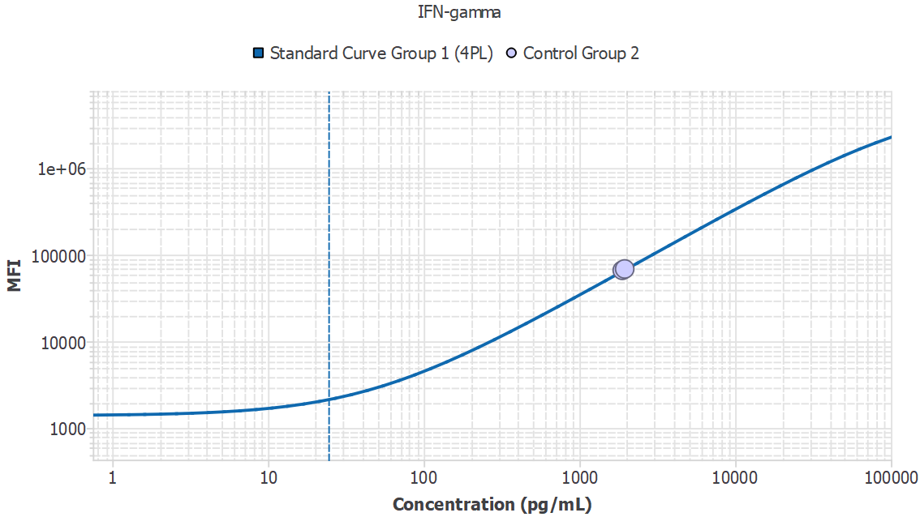
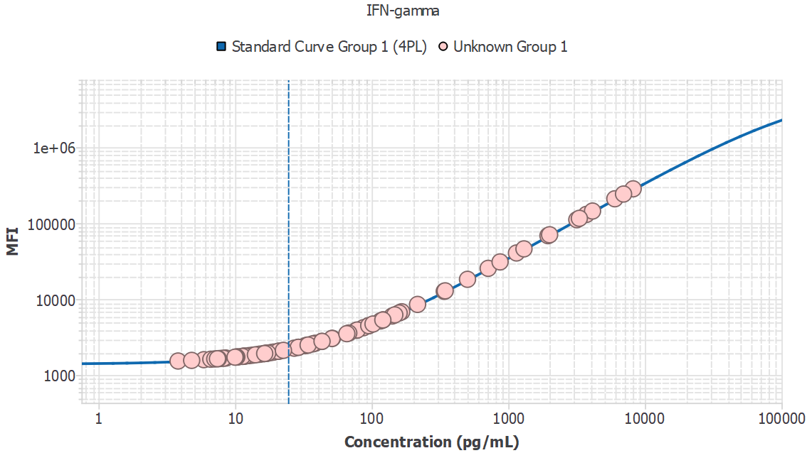
Analyte | Sample ID | Result | Avg. MFI | MFI
IFN-gamma | 1M1_sys | - |  | 1301.29
IFN-gamma | 1M2_sys | - |  | 1318.03
IFN-gamma | 1M4_sys | - |  | 1442.79
IFN-gamma | 1M5_sys | - |  | 1381.85
IFN-gamma | 1M6_sys | - |  | 1257.37
IFN-gamma | 1M7_sys | 13.46 |  | 1822.49
IFN-gamma | 1M9_sys | 43.13 |  | 2763.95
IFN-gamma | 1M10_sys | 11.90 |  | 1774.02
IFN-gamma | 1M11_sys | 713.18 |  | 25376.40
IFN-gamma | 3M14_pv | 14.95 |  | 1868.98
IFN-gamma | 3M17_pv | 102.36 |  | 4690.89
IFN-gamma | 3M18_pv | 7.44 |  | 1636.36
IFN-gamma | 2M16_PV | - |  | 1094.08
IFN-gamma | 2M17_PV | - |  | 1239.88
IFN-gamma | 2M20_PV | - |  | 1408.22
IFN-gamma | 2M22_PV | - |  | 725.81
IFN-gamma | 2M23_PV | 11.49 |  | 1761.31
IFN-gamma | 2M26_PV | 165.97 |  | 6794.42
IFN-gamma | 2M31_PV | 15.24 |  | 1878.10
IFN-gamma | 2M33_PV | 121.52 |  | 5321.92
IFN-gamma | 3M1_pv | 95.23 |  | 4457.05
IFN-gamma | 3M4_pv | - |  | 1254.05
IFN-gamma | 3M6_pv | - |  | 1331.50
IFN-gamma | 3M7_pv | 17.34 |  | 1944.04
IFN-gamma | 3M11_pv | 3315.72 |  | 115689.48
IFN-gamma | 3M13_pv | 43.34 |  | 2770.61
IFN-gamma | 3M15_pv | 22.60 |  | 2109.56
IFN-gamma | 3M16_pv | - |  | 1246.23
IFN-gamma | 3M21_pv | 94.61 |  | 4436.77
IFN-gamma | 3M26_pv | - |  | 1244.42
IFN-gamma | 3M27_pv | 1953.39 |  | 68340.85
IFN-gamma | 3M28_pv | 5.91 |  | 1589.80
IFN-gamma | 3M31_pv | - |  | 1339.66
IFN-gamma | 3M33_pv | 11.59 |  | 1764.45
IFN-gamma | 3M34_pv | - |  | 1240.32
IFN-gamma | 3M37_pv | 8.57 |  | 1671.15
IFN-gamma | 3M38_pv | - |  | 1278.86
IFN-gamma | 3M39_pv | 11.32 |  | 1756.14
IFN-gamma | 3M40_pv | - |  | 1268.60
IFN-gamma | 3M1_20mon | - |  | 1505.23
IFN-gamma | 3M4_20mon | - |  | 1104.43
IFN-gamma | 3M6_20mon | - |  | 1168.46
IFN-gamma | 3M7_20mon | - |  | 1267.11
IFN-gamma | 3M9_20mon | 51.54 |  | 3034.78
IFN-gamma | 3M11_20mon | - |  | 1454.53
IFN-gamma | 3M12_20mon | - |  | 1358.80
IFN-gamma | 3M13_20mon | 21.12 |  | 2062.64
IFN-gamma | 3M14_20mon | 29.03 |  | 2313.13
IFN-gamma | 3M15_20mon | 3735.53 |  | 130240.72
IFN-gamma | 3M16_20mon | - |  | 1212.29
IFN-gamma | 3M17_20mon | 4140.44 |  | 144246.48
IFN-gamma | 3M18_20mon | 147.71 |  | 6188.21
IFN-gamma | 3M19_20mon | - |  | 1061.44
IFN-gamma | 3M21_20mon | 77.30 |  | 3870.45
IFN-gamma | 3M22_20mon | 503.32 |  | 18188.87
IFN-gamma | 3M23_20mon | 3177.02 |  | 110876.39
IFN-gamma | 3M24_20mon | 7.85 |  | 1649.05
IFN-gamma | 3M25_20mon | - |  | 1324.31
IFN-gamma | 3M26_20mon | 6.65 |  | 1612.26
IFN-gamma | 3M27_20mon | 8209.39 |  | 282816.13
IFN-gamma | 3M28_20mon | 67.98 |  | 3567.22
IFN-gamma | 3M30_20mon | 7.55 |  | 1639.84
IFN-gamma | 3M31_20mon | - |  | 1415.17
IFN-gamma | 3M32_20mon | 216.89 |  | 8493.71
IFN-gamma | 3M33_20mon | 14.10 |  | 1842.64
IFN-gamma | 3M34_20mon | - |  | 1267.21
IFN-gamma | 3M35_20mon | 16.49 |  | 1917.19
IFN-gamma | 3M36_20mon | 10.00 |  | 1715.28
IFN-gamma | 3M37_20mon | - |  | 1016.20
IFN-gamma | 3M38_20mon | 12.69 |  | 1798.52
IFN-gamma | 3M39_20mon | - |  | 1401.32
IFN-gamma | 3M40_20mon | 32.73 |  | 2430.85
IFN-gamma | 2M32_17mon | 10.59 |  | 1733.60
IFN-gamma | 2M33_17mon | - |  | 1413.50
IFN-gamma | 2M34_17mon | 116.22 |  | 5147.00
IFN-gamma | 2M35_17mon | 345.46 |  | 12823.11
IFN-gamma | 2M12_17mon | - |  | 1245.64
IFN-gamma | 2M13_17mon | 18.39 |  | 1976.71
IFN-gamma | 2M14_17mon | 29.12 |  | 2315.93
IFN-gamma | 2M15_17mon | - |  | 1374.21
IFN-gamma | 2M16_17mon | - |  | 1120.53
IFN-gamma | 2M17_17mon | 27.11 |  | 2252.06
IFN-gamma | 2M18_17mon | - |  | 1148.92
IFN-gamma | 2M20_17mon | - |  | 1246.74
IFN-gamma | 2M22_17mon | 17.05 |  | 1934.79
IFN-gamma | 2M23_17mon | 10.30 |  | 1724.43
IFN-gamma | 2M24_17mon | 20.71 |  | 2049.96
IFN-gamma | 2M25_17mon | - |  | 1268.67
IFN-gamma | 2M26_17mon | 34.28 |  | 2480.34
IFN-gamma | 2M27_17mon | - |  | 1519.77
IFN-gamma | 2M30_17mon | - |  | 1264.72
IFN-gamma | 2M31_17mon | - |  | 1364.11
IFN-gamma | 3M1_6mon | 3.83 |  | 1526.63
IFN-gamma | 3M2_6mon | - |  | 1057.90
IFN-gamma | 3M3_6mon | 38.58 |  | 2618.02
IFN-gamma | 3M4_6mon | 78.50 |  | 3909.89
IFN-gamma | 3M5_6mon | - |  | 1319.03
IFN-gamma | 3M6_6mon | - |  | 1341.73
IFN-gamma | 3M7_6mon | - |  | 1519.31
IFN-gamma | 3M8_6mon | - |  | 1220.14
IFN-gamma | 3M9_6mon | - |  | 1287.21
IFN-gamma | 3M10_6mon | - |  | 1090.95
IFN-gamma | 3M11_6mon | - |  | 1129.70
IFN-gamma | 3M12_6mon | 871.49 |  | 30825.24
IFN-gamma | 3M13_6mon | 1303.69 |  | 45773.07
IFN-gamma | 3M14_6mon | - |  | 1275.92
IFN-gamma | 3M15_6mon | - |  | 1174.02
IFN-gamma | 3M16_6mon | - |  | 1306.44
IFN-gamma | 3M17_6mon | - |  | 1301.59
IFN-gamma | 3M18_6mon | - |  | 1341.18
IFN-gamma | 3M19_6mon | 6029.89 |  | 209131.44
IFN-gamma | 3M20_6mon | 141.45 |  | 5980.67
IFN-gamma | 3M21_6mon | 17.07 |  | 1935.58
IFN-gamma | 3M22_6mon | - |  | 1243.87
IFN-gamma | 3M23_6mon | 33.83 |  | 2465.93
IFN-gamma | 3M24_6mon | 51.21 |  | 3024.02
IFN-gamma | 3M25_6mon | 16.34 |  | 1912.67
IFN-gamma | 3M26_6mon | - |  | 1269.66
IFN-gamma | 3M27_6mon | - |  | 1113.96
IFN-gamma | 3M28_6mon | - |  | 1339.30
IFN-gamma | 3M29_6mon | 120.79 |  | 5297.65
IFN-gamma | 3M30_6mon | - |  | 1340.09
IFN-gamma | 3M31_6mon | - |  | 1302.21
IFN-gamma | 3M32_6mon | - |  | 1419.39
IFN-gamma | 3M33_6mon | - |  | 1177.28
IFN-gamma | 3M34_6mon | - |  | 1370.50
IFN-gamma | 3M35_6mon | - |  | 1394.64
IFN-gamma | 3M36_6mon | - |  | 1219.46
IFN-gamma | 3M37_6mon | - |  | 1194.38
IFN-gamma | 3M38_6mon | - |  | 978.14
IFN-gamma | 3M39_6mon | - |  | 1261.79
IFN-gamma | 3M40_6mon | - |  | 1134.48
IFN-gamma | 3M1_10mon | - |  | 1414.21
IFN-gamma | 3M2_10mon | 7.11 |  | 1626.26
IFN-gamma | 3M3_10mon | - |  | 1042.39
IFN-gamma | 3M4_10mon | - |  | 980.09
IFN-gamma | 3M5_10mon | - |  | 1399.60
IFN-gamma | 3M6_10mon | - |  | 1210.63
IFN-gamma | 3M7_10mon | - |  | 1334.87
IFN-gamma | 3M8_10mon | - |  | 1215.53
IFN-gamma | 3M9_10mon | - |  | 963.59
IFN-gamma | 3M10_10mon | - |  | 1126.46
IFN-gamma | 3M11_10mon | - |  | 1182.01
IFN-gamma | 3M12_10mon | - |  | 1385.75
IFN-gamma | 3M13_10mon | 340.21 |  | 12645.36
IFN-gamma | 3M14_10mon | - |  | 1298.32
IFN-gamma | 3M15_10mon | 1149.29 |  | 40424.13
IFN-gamma | 3M16_10mon | 8.23 |  | 1660.74
IFN-gamma | 3M17_10mon | 6984.85 |  | 241581.38
IFN-gamma | 3M18_10mon | 65.83 |  | 3497.30
IFN-gamma | 3M19_10mon | 36.99 |  | 2567.11
IFN-gamma | 3M20_10mon | - |  | 1461.09
IFN-gamma | 3M21_10mon | 4.81 |  | 1556.41
IFN-gamma | 3M22_10mon | - |  | 1384.27
IFN-gamma | 3M23_10mon | 2008.40 |  | 70253.96
IFN-gamma | 3M24_10mon | - |  | 1235.00
IFN-gamma | 3M25_10mon | - |  | 1219.48
IFN-gamma | 3M26_10mon | - |  | 869.52
IFN-gamma | 3M27_10mon | 87.11 |  | 4191.15
IFN-gamma | 3M28_10mon | 17.23 |  | 1940.46
IFN-gamma | 3M29_10mon | - |  | 1284.40
IFN-gamma | 3M30_10mon | - |  | 1293.14
IFN-gamma | 3M31_10mon | - |  | 1099.04
IFN-gamma | 3M32_10mon | 158.95 |  | 6561.26
IFN-gamma | 3M33_10mon | 16.15 |  | 1906.69
IFN-gamma | 3M34_10mon | - |  | 1084.30
IFN-gamma | 3M35_10mon | - |  | 1001.57
IFN-gamma | 3M36_10mon | - |  | 1142.00
IFN-gamma | 3M37_10mon | 10.17 |  | 1720.65
IFN-gamma | 3M38_10mon | - |  | 1280.19
IFN-gamma | 3M39_10mon | - |  | 1075.21
IFN-gamma | 3M40_10mon | - |  | 1248.62
IFN-gamma | 4M1_sys | - |  | 1108.97
IFN-gamma | 4M2_sys | - |  | 1067.52
IFN-gamma | 4M3_sys | - |  | 1415.71
IFN-gamma | 4M4_sys | 19.23 |  | 2003.15
IFN-gamma | 4M5_sys | - |  | 1218.16
IFN-gamma | 5M1_sys | - |  | 1150.32
IFN-gamma | 5M2_sys | - |  | 1200.70
IFN-gamma | 5M3_sys | - |  | 1264.65
IFN-gamma | 5M4_sys | - |  | 1157.45
IFN-gamma | 5M5_sys | - |  | 1149.79
IFN-gamma | 5M6_sys | - |  | 1082.41
IFN-gamma | 5M7_sys | - |  | 1120.13
IFN-gamma | 5M8_sys | - |  | 1132.85
IFN-gamma | 5M9_sys | - |  | 1169.34
IFN-gamma | 5M10_sys | - |  | 1205.27
IFN-gamma | 5M1_pv | - |  | 1264.10
IFN-gamma | 5M2_pv | - |  | 1260.45
IFN-gamma | 5M3_pv | - |  | 1067.00
IFN-gamma | 5M4_pv | - |  | 1138.46
IFN-gamma | 5M5_pv | - |  | 1193.80
IFN-gamma | 5M6_pv | - |  | 1121.84
IFN-gamma | 5M7_pv | - |  | 1228.84
IFN-gamma | 5M8_pv | - |  | 1118.58
IFN-gamma | 5M9_pv | - |  | 1139.98
IFN-gamma | 5M10_pv | - |  | 1275.83

MDD | Slope
101.44 | N/A

IL-1a
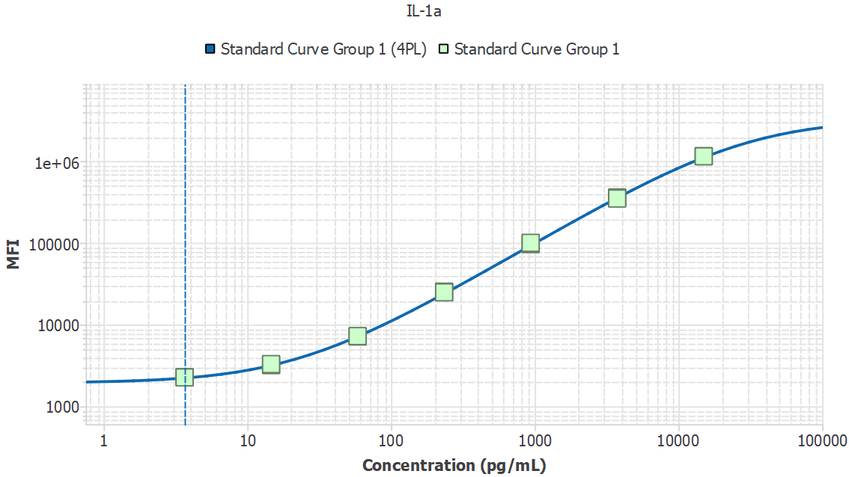
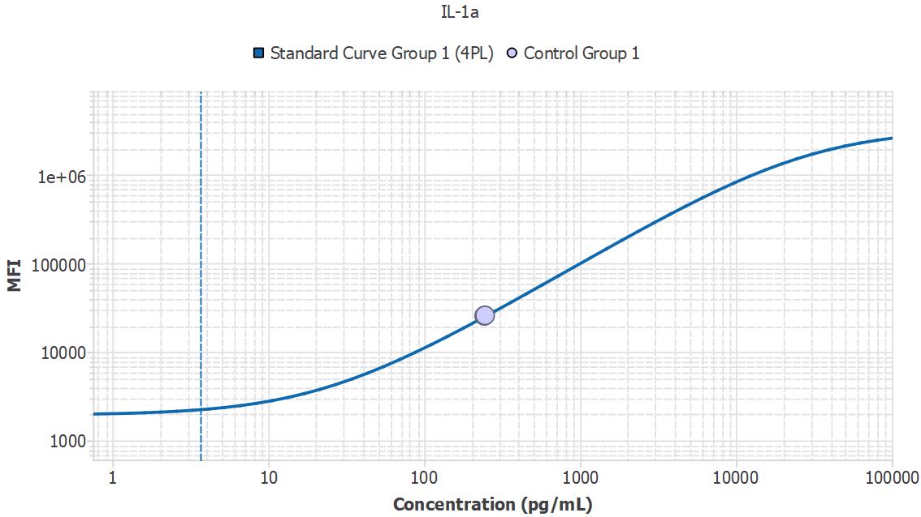

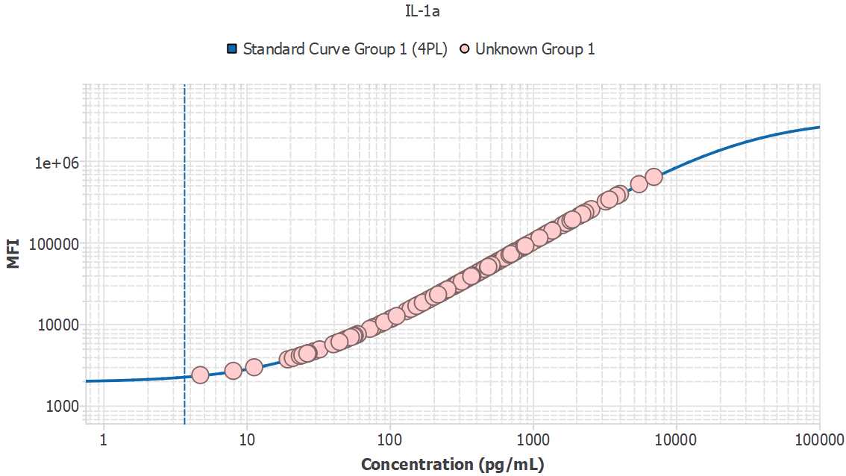
Analyte | Sample ID | Result | Avg. MFI | MFI
IL-1a | 1M1_sys |  | 4371.66
IL-1a | 1M1_sys | 27.05 |  | 4371.66
IL-1a | 1M2_sys | 78.40 |  | 9231.50
IL-1a | 1M4_sys | 41.29 |  | 5700.38
IL-1a | 1M5_sys | 43.32 |  | 5891.00
IL-1a | 1M6_sys | 26.07 |  | 4280.95
IL-1a | 1M7_sys | - |  | 1950.87
IL-1a | 1M9_sys | 8.10 |  | 2651.69
IL-1a | 1M10_sys | 43.16 |  | 5876.32
IL-1a | 1M11_sys | 59.93 |  | 7463.84
IL-1a | 3M14_pv | 46.88 |  | 6226.14
IL-1a | 3M17_pv | 53.56 |  | 6859.07
IL-1a | 3M18_pv | 26.65 |  | 4334.76
IL-1a | 2M16_PV | 19.44 |  | 3672.60
IL-1a | 2M17_PV | 21.11 |  | 3824.67
IL-1a | 2M20_PV | 59.82 |  | 7454.08
IL-1a | 2M22_PV | - |  | 0.00
IL-1a | 2M23_PV | 76.28 |  | 9028.18
IL-1a | 2M26_PV | 103.78 |  | 11685.01
IL-1a | 2M31_PV | 172.43 |  | 18407.25
IL-1a | 2M33_PV | 153.58 |  | 16552.02
IL-1a | 3M1_pv | 57.08 |  | 7193.02
IL-1a | 3M4_pv | 157.02 |  | 16889.37
IL-1a | 3M6_pv | 140.11 |  | 15229.25
IL-1a | 3M7_pv | 91.66 |  | 10510.79
IL-1a | 3M11_pv | 380.74 |  | 39188.30
IL-1a | 3M13_pv | 186.18 |  | 19765.26
IL-1a | 3M15_pv | 170.70 |  | 18236.79
IL-1a | 3M16_pv | 111.99 |  | 12482.90
IL-1a | 3M21_pv | 23.63 |  | 4056.72
IL-1a | 3M26_pv | 4.77 |  | 2360.00
IL-1a | 3M27_pv | 29.65 |  | 4612.45
IL-1a | 3M28_pv | 23.62 |  | 4055.43
IL-1a | 3M31_pv | 49.76 |  | 6498.91
IL-1a | 3M33_pv | 32.45 |  | 4872.88
IL-1a | 3M34_pv | 24.57 |  | 4143.24
IL-1a | 3M37_pv | 40.44 |  | 5620.15
IL-1a | 3M38_pv | 55.95 |  | 7085.75
IL-1a | 3M39_pv | 27.03 |  | 4370.15
IL-1a | 3M40_pv | 44.69 |  | 6020.07
IL-1a | 3M1_20mon | 1703.88 |  | 171557.00
IL-1a | 3M4_20mon | 1116.12 |  | 113239.29
IL-1a | 3M6_20mon | 1280.45 |  | 129659.90
IL-1a | 3M7_20mon | 710.93 |  | 72478.95
IL-1a | 3M9_20mon | 2260.74 |  | 225604.81
IL-1a | 3M11_20mon | 724.88 |  | 73886.51
IL-1a | 3M12_20mon | 717.34 |  | 73125.23
IL-1a | 3M13_20mon | 2100.48 |  | 210181.11
IL-1a | 3M14_20mon | 3851.33 |  | 372592.16
IL-1a | 3M15_20mon | 1855.28 |  | 186376.05
IL-1a | 3M16_20mon | 495.54 |  | 50744.70
IL-1a | 3M17_20mon | 1181.29 |  | 119760.82
IL-1a | 3M18_20mon | 755.11 |  | 76935.95
IL-1a | 3M19_20mon | 1369.12 |  | 138484.31
IL-1a | 3M21_20mon | 830.18 |  | 84504.63
IL-1a | 3M22_20mon | 367.97 |  | 37905.29
IL-1a | 3M23_20mon | 160.32 |  | 17214.93
IL-1a | 3M24_20mon | 570.67 |  | 58323.53
IL-1a | 3M25_20mon | 682.48 |  | 69607.82
IL-1a | 3M26_20mon | 1321.50 |  | 133748.50
IL-1a | 3M27_20mon | 1794.95 |  | 180481.38
IL-1a | 3M28_20mon | 392.62 |  | 40382.54
IL-1a | 3M30_20mon | 104.75 |  | 11779.13
IL-1a | 3M31_20mon | 756.97 |  | 77123.61
IL-1a | 3M32_20mon | 370.18 |  | 38127.44
IL-1a | 3M33_20mon | 1192.85 |  | 120916.38
IL-1a | 3M34_20mon | 872.54 |  | 88771.55
IL-1a | 3M35_20mon | 2216.93 |  | 221399.16
IL-1a | 3M36_20mon | 1112.88 |  | 112915.27
IL-1a | 3M37_20mon | 1892.80 |  | 190034.73
IL-1a | 3M38_20mon | 446.81 |  | 45834.89
IL-1a | 3M39_20mon | 1046.82 |  | 106292.80
IL-1a | 3M40_20mon | 1234.93 |  | 125118.73
IL-1a | 2M32_17mon | 481.43 |  | 49322.39
IL-1a | 2M33_17mon | 334.61 |  | 34557.91
IL-1a | 2M34_17mon | 1834.09 |  | 184307.75
IL-1a | 2M35_17mon | 2487.18 |  | 247211.38
IL-1a | 2M12_17mon | 924.21 |  | 93972.62
IL-1a | 2M13_17mon | 5522.27 |  | 515009.88
IL-1a | 2M14_17mon | 1609.13 |  | 162237.91
IL-1a | 2M15_17mon | 1271.20 |  | 128737.80
IL-1a | 2M16_17mon | 651.17 |  | 66448.18
IL-1a | 2M17_17mon | 308.92 |  | 31984.67
IL-1a | 2M18_17mon | 903.14 |  | 91852.37
IL-1a | 2M20_17mon | 230.68 |  | 24177.18
IL-1a | 2M22_17mon | 4065.41 |  | 391516.56
IL-1a | 2M23_17mon | 842.62 |  | 85758.62
IL-1a | 2M24_17mon | 525.53 |  | 53769.29
IL-1a | 2M25_17mon | 1267.18 |  | 128336.66
IL-1a | 2M26_17mon | 2324.68 |  | 231728.66
IL-1a | 2M27_17mon | 736.06 |  | 75014.27
IL-1a | 2M30_17mon | 203.33 |  | 21462.86
IL-1a | 2M31_17mon | 3423.24 |  | 334137.06
IL-1a | 3M1_6mon | 332.62 |  | 34358.29
IL-1a | 3M2_6mon | 449.72 |  | 46127.65
IL-1a | 3M3_6mon | 498.64 |  | 51057.74
IL-1a | 3M4_6mon | 683.21 |  | 69681.35
IL-1a | 3M5_6mon | 515.26 |  | 52733.63
IL-1a | 3M6_6mon | 410.37 |  | 42166.84
IL-1a | 3M7_6mon | 298.03 |  | 30894.63
IL-1a | 3M8_6mon | 534.74 |  | 54698.45
IL-1a | 3M9_6mon | 250.97 |  | 26196.91
IL-1a | 3M10_6mon | 333.71 |  | 34468.02
IL-1a | 3M11_6mon | 356.47 |  | 36750.57
IL-1a | 3M12_6mon | 289.37 |  | 30028.71
IL-1a | 3M13_6mon | 487.21 |  | 49905.77
IL-1a | 3M14_6mon | 231.90 |  | 24299.25
IL-1a | 3M15_6mon | 299.47 |  | 31039.27
IL-1a | 3M16_6mon | 222.30 |  | 23345.21
IL-1a | 3M17_6mon | 156.07 |  | 16796.12
IL-1a | 3M18_6mon | 769.66 |  | 78403.39
IL-1a | 3M19_6mon | 749.00 |  | 76319.67
IL-1a | 3M20_6mon | 321.26 |  | 33219.78
IL-1a | 3M21_6mon | 253.38 |  | 26437.29
IL-1a | 3M22_6mon | 190.00 |  | 20143.44
IL-1a | 3M23_6mon | 496.91 |  | 50882.98
IL-1a | 3M24_6mon | 287.45 |  | 29837.66
IL-1a | 3M25_6mon | 515.92 |  | 52800.17
IL-1a | 3M26_6mon | 357.74 |  | 36878.65
IL-1a | 3M27_6mon | 347.48 |  | 35848.69
IL-1a | 3M28_6mon | 413.90 |  | 42522.29
IL-1a | 3M29_6mon | 515.57 |  | 52765.18
IL-1a | 3M30_6mon | 374.54 |  | 38565.55
IL-1a | 3M31_6mon | 318.73 |  | 32966.89
IL-1a | 3M32_6mon | 253.73 |  | 26471.46
IL-1a | 3M33_6mon | 447.45 |  | 45899.37
IL-1a | 3M34_6mon | 166.97 |  | 17869.05
IL-1a | 3M35_6mon | 238.78 |  | 24983.21
IL-1a | 3M36_6mon | 308.98 |  | 31990.99
IL-1a | 3M37_6mon | 341.74 |  | 35273.05
IL-1a | 3M38_6mon | 72.79 |  | 8693.48
IL-1a | 3M39_6mon | 504.44 |  | 51642.02
IL-1a | 3M40_6mon | 518.29 |  | 53039.20
IL-1a | 3M1_10mon | 454.23 |  | 46582.51
IL-1a | 3M2_10mon | 312.67 |  | 32359.86
IL-1a | 3M3_10mon | 1871.02 |  | 187911.20
IL-1a | 3M4_10mon | 629.18 |  | 64228.44
IL-1a | 3M5_10mon | 853.85 |  | 86890.01
IL-1a | 3M6_10mon | 1831.58 |  | 184062.16
IL-1a | 3M7_10mon | 374.05 |  | 38516.24
IL-1a | 3M8_10mon | 371.72 |  | 38282.21
IL-1a | 3M9_10mon | 350.74 |  | 36175.69
IL-1a | 3M10_10mon | 1411.64 |  | 142707.55
IL-1a | 3M11_10mon | 603.67 |  | 61653.21
IL-1a | 3M12_10mon | 569.18 |  | 58172.86
IL-1a | 3M13_10mon | 739.69 |  | 75380.49
IL-1a | 3M14_10mon | 521.31 |  | 53343.51
IL-1a | 3M15_10mon | 888.12 |  | 90341.22
IL-1a | 3M16_10mon | 686.34 |  | 69997.55
IL-1a | 3M17_10mon | 499.10 |  | 51104.23
IL-1a | 3M18_10mon | 974.55 |  | 99035.59
IL-1a | 3M19_10mon | 417.89 |  | 42923.53
IL-1a | 3M20_10mon | 239.09 |  | 25014.27
IL-1a | 3M21_10mon | 458.82 |  | 47044.69
IL-1a | 3M22_10mon | 704.91 |  | 71870.95
IL-1a | 3M23_10mon | 486.54 |  | 49837.47
IL-1a | 3M24_10mon | 886.83 |  | 90210.69
IL-1a | 3M25_10mon | 146.01 |  | 15808.15
IL-1a | 3M26_10mon | 1245.64 |  | 126188.30
IL-1a | 3M27_10mon | 408.79 |  | 42008.42
IL-1a | 3M28_10mon | 565.39 |  | 57790.51
IL-1a | 3M29_10mon | 427.59 |  | 43900.26
IL-1a | 3M30_10mon | 722.45 |  | 73640.92
IL-1a | 3M31_10mon | 7007.43 |  | 631831.25
IL-1a | 3M32_10mon | 2563.25 |  | 254420.56
IL-1a | 3M33_10mon | 3854.76 |  | 372897.09
IL-1a | 3M34_10mon | 1709.18 |  | 172077.33
IL-1a | 3M35_10mon | 705.97 |  | 71978.00
IL-1a | 3M36_10mon | 688.07 |  | 70172.16
IL-1a | 3M37_10mon | 3227.18 |  | 316253.28
IL-1a | 3M38_10mon | 874.43 |  | 88962.41
IL-1a | 3M39_10mon | 377.95 |  | 38908.03
IL-1a | 3M40_10mon | 217.92 |  | 22909.60
IL-1a | 4M1_sys | 213.45 |  | 22466.21
IL-1a | 4M2_sys | 100.80 |  | 11395.78
IL-1a | 4M3_sys | 325.52 |  | 33647.19
IL-1a | 4M4_sys | 220.51 |  | 23167.27
IL-1a | 4M5_sys | 285.94 |  | 29686.76
IL-1a | 5M1_sys | 278.73 |  | 28966.39
IL-1a | 5M2_sys | 130.66 |  | 14304.35
IL-1a | 5M3_sys | 373.84 |  | 38494.78
IL-1a | 5M4_sys | 439.76 |  | 45125.41
IL-1a | 5M5_sys | 376.18 |  | 38729.89
IL-1a | 5M6_sys | 286.00 |  | 29691.99
IL-1a | 5M7_sys | 153.92 |  | 16584.76
IL-1a | 5M8_sys | 291.37 |  | 30228.85
IL-1a | 5M9_sys | 369.41 |  | 38049.92
IL-1a | 5M10_sys | 488.62 |  | 50047.29
IL-1a | 5M1_pv | 200.63 |  | 21195.23
IL-1a | 5M2_pv | 383.01 |  | 39415.89
IL-1a | 5M3_pv | 86.37 |  | 9999.44
IL-1a | 5M4_pv | 276.47 |  | 28740.74
IL-1a | 5M5_pv | 254.58 |  | 26556.52
IL-1a | 5M6_pv | 142.90 |  | 15502.68
IL-1a | 5M7_pv | 27.19 |  | 4385.04
IL-1a | 5M8_pv | 50.02 |  | 6523.29
IL-1a | 5M9_pv | 11.33 |  | 2938.78
IL-1a | 5M10_pv | 184.21 |  | 19570.86

MDD | Slope
119.49 | N/A

IL-17F
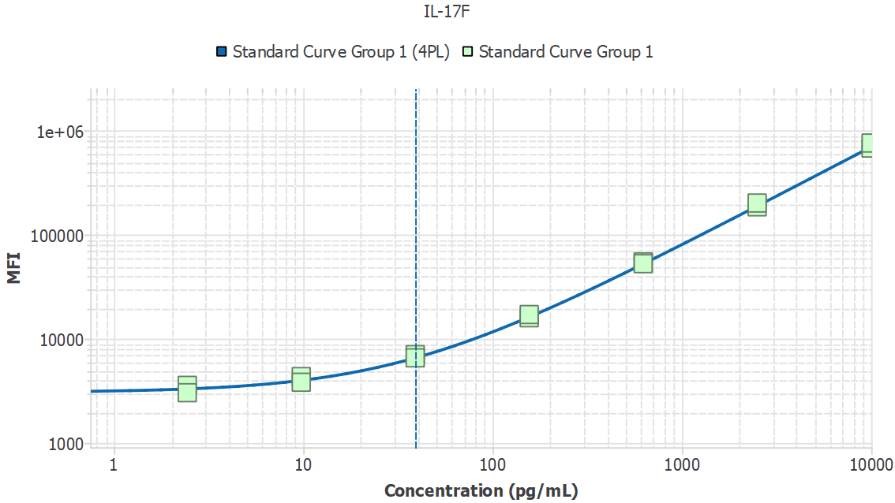
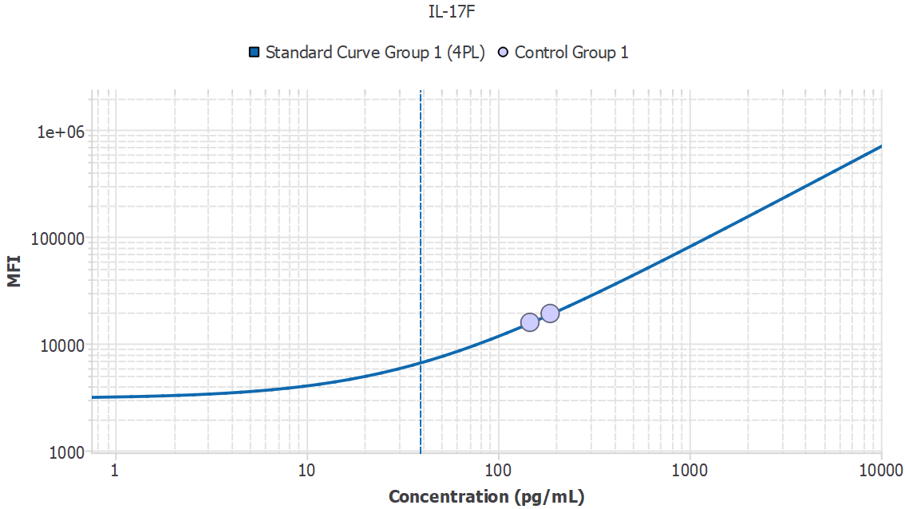

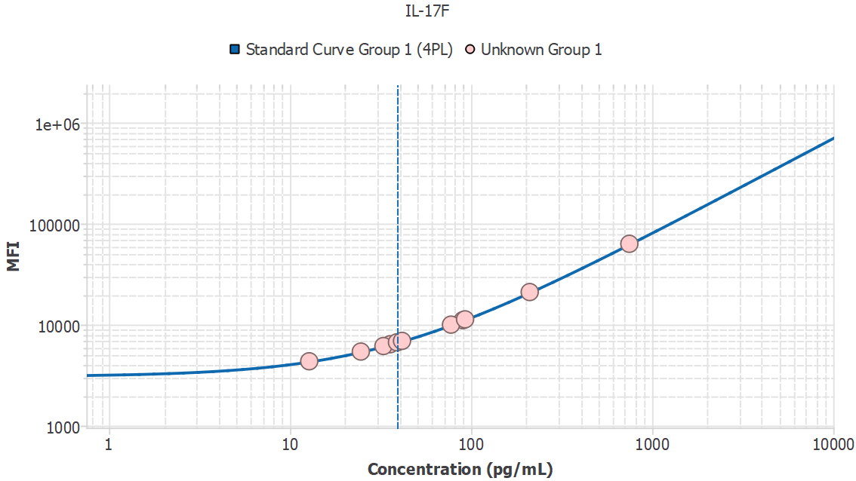
Analyte | Sample ID | Result | Avg. MFI | MFI
IL-17F | 1M1_sys |  | 2160.61
IL-17F | 1M1_sys | - |  | 2160.61
IL-17F | 1M2_sys | - |  | 2434.85
IL-17F | 1M4_sys | 90.07 |  | 11042.40
IL-17F | 1M5_sys | - |  | 1892.64
IL-17F | 1M6_sys | - |  | 1297.73
IL-17F | 1M7_sys | - |  | 1846.18
IL-17F | 1M9_sys | - |  | 1623.22
IL-17F | 1M10_sys | - |  | 2097.13
IL-17F | 1M11_sys | - |  | 2514.80
IL-17F | 3M14_pv | - |  | 2203.18
IL-17F | 3M17_pv | - |  | 1462.40
IL-17F | 3M18_pv | - |  | 1411.60
IL-17F | 2M16_PV | - |  | 1834.42
IL-17F | 2M17_PV | - |  | 1457.08
IL-17F | 2M20_PV | 35.71 |  | 6386.31
IL-17F | 2M22_PV | 24.62 |  | 5404.66
IL-17F | 2M23_PV | - |  | 2221.71
IL-17F | 2M26_PV | - |  | 811.51
IL-17F | 2M31_PV | - |  | 3293.00
IL-17F | 2M33_PV | 748.67 |  | 62971.27
IL-17F | 3M1_pv | - |  | 1898.20
IL-17F | 3M4_pv | - |  | 1826.60
IL-17F | 3M6_pv | - |  | 2077.25
IL-17F | 3M7_pv | - |  | 1826.98
IL-17F | 3M11_pv | - |  | 1582.10
IL-17F | 3M13_pv | - |  | 1242.33
IL-17F | 3M15_pv | - |  | 1645.40
IL-17F | 3M16_pv | - |  | 977.78
IL-17F | 3M21_pv | - |  | 1560.04
IL-17F | 3M26_pv | - |  | 1306.56
IL-17F | 3M27_pv | - |  | 1167.81
IL-17F | 3M28_pv | - |  | 3647.49
IL-17F | 3M31_pv | - |  | 1668.09
IL-17F | 3M33_pv | - |  | 1881.53
IL-17F | 3M34_pv | - |  | 2116.07
IL-17F | 3M37_pv | - |  | 2665.64
IL-17F | 3M38_pv | - |  | 1701.98
IL-17F | 3M39_pv | - |  | 1742.95
IL-17F | 3M40_pv | - |  | 1833.21
IL-17F | 3M1_20mon | - |  | 2209.83
IL-17F | 3M4_20mon | - |  | 2511.30
IL-17F | 3M6_20mon | - |  | 1884.15
IL-17F | 3M7_20mon | - |  | 2509.41
IL-17F | 3M9_20mon | - |  | 1385.99
IL-17F | 3M11_20mon | - |  | 2013.72
IL-17F | 3M12_20mon | - |  | 1438.45
IL-17F | 3M13_20mon | - |  | 1222.27
IL-17F | 3M14_20mon | - |  | 1798.81
IL-17F | 3M15_20mon | - |  | 1615.74
IL-17F | 3M16_20mon | - |  | 1623.43
IL-17F | 3M17_20mon | - |  | 1779.01
IL-17F | 3M18_20mon | - |  | 1243.31
IL-17F | 3M19_20mon | - |  | 1596.87
IL-17F | 3M21_20mon | - |  | 2395.67
IL-17F | 3M22_20mon | - |  | 2808.40
IL-17F | 3M23_20mon | - |  | 2008.01
IL-17F | 3M24_20mon | - |  | 2439.97
IL-17F | 3M25_20mon | - |  | 1605.86
IL-17F | 3M26_20mon | - |  | 1960.64
IL-17F | 3M27_20mon | - |  | 1471.42
IL-17F | 3M28_20mon | 12.77 |  | 4332.07
IL-17F | 3M30_20mon | 38.98 |  | 6672.28
IL-17F | 3M31_20mon | - |  | 1640.54
IL-17F | 3M32_20mon | - |  | 3815.32
IL-17F | 3M33_20mon | - |  | 1684.40
IL-17F | 3M34_20mon | - |  | 1816.11
IL-17F | 3M35_20mon | - |  | 2100.98
IL-17F | 3M36_20mon | - |  | 2052.32
IL-17F | 3M37_20mon | - |  | 2006.65
IL-17F | 3M38_20mon | - |  | 1565.59
IL-17F | 3M39_20mon | - |  | 2402.12
IL-17F | 3M40_20mon | 32.82 |  | 6132.10
IL-17F | 2M32_17mon | - |  | 1268.68
IL-17F | 2M33_17mon | - |  | 1454.32
IL-17F | 2M34_17mon | - |  | 965.63
IL-17F | 2M35_17mon | - |  | 2380.88
IL-17F | 2M12_17mon | - |  | 1464.96
IL-17F | 2M13_17mon | - |  | 2065.76
IL-17F | 2M14_17mon | - |  | 3902.46
IL-17F | 2M15_17mon | - |  | 2046.26
IL-17F | 2M16_17mon | - |  | 1313.66
IL-17F | 2M17_17mon | - |  | 2209.77
IL-17F | 2M18_17mon | - |  | 3050.09
IL-17F | 2M20_17mon | - |  | 1621.51
IL-17F | 2M22_17mon | - |  | 1948.61
IL-17F | 2M23_17mon | - |  | 1806.33
IL-17F | 2M24_17mon | - |  | 1694.40
IL-17F | 2M25_17mon | - |  | 1908.12
IL-17F | 2M26_17mon | - |  | 1726.37
IL-17F | 2M27_17mon | - |  | 756.72
IL-17F | 2M30_17mon | - |  | 1824.17
IL-17F | 2M31_17mon | - |  | 1631.38
IL-17F | 3M1_6mon | - |  | 1279.52
IL-17F | 3M2_6mon | - |  | 1942.90
IL-17F | 3M3_6mon | - |  | 1397.43
IL-17F | 3M4_6mon | - |  | 1578.00
IL-17F | 3M5_6mon | - |  | 1628.40
IL-17F | 3M6_6mon | - |  | 1642.78
IL-17F | 3M7_6mon | - |  | 1568.25
IL-17F | 3M8_6mon | - |  | 1841.71
IL-17F | 3M9_6mon | - |  | 1805.57
IL-17F | 3M10_6mon | - |  | 1234.23
IL-17F | 3M11_6mon | - |  | 1790.11
IL-17F | 3M12_6mon | - |  | 1860.90
IL-17F | 3M13_6mon | - |  | 1055.15
IL-17F | 3M14_6mon | - |  | 1104.24
IL-17F | 3M15_6mon | - |  | 1208.61
IL-17F | 3M16_6mon | 41.57 |  | 6898.57
IL-17F | 3M17_6mon | - |  | 1913.24
IL-17F | 3M18_6mon | - |  | 2021.76
IL-17F | 3M19_6mon | - |  | 2235.86
IL-17F | 3M20_6mon | - |  | 1995.93
IL-17F | 3M21_6mon | - |  | 1729.49
IL-17F | 3M22_6mon | - |  | 2026.94
IL-17F | 3M23_6mon | - |  | 2231.07
IL-17F | 3M24_6mon | - |  | 2015.25
IL-17F | 3M25_6mon | - |  | 3627.39
IL-17F | 3M26_6mon | - |  | 3129.53
IL-17F | 3M27_6mon | - |  | 1582.71
IL-17F | 3M28_6mon | - |  | 1523.03
IL-17F | 3M29_6mon | - |  | 955.10
IL-17F | 3M30_6mon | - |  | 1394.33
IL-17F | 3M31_6mon | - |  | 1877.57
IL-17F | 3M32_6mon | - |  | 580.47
IL-17F | 3M33_6mon | - |  | 1262.08
IL-17F | 3M34_6mon | - |  | 2901.15
IL-17F | 3M35_6mon | - |  | 1927.34
IL-17F | 3M36_6mon | - |  | 1867.66
IL-17F | 3M37_6mon | - |  | 1667.84
IL-17F | 3M38_6mon | - |  | 1915.96
IL-17F | 3M39_6mon | - |  | 843.62
IL-17F | 3M40_6mon | - |  | 1628.09
IL-17F | 3M1_10mon | - |  | 1684.74
IL-17F | 3M2_10mon | - |  | 1098.61
IL-17F | 3M3_10mon | - |  | 1145.13
IL-17F | 3M4_10mon | - |  | 1728.49
IL-17F | 3M5_10mon | - |  | 1559.73
IL-17F | 3M6_10mon | - |  | 1494.27
IL-17F | 3M7_10mon | - |  | 1511.29
IL-17F | 3M8_10mon | - |  | 1436.66
IL-17F | 3M9_10mon | - |  | 1352.88
IL-17F | 3M10_10mon | - |  | 1259.41
IL-17F | 3M11_10mon | - |  | 1268.83
IL-17F | 3M12_10mon | - |  | 1369.73
IL-17F | 3M13_10mon | - |  | 1481.36
IL-17F | 3M14_10mon | - |  | 2006.35
IL-17F | 3M15_10mon | - |  | 1699.86
IL-17F | 3M16_10mon | - |  | 2270.60
IL-17F | 3M17_10mon | - |  | 1704.23
IL-17F | 3M18_10mon | - |  | 1258.83
IL-17F | 3M19_10mon | - |  | 1398.67
IL-17F | 3M20_10mon | - |  | 1929.52
IL-17F | 3M21_10mon | - |  | 2602.81
IL-17F | 3M22_10mon | 210.83 |  | 20976.51
IL-17F | 3M23_10mon | - |  | 1232.42
IL-17F | 3M24_10mon | - |  | 1659.15
IL-17F | 3M25_10mon | - |  | 1366.81
IL-17F | 3M26_10mon | - |  | 1738.33
IL-17F | 3M27_10mon | - |  | 1251.33
IL-17F | 3M28_10mon | 77.49 |  | 9980.83
IL-17F | 3M29_10mon | - |  | 1850.23
IL-17F | 3M30_10mon | - |  | 1450.37
IL-17F | 3M31_10mon | - |  | 1269.10
IL-17F | 3M32_10mon | - |  | 1702.21
IL-17F | 3M33_10mon | - |  | 940.49
IL-17F | 3M34_10mon | - |  | 1459.29
IL-17F | 3M35_10mon | - |  | 1733.04
IL-17F | 3M36_10mon | - |  | 1843.38
IL-17F | 3M37_10mon | 92.69 |  | 11262.48
IL-17F | 3M38_10mon | - |  | 1673.13
IL-17F | 3M39_10mon | - |  | 1725.14
IL-17F | 3M40_10mon | - |  | 2028.59
IL-17F | 4M1_sys | - |  | 1758.09
IL-17F | 4M2_sys | - |  | 1693.43
IL-17F | 4M3_sys | - |  | 2222.65
IL-17F | 4M4_sys | - |  | 1517.93
IL-17F | 4M5_sys | - |  | 1843.08
IL-17F | 5M1_sys | - |  | 1881.66
IL-17F | 5M2_sys | - |  | 1862.22
IL-17F | 5M3_sys | - |  | 1752.69
IL-17F | 5M4_sys | - |  | 1755.46
IL-17F | 5M5_sys | - |  | 1185.86
IL-17F | 5M6_sys | - |  | 1869.93
IL-17F | 5M7_sys | - |  | 2011.07
IL-17F | 5M8_sys | - |  | 1405.04
IL-17F | 5M9_sys | - |  | 1571.16
IL-17F | 5M10_sys | - |  | 1763.92
IL-17F | 5M1_pv | - |  | 1787.04
IL-17F | 5M2_pv | - |  | 2141.48
IL-17F | 5M3_pv | - |  | 1769.13
IL-17F | 5M4_pv | - |  | 1837.37
IL-17F | 5M5_pv | - |  | 1518.23
IL-17F | 5M6_pv | - |  | 2180.92
IL-17F | 5M7_pv | - |  | 1825.78
IL-17F | 5M8_pv | - |  | 1392.03
IL-17F | 5M9_pv | - |  | 1528.67
IL-17F | 5M10_pv | - |  | 1750.32

MDD | Slope
699.93 | N/A

IL-6
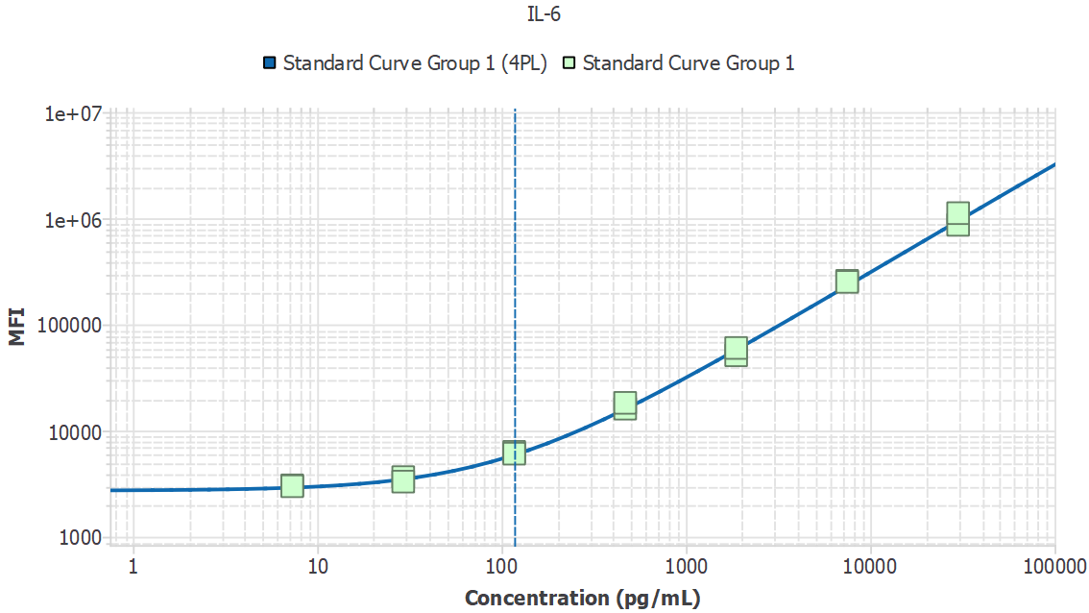
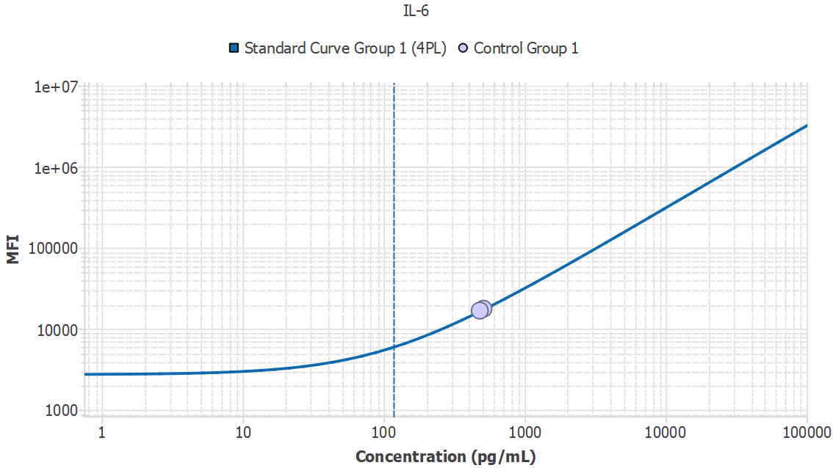

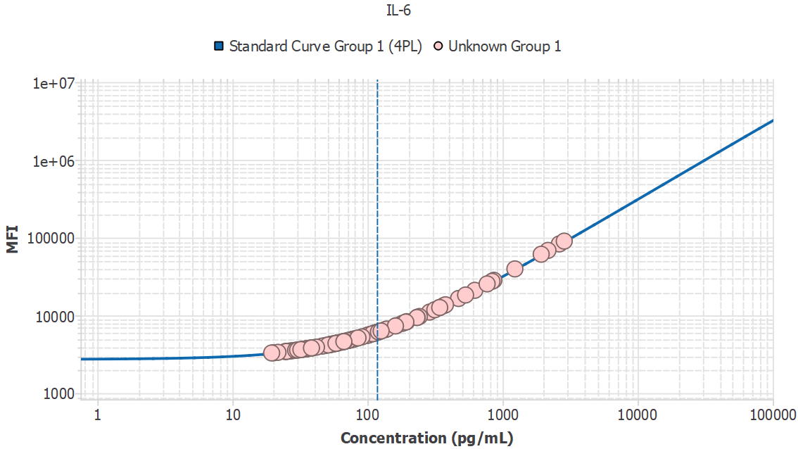
Analyte | Sample ID | Result | Avg. MFI | MFI
IL-6 | 1M1_sys |  | 2994.69
IL-6 | 1M1_sys | - |  | 2994.69
IL-6 | 1M2_sys | 75.32 |  | 4844.49
IL-6 | 1M4_sys | 53.88 |  | 4239.29
IL-6 | 1M5_sys | 32.79 |  | 3650.68
IL-6 | 1M6_sys | 26.65 |  | 3481.06
IL-6 | 1M7_sys | 20.17 |  | 3303.28
IL-6 | 1M9_sys | 377.91 |  | 13671.39
IL-6 | 1M10_sys | - |  | 1981.80
IL-6 | 1M11_sys | - |  | 2763.97
IL-6 | 3M14_pv | 38.47 |  | 3808.31
IL-6 | 3M17_pv | 232.50 |  | 9385.09
IL-6 | 3M18_pv | 51.22 |  | 4164.70
IL-6 | 2M16_PV | 52.93 |  | 4212.57
IL-6 | 2M17_PV | 117.06 |  | 6035.82
IL-6 | 2M20_PV | 288.18 |  | 11019.50
IL-6 | 2M22_PV | 340.23 |  | 12555.25
IL-6 | 2M23_PV | 72.31 |  | 4759.08
IL-6 | 2M26_PV | 1233.33 |  | 39544.95
IL-6 | 2M31_PV | 2630.57 |  | 82863.65
IL-6 | 2M33_PV | 76.94 |  | 4890.58
IL-6 | 3M1_pv | 25.11 |  | 3438.80
IL-6 | 3M4_pv | 57.30 |  | 4335.37
IL-6 | 3M6_pv | 117.49 |  | 6048.19
IL-6 | 3M7_pv | - |  | 3238.54
IL-6 | 3M11_pv | 342.44 |  | 12620.63
IL-6 | 3M13_pv | 58.42 |  | 4366.99
IL-6 | 3M15_pv | 126.17 |  | 6297.73
IL-6 | 3M16_pv | - |  | 2649.27
IL-6 | 3M21_pv | 63.83 |  | 4519.38
IL-6 | 3M26_pv | 27.78 |  | 3512.35
IL-6 | 3M27_pv | 181.12 |  | 7886.77
IL-6 | 3M28_pv | 52.86 |  | 4210.76
IL-6 | 3M31_pv | 113.55 |  | 5935.07
IL-6 | 3M33_pv | 51.89 |  | 4183.57
IL-6 | 3M34_pv | 100.32 |  | 5556.18
IL-6 | 3M37_pv | 25.35 |  | 3445.35
IL-6 | 3M38_pv | 232.99 |  | 9399.43
IL-6 | 3M39_pv | 119.92 |  | 6117.84
IL-6 | 3M40_pv | - |  | 2849.33
IL-6 | 3M1_20mon | - |  | 1547.02
IL-6 | 3M4_20mon | - |  | 2877.18
IL-6 | 3M6_20mon | 33.09 |  | 3659.12
IL-6 | 3M7_20mon | 38.08 |  | 3797.53
IL-6 | 3M9_20mon | - |  | 3214.70
IL-6 | 3M11_20mon | 35.61 |  | 3729.03
IL-6 | 3M12_20mon | 65.97 |  | 4579.86
IL-6 | 3M13_20mon | 36.51 |  | 3753.91
IL-6 | 3M14_20mon | 39.59 |  | 3839.56
IL-6 | 3M15_20mon | 138.89 |  | 6663.93
IL-6 | 3M16_20mon | 67.63 |  | 4626.74
IL-6 | 3M17_20mon | - |  | 3233.65
IL-6 | 3M18_20mon | 85.04 |  | 5120.65
IL-6 | 3M19_20mon | - |  | 2895.30
IL-6 | 3M21_20mon | - |  | 2569.52
IL-6 | 3M22_20mon | 55.76 |  | 4292.24
IL-6 | 3M23_20mon | 124.18 |  | 6240.44
IL-6 | 3M24_20mon | 532.18 |  | 18270.13
IL-6 | 3M25_20mon | 35.54 |  | 3726.93
IL-6 | 3M26_20mon | 55.38 |  | 4281.45
IL-6 | 3M27_20mon | 2860.74 |  | 90071.45
IL-6 | 3M28_20mon | 31.11 |  | 3604.32
IL-6 | 3M30_20mon | 2167.59 |  | 68417.67
IL-6 | 3M31_20mon | 112.98 |  | 5918.67
IL-6 | 3M32_20mon | 108.85 |  | 5800.46
IL-6 | 3M33_20mon | 59.03 |  | 4384.21
IL-6 | 3M34_20mon | 60.19 |  | 4416.74
IL-6 | 3M35_20mon | 768.31 |  | 25378.75
IL-6 | 3M36_20mon | 38.49 |  | 3808.83
IL-6 | 3M37_20mon | 66.85 |  | 4604.87
IL-6 | 3M38_20mon | 68.96 |  | 4664.28
IL-6 | 3M39_20mon | 622.46 |  | 20979.42
IL-6 | 3M40_20mon | 835.09 |  | 27401.32
IL-6 | 2M32_17mon | 134.73 |  | 6543.93
IL-6 | 2M33_17mon | 366.38 |  | 13329.48
IL-6 | 2M34_17mon | - |  | 2588.42
IL-6 | 2M35_17mon | 195.31 |  | 8299.52
IL-6 | 2M12_17mon | 472.10 |  | 16473.88
IL-6 | 2M13_17mon | 862.49 |  | 28232.30
IL-6 | 2M14_17mon | 59.72 |  | 4403.58
IL-6 | 2M15_17mon | - |  | 2454.49
IL-6 | 2M16_17mon | 24.52 |  | 3422.58
IL-6 | 2M17_17mon | 242.14 |  | 9667.36
IL-6 | 2M18_17mon | 34.95 |  | 3710.49
IL-6 | 2M20_17mon | 71.93 |  | 4748.46
IL-6 | 2M22_17mon | - |  | 2679.44
IL-6 | 2M23_17mon | - |  | 2517.15
IL-6 | 2M24_17mon | 120.46 |  | 6133.48
IL-6 | 2M25_17mon | - |  | 2500.00
IL-6 | 2M26_17mon | - |  | 2697.62
IL-6 | 2M27_17mon | 41.90 |  | 3903.95
IL-6 | 2M30_17mon | - |  | 2530.24
IL-6 | 2M31_17mon | - |  | 2093.17
IL-6 | 3M1_6mon | 99.61 |  | 5535.90
IL-6 | 3M2_6mon | - |  | 1927.92
IL-6 | 3M3_6mon | 102.04 |  | 5605.46
IL-6 | 3M4_6mon | - |  | 2517.29
IL-6 | 3M5_6mon | - |  | 2645.23
IL-6 | 3M6_6mon | - |  | 2885.25
IL-6 | 3M7_6mon | - |  | 2888.25
IL-6 | 3M8_6mon | - |  | 2491.88
IL-6 | 3M9_6mon | - |  | 2681.18
IL-6 | 3M10_6mon | - |  | 2812.10
IL-6 | 3M11_6mon | - |  | 2451.41
IL-6 | 3M12_6mon | - |  | 3134.19
IL-6 | 3M13_6mon | 192.33 |  | 8212.72
IL-6 | 3M14_6mon | - |  | 1900.35
IL-6 | 3M15_6mon | - |  | 2370.18
IL-6 | 3M16_6mon | - |  | 2591.78
IL-6 | 3M17_6mon | - |  | 1201.01
IL-6 | 3M18_6mon | - |  | 2374.34
IL-6 | 3M19_6mon | 163.50 |  | 7375.56
IL-6 | 3M20_6mon | - |  | 2806.48
IL-6 | 3M21_6mon | 314.89 |  | 11806.77
IL-6 | 3M22_6mon | - |  | 2424.00
IL-6 | 3M23_6mon | 80.29 |  | 4985.50
IL-6 | 3M24_6mon | - |  | 2395.89
IL-6 | 3M25_6mon | 29.37 |  | 3556.05
IL-6 | 3M26_6mon | - |  | 2605.09
IL-6 | 3M27_6mon | - |  | 2178.99
IL-6 | 3M28_6mon | - |  | 2743.14
IL-6 | 3M29_6mon | - |  | 3190.02
IL-6 | 3M30_6mon | - |  | 2256.95
IL-6 | 3M31_6mon | - |  | 2136.54
IL-6 | 3M32_6mon | - |  | 2226.23
IL-6 | 3M33_6mon | - |  | 2474.53
IL-6 | 3M34_6mon | - |  | 2310.42
IL-6 | 3M35_6mon | - |  | 2085.18
IL-6 | 3M36_6mon | - |  | 2247.51
IL-6 | 3M37_6mon | - |  | 2177.34
IL-6 | 3M38_6mon | - |  | 2169.36
IL-6 | 3M39_6mon | - |  | 2307.25
IL-6 | 3M40_6mon | - |  | 2390.91
IL-6 | 3M1_10mon | - |  | 1883.34
IL-6 | 3M2_10mon | 21.74 |  | 3346.24
IL-6 | 3M3_10mon | - |  | 1848.54
IL-6 | 3M4_10mon | 19.51 |  | 3285.38
IL-6 | 3M5_10mon | - |  | 2577.73
IL-6 | 3M6_10mon | - |  | 2528.88
IL-6 | 3M7_10mon | - |  | 2096.29
IL-6 | 3M8_10mon | - |  | 3135.49
IL-6 | 3M9_10mon | - |  | 2446.75
IL-6 | 3M10_10mon | - |  | 2369.95
IL-6 | 3M11_10mon | - |  | 2319.42
IL-6 | 3M12_10mon | - |  | 1938.54
IL-6 | 3M13_10mon | - |  | 2509.19
IL-6 | 3M14_10mon | - |  | 2320.26
IL-6 | 3M15_10mon | 112.31 |  | 5899.53
IL-6 | 3M16_10mon | - |  | 2256.63
IL-6 | 3M17_10mon | 46.01 |  | 4018.76
IL-6 | 3M18_10mon | 32.13 |  | 3632.39
IL-6 | 3M19_10mon | - |  | 2040.81
IL-6 | 3M20_10mon | - |  | 1167.99
IL-6 | 3M21_10mon | - |  | 2198.51
IL-6 | 3M22_10mon | 161.05 |  | 7304.48
IL-6 | 3M23_10mon | 1931.69 |  | 61088.13
IL-6 | 3M24_10mon | - |  | 2208.41
IL-6 | 3M25_10mon | - |  | 1407.52
IL-6 | 3M26_10mon | - |  | 1389.32
IL-6 | 3M27_10mon | 104.20 |  | 5667.27
IL-6 | 3M28_10mon | 65.68 |  | 4571.76
IL-6 | 3M29_10mon | 78.80 |  | 4943.22
IL-6 | 3M30_10mon | - |  | 2422.85
IL-6 | 3M31_10mon | 48.59 |  | 4090.93
IL-6 | 3M32_10mon | - |  | 2013.21
IL-6 | 3M33_10mon | 30.37 |  | 3583.79
IL-6 | 3M34_10mon | - |  | 2588.69
IL-6 | 3M35_10mon | - |  | 2403.91
IL-6 | 3M36_10mon | 91.03 |  | 5291.06
IL-6 | 3M37_10mon | - |  | 2617.98
IL-6 | 3M38_10mon | - |  | 2015.65
IL-6 | 3M39_10mon | - |  | 2349.84
IL-6 | 3M40_10mon | - |  | 2368.82
IL-6 | 4M1_sys | - |  | 2144.99
IL-6 | 4M2_sys | - |  | 2287.71
IL-6 | 4M3_sys | - |  | 2564.83
IL-6 | 4M4_sys | - |  | 2228.34
IL-6 | 4M5_sys | - |  | 2273.16
IL-6 | 5M1_sys | - |  | 2221.99
IL-6 | 5M2_sys | - |  | 2174.08
IL-6 | 5M3_sys | - |  | 2135.03
IL-6 | 5M4_sys | - |  | 1562.71
IL-6 | 5M5_sys | - |  | 2102.10
IL-6 | 5M6_sys | - |  | 2089.96
IL-6 | 5M7_sys | - |  | 1652.21
IL-6 | 5M8_sys | - |  | 1883.46
IL-6 | 5M9_sys | - |  | 2123.70
IL-6 | 5M10_sys | - |  | 2326.54
IL-6 | 5M1_pv | - |  | 2461.89
IL-6 | 5M2_pv | - |  | 2382.48
IL-6 | 5M3_pv | - |  | 2060.30
IL-6 | 5M4_pv | - |  | 1622.41
IL-6 | 5M5_pv | - |  | 2211.90
IL-6 | 5M6_pv | - |  | 2170.58
IL-6 | 5M7_pv | - |  | 1772.07
IL-6 | 5M8_pv | - |  | 1901.15
IL-6 | 5M9_pv | - |  | 2151.85
IL-6 | 5M10_pv | - |  | 2331.84

MDD | Slope
351.91 | N/A

IL-7
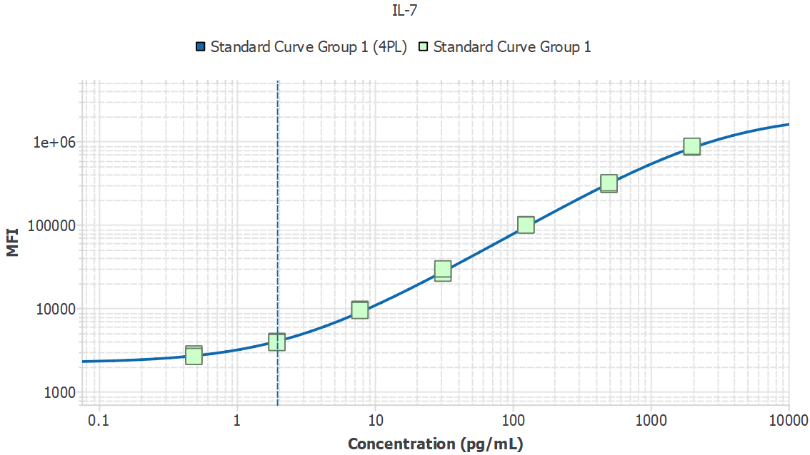
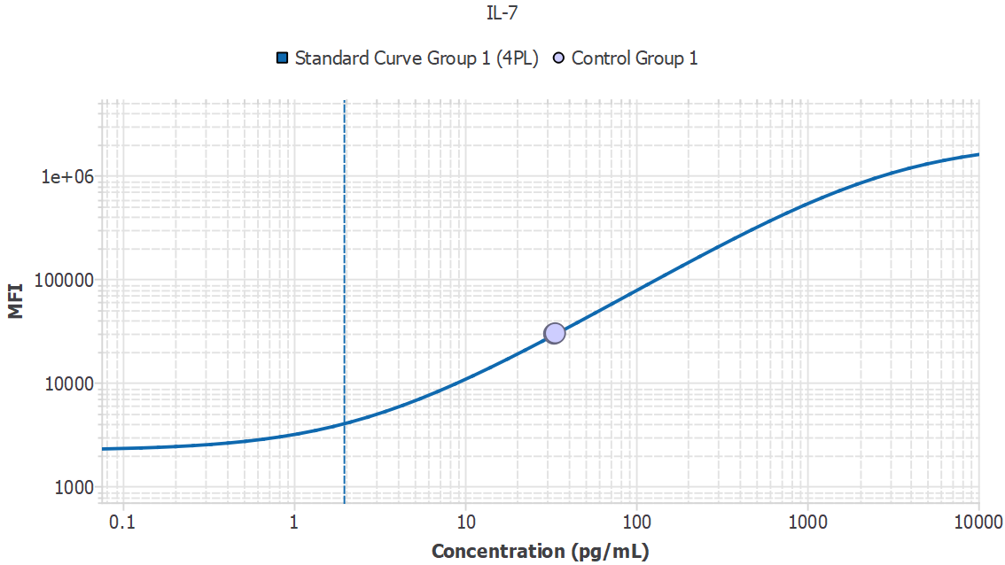
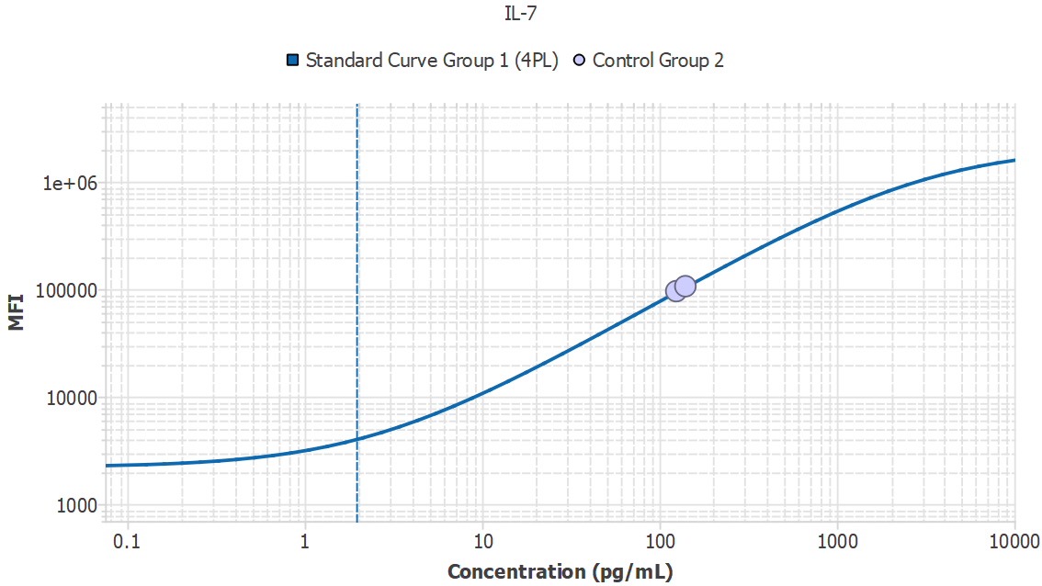
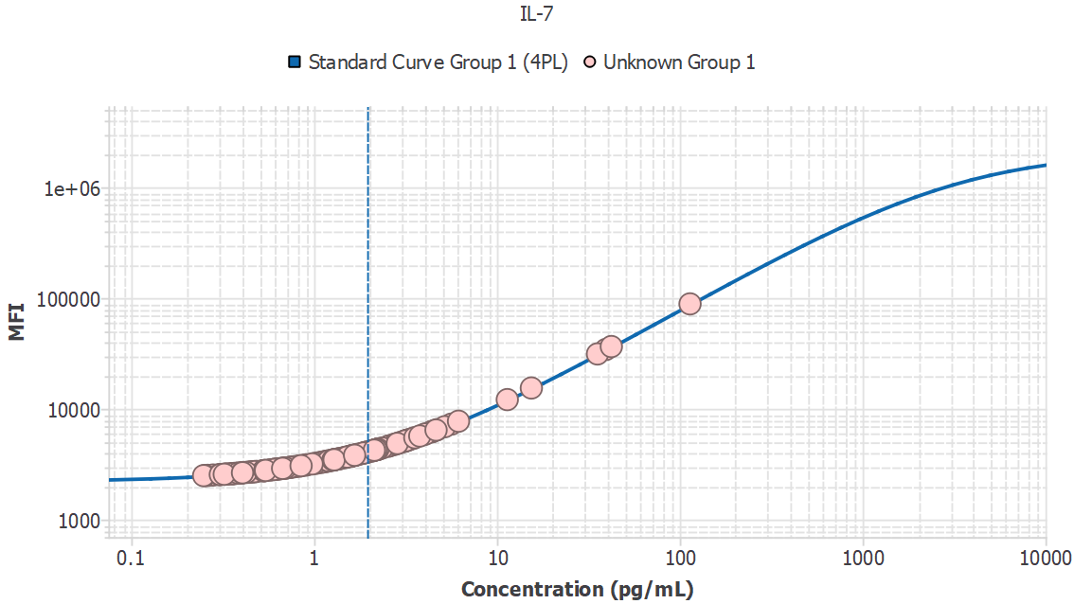
Analyte | Sample ID | Result | Avg. MFI | MFI
IL-7 | 1M1_sys |  | 2754.07
IL-7 | 1M1_sys | 0.53 |  | 2754.07
IL-7 | 1M2_sys | 2.14 |  | 4224.03
IL-7 | 1M4_sys | 0.71 |  | 2922.52
IL-7 | 1M5_sys | 0.44 |  | 2670.93
IL-7 | 1M6_sys | 2.55 |  | 4585.67
IL-7 | 1M7_sys | 2.13 |  | 4212.19
IL-7 | 1M9_sys | - |  | 2182.93
IL-7 | 1M10_sys | 0.74 |  | 2955.23
IL-7 | 1M11_sys | 0.25 |  | 2492.91
IL-7 | 3M14_pv | 3.11 |  | 5079.58
IL-7 | 3M17_pv | 3.56 |  | 5472.65
IL-7 | 3M18_pv | 1.20 |  | 3382.51
IL-7 | 2M16_PV | 2.72 |  | 4734.88
IL-7 | 2M17_PV | 0.37 |  | 2601.90
IL-7 | 2M20_PV | 2.23 |  | 4304.65
IL-7 | 2M22_PV | - |  | 1479.40
IL-7 | 2M23_PV | 3.47 |  | 5392.10
IL-7 | 2M26_PV | 3.17 |  | 5129.69
IL-7 | 2M31_PV | 0.64 |  | 2862.51
IL-7 | 2M33_PV | 1.12 |  | 3305.38
IL-7 | 3M1_pv | 1.60 |  | 3742.97
IL-7 | 3M4_pv | - |  | 2137.22
IL-7 | 3M6_pv | 1.93 |  | 4032.99
IL-7 | 3M7_pv | - |  | 2439.36
IL-7 | 3M11_pv | 11.41 |  | 12085.72
IL-7 | 3M13_pv | 6.17 |  | 7715.58
IL-7 | 3M15_pv | 4.65 |  | 6416.49
IL-7 | 3M16_pv | 0.85 |  | 3056.84
IL-7 | 3M21_pv | 2.22 |  | 4293.70
IL-7 | 3M26_pv | 0.49 |  | 2715.66
IL-7 | 3M27_pv | 1.16 |  | 3339.60
IL-7 | 3M28_pv | 3.27 |  | 5222.48
IL-7 | 3M31_pv | 2.58 |  | 4614.66
IL-7 | 3M33_pv | 2.78 |  | 4788.80
IL-7 | 3M34_pv | 0.70 |  | 2915.55
IL-7 | 3M37_pv | 2.21 |  | 4283.30
IL-7 | 3M38_pv | 5.19 |  | 6874.34
IL-7 | 3M39_pv | 3.17 |  | 5128.69
IL-7 | 3M40_pv | 0.61 |  | 2829.34
IL-7 | 3M1_20mon | 0.32 |  | 2561.71
IL-7 | 3M4_20mon | - |  | 2079.98
IL-7 | 3M6_20mon | 1.28 |  | 3447.68
IL-7 | 3M7_20mon | - |  | 2043.67
IL-7 | 3M9_20mon | 3.31 |  | 5251.21
IL-7 | 3M11_20mon | 1.59 |  | 3730.06
IL-7 | 3M12_20mon | 0.79 |  | 3005.45
IL-7 | 3M13_20mon | 1.89 |  | 4000.36
IL-7 | 3M14_20mon | 2.24 |  | 4312.70
IL-7 | 3M15_20mon | 4.07 |  | 5917.38
IL-7 | 3M16_20mon | 0.39 |  | 2620.91
IL-7 | 3M17_20mon | 1.27 |  | 3440.36
IL-7 | 3M18_20mon | 1.96 |  | 4060.76
IL-7 | 3M19_20mon | - |  | 2329.94
IL-7 | 3M21_20mon | 0.77 |  | 2979.14
IL-7 | 3M22_20mon | 1.31 |  | 3482.13
IL-7 | 3M23_20mon | - |  | 2057.34
IL-7 | 3M24_20mon | 0.74 |  | 2951.38
IL-7 | 3M25_20mon | 1.10 |  | 3283.90
IL-7 | 3M26_20mon | 35.52 |  | 31225.16
IL-7 | 3M27_20mon | 113.94 |  | 88406.25
IL-7 | 3M28_20mon | 2.36 |  | 4416.91
IL-7 | 3M30_20mon | 4.00 |  | 5850.15
IL-7 | 3M31_20mon | 0.58 |  | 2804.41
IL-7 | 3M32_20mon | 15.45 |  | 15385.65
IL-7 | 3M33_20mon | 0.90 |  | 3104.31
IL-7 | 3M34_20mon | 0.70 |  | 2916.01
IL-7 | 3M35_20mon | 0.98 |  | 3173.40
IL-7 | 3M36_20mon | 0.54 |  | 2770.46
IL-7 | 3M37_20mon | 0.41 |  | 2640.63
IL-7 | 3M38_20mon | 1.05 |  | 3240.98
IL-7 | 3M39_20mon | 1.75 |  | 3874.06
IL-7 | 3M40_20mon | 4.41 |  | 6211.62
IL-7 | 2M32_17mon | 0.46 |  | 2689.37
IL-7 | 2M33_17mon | - |  | 2187.86
IL-7 | 2M34_17mon | - |  | 2213.55
IL-7 | 2M35_17mon | 4.72 |  | 6477.66
IL-7 | 2M12_17mon | - |  | 2295.92
IL-7 | 2M13_17mon | 1.59 |  | 3735.99
IL-7 | 2M14_17mon | 2.20 |  | 4273.86
IL-7 | 2M15_17mon | 1.34 |  | 3508.95
IL-7 | 2M16_17mon | 0.36 |  | 2593.99
IL-7 | 2M17_17mon | 0.63 |  | 2850.36
IL-7 | 2M18_17mon | 3.18 |  | 5143.61
IL-7 | 2M20_17mon | - |  | 1988.38
IL-7 | 2M22_17mon | 0.33 |  | 2568.58
IL-7 | 2M23_17mon | 2.86 |  | 4856.41
IL-7 | 2M24_17mon | 0.43 |  | 2658.39
IL-7 | 2M25_17mon | 1.83 |  | 3944.33
IL-7 | 2M26_17mon | 0.31 |  | 2545.29
IL-7 | 2M27_17mon | 1.66 |  | 3794.04
IL-7 | 2M30_17mon | 1.87 |  | 3980.62
IL-7 | 2M31_17mon | 1.52 |  | 3665.81
IL-7 | 3M1_6mon | - |  | 2122.46
IL-7 | 3M2_6mon | - |  | 2231.22
IL-7 | 3M3_6mon | 0.47 |  | 2703.48
IL-7 | 3M4_6mon | - |  | 2363.72
IL-7 | 3M5_6mon | 0.40 |  | 2635.11
IL-7 | 3M6_6mon | - |  | 2195.62
IL-7 | 3M7_6mon | - |  | 2122.56
IL-7 | 3M8_6mon | 0.38 |  | 2613.31
IL-7 | 3M9_6mon | 0.67 |  | 2886.68
IL-7 | 3M10_6mon | 0.25 |  | 2488.84
IL-7 | 3M11_6mon | - |  | 2339.13
IL-7 | 3M12_6mon | 0.68 |  | 2895.10
IL-7 | 3M13_6mon | 2.08 |  | 4166.60
IL-7 | 3M14_6mon | - |  | 1974.47
IL-7 | 3M15_6mon | - |  | 1933.63
IL-7 | 3M16_6mon | 1.29 |  | 3459.50
IL-7 | 3M17_6mon | - |  | 2261.75
IL-7 | 3M18_6mon | 0.26 |  | 2501.56
IL-7 | 3M19_6mon | 4.37 |  | 6174.85
IL-7 | 3M20_6mon | 1.26 |  | 3430.88
IL-7 | 3M21_6mon | 0.65 |  | 2871.76
IL-7 | 3M22_6mon | - |  | 2258.62
IL-7 | 3M23_6mon | 5.64 |  | 7258.91
IL-7 | 3M24_6mon | 0.35 |  | 2589.78
IL-7 | 3M25_6mon | 2.99 |  | 4975.92
IL-7 | 3M26_6mon | 2.19 |  | 4265.05
IL-7 | 3M27_6mon | - |  | 2484.59
IL-7 | 3M28_6mon | 1.28 |  | 3453.09
IL-7 | 3M29_6mon | 1.61 |  | 3750.07
IL-7 | 3M30_6mon | 0.54 |  | 2764.84
IL-7 | 3M31_6mon | 0.67 |  | 2892.85
IL-7 | 3M32_6mon | - |  | 2375.16
IL-7 | 3M33_6mon | 0.45 |  | 2681.54
IL-7 | 3M34_6mon | 0.91 |  | 3113.13
IL-7 | 3M35_6mon | 0.34 |  | 2574.04
IL-7 | 3M36_6mon | - |  | 1976.82
IL-7 | 3M37_6mon | 0.83 |  | 3038.21
IL-7 | 3M38_6mon | - |  | 2200.58
IL-7 | 3M39_6mon | 1.72 |  | 3847.29
IL-7 | 3M40_6mon | 0.57 |  | 2800.03
IL-7 | 3M1_10mon | - |  | 1891.34
IL-7 | 3M2_10mon | - |  | 2214.62
IL-7 | 3M3_10mon | - |  | 2422.73
IL-7 | 3M4_10mon | 1.37 |  | 3534.03
IL-7 | 3M5_10mon | - |  | 2205.33
IL-7 | 3M6_10mon | - |  | 2393.79
IL-7 | 3M7_10mon | - |  | 1509.39
IL-7 | 3M8_10mon | 2.14 |  | 4221.54
IL-7 | 3M9_10mon | 1.17 |  | 3350.31
IL-7 | 3M10_10mon | 1.57 |  | 3714.29
IL-7 | 3M11_10mon | - |  | 1896.16
IL-7 | 3M12_10mon | - |  | 2026.87
IL-7 | 3M13_10mon | 1.28 |  | 3453.84
IL-7 | 3M14_10mon | - |  | 2432.32
IL-7 | 3M15_10mon | 2.09 |  | 4180.40
IL-7 | 3M16_10mon | 0.53 |  | 2757.10
IL-7 | 3M17_10mon | 0.61 |  | 2830.83
IL-7 | 3M18_10mon | 1.39 |  | 3555.41
IL-7 | 3M19_10mon | - |  | 1956.70
IL-7 | 3M20_10mon | - |  | 2317.19
IL-7 | 3M21_10mon | - |  | 2053.25
IL-7 | 3M22_10mon | 42.29 |  | 36418.72
IL-7 | 3M23_10mon | 1.49 |  | 3642.88
IL-7 | 3M24_10mon | 1.67 |  | 3801.79
IL-7 | 3M25_10mon | 2.07 |  | 4158.65
IL-7 | 3M26_10mon | 1.68 |  | 3808.98
IL-7 | 3M27_10mon | 4.48 |  | 6266.38
IL-7 | 3M28_10mon | 39.51 |  | 34287.98
IL-7 | 3M29_10mon | 0.61 |  | 2828.98
IL-7 | 3M30_10mon | 0.30 |  | 2542.14
IL-7 | 3M31_10mon | 2.90 |  | 4897.60
IL-7 | 3M32_10mon | 1.01 |  | 3206.50
IL-7 | 3M33_10mon | - |  | 1807.44
IL-7 | 3M34_10mon | - |  | 2339.76
IL-7 | 3M35_10mon | 1.20 |  | 3376.84
IL-7 | 3M36_10mon | - |  | 1957.14
IL-7 | 3M37_10mon | 3.79 |  | 5672.05
IL-7 | 3M38_10mon | 0.40 |  | 2638.31
IL-7 | 3M39_10mon | 0.32 |  | 2560.44
IL-7 | 3M40_10mon | - |  | 1666.27
IL-7 | 4M1_sys | - |  | 1924.44
IL-7 | 4M2_sys | - |  | 2083.28
IL-7 | 4M3_sys | - |  | 2226.36
IL-7 | 4M4_sys | 0.54 |  | 2764.62
IL-7 | 4M5_sys | 0.28 |  | 2519.40
IL-7 | 5M1_sys | - |  | 1900.97
IL-7 | 5M2_sys | - |  | 2312.81
IL-7 | 5M3_sys | - |  | 2338.50
IL-7 | 5M4_sys | - |  | 2263.95
IL-7 | 5M5_sys | - |  | 2068.78
IL-7 | 5M6_sys | - |  | 2243.34
IL-7 | 5M7_sys | - |  | 2042.93
IL-7 | 5M8_sys | - |  | 2142.38
IL-7 | 5M9_sys | - |  | 2188.52
IL-7 | 5M10_sys | - |  | 2466.11
IL-7 | 5M1_pv | 0.85 |  | 3054.45
IL-7 | 5M2_pv | 2.26 |  | 4330.60
IL-7 | 5M3_pv | 1.93 |  | 4037.48
IL-7 | 5M4_pv | 1.62 |  | 3756.30
IL-7 | 5M5_pv | 0.47 |  | 2703.74
IL-7 | 5M6_pv | 1.46 |  | 3615.18
IL-7 | 5M7_pv | - |  | 2377.47
IL-7 | 5M8_pv | 1.66 |  | 3798.73
IL-7 | 5M9_pv | 0.36 |  | 2598.30
IL-7 | 5M10_pv | 2.19 |  | 4265.47

MDD | Slope
171.64 | N/A

IL-10
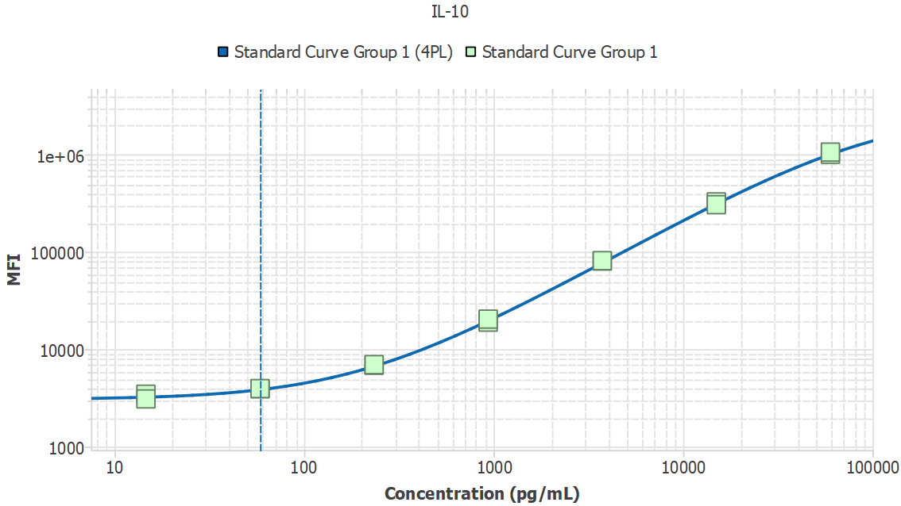
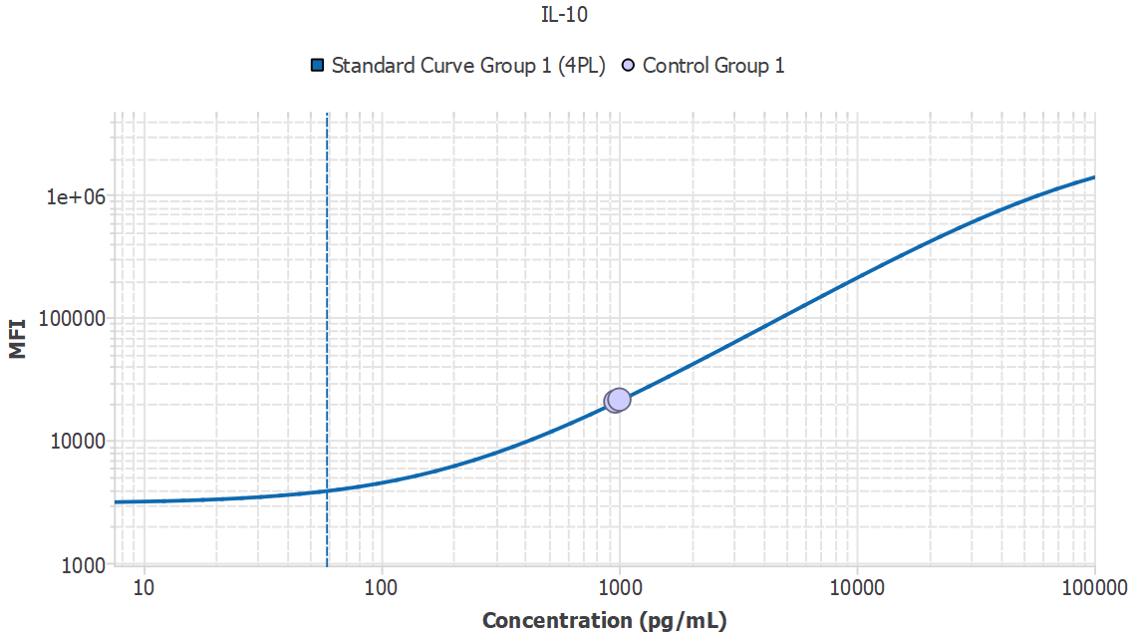
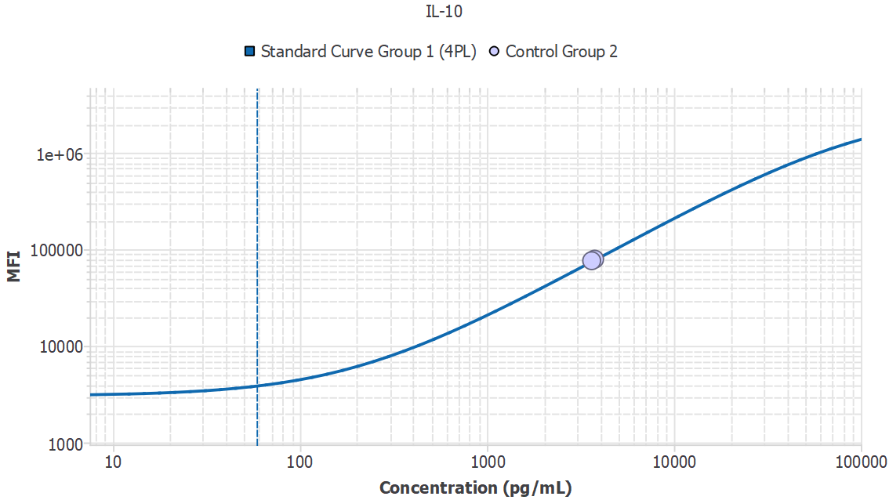
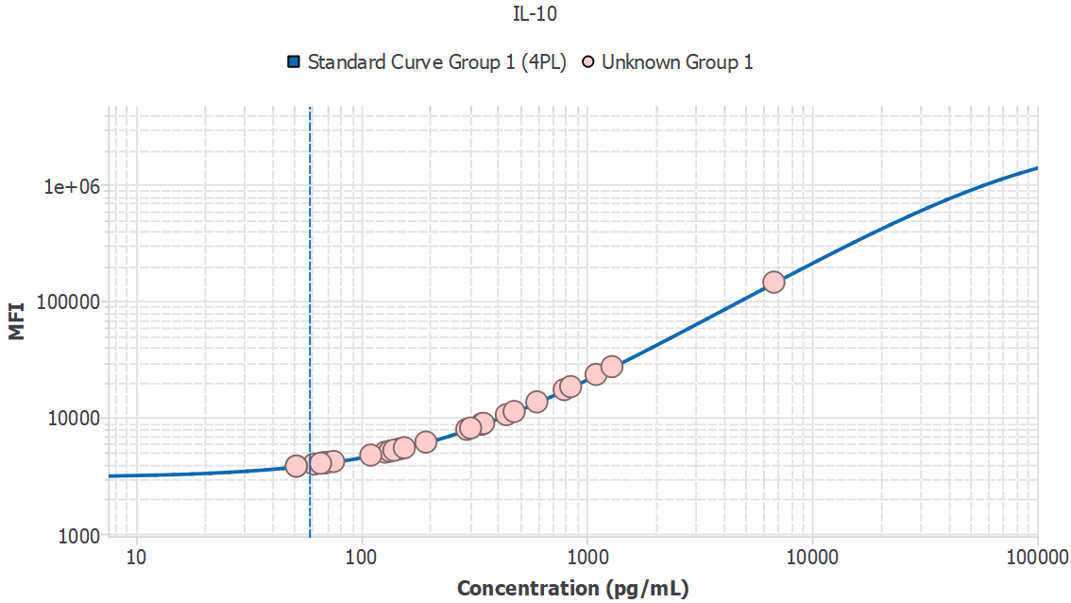
Analyte | Sample ID | Result | Avg. MFI | MFI
IL-10 | 1M1_sys |  | 3000.12
IL-10 | 1M1_sys | - |  | 3000.12
IL-10 | 1M2_sys | - |  | 3212.25
IL-10 | 1M4_sys | - |  | 3205.32
IL-10 | 1M5_sys | - |  | 3744.81
IL-10 | 1M6_sys | - |  | 2818.36
IL-10 | 1M7_sys | - |  | 3424.22
IL-10 | 1M9_sys | - |  | 3212.46
IL-10 | 1M10_sys | - |  | 3077.14
IL-10 | 1M11_sys | 110.09 |  | 4715.10
IL-10 | 3M14_pv | - |  | 3441.33
IL-10 | 3M17_pv | - |  | 2904.52
IL-10 | 3M18_pv | - |  | 3258.23
IL-10 | 2M16_PV | - |  | 2581.14
IL-10 | 2M17_PV | - |  | 3470.81
IL-10 | 2M20_PV | - |  | 2942.62
IL-10 | 2M22_PV | 75.32 |  | 4161.20
IL-10 | 2M23_PV | 1101.74 |  | 23233.72
IL-10 | 2M26_PV | 61.50 |  | 3947.15
IL-10 | 2M31_PV | - |  | 3033.82
IL-10 | 2M33_PV | 51.45 |  | 3794.24
IL-10 | 3M1_pv | - |  | 2908.87
IL-10 | 3M4_pv | - |  | 3385.94
IL-10 | 3M6_pv | - |  | 3294.39
IL-10 | 3M7_pv | - |  | 2910.22
IL-10 | 3M11_pv | 1295.41 |  | 27107.52
IL-10 | 3M13_pv | 305.47 |  | 8060.13
IL-10 | 3M15_pv | - |  | 3640.94
IL-10 | 3M16_pv | - |  | 2962.70
IL-10 | 3M21_pv | - |  | 2995.70
IL-10 | 3M26_pv | - |  | 3698.16
IL-10 | 3M27_pv | 67.61 |  | 4041.35
IL-10 | 3M28_pv | 147.85 |  | 5335.54
IL-10 | 3M31_pv | - |  | 2605.90
IL-10 | 3M33_pv | - |  | 2980.19
IL-10 | 3M34_pv | - |  | 2790.21
IL-10 | 3M37_pv | - |  | 2942.63
IL-10 | 3M38_pv | - |  | 2985.03
IL-10 | 3M39_pv | - |  | 2673.55
IL-10 | 3M40_pv | - |  | 2526.99
IL-10 | 3M1_20mon | - |  | 3231.09
IL-10 | 3M4_20mon | - |  | 3154.05
IL-10 | 3M6_20mon | - |  | 3240.77
IL-10 | 3M7_20mon | - |  | 2939.23
IL-10 | 3M9_20mon | - |  | 3112.92
IL-10 | 3M11_20mon | - |  | 2768.00
IL-10 | 3M12_20mon | - |  | 2876.23
IL-10 | 3M13_20mon | - |  | 3747.03
IL-10 | 3M14_20mon | - |  | 3060.36
IL-10 | 3M15_20mon | 795.35 |  | 17219.44
IL-10 | 3M16_20mon | - |  | 2650.32
IL-10 | 3M17_20mon | - |  | 3541.61
IL-10 | 3M18_20mon | - |  | 3550.39
IL-10 | 3M19_20mon | - |  | 2768.10
IL-10 | 3M21_20mon | - |  | 2870.53
IL-10 | 3M22_20mon | 68.23 |  | 4050.83
IL-10 | 3M23_20mon | 70.03 |  | 4078.81
IL-10 | 3M24_20mon | 127.69 |  | 5002.18
IL-10 | 3M25_20mon | - |  | 3218.22
IL-10 | 3M26_20mon | 293.78 |  | 7852.37
IL-10 | 3M27_20mon | 6784.49 |  | 143980.81
IL-10 | 3M28_20mon | - |  | 3143.56
IL-10 | 3M30_20mon | - |  | 3129.97
IL-10 | 3M31_20mon | - |  | 2715.36
IL-10 | 3M32_20mon | - |  | 3170.02
IL-10 | 3M33_20mon | - |  | 2793.69
IL-10 | 3M34_20mon | - |  | 3288.86
IL-10 | 3M35_20mon | 155.15 |  | 5457.34
IL-10 | 3M36_20mon | - |  | 3088.33
IL-10 | 3M37_20mon | - |  | 2946.96
IL-10 | 3M38_20mon | - |  | 2815.26
IL-10 | 3M39_20mon | - |  | 3557.59
IL-10 | 3M40_20mon | - |  | 3391.40
IL-10 | 2M32_17mon | - |  | 2496.68
IL-10 | 2M33_17mon | - |  | 2070.03
IL-10 | 2M34_17mon | - |  | 2592.90
IL-10 | 2M35_17mon | - |  | 3760.68
IL-10 | 2M12_17mon | - |  | 2460.62
IL-10 | 2M13_17mon | - |  | 2960.66
IL-10 | 2M14_17mon | - |  | 2651.42
IL-10 | 2M15_17mon | - |  | 3153.10
IL-10 | 2M16_17mon | - |  | 2605.13
IL-10 | 2M17_17mon | 51.47 |  | 3794.64
IL-10 | 2M18_17mon | - |  | 2871.20
IL-10 | 2M20_17mon | - |  | 2740.18
IL-10 | 2M22_17mon | - |  | 2564.12
IL-10 | 2M23_17mon | - |  | 2877.42
IL-10 | 2M24_17mon | - |  | 2652.10
IL-10 | 2M25_17mon | - |  | 2520.02
IL-10 | 2M26_17mon | - |  | 3672.50
IL-10 | 2M27_17mon | - |  | 2837.29
IL-10 | 2M30_17mon | - |  | 2620.63
IL-10 | 2M31_17mon | - |  | 2535.01
IL-10 | 3M1_6mon | 601.36 |  | 13506.86
IL-10 | 3M2_6mon | - |  | 2798.48
IL-10 | 3M3_6mon | - |  | 2954.48
IL-10 | 3M4_6mon | - |  | 2515.99
IL-10 | 3M5_6mon | - |  | 2404.46
IL-10 | 3M6_6mon | - |  | 2564.46
IL-10 | 3M7_6mon | - |  | 2505.13
IL-10 | 3M8_6mon | - |  | 2543.21
IL-10 | 3M9_6mon | - |  | 2501.42
IL-10 | 3M10_6mon | - |  | 2431.57
IL-10 | 3M11_6mon | - |  | 2847.58
IL-10 | 3M12_6mon | - |  | 3573.41
IL-10 | 3M13_6mon | 849.61 |  | 18272.46
IL-10 | 3M14_6mon | - |  | 2742.34
IL-10 | 3M15_6mon | - |  | 2398.42
IL-10 | 3M16_6mon | - |  | 2371.29
IL-10 | 3M17_6mon | - |  | 2689.59
IL-10 | 3M18_6mon | - |  | 2589.01
IL-10 | 3M19_6mon | 343.38 |  | 8738.41
IL-10 | 3M20_6mon | - |  | 3025.49
IL-10 | 3M21_6mon | - |  | 2728.46
IL-10 | 3M22_6mon | - |  | 2451.37
IL-10 | 3M23_6mon | 343.92 |  | 8748.11
IL-10 | 3M24_6mon | - |  | 2584.76
IL-10 | 3M25_6mon | 139.50 |  | 5196.83
IL-10 | 3M26_6mon | - |  | 2585.50
IL-10 | 3M27_6mon | - |  | 2537.44
IL-10 | 3M28_6mon | - |  | 2412.43
IL-10 | 3M29_6mon | 65.89 |  | 4014.74
IL-10 | 3M30_6mon | - |  | 2232.57
IL-10 | 3M31_6mon | - |  | 2497.54
IL-10 | 3M32_6mon | - |  | 2647.76
IL-10 | 3M33_6mon | - |  | 2530.14
IL-10 | 3M34_6mon | - |  | 2620.77
IL-10 | 3M35_6mon | - |  | 2392.34
IL-10 | 3M36_6mon | - |  | 2574.81
IL-10 | 3M37_6mon | - |  | 2557.75
IL-10 | 3M38_6mon | - |  | 2491.92
IL-10 | 3M39_6mon | - |  | 2808.50
IL-10 | 3M40_6mon | - |  | 2590.50
IL-10 | 3M1_10mon | - |  | 2358.80
IL-10 | 3M2_10mon | 348.81 |  | 8836.07
IL-10 | 3M3_10mon | - |  | 2430.79
IL-10 | 3M4_10mon | - |  | 2429.40
IL-10 | 3M5_10mon | - |  | 3301.24
IL-10 | 3M6_10mon | - |  | 2352.77
IL-10 | 3M7_10mon | - |  | 2141.41
IL-10 | 3M8_10mon | - |  | 2666.94
IL-10 | 3M9_10mon | - |  | 2593.19
IL-10 | 3M10_10mon | - |  | 2709.86
IL-10 | 3M11_10mon | - |  | 2246.47
IL-10 | 3M12_10mon | - |  | 2517.20
IL-10 | 3M13_10mon | - |  | 3127.15
IL-10 | 3M14_10mon | - |  | 2382.75
IL-10 | 3M15_10mon | 340.57 |  | 8687.92
IL-10 | 3M16_10mon | - |  | 2431.90
IL-10 | 3M17_10mon | 193.46 |  | 6104.66
IL-10 | 3M18_10mon | - |  | 2599.29
IL-10 | 3M19_10mon | - |  | 2423.20
IL-10 | 3M20_10mon | - |  | 2311.60
IL-10 | 3M21_10mon | - |  | 2355.79
IL-10 | 3M22_10mon | 476.68 |  | 11173.26
IL-10 | 3M23_10mon | - |  | 3232.56
IL-10 | 3M24_10mon | - |  | 2364.51
IL-10 | 3M25_10mon | - |  | 2340.78
IL-10 | 3M26_10mon | - |  | 2411.97
IL-10 | 3M27_10mon | 440.35 |  | 10502.79
IL-10 | 3M28_10mon | 133.89 |  | 5104.17
IL-10 | 3M29_10mon | - |  | 2474.13
IL-10 | 3M30_10mon | - |  | 2537.88
IL-10 | 3M31_10mon | - |  | 2747.17
IL-10 | 3M32_10mon | - |  | 2623.21
IL-10 | 3M33_10mon | - |  | 2444.69
IL-10 | 3M34_10mon | - |  | 2516.93
IL-10 | 3M35_10mon | - |  | 2471.41
IL-10 | 3M36_10mon | - |  | 2229.63
IL-10 | 3M37_10mon | - |  | 2730.60
IL-10 | 3M38_10mon | - |  | 2242.12
IL-10 | 3M39_10mon | - |  | 2510.52
IL-10 | 3M40_10mon | - |  | 2594.91
IL-10 | 4M1_sys | - |  | 2467.39
IL-10 | 4M2_sys | - |  | 2005.22
IL-10 | 4M3_sys | - |  | 2567.75
IL-10 | 4M4_sys | - |  | 2840.76
IL-10 | 4M5_sys | - |  | 2635.65
IL-10 | 5M1_sys | - |  | 2789.77
IL-10 | 5M2_sys | - |  | 2535.57
IL-10 | 5M3_sys | - |  | 2462.78
IL-10 | 5M4_sys | - |  | 2572.04
IL-10 | 5M5_sys | - |  | 2224.63
IL-10 | 5M6_sys | - |  | 2283.34
IL-10 | 5M7_sys | - |  | 2412.33
IL-10 | 5M8_sys | - |  | 2214.75
IL-10 | 5M9_sys | - |  | 2313.49
IL-10 | 5M10_sys | - |  | 2446.45
IL-10 | 5M1_pv | - |  | 3747.55
IL-10 | 5M2_pv | - |  | 3355.50
IL-10 | 5M3_pv | - |  | 3548.70
IL-10 | 5M4_pv | - |  | 3527.77
IL-10 | 5M5_pv | - |  | 2913.83
IL-10 | 5M6_pv | - |  | 3758.62
IL-10 | 5M7_pv | - |  | 2274.15
IL-10 | 5M8_pv | - |  | 2248.28
IL-10 | 5M9_pv | - |  | 2268.91
IL-10 | 5M10_pv | - |  | 2651.97

MDD | Slope
581.97 | N/A

IL-17A
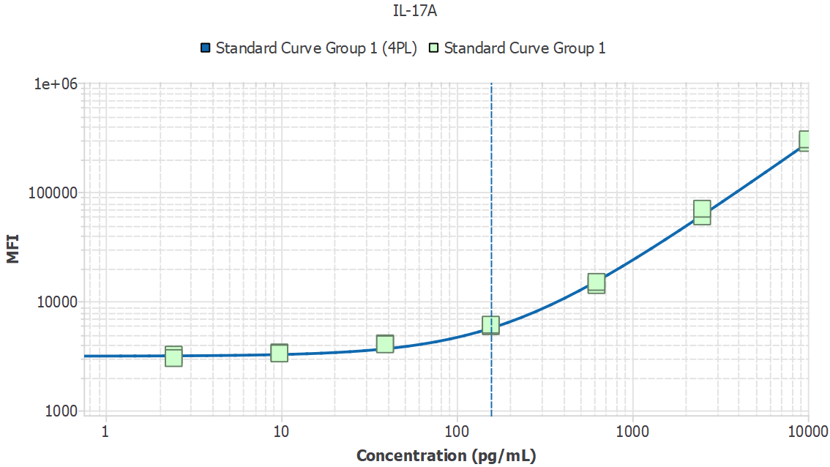
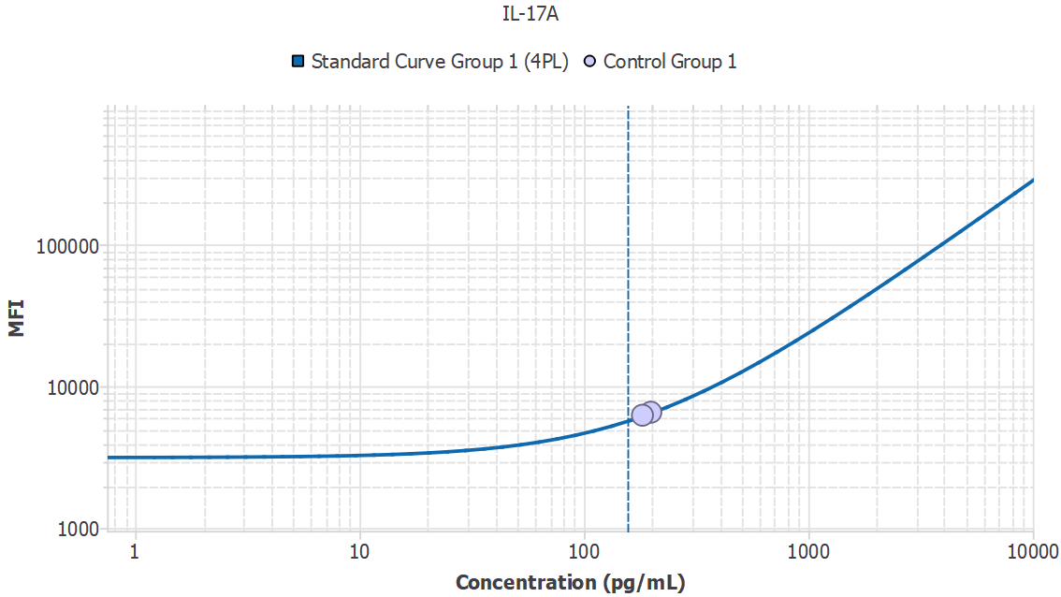
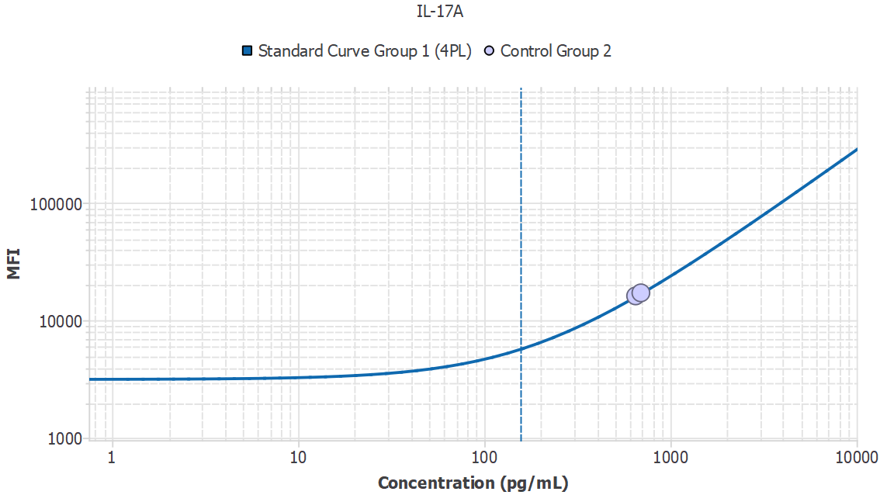
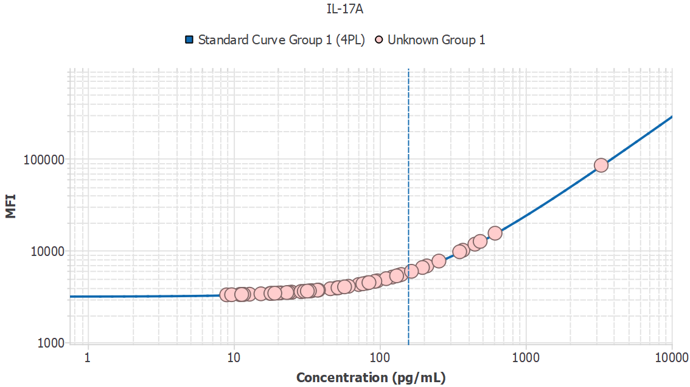
Analyte | Sample ID | Result | Avg. MFI | MFI
IL-17A | 1M1_sys |  | 2949.06
IL-17A | 1M1_sys | - |  | 2949.06
IL-17A | 1M2_sys | 24.98 |  | 3499.06
IL-17A | 1M4_sys | 20.98 |  | 3441.37
IL-17A | 1M5_sys | - |  | 2698.22
IL-17A | 1M6_sys | 12.81 |  | 3328.30
IL-17A | 1M7_sys | - |  | 3048.00
IL-17A | 1M9_sys | - |  | 3237.18
IL-17A | 1M10_sys | - |  | 3274.45
IL-17A | 1M11_sys | 23.09 |  | 3471.62
IL-17A | 3M14_pv | 19.10 |  | 3414.74
IL-17A | 3M17_pv | 37.41 |  | 3685.71
IL-17A | 3M18_pv | - |  | 2996.13
IL-17A | 2M16_PV | - |  | 3182.48
IL-17A | 2M17_PV | - |  | 2803.75
IL-17A | 2M20_PV | - |  | 2814.14
IL-17A | 2M22_PV | 11.69 |  | 3313.36
IL-17A | 2M23_PV | 23.84 |  | 3482.45
IL-17A | 2M26_PV | - |  | 3231.57
IL-17A | 2M31_PV | 34.29 |  | 3637.98
IL-17A | 2M33_PV | 33.71 |  | 3629.18
IL-17A | 3M1_pv | - |  | 2833.26
IL-17A | 3M4_pv | - |  | 3211.96
IL-17A | 3M6_pv | - |  | 3113.25
IL-17A | 3M7_pv | 76.65 |  | 4323.11
IL-17A | 3M11_pv | 488.05 |  | 12499.71
IL-17A | 3M13_pv | 84.41 |  | 4455.40
IL-17A | 3M15_pv | 57.45 |  | 4003.90
IL-17A | 3M16_pv | - |  | 2686.07
IL-17A | 3M21_pv | 135.56 |  | 5362.74
IL-17A | 3M26_pv | 50.35 |  | 3889.11
IL-17A | 3M27_pv | 45.93 |  | 3818.83
IL-17A | 3M28_pv | 96.33 |  | 4661.57
IL-17A | 3M31_pv | 11.09 |  | 3305.52
IL-17A | 3M33_pv | 29.02 |  | 3558.58
IL-17A | 3M34_pv | - |  | 3166.69
IL-17A | 3M37_pv | 52.40 |  | 3922.03
IL-17A | 3M38_pv | 38.03 |  | 3695.26
IL-17A | 3M39_pv | 8.94 |  | 3277.68
IL-17A | 3M40_pv | - |  | 2978.37
IL-17A | 3M1_20mon | - |  | 2508.53
IL-17A | 3M4_20mon | - |  | 2953.97
IL-17A | 3M6_20mon | - |  | 2853.80
IL-17A | 3M7_20mon | - |  | 3045.88
IL-17A | 3M9_20mon | - |  | 1803.15
IL-17A | 3M11_20mon | - |  | 3051.16
IL-17A | 3M12_20mon | 17.97 |  | 3398.89
IL-17A | 3M13_20mon | - |  | 3189.44
IL-17A | 3M14_20mon | - |  | 3220.37
IL-17A | 3M15_20mon | 61.03 |  | 4062.44
IL-17A | 3M16_20mon | - |  | 2757.29
IL-17A | 3M17_20mon | 33.00 |  | 3618.37
IL-17A | 3M18_20mon | 30.42 |  | 3579.58
IL-17A | 3M19_20mon | - |  | 3072.01
IL-17A | 3M21_20mon | - |  | 2981.29
IL-17A | 3M22_20mon | 24.33 |  | 3489.59
IL-17A | 3M23_20mon | 121.96 |  | 5116.18
IL-17A | 3M24_20mon | - |  | 3014.45
IL-17A | 3M25_20mon | 11.69 |  | 3313.41
IL-17A | 3M26_20mon | 449.08 |  | 11661.31
IL-17A | 3M27_20mon | 3293.48 |  | 84160.01
IL-17A | 3M28_20mon | 28.87 |  | 3556.48
IL-17A | 3M30_20mon | 165.04 |  | 5908.24
IL-17A | 3M31_20mon | - |  | 2567.37
IL-17A | 3M32_20mon | 353.15 |  | 9640.14
IL-17A | 3M33_20mon | - |  | 3112.67
IL-17A | 3M34_20mon | - |  | 2852.99
IL-17A | 3M35_20mon | 11.33 |  | 3308.65
IL-17A | 3M36_20mon | - |  | 2597.05
IL-17A | 3M37_20mon | - |  | 2985.36
IL-17A | 3M38_20mon | - |  | 2733.95
IL-17A | 3M39_20mon | - |  | 2713.97
IL-17A | 3M40_20mon | 80.66 |  | 4391.31
IL-17A | 2M32_17mon | - |  | 3072.70
IL-17A | 2M33_17mon | 82.99 |  | 4431.01
IL-17A | 2M34_17mon | 20.21 |  | 3430.34
IL-17A | 2M35_17mon | - |  | 3109.23
IL-17A | 2M12_17mon | - |  | 2995.88
IL-17A | 2M13_17mon | 24.96 |  | 3498.72
IL-17A | 2M14_17mon | 18.37 |  | 3404.39
IL-17A | 2M15_17mon | - |  | 3200.92
IL-17A | 2M16_17mon | - |  | 2878.75
IL-17A | 2M17_17mon | - |  | 3158.08
IL-17A | 2M18_17mon | - |  | 3258.66
IL-17A | 2M20_17mon | - |  | 3092.58
IL-17A | 2M22_17mon | - |  | 3005.07
IL-17A | 2M23_17mon | - |  | 2934.15
IL-17A | 2M24_17mon | - |  | 2570.47
IL-17A | 2M25_17mon | - |  | 2737.08
IL-17A | 2M26_17mon | - |  | 3137.52
IL-17A | 2M27_17mon | - |  | 2154.78
IL-17A | 2M30_17mon | - |  | 2738.64
IL-17A | 2M31_17mon | - |  | 2627.54
IL-17A | 3M1_6mon | - |  | 2814.00
IL-17A | 3M2_6mon | - |  | 2754.49
IL-17A | 3M3_6mon | - |  | 2660.00
IL-17A | 3M4_6mon | - |  | 2718.25
IL-17A | 3M5_6mon | - |  | 2646.67
IL-17A | 3M6_6mon | - |  | 2822.31
IL-17A | 3M7_6mon | - |  | 2346.87
IL-17A | 3M8_6mon | - |  | 2774.19
IL-17A | 3M9_6mon | - |  | 2689.96
IL-17A | 3M10_6mon | - |  | 2671.22
IL-17A | 3M11_6mon | - |  | 2808.25
IL-17A | 3M12_6mon | - |  | 3121.96
IL-17A | 3M13_6mon | 130.56 |  | 5271.69
IL-17A | 3M14_6mon | - |  | 2797.49
IL-17A | 3M15_6mon | - |  | 2806.17
IL-17A | 3M16_6mon | - |  | 2618.94
IL-17A | 3M17_6mon | - |  | 2884.34
IL-17A | 3M18_6mon | - |  | 2454.92
IL-17A | 3M19_6mon | 210.22 |  | 6769.20
IL-17A | 3M20_6mon | 10.98 |  | 3304.04
IL-17A | 3M21_6mon | - |  | 2799.83
IL-17A | 3M22_6mon | - |  | 2686.43
IL-17A | 3M23_6mon | 196.34 |  | 6501.88
IL-17A | 3M24_6mon | - |  | 2916.54
IL-17A | 3M25_6mon | 110.76 |  | 4915.86
IL-17A | 3M26_6mon | 9.67 |  | 3287.03
IL-17A | 3M27_6mon | - |  | 2778.69
IL-17A | 3M28_6mon | - |  | 2762.08
IL-17A | 3M29_6mon | - |  | 3087.24
IL-17A | 3M30_6mon | - |  | 2354.80
IL-17A | 3M31_6mon | - |  | 3180.25
IL-17A | 3M32_6mon | - |  | 2621.93
IL-17A | 3M33_6mon | - |  | 2529.77
IL-17A | 3M34_6mon | - |  | 2562.74
IL-17A | 3M35_6mon | - |  | 2665.67
IL-17A | 3M36_6mon | - |  | 2874.36
IL-17A | 3M37_6mon | - |  | 2705.05
IL-17A | 3M38_6mon | - |  | 2833.25
IL-17A | 3M39_6mon | - |  | 2936.64
IL-17A | 3M40_6mon | - |  | 2811.87
IL-17A | 3M1_10mon | - |  | 2531.14
IL-17A | 3M2_10mon | - |  | 2384.65
IL-17A | 3M3_10mon | - |  | 2506.55
IL-17A | 3M4_10mon | - |  | 2564.42
IL-17A | 3M5_10mon | - |  | 2517.51
IL-17A | 3M6_10mon | - |  | 2278.90
IL-17A | 3M7_10mon | - |  | 2432.31
IL-17A | 3M8_10mon | - |  | 2708.91
IL-17A | 3M9_10mon | - |  | 2358.42
IL-17A | 3M10_10mon | - |  | 2591.99
IL-17A | 3M11_10mon | - |  | 2842.31
IL-17A | 3M12_10mon | - |  | 2268.38
IL-17A | 3M13_10mon | - |  | 3226.56
IL-17A | 3M14_10mon | - |  | 2527.46
IL-17A | 3M15_10mon | 71.79 |  | 4241.24
IL-17A | 3M16_10mon | - |  | 2517.23
IL-17A | 3M17_10mon | 92.58 |  | 4596.35
IL-17A | 3M18_10mon | 51.83 |  | 3912.87
IL-17A | 3M19_10mon | - |  | 1973.47
IL-17A | 3M20_10mon | - |  | 2428.52
IL-17A | 3M21_10mon | - |  | 2394.04
IL-17A | 3M22_10mon | 617.48 |  | 15344.81
IL-17A | 3M23_10mon | 254.56 |  | 7638.35
IL-17A | 3M24_10mon | - |  | 2681.62
IL-17A | 3M25_10mon | - |  | 2446.61
IL-17A | 3M26_10mon | - |  | 2750.61
IL-17A | 3M27_10mon | 140.64 |  | 5455.83
IL-17A | 3M28_10mon | 371.42 |  | 10020.17
IL-17A | 3M29_10mon | - |  | 2936.18
IL-17A | 3M30_10mon | - |  | 2822.57
IL-17A | 3M31_10mon | - |  | 2404.15
IL-17A | 3M32_10mon | - |  | 2320.39
IL-17A | 3M33_10mon | - |  | 2683.43
IL-17A | 3M34_10mon | - |  | 1641.83
IL-17A | 3M35_10mon | - |  | 2528.91
IL-17A | 3M36_10mon | - |  | 2663.54
IL-17A | 3M37_10mon | 31.94 |  | 3602.38
IL-17A | 3M38_10mon | - |  | 2627.47
IL-17A | 3M39_10mon | - |  | 2679.72
IL-17A | 3M40_10mon | - |  | 2817.57
IL-17A | 4M1_sys | - |  | 2731.39
IL-17A | 4M2_sys | - |  | 2236.69
IL-17A | 4M3_sys | - |  | 2611.39
IL-17A | 4M4_sys | - |  | 2657.40
IL-17A | 4M5_sys | - |  | 2648.04
IL-17A | 5M1_sys | - |  | 2771.54
IL-17A | 5M2_sys | - |  | 2676.21
IL-17A | 5M3_sys | - |  | 2822.08
IL-17A | 5M4_sys | - |  | 2728.58
IL-17A | 5M5_sys | - |  | 2457.25
IL-17A | 5M6_sys | - |  | 2576.09
IL-17A | 5M7_sys | - |  | 2628.67
IL-17A | 5M8_sys | - |  | 2433.26
IL-17A | 5M9_sys | - |  | 2615.34
IL-17A | 5M10_sys | - |  | 2591.43
IL-17A | 5M1_pv | - |  | 2785.20
IL-17A | 5M2_pv | 17.78 |  | 3396.14
IL-17A | 5M3_pv | - |  | 2958.94
IL-17A | 5M4_pv | - |  | 2609.10
IL-17A | 5M5_pv | - |  | 2740.24
IL-17A | 5M6_pv | 15.36 |  | 3362.69
IL-17A | 5M7_pv | - |  | 2743.03
IL-17A | 5M8_pv | - |  | 2764.95
IL-17A | 5M9_pv | - |  | 2626.88
IL-17A | 5M10_pv | - |  | 2686.67

MDD | Slope
259.86 | N/A

TNF-alpha
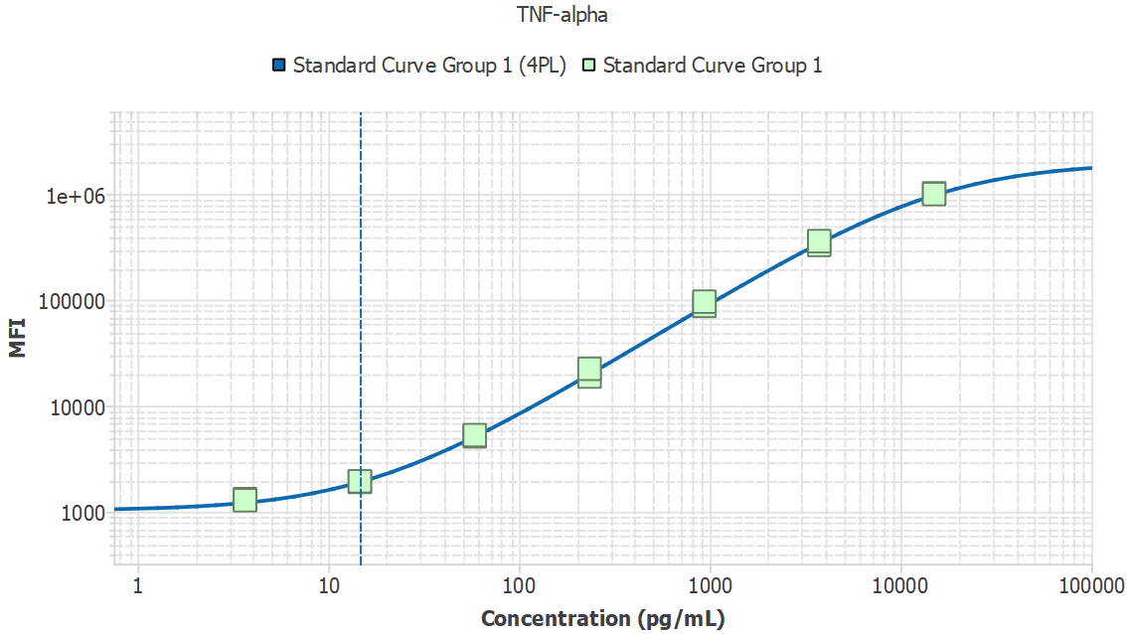
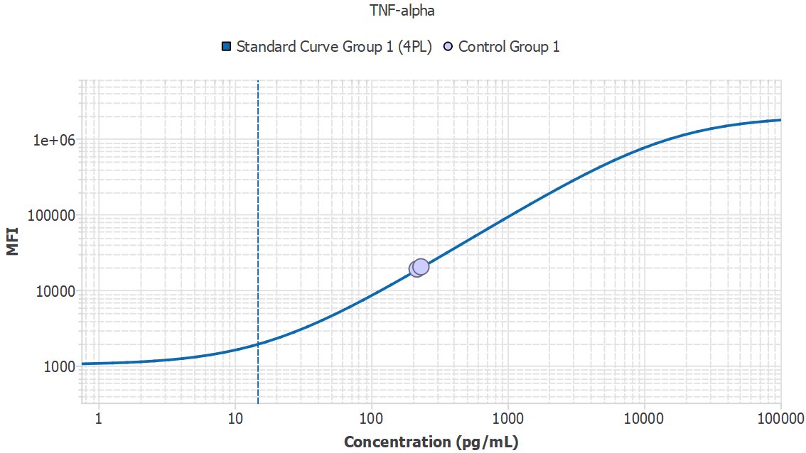
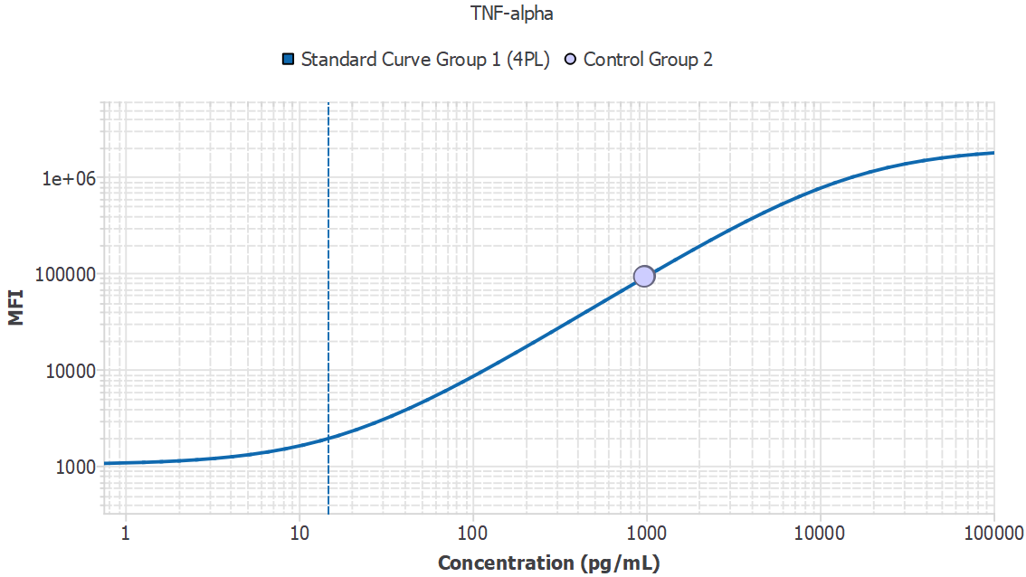
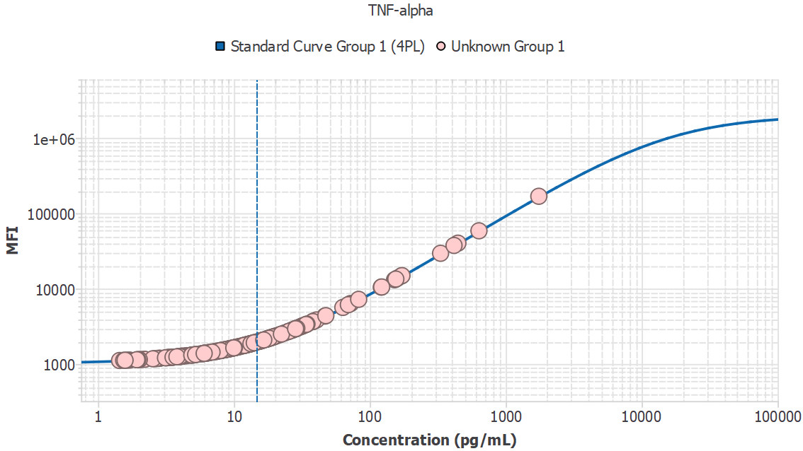
Analyte | Sample ID | Result | Avg. MFI | MFI
TNF-alpha | 1M1_sys |  | 1797.13
TNF-alpha | 1M1_sys | 12.43 |  | 1797.13
TNF-alpha | 1M2_sys | 31.92 |  | 3186.76
TNF-alpha | 1M4_sys | - |  | 938.72
TNF-alpha | 1M5_sys | 39.26 |  | 3738.95
TNF-alpha | 1M6_sys | 9.86 |  | 1626.25
TNF-alpha | 1M7_sys | 8.11 |  | 1512.24
TNF-alpha | 1M9_sys | 20.05 |  | 2323.76
TNF-alpha | 1M10_sys | 10.61 |  | 1675.88
TNF-alpha | 1M11_sys | 27.17 |  | 2836.47
TNF-alpha | 3M14_pv | 18.79 |  | 2235.18
TNF-alpha | 3M17_pv | 69.55 |  | 6117.14
TNF-alpha | 3M18_pv | 15.84 |  | 2029.36
TNF-alpha | 2M16_PV | 28.39 |  | 2925.83
TNF-alpha | 2M17_PV | 28.37 |  | 2924.63
TNF-alpha | 2M20_PV | 31.84 |  | 3180.60
TNF-alpha | 2M22_PV | 32.91 |  | 3260.31
TNF-alpha | 2M23_PV | 171.61 |  | 14788.67
TNF-alpha | 2M26_PV | 63.35 |  | 5619.88
TNF-alpha | 2M31_PV | 24.99 |  | 2677.86
TNF-alpha | 2M33_PV | 47.49 |  | 4370.62
TNF-alpha | 3M1_pv | 20.60 |  | 2362.83
TNF-alpha | 3M4_pv | 17.23 |  | 2125.44
TNF-alpha | 3M6_pv | 27.04 |  | 2827.21
TNF-alpha | 3M7_pv | 23.54 |  | 2572.99
TNF-alpha | 3M11_pv | 416.51 |  | 37344.51
TNF-alpha | 3M13_pv | 635.37 |  | 58387.28
TNF-alpha | 3M15_pv | 155.44 |  | 13369.33
TNF-alpha | 3M16_pv | 22.39 |  | 2490.26
TNF-alpha | 3M21_pv | 17.60 |  | 2151.38
TNF-alpha | 3M26_pv | 18.72 |  | 2229.80
TNF-alpha | 3M27_pv | 8.68 |  | 1549.26
TNF-alpha | 3M28_pv | 40.53 |  | 3835.09
TNF-alpha | 3M31_pv | 3.16 |  | 1207.93
TNF-alpha | 3M33_pv | 26.66 |  | 2798.92
TNF-alpha | 3M34_pv | 12.34 |  | 1791.19
TNF-alpha | 3M37_pv | - |  | 964.72
TNF-alpha | 3M38_pv | 11.92 |  | 1762.65
TNF-alpha | 3M39_pv | 28.51 |  | 2934.45
TNF-alpha | 3M40_pv | 17.53 |  | 2146.64
TNF-alpha | 3M1_20mon | 18.21 |  | 2194.46
TNF-alpha | 3M4_20mon | 11.58 |  | 1740.11
TNF-alpha | 3M6_20mon | 11.98 |  | 1766.87
TNF-alpha | 3M7_20mon | 14.03 |  | 1905.11
TNF-alpha | 3M9_20mon | 14.10 |  | 1910.35
TNF-alpha | 3M11_20mon | 160.32 |  | 13796.60
TNF-alpha | 3M12_20mon | 18.97 |  | 2247.31
TNF-alpha | 3M13_20mon | 10.25 |  | 1652.13
TNF-alpha | 3M14_20mon | 2.70 |  | 1181.61
TNF-alpha | 3M15_20mon | 34.00 |  | 3341.92
TNF-alpha | 3M16_20mon | 13.32 |  | 1856.87
TNF-alpha | 3M17_20mon | 10.17 |  | 1646.76
TNF-alpha | 3M18_20mon | 1.93 |  | 1138.28
TNF-alpha | 3M19_20mon | 25.52 |  | 2716.06
TNF-alpha | 3M21_20mon | 8.62 |  | 1545.33
TNF-alpha | 3M22_20mon | 46.72 |  | 4311.13
TNF-alpha | 3M23_20mon | 17.97 |  | 2177.54
TNF-alpha | 3M24_20mon | 1751.88 |  | 167595.02
TNF-alpha | 3M25_20mon | 34.48 |  | 3378.02
TNF-alpha | 3M26_20mon | 331.81 |  | 29374.99
TNF-alpha | 3M27_20mon | 17.56 |  | 2149.03
TNF-alpha | 3M28_20mon | 13.04 |  | 1837.92
TNF-alpha | 3M30_20mon | 29.69 |  | 3021.79
TNF-alpha | 3M31_20mon | - |  | 901.99
TNF-alpha | 3M32_20mon | 82.79 |  | 7195.23
TNF-alpha | 3M33_20mon | 6.51 |  | 1410.70
TNF-alpha | 3M34_20mon | 7.50 |  | 1473.42
TNF-alpha | 3M35_20mon | 16.48 |  | 2073.39
TNF-alpha | 3M36_20mon | 19.45 |  | 2281.74
TNF-alpha | 3M37_20mon | 10.09 |  | 1641.45
TNF-alpha | 3M38_20mon | 13.46 |  | 1866.27
TNF-alpha | 3M39_20mon | 3.90 |  | 1251.35
TNF-alpha | 3M40_20mon | - |  | 1099.21
TNF-alpha | 2M32_17mon | 19.49 |  | 2283.94
TNF-alpha | 2M33_17mon | 18.59 |  | 2220.52
TNF-alpha | 2M34_17mon | 8.15 |  | 1515.03
TNF-alpha | 2M35_17mon | 172.35 |  | 14853.44
TNF-alpha | 2M12_17mon | 12.51 |  | 1802.09
TNF-alpha | 2M13_17mon | 11.05 |  | 1704.71
TNF-alpha | 2M14_17mon | 12.48 |  | 1800.56
TNF-alpha | 2M15_17mon | 14.88 |  | 1963.05
TNF-alpha | 2M16_17mon | 9.28 |  | 1588.57
TNF-alpha | 2M17_17mon | 152.18 |  | 13085.10
TNF-alpha | 2M18_17mon | 15.72 |  | 2020.84
TNF-alpha | 2M20_17mon | 9.14 |  | 1579.12
TNF-alpha | 2M22_17mon | 13.91 |  | 1897.40
TNF-alpha | 2M23_17mon | 10.63 |  | 1676.72
TNF-alpha | 2M24_17mon | 29.03 |  | 2972.72
TNF-alpha | 2M25_17mon | 14.13 |  | 1912.34
TNF-alpha | 2M26_17mon | 10.30 |  | 1655.26
TNF-alpha | 2M27_17mon | 15.74 |  | 2022.51
TNF-alpha | 2M30_17mon | 18.20 |  | 2193.45
TNF-alpha | 2M31_17mon | 16.59 |  | 2081.54
TNF-alpha | 3M1_6mon | 13.18 |  | 1847.44
TNF-alpha | 3M2_6mon | 5.95 |  | 1376.02
TNF-alpha | 3M3_6mon | 37.92 |  | 3637.17
TNF-alpha | 3M4_6mon | 4.10 |  | 1263.39
TNF-alpha | 3M5_6mon | 2.08 |  | 1146.56
TNF-alpha | 3M6_6mon | 6.13 |  | 1386.88
TNF-alpha | 3M7_6mon | - |  | 934.38
TNF-alpha | 3M8_6mon | 4.31 |  | 1275.97
TNF-alpha | 3M9_6mon | 2.54 |  | 1172.03
TNF-alpha | 3M10_6mon | 4.12 |  | 1264.40
TNF-alpha | 3M11_6mon | 5.29 |  | 1334.94
TNF-alpha | 3M12_6mon | 3.94 |  | 1253.95
TNF-alpha | 3M13_6mon | 6.32 |  | 1398.82
TNF-alpha | 3M14_6mon | 3.57 |  | 1231.75
TNF-alpha | 3M15_6mon | 7.97 |  | 1503.50
TNF-alpha | 3M16_6mon | 5.23 |  | 1331.68
TNF-alpha | 3M17_6mon | 7.41 |  | 1467.73
TNF-alpha | 3M18_6mon | 4.93 |  | 1313.21
TNF-alpha | 3M19_6mon | 72.26 |  | 6335.95
TNF-alpha | 3M20_6mon | 38.13 |  | 3653.03
TNF-alpha | 3M21_6mon | 8.11 |  | 1512.54
TNF-alpha | 3M22_6mon | 6.43 |  | 1405.92
TNF-alpha | 3M23_6mon | 122.25 |  | 10502.52
TNF-alpha | 3M24_6mon | 8.58 |  | 1542.61
TNF-alpha | 3M25_6mon | 2.01 |  | 1142.84
TNF-alpha | 3M26_6mon | 6.03 |  | 1381.00
TNF-alpha | 3M27_6mon | 9.22 |  | 1584.59
TNF-alpha | 3M28_6mon | 5.95 |  | 1376.11
TNF-alpha | 3M29_6mon | 11.90 |  | 1761.26
TNF-alpha | 3M30_6mon | - |  | 997.57
TNF-alpha | 3M31_6mon | 13.36 |  | 1859.55
TNF-alpha | 3M32_6mon | - |  | 1092.25
TNF-alpha | 3M33_6mon | - |  | 718.46
TNF-alpha | 3M34_6mon | 4.12 |  | 1264.26
TNF-alpha | 3M35_6mon | 4.51 |  | 1287.93
TNF-alpha | 3M36_6mon | 3.33 |  | 1217.84
TNF-alpha | 3M37_6mon | 9.47 |  | 1600.95
TNF-alpha | 3M38_6mon | 10.94 |  | 1697.42
TNF-alpha | 3M39_6mon | 16.09 |  | 2046.98
TNF-alpha | 3M40_6mon | 9.77 |  | 1619.98
TNF-alpha | 3M1_10mon | 12.80 |  | 1822.18
TNF-alpha | 3M2_10mon | 13.26 |  | 1853.29
TNF-alpha | 3M3_10mon | - |  | 990.58
TNF-alpha | 3M4_10mon | 6.13 |  | 1387.08
TNF-alpha | 3M5_10mon | 5.04 |  | 1320.23
TNF-alpha | 3M6_10mon | - |  | 919.19
TNF-alpha | 3M7_10mon | 4.90 |  | 1311.59
TNF-alpha | 3M8_10mon | 9.99 |  | 1634.69
TNF-alpha | 3M9_10mon | 7.33 |  | 1462.85
TNF-alpha | 3M10_10mon | 6.06 |  | 1382.76
TNF-alpha | 3M11_10mon | 7.10 |  | 1448.02
TNF-alpha | 3M12_10mon | - |  | 876.51
TNF-alpha | 3M13_10mon | 7.86 |  | 1496.41
TNF-alpha | 3M14_10mon | - |  | 1016.20
TNF-alpha | 3M15_10mon | 4.86 |  | 1308.80
TNF-alpha | 3M16_10mon | 15.38 |  | 1997.76
TNF-alpha | 3M17_10mon | 21.52 |  | 2427.86
TNF-alpha | 3M18_10mon | - |  | 740.49
TNF-alpha | 3M19_10mon | 11.99 |  | 1767.55
TNF-alpha | 3M20_10mon | - |  | 963.46
TNF-alpha | 3M21_10mon | 19.53 |  | 2287.14
TNF-alpha | 3M22_10mon | 9.61 |  | 1609.59
TNF-alpha | 3M23_10mon | 14.12 |  | 1911.58
TNF-alpha | 3M24_10mon | 28.47 |  | 2931.27
TNF-alpha | 3M25_10mon | - |  | 888.44
TNF-alpha | 3M26_10mon | 11.23 |  | 1717.01
TNF-alpha | 3M27_10mon | 121.55 |  | 10442.82
TNF-alpha | 3M28_10mon | 444.85 |  | 40038.04
TNF-alpha | 3M29_10mon | 17.38 |  | 2136.51
TNF-alpha | 3M30_10mon | 30.82 |  | 3104.82
TNF-alpha | 3M31_10mon | - |  | 670.13
TNF-alpha | 3M32_10mon | 2.21 |  | 1153.76
TNF-alpha | 3M33_10mon | - |  | 1085.15
TNF-alpha | 3M34_10mon | - |  | 1091.89
TNF-alpha | 3M35_10mon | 1.96 |  | 1139.97
TNF-alpha | 3M36_10mon | 3.14 |  | 1206.66
TNF-alpha | 3M37_10mon | 8.93 |  | 1565.65
TNF-alpha | 3M38_10mon | 4.00 |  | 1256.96
TNF-alpha | 3M39_10mon | 6.91 |  | 1435.87
TNF-alpha | 3M40_10mon | 6.05 |  | 1381.95
TNF-alpha | 4M1_sys | 6.65 |  | 1419.57
TNF-alpha | 4M2_sys | 6.37 |  | 1402.46
TNF-alpha | 4M3_sys | 3.47 |  | 1226.16
TNF-alpha | 4M4_sys | - |  | 1043.73
TNF-alpha | 4M5_sys | 3.54 |  | 1230.27
TNF-alpha | 5M1_sys | 1.44 |  | 1111.73
TNF-alpha | 5M2_sys | 2.62 |  | 1176.78
TNF-alpha | 5M3_sys | 1.71 |  | 1126.09
TNF-alpha | 5M4_sys | 3.31 |  | 1216.38
TNF-alpha | 5M5_sys | 1.55 |  | 1117.31
TNF-alpha | 5M6_sys | 3.29 |  | 1215.52
TNF-alpha | 5M7_sys | 1.63 |  | 1121.83
TNF-alpha | 5M8_sys | 1.58 |  | 1119.26
TNF-alpha | 5M9_sys | 3.81 |  | 1245.95
TNF-alpha | 5M10_sys | - |  | 919.22
TNF-alpha | 5M1_pv | 5.11 |  | 1323.92
TNF-alpha | 5M2_pv | 2.86 |  | 1190.39
TNF-alpha | 5M3_pv | 2.80 |  | 1187.34
TNF-alpha | 5M4_pv | 5.94 |  | 1375.14
TNF-alpha | 5M5_pv | 3.57 |  | 1231.54
TNF-alpha | 5M6_pv | 6.29 |  | 1397.17
TNF-alpha | 5M7_pv | 5.69 |  | 1359.69
TNF-alpha | 5M8_pv | 7.50 |  | 1473.84
TNF-alpha | 5M9_pv | 6.46 |  | 1408.11
TNF-alpha | 5M10_pv | 3.23 |  | 1211.70

MDD | Slope
61.47 | N/A

GDF-15
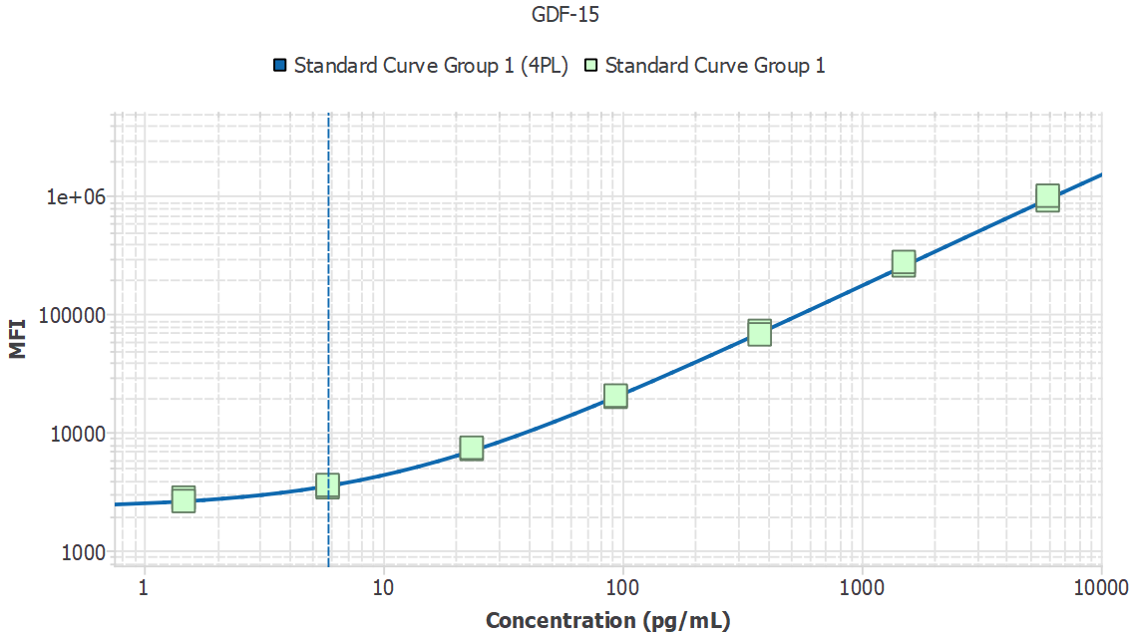
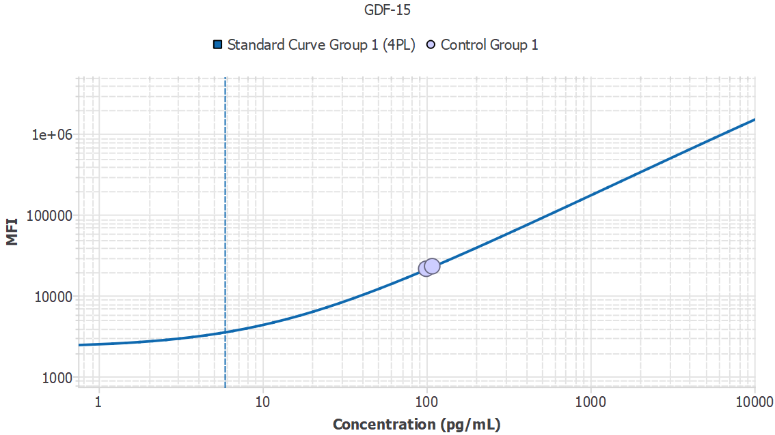
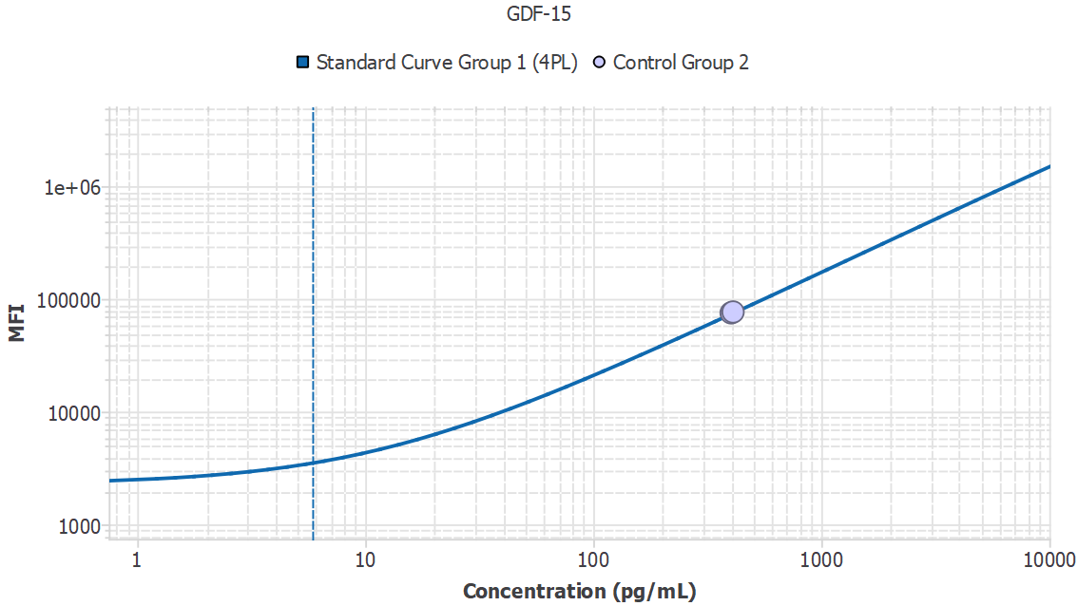
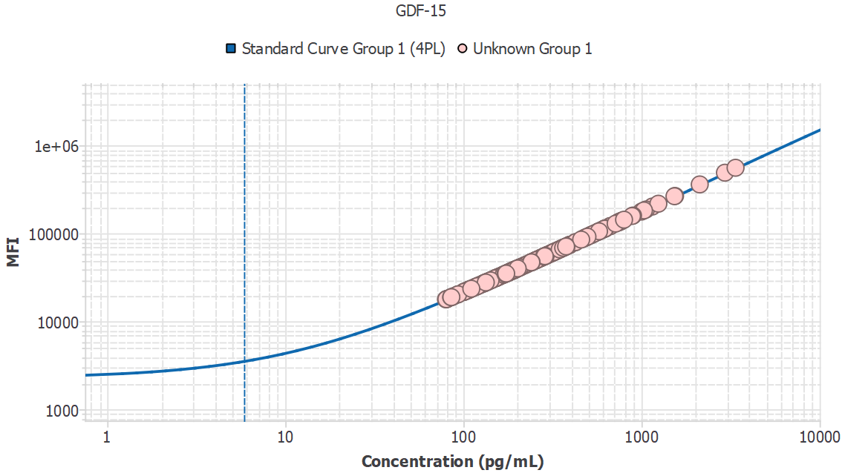
Analyte | Sample ID | Result | Avg. MFI | MFI
GDF-15 | 1M1_sys |  | 41521.45
GDF-15 | 1M1_sys | 211.21 |  | 41521.45
GDF-15 | 1M2_sys | 253.72 |  | 49065.12
GDF-15 | 1M4_sys | 286.13 |  | 54778.88
GDF-15 | 1M5_sys | 218.79 |  | 42872.01
GDF-15 | 1M6_sys | 181.78 |  | 36262.40
GDF-15 | 1M7_sys | 175.73 |  | 35177.79
GDF-15 | 1M9_sys | 669.74 |  | 120830.39
GDF-15 | 1M10_sys | 191.69 |  | 38038.53
GDF-15 | 1M11_sys | 539.33 |  | 98638.08
GDF-15 | 3M14_pv | 613.20 |  | 111235.93
GDF-15 | 3M17_pv | 470.44 |  | 86820.13
GDF-15 | 3M18_pv | 207.91 |  | 40934.43
GDF-15 | 2M16_PV | 589.46 |  | 107194.86
GDF-15 | 2M17_PV | 1543.82 |  | 265417.69
GDF-15 | 2M20_PV | 539.24 |  | 98623.62
GDF-15 | 2M22_PV | 764.32 |  | 136795.28
GDF-15 | 2M23_PV | 619.66 |  | 112333.46
GDF-15 | 2M26_PV | 2125.06 |  | 358836.44
GDF-15 | 2M31_PV | 562.35 |  | 102571.98
GDF-15 | 2M33_PV | 1033.21 |  | 181698.59
GDF-15 | 3M1_pv | 310.78 |  | 59107.00
GDF-15 | 3M4_pv | 317.10 |  | 60213.15
GDF-15 | 3M6_pv | 424.86 |  | 78958.20
GDF-15 | 3M7_pv | 885.48 |  | 157111.98
GDF-15 | 3M11_pv | 577.97 |  | 105237.04
GDF-15 | 3M13_pv | 767.58 |  | 137343.88
GDF-15 | 3M15_pv | 798.49 |  | 142540.69
GDF-15 | 3M16_pv | 458.72 |  | 84800.48
GDF-15 | 3M21_pv | 758.24 |  | 135772.56
GDF-15 | 3M26_pv | 1001.33 |  | 176409.39
GDF-15 | 3M27_pv | 742.86 |  | 133180.83
GDF-15 | 3M28_pv | 1244.53 |  | 216565.34
GDF-15 | 3M31_pv | 352.22 |  | 66348.95
GDF-15 | 3M33_pv | 628.52 |  | 113838.69
GDF-15 | 3M34_pv | 627.43 |  | 113653.41
GDF-15 | 3M37_pv | 481.71 |  | 88758.55
GDF-15 | 3M38_pv | 481.69 |  | 88755.10
GDF-15 | 3M39_pv | 622.18 |  | 112762.37
GDF-15 | 3M40_pv | 761.24 |  | 136277.77
GDF-15 | 3M1_20mon | 242.35 |  | 47052.34
GDF-15 | 3M4_20mon | 296.77 |  | 56649.27
GDF-15 | 3M6_20mon | 168.06 |  | 33799.65
GDF-15 | 3M7_20mon | 256.11 |  | 49486.83
GDF-15 | 3M9_20mon | 160.82 |  | 32496.52
GDF-15 | 3M11_20mon | 330.25 |  | 62514.72
...
GDF-15 | 1M1_sys |  | 41521.45
GDF-15 | 5M9_pv | 336.72 |  | 63643.84
GDF-15 | 5M10_pv | 197.83 |  | 39135.12

MDD | Slope
127.52 | N/A

