Sheet1
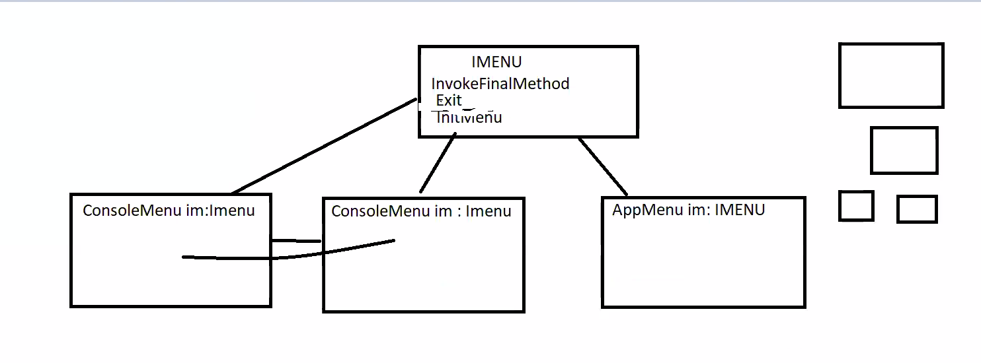
 | INTERFACE

Imenu
invoke method |  |  |  |  | MENU
goBack | menu |  | menus - test | subscribe | list notifyme | נרשם לכל הילדים
 | title | string | print date |  | TITLE
 | number | int | print hour |  | NUMBER
 | level | int | checkForCapital |  | LEVEL
 | belowe menu | List<menu> | showVersion |  | SHOWMENUFORCHILD()
 | showmenu() this |  |  |  | INVOKE METHOD
 |  |  |  |  | METHOD TO INVOKE
 | currentChosenElement

