DUM-0125 To DUM-1113
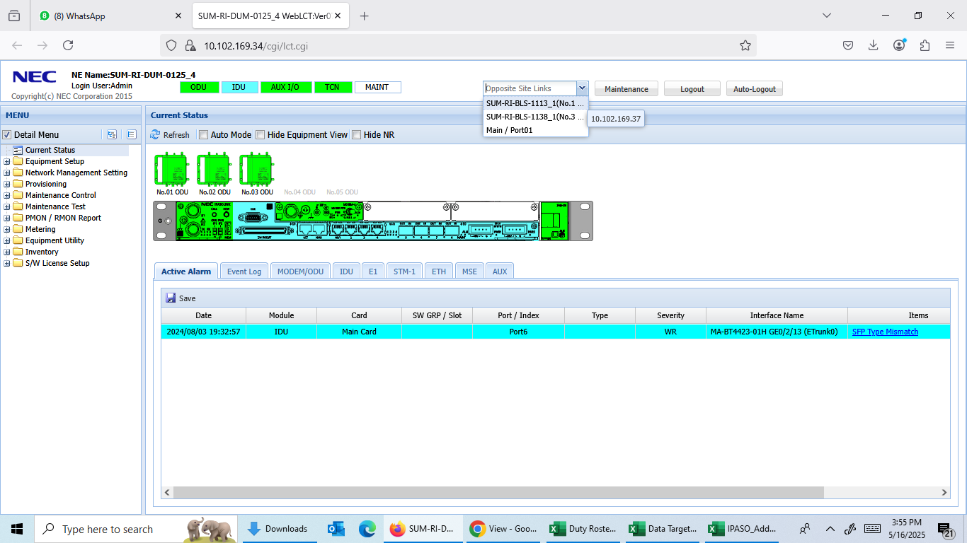
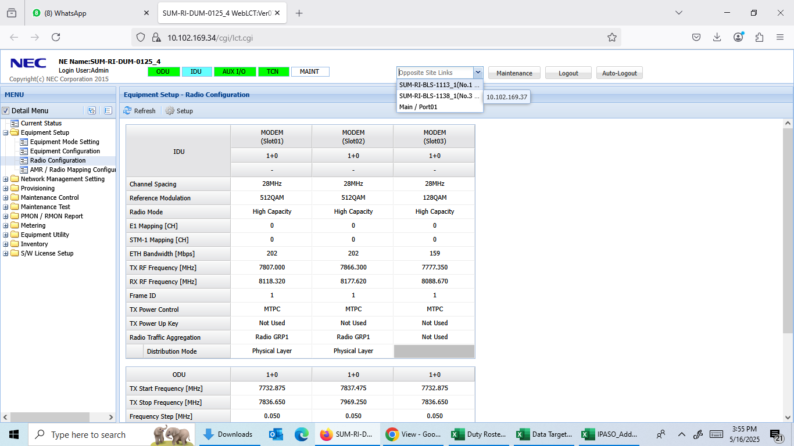
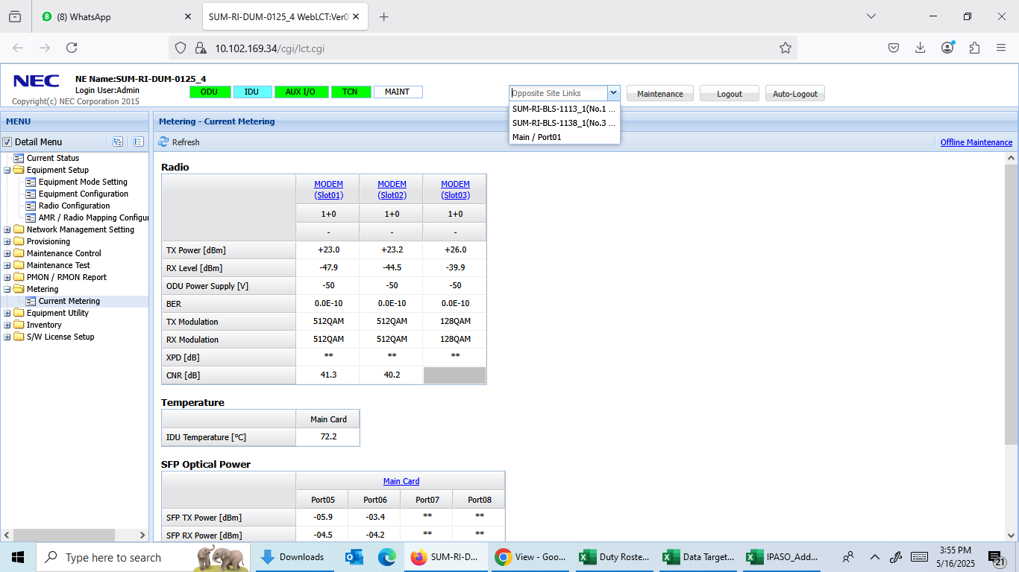
Tower Index | Tower ID | Site Name
SUM-RI-DUM-0125 | 4423 | Bukit Kapur
SUM-RI-BLS-1113 | 4233250E | Pematang Pudu

Slot 1 & 2

DUM-0125 To BLS-0729
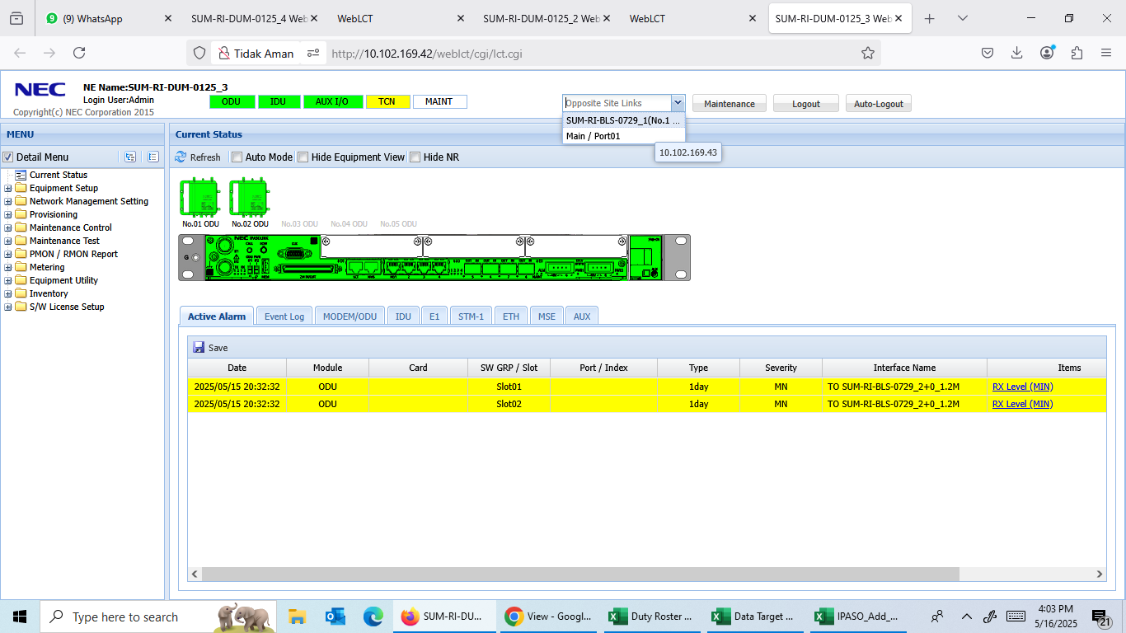
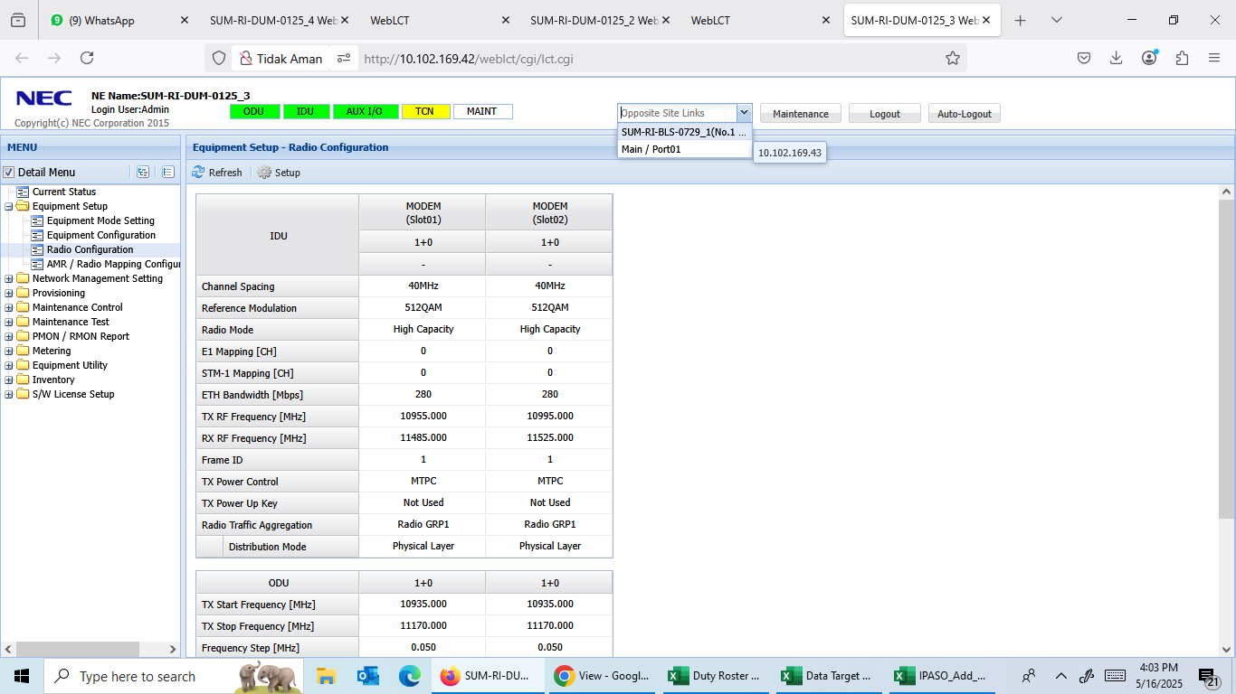
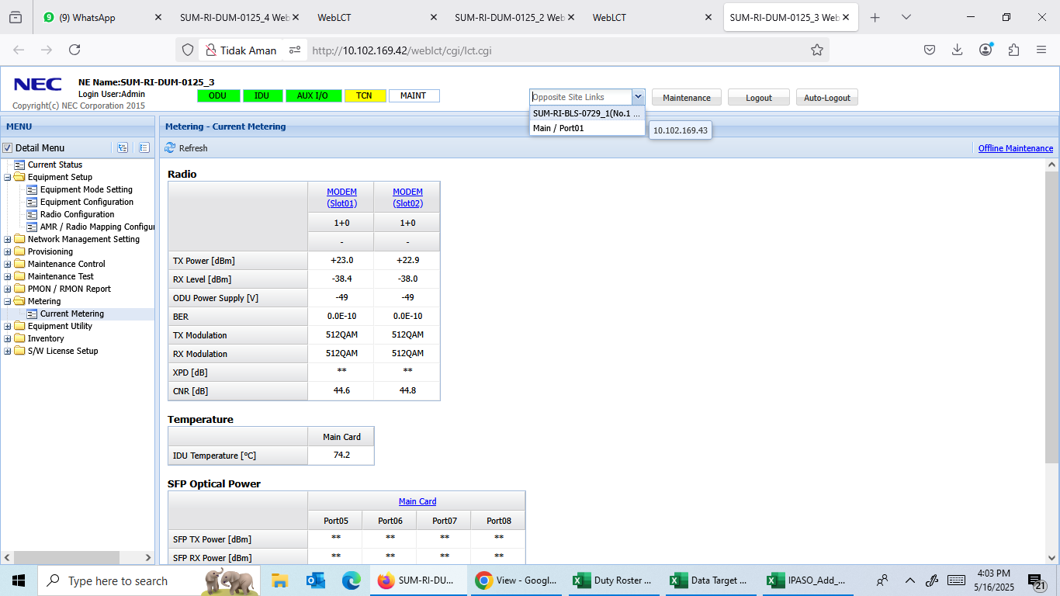
Tower Index | Tower ID | Site Name
SUM-RI-DUM-0125 | 4423 | Bukit Kapur
SUM-RI-BLS-0729 | D386 | Duri XIII

