DUM-0143 To DUM-0915
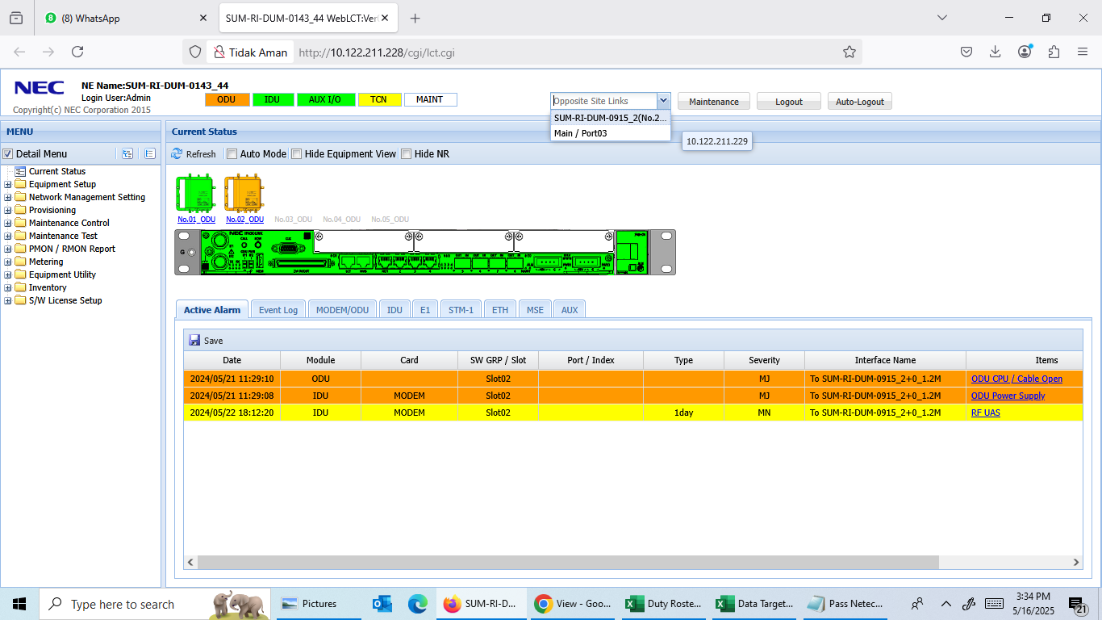
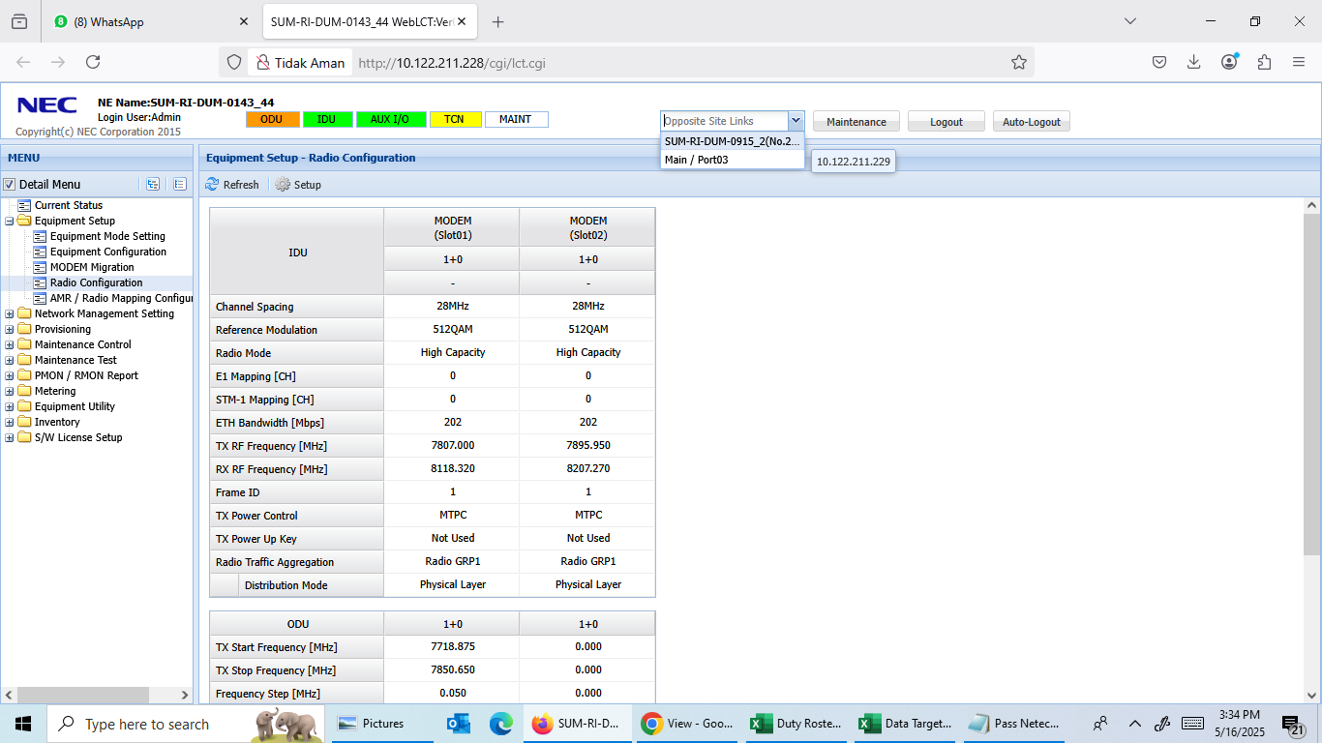
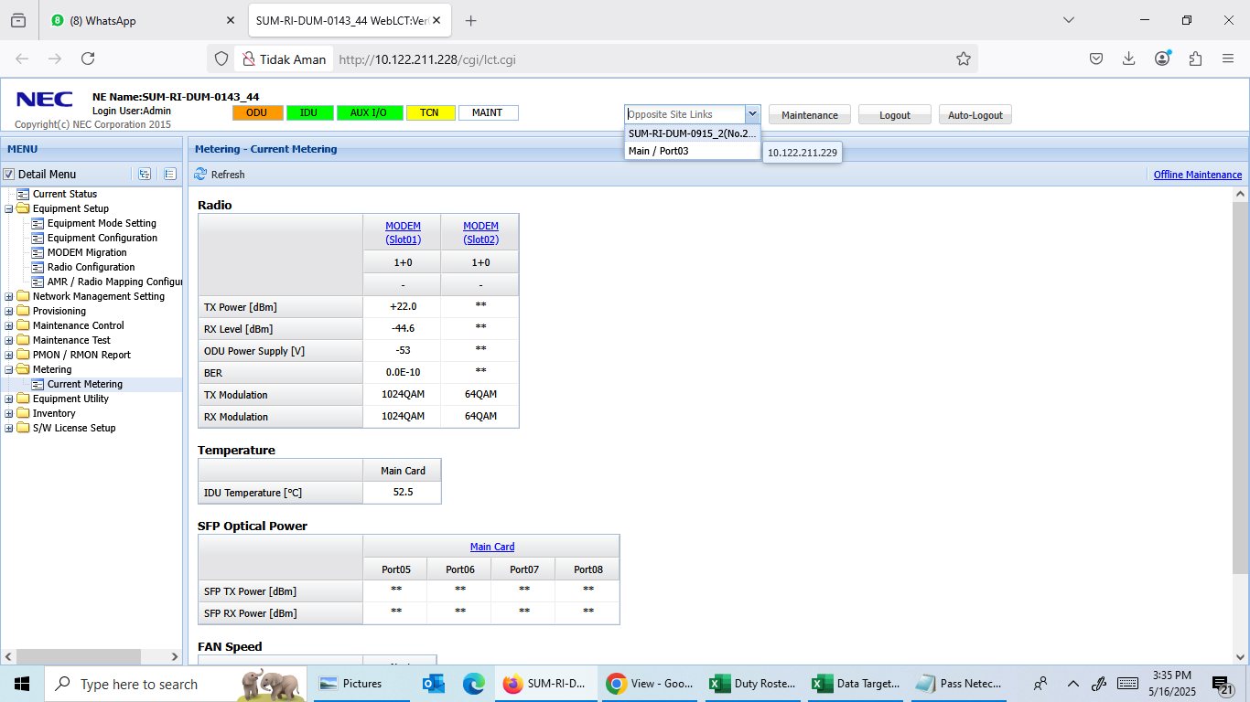
Tower Index | Tower ID | Site Name
SUM-RI-DUM-0143 | 4408 | Dumai
SUM-RI-DUM-0915 | 3231634G | Teluk Pulau Hilir Kota Dumai

DUM-0143 To BLS-0085
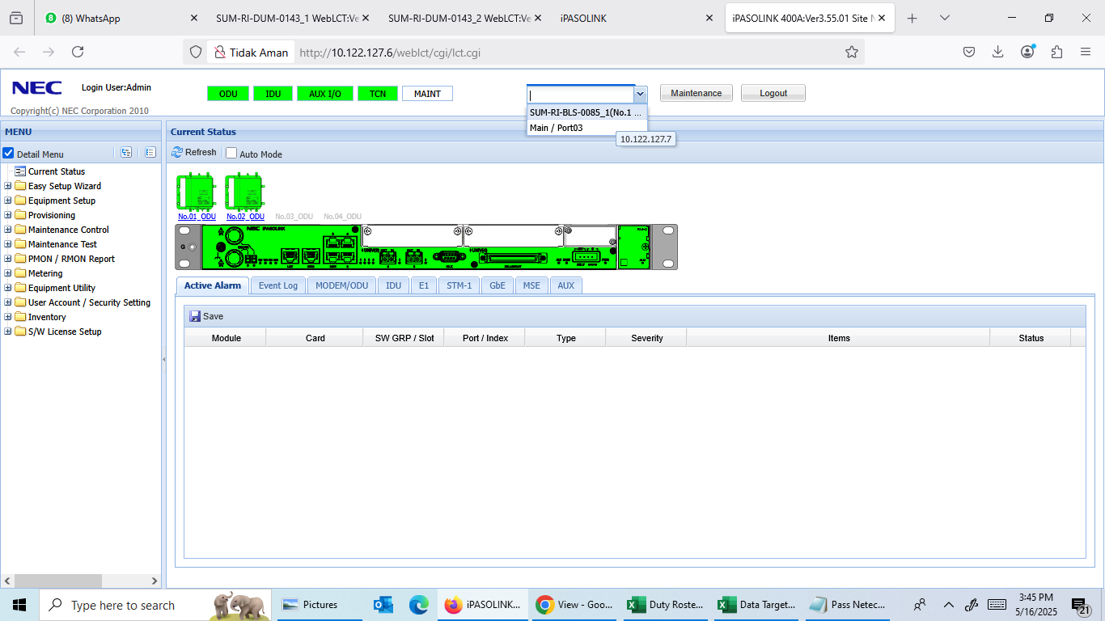
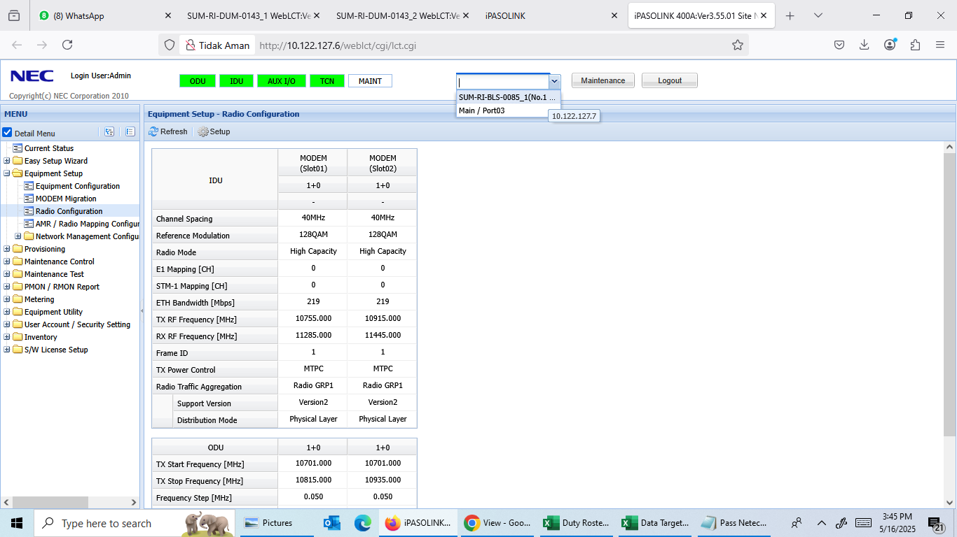
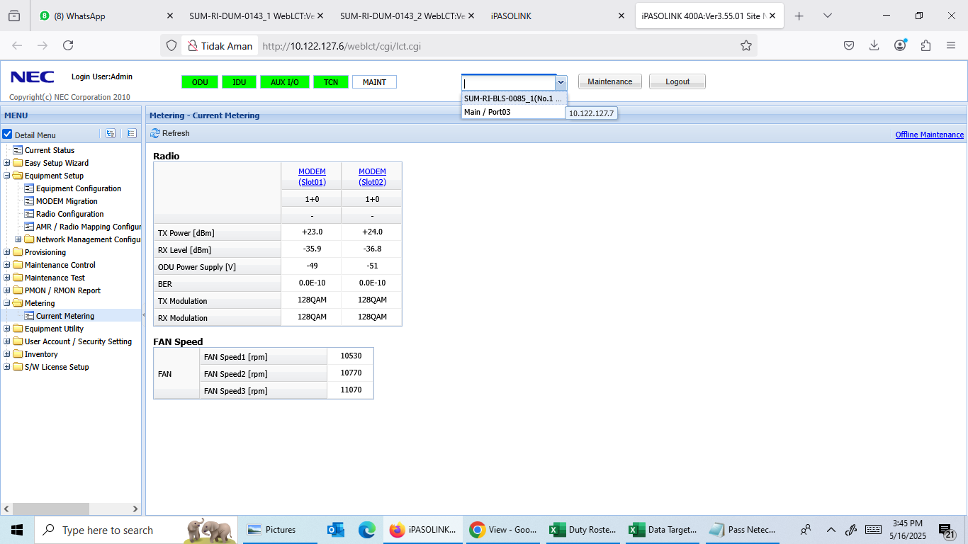
Tower Index | Tower ID | Site Name
SUM-RI-DUM-0143 | 4408 | Dumai
SUM-RI-BLS-0085 | 4303 | Batu Panjang

DUM-0143 To DUM-0784
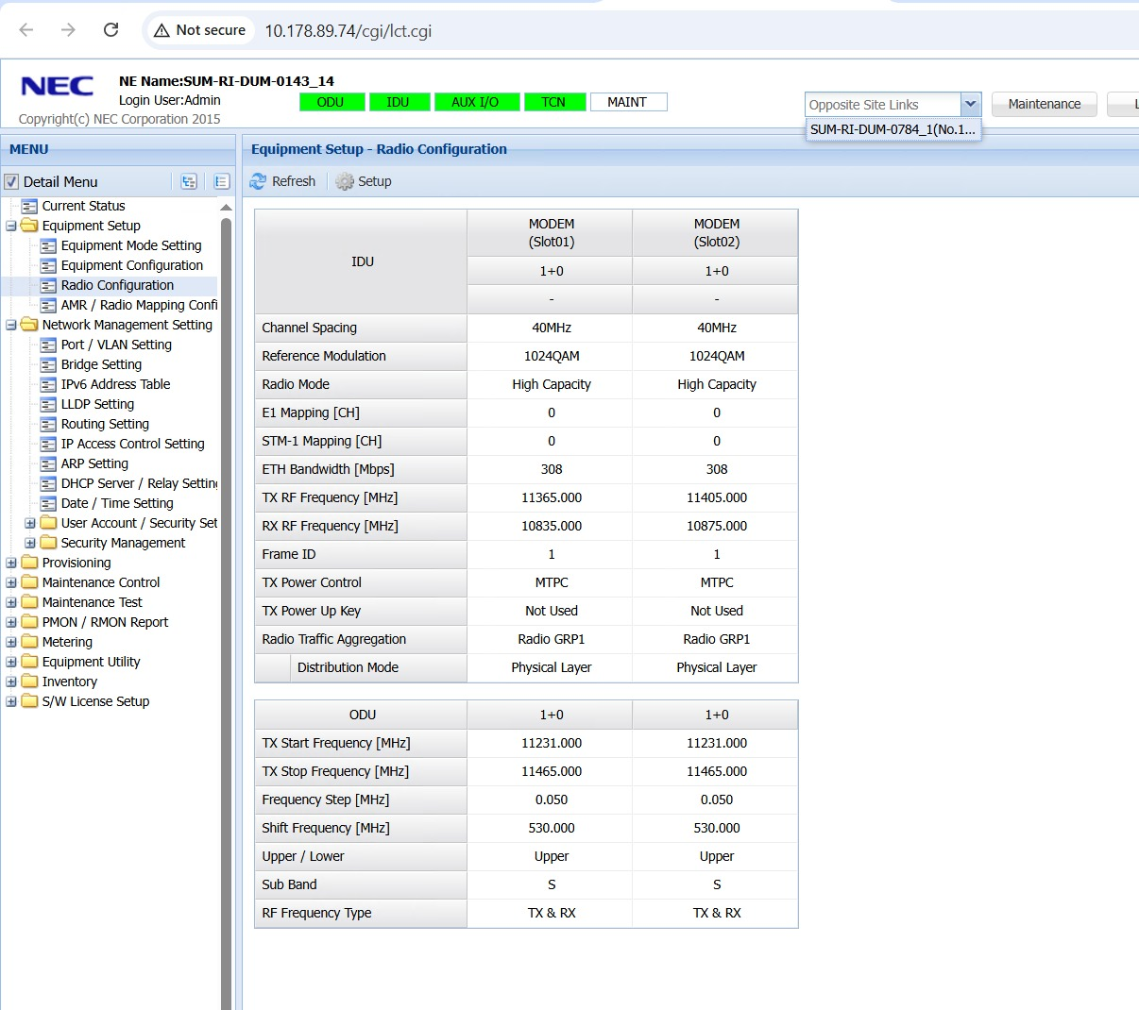
Tower Index | Tower ID | Site Name
SUM-RI-DUM-0143 | 4408 | Dumai
SUM-RI-DUM-0784 | 3237636G9 | Bukit Timah Kota Dumai

DUM-0143 To DUM-0752
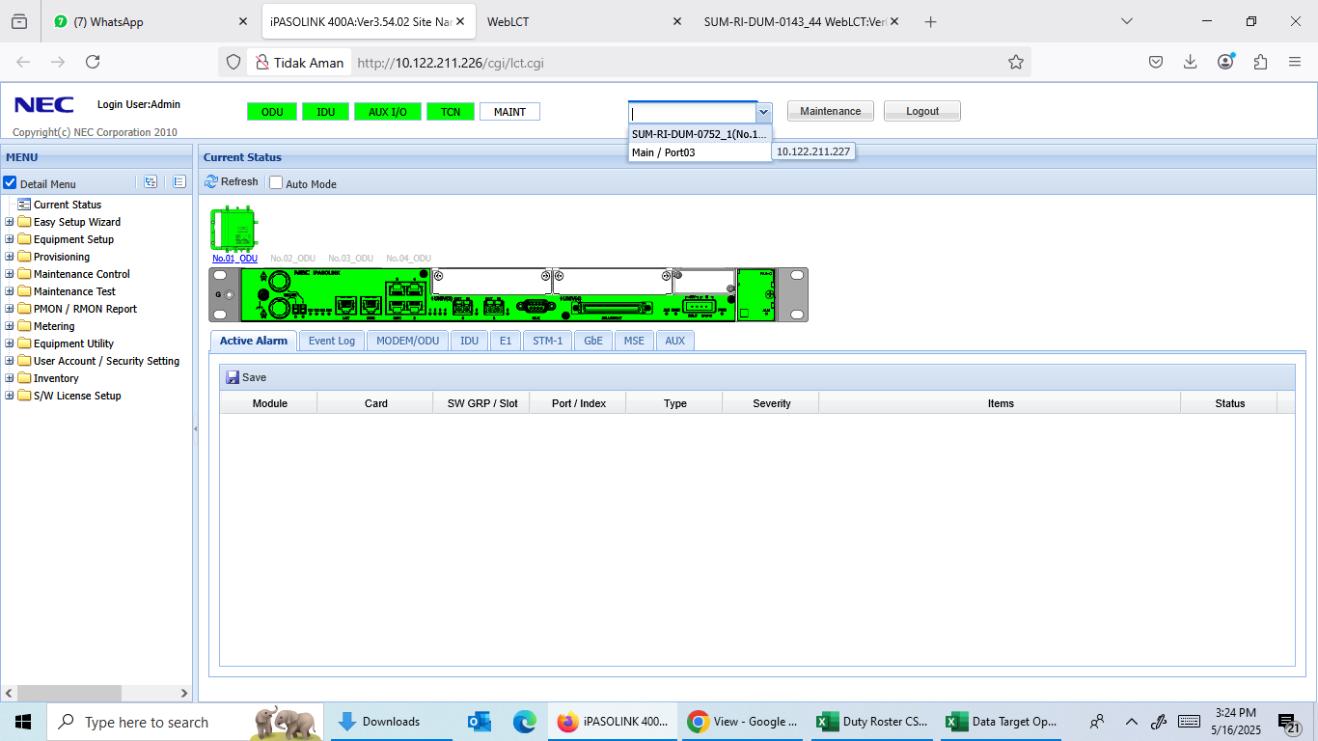
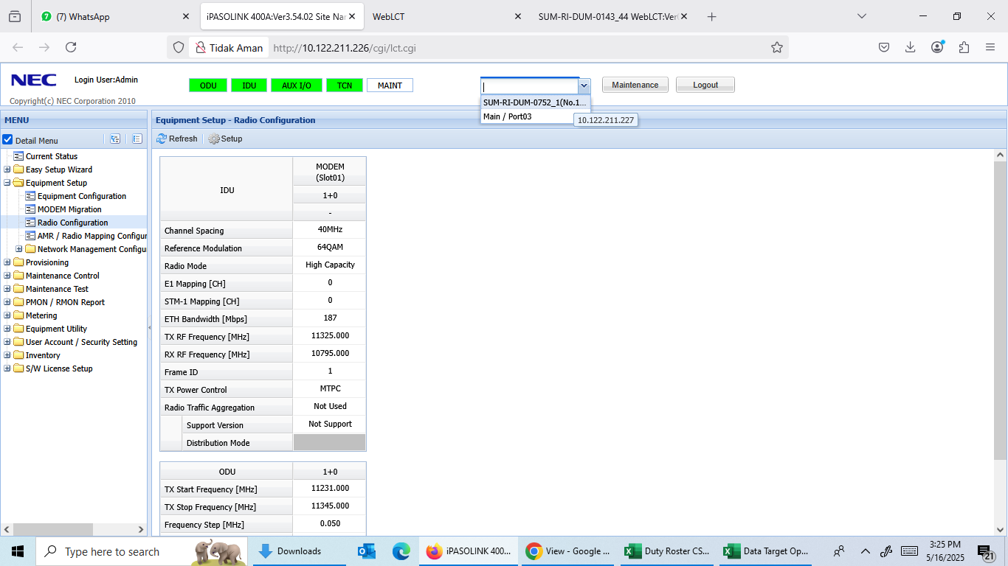
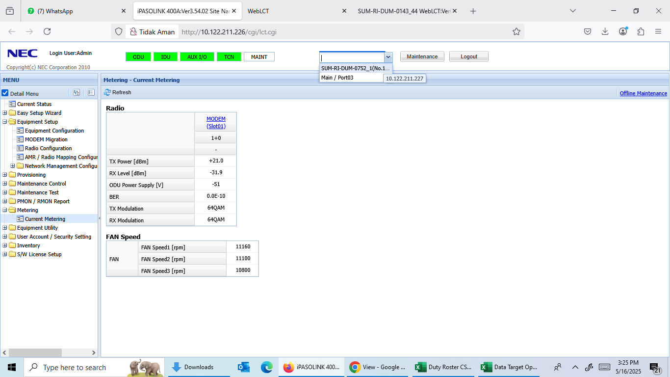
Tower Index | Tower ID | Site Name
SUM-RI-DUM-0143 | 4408 | Dumai
SUM-RI-DUM-0752 | 3237234G9 | Bukit Datuk Kota Dumai

