Frame Audit
Frame Audit
Box colors: | Working | Phone | Talking | No task | Uncertain

Sample | Time (s) | Frame | People | Working | Phone | Talking | No task | Uncertain | Observed labels | Annotated frame
1 | 0 | 0 | 7 | 3 | 1 | 2 | 1 | 0 | ID 1: Working; ID 2: No observable task; ID 3: Talking / interacting; ID 4: Working; ID 5: Using phone; ID 6: Talking / interacting; ID 7: Working | 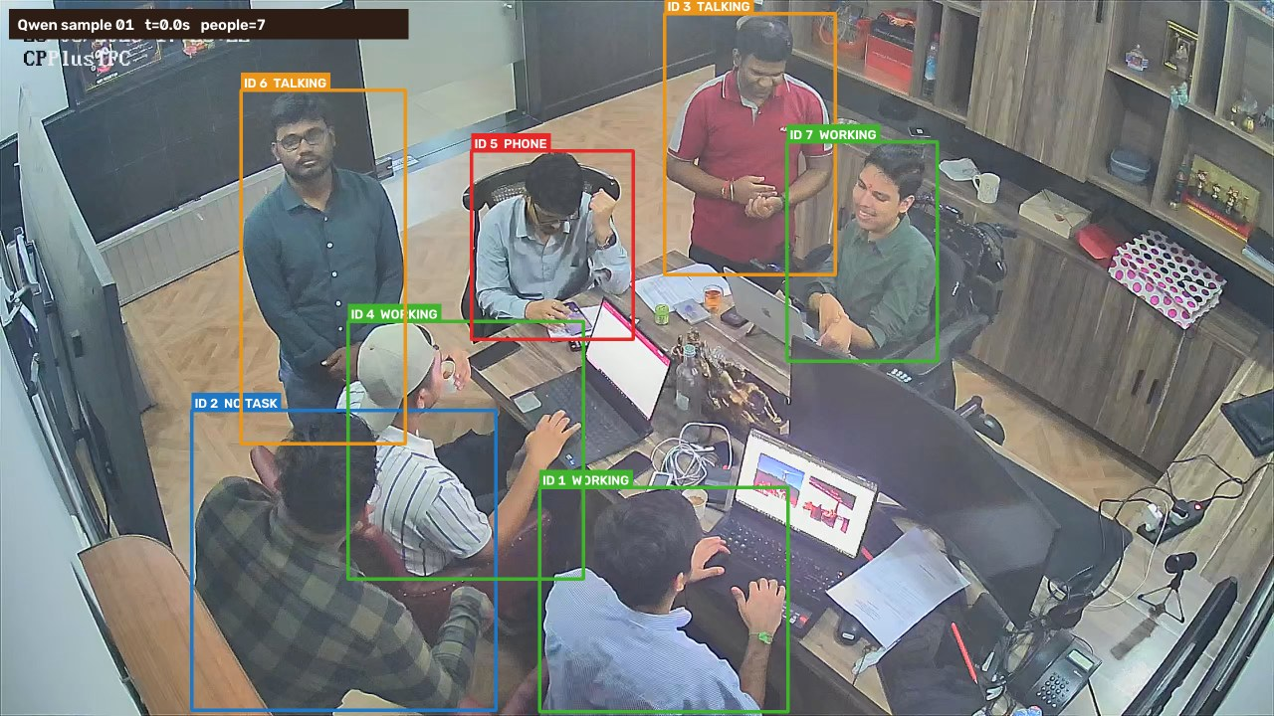
2 | 1 | 25 | 7 | 4 | 1 | 1 | 1 | 0 | ID 1: Working; ID 2: Working; ID 3: Talking / interacting; ID 4: Working; ID 5: Using phone; ID 6: No observable task; ID 7: Working | 
3 | 2.01 | 50 | 7 | 4 | 0 | 2 | 1 | 0 | ID 1: Working; ID 2: No observable task; ID 3: Talking / interacting; ID 4: Working; ID 5: Working; ID 6: Talking / interacting; ID 7: Working | 
4 | 3.01 | 75 | 7 | 4 | 0 | 2 | 1 | 0 | ID 1: Working; ID 2: Talking / interacting; ID 3: Talking / interacting; ID 4: Working; ID 5: Working; ID 6: No observable task; ID 7: Working | 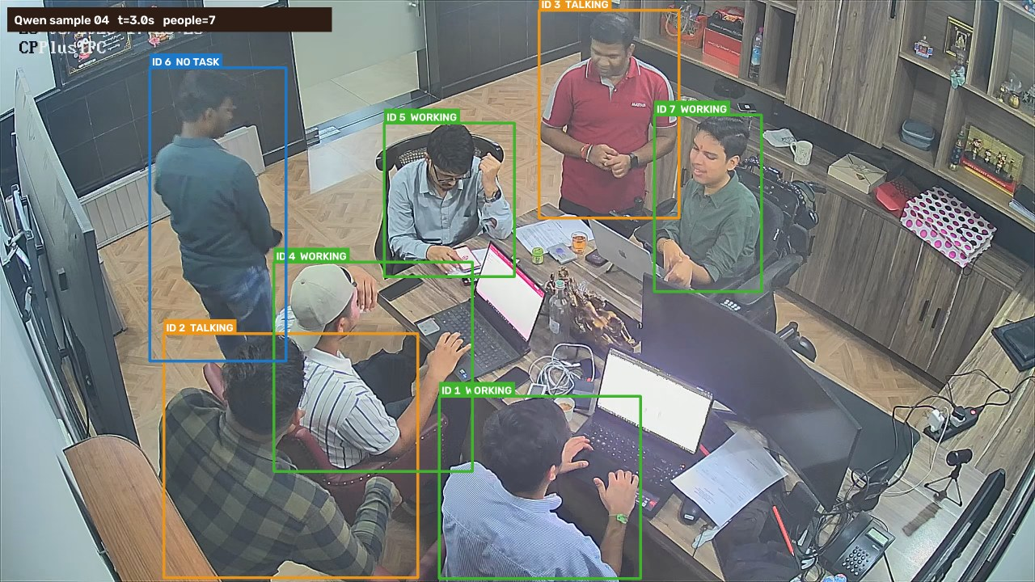
5 | 4.01 | 100 | 7 | 5 | 0 | 1 | 1 | 0 | ID 1: Working; ID 2: Working; ID 3: Talking / interacting; ID 4: Working; ID 5: Working; ID 6: No observable task; ID 7: Working | 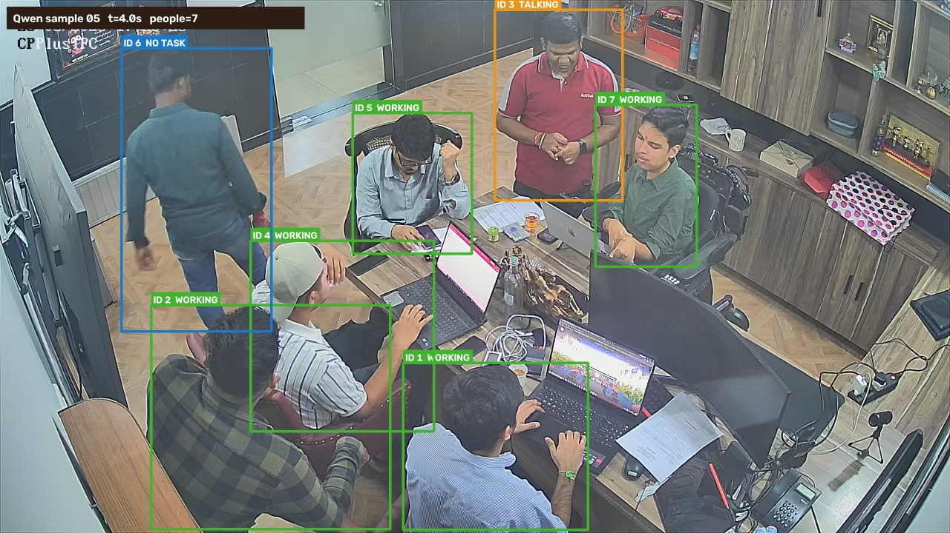
6 | 5.02 | 125 | 7 | 5 | 1 | 0 | 1 | 0 | ID 1: Working; ID 2: Working; ID 3: Using phone; ID 4: Working; ID 5: Working; ID 6: No observable task; ID 7: Working | 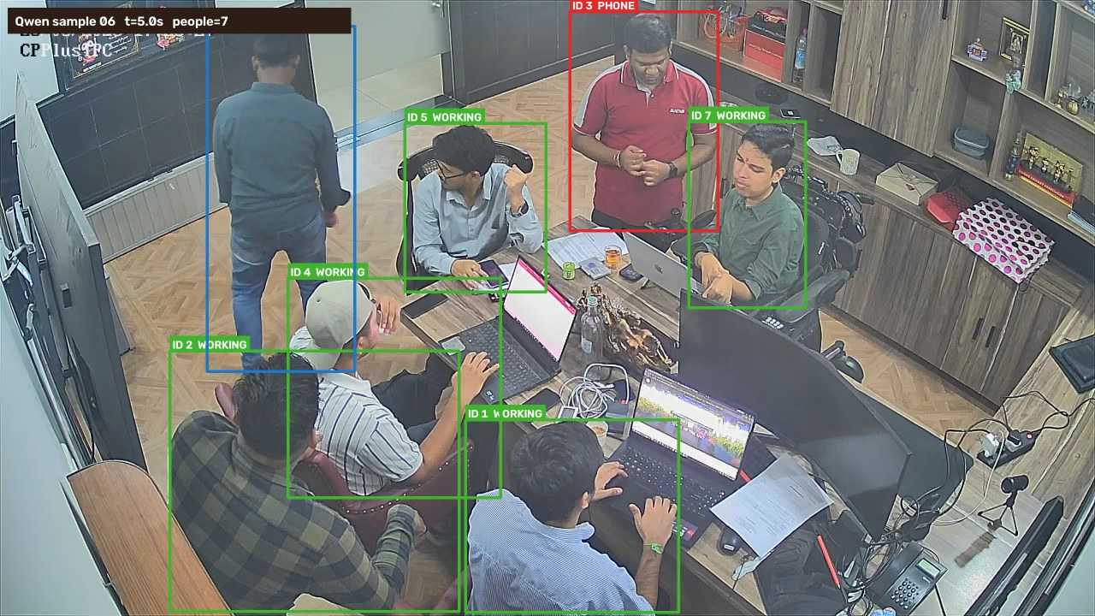
7 | 6.02 | 150 | 7 | 4 | 1 | 0 | 2 | 0 | ID 1: Working; ID 2: No observable task; ID 3: Using phone; ID 4: Working; ID 5: Working; ID 6: No observable task; ID 7: Working | 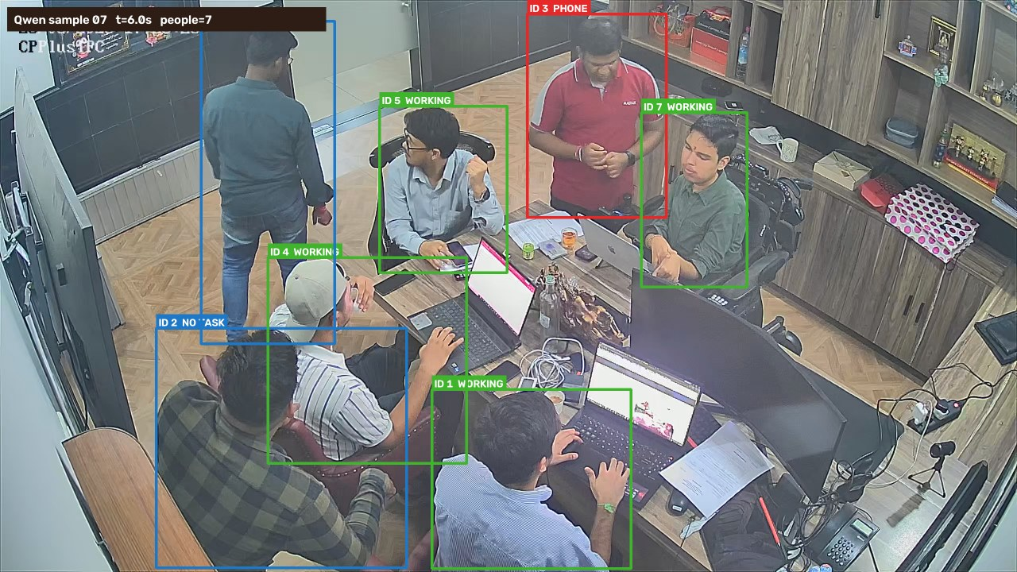
8 | 7.02 | 175 | 7 | 4 | 0 | 2 | 1 | 0 | ID 1: Working; ID 2: Talking / interacting; ID 3: Working; ID 4: Working; ID 5: Talking / interacting; ID 6: No observable task; ID 7: Working | 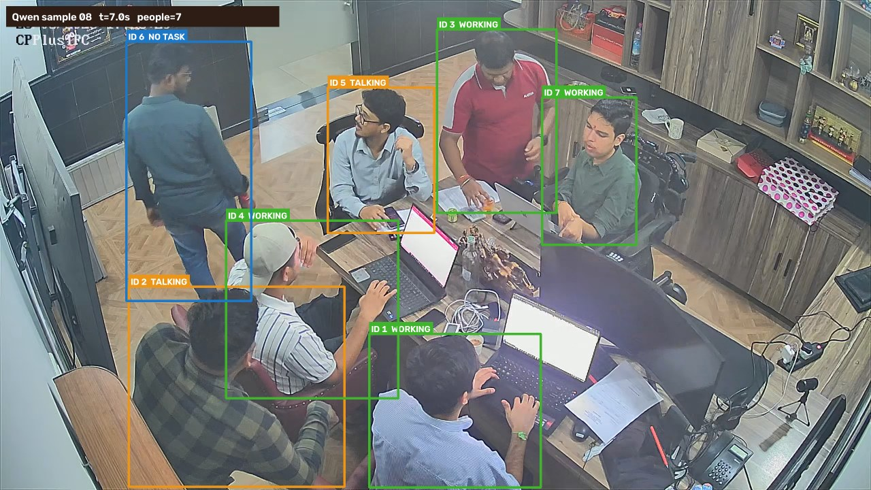
9 | 8.03 | 200 | 7 | 4 | 0 | 2 | 1 | 0 | ID 1: Working; ID 2: Talking / interacting; ID 3: Working; ID 4: Working; ID 5: Working; ID 6: No observable task; ID 7: Talking / interacting | 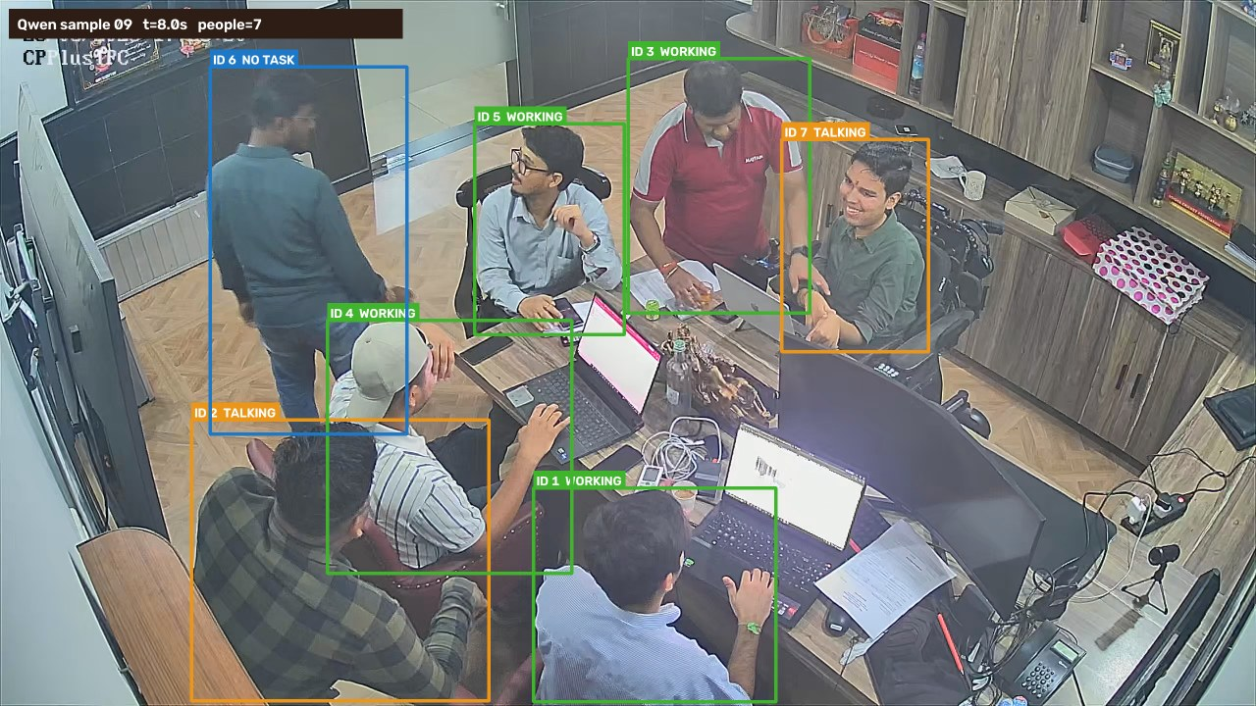
10 | 9.03 | 225 | 7 | 5 | 0 | 1 | 1 | 0 | ID 1: Working; ID 2: Talking / interacting; ID 3: Working; ID 4: Working; ID 5: Working; ID 6: No observable task; ID 7: Working | 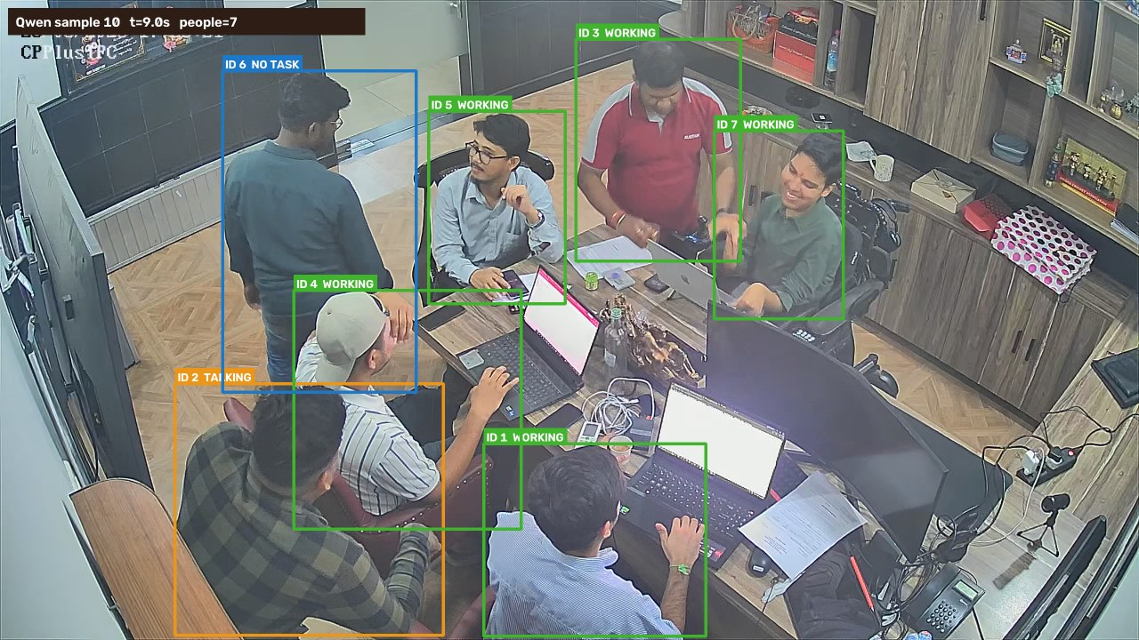
11 | 10.03 | 250 | 7 | 2 | 2 | 2 | 1 | 0 | ID 1: Using phone; ID 2: No observable task; ID 3: Talking / interacting; ID 4: Working; ID 5: Working; ID 6: Using phone; ID 7: Talking / interacting | 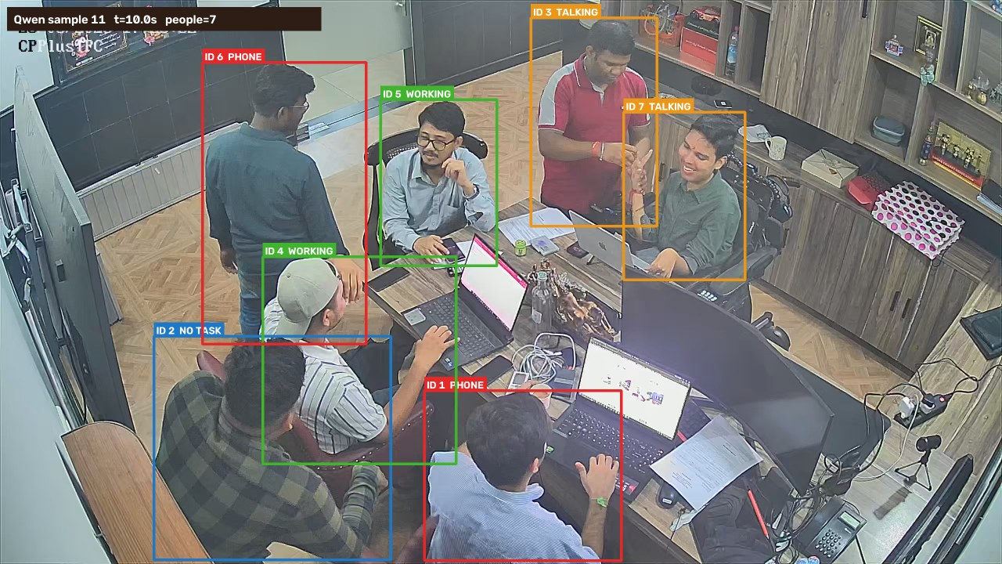
12 | 11.04 | 275 | 3 | 0 | 0 | 0 | 3 | 0 | ID 6: No observable task; ID 1: No observable task; ID 3: No observable task | 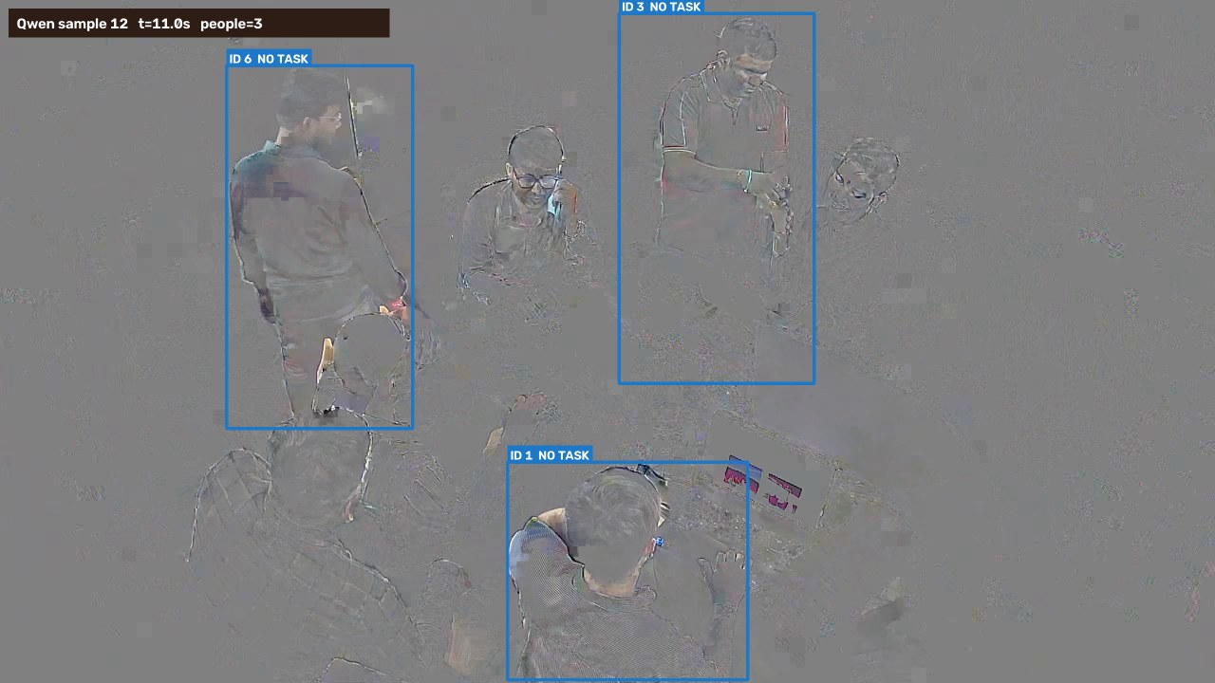
13 | 12.04 | 300 | 7 | 5 | 0 | 1 | 1 | 0 | ID 6: Talking / interacting; ID 1: Working; ID 3: Working; ID 11: Working; ID 13: No observable task; ID 14: Working; ID 5: Working | 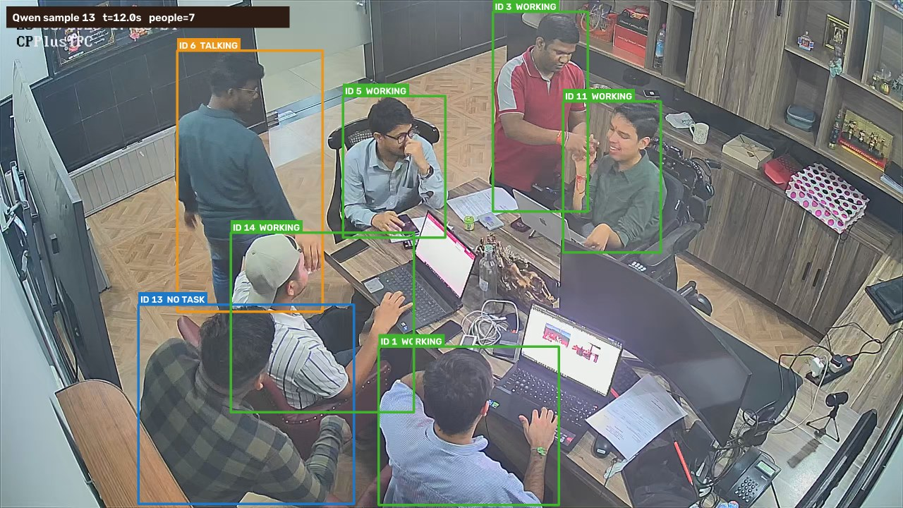
14 | 13.04 | 325 | 7 | 3 | 2 | 2 | 0 | 0 | ID 6: Talking / interacting; ID 1: Working; ID 3: Using phone; ID 11: Talking / interacting; ID 13: Working; ID 14: Working; ID 5: Using phone | 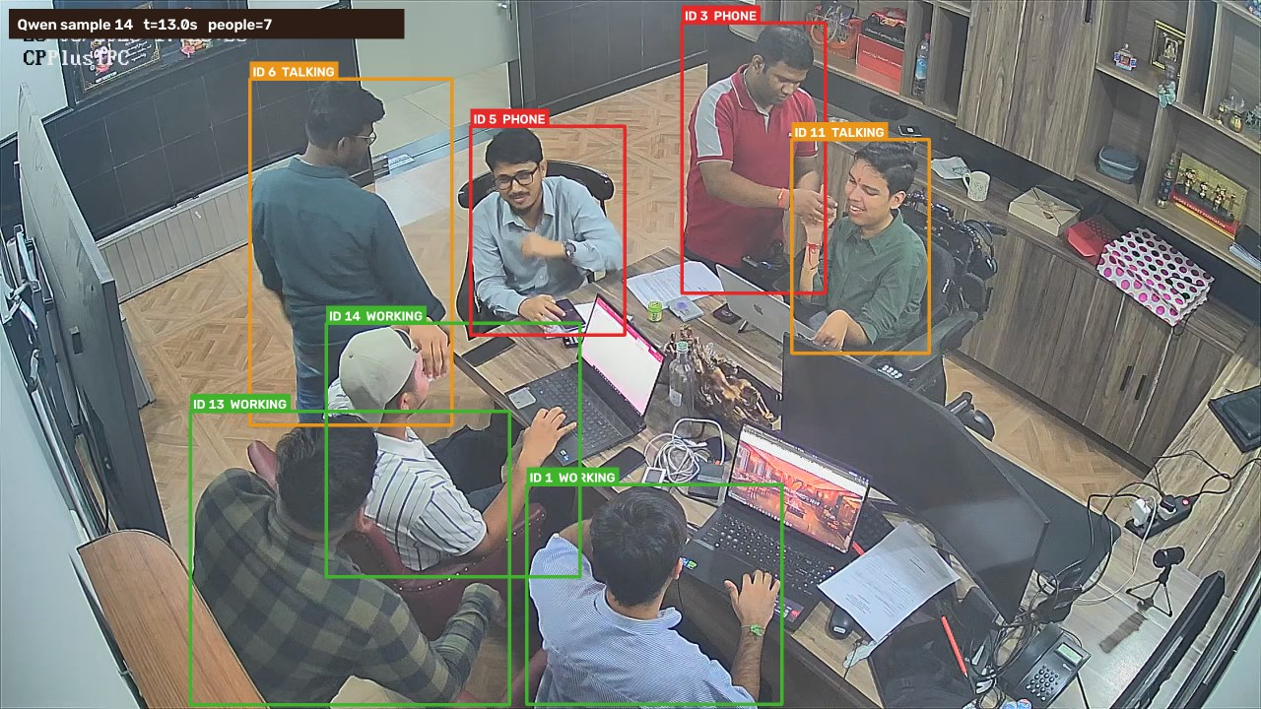
15 | 14.05 | 350 | 7 | 3 | 1 | 1 | 2 | 0 | ID 6: No observable task; ID 1: Working; ID 3: Working; ID 11: Talking / interacting; ID 13: No observable task; ID 14: Working; ID 5: Using phone | 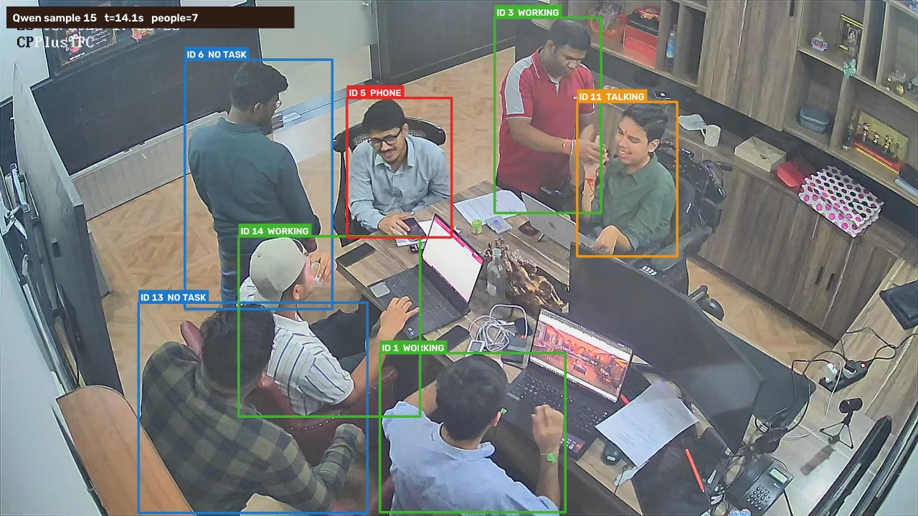
16 | 15.05 | 375 | 7 | 4 | 0 | 1 | 2 | 0 | ID 6: No observable task; ID 1: Working; ID 3: Working; ID 11: Working; ID 13: No observable task; ID 14: Working; ID 5: Talking / interacting | 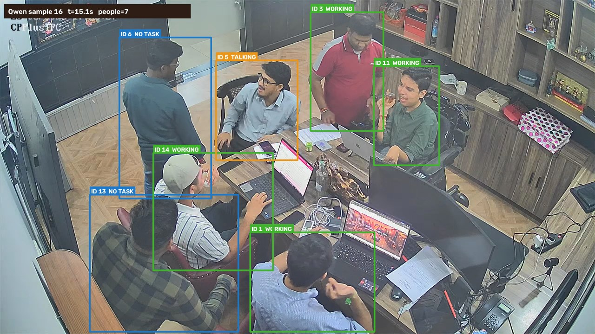
17 | 16.05 | 400 | 7 | 3 | 0 | 2 | 2 | 0 | ID 6: Talking / interacting; ID 1: Working; ID 3: Talking / interacting; ID 11: No observable task; ID 13: No observable task; ID 14: Working; ID 5: Working | 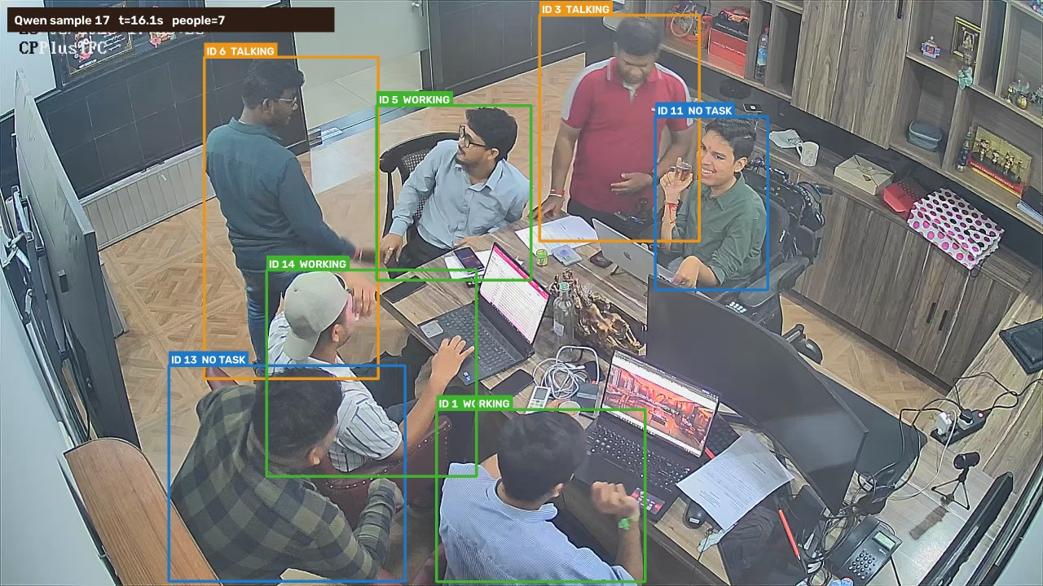
18 | 17.06 | 425 | 4 | 0 | 0 | 0 | 4 | 0 | ID 3: No observable task; ID 6: No observable task; ID 5: No observable task; ID 13: No observable task | 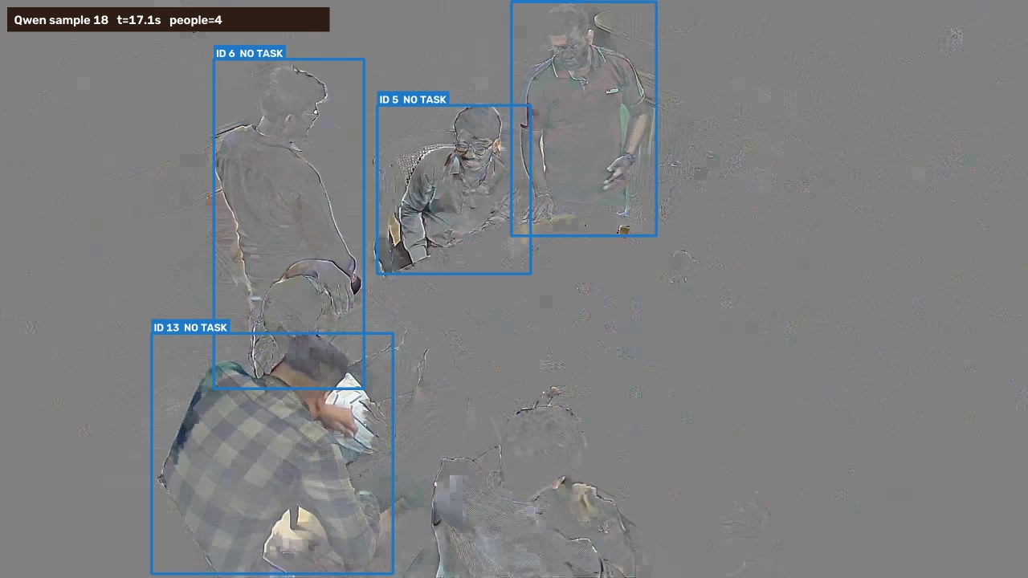
19 | 18.06 | 450 | 7 | 4 | 1 | 2 | 0 | 0 | ID 3: Talking / interacting; ID 6: Talking / interacting; ID 13: Using phone; ID 1: Working; ID 5: Working; ID 16: Working; ID 14: Working | 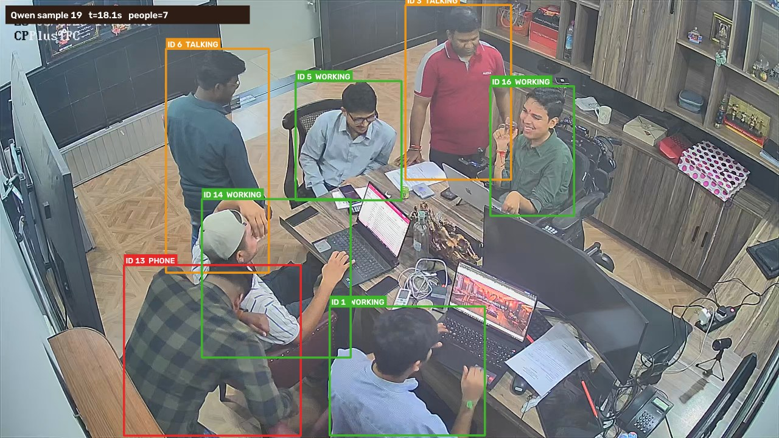
20 | 19.06 | 475 | 7 | 3 | 2 | 2 | 0 | 0 | ID 3: Talking / interacting; ID 6: Talking / interacting; ID 13: Using phone; ID 1: Working; ID 5: Using phone; ID 16: Working; ID 14: Working | 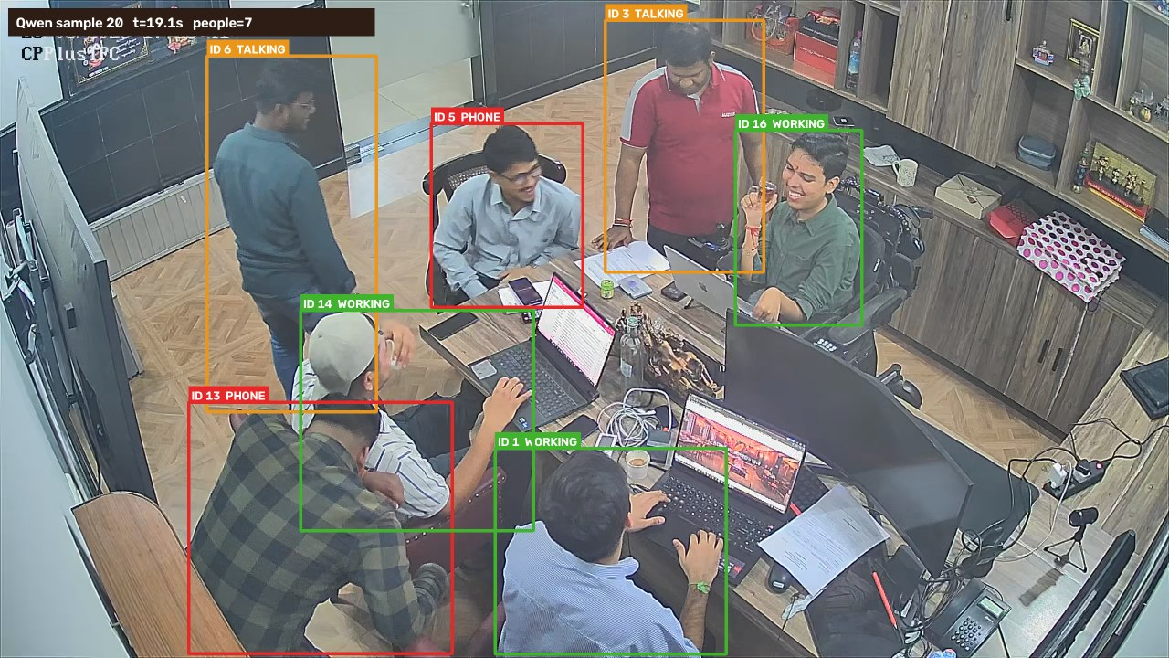
21 | 20.07 | 500 | 7 | 3 | 2 | 1 | 1 | 0 | ID 3: Working; ID 6: No observable task; ID 13: Talking / interacting; ID 1: Working; ID 5: Using phone; ID 16: Using phone; ID 14: Working | 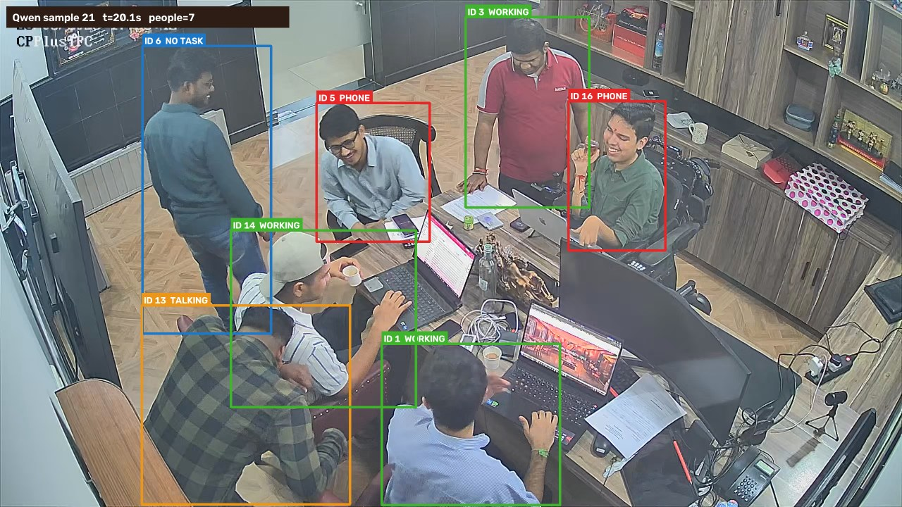
22 | 21.07 | 525 | 7 | 2 | 0 | 1 | 4 | 0 | ID 3: No observable task; ID 6: No observable task; ID 13: No observable task; ID 1: Working; ID 5: Talking / interacting; ID 16: No observable task; ID 14: Working | 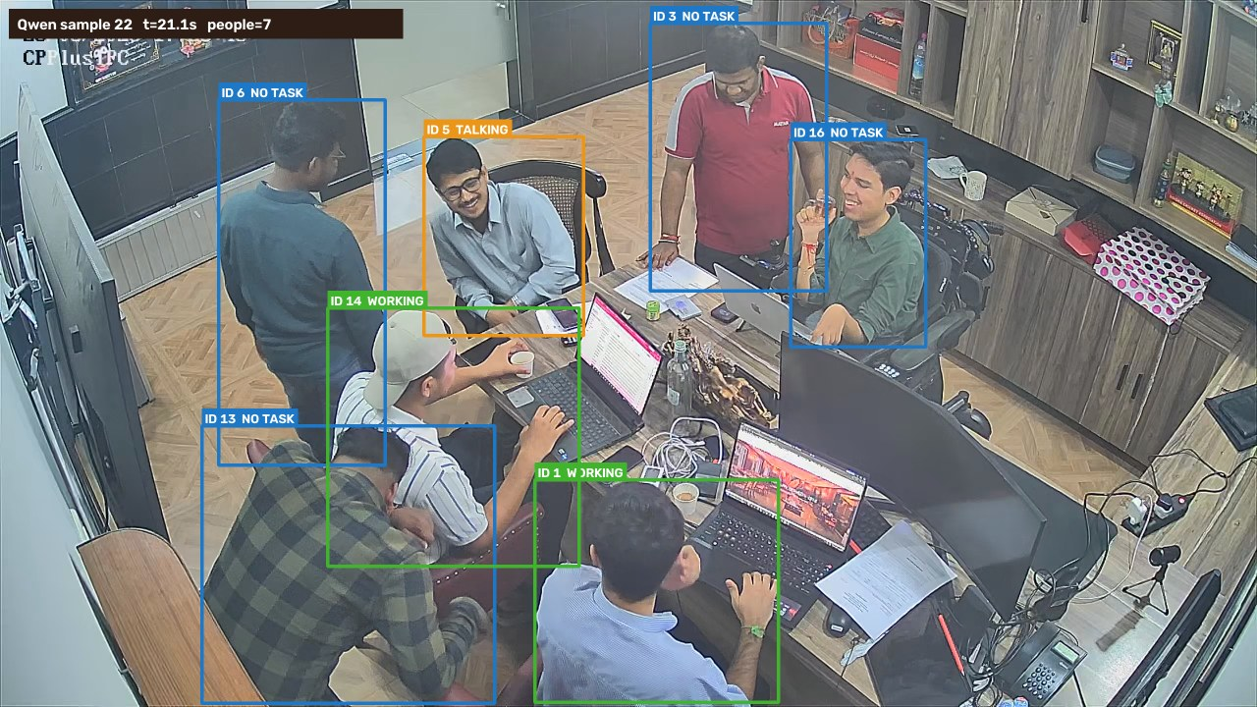
23 | 22.07 | 550 | 7 | 3 | 3 | 0 | 1 | 0 | ID 3: Working; ID 6: No observable task; ID 13: Using phone; ID 1: Working; ID 5: Using phone; ID 16: Using phone; ID 14: Working | 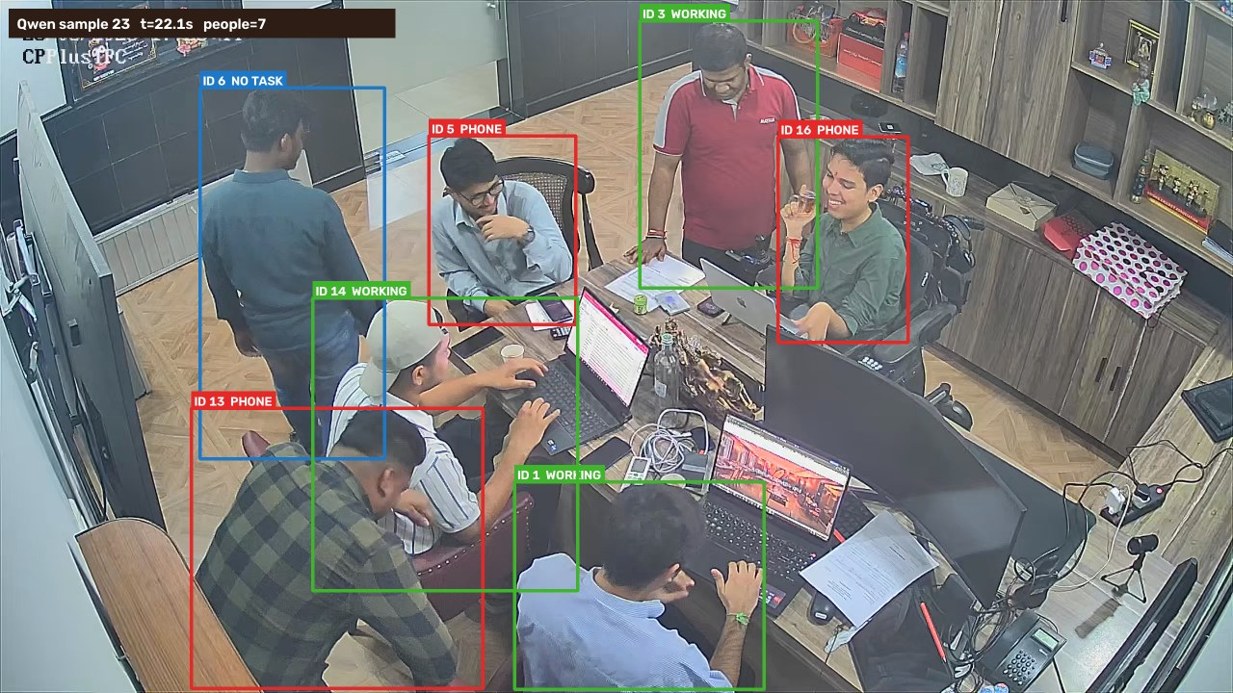
24 | 23.08 | 575 | 7 | 3 | 0 | 3 | 1 | 0 | ID 3: Talking / interacting; ID 6: No observable task; ID 13: Talking / interacting; ID 1: Working; ID 5: Talking / interacting; ID 16: Working; ID 14: Working | 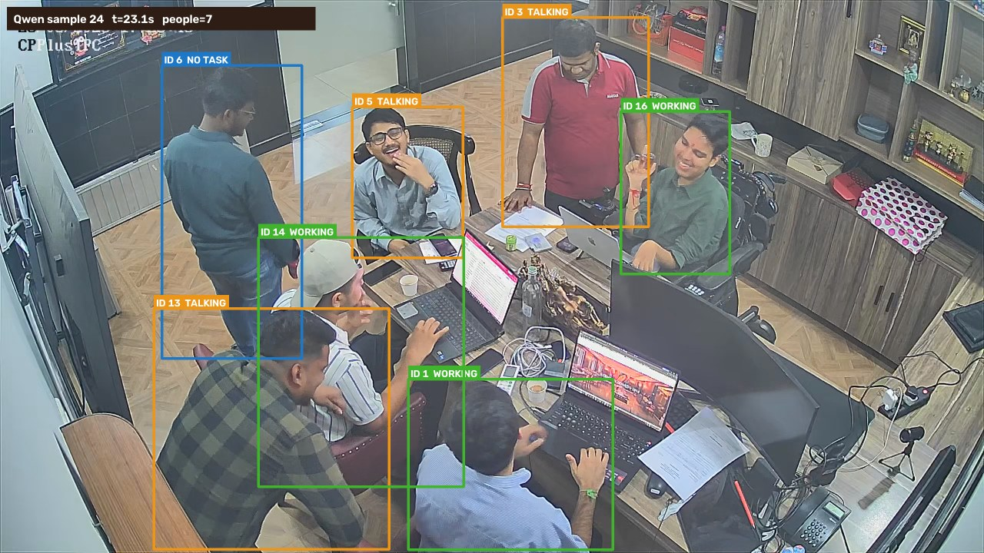
25 | 24.08 | 600 | 7 | 4 | 2 | 0 | 1 | 0 | ID 3: Working; ID 6: No observable task; ID 13: Using phone; ID 1: Working; ID 5: Using phone; ID 16: Working; ID 14: Working | 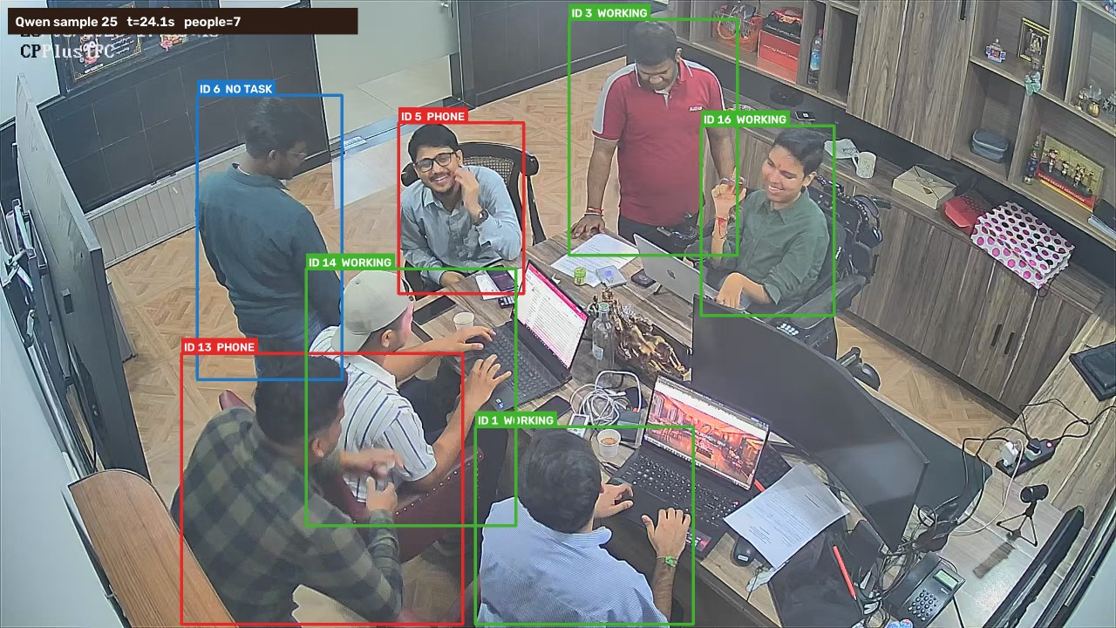
26 | 25.08 | 625 | 7 | 2 | 1 | 2 | 2 | 0 | ID 3: Talking / interacting; ID 6: No observable task; ID 13: Talking / interacting; ID 1: Working; ID 5: Using phone; ID 16: No observable task; ID 14: Working | 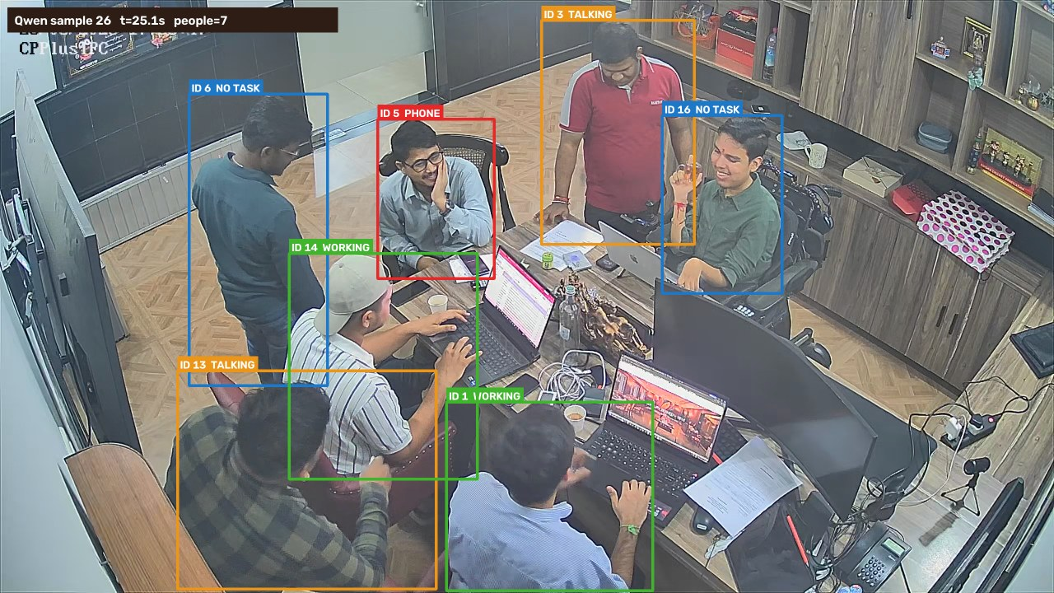
27 | 26.09 | 650 | 7 | 2 | 3 | 1 | 1 | 0 | ID 6: Talking / interacting; ID 1: Working; ID 13: Using phone; ID 3: No observable task; ID 5: Using phone; ID 16: Using phone; ID 14: Working | 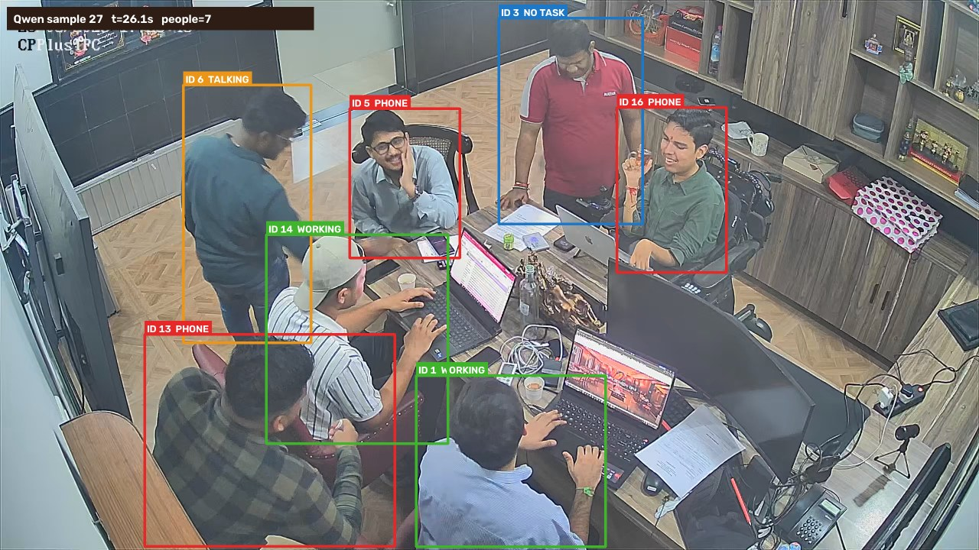
28 | 27.09 | 675 | 7 | 4 | 0 | 1 | 2 | 0 | ID 6: Talking / interacting; ID 1: Working; ID 13: No observable task; ID 3: No observable task; ID 5: Working; ID 16: Working; ID 14: Working | 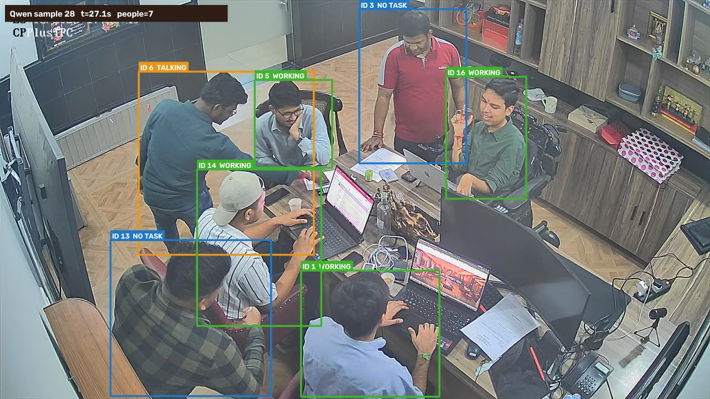
29 | 28.09 | 700 | 7 | 3 | 2 | 1 | 1 | 0 | ID 6: No observable task; ID 1: Working; ID 13: Using phone; ID 3: Talking / interacting; ID 5: Using phone; ID 16: Working; ID 14: Working | 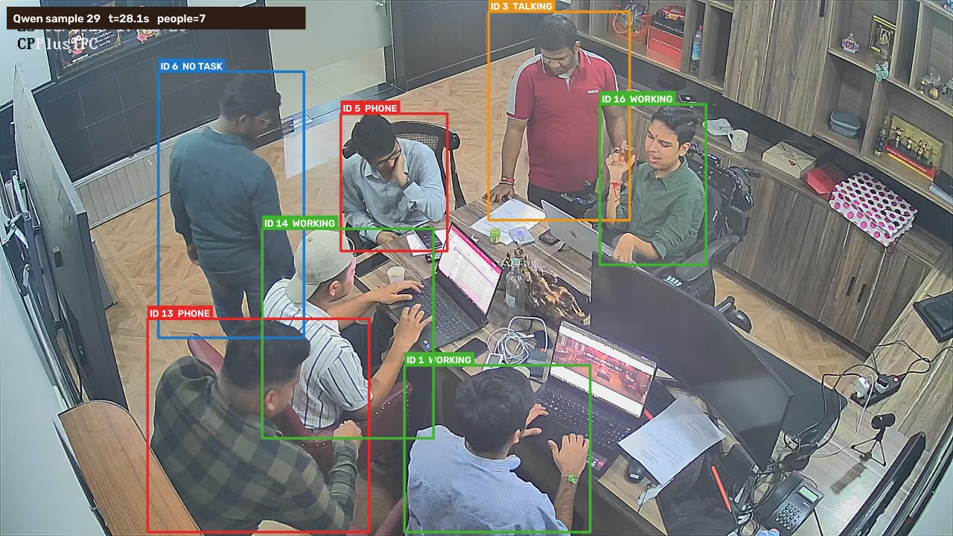
30 | 29.1 | 725 | 7 | 5 | 0 | 0 | 2 | 0 | ID 6: No observable task; ID 1: Working; ID 13: No observable task; ID 3: Working; ID 5: Working; ID 16: Working; ID 14: Working | 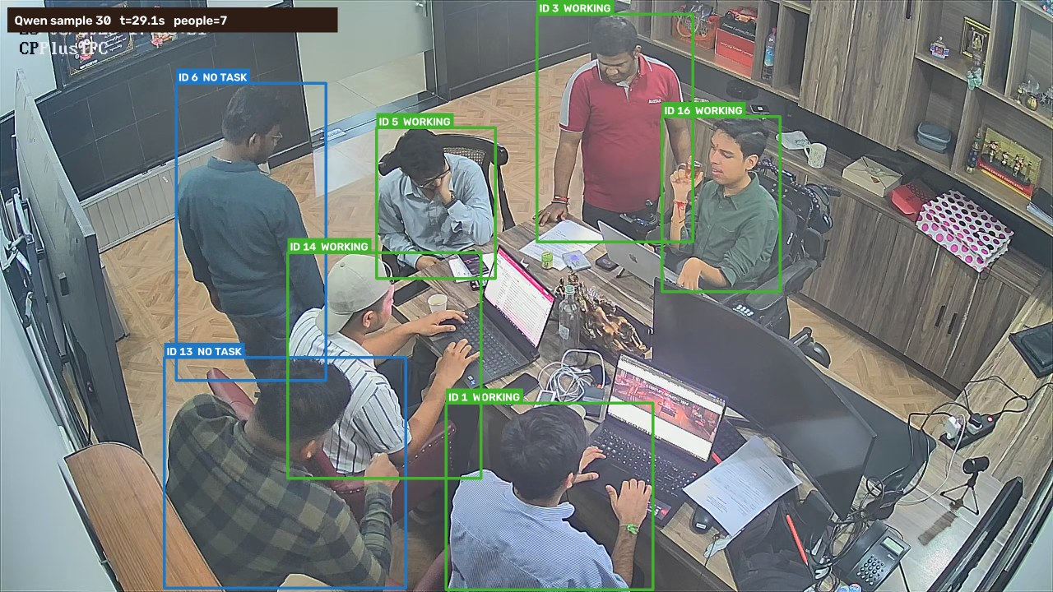
31 | 30.1 | 750 | 7 | 5 | 0 | 0 | 2 | 0 | ID 6: No observable task; ID 1: Working; ID 13: No observable task; ID 3: Working; ID 5: Working; ID 16: Working; ID 14: Working | 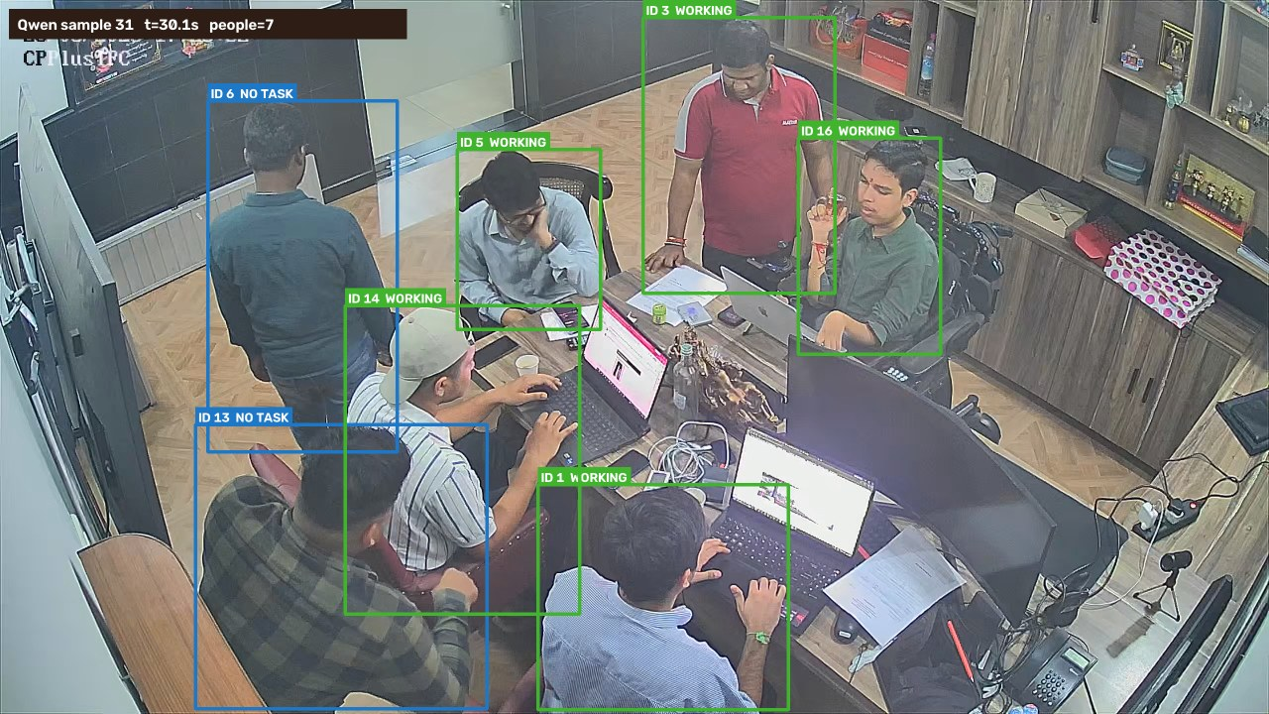
32 | 31.1 | 775 | 7 | 3 | 2 | 0 | 2 | 0 | ID 6: No observable task; ID 1: Working; ID 13: Using phone; ID 3: Working; ID 5: Using phone; ID 16: No observable task; ID 14: Working | 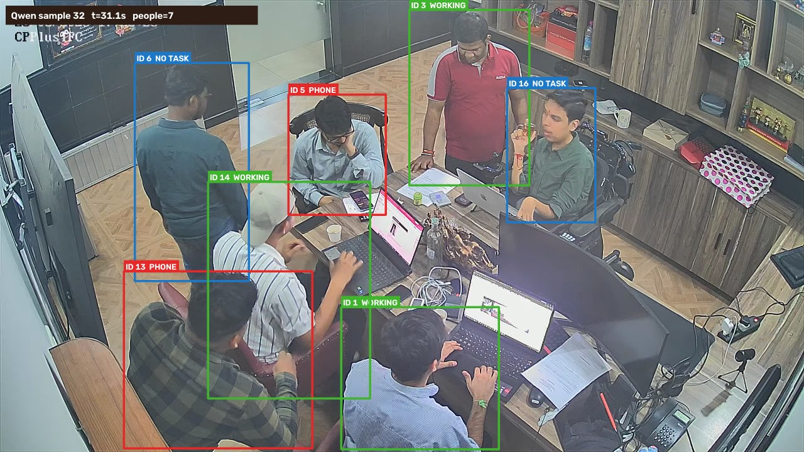
33 | 32.11 | 800 | 7 | 3 | 2 | 1 | 1 | 0 | ID 6: No observable task; ID 1: Working; ID 13: Using phone; ID 3: Working; ID 5: Using phone; ID 16: Working; ID 14: Talking / interacting | 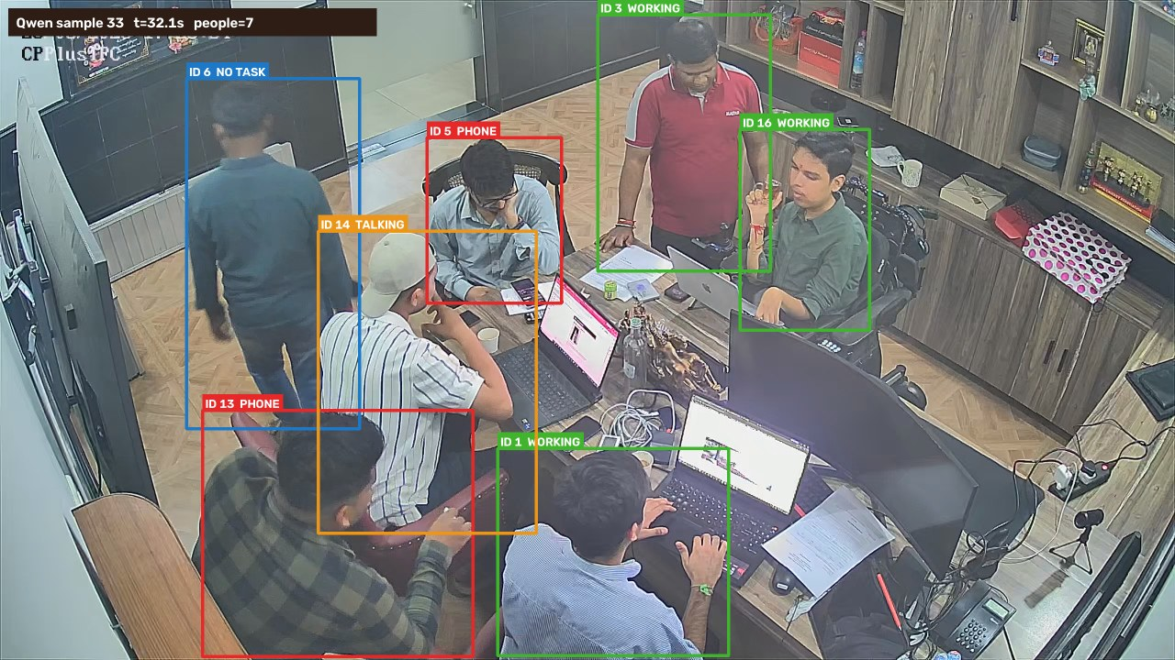
34 | 33.11 | 825 | 7 | 3 | 1 | 0 | 3 | 0 | ID 6: No observable task; ID 1: Working; ID 13: No observable task; ID 3: No observable task; ID 5: Using phone; ID 16: Working; ID 14: Working | 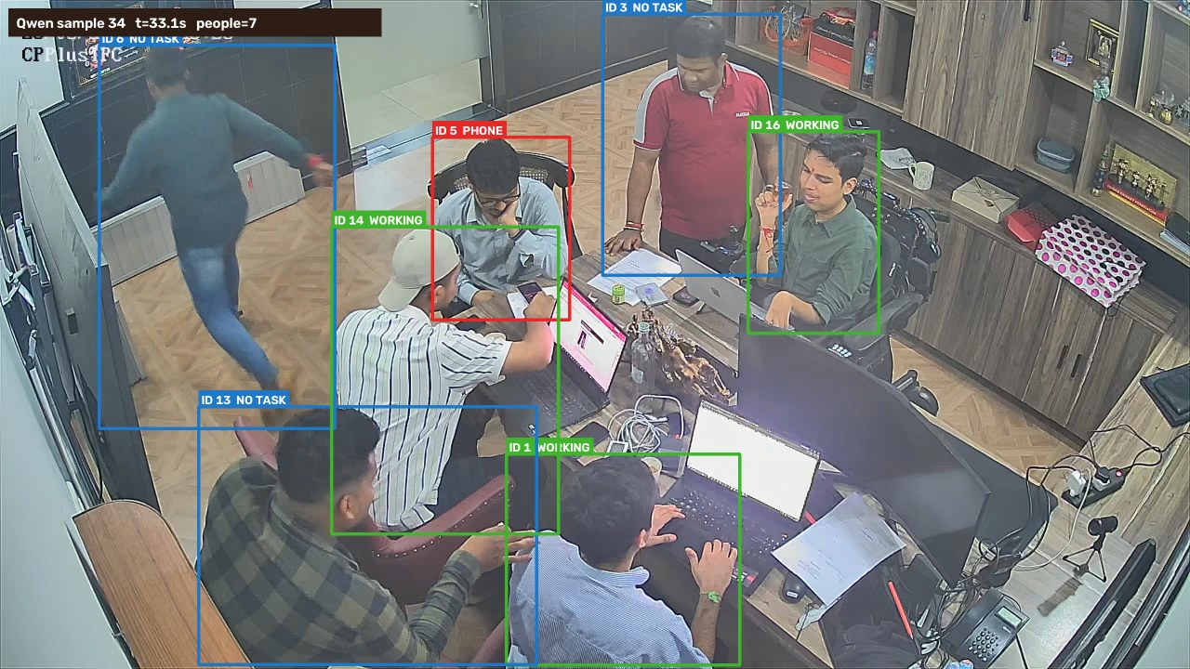
35 | 34.11 | 850 | 7 | 3 | 1 | 0 | 3 | 0 | ID 6: No observable task; ID 1: Working; ID 13: No observable task; ID 3: No observable task; ID 5: Using phone; ID 16: Working; ID 14: Working | 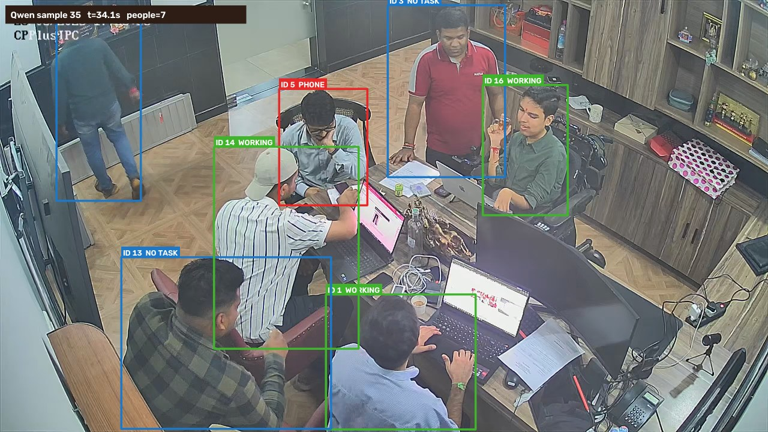
36 | 35.12 | 875 | 7 | 2 | 1 | 0 | 4 | 0 | ID 6: No observable task; ID 1: Working; ID 13: No observable task; ID 3: No observable task; ID 5: Working; ID 16: No observable task; ID 14: Using phone | 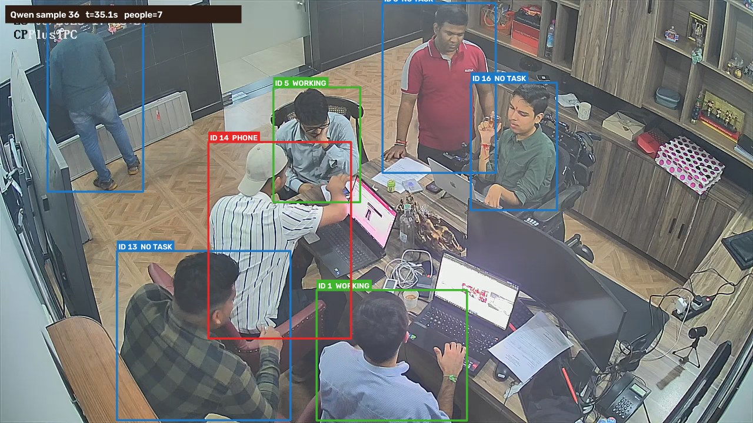
37 | 36.12 | 900 | 7 | 4 | 0 | 0 | 3 | 0 | ID 6: No observable task; ID 1: Working; ID 13: No observable task; ID 3: No observable task; ID 5: Working; ID 16: Working; ID 14: Working | 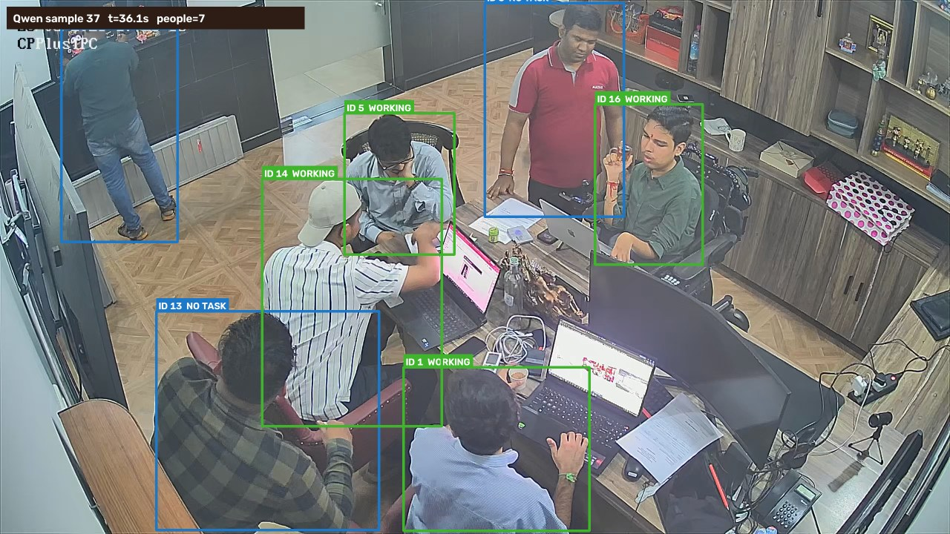
38 | 37.12 | 925 | 7 | 4 | 0 | 1 | 2 | 0 | ID 6: No observable task; ID 1: Working; ID 13: Talking / interacting; ID 3: No observable task; ID 5: Working; ID 16: Working; ID 14: Working | 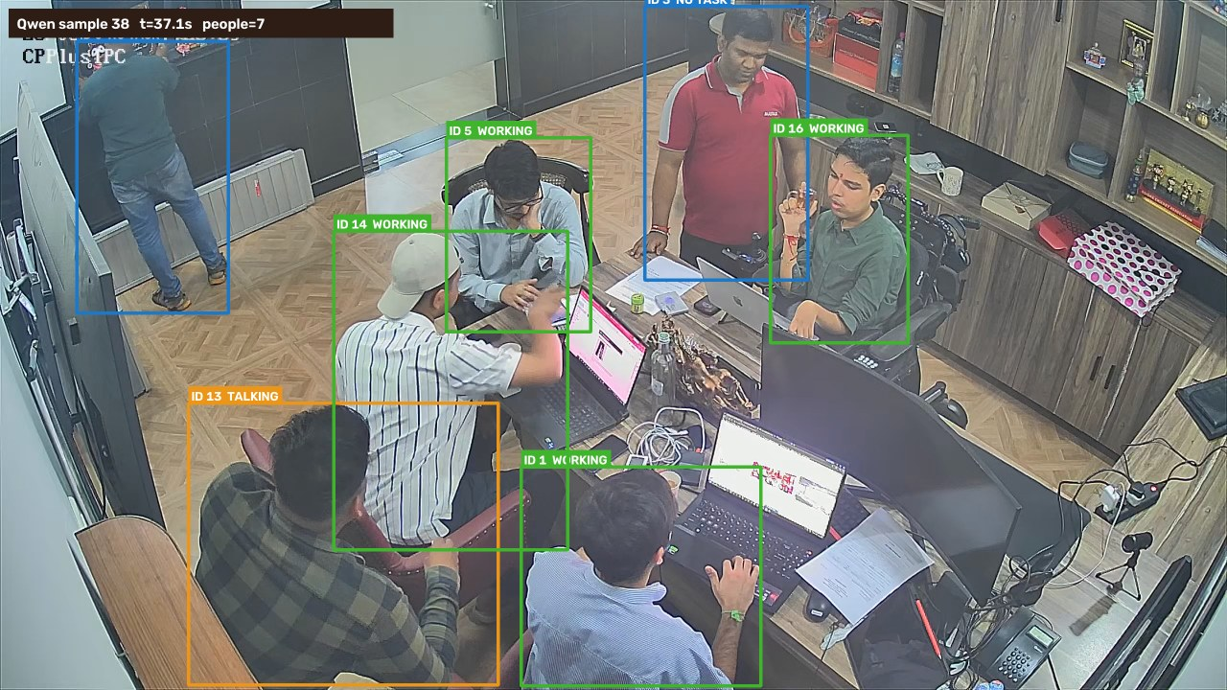
39 | 38.13 | 950 | 7 | 3 | 1 | 1 | 2 | 0 | ID 6: No observable task; ID 1: Working; ID 13: No observable task; ID 3: Talking / interacting; ID 5: Using phone; ID 16: Working; ID 14: Working | 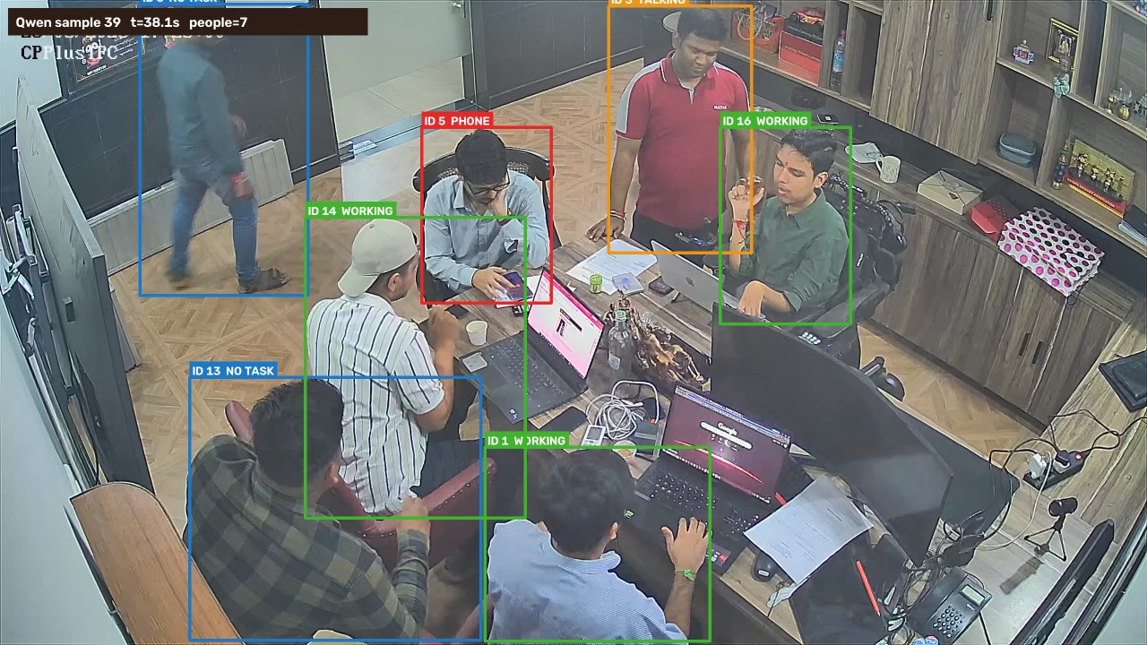
40 | 39.13 | 975 | 7 | 4 | 2 | 1 | 0 | 0 | ID 6: Using phone; ID 1: Working; ID 13: Using phone; ID 3: Talking / interacting; ID 5: Working; ID 16: Working; ID 14: Working | 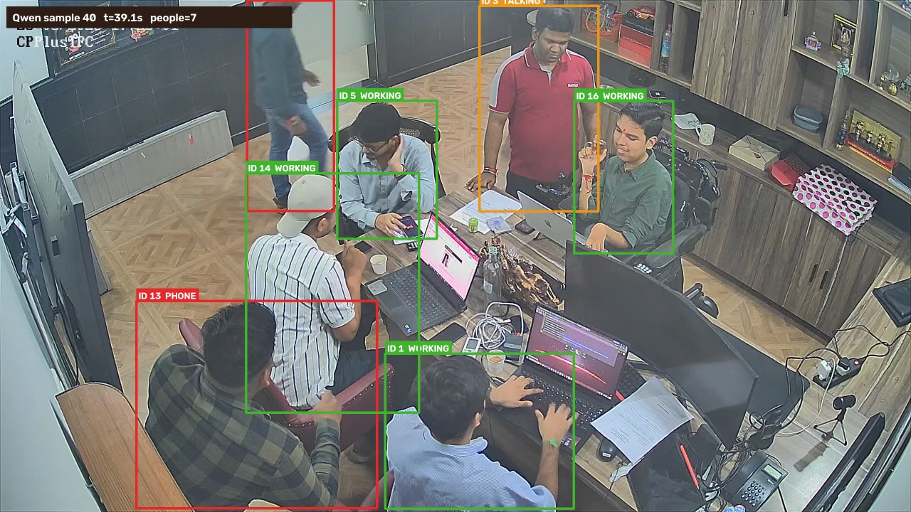
41 | 40.13 | 1000 | 7 | 5 | 1 | 0 | 1 | 0 | ID 6: No observable task; ID 1: Working; ID 13: Using phone; ID 3: Working; ID 5: Working; ID 16: Working; ID 14: Working | 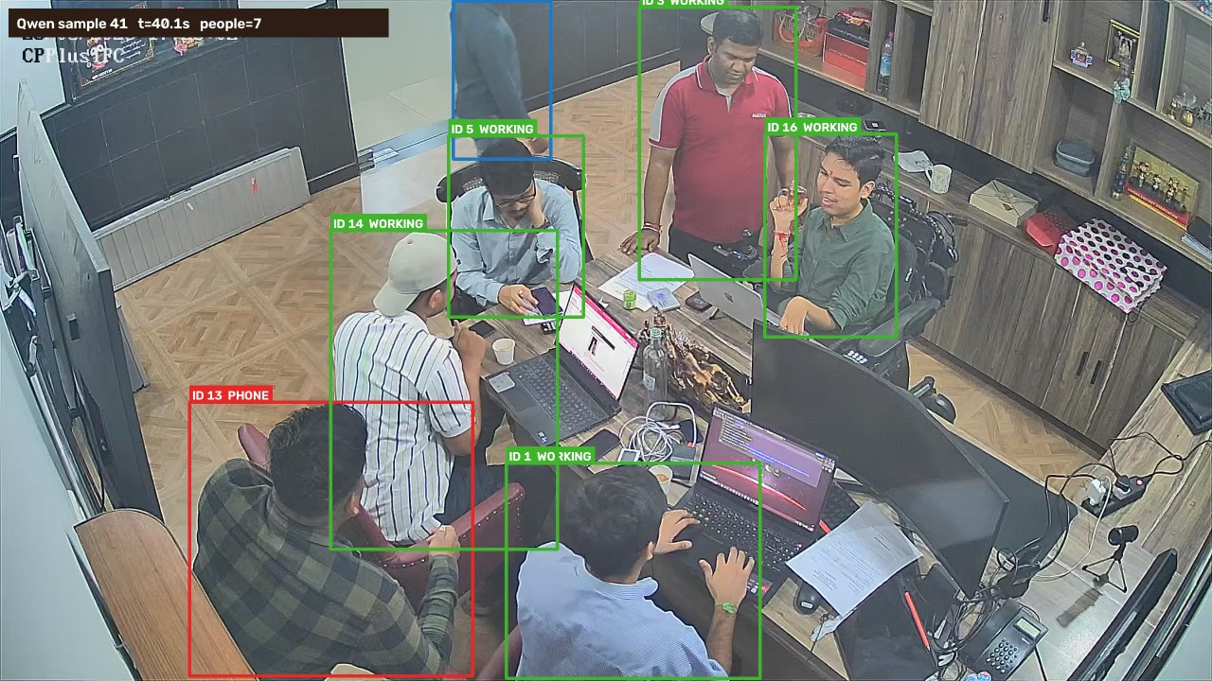
42 | 41.14 | 1025 | 2 | 0 | 1 | 0 | 1 | 0 | ID 6: No observable task; ID 1: Using phone | 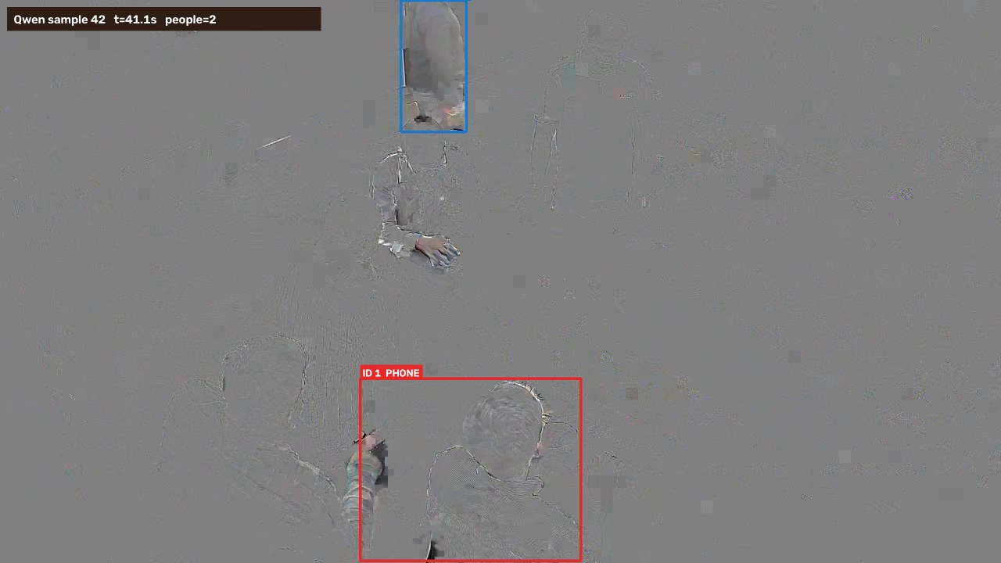
43 | 42.14 | 1050 | 7 | 3 | 2 | 1 | 1 | 0 | ID 5: Using phone; ID 1: Working; ID 13: Talking / interacting; ID 3: Working; ID 16: Working; ID 14: Using phone; ID 6: No observable task | 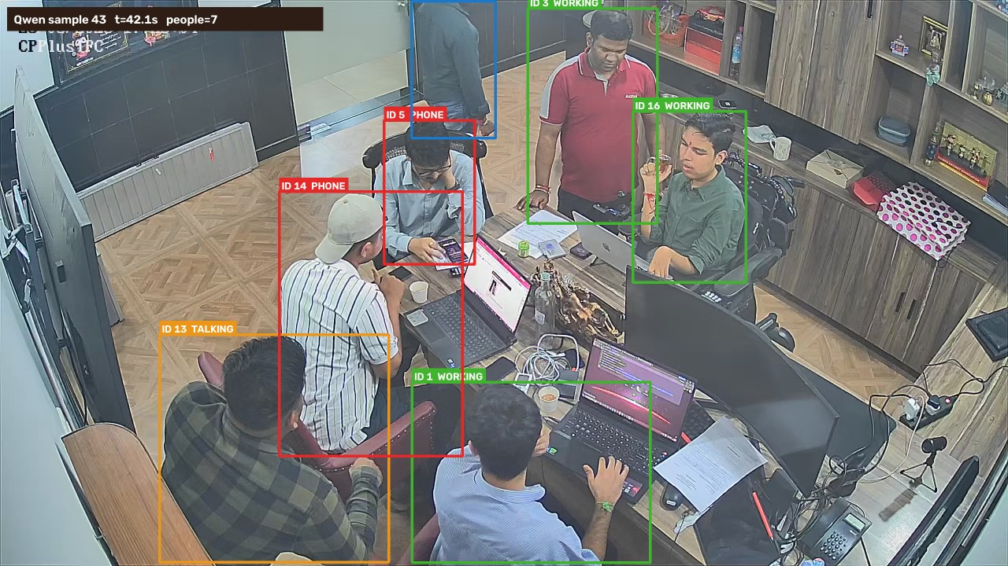
44 | 43.14 | 1075 | 7 | 3 | 1 | 0 | 3 | 0 | ID 5: Using phone; ID 1: Working; ID 13: No observable task; ID 3: No observable task; ID 16: Working; ID 14: Working; ID 6: No observable task | 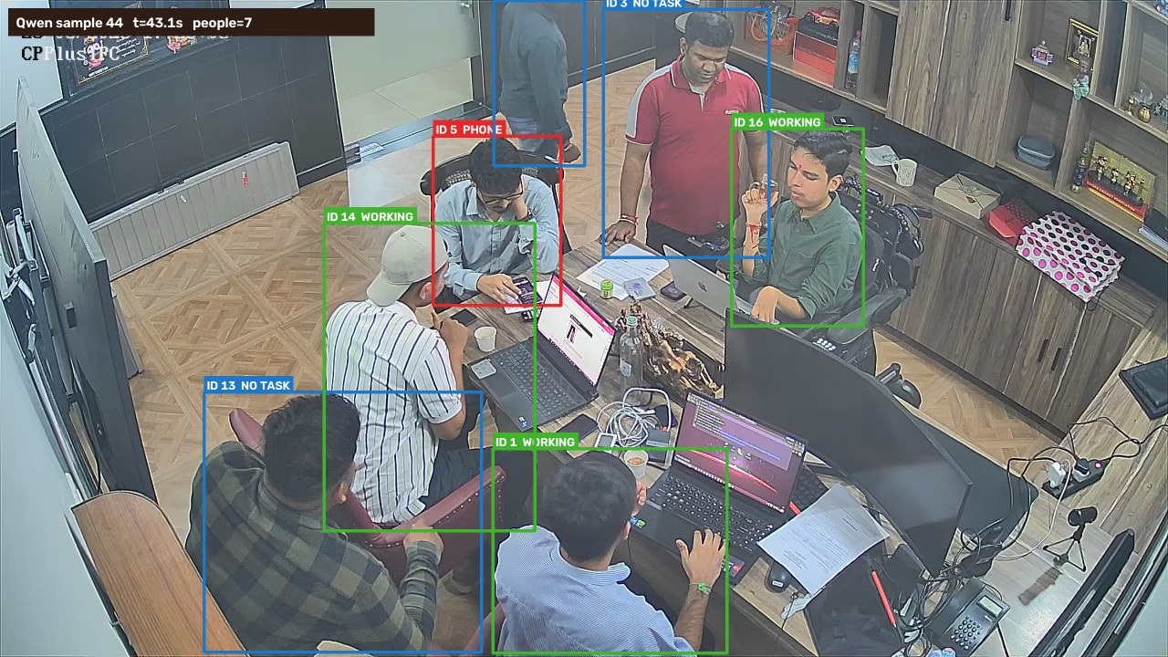
45 | 44.15 | 1100 | 7 | 3 | 2 | 1 | 1 | 0 | ID 5: Using phone; ID 1: Working; ID 13: No observable task; ID 3: Talking / interacting; ID 16: Working; ID 14: Working; ID 6: Using phone | 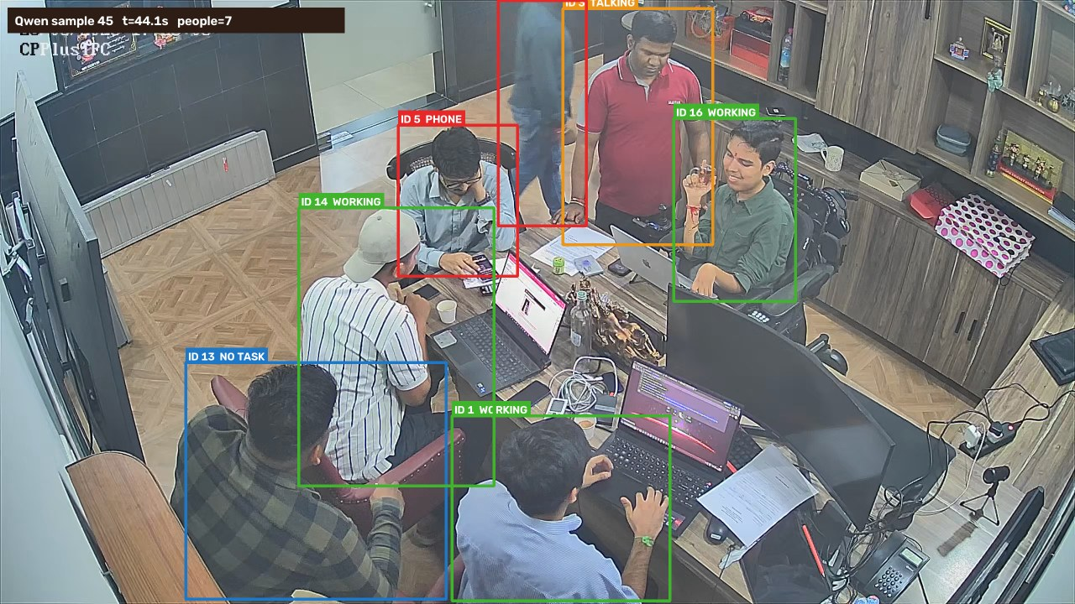
46 | 45.15 | 1125 | 7 | 3 | 0 | 2 | 2 | 0 | ID 5: Working; ID 1: Working; ID 13: Talking / interacting; ID 3: Talking / interacting; ID 16: No observable task; ID 14: Working; ID 24: No observable task | 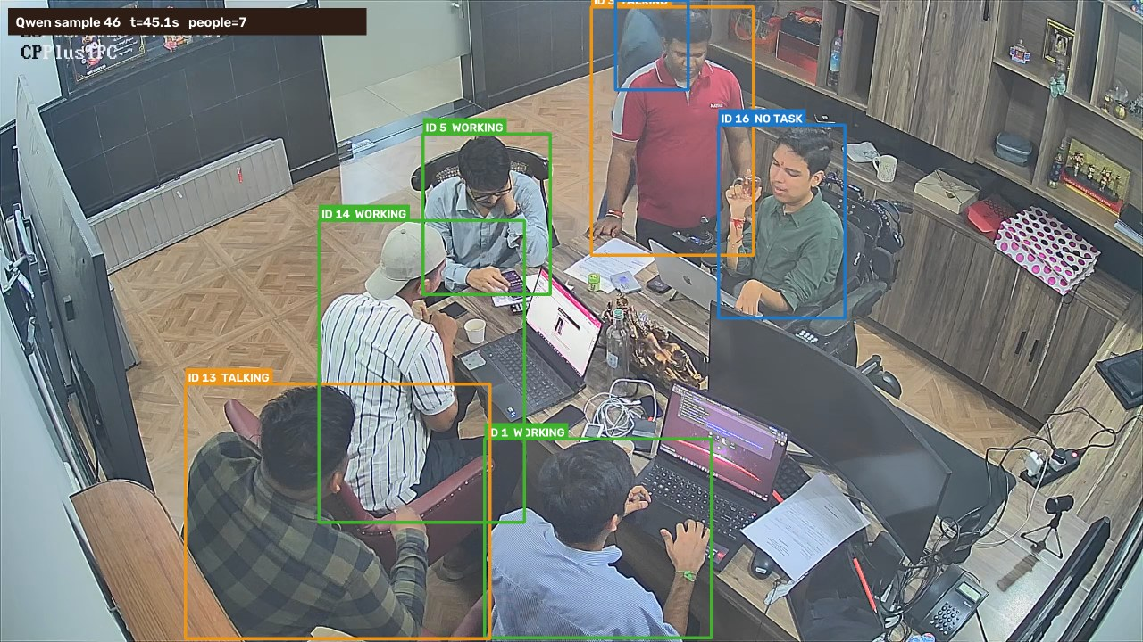
47 | 46.15 | 1150 | 7 | 3 | 1 | 1 | 2 | 0 | ID 5: Using phone; ID 1: Working; ID 13: No observable task; ID 3: Talking / interacting; ID 16: Working; ID 14: Working; ID 6: No observable task | 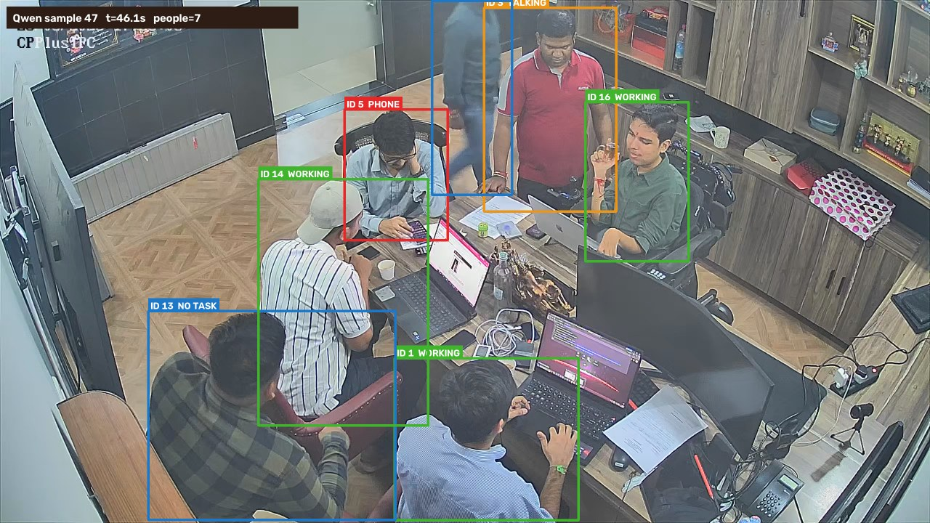
48 | 47.16 | 1175 | 7 | 3 | 1 | 0 | 3 | 0 | ID 5: Using phone; ID 1: Working; ID 13: No observable task; ID 3: Working; ID 16: No observable task; ID 14: Working; ID 6: No observable task | 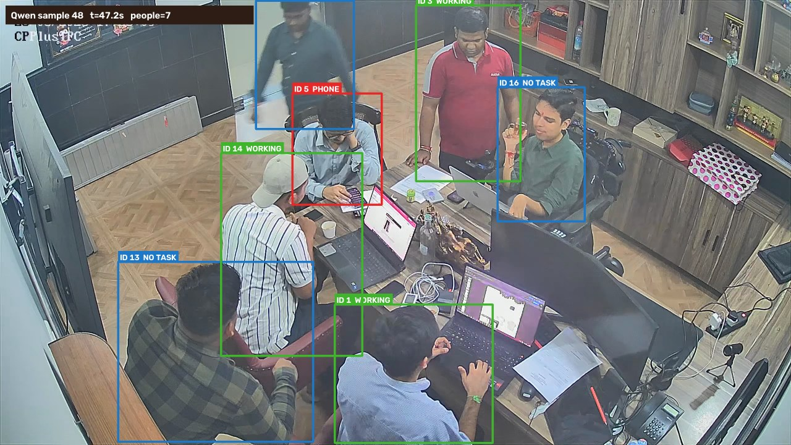
49 | 48.16 | 1200 | 7 | 3 | 1 | 1 | 2 | 0 | ID 5: Using phone; ID 1: Working; ID 13: No observable task; ID 3: Talking / interacting; ID 16: Working; ID 14: Working; ID 6: No observable task | 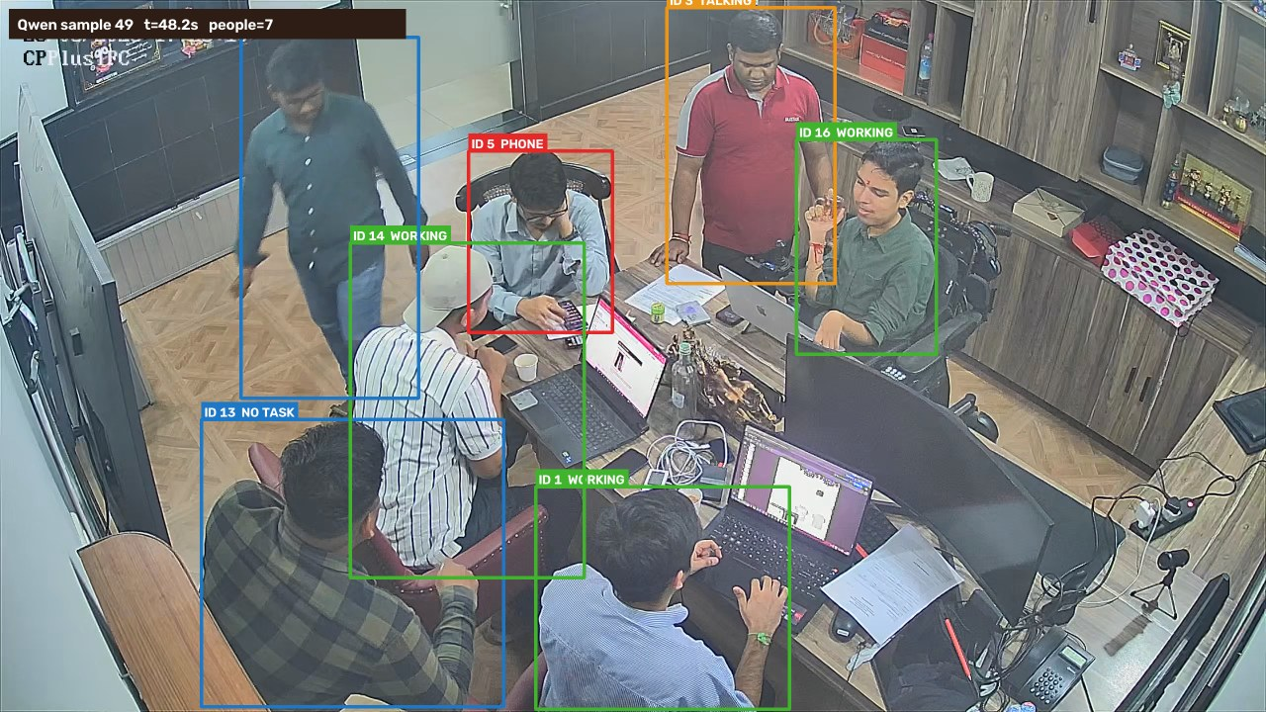
50 | 49.16 | 1225 | 7 | 4 | 0 | 1 | 2 | 0 | ID 5: Working; ID 1: Working; ID 13: No observable task; ID 3: Talking / interacting; ID 16: Working; ID 14: Working; ID 6: No observable task | 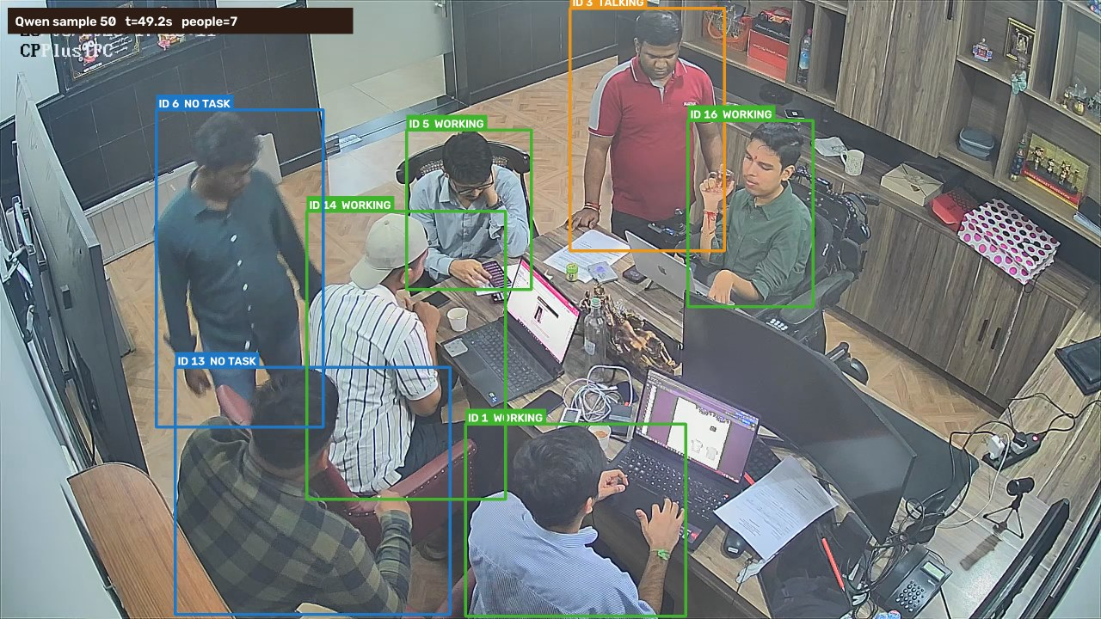
51 | 50.17 | 1250 | 7 | 3 | 2 | 2 | 0 | 0 | ID 5: Working; ID 1: Working; ID 13: Using phone; ID 3: Talking / interacting; ID 16: Working; ID 14: Using phone; ID 6: Talking / interacting | 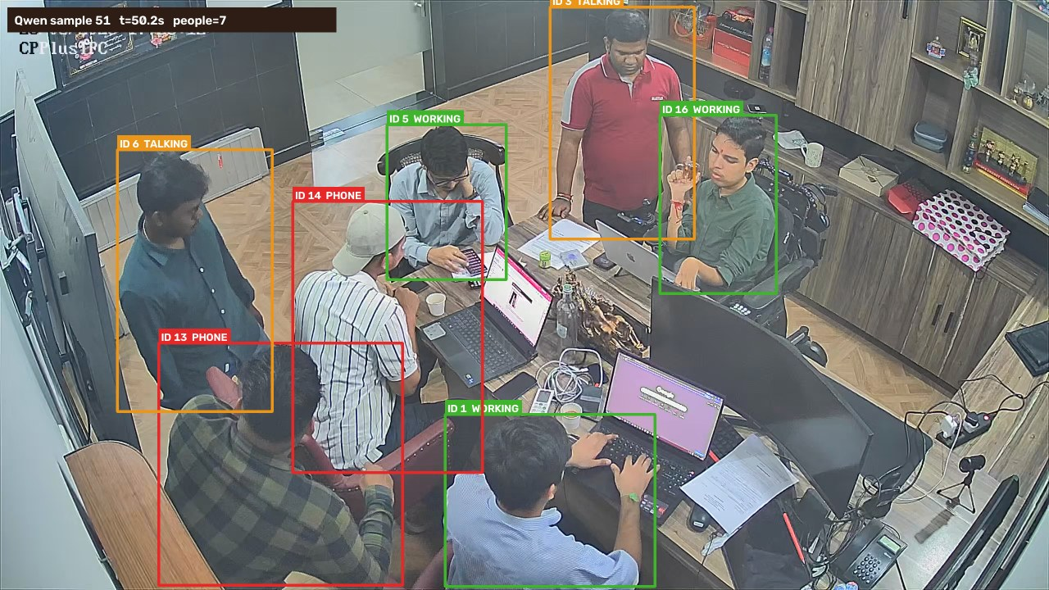
52 | 51.17 | 1275 | 7 | 3 | 1 | 1 | 2 | 0 | ID 5: Using phone; ID 1: Working; ID 13: No observable task; ID 3: No observable task; ID 16: Working; ID 14: Working; ID 6: Talking / interacting | 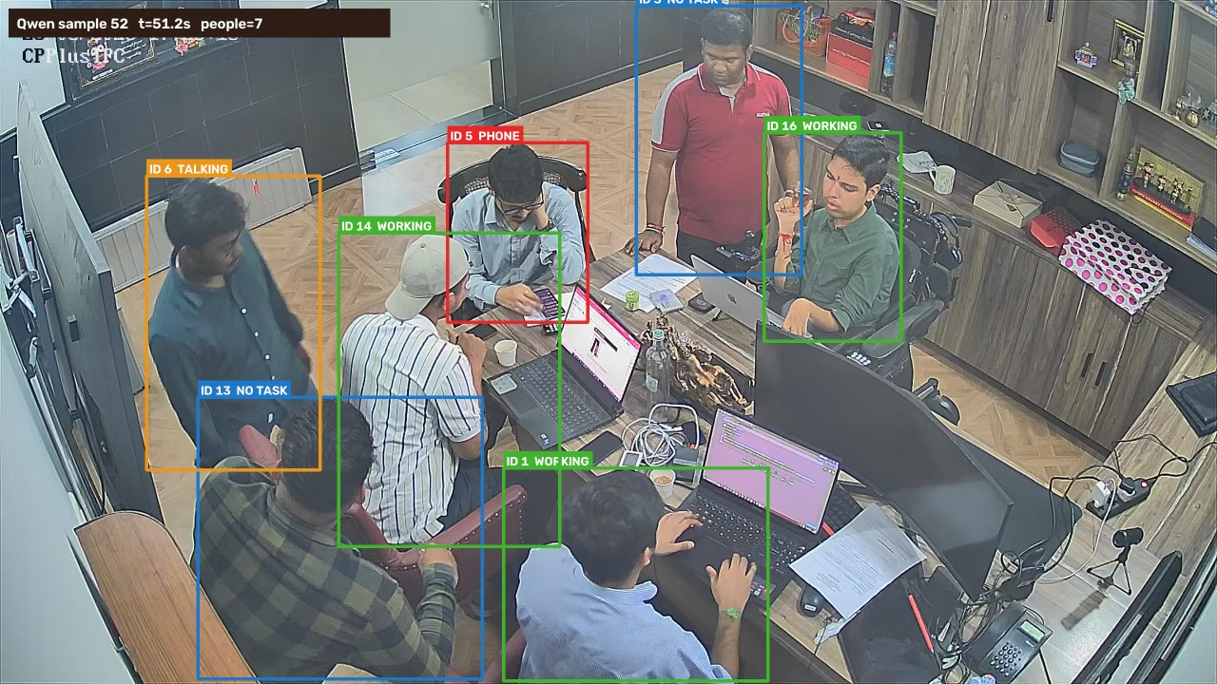
53 | 52.17 | 1300 | 7 | 3 | 0 | 2 | 2 | 0 | ID 5: Working; ID 1: Working; ID 13: Talking / interacting; ID 3: No observable task; ID 16: No observable task; ID 14: Working; ID 6: Talking / interacting | 
54 | 53.18 | 1325 | 7 | 4 | 0 | 1 | 2 | 0 | ID 5: Working; ID 1: Working; ID 13: Talking / interacting; ID 3: Working; ID 16: No observable task; ID 14: Working; ID 6: No observable task | 
55 | 54.18 | 1350 | 7 | 3 | 1 | 3 | 0 | 0 | ID 5: Using phone; ID 1: Working; ID 13: Talking / interacting; ID 3: Talking / interacting; ID 16: Working; ID 14: Working; ID 6: Talking / interacting | 
56 | 55.18 | 1375 | 7 | 2 | 1 | 3 | 1 | 0 | ID 5: Using phone; ID 1: Working; ID 13: No observable task; ID 3: Talking / interacting; ID 16: Talking / interacting; ID 14: Working; ID 6: Talking / interacting | 
57 | 56.19 | 1400 | 7 | 3 | 1 | 1 | 2 | 0 | ID 5: Using phone; ID 1: Working; ID 13: No observable task; ID 3: Talking / interacting; ID 16: Working; ID 14: Working; ID 6: No observable task | 
58 | 57.19 | 1425 | 7 | 3 | 0 | 1 | 3 | 0 | ID 5: Working; ID 1: Working; ID 13: No observable task; ID 3: Talking / interacting; ID 16: No observable task; ID 14: Working; ID 6: No observable task | 
59 | 58.19 | 1450 | 7 | 3 | 1 | 1 | 2 | 0 | ID 5: Using phone; ID 1: Working; ID 13: No observable task; ID 3: Talking / interacting; ID 16: Working; ID 14: Working; ID 6: No observable task | 
60 | 59.2 | 1475 | 7 | 2 | 1 | 0 | 4 | 0 | ID 5: Using phone; ID 1: Working; ID 13: No observable task; ID 3: No observable task; ID 16: No observable task; ID 14: Working; ID 6: No observable task | 
61 | 60.2 | 1500 | 7 | 3 | 0 | 1 | 3 | 0 | ID 5: Working; ID 1: Working; ID 13: No observable task; ID 3: Talking / interacting; ID 16: No observable task; ID 14: Working; ID 6: No observable task | 
62 | 61.2 | 1525 | 8 | 3 | 1 | 1 | 3 | 0 | ID 5: Using phone; ID 1: Working; ID 13: Talking / interacting; ID 3: No observable task; ID 16: Working; ID 14: Working; ID 6: No observable task; ID 29: No observable task | 
63 | 62.21 | 1550 | 8 | 3 | 1 | 0 | 4 | 0 | ID 5: Using phone; ID 1: Working; ID 13: No observable task; ID 3: No observable task; ID 16: Working; ID 14: Working; ID 6: No observable task; ID 27: No observable task | 
64 | 63.21 | 1575 | 8 | 3 | 2 | 1 | 2 | 0 | ID 5: Using phone; ID 1: Working; ID 13: No observable task; ID 3: Talking / interacting; ID 16: Working; ID 14: Working; ID 6: No observable task; ID 27: Using phone | 
65 | 64.21 | 1600 | 8 | 3 | 1 | 0 | 4 | 0 | ID 5: Using phone; ID 1: Working; ID 13: No observable task; ID 3: No observable task; ID 16: Working; ID 14: Working; ID 6: No observable task; ID 27: No observable task | 
66 | 65.22 | 1625 | 7 | 2 | 2 | 1 | 2 | 0 | ID 5: Using phone; ID 1: Working; ID 13: No observable task; ID 3: Talking / interacting; ID 16: Working; ID 14: Using phone; ID 27: No observable task | 
67 | 66.22 | 1650 | 8 | 3 | 2 | 2 | 1 | 0 | ID 5: Using phone; ID 1: Working; ID 13: Talking / interacting; ID 3: Talking / interacting; ID 16: Working; ID 14: Working; ID 27: No observable task; ID 6: Using phone | 
68 | 67.22 | 1675 | 3 | 0 | 1 | 0 | 2 | 0 | ID 3: Using phone; ID 27: No observable task; ID 6: No observable task | 

