Task
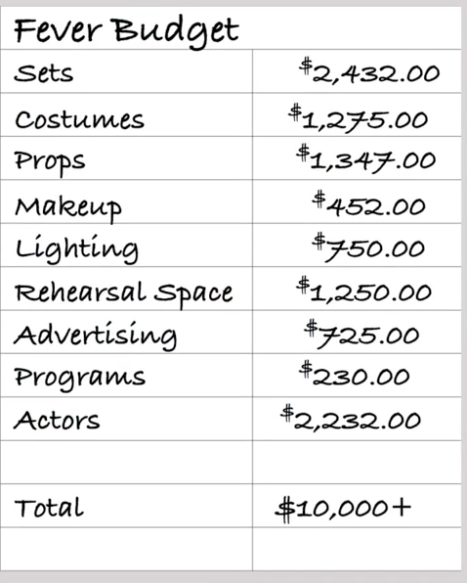
Louse | play "Fever"
Her estimation

Data Kickstarter
Theater category
Play
 | Now we know from our initial look at the data that the total number of Kickstarter campaigns is just over 4,000
 | She's curious about the market in Great Britain
 | Louise enjoyed five plays at the Edinburgh Festival Fringe: Be Prepared, Checkpoint 22, Cutting Off Kate Bush, Jestia and Raedon, and The Hitchhiker's Guide to the Family. She wants to find out more about how these plays got started and whether they were funded by Kickstarter.

Category Statistics
country | (All)

Count of outcomes | Column Labels
Row Labels | canceled | failed | live | successful | Grand Total | failed | successful
theater | 37 | 493 | 24 | 839 | 1393 | 35% | 60%
Grand Total | 37 | 493 | 24 | 839 | 1393

Theater Outcomes

Category Statistics_Country
Parent category | theater

Count of outcomes | Column Labels
Row Labels | canceled | failed | live | successful | Grand Total |  | failed | successful |  | Row Labels | successful
US | 26 | 349 | 12 | 525 | 912 | 65% | 38% | 58% |  | US | 525
GB | 6 | 89 | 6 | 258 | 359 | 26% | 25% | 72% |  | GB | 258
CA | 1 | 15 |  | 28 | 44 | 3% | 34% | 64% |  | CA | 28
AU | 2 | 13 |  | 6 | 21 | 2% | 62% | 29% |  | AU | 6
IE |  | 3 | 1 | 5 | 9 | 1% | 33% | 56% |  | IE | 5
DE |  | 2 |  | 4 | 6 | 0% | 33% | 67% |  | DE | 4
FR |  | 3 | 1 | 2 | 6 | 0% | 50% | 33% |  | FR | 2
NZ | 1 | 2 |  | 2 | 5 | 0% | 40% | 40% |  | NZ | 2
ES |  |  |  | 2 | 2 | 0% | 0% | 100% |  | ES | 2
CH |  |  |  | 1 | 1 | 0% | 0% | 100% |  | CH | 1
NO |  | 1 |  | 1 | 2 | 0% | 50% | 50% |  | NO | 1
SE |  | 3 |  | 1 | 4 | 0% | 75% | 25% |  | SE | 1
DK | 1 | 2 |  | 1 | 4 | 0% | 50% | 25% |  | DK | 1
SG |  |  |  | 1 | 1 | 0% | 0% | 100% |  | SG | 1
IT |  | 3 |  | 1 | 4 | 0% | 75% | 25% |  | IT | 1
LU |  |  |  | 1 | 1 | 0% | 0% | 100% |  | LU | 1
NL |  | 3 | 1 |  | 4 | 0% | 75% | 0% |  | NL | 0
MX |  | 4 | 3 |  | 7 | 1% | 57% | 0% |  | MX | 0
AT |  | 1 |  |  | 1 | 0% | 100% | 0% |  | AT | 0
Grand Total | 37 | 493 | 24 | 839 | 1393 |  | 35% | 60% | 96%

US and GB |  |  |  |  | 783 |  | 839 | 93%

Successful Country Outcomes
 | successful
US | 525
GB | 258
CA | 28
AU | 6
IE | 5
DE | 4
FR | 2
NZ | 2
ES | 2
CH | 1
NO | 1
SE | 1
DK | 1
SG | 1
IT | 1
LU | 1
NL | 0
MX | 0
AT | 0

Subcategory Statistics
Parent category | theater
country | (All)

Count of outcomes | Column Labels
Row Labels | canceled | failed | live | successful | Grand Total
musical | 20 | 60 |  | 60 | 140
plays |  | 353 | 19 | 694 | 1066 | 77%
spaces | 17 | 80 | 5 | 85 | 187
Grand Total | 37 | 493 | 24 | 839 | 1393

Plays of Theater Category
 | canceled | failed | live | successful
musical | 20 | 60 |  | 60
plays |  | 353 | 19 | 694
spaces | 17 | 80 | 5 | 85

OutcomesBasedOnLaunchDate
Quarters | (All)
Years | (All)
Parent category | theater
country | (All)

Count of outcomes | Column Labels
Row Labels | canceled | failed | live | successful | Grand Total
Jan | 7 | 33 | 2 | 56 | 98
Feb | 3 | 39 | 8 | 71 | 121
Mar | 3 | 33 | 14 | 56 | 106
Apr | 2 | 40 |  | 71 | 113
May | 3 | 52 |  | 111 | 166
Jun | 4 | 49 |  | 100 | 153
Jul | 1 | 50 |  | 87 | 138
Aug | 4 | 47 |  | 72 | 123
Sep | 4 | 34 |  | 59 | 97
Oct |  | 50 |  | 65 | 115
Nov | 3 | 31 |  | 54 | 88
Dec | 3 | 35 |  | 37 | 75
Grand Total | 37 | 493 | 24 | 839 | 1393

Plays Launch date
 | canceled | failed | live | successful
Jan | 7 | 33 | 2 | 56
Feb | 3 | 39 | 8 | 71
Mar | 3 | 33 | 14 | 56
Apr | 2 | 40 |  | 71
May | 3 | 52 |  | 111
Jun | 4 | 49 |  | 100
Jul | 1 | 50 |  | 87
Aug | 4 | 47 |  | 72
Sep | 4 | 34 |  | 59
Oct |  | 50 |  | 65
Nov | 3 | 31 |  | 54
Dec | 3 | 35 |  | 37

Descriptive Statistics
1 | With Outliers
 |  | Successful | Failed
 | Mean Goal | $4,646 | $10,554
 | Median Goal | $3,000 | $5,000
 | Standart Deviation of Goal | $5,684 | $21,968
 | Upper Quartile of Goal | $5,000 | $10,000
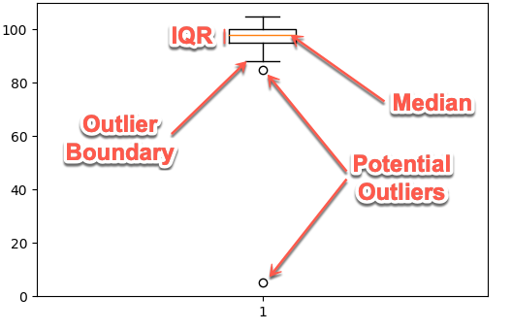
 | Lower Quartile of Goal | $1,500 | $2,000
 | IQR of Goal | $3,500 | $8,000
Outliers | Q3 + (1.5*IQR) Boundary: | $10,250.0 | $22,000.0
Outliers | Q1 - (1.5*IQR) Boundary: | $(3,750.0) | $(10,000.0)

 | Mean Pledged | $5,175 | $559
 | Median Pledget | $3,148 | $103
 | Standart Deviation of Pledget | $6,324 | $1,331
 | Upper Quartile of Pledged | $5,672 | $501
 | Lower Quartile of Pledged | $1,693 | $9
 | IQR of Pledged | $3,979 | $492
 | Outliers | $11,640.6 | $1,238.6

2 | Without "Outliers"

 |  | Successful | Failed | Delta_1_2
 | Mean Goal | $4,646 | $6,096 | $-
 | Median Goal | $3,000 | $4,000 | $-
 | Standart Deviation of Goal | $5,684 | $6,269 | $-
 | Upper Quartile of Goal | $5,000 | $8,000 | $-
 | Lower Quartile of Goal | $1,500 | $2,000 | $-
 | IQR of Goal | $3,500 | $6,000 | $-
Outliers | Q3 + (1.5*IQR) Boundary: | $10,250.0 | $17,000.0 | $-

 | Mean Pledged | $4,964 | $559 | $(211)
 | Median Pledget | $3,133 | $103 | $(15)
 | Standart Deviation of Pledget | $5,549 | $1,331 | $(775)
 | Upper Quartile of Pledged | $5,623 | $501 | $(49)
 | Lower Quartile of Pledged | $1,686 | $9 | $(7)
 | IQR of Pledged | $3,937 | $492 | $(42)
 | Q3 + (1.5*IQR) Boundary: | $11,528.5 | $1,238.6 | $(112)
 | Q1 - (1.5*IQR) Boundary: | $(4,219.5) | $(728.4)

