User
1/Chọn store |  | 2/Chọn checklist
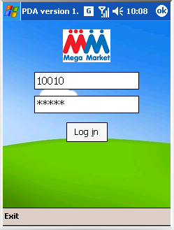
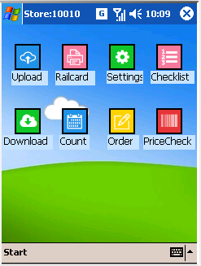

3/Làm theo check list
3.1 | Cấu hình FTP server, Upload folder, download folder, local folder,... (optional)
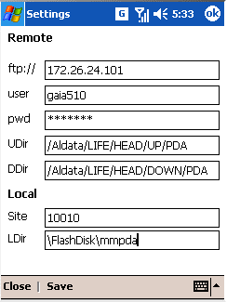

 |  | Default folder is \FlashDisk\mmpda
 |  | Need to config the right path (where you put .exe)

3.2 | Import master data (MMPDAsssss.txt. Eg. MMPDA10010.txt) from download folder (default MMPDA folder)
3.3 | Daily negative stock count
3.4 | Check giá (support all format , RTC, PV barcode)
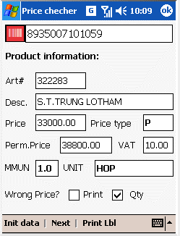
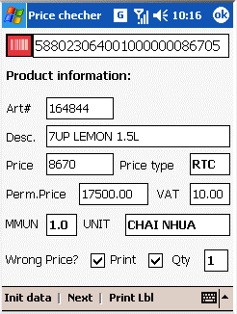
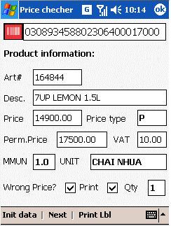

PV price 17K

Promotion
RTC price
RTC Code

Auto check & propose print 1 lable

4/Upload data and log out
5/ Trigger server to process uploaded data

6/ Print lable by PST: filter by division & fixture from (starting by 10000)
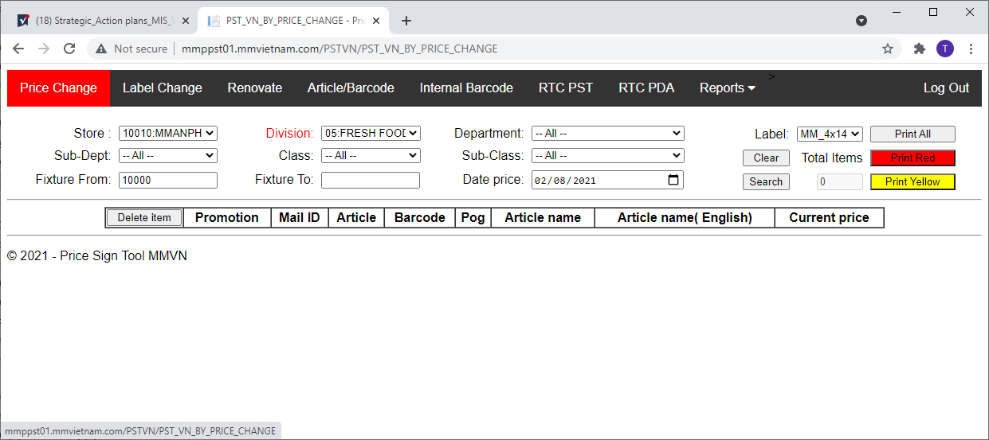

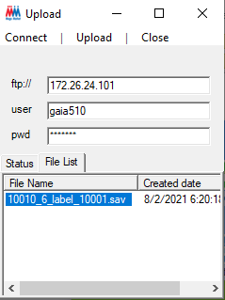
Store_PDAID_Function_fixture

Dev
Main Form structure
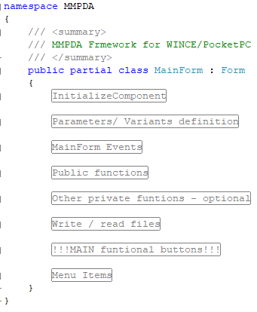

Add new function, modify here only

 | Every Function uses the same action btnButton_Click

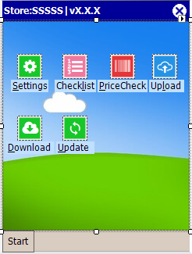

 |  | 03 steps to add new module:
 |  | 1 | Create new FORM (New module)
 |  | 2 | Edit MainFrom Layout

2.1. add picture btnFuntionName

2.2.add lable lblFuntionName
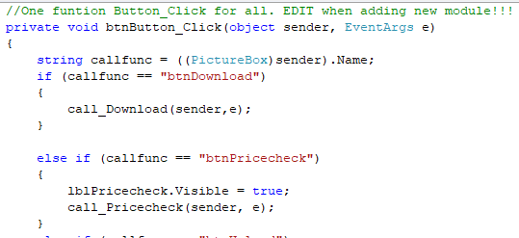
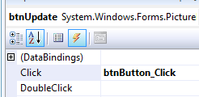
2.3. add event btnButton_Click for picture (no change)

 |  | 3 | Edit MainForm.cs
4. Edit btnButton_click: Copy, paste block else if and rename

5. Create New funtion to popup new form Module

