Thermal Check (เลือกสาย)
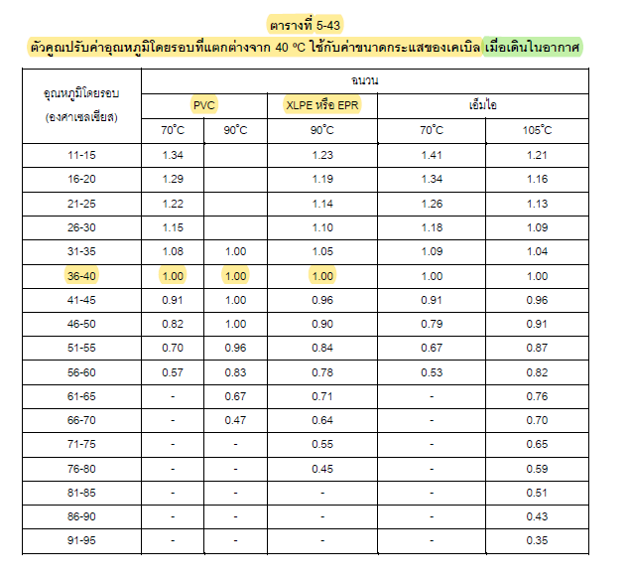
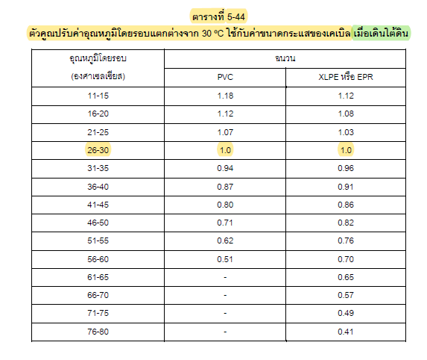
Thermal / Ampacity Check - Separate from Physical Fill
Three simulated examples are populated below. Base ampacity is taken from the local PV cable datasheet working data; factors are explicit inputs and must be replaced by the project installation calculation.
Circuit ID | Cable model / size | Design current (A) | Base ampacity (A) | Ambient factor | Grouping factor | Other factor | Adjusted ampacity (A) | Result | Ampacity table source | Installation method | Remark
CIR-EX-001 | Phelps Dodge H1Z2Z2-K 4 mm² | 17.69 | 55.00 | 0.95 | 0.95 | 1.00 | 49.64 | PASS | Phelps_Dodge_PV_Cable_H1Z2Z2-K_Datasheet.pdf | wireway / ventilated | Example 1; replace with project method
CIR-EX-002 | Phelps Dodge H1Z2Z2-K 6 mm² | 17.69 | 70.00 | 0.95 | 0.90 | 1.00 | 59.85 | PASS | Phelps_Dodge_PV_Cable_H1Z2Z2-K_Datasheet.pdf | wireway / ventilated | Example 2; replace with project method
CIR-EX-003 | Bangkok Cable H1Z2Z2-K 16 mm² | 100.00 | 132.00 | 0.80 | 0.80 | 1.00 | 84.48 | FAIL | Bangkok_Cable_H1Z2Z2-K_PV_Cable_Datasheet.pdf | wireway / ventilated | Example 3 intentionally demonstrates CHECK
CIR-004 |  |  |  |  |  |  |  | REVIEW
CIR-005 |  |  |  |  |  |  |  | REVIEW
CIR-006 |  |  |  |  |  |  |  | REVIEW
CIR-007 |  |  |  |  |  |  |  | REVIEW
CIR-008 |  |  |  |  |  |  |  | REVIEW
CIR-009 |  |  |  |  |  |  |  | REVIEW
CIR-010 |  |  |  |  |  |  |  | REVIEW
CIR-011 |  |  |  |  |  |  |  | REVIEW
CIR-012 |  |  |  |  |  |  |  | REVIEW
CIR-013 |  |  |  |  |  |  |  | REVIEW
CIR-014 |  |  |  |  |  |  |  | REVIEW
CIR-015 |  |  |  |  |  |  |  | REVIEW
CIR-016 |  |  |  |  |  |  |  | REVIEW
CIR-017 |  |  |  |  |  |  |  | REVIEW
CIR-018 |  |  |  |  |  |  |  | REVIEW
CIR-019 |  |  |  |  |  |  |  | REVIEW
CIR-020 |  |  |  |  |  |  |  | REVIEW
 | *ตรวจสอบ Spec. สายไฟว่าเพียงพอหรือไม่

1.IMC Max Count
Maximum Cable Count in Panasonic IMC - EIT Physical Fill Screening
Rev.4: IMC fill screening is governed by the number of cable pieces (Qty). Cores/cable is informational only. The left matrix gives maximum Qty by IMC size; the right matrix uses that left Qty to show total fill %. Actual certified IMC ID is required before IFC.
IMC internal ID เป็น screening = Panasonic catalogue OD - 2 x minimum wall thickness; ต้องเปลี่ยนเป็น actual certified ID ก่อน issue design. ค่า 0 = ใส่ไม่ได้ตาม physical fill ของท่อขนาดนั้น
Qty 1 = 53%, Qty 2 = 31%, Qty 3 or more = 40%
Panasonic IMC trade size |  |  |  | 1/2 in | 3/4 in | 1 in | 1-1/4 in | 1-1/2 in | 2 in | 2-1/2 in | 3 in | 3-1/2 in | 4 in
Screening internal ID (mm) |  |  |  | 17.1 | 22.3 | 28.5 | 37.3 | 43.2 | 55.1 | 65.4 | 81.2 | 93.7 | 106.3 | Formula = left-table Qty × cable area / IMC internal area. This is the full fill percentage for the Qty shown in the left table, not a one-cable ratio.
Internal area (mm²) |  |  |  | 230.2 | 392.0 | 635.7 | 1091.0 | 1467.8 | 2385.3 | 3363.4 | 5174.6 | 6901.4 | 8871.4

System | Cable family | OD mm | Cable area mm² | 1/2 in | 3/4 in | 1 in | 1-1/4 in | 1-1/2 in | 2 in | 2-1/2 in | 3 in | 3-1/2 in | 4 in | 1/2 in | 3/4 in | 1 in | 1-1/4 in | 1-1/2 in | 2 in | 2-1/2 in | 3 in | 3-1/2 in | 4 in
PV | Phelps Dodge H1Z2Z2-K 4 mm² | 6.0 | 28.3 | 3 | 5 | 8 | 15 | 20 | 33 | 47 | 73 | 97 | 125 | 36.8% | 36.1% | 35.6% | 38.9% | 38.5% | 39.1% | 39.5% | 39.9% | 39.7% | 39.8%
PV | Phelps Dodge H1Z2Z2-K 6 mm² | 7.0 | 38.5 | 1 | 4 | 6 | 11 | 15 | 24 | 34 | 53 | 71 | 92 | 16.7% | 39.3% | 36.3% | 38.8% | 39.3% | 38.7% | 38.9% | 39.4% | 39.6% | 39.9%
PV | Phelps Dodge H1Z2Z2-K 10 mm² | 8.2 | 52.8 | 1 | 2 | 4 | 8 | 11 | 18 | 25 | 39 | 52 | 67 | 22.9% | 26.9% | 33.2% | 38.7% | 39.6% | 39.9% | 39.3% | 39.8% | 39.8% | 39.9%
PV | Phelps Dodge H1Z2Z2-K 16 mm² | 9.8 | 75.4 | 1 | 1 | 3 | 5 | 7 | 12 | 17 | 27 | 36 | 47 | 32.8% | 19.2% | 35.6% | 34.6% | 36.0% | 37.9% | 38.1% | 39.4% | 39.3% | 40.0%
AC | Phelps Dodge CV/CV-FD-1C | 25 mm² | 12.0 | 113.1 | 1 | 1 | 1 | 3 | 5 | 8 | 11 | 18 | 24 | 31 | 49.1% | 28.9% | 17.8% | 31.1% | 38.5% | 37.9% | 37.0% | 39.3% | 39.3% | 39.5%
AC | Phelps Dodge CV/CV-FD-1C | 35 mm² | 13.0 | 132.7 | 0 | 1 | 1 | 3 | 4 | 7 | 10 | 15 | 20 | 26 | 0.0% | 33.9% | 20.9% | 36.5% | 36.2% | 39.0% | 39.5% | 38.5% | 38.5% | 38.9%
AC | Phelps Dodge CV/CV-FD-1C | 50 mm² | 15.0 | 176.7 | 0 | 1 | 1 | 1 | 3 | 5 | 7 | 11 | 15 | 20 | 0.0% | 45.1% | 27.8% | 16.2% | 36.1% | 37.0% | 36.8% | 37.6% | 38.4% | 39.8%
AC | Phelps Dodge CV/CV-FD-1C | 70 mm² | 16.0 | 201.1 | 0 | 1 | 1 | 1 | 2 | 4 | 6 | 10 | 13 | 17 | 0.0% | 51.3% | 31.6% | 18.4% | 27.4% | 33.7% | 35.9% | 38.9% | 37.9% | 38.5%
AC | Phelps Dodge CV/CV-FD-1C | 95 mm² | 18.0 | 254.5 | 0 | 0 | 1 | 1 | 1 | 3 | 5 | 8 | 10 | 13 | 0.0% | 0.0% | 40.0% | 23.3% | 17.3% | 32.0% | 37.8% | 39.3% | 36.9% | 37.3%
AC | Phelps Dodge CV/CV-FD-1C | 120 mm² | 20.0 | 314.2 | 0 | 0 | 1 | 1 | 1 | 3 | 4 | 6 | 8 | 11 | 0.0% | 0.0% | 49.4% | 28.8% | 21.4% | 39.5% | 37.4% | 36.4% | 36.4% | 39.0%
AC | Phelps Dodge CV/CV-FD-1C | 150 mm² | 22.0 | 380.1 | 0 | 0 | 0 | 1 | 1 | 1 | 3 | 5 | 7 | 9 | 0.0% | 0.0% | 0.0% | 34.8% | 25.9% | 15.9% | 33.9% | 36.7% | 38.6% | 38.6%
AC | Phelps Dodge CV/CV-FD-1C | 185 mm² | 24.0 | 452.4 | 0 | 0 | 0 | 1 | 1 | 1 | 2 | 4 | 6 | 7 | 0.0% | 0.0% | 0.0% | 41.5% | 30.8% | 19.0% | 26.9% | 35.0% | 39.3% | 35.7%
AC | Phelps Dodge CV/CV-FD-1C | 240 mm² | 27.0 | 572.6 | 0 | 0 | 0 | 1 | 1 | 1 | 1 | 3 | 4 | 6 | 0.0% | 0.0% | 0.0% | 52.5% | 39.0% | 24.0% | 17.0% | 33.2% | 33.2% | 38.7%
AC | Phelps Dodge CV/CV-FD-1C | 300 mm² | 30.0 | 706.9 | 0 | 0 | 0 | 0 | 1 | 1 | 1 | 2 | 3 | 5 | 0.0% | 0.0% | 0.0% | 0.0% | 48.2% | 29.6% | 21.0% | 27.3% | 30.7% | 39.8%
AC | Phelps Dodge CV/CV-FD-1C | 400 mm² | 33.0 | 855.3 | 0 | 0 | 0 | 0 | 0 | 1 | 1 | 1 | 3 | 4 | 0.0% | 0.0% | 0.0% | 0.0% | 0.0% | 35.9% | 25.4% | 16.5% | 37.2% | 38.6%
AC | Phelps Dodge CV/CV-FD-1C | 500 mm² | 37.0 | 1075.2 | 0 | 0 | 0 | 0 | 0 | 1 | 1 | 1 | 1 | 3 | 0.0% | 0.0% | 0.0% | 0.0% | 0.0% | 45.1% | 32.0% | 20.8% | 15.6% | 36.4%
AC | Phelps Dodge CV/CV-FD-1C | 630 mm² | 41.0 | 1320.3 | 0 | 0 | 0 | 0 | 0 | 0 | 1 | 1 | 1 | 2 | 0.0% | 0.0% | 0.0% | 0.0% | 0.0% | 0.0% | 39.3% | 25.5% | 19.1% | 29.8%
AC | Phelps Dodge CV/CV-FD-2C | 10 mm² | 16.0 | 201.1 | 0 | 1 | 1 | 1 | 2 | 4 | 6 | 10 | 13 | 17 | 0.0% | 51.3% | 31.6% | 18.4% | 27.4% | 33.7% | 35.9% | 38.9% | 37.9% | 38.5%
AC | Phelps Dodge CV/CV-FD-2C | 16 mm² | 18.0 | 254.5 | 0 | 0 | 1 | 1 | 1 | 3 | 5 | 8 | 10 | 13 | 0.0% | 0.0% | 40.0% | 23.3% | 17.3% | 32.0% | 37.8% | 39.3% | 36.9% | 37.3%
AC | Phelps Dodge CV/CV-FD-2C | 25 mm² | 21.0 | 346.4 | 0 | 0 | 0 | 1 | 1 | 2 | 3 | 5 | 7 | 10 | 0.0% | 0.0% | 0.0% | 31.7% | 23.6% | 29.0% | 30.9% | 33.5% | 35.1% | 39.0%
AC | Phelps Dodge CV/CV-FD-2C | 35 mm² | 23.0 | 415.5 | 0 | 0 | 0 | 1 | 1 | 1 | 3 | 4 | 6 | 8 | 0.0% | 0.0% | 0.0% | 38.1% | 28.3% | 17.4% | 37.1% | 32.1% | 36.1% | 37.5%
AC | Phelps Dodge CV/CV-FD-2C | 50 mm² | 25.0 | 490.9 | 0 | 0 | 0 | 1 | 1 | 1 | 2 | 4 | 5 | 7 | 0.0% | 0.0% | 0.0% | 45.0% | 33.4% | 20.6% | 29.2% | 37.9% | 35.6% | 38.7%
AC | Phelps Dodge CV/CV-FD-2C | 70 mm² | 30.0 | 706.9 | 0 | 0 | 0 | 0 | 1 | 1 | 1 | 2 | 3 | 5 | 0.0% | 0.0% | 0.0% | 0.0% | 48.2% | 29.6% | 21.0% | 27.3% | 30.7% | 39.8%
AC | Phelps Dodge CV/CV-FD-2C | 95 mm² | 33.0 | 855.3 | 0 | 0 | 0 | 0 | 0 | 1 | 1 | 1 | 3 | 4 | 0.0% | 0.0% | 0.0% | 0.0% | 0.0% | 35.9% | 25.4% | 16.5% | 37.2% | 38.6%
AC | Phelps Dodge CV/CV-FD-2C | 120 mm² | 37.0 | 1075.2 | 0 | 0 | 0 | 0 | 0 | 1 | 1 | 1 | 1 | 3 | 0.0% | 0.0% | 0.0% | 0.0% | 0.0% | 45.1% | 32.0% | 20.8% | 15.6% | 36.4%
AC | Phelps Dodge CV/CV-FD-2C | 150 mm² | 41.0 | 1320.3 | 0 | 0 | 0 | 0 | 0 | 0 | 1 | 1 | 1 | 2 | 0.0% | 0.0% | 0.0% | 0.0% | 0.0% | 0.0% | 39.3% | 25.5% | 19.1% | 29.8%
AC | Phelps Dodge CV/CV-FD-2C | 185 mm² | 45.0 | 1590.4 | 0 | 0 | 0 | 0 | 0 | 0 | 1 | 1 | 1 | 1 | 0.0% | 0.0% | 0.0% | 0.0% | 0.0% | 0.0% | 47.3% | 30.7% | 23.0% | 17.9%
AC | Phelps Dodge CV/CV-FD-2C | 240 mm² | 51.0 | 2042.8 | 0 | 0 | 0 | 0 | 0 | 0 | 0 | 1 | 1 | 1 | 0.0% | 0.0% | 0.0% | 0.0% | 0.0% | 0.0% | 0.0% | 39.5% | 29.6% | 23.0%
AC | Phelps Dodge CV/CV-FD-2C | 300 mm² | 55.0 | 2375.8 | 0 | 0 | 0 | 0 | 0 | 0 | 0 | 1 | 1 | 1 | 0.0% | 0.0% | 0.0% | 0.0% | 0.0% | 0.0% | 0.0% | 45.9% | 34.4% | 26.8%
AC | Phelps Dodge CV/CV-FD-2C | 400 mm² | 62.0 | 3019.1 | 0 | 0 | 0 | 0 | 0 | 0 | 0 | 0 | 1 | 1 | 0.0% | 0.0% | 0.0% | 0.0% | 0.0% | 0.0% | 0.0% | 0.0% | 43.7% | 34.0%
AC | Phelps Dodge CV/CV-FD-3C | 10 mm² | 16.0 | 201.1 | 0 | 1 | 1 | 1 | 2 | 4 | 6 | 10 | 13 | 17 | 0.0% | 51.3% | 31.6% | 18.4% | 27.4% | 33.7% | 35.9% | 38.9% | 37.9% | 38.5%
AC | Phelps Dodge CV/CV-FD-3C | 16 mm² | 18.0 | 254.5 | 0 | 0 | 1 | 1 | 1 | 3 | 5 | 8 | 10 | 13 | 0.0% | 0.0% | 40.0% | 23.3% | 17.3% | 32.0% | 37.8% | 39.3% | 36.9% | 37.3%
AC | Phelps Dodge CV/CV-FD-3C | 25 mm² | 22.0 | 380.1 | 0 | 0 | 0 | 1 | 1 | 1 | 3 | 5 | 7 | 9 | 0.0% | 0.0% | 0.0% | 34.8% | 25.9% | 15.9% | 33.9% | 36.7% | 38.6% | 38.6%
AC | Phelps Dodge CV/CV-FD-3C | 35 mm² | 24.0 | 452.4 | 0 | 0 | 0 | 1 | 1 | 1 | 2 | 4 | 6 | 7 | 0.0% | 0.0% | 0.0% | 41.5% | 30.8% | 19.0% | 26.9% | 35.0% | 39.3% | 35.7%
AC | Phelps Dodge CV/CV-FD-3C | 50 mm² | 27.0 | 572.6 | 0 | 0 | 0 | 1 | 1 | 1 | 1 | 3 | 4 | 6 | 0.0% | 0.0% | 0.0% | 52.5% | 39.0% | 24.0% | 17.0% | 33.2% | 33.2% | 38.7%
AC | Phelps Dodge CV/CV-FD-3C | 70 mm² | 32.0 | 804.2 | 0 | 0 | 0 | 0 | 0 | 1 | 1 | 1 | 3 | 4 | 0.0% | 0.0% | 0.0% | 0.0% | 0.0% | 33.7% | 23.9% | 15.5% | 35.0% | 36.3%
AC | Phelps Dodge CV/CV-FD-3C | 95 mm² | 36.0 | 1017.9 | 0 | 0 | 0 | 0 | 0 | 1 | 1 | 1 | 2 | 3 | 0.0% | 0.0% | 0.0% | 0.0% | 0.0% | 42.7% | 30.3% | 19.7% | 29.5% | 34.4%
AC | Phelps Dodge CV/CV-FD-3C | 120 mm² | 39.0 | 1194.6 | 0 | 0 | 0 | 0 | 0 | 1 | 1 | 1 | 1 | 2 | 0.0% | 0.0% | 0.0% | 0.0% | 0.0% | 50.1% | 35.5% | 23.1% | 17.3% | 26.9%
AC | Phelps Dodge CV/CV-FD-3C | 150 mm² | 43.0 | 1452.2 | 0 | 0 | 0 | 0 | 0 | 0 | 1 | 1 | 1 | 1 | 0.0% | 0.0% | 0.0% | 0.0% | 0.0% | 0.0% | 43.2% | 28.1% | 21.0% | 16.4%
AC | Phelps Dodge CV/CV-FD-3C | 185 mm² | 48.0 | 1809.6 | 0 | 0 | 0 | 0 | 0 | 0 | 0 | 1 | 1 | 1 | 0.0% | 0.0% | 0.0% | 0.0% | 0.0% | 0.0% | 0.0% | 35.0% | 26.2% | 20.4%
AC | Phelps Dodge CV/CV-FD-3C | 240 mm² | 54.0 | 2290.2 | 0 | 0 | 0 | 0 | 0 | 0 | 0 | 1 | 1 | 1 | 0.0% | 0.0% | 0.0% | 0.0% | 0.0% | 0.0% | 0.0% | 44.3% | 33.2% | 25.8%
AC | Phelps Dodge CV/CV-FD-3C | 300 mm² | 59.0 | 2734.0 | 0 | 0 | 0 | 0 | 0 | 0 | 0 | 1 | 1 | 1 | 0.0% | 0.0% | 0.0% | 0.0% | 0.0% | 0.0% | 0.0% | 52.8% | 39.6% | 30.8%
AC | Phelps Dodge CV/CV-FD-3C | 400 mm² | 66.0 | 3421.2 | 0 | 0 | 0 | 0 | 0 | 0 | 0 | 0 | 1 | 1 | 0.0% | 0.0% | 0.0% | 0.0% | 0.0% | 0.0% | 0.0% | 0.0% | 49.6% | 38.6%
AC | Phelps Dodge CV/CV-FD-4C | 10 mm² | 18.0 | 254.5 | 0 | 0 | 1 | 1 | 1 | 3 | 5 | 8 | 10 | 13 | 0.0% | 0.0% | 40.0% | 23.3% | 17.3% | 32.0% | 37.8% | 39.3% | 36.9% | 37.3%
AC | Phelps Dodge CV/CV-FD-4C | 16 mm² | 20.0 | 314.2 | 0 | 0 | 1 | 1 | 1 | 3 | 4 | 6 | 8 | 11 | 0.0% | 0.0% | 49.4% | 28.8% | 21.4% | 39.5% | 37.4% | 36.4% | 36.4% | 39.0%
AC | Phelps Dodge CV/CV-FD-4C | 25 mm² | 24.0 | 452.4 | 0 | 0 | 0 | 1 | 1 | 1 | 2 | 4 | 6 | 7 | 0.0% | 0.0% | 0.0% | 41.5% | 30.8% | 19.0% | 26.9% | 35.0% | 39.3% | 35.7%
AC | Phelps Dodge CV/CV-FD-4C | 35 mm² | 27.0 | 572.6 | 0 | 0 | 0 | 1 | 1 | 1 | 1 | 3 | 4 | 6 | 0.0% | 0.0% | 0.0% | 52.5% | 39.0% | 24.0% | 17.0% | 33.2% | 33.2% | 38.7%
AC | Phelps Dodge CV/CV-FD-4C | 50 mm² | 30.0 | 706.9 | 0 | 0 | 0 | 0 | 1 | 1 | 1 | 2 | 3 | 5 | 0.0% | 0.0% | 0.0% | 0.0% | 48.2% | 29.6% | 21.0% | 27.3% | 30.7% | 39.8%
AC | Phelps Dodge CV/CV-FD-4C | 70 mm² | 35.0 | 962.1 | 0 | 0 | 0 | 0 | 0 | 1 | 1 | 1 | 2 | 3 | 0.0% | 0.0% | 0.0% | 0.0% | 0.0% | 40.3% | 28.6% | 18.6% | 27.9% | 32.5%
AC | Phelps Dodge CV/CV-FD-4C | 95 mm² | 39.0 | 1194.6 | 0 | 0 | 0 | 0 | 0 | 1 | 1 | 1 | 1 | 2 | 0.0% | 0.0% | 0.0% | 0.0% | 0.0% | 50.1% | 35.5% | 23.1% | 17.3% | 26.9%
AC | Phelps Dodge CV/CV-FD-4C | 120 mm² | 43.0 | 1452.2 | 0 | 0 | 0 | 0 | 0 | 0 | 1 | 1 | 1 | 1 | 0.0% | 0.0% | 0.0% | 0.0% | 0.0% | 0.0% | 43.2% | 28.1% | 21.0% | 16.4%
AC | Phelps Dodge CV/CV-FD-4C | 150 mm² | 48.0 | 1809.6 | 0 | 0 | 0 | 0 | 0 | 0 | 0 | 1 | 1 | 1 | 0.0% | 0.0% | 0.0% | 0.0% | 0.0% | 0.0% | 0.0% | 35.0% | 26.2% | 20.4%
AC | Phelps Dodge CV/CV-FD-4C | 185 mm² | 53.0 | 2206.2 | 0 | 0 | 0 | 0 | 0 | 0 | 0 | 1 | 1 | 1 | 0.0% | 0.0% | 0.0% | 0.0% | 0.0% | 0.0% | 0.0% | 42.6% | 32.0% | 24.9%
AC | Phelps Dodge CV/CV-FD-4C | 240 mm² | 60.0 | 2827.4 | 0 | 0 | 0 | 0 | 0 | 0 | 0 | 0 | 1 | 1 | 0.0% | 0.0% | 0.0% | 0.0% | 0.0% | 0.0% | 0.0% | 0.0% | 41.0% | 31.9%
AC | Phelps Dodge CV/CV-FD-4C | 300 mm² | 66.0 | 3421.2 | 0 | 0 | 0 | 0 | 0 | 0 | 0 | 0 | 1 | 1 | 0.0% | 0.0% | 0.0% | 0.0% | 0.0% | 0.0% | 0.0% | 0.0% | 49.6% | 38.6%
AC | Phelps Dodge CV/CV-FD-4C | 400 mm² | 74.0 | 4300.8 | 0 | 0 | 0 | 0 | 0 | 0 | 0 | 0 | 0 | 1 | 0.0% | 0.0% | 0.0% | 0.0% | 0.0% | 0.0% | 0.0% | 0.0% | 0.0% | 48.5%

 | กำหนดจากขนาดราง Wireway และดู MAX
User-entry IMC cable mix | total cable area vs WST fill condition
Enter cable type/CSA/OD/Qty per row. WST allowed fill uses TOTAL Qty in the mix: Qty 1 = 53%, Qty 2 = 31%, Qty 3 or more = 40%. Cores/cable is informational only.
Line | Cable type / model | OD (mm) | Qty | Area / cable (mm²) | Total cable area (mm²) | IMC trade size | IMC internal area (mm²) | WST allowed fill (total Qty) | Fill % = total cable area / conduit area | WST match | Engineering result | Engineering note
USER-001 | Phelps Dodge CV/CV-FD-1C | 95 mm² | 18 | 4 | 254.5 | 1017.9 | 1/2 in | 230.2 | 40.0% | 442.2% | FAIL | CHECK | Example; total Qty rule; confirm exact OD and certified IMC ID
USER-002 |  | 0 | 0 | 0.0 | 0.0 | 1/2 in | 230.2 | 40.0% | 0.0% | PASS | USE / PASS | Example; total Qty rule; confirm exact OD and certified IMC ID
USER-003 |  | 0 | 0 | 0.0 | 0.0 | 3/4 in | 392.0 | 40.0% | 0.0% | PASS | USE / PASS | Example; total Qty rule; confirm exact OD and certified IMC ID
USER-004 |  | 0 | 0 | 0.0 | 0.0 | 1 in | 635.7 | 40.0% | 0.0% | PASS | USE / PASS | Example; cores/cable shown only for information
USER-005 | AC Cable (THW) - G 50 sq.mm. | 12.8 | 1 | 128.7 | 128.7 | 1 in | 635.7 | 53.0% | 20.2% | PASS | USE / PASS | Free user-entry row; total Qty rule applies
TOTAL ENTERED MIX |  |  | 5 |  | 1146.5556549 |  |  |  |  | SEE SUMMARY BELOW
IMC selection recommendation | linked to TOTAL Qty and TOTAL cable area above
The summary checks one common IMC for the entire entered mix. If no single IMC passes, the parallel-conduit column gives the minimum number of equal conduits using the same Qty-based WST fill rule.
Total Qty | Total cable area (mm²) | Recommended single IMC | Single fill % | Single result | Recommendation
5 | 1146.5556549 | 2-1/2 in | 34.1% | PASS | Single conduit passes
IMC trade size | Internal area (mm²) | Single fill % | Single status | Minimum parallel conduits | Fill / conduit | Recommendation if parallel
1/2 in | 230.19580346 | 498.1% | FAIL | 13 | 38.3% | 13 parallel conduits
3/4 in | 391.97305964 | 292.5% | FAIL | 8 | 36.6% | 8 parallel conduits
1 in | 635.70323695 | 180.4% | FAIL | 5 | 36.1% | 5 parallel conduits
1-1/4 in | 1090.9595965 | 105.1% | FAIL | 3 | 35.0% | 3 parallel conduits
1-1/2 in | 1467.7779274 | 78.1% | FAIL | 2 | 39.1% | 2 parallel conduits
2 in | 2385.3422654 | 48.1% | FAIL | 2 | 24.0% | 2 parallel conduits
2-1/2 in | 3363.3840684 | 34.1% | PASS | 1 | 34.1% | Single conduit passes
3 in | 5174.6499135 | 22.2% | PASS | 1 | 22.2% | Single conduit passes
3-1/2 in | 6901.4410025 | 16.6% | PASS | 1 | 16.6% | Single conduit passes
4 in | 8871.4165741 | 12.9% | PASS | 1 | 12.9% | Single conduit passes

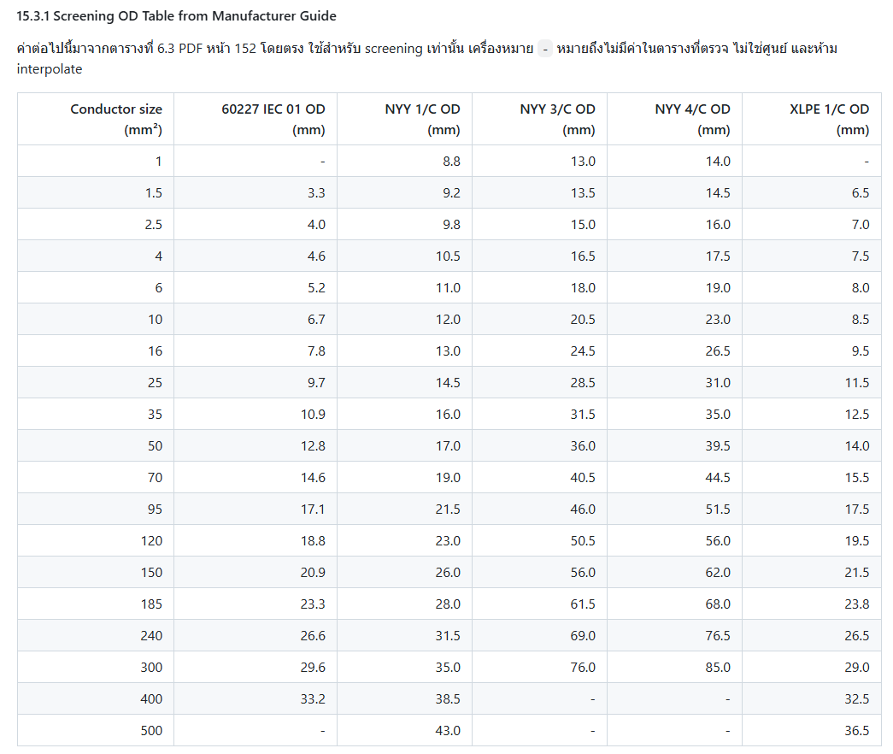

 |  |  |  |  |  |  | AC Cable (THW) - G 240 sq.mm. |  | 26.6
 |  |  |  |  |  |  | AC Cable (THW) - G 185 sq.mm. |  | 23.3
 |  |  |  |  |  |  | AC Cable (THW) - G 120 sq.mm. |  | 18.8
 |  |  |  |  |  |  | AC Cable (THW) - G 95 sq.mm. |  | 17.1
 |  |  |  |  |  |  | AC Cable (THW) - G 70 sq.mm. |  | 14.6
 |  |  |  |  |  |  | AC Cable (THW) - G 50 sq.mm. |  | 12.8
 |  |  |  |  |  |  | AC Cable (THW) - G 35 sq.mm. |  | 10.9
 |  |  |  |  |  |  | AC Cable (THW) - G 25 sq.mm. |  | 9.7
 |  |  |  |  |  |  | AC Cable (THW) - G 16 sq.mm. |  | 7.8
 |  |  |  |  |  |  | AC Cable (THW) - G 10 sq.mm. |  | 6.7
 |  |  |  |  |  |  | AC Cable (THW) - G 6 sq.mm. |  | 5.2

