Thermal Check (เลือกสาย)
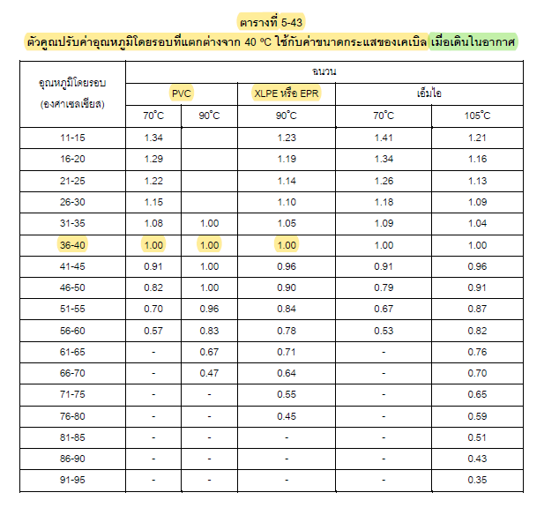
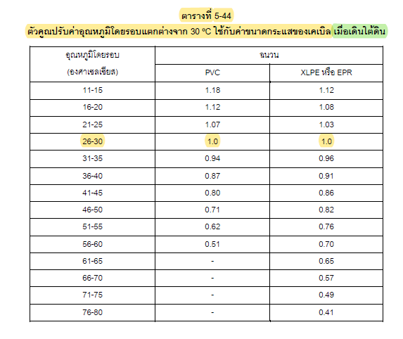
Thermal / Ampacity Check - Separate from Physical Fill
Three simulated examples are populated below. Base ampacity is taken from the local PV cable datasheet working data; factors are explicit inputs and must be replaced by the project installation calculation.
Circuit ID | Cable model / size | Design current (A) | Base ampacity (A) | Ambient factor | Grouping factor | Other factor | Adjusted ampacity (A) | Result | Ampacity table source | Installation method | Remark
CIR-EX-001 | Phelps Dodge H1Z2Z2-K 4 mm² | 17.69 | 55.00 | 0.95 | 0.95 | 1.00 | 49.64 | PASS | Phelps_Dodge_PV_Cable_H1Z2Z2-K_Datasheet.pdf | wireway / ventilated | Example 1; replace with project method
CIR-EX-002 | Phelps Dodge H1Z2Z2-K 6 mm² | 17.69 | 70.00 | 0.95 | 0.90 | 1.00 | 59.85 | PASS | Phelps_Dodge_PV_Cable_H1Z2Z2-K_Datasheet.pdf | wireway / ventilated | Example 2; replace with project method
CIR-EX-003 | Bangkok Cable H1Z2Z2-K 16 mm² | 100.00 | 132.00 | 0.80 | 0.80 | 1.00 | 84.48 | FAIL | Bangkok_Cable_H1Z2Z2-K_PV_Cable_Datasheet.pdf | wireway / ventilated | Example 3 intentionally demonstrates CHECK
CIR-004 |  |  |  |  |  |  |  | REVIEW
CIR-005 |  |  |  |  |  |  |  | REVIEW
CIR-006 |  |  |  |  |  |  |  | REVIEW
CIR-007 |  |  |  |  |  |  |  | REVIEW
CIR-008 |  |  |  |  |  |  |  | REVIEW
CIR-009 |  |  |  |  |  |  |  | REVIEW
CIR-010 |  |  |  |  |  |  |  | REVIEW
CIR-011 |  |  |  |  |  |  |  | REVIEW
CIR-012 |  |  |  |  |  |  |  | REVIEW
CIR-013 |  |  |  |  |  |  |  | REVIEW
CIR-014 |  |  |  |  |  |  |  | REVIEW
CIR-015 |  |  |  |  |  |  |  | REVIEW
CIR-016 |  |  |  |  |  |  |  | REVIEW
CIR-017 |  |  |  |  |  |  |  | REVIEW
CIR-018 |  |  |  |  |  |  |  | REVIEW
CIR-019 |  |  |  |  |  |  |  | REVIEW
CIR-020 |  |  |  |  |  |  |  | REVIEW
 | *ตรวจสอบ Spec. สายไฟว่าเพียงพอหรือไม่

