样本说明
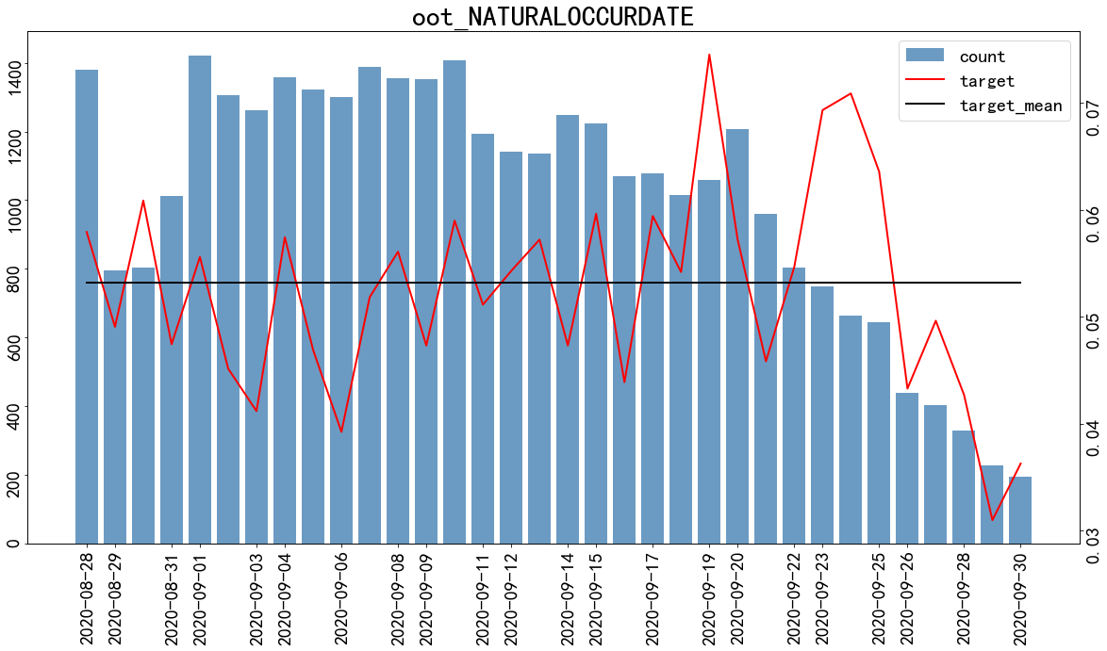
样本说明

按月查看用户逾期情况：

month | target
 | count | sum | mean
2020-02 | 16 | 0 | 0
2020-03 | 1383 | 140 | 0.1012
2020-04 | 5715 | 479 | 0.0838
2020-05 | 11113 | 753 | 0.0678
2020-06 | 15003 | 956 | 0.0637
2020-07 | 39068 | 2161 | 0.0553
2020-08 | 32015 | 1659 | 0.0518
2020-09 | 30258 | 1605 | 0.053

数据集切分

训练集： 申请时间：2020-02-27—2020-08-27，随机采样70%， 样本量：70224，坏用户占比5.91%
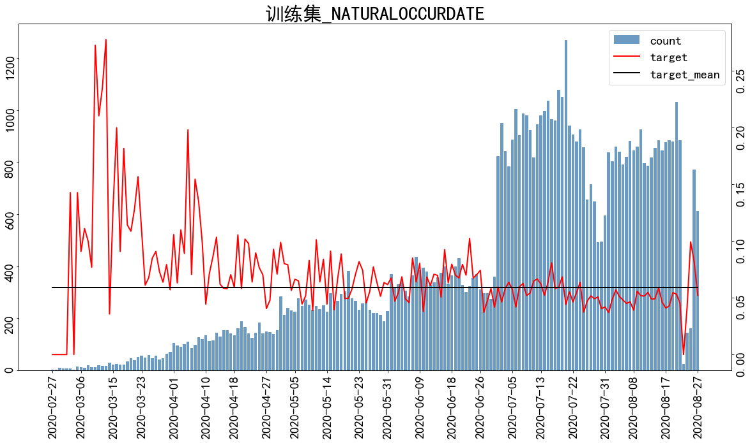

测试集： 申请时间：2020-02-26—2020-08-27，随机采样30%， 样本量：30096，坏用户占比5.91%
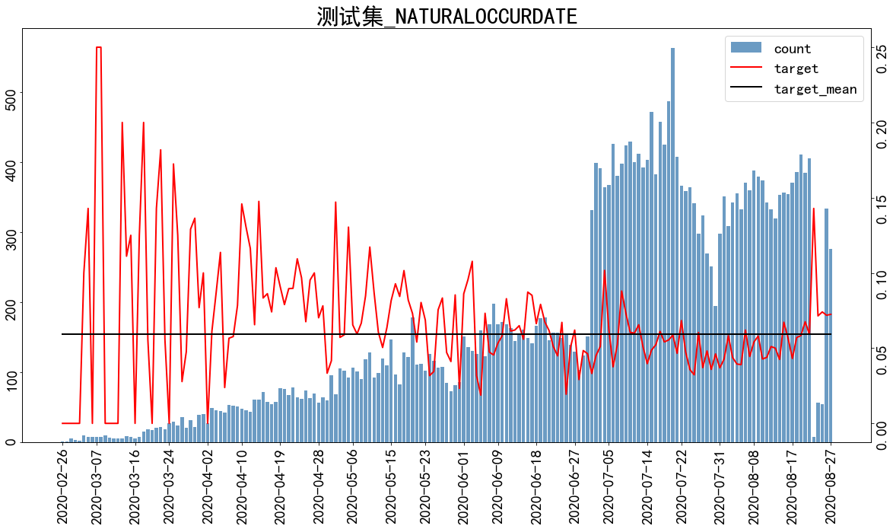

oot： 申请时间：2020-08-28—2020-09-30，全量数据， 样本量：34251，坏用户占比5.319999999999999%

逻辑回归模型
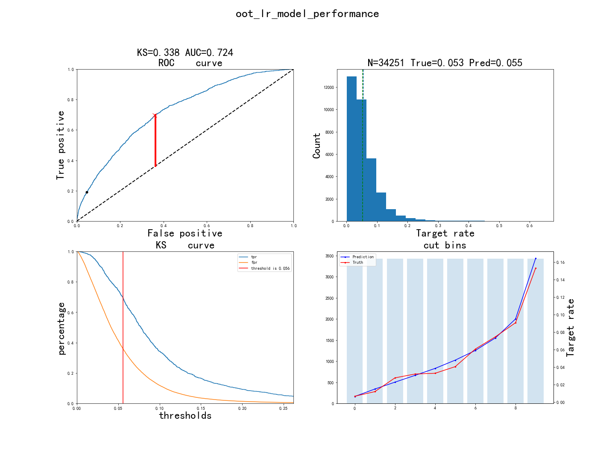
入模特征

1. 特征说明：

特征英文名 | 特征中文名
DENGJI_TS_afwoe | hYoyZqlEeBKIzPptHLWNdFOMuUfDgJrcmjRixGbAwv
JY_BR_JD_ALS_M1_NBANK_ORGNUM_afwoe | hYoyZqlEeBKIzPptHLWNdFOMuUfDgJrcmjRixGbAwv
JY_BR_JD_ALS_M3_AVG_MONNUM_afwoe | hYoyZqlEeBKIzPptHLWNdFOMuUfDgJrcmjRixGbAwv
JY_D1_CASH_EXCEED_CREDIT_AMT_afwoe | hYoyZqlEeBKIzPptHLWNdFOMuUfDgJrcmjRixGbAwv
JY_RISK_GRADE_NUM_afwoe | hYoyZqlEeBKIzPptHLWNdFOMuUfDgJrcmjRixGbAwv
ely_repay_rto_p15repayment_afwoe | hYoyZqlEeBKIzPptHLWNdFOMuUfDgJrcmjRixGbAwv
normal_days_rf_repay_mean_p7d_afwoe | hYoyZqlEeBKIzPptHLWNdFOMuUfDgJrcmjRixGbAwv
normal_days_rf_repay_std_p186d_afwoe | hYoyZqlEeBKIzPptHLWNdFOMuUfDgJrcmjRixGbAwv
normal_repay_amt_rf_due_max_p36d_afwoe | hYoyZqlEeBKIzPptHLWNdFOMuUfDgJrcmjRixGbAwv
ovd_days_rf_due_max_freq_p36d_clipU3 | hYoyZqlEeBKIzPptHLWNdFOMuUfDgJrcmjRixGbAwv
ovd_days_rf_due_sum_p66d_afwoe | hYoyZqlEeBKIzPptHLWNdFOMuUfDgJrcmjRixGbAwv
predictscore_afwoe | hYoyZqlEeBKIzPptHLWNdFOMuUfDgJrcmjRixGbAwv

2. 特征概览：

features | type | size | missing | unique | mean_or_top1 | std_or_top2 | min_or_top3 | 1%_or_top4 | 10%_or_top5 | 50%_or_bottom5 | 75%_or_bottom4 | 90%_or_bottom3 | 99%_or_bottom2 | max_or_bottom1
DENGJI_TS_afwoe | float64 | 70224 | 0.00% | 4 | -0.0273 | 0.2577 | -0.6068 | -0.6068 | -0.6068 | 0.0096 | 0.2169 | 0.2169 | 0.2169 | 0.2169
JY_BR_JD_ALS_M1_NBANK_ORGNUM_afwoe | float64 | 70224 | 0.00% | 6 | -0.0509 | 0.3301 | -0.4553 | -0.4553 | -0.4553 | -0.2347 | 0.0263 | 0.5791 | 0.7353 | 0.7353
JY_BR_JD_ALS_M3_AVG_MONNUM_afwoe | float64 | 70224 | 0.00% | 7 | -0.0858 | 0.4541 | -0.8639 | -0.8639 | -0.8639 | -0.1008 | 0.2942 | 0.5478 | 0.7588 | 0.7588
JY_D1_CASH_EXCEED_CREDIT_AMT_afwoe | float64 | 70224 | 0.00% | 5 | -0.0737 | 0.4393 | -1.0467 | -1.0467 | -1.0467 | 0.128 | 0.128 | 0.3703 | 0.3703 | 0.3703
JY_RISK_GRADE_NUM_afwoe | float64 | 70224 | 0.00% | 7 | -0.1339 | 0.6988 | -3.1982 | -3.1982 | -1.1281 | 0.1777 | 0.1777 | 0.1777 | 0.1777 | 0.1777
ely_repay_rto_p15repayment_afwoe | float64 | 70224 | 0.00% | 4 | -0.0629 | 0.375 | -0.4157 | -0.4157 | -0.4157 | -0.0741 | 0.4406 | 0.4406 | 0.4406 | 0.4406
normal_days_rf_repay_mean_p7d_afwoe | float64 | 70224 | 0.00% | 4 | -0.0569 | 0.4214 | -1.9301 | -1.9301 | -0.0025 | -0.0025 | -0.0025 | 0.3596 | 0.3596 | 0.3596
normal_days_rf_repay_std_p186d_afwoe | float64 | 70224 | 0.00% | 4 | -0.1051 | 0.5196 | -0.9427 | -0.9427 | -0.9427 | -0.0147 | 0.3682 | 0.3682 | 0.3682 | 0.3682
normal_repay_amt_rf_due_max_p36d_afwoe | float64 | 70224 | 0.00% | 6 | -0.0866 | 0.4697 | -1.1383 | -1.1383 | -0.6967 | 0.1103 | 0.1103 | 0.3371 | 0.8201 | 0.8201
ovd_days_rf_due_max_freq_p36d_clipU3 | float64 | 70224 | 0.00% | 4 | 0.0701 | 0.3598 | 0 | 0 | 0 | 0 | 0 | 0 | 2 | 3
ovd_days_rf_due_sum_p66d_afwoe | float64 | 70224 | 0.00% | 5 | -0.0514 | 0.3001 | -0.1367 | -0.1367 | -0.1367 | -0.1367 | -0.1367 | -0.1367 | 1.6867 | 1.6867
predictscore_afwoe | float64 | 70224 | 0.00% | 7 | -0.0793 | 0.4379 | -1.0617 | -1.0617 | -0.6261 | -0.1151 | 0.1768 | 0.4339 | 0.9002 | 0.9002

3. 特征相关性：

features | DENGJI_TS_afwoe | JY_BR_JD_ALS_M1_NBANK_ORGNUM_afwoe | JY_BR_JD_ALS_M3_AVG_MONNUM_afwoe | JY_D1_CASH_EXCEED_CREDIT_AMT_afwoe | JY_RISK_GRADE_NUM_afwoe | ely_repay_rto_p15repayment_afwoe | normal_days_rf_repay_mean_p7d_afwoe | normal_days_rf_repay_std_p186d_afwoe | normal_repay_amt_rf_due_max_p36d_afwoe | ovd_days_rf_due_max_freq_p36d_clipU3 | ovd_days_rf_due_sum_p66d_afwoe | predictscore_afwoe
DENGJI_TS_afwoe | 1 | 0.049 | 0.0989 | 0.1584 | 0.1857 | -0.0091 | 0.0121 | 0.0486 | 0.124 | 0.0041 | 0.0033 | 0.1963
JY_BR_JD_ALS_M1_NBANK_ORGNUM_afwoe | 0.049 | 1 | 0.5683 | 0.0936 | 0.092 | 0.0506 | 0.0071 | 0.062 | 0.0206 | 0.0401 | 0.0383 | 0.0849
JY_BR_JD_ALS_M3_AVG_MONNUM_afwoe | 0.0989 | 0.5683 | 1 | 0.1095 | 0.2252 | 0.022 | -0.0318 | 0.0399 | -0.0349 | 0.0411 | 0.038 | 0.1178
JY_D1_CASH_EXCEED_CREDIT_AMT_afwoe | 0.1584 | 0.0936 | 0.1095 | 1 | 0.3104 | 0.1056 | 0.1903 | 0.2704 | 0.418 | 0.0231 | 0.0201 | 0.1768
JY_RISK_GRADE_NUM_afwoe | 0.1857 | 0.092 | 0.2252 | 0.3104 | 1 | 0.1449 | 0.112 | 0.2887 | 0.1503 | 0.0604 | 0.0741 | 0.1424
ely_repay_rto_p15repayment_afwoe | -0.0091 | 0.0506 | 0.022 | 0.1056 | 0.1449 | 1 | 0.3548 | 0.5659 | 0.2029 | 0.1748 | 0.2041 | -0.0413
normal_days_rf_repay_mean_p7d_afwoe | 0.0121 | 0.0071 | -0.0318 | 0.1903 | 0.112 | 0.3548 | 1 | 0.4498 | 0.2282 | 0.0937 | 0.0899 | 0.0128
normal_days_rf_repay_std_p186d_afwoe | 0.0486 | 0.062 | 0.0399 | 0.2704 | 0.2887 | 0.5659 | 0.4498 | 1 | 0.3782 | 0.0837 | 0.096 | 0.0398
normal_repay_amt_rf_due_max_p36d_afwoe | 0.124 | 0.0206 | -0.0349 | 0.418 | 0.1503 | 0.2029 | 0.2282 | 0.3782 | 1 | 0.1896 | 0.2048 | 0.1315
ovd_days_rf_due_max_freq_p36d_clipU3 | 0.0041 | 0.0401 | 0.0411 | 0.0231 | 0.0604 | 0.1748 | 0.0937 | 0.0837 | 0.1896 | 1 | 0.789 | 0.0176
ovd_days_rf_due_sum_p66d_afwoe | 0.0033 | 0.0383 | 0.038 | 0.0201 | 0.0741 | 0.2041 | 0.0899 | 0.096 | 0.2048 | 0.789 | 1 | 0.0217
predictscore_afwoe | 0.1963 | 0.0849 | 0.1178 | 0.1768 | 0.1424 | -0.0413 | 0.0128 | 0.0398 | 0.1315 | 0.0176 | 0.0217 | 1

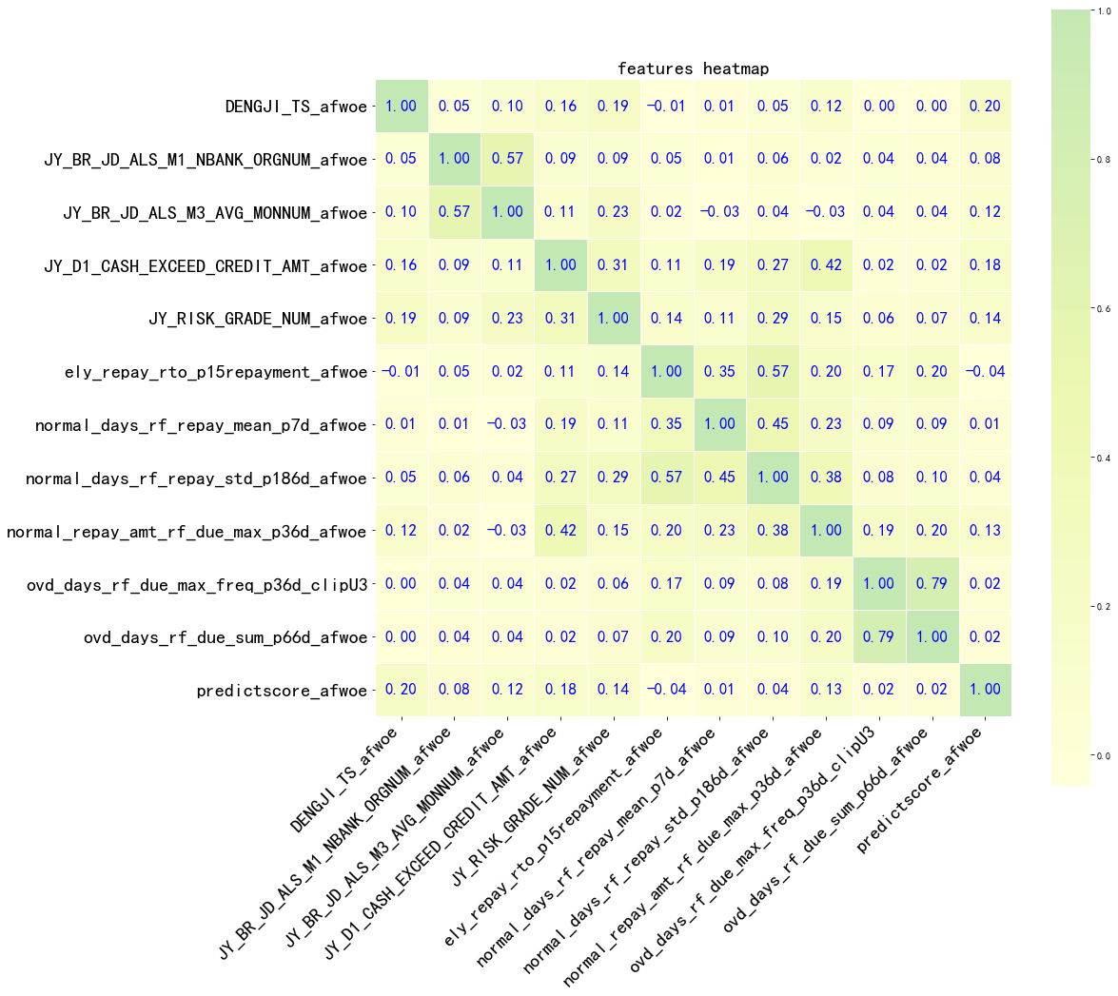

4. 特征效果：

DENGJI | woe | 总样本数 | 坏样本数 | 好样本数 | 坏样本占比 | 好样本占比 | 累计坏样本数 | 累计好样本数 | 累计坏样本占比 | 累计好样本占比 | ks | lift
V1 | -0.6068 | 7486 | 248 | 7238 | 0.0331 | 0.9669 | 248 | 7238 | 0.0597 | 0.1095 | 0.0498 | 0.5602
V2 | -0.2359 | 13467 | 637 | 12830 | 0.0473 | 0.9527 | 885 | 20068 | 0.2131 | 0.3037 | 0.0906 | 0.7998
V3 | 0.0096 | 23577 | 1407 | 22170 | 0.0597 | 0.9403 | 2292 | 42238 | 0.5519 | 0.6393 | 0.0874 | 1.0091
V4 | 0.2169 | 25694 | 1861 | 23833 | 0.0724 | 0.9276 | 4153 | 66071 | 1 | 1 | 0 | 1.2247

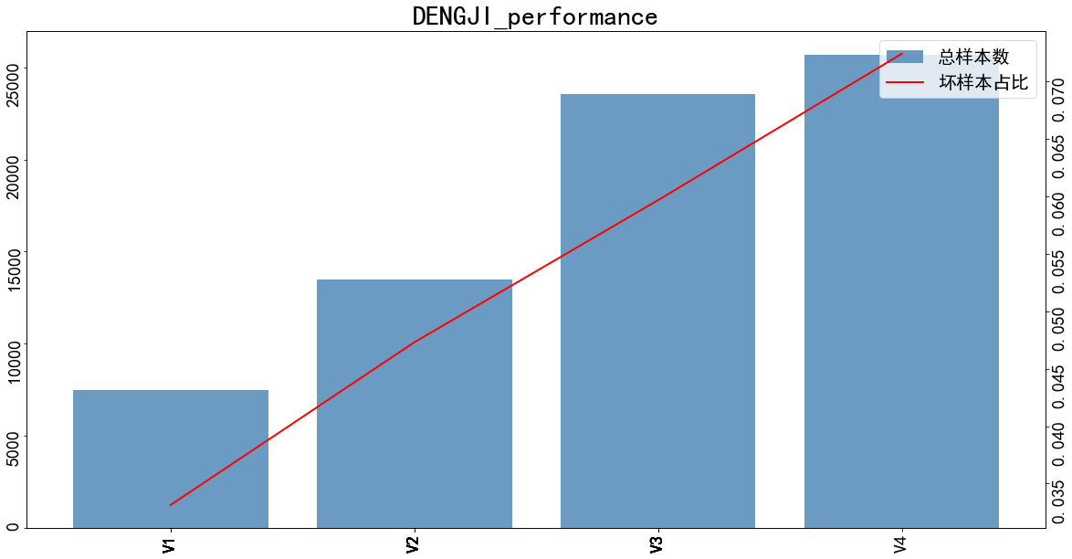

JY_BR_JD_ALS_M1_NBANK_ORGNUM | woe | 总样本数 | 坏样本数 | 好样本数 | 坏样本占比 | 好样本占比 | 累计坏样本数 | 累计好样本数 | 累计坏样本占比 | 累计好样本占比 | ks | lift
(-inf, 0.5] | -0.4553 | 12337 | 473 | 11864 | 0.0383 | 0.9617 | 473 | 11864 | 0.1139 | 0.1796 | 0.0657 | 0.6483
(0.5, 4.5] | -0.2347 | 24031 | 1138 | 22893 | 0.0474 | 0.9526 | 1611 | 34757 | 0.3879 | 0.5261 | 0.1381 | 0.8007
(4.5, 11.5] | 0.0263 | 18871 | 1144 | 17727 | 0.0606 | 0.9394 | 2755 | 52484 | 0.6634 | 0.7944 | 0.131 | 1.0251
(11.5, 16.5] | 0.2844 | 6628 | 511 | 6117 | 0.0771 | 0.9229 | 3266 | 58601 | 0.7864 | 0.8869 | 0.1005 | 1.3037
(16.5, 27.5] | 0.5791 | 5424 | 547 | 4877 | 0.1008 | 0.8992 | 3813 | 63478 | 0.9181 | 0.9608 | 0.0426 | 1.7053
(27.5, inf] | 0.7353 | 2933 | 340 | 2593 | 0.1159 | 0.8841 | 4153 | 66071 | 1 | 1 | 0 | 1.9602

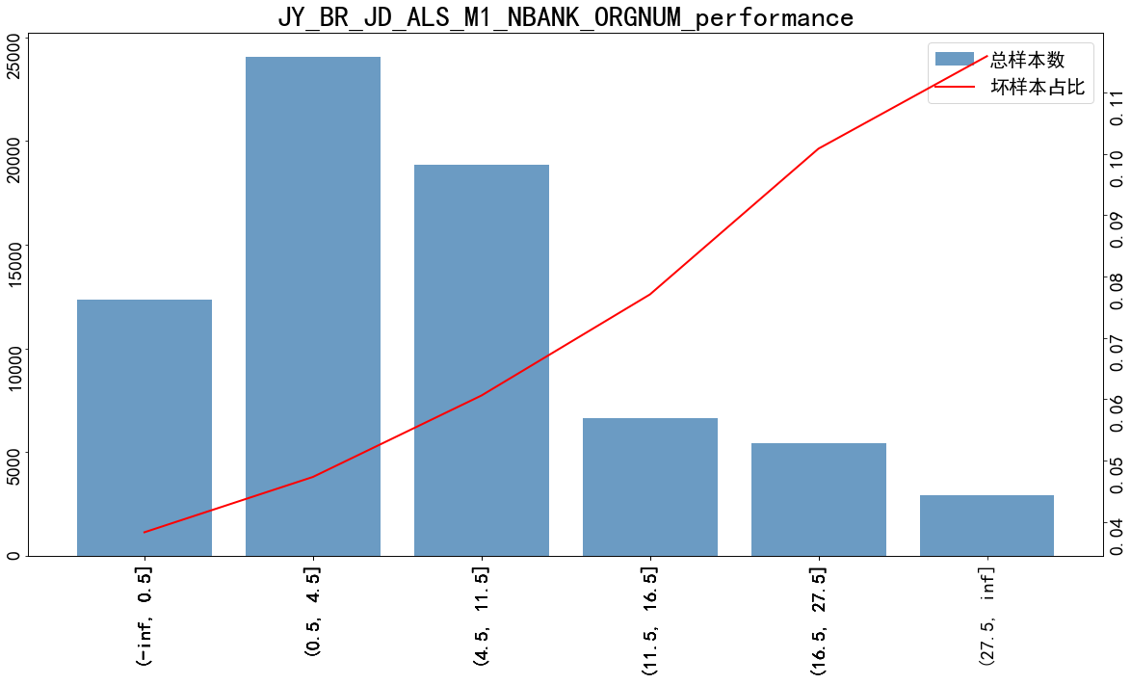

JY_BR_JD_ALS_M3_AVG_MONNUM | woe | 总样本数 | 坏样本数 | 好样本数 | 坏样本占比 | 好样本占比 | 累计坏样本数 | 累计好样本数 | 累计坏样本占比 | 累计好样本占比 | ks | lift
(-inf, 4.5] | -0.8639 | 11584 | 299 | 11285 | 0.0258 | 0.9742 | 299 | 11285 | 0.072 | 0.1708 | 0.0988 | 0.4365
(4.5, 6.5] | -0.4699 | 8994 | 340 | 8654 | 0.0378 | 0.9622 | 639 | 19939 | 0.1539 | 0.3018 | 0.1479 | 0.6392
(6.5, 10.5] | -0.1008 | 16699 | 898 | 15801 | 0.0538 | 0.9462 | 1537 | 35740 | 0.3702 | 0.5409 | 0.1707 | 0.9093
(10.5, 14.5] | 0.1085 | 12646 | 828 | 11818 | 0.0655 | 0.9345 | 2365 | 47558 | 0.5696 | 0.7198 | 0.1502 | 1.1071
(14.5, 20.5] | 0.2942 | 11505 | 894 | 10611 | 0.0778 | 0.9223 | 3259 | 58169 | 0.7849 | 0.8804 | 0.0955 | 1.3154
(20.5, 31.5] | 0.5478 | 7292 | 715 | 6577 | 0.0981 | 0.9019 | 3974 | 64746 | 0.9571 | 0.9799 | 0.0228 | 1.658
(31.5, inf] | 0.7588 | 1504 | 178 | 1326 | 0.1184 | 0.8816 | 4152 | 66072 | 1 | 1 | 0 | 2.0012

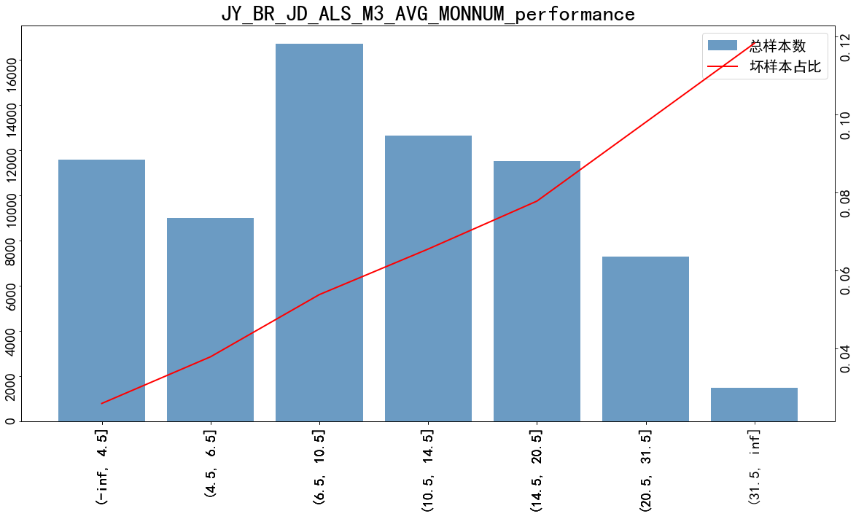

JY_D1_CASH_EXCEED_CREDIT_AMT | woe | 总样本数 | 坏样本数 | 好样本数 | 坏样本占比 | 好样本占比 | 累计坏样本数 | 累计好样本数 | 累计坏样本占比 | 累计好样本占比 | ks | lift
(5900.5, inf] | -1.0467 | 9263 | 200 | 9063 | 0.0216 | 0.9784 | 200 | 9063 | 0.0482 | 0.1372 | 0.089 | 0.3651
(2963.5, 5900.5] | -0.3086 | 12985 | 573 | 12412 | 0.0441 | 0.9559 | 773 | 21475 | 0.1861 | 0.325 | 0.1389 | 0.7462
(1983.5, 2963.5] | -0.0046 | 11497 | 677 | 10820 | 0.0589 | 0.9411 | 1450 | 32295 | 0.3491 | 0.4888 | 0.1396 | 0.9957
(-inf, 1008.5] | 0.128 | 20322 | 1355 | 18967 | 0.0667 | 0.9333 | 2805 | 51262 | 0.6754 | 0.7759 | 0.1004 | 1.1274
(1008.5, 1983.5] | 0.3703 | 16157 | 1348 | 14809 | 0.0834 | 0.9166 | 4153 | 66071 | 1 | 1 | 0 | 1.4108

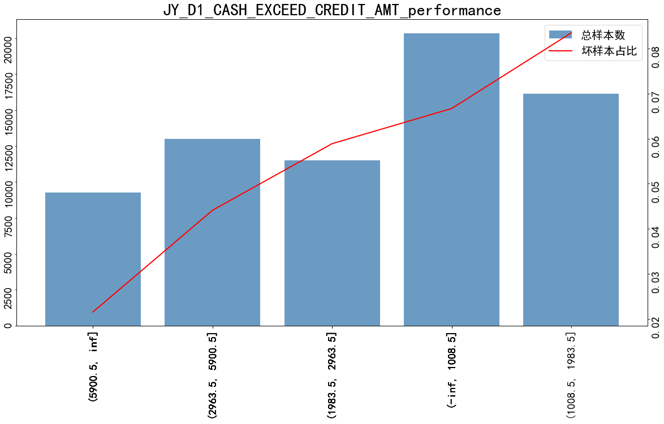

JY_RISK_GRADE_NUM | woe | 总样本数 | 坏样本数 | 好样本数 | 坏样本占比 | 好样本占比 | 累计坏样本数 | 累计好样本数 | 累计坏样本占比 | 累计好样本占比 | ks | lift
(-inf, 2.5] | -3.1982 | 1953 | 5 | 1948 | 0.0026 | 0.9974 | 5 | 1948 | 0.0012 | 0.0295 | 0.0283 | 0.0433
(2.5, 4.5] | -1.7989 | 2137 | 22 | 2115 | 0.0103 | 0.9897 | 27 | 4063 | 0.0065 | 0.0615 | 0.055 | 0.1741
(4.5, 6.5] | -1.1281 | 3260 | 65 | 3195 | 0.0199 | 0.9801 | 92 | 7258 | 0.0222 | 0.1099 | 0.0877 | 0.3371
(6.5, 7.5] | -0.9149 | 2728 | 67 | 2661 | 0.0246 | 0.9754 | 159 | 9919 | 0.0383 | 0.1501 | 0.1118 | 0.4153
(7.5, 8.5] | -0.3391 | 3873 | 166 | 3707 | 0.0429 | 0.9571 | 325 | 13626 | 0.0783 | 0.2062 | 0.128 | 0.7247
(8.5, 9.5] | -0.1806 | 5095 | 254 | 4841 | 0.0499 | 0.9501 | 579 | 18467 | 0.1394 | 0.2795 | 0.1401 | 0.843
(9.5, inf] | 0.1777 | 51178 | 3574 | 47604 | 0.0698 | 0.9302 | 4153 | 66071 | 1 | 1 | 0 | 1.1809

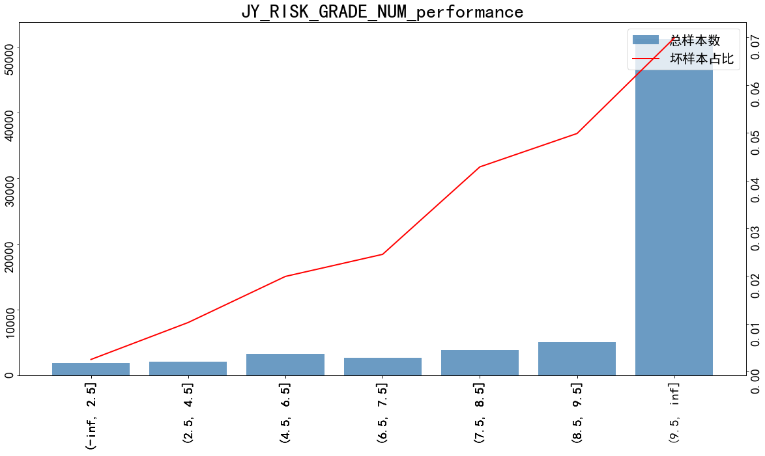

ely_repay_rto_p15repayment | woe | 总样本数 | 坏样本数 | 好样本数 | 坏样本占比 | 好样本占比 | 累计坏样本数 | 累计好样本数 | 累计坏样本占比 | 累计好样本占比 | ks | lift
(0.852, inf] | -0.4157 | 34501 | 1374 | 33127 | 0.0398 | 0.9602 | 1374 | 33127 | 0.3308 | 0.5014 | 0.1705 | 0.6734
(0.592, 0.852] | -0.0741 | 6038 | 333 | 5705 | 0.0552 | 0.9448 | 1707 | 38832 | 0.411 | 0.5877 | 0.1767 | 0.9326
(0.0333, 0.592] | 0.1524 | 9397 | 641 | 8756 | 0.0682 | 0.9318 | 2348 | 47588 | 0.5654 | 0.7203 | 0.1549 | 1.1534
(-inf, 0.0333] | 0.4406 | 20288 | 1805 | 18483 | 0.089 | 0.911 | 4153 | 66071 | 1 | 1 | 0 | 1.5044

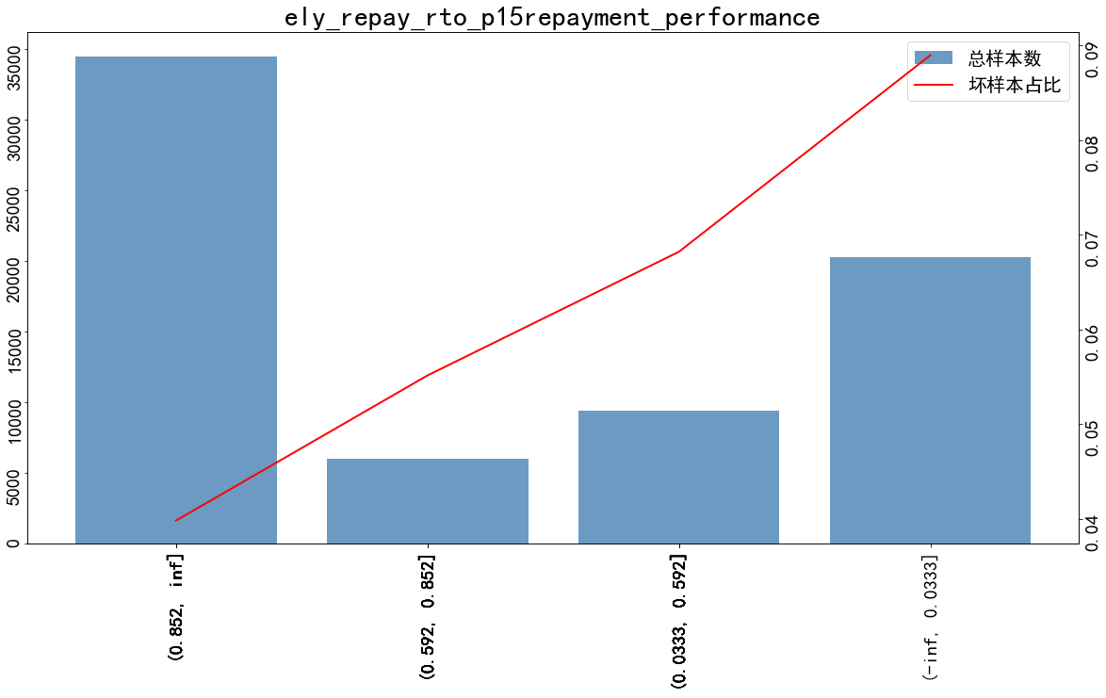

normal_days_rf_repay_mean_p7d | woe | 总样本数 | 坏样本数 | 好样本数 | 坏样本占比 | 好样本占比 | 累计坏样本数 | 累计好样本数 | 累计坏样本占比 | 累计好样本占比 | ks | lift
(183.626, inf] | -1.9301 | 2323 | 21 | 2302 | 0.009 | 0.991 | 21 | 2302 | 0.0051 | 0.0348 | 0.0298 | 0.1529
(24.325, 183.626] | -0.8724 | 3555 | 91 | 3464 | 0.0256 | 0.9744 | 112 | 5766 | 0.027 | 0.0873 | 0.0603 | 0.4328
(0.523, 24.325] | -0.0025 | 53985 | 3185 | 50800 | 0.059 | 0.941 | 3297 | 56566 | 0.7939 | 0.8561 | 0.0623 | 0.9976
(-inf, 0.523] | 0.3596 | 10361 | 856 | 9505 | 0.0826 | 0.9174 | 4153 | 66071 | 1 | 1 | 0 | 1.397

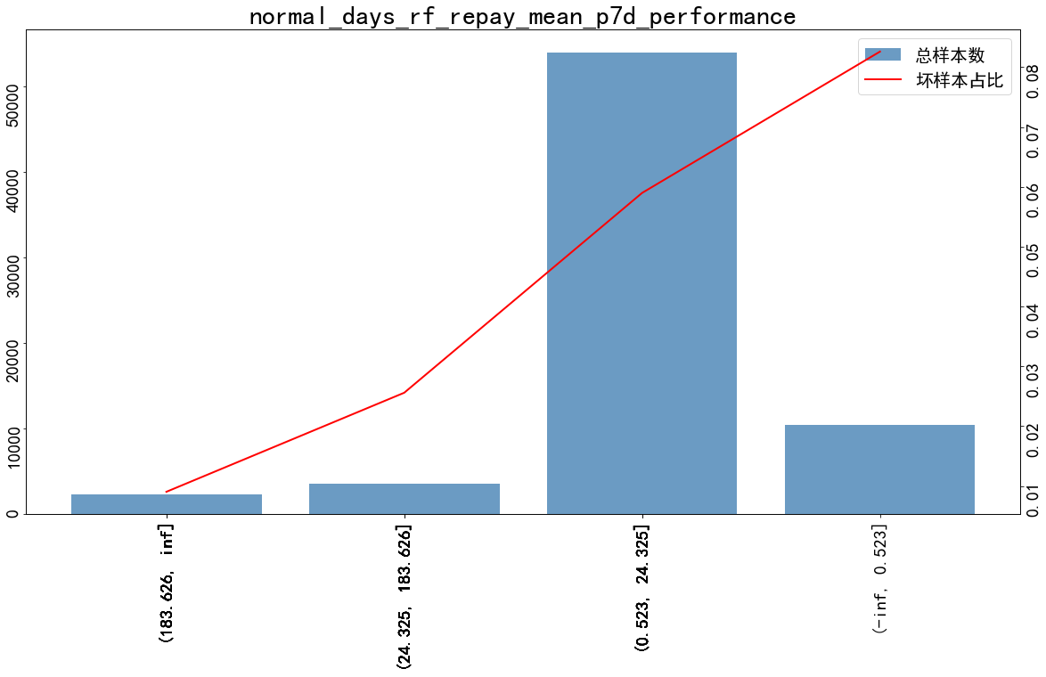

normal_days_rf_repay_std_p186d | woe | 总样本数 | 坏样本数 | 好样本数 | 坏样本占比 | 好样本占比 | 累计坏样本数 | 累计好样本数 | 累计坏样本占比 | 累计好样本占比 | ks | lift
(25.536, 118.6] | -0.9427 | 17948 | 429 | 17519 | 0.0239 | 0.9761 | 429 | 17519 | 0.1033 | 0.2652 | 0.1619 | 0.4042
(118.6, inf] | -0.1252 | 2436 | 128 | 2308 | 0.0525 | 0.9475 | 557 | 19827 | 0.1341 | 0.3001 | 0.166 | 0.8885
(0.068, 25.536] | -0.0147 | 22219 | 1296 | 20923 | 0.0583 | 0.9417 | 1853 | 40750 | 0.4462 | 0.6168 | 0.1706 | 0.9863
(-inf, 0.068] | 0.3682 | 27621 | 2300 | 25321 | 0.0833 | 0.9167 | 4153 | 66071 | 1 | 1 | 0 | 1.408

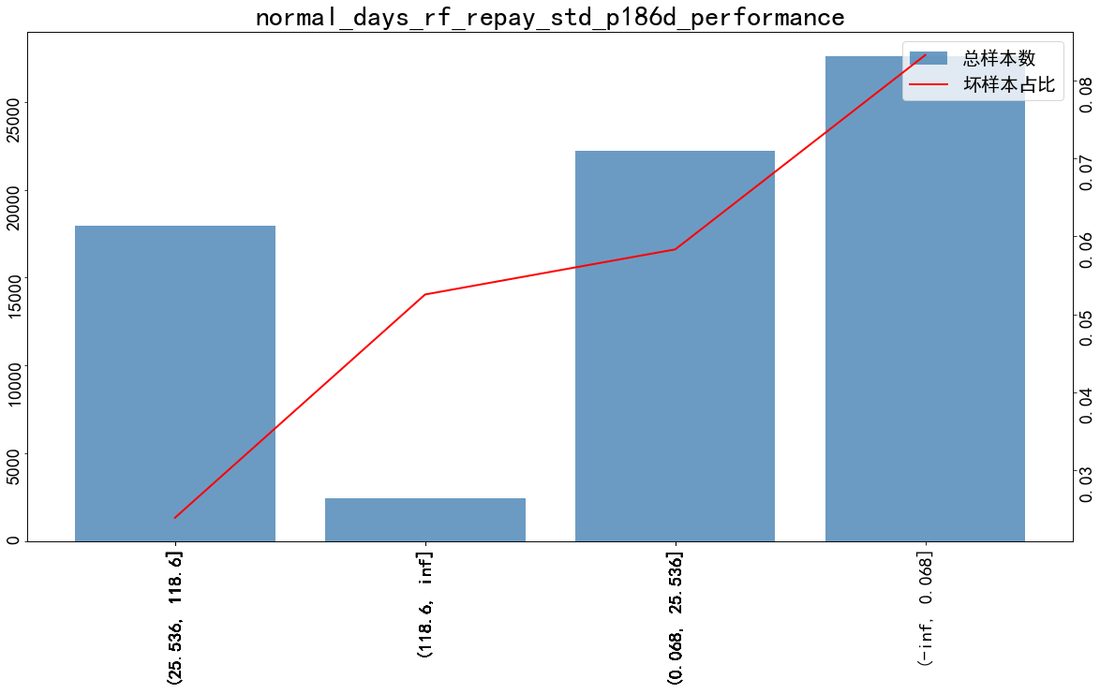

normal_repay_amt_rf_due_max_p36d | woe | 总样本数 | 坏样本数 | 好样本数 | 坏样本占比 | 好样本占比 | 累计坏样本数 | 累计好样本数 | 累计坏样本占比 | 累计好样本占比 | ks | lift
(5703.17, inf] | -1.1383 | 6687 | 132 | 6555 | 0.0197 | 0.9803 | 132 | 6555 | 0.0318 | 0.0992 | 0.0674 | 0.3338
(2600.365, 5703.17] | -0.6967 | 6685 | 203 | 6482 | 0.0304 | 0.9696 | 335 | 13037 | 0.0807 | 0.1973 | 0.1167 | 0.5135
(1428.295, 2600.365] | -0.29 | 10129 | 455 | 9674 | 0.0449 | 0.9551 | 790 | 22711 | 0.1902 | 0.3437 | 0.1535 | 0.7596
(38.65, 1112.805] | 0.1103 | 34872 | 2287 | 32585 | 0.0656 | 0.9344 | 3077 | 55296 | 0.7409 | 0.8369 | 0.096 | 1.109
(1112.805, 1428.295] | 0.3371 | 9193 | 744 | 8449 | 0.0809 | 0.9191 | 3821 | 63745 | 0.9201 | 0.9648 | 0.0447 | 1.3685
(-inf, 38.65] | 0.8201 | 2658 | 332 | 2326 | 0.1249 | 0.8751 | 4153 | 66071 | 1 | 1 | 0 | 2.1121

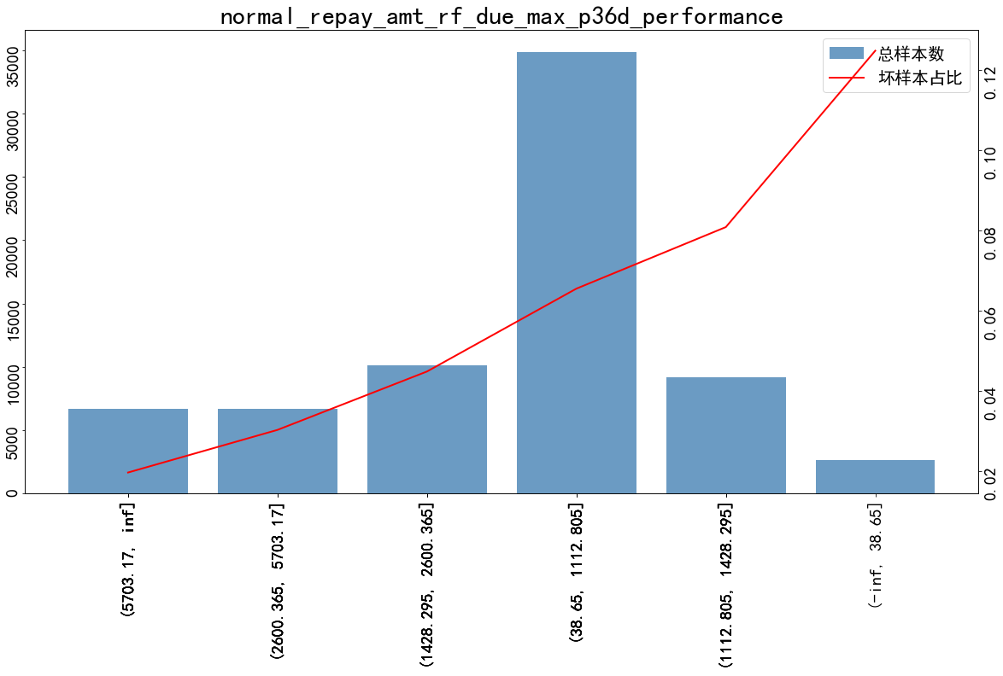

ovd_days_rf_due_max_freq_p36d_clipU3 | 总样本数 | 坏样本数 | 好样本数 | 坏样本占比 | 好样本占比 | 累计坏样本数 | 累计好样本数 | 累计坏样本占比 | 累计好样本占比 | ks | lift
0 | 66961 | 3572 | 63389 | 0.0533 | 0.9467 | 3572 | 63389 | 0.8601 | 0.9594 | 0.0993 | 0.902
1 | 2193 | 320 | 1873 | 0.1459 | 0.8541 | 3892 | 65262 | 0.9372 | 0.9878 | 0.0506 | 2.4674
2 | 477 | 88 | 389 | 0.1845 | 0.8155 | 3980 | 65651 | 0.9583 | 0.9936 | 0.0353 | 3.1195
3 | 593 | 173 | 420 | 0.2917 | 0.7083 | 4153 | 66071 | 1 | 1 | 0 | 4.933

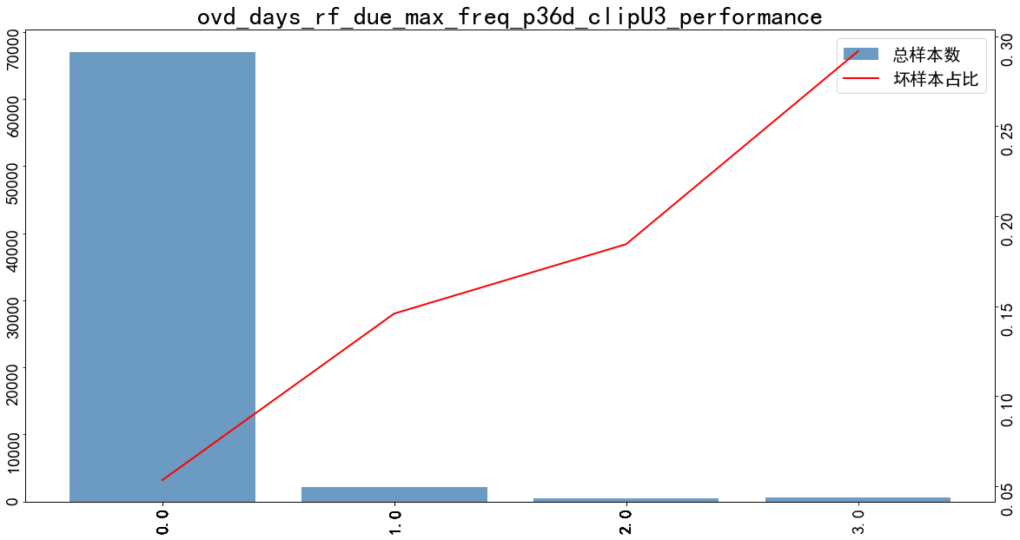

ovd_days_rf_due_sum_p66d | woe | 总样本数 | 坏样本数 | 好样本数 | 坏样本占比 | 好样本占比 | 累计坏样本数 | 累计好样本数 | 累计坏样本占比 | 累计好样本占比 | ks | lift
(-inf, 0.5] | -0.1367 | 63892 | 3321 | 60571 | 0.052 | 0.948 | 3321 | 60571 | 0.7997 | 0.9168 | 0.1171 | 0.8789
nan | 0.3285 | 2055 | 165 | 1890 | 0.0803 | 0.9197 | 3486 | 62461 | 0.8394 | 0.9454 | 0.106 | 1.3577
(0.5, 2.5] | 0.7412 | 1845 | 215 | 1630 | 0.1165 | 0.8835 | 3701 | 64091 | 0.8912 | 0.97 | 0.0789 | 1.9705
(2.5, 8.5] | 1.0885 | 1710 | 269 | 1441 | 0.1573 | 0.8427 | 3970 | 65532 | 0.9559 | 0.9918 | 0.0359 | 2.66
(8.5, inf] | 1.6867 | 722 | 183 | 539 | 0.2535 | 0.7465 | 4153 | 66071 | 1 | 1 | 0 | 4.2859

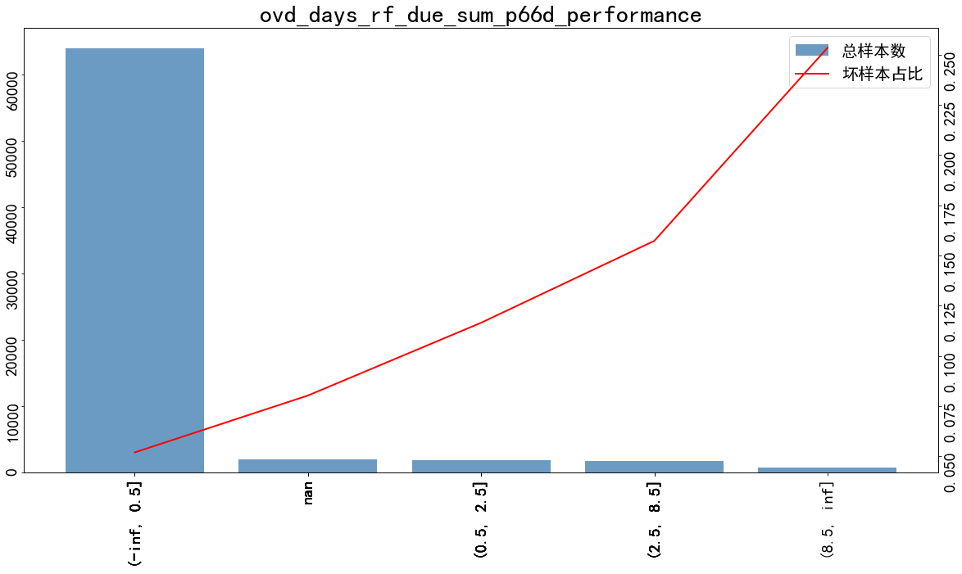

predictscore | woe | 总样本数 | 坏样本数 | 好样本数 | 坏样本占比 | 好样本占比 | 累计坏样本数 | 累计好样本数 | 累计坏样本占比 | 累计好样本占比 | ks | lift
(-inf, 0.0206] | -1.0617 | 4841 | 103 | 4738 | 0.0213 | 0.9787 | 103 | 4738 | 0.0248 | 0.0717 | 0.0469 | 0.3598
(0.0206, 0.0236] | -0.6261 | 5936 | 193 | 5743 | 0.0325 | 0.9675 | 296 | 10481 | 0.0713 | 0.1586 | 0.0874 | 0.5498
(0.0236, 0.0284] | -0.3892 | 12998 | 531 | 12467 | 0.0409 | 0.9591 | 827 | 22948 | 0.1991 | 0.3473 | 0.1482 | 0.6908
(0.0284, 0.0328] | -0.1151 | 13986 | 742 | 13244 | 0.0531 | 0.9469 | 1569 | 36192 | 0.3778 | 0.5478 | 0.17 | 0.8971
(0.0328, 0.0401] | 0.1768 | 18100 | 1263 | 16837 | 0.0698 | 0.9302 | 2832 | 53029 | 0.6819 | 0.8026 | 0.1207 | 1.1799
(0.0401, 0.0616] | 0.4339 | 13243 | 1171 | 12072 | 0.0884 | 0.9116 | 4003 | 65101 | 0.9639 | 0.9853 | 0.0214 | 1.4952
(0.0616, inf] | 0.9002 | 1120 | 150 | 970 | 0.1339 | 0.8661 | 4153 | 66071 | 1 | 1 | 0 | 2.2646

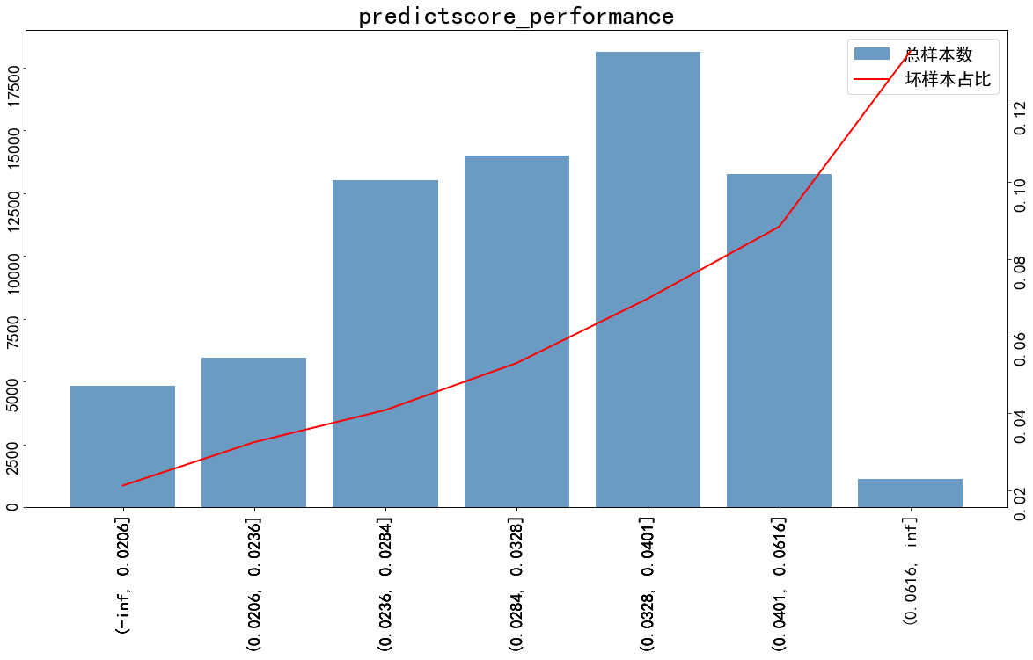

5. 特征重要性：

feature | coef | zscore | pval
DENGJI_TS_afwoe | 0.4405 | 5.946 | 0
JY_BR_JD_ALS_M1_NBANK_ORGNUM_afwoe | 0.3522 | 6.393 | 0
JY_BR_JD_ALS_M3_AVG_MONNUM_afwoe | 0.5855 | 11.778 | 0
JY_D1_CASH_EXCEED_CREDIT_AMT_afwoe | 0.3272 | 6.173 | 0
JY_RISK_GRADE_NUM_afwoe | 0.4696 | 8.787 | 0
ely_repay_rto_p15repayment_afwoe | 0.3732 | 7.061 | 0
normal_days_rf_repay_mean_p7d_afwoe | 0.2497 | 3.821 | 0
normal_days_rf_repay_std_p186d_afwoe | 0.3805 | 7.525 | 0
normal_repay_amt_rf_due_max_p36d_afwoe | 0.3415 | 6.66 | 0
ovd_days_rf_due_max_freq_p36d_clipU3 | 0.234 | 4.739 | 0
ovd_days_rf_due_sum_p66d_afwoe | 0.4115 | 6.059 | 0
predictscore_afwoe | 0.7518 | 17.704 | 0

模型效果

x_train_效果

KS=0.342, AUC=0.732, N=70224
Point closest to [0, 1] is FPR=0.324/TPR=0.660, with threshold=0.064
At threshold=0.059, TPR=0.194 (807 out of 4153), FPR=0.051 (3346 out of 66071)
Ave_target: [0.006549, 0.013386, 0.023216, 0.026912, 0.04258, 0.053404, 0.067189, 0.087025, 0.104259, 0.16688]
Ave_predicted: [0.006579, 0.015846, 0.024213, 0.032866, 0.04174, 0.051847, 0.063622, 0.078523, 0.100887, 0.175275]

pred_lr | 总样本数 | 坏样本数 | 好样本数 | 坏样本占比 | 好样本占比 | 累计坏样本数 | 累计好样本数 | 累计坏样本占比 | 累计好样本占比 | ks | lift
(-inf, 0.0116] | 7024 | 46 | 6978 | 0.0065 | 0.9935 | 46 | 6978 | 0.0111 | 0.1056 | 0.0945 | 0.1107
(0.0116, 0.02] | 7022 | 94 | 6928 | 0.0134 | 0.9866 | 140 | 13906 | 0.0337 | 0.2105 | 0.1768 | 0.2264
(0.02, 0.0286] | 7021 | 163 | 6858 | 0.0232 | 0.9768 | 303 | 20764 | 0.073 | 0.3143 | 0.2413 | 0.3926
(0.0286, 0.0372] | 7023 | 189 | 6834 | 0.0269 | 0.9731 | 492 | 27598 | 0.1185 | 0.4177 | 0.2992 | 0.4551
(0.0372, 0.0465] | 7022 | 299 | 6723 | 0.0426 | 0.9574 | 791 | 34321 | 0.1905 | 0.5195 | 0.329 | 0.72
(0.0465, 0.0574] | 7022 | 375 | 6647 | 0.0534 | 0.9466 | 1166 | 40968 | 0.2808 | 0.6201 | 0.3393 | 0.903
(0.0574, 0.0704] | 7025 | 472 | 6553 | 0.0672 | 0.9328 | 1638 | 47521 | 0.3944 | 0.7192 | 0.3248 | 1.1361
(0.0704, 0.0877] | 7021 | 611 | 6410 | 0.087 | 0.913 | 2249 | 53931 | 0.5415 | 0.8163 | 0.2747 | 1.4715
(0.0877, 0.117] | 7021 | 732 | 6289 | 0.1043 | 0.8957 | 2981 | 60220 | 0.7178 | 0.9114 | 0.1936 | 1.7629
(0.117, inf] | 7023 | 1172 | 5851 | 0.1669 | 0.8331 | 4153 | 66071 | 1 | 1 | 0 | 2.8218

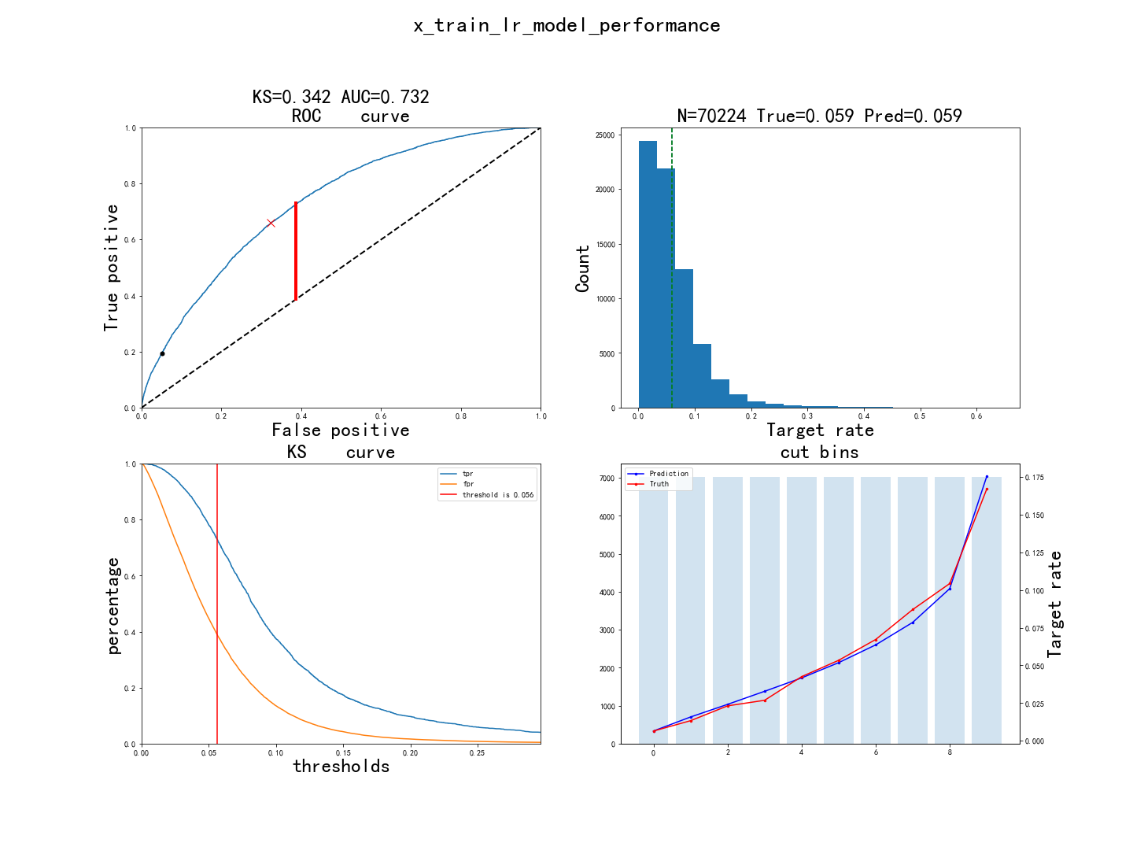

x_test_效果

KS=0.338, AUC=0.735, N=30096
Point closest to [0, 1] is FPR=0.323/TPR=0.660, with threshold=0.065
At threshold=0.059, TPR=0.198 (352 out of 1779), FPR=0.050 (1427 out of 28317)
Ave_target: [0.004651, 0.015947, 0.021602, 0.029568, 0.040545, 0.057807, 0.059488, 0.080066, 0.111259, 0.170213]
Ave_predicted: [0.006862, 0.016258, 0.02479, 0.033171, 0.042003, 0.051998, 0.063912, 0.078814, 0.101293, 0.176171]

pred_lr | 总样本数 | 坏样本数 | 好样本数 | 坏样本占比 | 好样本占比 | 累计坏样本数 | 累计好样本数 | 累计坏样本占比 | 累计好样本占比 | ks | lift
(-inf, 0.0116] | 2911 | 14 | 2897 | 0.0048 | 0.9952 | 14 | 2897 | 0.0079 | 0.1023 | 0.0944 | 0.0814
(0.0116, 0.02] | 2927 | 46 | 2881 | 0.0157 | 0.9843 | 60 | 5778 | 0.0337 | 0.204 | 0.1703 | 0.2659
(0.02, 0.0286] | 3043 | 65 | 2978 | 0.0214 | 0.9786 | 125 | 8756 | 0.0703 | 0.3092 | 0.2389 | 0.3614
(0.0286, 0.0372] | 3114 | 90 | 3024 | 0.0289 | 0.9711 | 215 | 11780 | 0.1209 | 0.416 | 0.2952 | 0.4889
(0.0372, 0.0465] | 2983 | 119 | 2864 | 0.0399 | 0.9601 | 334 | 14644 | 0.1877 | 0.5171 | 0.3294 | 0.6749
(0.0465, 0.0574] | 3044 | 176 | 2868 | 0.0578 | 0.9422 | 510 | 17512 | 0.2867 | 0.6184 | 0.3317 | 0.9781
(0.0574, 0.0704] | 2981 | 178 | 2803 | 0.0597 | 0.9403 | 688 | 20315 | 0.3867 | 0.7174 | 0.3307 | 1.0102
(0.0704, 0.0877] | 3029 | 239 | 2790 | 0.0789 | 0.9211 | 927 | 23105 | 0.5211 | 0.8159 | 0.2949 | 1.3348
(0.0877, 0.117] | 3015 | 333 | 2682 | 0.1104 | 0.8896 | 1260 | 25787 | 0.7083 | 0.9107 | 0.2024 | 1.8685
(0.117, inf] | 3049 | 519 | 2530 | 0.1702 | 0.8298 | 1779 | 28317 | 1 | 1 | 0 | 2.8797

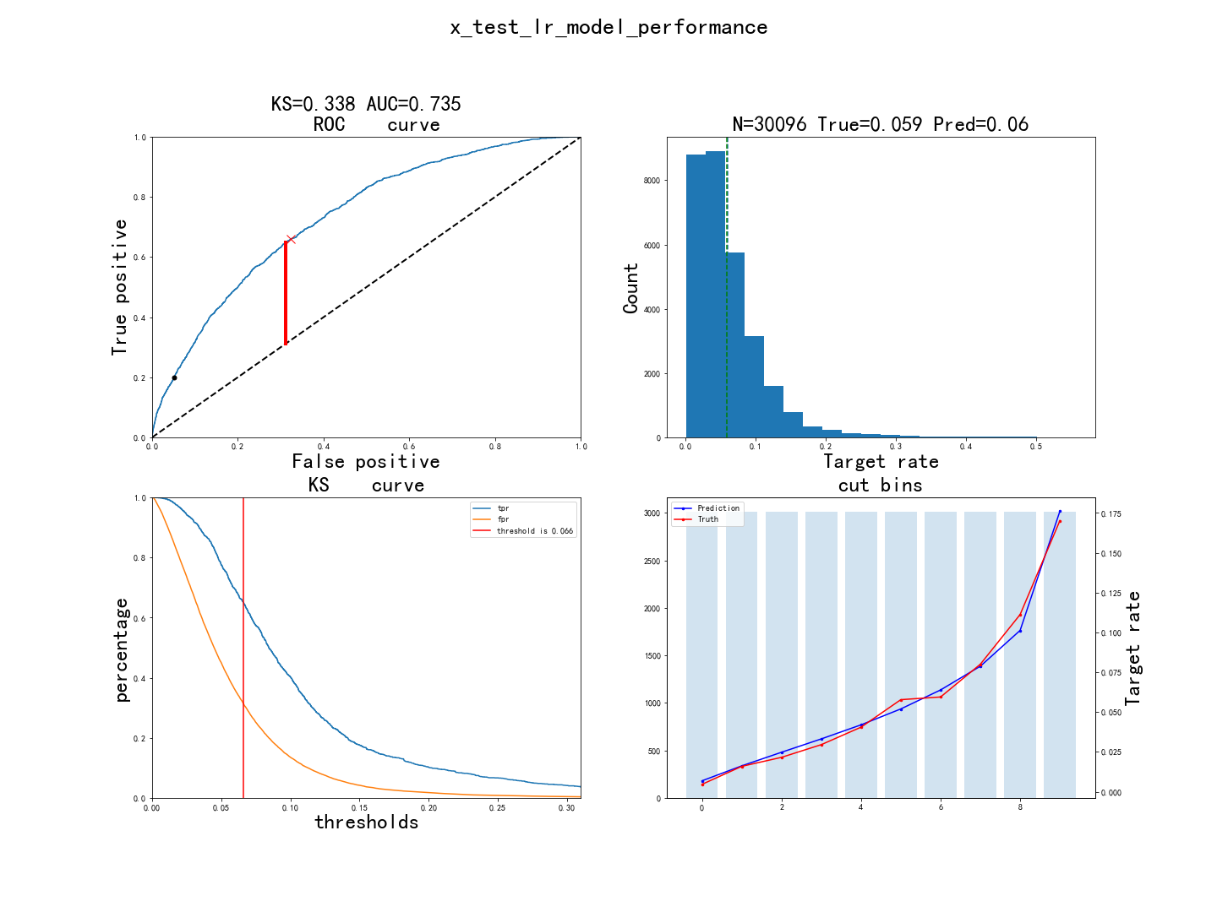

oot_效果

KS=0.338, AUC=0.724, N=34251
Point closest to [0, 1] is FPR=0.358/TPR=0.695, with threshold=0.056
At threshold=0.053, TPR=0.192 (350 out of 1821), FPR=0.045 (1471 out of 32430)
Ave_target: [0.006711, 0.011974, 0.027729, 0.032126, 0.032993, 0.040584, 0.06073, 0.074745, 0.090803, 0.153285]
Ave_predicted: [0.006439, 0.014949, 0.022811, 0.030577, 0.038575, 0.048031, 0.059101, 0.073424, 0.095102, 0.164467]

pred_lr | 总样本数 | 坏样本数 | 好样本数 | 坏样本占比 | 好样本占比 | 累计坏样本数 | 累计好样本数 | 累计坏样本占比 | 累计好样本占比 | ks | lift
(-inf, 0.0116] | 3701 | 25 | 3676 | 0.0068 | 0.9932 | 25 | 3676 | 0.0137 | 0.1134 | 0.0996 | 0.1271
(0.0116, 0.02] | 3607 | 51 | 3556 | 0.0141 | 0.9859 | 76 | 7232 | 0.0417 | 0.223 | 0.1813 | 0.2659
(0.02, 0.0286] | 3835 | 105 | 3730 | 0.0274 | 0.9726 | 181 | 10962 | 0.0994 | 0.338 | 0.2386 | 0.515
(0.0286, 0.0372] | 3701 | 124 | 3577 | 0.0335 | 0.9665 | 305 | 14539 | 0.1675 | 0.4483 | 0.2808 | 0.6302
(0.0372, 0.0465] | 3508 | 118 | 3390 | 0.0336 | 0.9664 | 423 | 17929 | 0.2323 | 0.5529 | 0.3206 | 0.6327
(0.0465, 0.0574] | 3457 | 171 | 3286 | 0.0495 | 0.9505 | 594 | 21215 | 0.3262 | 0.6542 | 0.328 | 0.9304
(0.0574, 0.0704] | 3294 | 203 | 3091 | 0.0616 | 0.9384 | 797 | 24306 | 0.4377 | 0.7495 | 0.3118 | 1.1591
(0.0704, 0.0877] | 3128 | 255 | 2873 | 0.0815 | 0.9185 | 1052 | 27179 | 0.5777 | 0.8381 | 0.2604 | 1.5333
(0.0877, 0.117] | 3108 | 300 | 2808 | 0.0965 | 0.9035 | 1352 | 29987 | 0.7424 | 0.9247 | 0.1822 | 1.8155
(0.117, inf] | 2912 | 469 | 2443 | 0.1611 | 0.8389 | 1821 | 32430 | 1 | 1 | 0 | 3.0293

xgboost模型

入模特征

1. 特征说明：

特征英文名 | 特征中文名
ovd_gt0_repay_amt_rf_repay_min_p36d | pzWbViwjekLdxCFQqgXcDyAmBhsPTvfouIZMlKRHJO
ovd_gt0_repay_oid_cnt_rf_repay_p66d | pzWbViwjekLdxCFQqgXcDyAmBhsPTvfouIZMlKRHJO
normal_repay_rto_rf_repay_p36d | pzWbViwjekLdxCFQqgXcDyAmBhsPTvfouIZMlKRHJO
ovd_gt0_repay_amt_rf_repay_sum_p36d | pzWbViwjekLdxCFQqgXcDyAmBhsPTvfouIZMlKRHJO
ely_gt0_repay_amt_rf_repay_max_p186d | pzWbViwjekLdxCFQqgXcDyAmBhsPTvfouIZMlKRHJO
normal_repay_amt_rf_repay_sum_p36d | pzWbViwjekLdxCFQqgXcDyAmBhsPTvfouIZMlKRHJO
normal_repay_amt_rf_due_max_p36d_afwoe | pzWbViwjekLdxCFQqgXcDyAmBhsPTvfouIZMlKRHJO
normal_days_rf_repay_mean_p36d | pzWbViwjekLdxCFQqgXcDyAmBhsPTvfouIZMlKRHJO
ely_gt1_repay_amt_rf_repay_sum_p66d_afwoe | pzWbViwjekLdxCFQqgXcDyAmBhsPTvfouIZMlKRHJO
normal_days_rf_repay_std_p186d | pzWbViwjekLdxCFQqgXcDyAmBhsPTvfouIZMlKRHJO
ely_gt3_repay_rto_rf_repay_p186d | pzWbViwjekLdxCFQqgXcDyAmBhsPTvfouIZMlKRHJO
ely_gt0_repay_amt_rf_due_mean_p186d | pzWbViwjekLdxCFQqgXcDyAmBhsPTvfouIZMlKRHJO
JY_D1_CASH_EXCEED_CREDIT_AMT | pzWbViwjekLdxCFQqgXcDyAmBhsPTvfouIZMlKRHJO
normal_days_rf_repay_sum_p36d_afwoe | pzWbViwjekLdxCFQqgXcDyAmBhsPTvfouIZMlKRHJO
ely_gt14_repay_oid_rto_rf_repay_p186d | pzWbViwjekLdxCFQqgXcDyAmBhsPTvfouIZMlKRHJO
ovd_days_rf_repay_min_p186d_afwoe | pzWbViwjekLdxCFQqgXcDyAmBhsPTvfouIZMlKRHJO
ely_gt0_repay_amt_rf_repay_rto_p186d | pzWbViwjekLdxCFQqgXcDyAmBhsPTvfouIZMlKRHJO
ord_succ_amt_min_p7d | pzWbViwjekLdxCFQqgXcDyAmBhsPTvfouIZMlKRHJO
JY_BR_JD_ALS_M1_NBANK_ORGNUM | pzWbViwjekLdxCFQqgXcDyAmBhsPTvfouIZMlKRHJO
DENGJI_TS | pzWbViwjekLdxCFQqgXcDyAmBhsPTvfouIZMlKRHJO
repay_amt_in_table_rf_repay_max_p36d | pzWbViwjekLdxCFQqgXcDyAmBhsPTvfouIZMlKRHJO
normal_repay_amt_rf_repay_sum_p96d_afwoe | pzWbViwjekLdxCFQqgXcDyAmBhsPTvfouIZMlKRHJO
province_CatBoostEncoder | pzWbViwjekLdxCFQqgXcDyAmBhsPTvfouIZMlKRHJO
JY_RISK_GRADE_NUM | pzWbViwjekLdxCFQqgXcDyAmBhsPTvfouIZMlKRHJO
JY_BR_JD_ALS_M3_AVG_MONNUM | pzWbViwjekLdxCFQqgXcDyAmBhsPTvfouIZMlKRHJO
ord_succ_amt_sum_p186d | pzWbViwjekLdxCFQqgXcDyAmBhsPTvfouIZMlKRHJO
predictscore | pzWbViwjekLdxCFQqgXcDyAmBhsPTvfouIZMlKRHJO

2. 特征概览：

features | type | size | missing | unique | mean_or_top1 | std_or_top2 | min_or_top3 | 1%_or_top4 | 10%_or_top5 | 50%_or_bottom5 | 75%_or_bottom4 | 90%_or_bottom3 | 99%_or_bottom2 | max_or_bottom1
ovd_gt0_repay_amt_rf_repay_min_p36d | float64 | 70224 | 4.61% | 2349 | 44.356 | 352.0313 | 0 | 0 | 0 | 0 | 0 | 0 | 1340.1406 | 10055.14
ovd_gt0_repay_oid_cnt_rf_repay_p66d | float64 | 70224 | 2.33% | 20 | 0.1814 | 0.9662 | 0 | 0 | 0 | 0 | 0 | 0 | 5 | 20
normal_repay_rto_rf_repay_p36d | float64 | 70224 | 4.61% | 166 | 0.9666 | 0.1644 | 0 | 0 | 1 | 1 | 1 | 1 | 1 | 1
ovd_gt0_repay_amt_rf_repay_sum_p36d | float64 | 70224 | 0.00% | 2543 | 105.2442 | 674.0855 | 0 | 0 | 0 | 0 | 0 | 0 | 3097.2 | 21923.31
ely_gt0_repay_amt_rf_repay_max_p186d | float64 | 70224 | 0.00% | 16585 | 2793.5812 | 5055.665 | 0 | 0 | 0 | 777.04 | 2448 | 10000 | 22500 | 36000
normal_repay_amt_rf_repay_sum_p36d | float64 | 70224 | 4.61% | 46526 | 5429.0352 | 11749.263 | 0 | 0 | 511.724 | 1866.715 | 4591.65 | 13356.37 | 54000 | 260800
normal_repay_amt_rf_due_max_p36d_afwoe | float64 | 70224 | 0.00% | 6 | -0.0866 | 0.4697 | -1.1383 | -1.1383 | -0.6967 | 0.1103 | 0.1103 | 0.3371 | 0.8201 | 0.8201
normal_days_rf_repay_mean_p36d | float64 | 70224 | 4.61% | 8531 | 28.898 | 59.4703 | 0 | 0 | 0 | 1 | 7 | 156.5794 | 200.4616 | 217.4167
ely_gt1_repay_amt_rf_repay_sum_p66d_afwoe | float64 | 70224 | 0.00% | 6 | -0.1261 | 0.6217 | -2.4084 | -2.4084 | -1.0905 | 0.0976 | 0.288 | 0.288 | 0.288 | 0.288
normal_days_rf_repay_std_p186d | float64 | 70224 | 0.00% | 18747 | 27.3179 | 44.9398 | -1 | -1 | 0 | 0.8771 | 34.9403 | 109.3156 | 126.0843 | 137.7362
ely_gt3_repay_rto_rf_repay_p186d | float64 | 70224 | 1.57% | 1664 | 0.4115 | 0.4344 | 0 | 0 | 0 | 0.25 | 0.9333 | 1 | 1 | 1
ely_gt0_repay_amt_rf_due_mean_p186d | float64 | 70224 | 0.00% | 27864 | 1186.1119 | 2587.6755 | 0 | 0 | 0 | 344.9203 | 1085.6225 | 3000 | 13500 | 35000
JY_D1_CASH_EXCEED_CREDIT_AMT | int64 | 70224 | 0.00% | 5645 | 3178.9628 | 3973.7378 | 500 | 500 | 533 | 1800 | 3500 | 7000 | 20000 | 40000
normal_days_rf_repay_sum_p36d_afwoe | float64 | 70224 | 0.00% | 4 | -0.0946 | 0.4994 | -1.0374 | -1.0374 | -1.0374 | -0.1077 | 0.3457 | 0.3457 | 0.3457 | 0.3457
ely_gt14_repay_oid_rto_rf_repay_p186d | float64 | 70224 | 1.57% | 313 | 0.2181 | 0.3689 | 0 | 0 | 0 | 0 | 0.3333 | 1 | 1 | 1
ovd_days_rf_repay_min_p186d_afwoe | float64 | 70224 | 0.00% | 4 | -0.0486 | 0.2962 | -0.1367 | -0.1367 | -0.1367 | -0.1367 | -0.1367 | -0.1367 | 1.371 | 1.371
ely_gt0_repay_amt_rf_repay_rto_p186d | float64 | 70224 | 0.00% | 17331 | 0.5927 | 0.43 | 0 | 0 | 0 | 0.763 | 1 | 1 | 1 | 1
ord_succ_amt_min_p7d | float64 | 70224 | 71.93% | 1272 | 1947.2139 | 2915.3866 | 0 | 0 | 500 | 1000 | 2000 | 4523.7 | 17000 | 35000
JY_BR_JD_ALS_M1_NBANK_ORGNUM | int64 | 70224 | 0.00% | 77 | 7.4401 | 8.7331 | 0 | 0 | 0 | 4 | 10 | 18 | 41 | 88
DENGJI_TS | float64 | 70224 | 0.00% | 4 | 0.0591 | 0.0128 | 0.0331 | 0.0331 | 0.0331 | 0.0597 | 0.0724 | 0.0724 | 0.0724 | 0.0724
repay_amt_in_table_rf_repay_max_p36d | float64 | 70224 | 4.61% | 26126 | 2352.1039 | 3857.3692 | 0 | 78.47 | 239.01 | 1022.465 | 2000 | 5885.81 | 20000 | 35000
normal_repay_amt_rf_repay_sum_p96d_afwoe | float64 | 70224 | 0.00% | 6 | -0.1297 | 0.5956 | -1.578 | -1.578 | -0.6894 | 0.172 | 0.3574 | 0.3574 | 0.8922 | 0.8922
province_CatBoostEncoder | float64 | 70224 | 0.00% | 32 | 0.0591 | 0.0118 | 0.002 | 0.0349 | 0.0448 | 0.0597 | 0.0666 | 0.0752 | 0.0863 | 0.0997
JY_RISK_GRADE_NUM | float64 | 70224 | 0.00% | 11 | 9.0735 | 1.9977 | 1 | 1 | 6 | 10 | 10 | 10 | 11 | 11
JY_BR_JD_ALS_M3_AVG_MONNUM | int64 | 70224 | 0.00% | 69 | 11.8552 | 7.6501 | 0 | 2 | 4 | 10 | 16 | 22 | 36 | 82
ord_succ_amt_sum_p186d | float64 | 70224 | 0.03% | 15404 | 23996.2351 | 26055.711 | 500 | 3187 | 10000 | 18338 | 24900 | 39500 | 131500 | 660000
predictscore | float64 | 70224 | 0.00% | 50966 | 0.0333 | 0.01 | 0 | 0.0177 | 0.0219 | 0.032 | 0.0384 | 0.0461 | 0.0656 | 0.1143

3. 特征重要性：

features | weight | gain | cover | total_gain | total_cover | shap_importance
ovd_gt0_repay_amt_rf_repay_sum_p36d | 23 | 71.2321 | 6865.645 | 1638.3374 | 157909.8345 | 0.0325
normal_repay_amt_rf_repay_sum_p96d_afwoe | 37 | 53.8371 | 5656.4533 | 1991.9718 | 209288.771 | 0.114
ely_gt14_repay_oid_rto_rf_repay_p186d | 29 | 44.2503 | 4273.4076 | 1283.2588 | 123928.8202 | 0.0751
JY_BR_JD_ALS_M3_AVG_MONNUM | 131 | 31.714 | 2443.6768 | 4154.5355 | 320121.6562 | 0.1898
JY_RISK_GRADE_NUM | 78 | 29.584 | 2560.1412 | 2307.5515 | 199691.01 | 0.1363
repay_amt_in_table_rf_repay_max_p36d | 83 | 13.7208 | 1235.6961 | 1138.828 | 102562.7737 | 0.0497
predictscore | 164 | 26.1823 | 2346.8601 | 4293.8913 | 384885.0597 | 0.2513
ovd_days_rf_repay_min_p186d_afwoe | 56 | 15.5164 | 1189.6664 | 868.9182 | 66621.319 | 0.0343
normal_repay_rto_rf_repay_p36d | 17 | 73.2404 | 7569.1747 | 1245.0866 | 128675.9691 | 0.0225
JY_D1_CASH_EXCEED_CREDIT_AMT | 32 | 19.5139 | 1343.7804 | 624.4444 | 43000.9722 | 0.0456
ely_gt0_repay_amt_rf_repay_max_p186d | 36 | 31.4053 | 3281.8419 | 1130.5921 | 118146.3083 | 0.0472
ord_succ_amt_min_p7d | 30 | 12.7789 | 1211.1988 | 383.3683 | 36335.9634 | 0.0265
normal_days_rf_repay_std_p186d | 28 | 13.3505 | 1271.7573 | 373.8147 | 35609.2042 | 0.0216
ely_gt3_repay_rto_rf_repay_p186d | 31 | 12.0385 | 1256.6879 | 373.1932 | 38957.3261 | 0.0306
JY_BR_JD_ALS_M1_NBANK_ORGNUM | 64 | 20.3249 | 1645.6609 | 1300.7917 | 105322.2953 | 0.0772
ely_gt0_repay_amt_rf_repay_rto_p186d | 40 | 18.7356 | 1405.0876 | 749.4227 | 56203.5054 | 0.0553
ord_succ_amt_sum_p186d | 90 | 16.8377 | 1865.013 | 1515.3931 | 167851.1673 | 0.1166
ovd_gt0_repay_oid_cnt_rf_repay_p66d | 20 | 21.4219 | 1698.8631 | 428.4373 | 33977.2611 | 0.0208
province_CatBoostEncoder | 89 | 18.8773 | 1528.9259 | 1680.0809 | 136074.4037 | 0.14
normal_days_rf_repay_sum_p36d_afwoe | 16 | 35.6387 | 2542.0145 | 570.2189 | 40672.2319 | 0.0606
ely_gt1_repay_amt_rf_repay_sum_p66d_afwoe | 19 | 40.1318 | 3368.6509 | 762.5036 | 64004.3671 | 0.0527
ovd_gt0_repay_amt_rf_repay_min_p36d | 11 | 20.3834 | 1571.69 | 224.2171 | 17288.5896 | 0.0075
normal_days_rf_repay_mean_p36d | 23 | 20.2045 | 1481.2118 | 464.7034 | 34067.871 | 0.0269
ely_gt0_repay_amt_rf_due_mean_p186d | 45 | 12.7992 | 1005.9206 | 575.9624 | 45266.4254 | 0.0484
normal_repay_amt_rf_due_max_p36d_afwoe | 16 | 31.2612 | 1935.5535 | 500.1797 | 30968.8556 | 0.0353
normal_repay_amt_rf_repay_sum_p36d | 33 | 12.1701 | 951.4637 | 401.6123 | 31398.3029 | 0.0187
DENGJI_TS | 34 | 15.7008 | 2182.1806 | 533.8286 | 74194.1408 | 0.0665

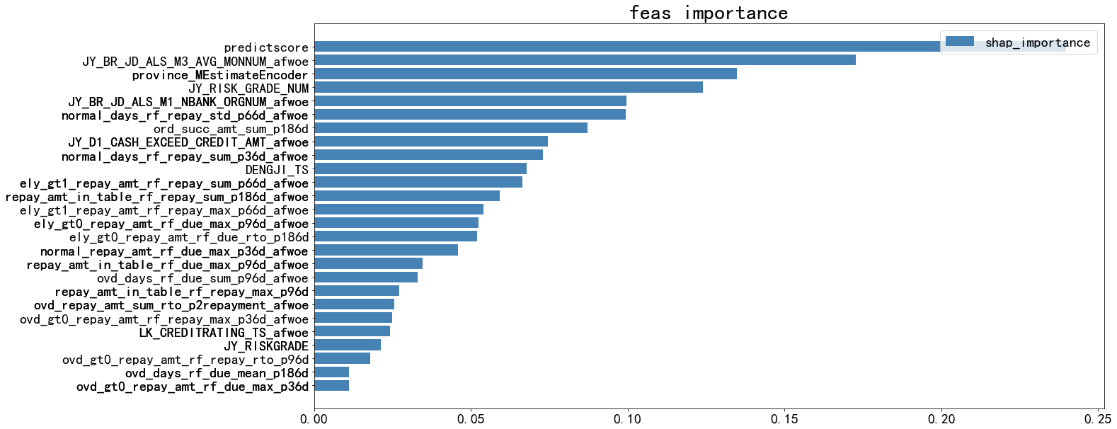

模型效果

x_train_效果

KS=0.398, AUC=0.768, N=70224
Point closest to [0, 1] is FPR=0.315/TPR=0.707, with threshold=0.066
At threshold=0.059, TPR=0.235 (975 out of 4153), FPR=0.048 (3176 out of 66071)
Ave_target: [0.002278, 0.008545, 0.015523, 0.023779, 0.035887, 0.048846, 0.070198, 0.08331, 0.105525, 0.197494]
Ave_predicted: [0.007660999894142151, 0.015393000096082687, 0.02335299924015999, 0.031874001026153564, 0.041356999427080154, 0.05214900150895119, 0.06446299701929092, 0.07990700006484985, 0.10224699974060059, 0.1745070070028305]

pred_xgb | 总样本数 | 坏样本数 | 好样本数 | 坏样本占比 | 好样本占比 | 累计坏样本数 | 累计好样本数 | 累计坏样本占比 | 累计好样本占比 | ks | lift
(-inf, 0.0116] | 7023 | 16 | 7007 | 0.0023 | 0.9977 | 16 | 7007 | 0.0039 | 0.1061 | 0.1022 | 0.0385
(0.0116, 0.0193] | 7022 | 60 | 6962 | 0.0085 | 0.9915 | 76 | 13969 | 0.0183 | 0.2114 | 0.1931 | 0.1445
(0.0193, 0.0274] | 7022 | 109 | 6913 | 0.0155 | 0.9845 | 185 | 20882 | 0.0445 | 0.3161 | 0.2715 | 0.2625
(0.0274, 0.0364] | 7023 | 167 | 6856 | 0.0238 | 0.9762 | 352 | 27738 | 0.0848 | 0.4198 | 0.3351 | 0.4021
(0.0364, 0.0465] | 7022 | 252 | 6770 | 0.0359 | 0.9641 | 604 | 34508 | 0.1454 | 0.5223 | 0.3768 | 0.6068
(0.0465, 0.058] | 7022 | 343 | 6679 | 0.0488 | 0.9512 | 947 | 41187 | 0.228 | 0.6234 | 0.3953 | 0.826
(0.058, 0.0716] | 7023 | 493 | 6530 | 0.0702 | 0.9298 | 1440 | 47717 | 0.3467 | 0.7222 | 0.3755 | 1.187
(0.0716, 0.0893] | 7022 | 585 | 6437 | 0.0833 | 0.9167 | 2025 | 54154 | 0.4876 | 0.8196 | 0.332 | 1.4087
(0.0893, 0.119] | 7022 | 741 | 6281 | 0.1055 | 0.8945 | 2766 | 60435 | 0.666 | 0.9147 | 0.2487 | 1.7844
(0.119, inf] | 7023 | 1387 | 5636 | 0.1975 | 0.8025 | 4153 | 66071 | 1 | 1 | 0 | 3.3395



x_test_效果

KS=0.373, AUC=0.753, N=30096
Point closest to [0, 1] is FPR=0.340/TPR=0.701, with threshold=0.063
At threshold=0.059, TPR=0.217 (386 out of 1779), FPR=0.049 (1393 out of 28317)
Ave_target: [0.00299, 0.012957, 0.019276, 0.024917, 0.037222, 0.053156, 0.067797, 0.077409, 0.106348, 0.189037]
Ave_predicted: [0.007991000078618526, 0.015853000804781914, 0.023801999166607857, 0.03219800069928169, 0.041505999863147736, 0.052282001823186874, 0.06487900018692017, 0.08025699853897095, 0.1021990031003952, 0.17503100633621216]

pred_xgb | 总样本数 | 坏样本数 | 好样本数 | 坏样本占比 | 好样本占比 | 累计坏样本数 | 累计好样本数 | 累计坏样本占比 | 累计好样本占比 | ks | lift
(-inf, 0.0116] | 2823 | 7 | 2816 | 0.0025 | 0.9975 | 7 | 2816 | 0.0039 | 0.0994 | 0.0955 | 0.0419
(0.0116, 0.0193] | 3013 | 40 | 2973 | 0.0133 | 0.9867 | 47 | 5789 | 0.0264 | 0.2044 | 0.178 | 0.2246
(0.0193, 0.0274] | 3045 | 57 | 2988 | 0.0187 | 0.9813 | 104 | 8777 | 0.0585 | 0.3099 | 0.2515 | 0.3167
(0.0274, 0.0364] | 3104 | 76 | 3028 | 0.0245 | 0.9755 | 180 | 11805 | 0.1012 | 0.4169 | 0.3156 | 0.4142
(0.0364, 0.0465] | 3021 | 110 | 2911 | 0.0364 | 0.9636 | 290 | 14716 | 0.1631 | 0.5197 | 0.3566 | 0.616
(0.0465, 0.058] | 2982 | 157 | 2825 | 0.0526 | 0.9474 | 447 | 17541 | 0.2514 | 0.6194 | 0.368 | 0.8907
(0.058, 0.0716] | 3008 | 206 | 2802 | 0.0688 | 0.9315 | 653 | 20343 | 0.3673 | 0.7184 | 0.3511 | 1.1642
(0.0716, 0.0893] | 3040 | 234 | 2806 | 0.077 | 0.923 | 887 | 23149 | 0.4989 | 0.8175 | 0.3186 | 1.3022
(0.0893, 0.119] | 3076 | 322 | 2754 | 0.1047 | 0.8953 | 1209 | 25903 | 0.68 | 0.9147 | 0.2347 | 1.7709
(0.119, inf] | 2984 | 569 | 2415 | 0.1907 | 0.8093 | 1778 | 28318 | 1 | 1 | 0 | 3.2259

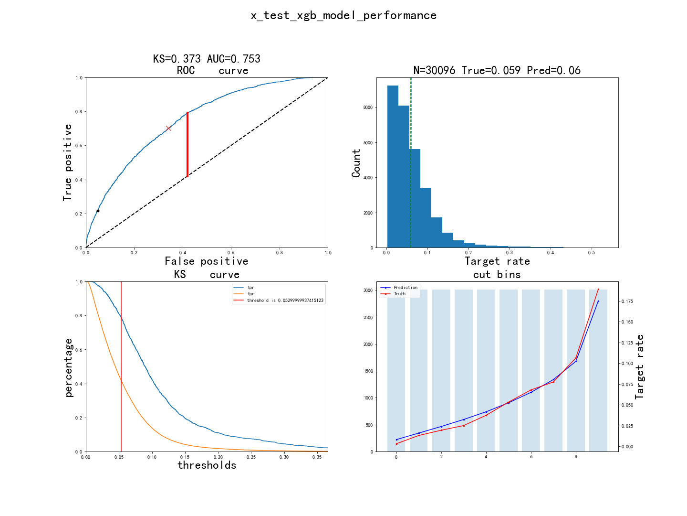

oot_效果

KS=0.349, AUC=0.738, N=34251
Point closest to [0, 1] is FPR=0.348/TPR=0.689, with threshold=0.058
At threshold=0.053, TPR=0.214 (390 out of 1821), FPR=0.044 (1434 out of 32430)
Ave_target: [0.006421, 0.011679, 0.018394, 0.027737, 0.037372, 0.047299, 0.055766, 0.070365, 0.086715, 0.169927]
Ave_predicted: [0.007953000254929066, 0.015154999680817127, 0.022571999579668045, 0.030532000586390495, 0.038933999836444855, 0.0484980009496212, 0.05963600054383278, 0.07387399673461914, 0.09450399875640869, 0.15988700091838837]

pred_xgb | 总样本数 | 坏样本数 | 好样本数 | 坏样本占比 | 好样本占比 | 累计坏样本数 | 累计好样本数 | 累计坏样本占比 | 累计好样本占比 | ks | lift
(-inf, 0.0116] | 3406 | 22 | 3384 | 0.0065 | 0.9935 | 22 | 3384 | 0.0121 | 0.1043 | 0.0923 | 0.1215
(0.0116, 0.0193] | 3687 | 48 | 3639 | 0.013 | 0.987 | 70 | 7023 | 0.0384 | 0.2166 | 0.1781 | 0.2449
(0.0193, 0.0274] | 3573 | 63 | 3510 | 0.0176 | 0.9824 | 133 | 10533 | 0.073 | 0.3248 | 0.2518 | 0.3316
(0.0274, 0.0364] | 3797 | 118 | 3679 | 0.0311 | 0.9689 | 251 | 14212 | 0.1378 | 0.4382 | 0.3004 | 0.5845
(0.0364, 0.0465] | 3707 | 135 | 3572 | 0.0364 | 0.9636 | 386 | 17784 | 0.212 | 0.5484 | 0.3364 | 0.685
(0.0465, 0.058] | 3667 | 194 | 3473 | 0.0529 | 0.9471 | 580 | 21257 | 0.3185 | 0.6555 | 0.337 | 0.9951
(0.058, 0.0716] | 3434 | 218 | 3216 | 0.0635 | 0.9365 | 798 | 24473 | 0.4382 | 0.7546 | 0.3164 | 1.194
(0.0716, 0.0893] | 3211 | 227 | 2984 | 0.0707 | 0.9293 | 1025 | 27457 | 0.5629 | 0.8467 | 0.2838 | 1.3297
(0.0893, 0.119] | 3091 | 291 | 2800 | 0.0941 | 0.9059 | 1316 | 30257 | 0.7227 | 0.933 | 0.2103 | 1.7708
(0.119, inf] | 2678 | 505 | 2173 | 0.1886 | 0.8114 | 1821 | 32430 | 1 | 1 | 0 | 3.5469

lightgbm模型
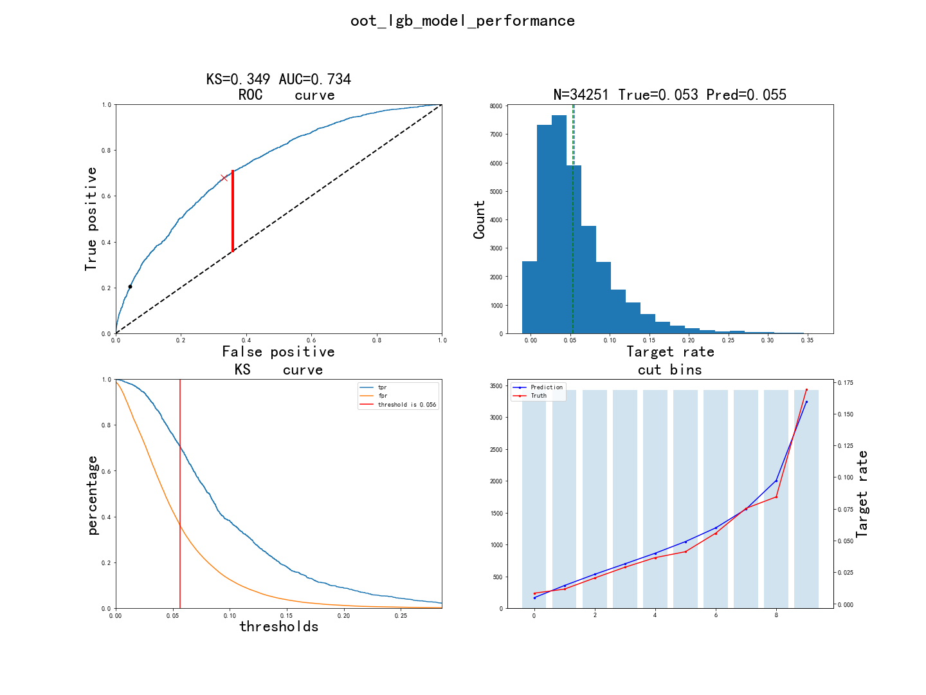
入模特征

1. 特征说明：

特征英文名 | 特征中文名
ovd_days_rf_repay_max_freq_p66d_clipU5 | gfqPWXoabSnsJYHlczdMQLFivxyptOZITmujeCEVDK
normal_days_rf_repay_std_p66d_afwoe | gfqPWXoabSnsJYHlczdMQLFivxyptOZITmujeCEVDK
ely_gt14_repay_rto_rf_repay_p186d_afwoe | gfqPWXoabSnsJYHlczdMQLFivxyptOZITmujeCEVDK
ovd_days_rf_repay_min_p186d_afwoe | gfqPWXoabSnsJYHlczdMQLFivxyptOZITmujeCEVDK
ely_gt1_repay_amt_rf_repay_sum_p186d_afwoe | gfqPWXoabSnsJYHlczdMQLFivxyptOZITmujeCEVDK
normal_repay_amt_rf_repay_max_p66d | gfqPWXoabSnsJYHlczdMQLFivxyptOZITmujeCEVDK
ely_gt0_repay_amt_rf_due_max_p96d_afwoe | gfqPWXoabSnsJYHlczdMQLFivxyptOZITmujeCEVDK
ovd_repay_amt_sum_rto_p3repayment_afwoe | gfqPWXoabSnsJYHlczdMQLFivxyptOZITmujeCEVDK
JY_D1_CASH_EXCEED_CREDIT_AMT | gfqPWXoabSnsJYHlczdMQLFivxyptOZITmujeCEVDK
JY_RISKGRADE | gfqPWXoabSnsJYHlczdMQLFivxyptOZITmujeCEVDK
ely_gt0_repay_amt_rf_due_mean_p186d | gfqPWXoabSnsJYHlczdMQLFivxyptOZITmujeCEVDK
normal_repay_cnt_rf_repay_p186d | gfqPWXoabSnsJYHlczdMQLFivxyptOZITmujeCEVDK
normal_days_rf_repay_mean_p36d | gfqPWXoabSnsJYHlczdMQLFivxyptOZITmujeCEVDK
ovd_days_rf_due_sum_p36d | gfqPWXoabSnsJYHlczdMQLFivxyptOZITmujeCEVDK
ovd_gt0_repay_amt_rf_repay_sum_p36d_afwoe | gfqPWXoabSnsJYHlczdMQLFivxyptOZITmujeCEVDK
normal_repay_amt_rf_due_max_p36d_afwoe | gfqPWXoabSnsJYHlczdMQLFivxyptOZITmujeCEVDK
normal_days_rf_repay_sum_p36d_afwoe | gfqPWXoabSnsJYHlczdMQLFivxyptOZITmujeCEVDK
DENGJI_TS | gfqPWXoabSnsJYHlczdMQLFivxyptOZITmujeCEVDK
JY_RISK_GRADE_NUM_afwoe | gfqPWXoabSnsJYHlczdMQLFivxyptOZITmujeCEVDK
normal_repay_amt_rf_repay_sum_p96d_afwoe | gfqPWXoabSnsJYHlczdMQLFivxyptOZITmujeCEVDK
JY_BR_JD_ALS_M1_NBANK_ORGNUM_afwoe | gfqPWXoabSnsJYHlczdMQLFivxyptOZITmujeCEVDK
ord_succ_amt_sum_p186d | gfqPWXoabSnsJYHlczdMQLFivxyptOZITmujeCEVDK
province_LeaveOneOutEncoder | gfqPWXoabSnsJYHlczdMQLFivxyptOZITmujeCEVDK
JY_BR_JD_ALS_M3_AVG_MONNUM | gfqPWXoabSnsJYHlczdMQLFivxyptOZITmujeCEVDK
predictscore | gfqPWXoabSnsJYHlczdMQLFivxyptOZITmujeCEVDK

2. 特征概览：

features | type | size | missing | unique | mean_or_top1 | std_or_top2 | min_or_top3 | 1%_or_top4 | 10%_or_top5 | 50%_or_bottom5 | 75%_or_bottom4 | 90%_or_bottom3 | 99%_or_bottom2 | max_or_bottom1
ovd_days_rf_repay_max_freq_p66d_clipU5 | float64 | 70224 | 0.00% | 6 | 0.1035 | 0.501 | 0 | 0 | 0 | 0 | 0 | 0 | 3 | 5
normal_days_rf_repay_std_p66d_afwoe | float64 | 70224 | 0.00% | 4 | -0.0998 | 0.5133 | -0.9909 | -0.9909 | -0.9909 | -0.0101 | 0.3058 | 0.3058 | 0.3058 | 0.3058
ely_gt14_repay_rto_rf_repay_p186d_afwoe | float64 | 70224 | 0.00% | 5 | -0.1154 | 0.5769 | -1.6409 | -1.6409 | -0.8329 | 0.2148 | 0.2148 | 0.2148 | 0.5976 | 0.5976
ovd_days_rf_repay_min_p186d_afwoe | float64 | 70224 | 0.00% | 4 | -0.0486 | 0.2962 | -0.1367 | -0.1367 | -0.1367 | -0.1367 | -0.1367 | -0.1367 | 1.371 | 1.371
ely_gt1_repay_amt_rf_repay_sum_p186d_afwoe | float64 | 70224 | 0.00% | 5 | -0.1236 | 0.5952 | -1.9037 | -1.9037 | -1.1318 | 0.0837 | 0.3356 | 0.3356 | 0.3356 | 0.3356
normal_repay_amt_rf_repay_max_p66d | float64 | 70224 | 0.00% | 24592 | 2714.4685 | 4377.0774 | 0 | 0 | 238.99 | 1061.56 | 2407.84 | 7268 | 20000 | 35000
ely_gt0_repay_amt_rf_due_max_p96d_afwoe | float64 | 70224 | 0.00% | 7 | -0.1066 | 0.5268 | -1.1642 | -1.1642 | -1.1642 | -0.0257 | 0.399 | 0.399 | 0.399 | 0.399
ovd_repay_amt_sum_rto_p3repayment_afwoe | float64 | 70224 | 0.00% | 3 | -0.0674 | 0.3674 | -0.6878 | -0.6878 | -0.6878 | -0.0183 | -0.0183 | -0.0183 | 1.3444 | 1.3444
JY_D1_CASH_EXCEED_CREDIT_AMT | int64 | 70224 | 0.00% | 5645 | 3178.9628 | 3973.7378 | 500 | 500 | 533 | 1800 | 3500 | 7000 | 20000 | 40000
JY_RISKGRADE | float64 | 70224 | 1.03% | 11 | -573.0537 | 497.3961 | -999 | -999 | -999 | -999 | 8 | 10 | 10 | 10
ely_gt0_repay_amt_rf_due_mean_p186d | float64 | 70224 | 0.00% | 27864 | 1186.1119 | 2587.6755 | 0 | 0 | 0 | 344.9203 | 1085.6225 | 3000 | 13500 | 35000
normal_repay_cnt_rf_repay_p186d | float64 | 70224 | 0.00% | 486 | 26.064 | 69.3653 | 0 | 0 | 1 | 8 | 21 | 54 | 336 | 1443
normal_days_rf_repay_mean_p36d | float64 | 70224 | 4.61% | 8531 | 28.898 | 59.4703 | 0 | 0 | 0 | 1 | 7 | 156.5794 | 200.4616 | 217.4167
ovd_days_rf_due_sum_p36d | float64 | 70224 | 3.02% | 54 | 0.268 | 2.1351 | 0 | 0 | 0 | 0 | 0 | 0 | 7 | 105
ovd_gt0_repay_amt_rf_repay_sum_p36d_afwoe | float64 | 70224 | 0.00% | 3 | -0.0481 | 0.2857 | -0.1095 | -0.1095 | -0.1095 | -0.1095 | -0.1095 | -0.1095 | 1.4117 | 1.4117
normal_repay_amt_rf_due_max_p36d_afwoe | float64 | 70224 | 0.00% | 6 | -0.0866 | 0.4697 | -1.1383 | -1.1383 | -0.6967 | 0.1103 | 0.1103 | 0.3371 | 0.8201 | 0.8201
normal_days_rf_repay_sum_p36d_afwoe | float64 | 70224 | 0.00% | 4 | -0.0946 | 0.4994 | -1.0374 | -1.0374 | -1.0374 | -0.1077 | 0.3457 | 0.3457 | 0.3457 | 0.3457
DENGJI_TS | float64 | 70224 | 0.00% | 4 | 0.0591 | 0.0128 | 0.0331 | 0.0331 | 0.0331 | 0.0597 | 0.0724 | 0.0724 | 0.0724 | 0.0724
JY_RISK_GRADE_NUM_afwoe | float64 | 70224 | 0.00% | 7 | -0.1339 | 0.6988 | -3.1982 | -3.1982 | -1.1281 | 0.1777 | 0.1777 | 0.1777 | 0.1777 | 0.1777
normal_repay_amt_rf_repay_sum_p96d_afwoe | float64 | 70224 | 0.00% | 6 | -0.1297 | 0.5956 | -1.578 | -1.578 | -0.6894 | 0.172 | 0.3574 | 0.3574 | 0.8922 | 0.8922
JY_BR_JD_ALS_M1_NBANK_ORGNUM_afwoe | float64 | 70224 | 0.00% | 6 | -0.0509 | 0.3301 | -0.4553 | -0.4553 | -0.4553 | -0.2347 | 0.0263 | 0.5791 | 0.7353 | 0.7353
ord_succ_amt_sum_p186d | float64 | 70224 | 0.03% | 15404 | 23996.2351 | 26055.711 | 500 | 3187 | 10000 | 18338 | 24900 | 39500 | 131500 | 660000
province_LeaveOneOutEncoder | float64 | 70224 | 0.00% | 32 | 0.0591 | 0.0118 | 0 | 0.0349 | 0.0448 | 0.0597 | 0.0666 | 0.0752 | 0.0863 | 0.1
JY_BR_JD_ALS_M3_AVG_MONNUM | int64 | 70224 | 0.00% | 69 | 11.8552 | 7.6501 | 0 | 2 | 4 | 10 | 16 | 22 | 36 | 82
predictscore | float64 | 70224 | 0.00% | 50966 | 0.0333 | 0.01 | 0 | 0.0177 | 0.0219 | 0.032 | 0.0384 | 0.0461 | 0.0656 | 0.1143

3. 特征重要性：

features | split | gain | shap_importance
ovd_days_rf_repay_max_freq_p66d_clipU5 | 62 | 56.3362 | 0.0007
normal_days_rf_repay_std_p66d_afwoe | 62 | 59.0001 | 0.0015
ely_gt14_repay_rto_rf_repay_p186d_afwoe | 85 | 117.0351 | 0.0023
ovd_days_rf_repay_min_p186d_afwoe | 131 | 82.3621 | 0.0016
ely_gt1_repay_amt_rf_repay_sum_p186d_afwoe | 81 | 152.0802 | 0.0032
normal_repay_amt_rf_repay_max_p66d | 241 | 64.5414 | 0.0011
ely_gt0_repay_amt_rf_due_max_p96d_afwoe | 131 | 99.1892 | 0.0034
ovd_repay_amt_sum_rto_p3repayment_afwoe | 48 | 271.5794 | 0.0022
JY_D1_CASH_EXCEED_CREDIT_AMT | 356 | 94.1371 | 0.003
JY_RISKGRADE | 256 | 71.5411 | 0.0019
ely_gt0_repay_amt_rf_due_mean_p186d | 283 | 73.0075 | 0.003
normal_repay_cnt_rf_repay_p186d | 290 | 50.7952 | 0.0014
normal_days_rf_repay_mean_p36d | 267 | 78.3579 | 0.0026
ovd_days_rf_due_sum_p36d | 122 | 324.9671 | 0.0026
ovd_gt0_repay_amt_rf_repay_sum_p36d_afwoe | 66 | 328.6677 | 0.0028
normal_repay_amt_rf_due_max_p36d_afwoe | 213 | 69.443 | 0.0021
normal_days_rf_repay_sum_p36d_afwoe | 161 | 76.3061 | 0.0036
DENGJI_TS | 223 | 57.2921 | 0.0034
JY_RISK_GRADE_NUM_afwoe | 247 | 175.3752 | 0.0036
normal_repay_amt_rf_repay_sum_p96d_afwoe | 230 | 254.9837 | 0.0058
JY_BR_JD_ALS_M1_NBANK_ORGNUM_afwoe | 332 | 194.2921 | 0.005
ord_succ_amt_sum_p186d | 499 | 128.7698 | 0.0046
province_LeaveOneOutEncoder | 497 | 202.7332 | 0.0078
JY_BR_JD_ALS_M3_AVG_MONNUM | 628 | 557.1892 | 0.0102
predictscore | 568 | 513.1208 | 0.013

模型效果

x_train_效果

KS=0.394, AUC=0.766, N=70224
Point closest to [0, 1] is FPR=0.325/TPR=0.715, with threshold=0.064
At threshold=0.059, TPR=0.227 (943 out of 4153), FPR=0.049 (3210 out of 66071)
Ave_target: [0.003845, 0.009257, 0.017089, 0.02207, 0.033893, 0.051125, 0.065926, 0.08331, 0.110937, 0.193934]
Ave_predicted: [0.004813, 0.014531, 0.023793, 0.032543, 0.041621, 0.051785, 0.06422, 0.080802, 0.106076, 0.172069]

pred_lgb1 | 总样本数 | 坏样本数 | 好样本数 | 坏样本占比 | 好样本占比 | 累计坏样本数 | 累计好样本数 | 累计坏样本占比 | 累计好样本占比 | ks | lift
(-inf, 0.01] | 7023 | 27 | 6996 | 0.0038 | 0.9962 | 27 | 6996 | 0.0065 | 0.1059 | 0.0994 | 0.065
(0.01, 0.0192] | 7022 | 65 | 6957 | 0.0093 | 0.9907 | 92 | 13953 | 0.0222 | 0.2112 | 0.189 | 0.1565
(0.0192, 0.0283] | 7022 | 120 | 6902 | 0.0171 | 0.9829 | 212 | 20855 | 0.0511 | 0.3156 | 0.2646 | 0.289
(0.0283, 0.0369] | 7023 | 155 | 6868 | 0.0221 | 0.9779 | 367 | 27723 | 0.0884 | 0.4196 | 0.3312 | 0.3732
(0.0369, 0.0464] | 7022 | 237 | 6785 | 0.0339 | 0.9662 | 604 | 34508 | 0.1455 | 0.5223 | 0.3768 | 0.5731
(0.0464, 0.0575] | 7022 | 359 | 6663 | 0.0511 | 0.9489 | 963 | 41171 | 0.2319 | 0.6231 | 0.3912 | 0.8645
(0.0575, 0.0715] | 7023 | 463 | 6560 | 0.0659 | 0.9341 | 1426 | 47731 | 0.3434 | 0.7224 | 0.379 | 1.1148
(0.0715, 0.0912] | 7022 | 585 | 6437 | 0.0833 | 0.9167 | 2011 | 54168 | 0.4843 | 0.8198 | 0.3355 | 1.4087
(0.0912, 0.124] | 7022 | 779 | 6243 | 0.1109 | 0.8891 | 2790 | 60411 | 0.672 | 0.9143 | 0.2424 | 1.8759
(0.124, inf] | 7023 | 1362 | 5661 | 0.1939 | 0.8061 | 4152 | 66072 | 1 | 1 | 0 | 3.2793

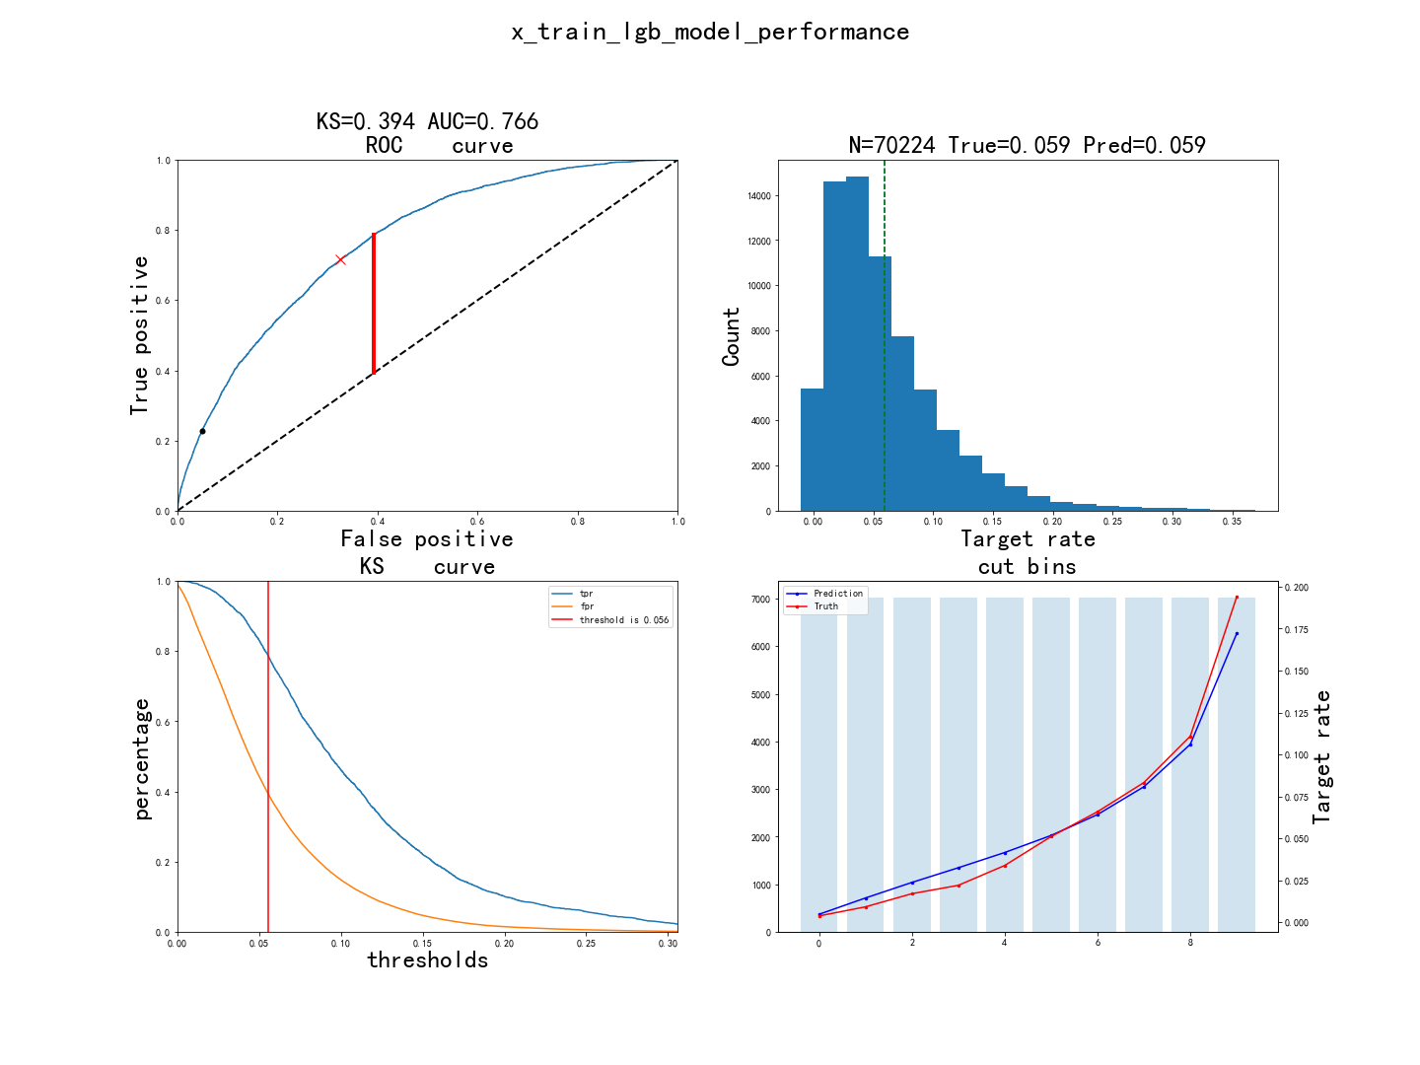

x_test_效果

KS=0.37, AUC=0.749, N=30096
Point closest to [0, 1] is FPR=0.321/TPR=0.685, with threshold=0.066
At threshold=0.059, TPR=0.215 (383 out of 1779), FPR=0.049 (1396 out of 28317)
Ave_target: [0.005648, 0.013289, 0.019608, 0.025581, 0.033898, 0.052159, 0.067132, 0.079734, 0.107345, 0.186711]
Ave_predicted: [0.004935, 0.014984, 0.024252, 0.032928, 0.041972, 0.052237, 0.064823, 0.081198, 0.106081, 0.173238]

pred_lgb1 | 总样本数 | 坏样本数 | 好样本数 | 坏样本占比 | 好样本占比 | 累计坏样本数 | 累计好样本数 | 累计坏样本占比 | 累计好样本占比 | ks | lift
(-inf, 0.01] | 2895 | 15 | 2880 | 0.0052 | 0.9948 | 15 | 2880 | 0.0084 | 0.1017 | 0.0933 | 0.0877
(0.01, 0.0192] | 2985 | 40 | 2945 | 0.0134 | 0.9866 | 55 | 5825 | 0.0309 | 0.2057 | 0.1748 | 0.2267
(0.0192, 0.0283] | 2980 | 58 | 2922 | 0.0195 | 0.9805 | 113 | 8747 | 0.0636 | 0.3089 | 0.2453 | 0.3293
(0.0283, 0.0369] | 3064 | 76 | 2988 | 0.0248 | 0.9752 | 189 | 11735 | 0.1063 | 0.4144 | 0.3081 | 0.4196
(0.0369, 0.0464] | 2998 | 104 | 2894 | 0.0347 | 0.9653 | 293 | 14629 | 0.1648 | 0.5166 | 0.3518 | 0.5869
(0.0464, 0.0575] | 2983 | 152 | 2831 | 0.051 | 0.949 | 445 | 17460 | 0.2503 | 0.6166 | 0.3663 | 0.862
(0.0575, 0.0715] | 3053 | 202 | 2851 | 0.0662 | 0.9338 | 647 | 20311 | 0.3639 | 0.7172 | 0.3534 | 1.1193
(0.0715, 0.0912] | 3057 | 240 | 2817 | 0.0788 | 0.9215 | 887 | 23128 | 0.4989 | 0.8167 | 0.3178 | 1.3337
(0.0912, 0.124] | 3100 | 335 | 2765 | 0.1081 | 0.8919 | 1222 | 25893 | 0.6873 | 0.9144 | 0.2271 | 1.8282
(0.124, inf] | 2981 | 556 | 2425 | 0.1865 | 0.8135 | 1778 | 28318 | 1 | 1 | 0 | 3.1553



oot_效果

KS=0.349, AUC=0.734, N=34251
Point closest to [0, 1] is FPR=0.332/TPR=0.680, with threshold=0.060
At threshold=0.053, TPR=0.206 (375 out of 1821), FPR=0.044 (1438 out of 32430)
Ave_target: [0.008465, 0.011679, 0.020438, 0.028905, 0.036496, 0.041168, 0.055766, 0.075328, 0.08438, 0.169051]
Ave_predicted: [0.004889, 0.014492, 0.023353, 0.031605, 0.039977, 0.049142, 0.059951, 0.074709, 0.097352, 0.159439]

pred_lgb1 | 总样本数 | 坏样本数 | 好样本数 | 坏样本占比 | 好样本占比 | 累计坏样本数 | 累计好样本数 | 累计坏样本占比 | 累计好样本占比 | ks | lift
(-inf, 0.01] | 3337 | 28 | 3309 | 0.0084 | 0.9916 | 28 | 3309 | 0.0154 | 0.102 | 0.0866 | 0.1578
(0.01, 0.0192] | 3629 | 43 | 3586 | 0.0118 | 0.9882 | 71 | 6895 | 0.039 | 0.2126 | 0.1736 | 0.2229
(0.0192, 0.0283] | 3622 | 72 | 3550 | 0.0199 | 0.9801 | 143 | 10445 | 0.0786 | 0.3221 | 0.2435 | 0.3739
(0.0283, 0.0369] | 3625 | 106 | 3519 | 0.0292 | 0.9708 | 249 | 13964 | 0.1368 | 0.4306 | 0.2938 | 0.55
(0.0369, 0.0464] | 3715 | 146 | 3569 | 0.0393 | 0.9607 | 395 | 17533 | 0.217 | 0.5406 | 0.3236 | 0.7392
(0.0464, 0.0575] | 3671 | 160 | 3511 | 0.0436 | 0.9564 | 555 | 21044 | 0.3049 | 0.6489 | 0.3439 | 0.8198
(0.0575, 0.0715] | 3516 | 224 | 3292 | 0.064 | 0.9363 | 779 | 24336 | 0.428 | 0.7504 | 0.3224 | 1.2036
(0.0715, 0.0912] | 3361 | 286 | 3075 | 0.0851 | 0.9149 | 1065 | 27411 | 0.5852 | 0.8452 | 0.26 | 1.6005
(0.0912, 0.124] | 3020 | 259 | 2761 | 0.0858 | 0.9142 | 1324 | 30172 | 0.7275 | 0.9303 | 0.2029 | 1.6131
(0.124, inf] | 2755 | 496 | 2259 | 0.18 | 0.82 | 1820 | 32431 | 1 | 1 | 0 | 3.3863

catboost模型

入模特征

1. 特征说明：

特征英文名 | 特征中文名
DENGJI_TS | KMdnoWlwrYZNDUJckHStRvjsGFxuQyEVTBAfqhLXzb
JY_BR_JD_ALS_M1_NBANK_ORGNUM_afwoe | KMdnoWlwrYZNDUJckHStRvjsGFxuQyEVTBAfqhLXzb
JY_BR_JD_ALS_M3_AVG_MONNUM_afwoe | KMdnoWlwrYZNDUJckHStRvjsGFxuQyEVTBAfqhLXzb
JY_D1_CASH_EXCEED_CREDIT_AMT_afwoe | KMdnoWlwrYZNDUJckHStRvjsGFxuQyEVTBAfqhLXzb
JY_RISKGRADE | KMdnoWlwrYZNDUJckHStRvjsGFxuQyEVTBAfqhLXzb
JY_RISK_GRADE_NUM | KMdnoWlwrYZNDUJckHStRvjsGFxuQyEVTBAfqhLXzb
LK_CREDITRATING_TS_afwoe | KMdnoWlwrYZNDUJckHStRvjsGFxuQyEVTBAfqhLXzb
ely_gt0_repay_amt_rf_due_max_p96d_afwoe | KMdnoWlwrYZNDUJckHStRvjsGFxuQyEVTBAfqhLXzb
ely_gt0_repay_amt_rf_due_rto_p186d | KMdnoWlwrYZNDUJckHStRvjsGFxuQyEVTBAfqhLXzb
ely_gt1_repay_amt_rf_repay_max_p66d_afwoe | KMdnoWlwrYZNDUJckHStRvjsGFxuQyEVTBAfqhLXzb
ely_gt1_repay_amt_rf_repay_sum_p66d_afwoe | KMdnoWlwrYZNDUJckHStRvjsGFxuQyEVTBAfqhLXzb
normal_days_rf_repay_std_p66d_afwoe | KMdnoWlwrYZNDUJckHStRvjsGFxuQyEVTBAfqhLXzb
normal_days_rf_repay_sum_p36d_afwoe | KMdnoWlwrYZNDUJckHStRvjsGFxuQyEVTBAfqhLXzb
normal_repay_amt_rf_due_max_p36d_afwoe | KMdnoWlwrYZNDUJckHStRvjsGFxuQyEVTBAfqhLXzb
ord_succ_amt_sum_p186d | KMdnoWlwrYZNDUJckHStRvjsGFxuQyEVTBAfqhLXzb
ovd_days_rf_due_mean_p186d | KMdnoWlwrYZNDUJckHStRvjsGFxuQyEVTBAfqhLXzb
ovd_days_rf_due_sum_p96d_afwoe | KMdnoWlwrYZNDUJckHStRvjsGFxuQyEVTBAfqhLXzb
ovd_gt0_repay_amt_rf_due_max_p36d | KMdnoWlwrYZNDUJckHStRvjsGFxuQyEVTBAfqhLXzb
ovd_gt0_repay_amt_rf_repay_max_p36d_afwoe | KMdnoWlwrYZNDUJckHStRvjsGFxuQyEVTBAfqhLXzb
ovd_gt0_repay_amt_rf_repay_rto_p96d | KMdnoWlwrYZNDUJckHStRvjsGFxuQyEVTBAfqhLXzb
ovd_repay_amt_sum_rto_p2repayment_afwoe | KMdnoWlwrYZNDUJckHStRvjsGFxuQyEVTBAfqhLXzb
predictscore | KMdnoWlwrYZNDUJckHStRvjsGFxuQyEVTBAfqhLXzb
province_MEstimateEncoder | KMdnoWlwrYZNDUJckHStRvjsGFxuQyEVTBAfqhLXzb
repay_amt_in_table_rf_due_max_p96d_afwoe | KMdnoWlwrYZNDUJckHStRvjsGFxuQyEVTBAfqhLXzb
repay_amt_in_table_rf_repay_max_p96d | KMdnoWlwrYZNDUJckHStRvjsGFxuQyEVTBAfqhLXzb
repay_amt_in_table_rf_repay_sum_p186d_afwoe | KMdnoWlwrYZNDUJckHStRvjsGFxuQyEVTBAfqhLXzb

2. 特征概览：

features | type | size | missing | unique | mean_or_top1 | std_or_top2 | min_or_top3 | 1%_or_top4 | 10%_or_top5 | 50%_or_bottom5 | 75%_or_bottom4 | 90%_or_bottom3 | 99%_or_bottom2 | max_or_bottom1
DENGJI_TS | float64 | 70224 | 0.00% | 4 | 0.0591 | 0.0128 | 0.0331 | 0.0331 | 0.0331 | 0.0597 | 0.0724 | 0.0724 | 0.0724 | 0.0724
JY_BR_JD_ALS_M1_NBANK_ORGNUM_afwoe | float64 | 70224 | 0.00% | 6 | -0.0509 | 0.3301 | -0.4553 | -0.4553 | -0.4553 | -0.2347 | 0.0263 | 0.5791 | 0.7353 | 0.7353
JY_BR_JD_ALS_M3_AVG_MONNUM_afwoe | float64 | 70224 | 0.00% | 7 | -0.0858 | 0.4541 | -0.8639 | -0.8639 | -0.8639 | -0.1008 | 0.2942 | 0.5478 | 0.7588 | 0.7588
JY_D1_CASH_EXCEED_CREDIT_AMT_afwoe | float64 | 70224 | 0.00% | 5 | -0.0737 | 0.4393 | -1.0467 | -1.0467 | -1.0467 | 0.128 | 0.128 | 0.3703 | 0.3703 | 0.3703
JY_RISKGRADE | float64 | 70224 | 1.03% | 11 | -573.0537 | 497.3961 | -999 | -999 | -999 | -999 | 8 | 10 | 10 | 10
JY_RISK_GRADE_NUM | float64 | 70224 | 0.00% | 11 | 9.0735 | 1.9977 | 1 | 1 | 6 | 10 | 10 | 10 | 11 | 11
LK_CREDITRATING_TS_afwoe | float64 | 70224 | 0.00% | 3 | -0.0058 | 0.1125 | -0.2101 | -0.2101 | -0.0192 | -0.0192 | -0.0192 | -0.0192 | 0.2921 | 0.2921
ely_gt0_repay_amt_rf_due_max_p96d_afwoe | float64 | 70224 | 0.00% | 7 | -0.1066 | 0.5268 | -1.1642 | -1.1642 | -1.1642 | -0.0257 | 0.399 | 0.399 | 0.399 | 0.399
ely_gt0_repay_amt_rf_due_rto_p186d | float64 | 70224 | 0.00% | 15361 | 0.5779 | 0.427 | 0 | 0 | 0 | 0.6807 | 1 | 1 | 1 | 1
ely_gt1_repay_amt_rf_repay_max_p66d_afwoe | float64 | 70224 | 0.00% | 5 | -0.112 | 0.5698 | -1.9844 | -1.9844 | -1.1886 | 0.0079 | 0.2999 | 0.2999 | 0.2999 | 0.2999
ely_gt1_repay_amt_rf_repay_sum_p66d_afwoe | float64 | 70224 | 0.00% | 6 | -0.1261 | 0.6217 | -2.4084 | -2.4084 | -1.0905 | 0.0976 | 0.288 | 0.288 | 0.288 | 0.288
normal_days_rf_repay_std_p66d_afwoe | float64 | 70224 | 0.00% | 4 | -0.0998 | 0.5133 | -0.9909 | -0.9909 | -0.9909 | -0.0101 | 0.3058 | 0.3058 | 0.3058 | 0.3058
normal_days_rf_repay_sum_p36d_afwoe | float64 | 70224 | 0.00% | 4 | -0.0946 | 0.4994 | -1.0374 | -1.0374 | -1.0374 | -0.1077 | 0.3457 | 0.3457 | 0.3457 | 0.3457
normal_repay_amt_rf_due_max_p36d_afwoe | float64 | 70224 | 0.00% | 6 | -0.0866 | 0.4697 | -1.1383 | -1.1383 | -0.6967 | 0.1103 | 0.1103 | 0.3371 | 0.8201 | 0.8201
ord_succ_amt_sum_p186d | float64 | 70224 | 0.03% | 15404 | 23996.2351 | 26055.711 | 500 | 3187 | 10000 | 18338 | 24900 | 39500 | 131500 | 660000
ovd_days_rf_due_mean_p186d | float64 | 70224 | 2.90% | 110 | 0.1306 | 0.615 | 0 | 0 | 0 | 0 | 0 | 0 | 3 | 20
ovd_days_rf_due_sum_p96d_afwoe | float64 | 70224 | 0.00% | 4 | -0.0482 | 0.2942 | -0.1371 | -0.1371 | -0.1371 | -0.1371 | -0.1371 | -0.1371 | 1.5656 | 1.5656
ovd_gt0_repay_amt_rf_due_max_p36d | float64 | 70224 | 3.02% | 2374 | 69.9933 | 456.774 | 0 | 0 | 0 | 0 | 0 | 0 | 1786.81 | 12205.06
ovd_gt0_repay_amt_rf_repay_max_p36d_afwoe | float64 | 70224 | 0.00% | 3 | -0.0477 | 0.2843 | -0.1086 | -0.1086 | -0.1086 | -0.1086 | -0.1086 | -0.1086 | 1.3972 | 1.3972
ovd_gt0_repay_amt_rf_repay_rto_p96d | float64 | 70224 | 0.00% | 3379 | 0.0325 | 0.1365 | 0 | 0 | 0 | 0 | 0 | 0 | 0.9745 | 1
ovd_repay_amt_sum_rto_p2repayment_afwoe | float64 | 70224 | 0.00% | 4 | -0.0885 | 0.4392 | -0.8129 | -0.8129 | -0.8129 | 0.029 | 0.029 | 0.029 | 1.3665 | 1.3665
predictscore | float64 | 70224 | 0.00% | 50966 | 0.0333 | 0.01 | 0 | 0.0177 | 0.0219 | 0.032 | 0.0384 | 0.0461 | 0.0656 | 0.1143
province_MEstimateEncoder | float64 | 70224 | 0.00% | 32 | 0.0591 | 0.0118 | 0.002 | 0.0349 | 0.0448 | 0.0597 | 0.0666 | 0.0752 | 0.0863 | 0.0997
repay_amt_in_table_rf_due_max_p96d_afwoe | float64 | 70224 | 0.00% | 4 | -0.0826 | 0.4678 | -1.0949 | -1.0949 | -1.0949 | 0.2007 | 0.2007 | 0.2007 | 0.4232 | 0.4232
repay_amt_in_table_rf_repay_max_p96d | float64 | 70224 | 0.00% | 23933 | 3003.3367 | 4707.9123 | 31.86 | 80.23 | 285.66 | 1150.735 | 2977.48 | 8960.687 | 22000 | 35000
repay_amt_in_table_rf_repay_sum_p186d_afwoe | float64 | 70224 | 0.00% | 5 | -0.1144 | 0.5691 | -1.6762 | -1.6762 | -0.9851 | 0.2669 | 0.2669 | 0.2669 | 0.2669 | 0.2669

3. 特征重要性：

features | lossFunctionChange_importance | shap_importance
predictscore | 0.0028 | 0.2399
JY_BR_JD_ALS_M3_AVG_MONNUM_afwoe | 0.0018 | 0.1728
province_MEstimateEncoder | 0.0014 | 0.1348
ord_succ_amt_sum_p186d | 0.001 | 0.0872
JY_BR_JD_ALS_M1_NBANK_ORGNUM_afwoe | 0.0009 | 0.0996
JY_RISK_GRADE_NUM | 0.0009 | 0.124
ovd_days_rf_due_sum_p96d_afwoe | 0.0005 | 0.0331
DENGJI_TS | 0.0005 | 0.0678
normal_days_rf_repay_std_p66d_afwoe | 0.0005 | 0.0995
ovd_repay_amt_sum_rto_p2repayment_afwoe | 0.0005 | 0.0256
ovd_gt0_repay_amt_rf_repay_max_p36d_afwoe | 0.0005 | 0.0248
ovd_days_rf_due_mean_p186d | 0.0004 | 0.0111
normal_days_rf_repay_sum_p36d_afwoe | 0.0004 | 0.0731
repay_amt_in_table_rf_repay_max_p96d | 0.0004 | 0.0272
ely_gt0_repay_amt_rf_due_max_p96d_afwoe | 0.0004 | 0.0524
JY_D1_CASH_EXCEED_CREDIT_AMT_afwoe | 0.0004 | 0.0745
normal_repay_amt_rf_due_max_p36d_afwoe | 0.0003 | 0.0458
repay_amt_in_table_rf_repay_sum_p186d_afwoe | 0.0003 | 0.0592
ely_gt0_repay_amt_rf_due_rto_p186d | 0.0003 | 0.0521
ely_gt1_repay_amt_rf_repay_sum_p66d_afwoe | 0.0003 | 0.0664
JY_RISKGRADE | 0.0003 | 0.0212
ely_gt1_repay_amt_rf_repay_max_p66d_afwoe | 0.0003 | 0.054
LK_CREDITRATING_TS_afwoe | 0.0003 | 0.0243
ovd_gt0_repay_amt_rf_repay_rto_p96d | 0.0003 | 0.018
repay_amt_in_table_rf_due_max_p96d_afwoe | 0.0002 | 0.0347
ovd_gt0_repay_amt_rf_due_max_p36d | 0.0002 | 0.0111

模型效果

x_train_效果

KS=0.397, AUC=0.771, N=70224
Point closest to [0, 1] is FPR=0.325/TPR=0.717, with threshold=0.063
At threshold=0.059, TPR=0.249 (1036 out of 4153), FPR=0.047 (3112 out of 66071)
Ave_target: [0.002848, 0.008972, 0.014526, 0.02264, 0.034748, 0.052692, 0.067208, 0.08274, 0.102108, 0.202905]
Ave_predicted: [0.008629, 0.015652, 0.023182, 0.031293, 0.040234, 0.050602, 0.062772, 0.078464, 0.102789, 0.178539]

pred_ctb1 | 总样本数 | 坏样本数 | 好样本数 | 坏样本占比 | 好样本占比 | 累计坏样本数 | 累计好样本数 | 累计坏样本占比 | 累计好样本占比 | ks | lift
(-inf, 0.0122] | 7023 | 20 | 7003 | 0.0028 | 0.9972 | 20 | 7003 | 0.0048 | 0.106 | 0.1012 | 0.0482
(0.0122, 0.0194] | 7022 | 63 | 6959 | 0.009 | 0.991 | 83 | 13962 | 0.02 | 0.2113 | 0.1913 | 0.1517
(0.0194, 0.0271] | 7022 | 102 | 6920 | 0.0145 | 0.9855 | 185 | 20882 | 0.0445 | 0.3161 | 0.2715 | 0.2456
(0.0271, 0.0356] | 7023 | 159 | 6864 | 0.0226 | 0.9774 | 344 | 27746 | 0.0828 | 0.4199 | 0.3371 | 0.3828
(0.0356, 0.0452] | 7022 | 244 | 6778 | 0.0347 | 0.9653 | 588 | 34524 | 0.1416 | 0.5225 | 0.3809 | 0.5876
(0.0452, 0.0563] | 7022 | 370 | 6652 | 0.0527 | 0.9473 | 958 | 41176 | 0.2307 | 0.6232 | 0.3925 | 0.891
(0.0563, 0.0698] | 7023 | 472 | 6551 | 0.0672 | 0.9328 | 1430 | 47727 | 0.3443 | 0.7224 | 0.378 | 1.1364
(0.0698, 0.0886] | 7022 | 581 | 6441 | 0.0827 | 0.9173 | 2011 | 54168 | 0.4842 | 0.8198 | 0.3356 | 1.3991
(0.0886, 0.121] | 7022 | 717 | 6305 | 0.1021 | 0.8979 | 2728 | 60473 | 0.6569 | 0.9153 | 0.2584 | 1.7266
(0.121, inf] | 7023 | 1425 | 5598 | 0.2029 | 0.7971 | 4153 | 66071 | 1 | 1 | 0 | 3.431

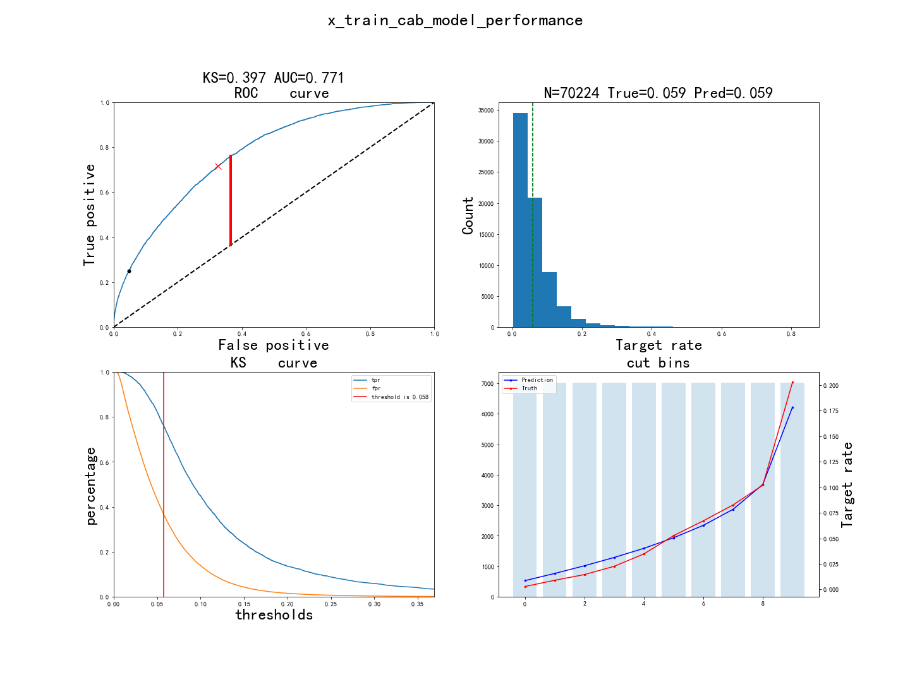

x_test_效果

KS=0.376, AUC=0.755, N=30096
Point closest to [0, 1] is FPR=0.338/TPR=0.709, with threshold=0.062
At threshold=0.059, TPR=0.230 (410 out of 1779), FPR=0.048 (1369 out of 28317)
Ave_target: [0.004319, 0.011628, 0.017281, 0.028571, 0.034563, 0.050831, 0.068794, 0.081728, 0.105683, 0.187708]
Ave_predicted: [0.008823, 0.016027, 0.023521, 0.031471, 0.040451, 0.050933, 0.06336, 0.079041, 0.102574, 0.178524]

pred_ctb1 | 总样本数 | 坏样本数 | 好样本数 | 坏样本占比 | 好样本占比 | 累计坏样本数 | 累计好样本数 | 累计坏样本占比 | 累计好样本占比 | ks | lift
(-inf, 0.0122] | 2858 | 10 | 2848 | 0.0035 | 0.9965 | 10 | 2848 | 0.0056 | 0.1006 | 0.095 | 0.0592
(0.0122, 0.0194] | 3031 | 38 | 2993 | 0.0125 | 0.9875 | 48 | 5841 | 0.027 | 0.2063 | 0.1793 | 0.2121
(0.0194, 0.0271] | 3036 | 51 | 2985 | 0.0168 | 0.9832 | 99 | 8826 | 0.0556 | 0.3117 | 0.256 | 0.2842
(0.0271, 0.0356] | 3081 | 86 | 2995 | 0.0279 | 0.9721 | 185 | 11821 | 0.104 | 0.4175 | 0.3135 | 0.4722
(0.0356, 0.0452] | 2953 | 101 | 2852 | 0.0342 | 0.9658 | 286 | 14673 | 0.1608 | 0.5182 | 0.3574 | 0.5786
(0.0452, 0.0563] | 2996 | 150 | 2846 | 0.0501 | 0.9499 | 436 | 17519 | 0.2451 | 0.6187 | 0.3736 | 0.847
(0.0563, 0.0698] | 3017 | 203 | 2814 | 0.0673 | 0.9327 | 639 | 20333 | 0.3592 | 0.718 | 0.3589 | 1.1383
(0.0698, 0.0886] | 3064 | 255 | 2809 | 0.0832 | 0.9168 | 894 | 23142 | 0.5025 | 0.8172 | 0.3147 | 1.4079
(0.0886, 0.121] | 3049 | 320 | 2729 | 0.105 | 0.895 | 1214 | 25871 | 0.6824 | 0.9136 | 0.2312 | 1.7755
(0.121, inf] | 3011 | 565 | 2446 | 0.1876 | 0.8124 | 1779 | 28317 | 1 | 1 | 0 | 3.1745

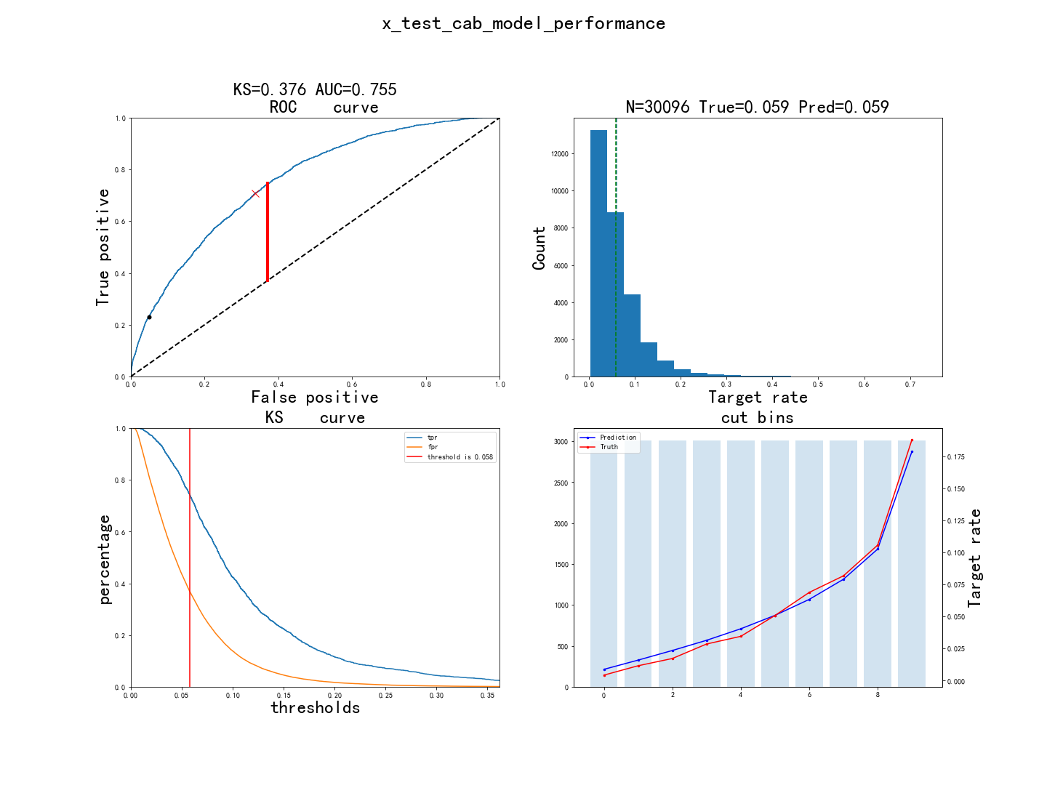

oot_效果

KS=0.347, AUC=0.739, N=34251
Point closest to [0, 1] is FPR=0.336/TPR=0.680, with threshold=0.057
At threshold=0.053, TPR=0.219 (398 out of 1821), FPR=0.044 (1427 out of 32430)
Ave_target: [0.005546, 0.012555, 0.01635, 0.028613, 0.037664, 0.045547, 0.057226, 0.07562, 0.083212, 0.169343]
Ave_predicted: [0.008717, 0.015406, 0.022079, 0.029487, 0.037442, 0.046717, 0.057711, 0.072168, 0.093563, 0.157675]

pred_ctb1 | 总样本数 | 坏样本数 | 好样本数 | 坏样本占比 | 好样本占比 | 累计坏样本数 | 累计好样本数 | 累计坏样本占比 | 累计好样本占比 | ks | lift
(-inf, 0.0122] | 3418 | 19 | 3399 | 0.0056 | 0.9944 | 19 | 3399 | 0.0104 | 0.1048 | 0.0944 | 0.1046
(0.0122, 0.0194] | 3795 | 44 | 3751 | 0.0116 | 0.9884 | 63 | 7150 | 0.0346 | 0.2205 | 0.1859 | 0.2181
(0.0194, 0.0271] | 3736 | 75 | 3661 | 0.0201 | 0.9799 | 138 | 10811 | 0.0758 | 0.3334 | 0.2576 | 0.3776
(0.0271, 0.0356] | 3728 | 111 | 3617 | 0.0298 | 0.9702 | 249 | 14428 | 0.1367 | 0.4449 | 0.3082 | 0.56
(0.0356, 0.0452] | 3656 | 158 | 3498 | 0.0432 | 0.9568 | 407 | 17926 | 0.2235 | 0.5528 | 0.3293 | 0.8129
(0.0452, 0.0563] | 3575 | 170 | 3405 | 0.0476 | 0.9524 | 577 | 21331 | 0.3169 | 0.6578 | 0.3409 | 0.8944
(0.0563, 0.0698] | 3338 | 211 | 3127 | 0.0632 | 0.9368 | 788 | 24458 | 0.4327 | 0.7542 | 0.3214 | 1.1889
(0.0698, 0.0886] | 3301 | 257 | 3044 | 0.0779 | 0.9221 | 1045 | 27502 | 0.5739 | 0.848 | 0.2742 | 1.4644
(0.0886, 0.121] | 3114 | 279 | 2835 | 0.0896 | 0.9104 | 1324 | 30337 | 0.7271 | 0.9355 | 0.2084 | 1.6852
(0.121, inf] | 2590 | 497 | 2093 | 0.1919 | 0.8081 | 1821 | 32430 | 1 | 1 | 0 | 3.6093

