Sheet1
启动adb

adb connect 127.0.0.1:62001
开安卓模拟器

启动appium

appium -a 127.0.0.1 -p 47241 -bp 47231 --chromedriver-port 19515 --log-level info --command-timeout 300

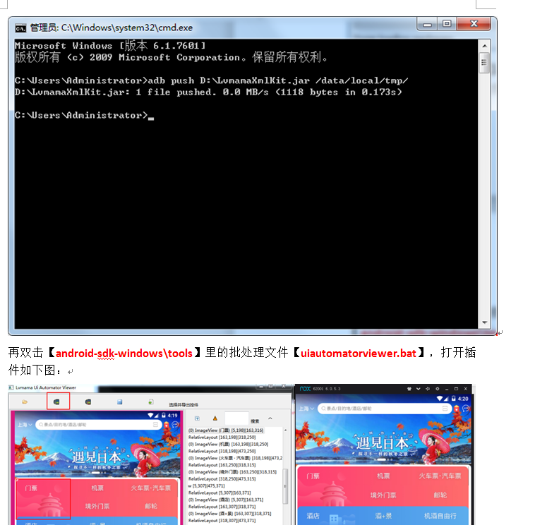

adb 抓页面

