SpringCloud
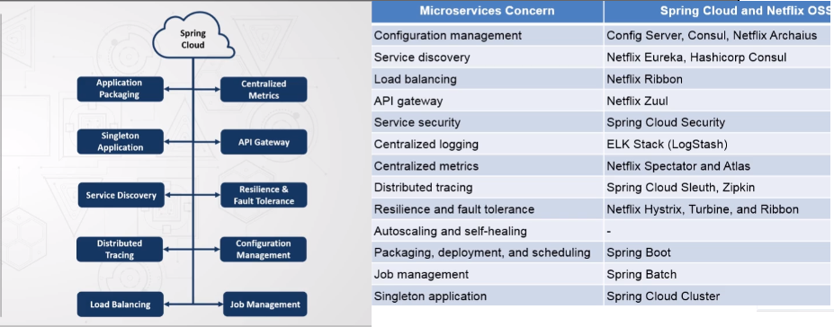
SpringBoot | Spring Framework / 5.0 Spring Boot 2.0, Spring Boot 2.0 Internals and features Web Development Data Access Testing Actuator Security Messaging Reactor and Webflux Integration and Cloud Stream Microservices and Cloud Extending Spring Boot | Spring Ecosystem -Going beyond dependency injection Overview of changes -Highlights of more recent 4.x updates -Highlights of Spring 5 update Annotations update -New annotations Reactive applications -Introduction to Reactive applications -Reactive support in Spring 5 -Web Development with Spring WebFlux Easier and better testing -JUnit 5 support -MockMVC Testing framework -Spring Boot Testing
SC-Infrastructre Features | Registration, Discovery, Configuration, Monitoring
SC-Projects | Config, Bus, CloudFoundry, Cluster, Consul, Stream, DataFlow, Task, CLI | Finchley (Sboot -2.0), Dalston(1.5x), Edgware(1.5x), Camden(1.4x), Brixton(1.3x), Angle(1.2x)
SC-Core Features | Service Discovery, Circuit Breaker, Config Server, API Gateway, Consumer driven contract, Business App, Routing, Distributed Messaging
Spring Cloud Projects/Products-

