Dominant Colors
Color | Hex | RGB | Stencil | Path
 | #215538 | [33, 85, 56] | 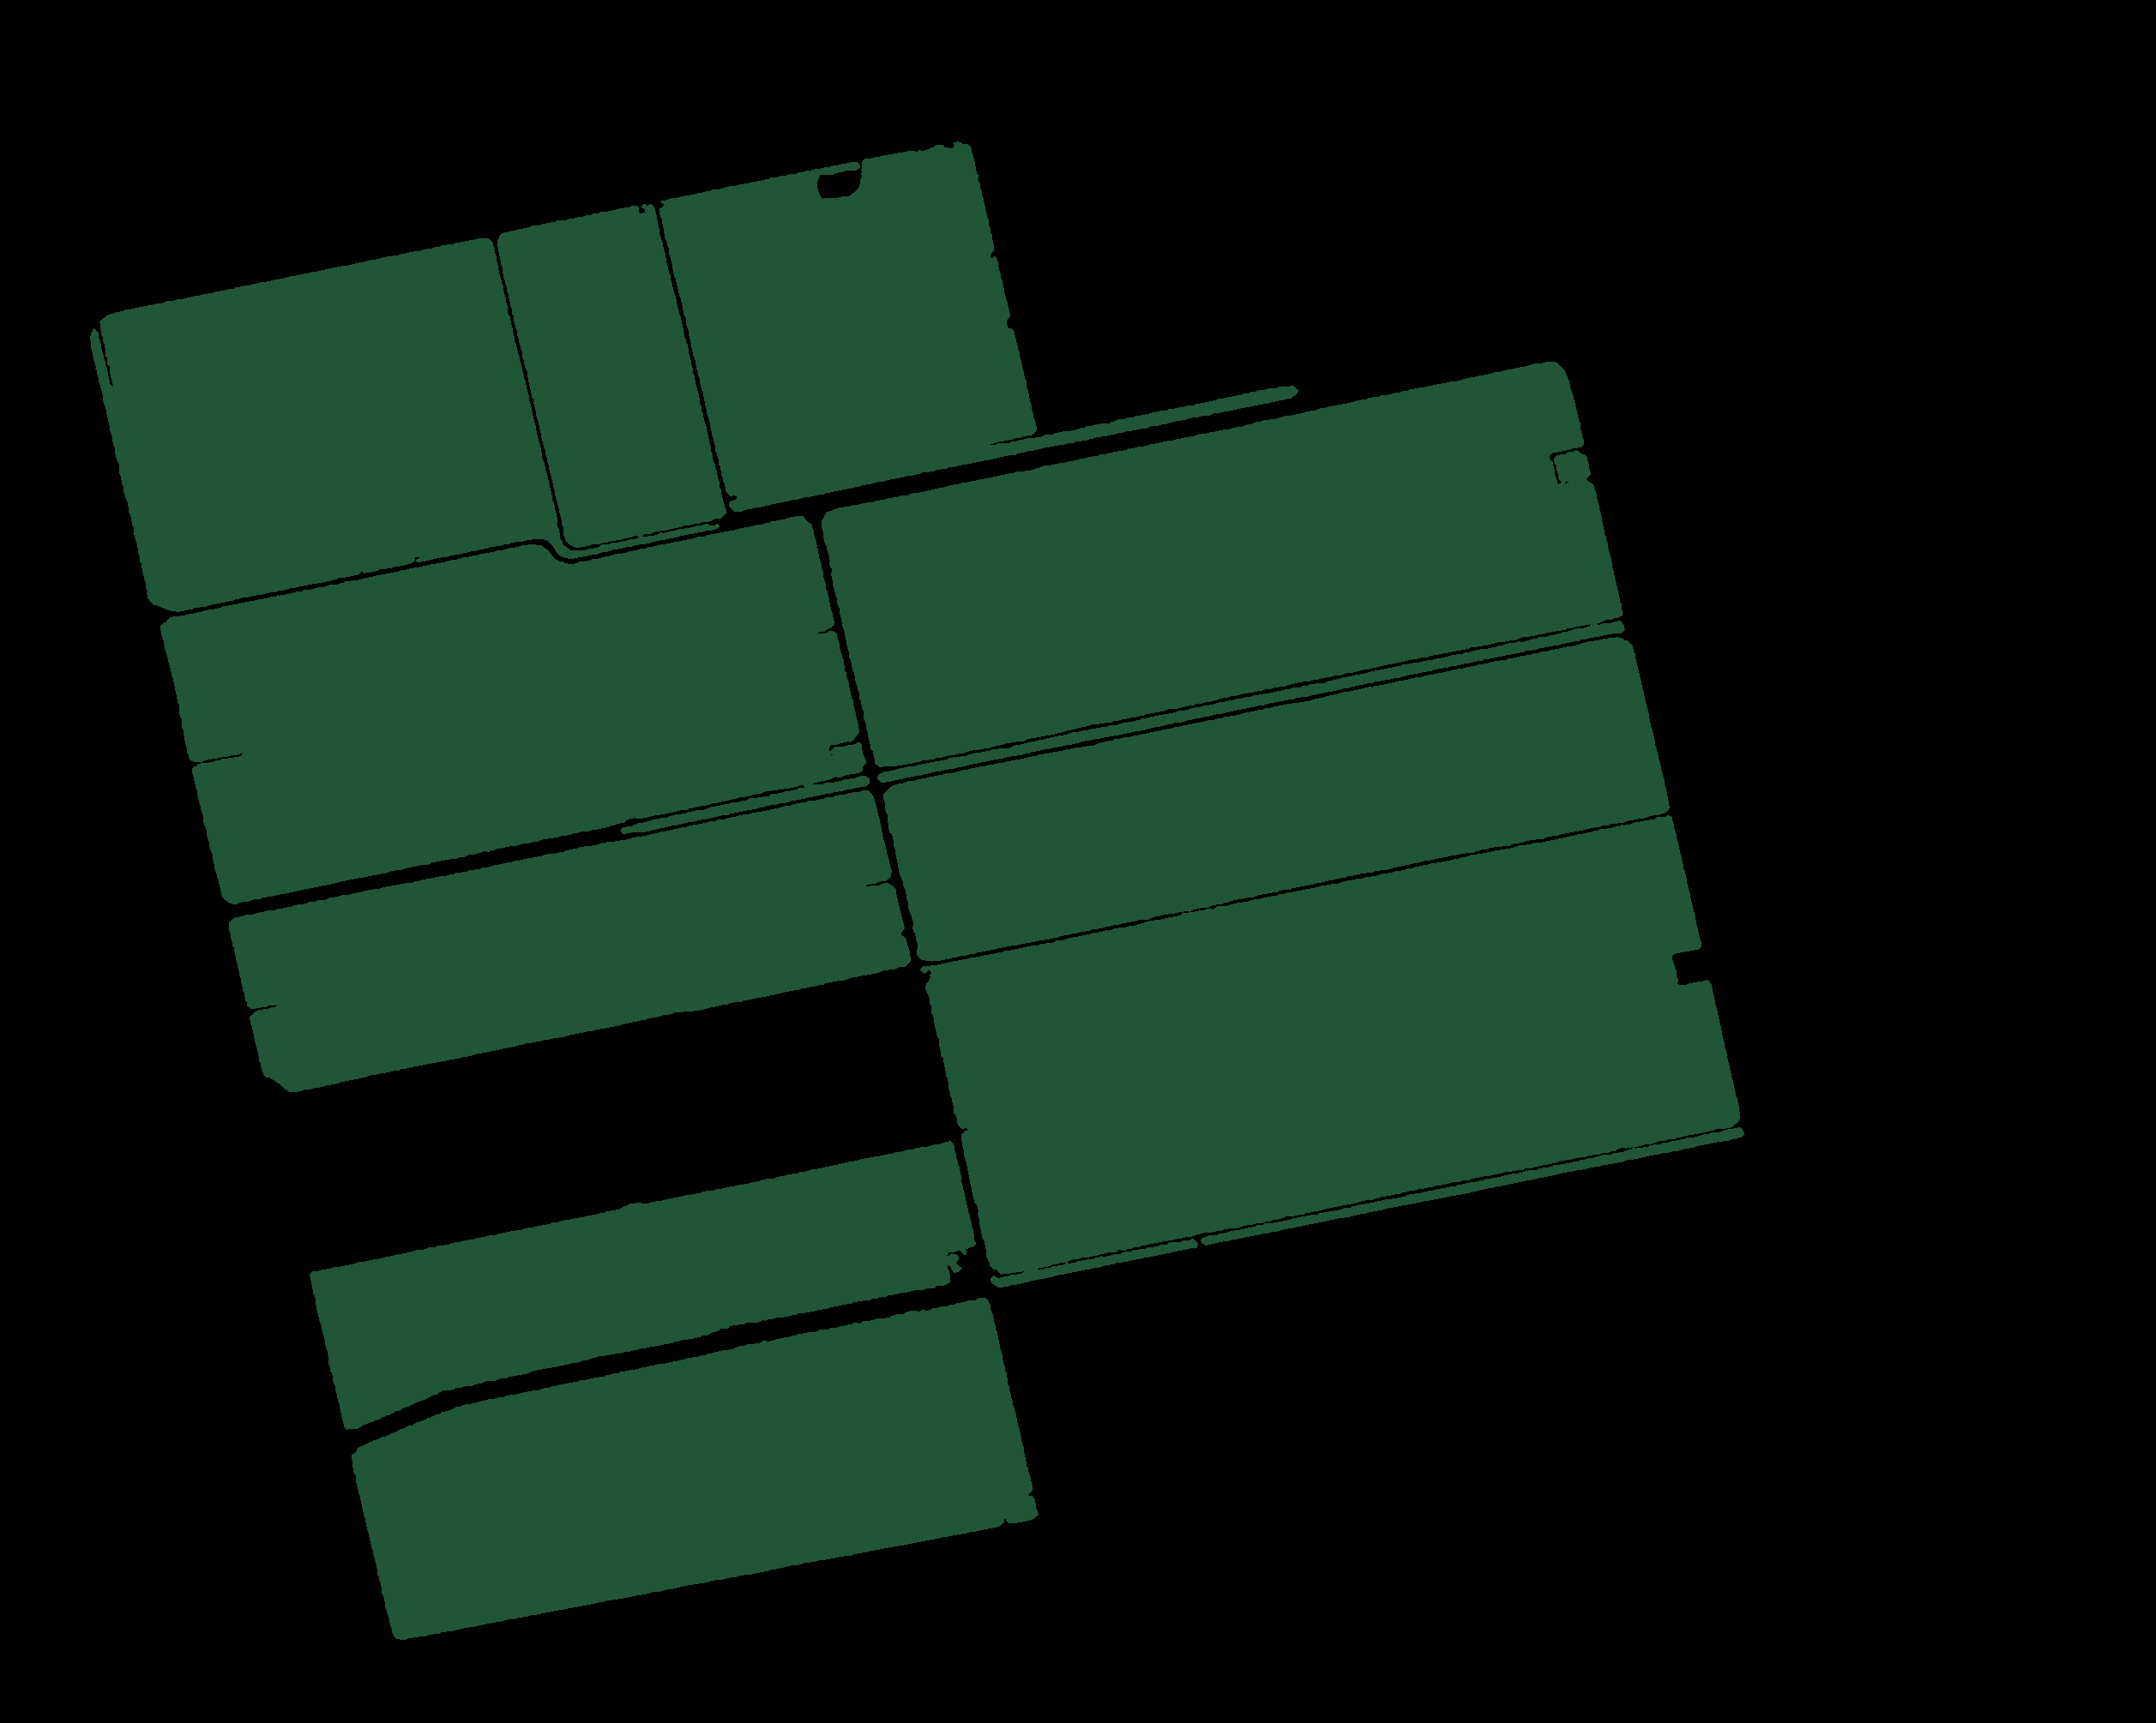 | static/uploads/stencils/stencil_0.png
 | #8aa79e | [138, 167, 158] |  | static/uploads/stencils/stencil_1.png
 | #d7d7d3 | [215, 215, 211] |  | static/uploads/stencils/stencil_2.png
 | #598074 | [89, 128, 116] | 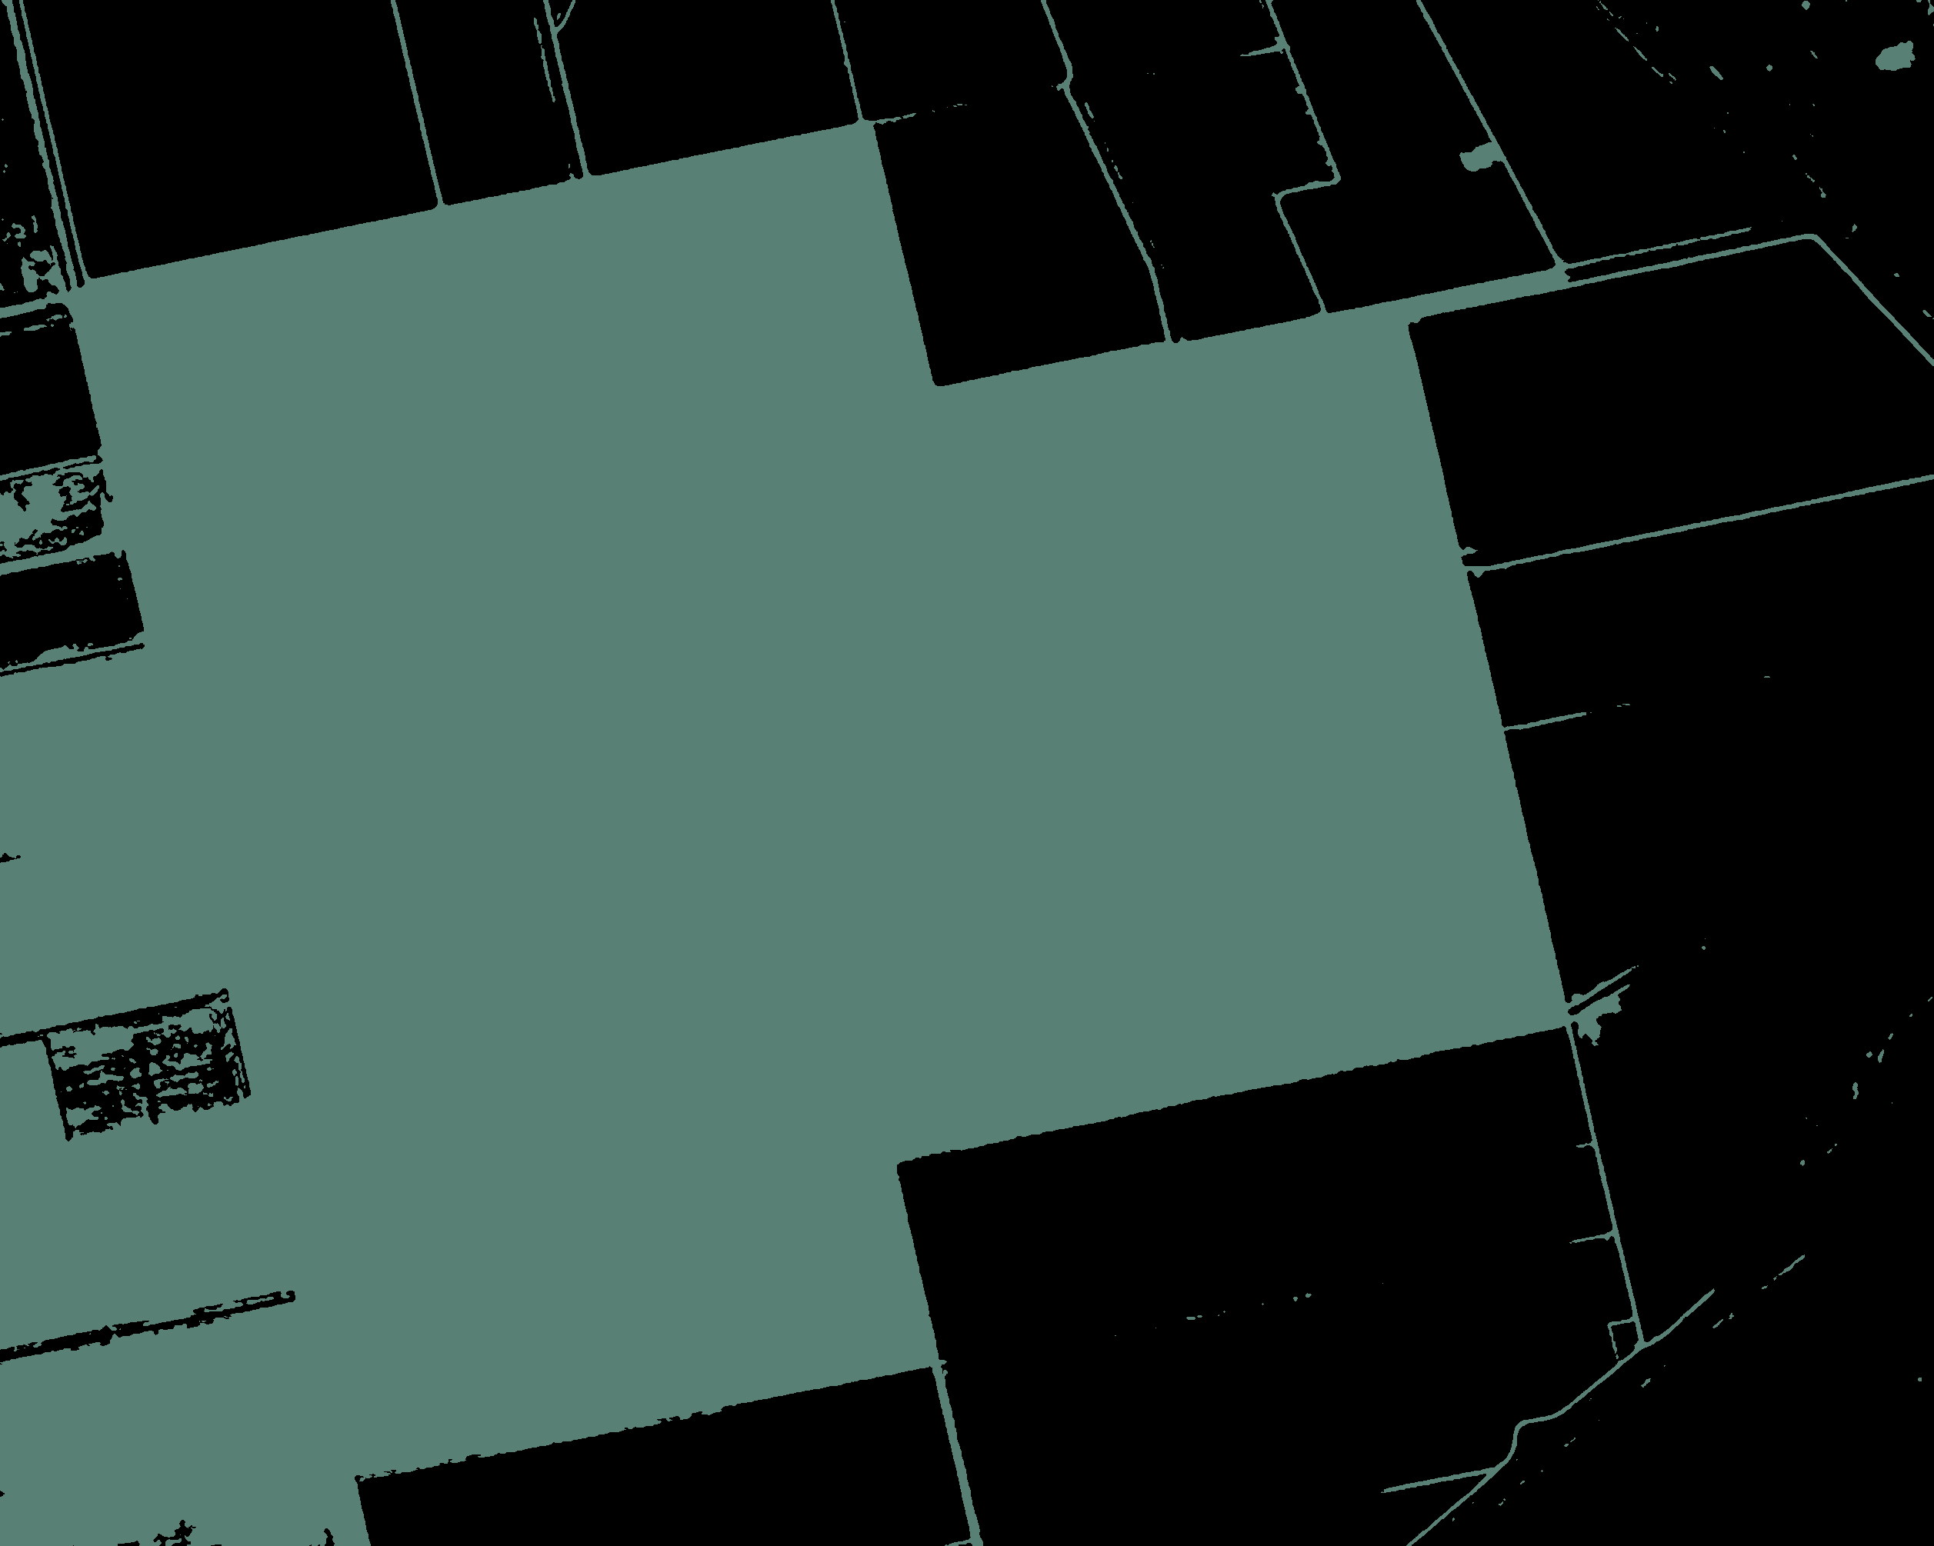 | static/uploads/stencils/stencil_3.png

