Dominant Colors
Color | Hex | RGB | Stencil | Path
 | #4d504f | [77, 80, 79] |  | static/uploads/stencils/stencil_0.png
 | #626a67 | [98, 106, 103] |  | static/uploads/stencils/stencil_1.png
 | #999a98 | [153, 154, 152] | 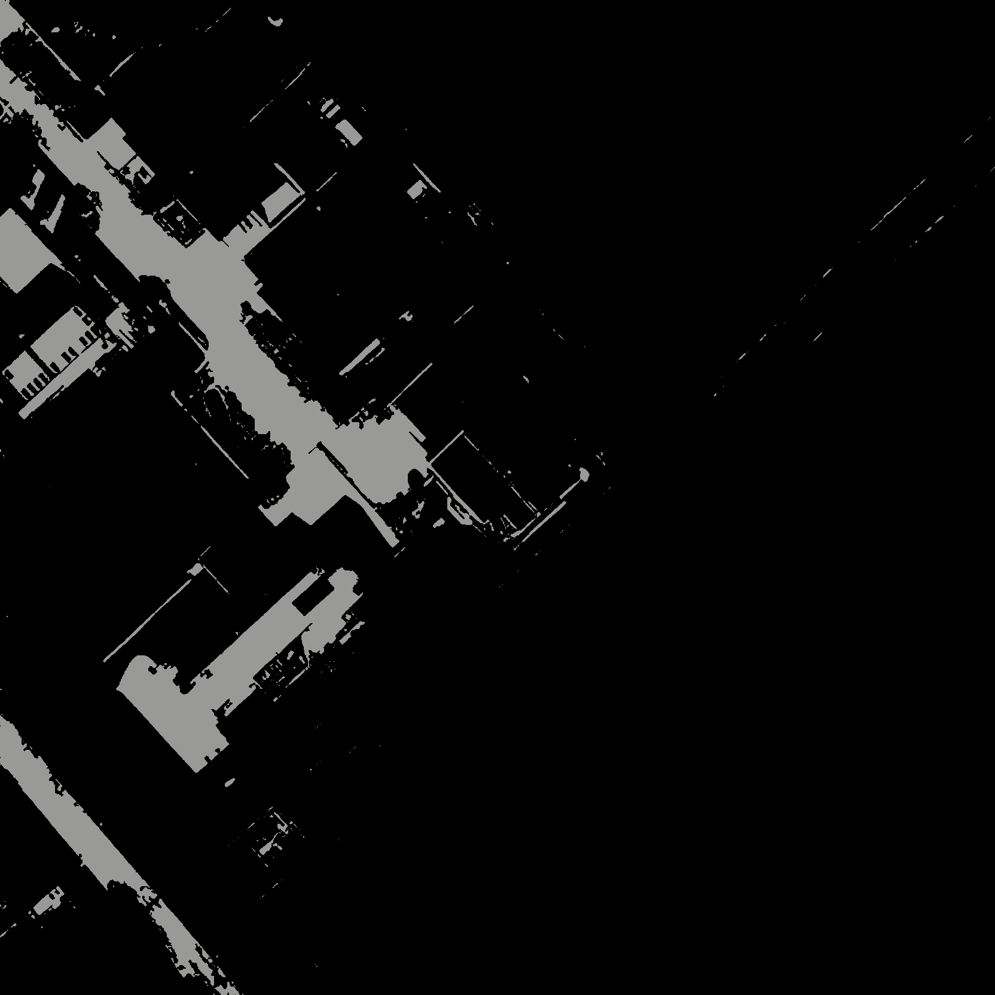 | static/uploads/stencils/stencil_2.png
 | #747a7d | [116, 122, 125] | 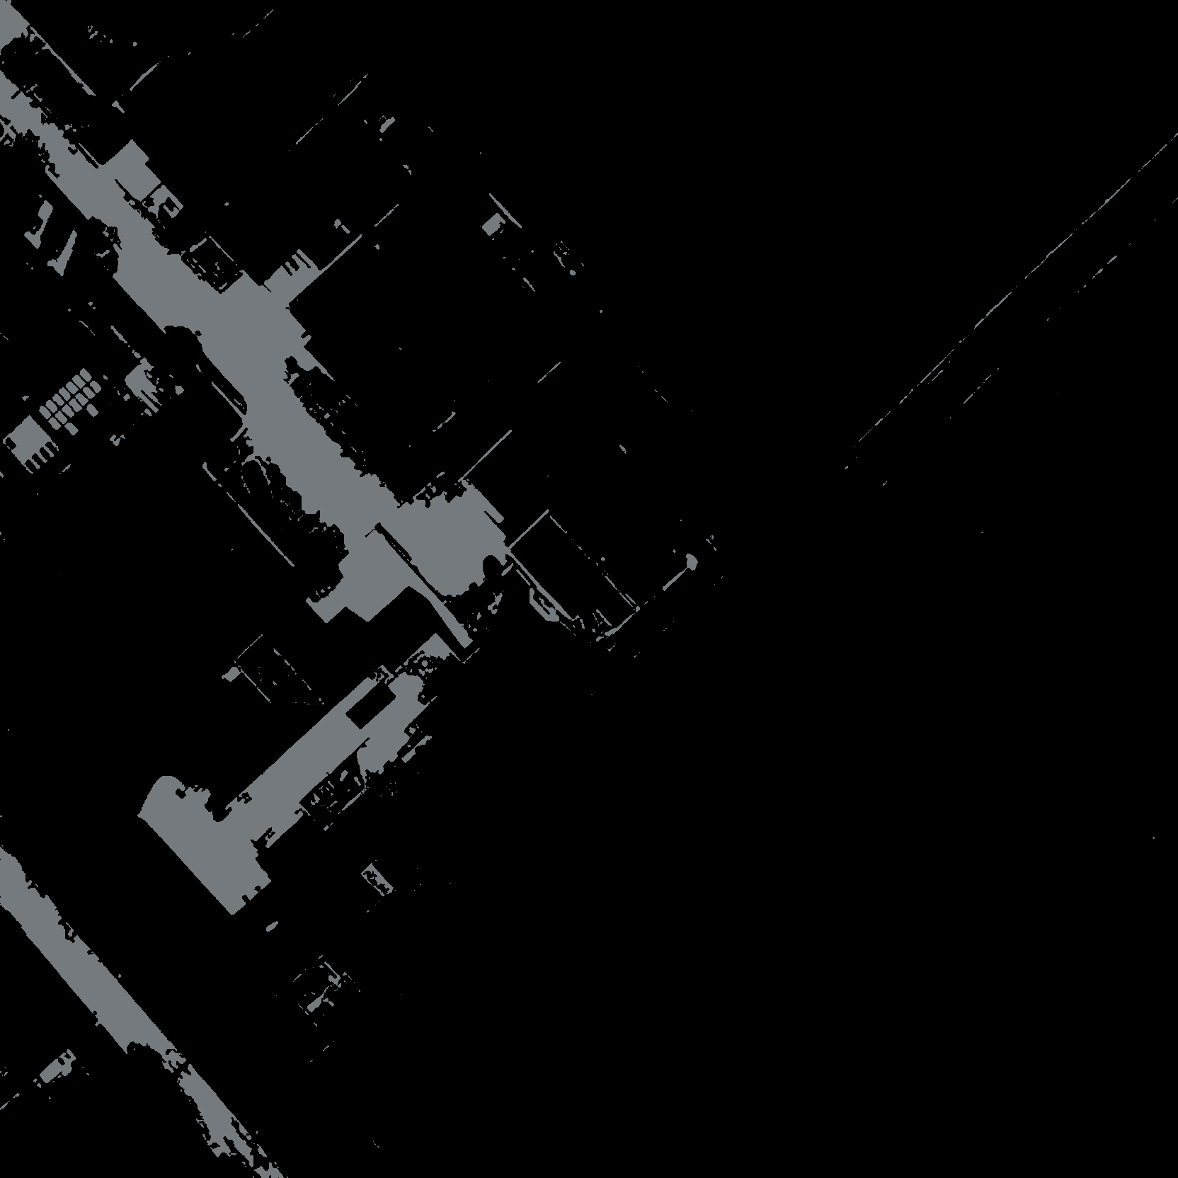 | static/uploads/stencils/stencil_3.png

