TOTAL ENROLEE K-6 PER A.Y.
Row Labels | Sum of Enrollees_K | Sum of Enrollees_G1 | Sum of Enrollees_G2 | Sum of Enrollees_G3 | Sum of Enrollees_G4 | Sum of Enrollees_G5 | Sum of Enrollees_G6
SY 2010-2011 | 1233313 | 2837387 | 2306644 | 2139934 | 2034450 | 1916665 | 1770379
SY 2011-2012 | 1671254 | 2906231 | 2337378 | 2157465 | 2051245 | 1956942 | 1817627
SY 2012-2013 | 1773505 | 2762527 | 2426057 | 2191076 | 2063463 | 1965628 | 1850738
SY 2013-2014 | 1865807 | 2403302 | 2545764 | 2307762 | 2114148 | 1994652 | 1880220
SY 2014-2015 | 1812960 | 2279125 | 2267048 | 2476077 | 2251432 | 2060971 | 1929935
SY 2015-2016 | 1737313 | 2110567 | 2182672 | 2216155 | 2411520 | 2196105 | 1998426
SY 2016-2017 | 1596754 | 1964338 | 2051763 | 2152883 | 2180849 | 2355863 | 2137989
SY 2017-2018 | 2023322 | 1733379 | 1918489 | 2022639 | 2114589 | 2137411 | 2287531
SY 2018-2019 | 2110675 | 2115902 | 1736403 | 1908656 | 2004883 | 2090783 | 2096303
SY 2019-2020 | 1791076 | 2206766 | 2080222 | 1729114 | 1893511 | 1986978 | 2056001
SY 2020-2021 | 1927619 | 1911095 | 2168542 | 2065527 | 1716997 | 1883581 | 1953530
Grand Total | 19543598 | 25230619 | 24020982 | 23367288 | 22837087 | 22545579 | 21778679
TOTAL ENROLEES K-6 PER A.Y.

TOTAL TEACHERS ELEM
Total Elementary Teachers Per A.Y.
Row Labels | Sum of Teachers_Elementary
SY 2010-2011 | 361564
SY 2011-2012 | 363955
SY 2012-2013 | 377831
SY 2013-2014 | 401913
SY 2014-2015 | 417848
SY 2015-2016 | 448966
SY 2016-2017 | 450134
SY 2017-2018 | 462299
SY 2018-2019 | 484406
SY 2019-2020 | 497200
SY 2020-2021 | 514099
Grand Total | 4780215

TOTAL ELEM TEACHERS PER REGION
Row Labels | Sum of Teachers_Elementary
BARMM - Bangsamoro Autonomous Region in Muslim Mindanao | 165852
CAR - Cordillera Administrative Region | 103477
CARAGA - CARAGA | 159481
NCR - National Capital Region | 387364
Region I - Ilocos Region | 263013
Region II - Cagayan Valley | 190750
Region III - Central Luzon | 463752
Region IV-A - CALABARZON | 525493
Region IV-B - MIMAROPA | 177466
Region IX - Zamboanga Peninsula | 218949
Region V - Bicol Region | 355481
Region VI - Western Visayas | 409793
Region VII - Central Visayas | 363234
Region VIII - Eastern Visayas | 291426
Region X - Northern Mindanao | 243560
Region XI - Davao Region | 234639
Region XII - Soccsksargen | 226485
Grand Total | 4780215

TOTAL ENROLEES K-6 PER REGION
Row Labels | Sum of Enrollees_K | Sum of Enrollees_G1 | Sum of Enrollees_G2 | Sum of Enrollees_G3 | Sum of Enrollees_G4 | Sum of Enrollees_G5 | Sum of Enrollees_G6
BARMM - Bangsamoro Autonomous Region in Muslim Mindanao | 926330 | 1411060 | 1230785 | 1068279 | 930846 | 808514 | 719859
CAR - Cordillera Administrative Region | 323413 | 390687 | 381637 | 374733 | 373223 | 372534 | 363124
CARAGA - CARAGA | 622143 | 783264 | 741600 | 718600 | 702787 | 689443 | 661135
NCR - National Capital Region | 1542221 | 2264418 | 2170017 | 2143069 | 2119600 | 2124819 | 2083482
Region I - Ilocos Region | 988881 | 1117708 | 1108393 | 1098261 | 1094369 | 1105478 | 1092363
Region II - Cagayan Valley | 681257 | 828141 | 807269 | 787302 | 773158 | 769544 | 749680
Region III - Central Luzon | 2039445 | 2487812 | 2405486 | 2362029 | 2337814 | 2342563 | 2291411
Region IV-A - CALABARZON | 2402721 | 3097038 | 2969942 | 2914941 | 2869499 | 2860946 | 2788796
Region IV-B - MIMAROPA | 723728 | 896089 | 853980 | 831570 | 812563 | 800087 | 768404
Region IX - Zamboanga Peninsula | 843307 | 1125745 | 1040119 | 1005875 | 973501 | 947260 | 897940
Region V - Bicol Region | 1415943 | 1790729 | 1701960 | 1669348 | 1642436 | 1631213 | 1590321
Region VI - Western Visayas | 1445329 | 1923921 | 1860858 | 1826402 | 1800371 | 1789670 | 1737953
Region VII - Central Visayas | 1525353 | 1917845 | 1833270 | 1804192 | 1772550 | 1763330 | 1705075
Region VIII - Eastern Visayas | 1023307 | 1270215 | 1223050 | 1204661 | 1190112 | 1182749 | 1149917
Region X - Northern Mindanao | 1047835 | 1331458 | 1242565 | 1191731 | 1150671 | 1117646 | 1059549
Region XI - Davao Region | 978617 | 1340967 | 1255424 | 1214101 | 1176277 | 1152579 | 1090422
Region XII - Soccsksargen | 1013768 | 1253522 | 1194627 | 1152194 | 1117310 | 1087204 | 1029248
Grand Total | 19543598 | 25230619 | 24020982 | 23367288 | 22837087 | 22545579 | 21778679

DASHBOARD
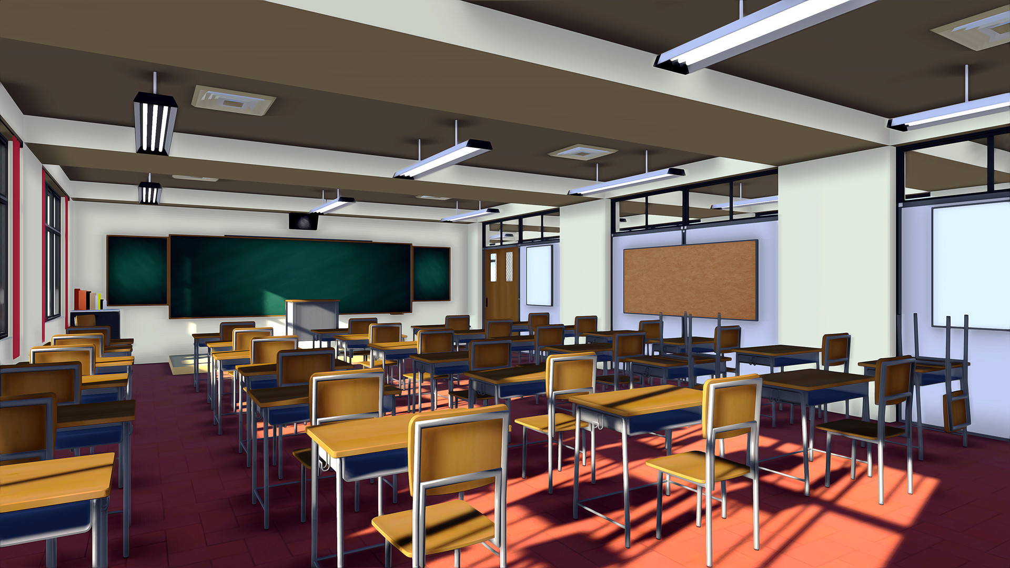

GROUP 12 - ENROLEES AND ELEMENTARY TEACHER EMPLOYMENT IN PUBLIC SCHOOLS

TOTAL ENROLEES K-6 PER A.Y.
 | Sum of Enrollees_K | Sum of Enrollees_G1 | Sum of Enrollees_G2 | Sum of Enrollees_G3 | Sum of Enrollees_G4 | Sum of Enrollees_G5 | Sum of Enrollees_G6
SY 2010-2011 | 1233313 | 2837387 | 2306644 | 2139934 | 2034450 | 1916665 | 1770379
SY 2011-2012 | 1671254 | 2906231 | 2337378 | 2157465 | 2051245 | 1956942 | 1817627
SY 2012-2013 | 1773505 | 2762527 | 2426057 | 2191076 | 2063463 | 1965628 | 1850738
SY 2013-2014 | 1865807 | 2403302 | 2545764 | 2307762 | 2114148 | 1994652 | 1880220
SY 2014-2015 | 1812960 | 2279125 | 2267048 | 2476077 | 2251432 | 2060971 | 1929935
SY 2015-2016 | 1737313 | 2110567 | 2182672 | 2216155 | 2411520 | 2196105 | 1998426
SY 2016-2017 | 1596754 | 1964338 | 2051763 | 2152883 | 2180849 | 2355863 | 2137989
SY 2017-2018 | 2023322 | 1733379 | 1918489 | 2022639 | 2114589 | 2137411 | 2287531
SY 2018-2019 | 2110675 | 2115902 | 1736403 | 1908656 | 2004883 | 2090783 | 2096303
SY 2019-2020 | 1791076 | 2206766 | 2080222 | 1729114 | 1893511 | 1986978 | 2056001
SY 2020-2021 | 1927619 | 1911095 | 2168542 | 2065527 | 1716997 | 1883581 | 1953530
TOTAL ELEMENTARY TEACHERS PER A.Y.
 | Total
SY 2010-2011 | 361564
SY 2011-2012 | 363955
SY 2012-2013 | 377831
SY 2013-2014 | 401913
SY 2014-2015 | 417848
SY 2015-2016 | 448966
SY 2016-2017 | 450134
SY 2017-2018 | 462299
SY 2018-2019 | 484406
SY 2019-2020 | 497200
SY 2020-2021 | 514099



TOTAL ELEMENTARY TEACHERS PER REGION
 | Total
BARMM - Bangsamoro Autonomous Region in Muslim Mindanao | 165852
CAR - Cordillera Administrative Region | 103477
CARAGA - CARAGA | 159481
NCR - National Capital Region | 387364
Region I - Ilocos Region | 263013
Region II - Cagayan Valley | 190750
Region III - Central Luzon | 463752
Region IV-A - CALABARZON | 525493
Region IV-B - MIMAROPA | 177466
Region IX - Zamboanga Peninsula | 218949
Region V - Bicol Region | 355481
Region VI - Western Visayas | 409793
Region VII - Central Visayas | 363234
Region VIII - Eastern Visayas | 291426
Region X - Northern Mindanao | 243560
Region XI - Davao Region | 234639
Region XII - Soccsksargen | 226485

TOTAL ENROLEES K-6 PER REGION
 | Sum of Enrollees_K | Sum of Enrollees_G1 | Sum of Enrollees_G2 | Sum of Enrollees_G3 | Sum of Enrollees_G4 | Sum of Enrollees_G5 | Sum of Enrollees_G6
BARMM - Bangsamoro Autonomous Region in Muslim Mindanao | 926330 | 1411060 | 1230785 | 1068279 | 930846 | 808514 | 719859
CAR - Cordillera Administrative Region | 323413 | 390687 | 381637 | 374733 | 373223 | 372534 | 363124
CARAGA - CARAGA | 622143 | 783264 | 741600 | 718600 | 702787 | 689443 | 661135
NCR - National Capital Region | 1542221 | 2264418 | 2170017 | 2143069 | 2119600 | 2124819 | 2083482
Region I - Ilocos Region | 988881 | 1117708 | 1108393 | 1098261 | 1094369 | 1105478 | 1092363
Region II - Cagayan Valley | 681257 | 828141 | 807269 | 787302 | 773158 | 769544 | 749680
Region III - Central Luzon | 2039445 | 2487812 | 2405486 | 2362029 | 2337814 | 2342563 | 2291411
Region IV-A - CALABARZON | 2402721 | 3097038 | 2969942 | 2914941 | 2869499 | 2860946 | 2788796
Region IV-B - MIMAROPA | 723728 | 896089 | 853980 | 831570 | 812563 | 800087 | 768404
Region IX - Zamboanga Peninsula | 843307 | 1125745 | 1040119 | 1005875 | 973501 | 947260 | 897940
Region V - Bicol Region | 1415943 | 1790729 | 1701960 | 1669348 | 1642436 | 1631213 | 1590321
Region VI - Western Visayas | 1445329 | 1923921 | 1860858 | 1826402 | 1800371 | 1789670 | 1737953
Region VII - Central Visayas | 1525353 | 1917845 | 1833270 | 1804192 | 1772550 | 1763330 | 1705075
Region VIII - Eastern Visayas | 1023307 | 1270215 | 1223050 | 1204661 | 1190112 | 1182749 | 1149917
Region X - Northern Mindanao | 1047835 | 1331458 | 1242565 | 1191731 | 1150671 | 1117646 | 1059549
Region XI - Davao Region | 978617 | 1340967 | 1255424 | 1214101 | 1176277 | 1152579 | 1090422
Region XII - Soccsksargen | 1013768 | 1253522 | 1194627 | 1152194 | 1117310 | 1087204 | 1029248

