Sheet1
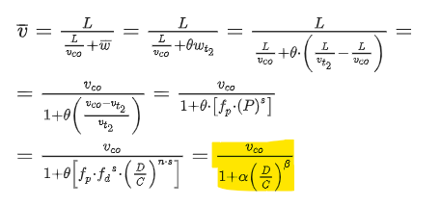
 |  |  | link_id | link_seq | VDF_cp | VDF_cd | VDF_n | VDF_s | VDF_alpha | VDF_beta | length | capacity | lanes | ultimate_capacity | free_speed | cutoff_speed | fftt | volume | VDF_plf | demand | D/C | speed | travel_time | waiting_time | Queued Demand | P | Flow(mu) | Density | V/C | Gamma | t0 | t2 | t3 | t0' | t3'
ultimate_capacity | c | 1750 | 139 | 1 | 0.24 | 1 | 1.24 | 4 | 0.128 | 4.96 | 1.11 | 1750 | 4 | 7000 | 70 | 49 | 0.95142857143 | 7500 | 1 | 7500 | 1.0714285714 | 59.31 | 0.02 | 0.0028579359823 | 7500 | 1.0893172901 | 1721.2615801 | 29.02121277 | 0.98357804578 | 1.6376574462 | 6.955341355 | 7.5 | 8.044658645 | 6.955341355 | 8.044658645
flatness of curve | mm | 4.4 | 84 | 2 | 0.24 | 1 | 1.24 | 4 | 0.128 | 4.96 | 1.14 | 1750 | 4 | 7000 | 70 | 49 | 0.97714285714 | 5500 | 1 | 5500 | 0.78571428571 | 67.39 | 0.02 | 0.0006302740731 | 5500 | 0.74152904286 | 1750 | 25.967525989 | 1 | 1.3565948808 | 7.1292354786 | 7.5 | 7.8707645214 | 7.1292354786 | 7.8707645214
critical speed | uc | 51.081803699 | 78 | 3 | 0.24 | 1 | 1.24 | 4 | 0.128 | 4.96 | 1.04 | 1750 | 4 | 7000 | 70 | 49 | 0.89142857143 | 6500 | 1 | 6500 | 0.92857142857 | 64.30 | 0.02 | 0.001316767926 | 6500 | 0.91220194229 | 1750 | 27.21571526 | 1 | 1.4528718269 | 7.0438990289 | 7.5 | 7.9561009711 | 7.0438990289 | 7.9561009711
critical density | dc | 34.258774618 | 137 | 4 | 0.24 | 1 | 1.24 | 4 | 0.128 | 4.96 | 1.3 | 1750 | 4 | 7000 | 70 | 49 | 1.1142857143 | 8500 | 1 | 8500 | 1.2142857143 | 52.42 | 0.02 | 0.0062271148399 | 8500 | 1.272207344 | 1670.3252108 | 31.862794039 | 0.95447154902 | 1.8612195206 | 6.863896328 | 7.5 | 8.136103672 | 6.863896328 | 8.136103672
free flow speed | uf | 70

 | alpha | 0.53
 | beta | 1.0754606189
 | n | 1.43
 | s | 0.75
 | cd | 1.00
 | cp | 1.00

