Figure 1B
Figure 1B | Raw Gel Image
1 | An saRNA construct was used in an IVT reaction to generate RNA composed of canonical or modified nucleotides, as indicated below.
1 | From left to right, Canonical, m5C, m5U, m5C/m5U, m1ψ, Ladder.
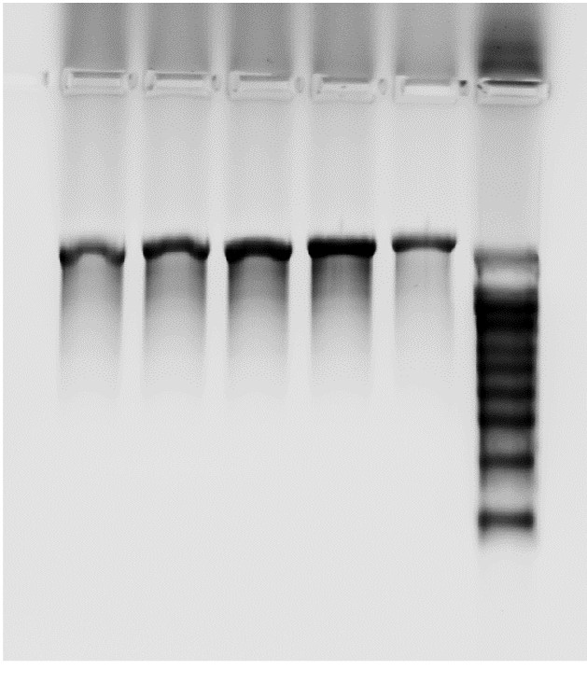
1
1
1
1
1
1
1
1
1
1
1
1
1
1
1
1
1

Figure 1C
Figure 1C | Raw Membrane Image
1 | Various quantities of the indicated saRNA or dsRNA positive controls were loaded and evaluated side-by-side.
1 | Left side contains the dsRNA controls: Canonical, m5C, m5U, m5C/m5U, m1ψ. Right side contains the IVT saRNA: Canonical, m5C, m5U, m5C/m5U, m1ψ.
1 | Left side was loaded at a starting mass of 1ug (top dot) and serially diluted 1in4 downwards. Right side was done similarly, but the serial dilution was 1in2 since these samples were expected to have much less dsRNA.
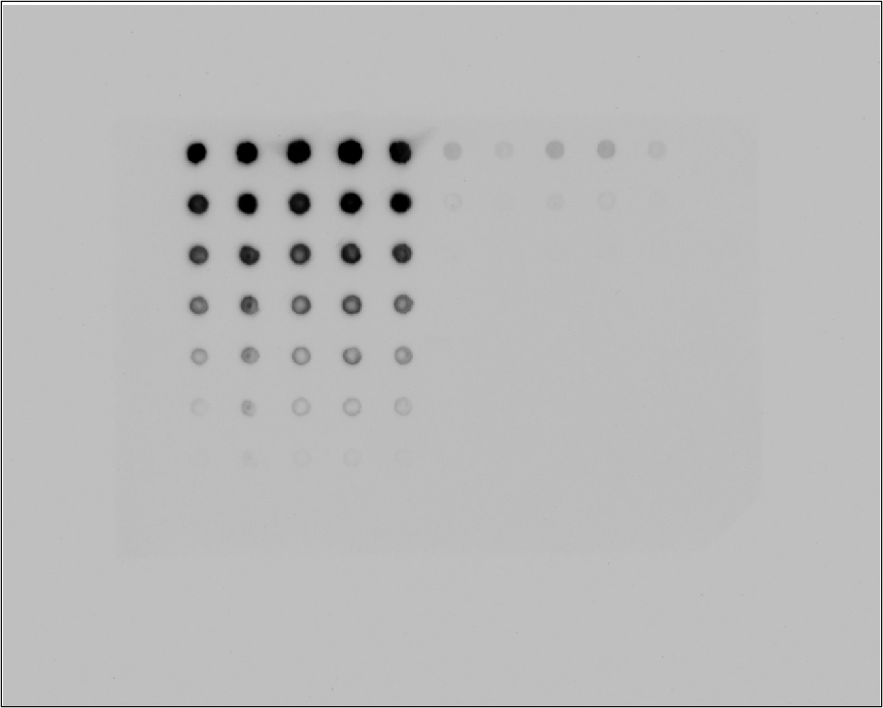
1
1
1
1
1
1
1
1
1
1
1
1
1
1
1
1
1
1
1
1
1
1
1
1

