Sheet1
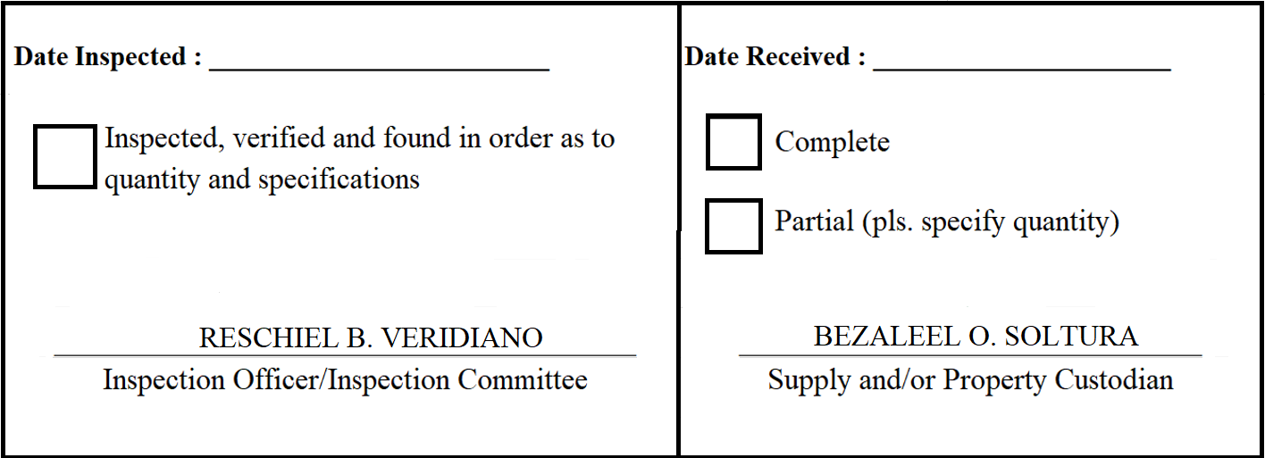
 |  | Appendix 62

INSPECTION AND ACCEPTANCE REPORT

Entity Name : ______________________________ |  | Fund Cluster : ______________

Supplier : | Twis Catering Services | IAR No. : | 2020-051
PO No./Date : | 2020-038 / 2020-02-27 | Date : | 2020-03-02
Requisitioning Office/Dept. : | LGMED | Invoice No. : | 1047
Responsibility Center Code : |  | Date : | 2020-03-02

Stock/ Property No. | Description | Unit | Quantity
S731 | Meals- Meeting on Establishing Sustainability Mechanisms for the Maintenance of Road Clearing Operations in Region IV-A cum Conduct of Post-Assessment Workshop on the Office of Undersecretary for Local Government & the Support for the Local Governance Pro | set | 20

