Sheet1
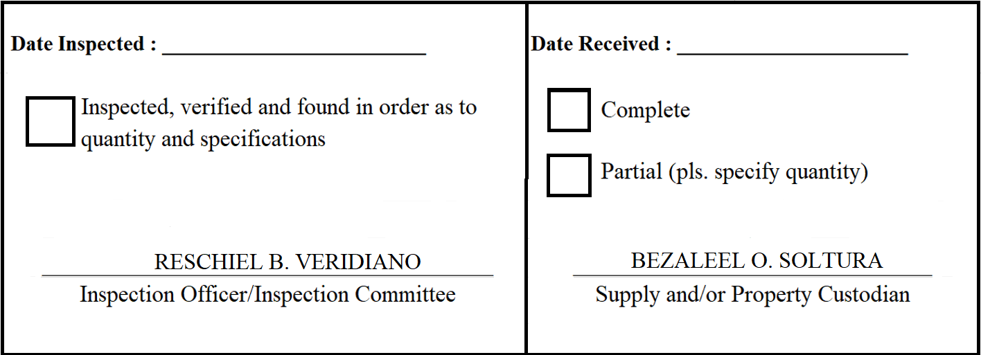
 |  | Appendix 62

INSPECTION AND ACCEPTANCE REPORT

Entity Name : ______________________________ |  | Fund Cluster : ______________

Supplier : | Twis Trading | IAR No. : | 2020-046
PO No./Date : | 2020-027 / 2020-02-17 | Date : | 2020-02-18
Requisitioning Office/Dept. : | FAD | Invoice No. : | 3927
Responsibility Center Code : |  | Date :

Stock/ Property No. | Description | Unit | Quantity
S629 | TV Cable Box | piece | 2
S631 | Television Bracket | piece | 1
S614 | Extension (3 gang, 6 meters) | piece | 15

