Aug 1
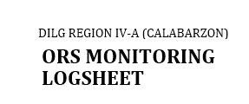


OFFICE |  |  |  |  | Finance and Administrative Division – Budget Section
QUALITY PROCEDURE TITLE |  |  |  |  | Processing and Payment of Claims
PERIOD |  |  |  |  | Month of : December Date : December 02, 2020

No. | Timeline |  |  |  | ORS Details

 | Date Received | Date Processed | Date Returned (incomplete docs.) | Date Released | ORS Number | Payee | Particular | Sub-Allotment Number/ Fund Source | PPA | UACS Code | Amount | Processing Day | Remarks

