Sheet1
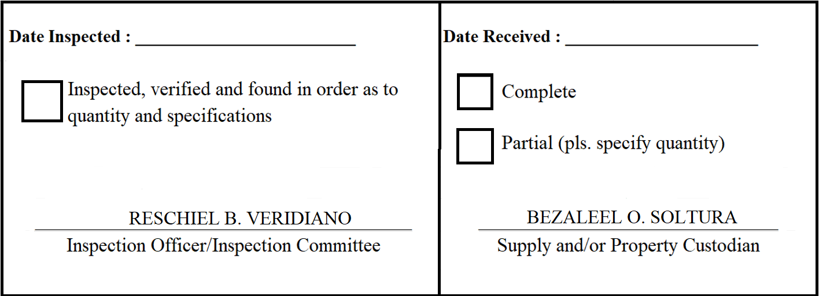
 |  | Appendix 62

INSPECTION AND ACCEPTANCE REPORT

Entity Name : ______________________________ |  | Fund Cluster : ______________

Supplier : | ASR Computer Trading and Services | IAR No. : | 2020-060
PO No./Date : | 2020-033 / 2020-02-20 | Date : | 2020-03-11
Requisitioning Office/Dept. : | FAD | Invoice No. : | 224
Responsibility Center Code : |  | Date : | 2020-03-11

Stock/ Property No. | Description | Unit | Quantity
S334 | WIDE SCREEN 65" TV DISPLAY LED SMART TV, 65" Resolution: 3840x2160, 4K UHD Widescreen: Yes Screen Mirror/Wireless Projection: Yes HDMI: Yes Component: USB, Ethernet, Composite Video Input Terminal/s: RF Connection, VGA Accessories: Wall Bracket, HDMI Cable and Digital TV Box Warranty: One (1) year on parts and services Note: Include supply, delivery and installation | set | 1

