Sheet1
1 Issuances

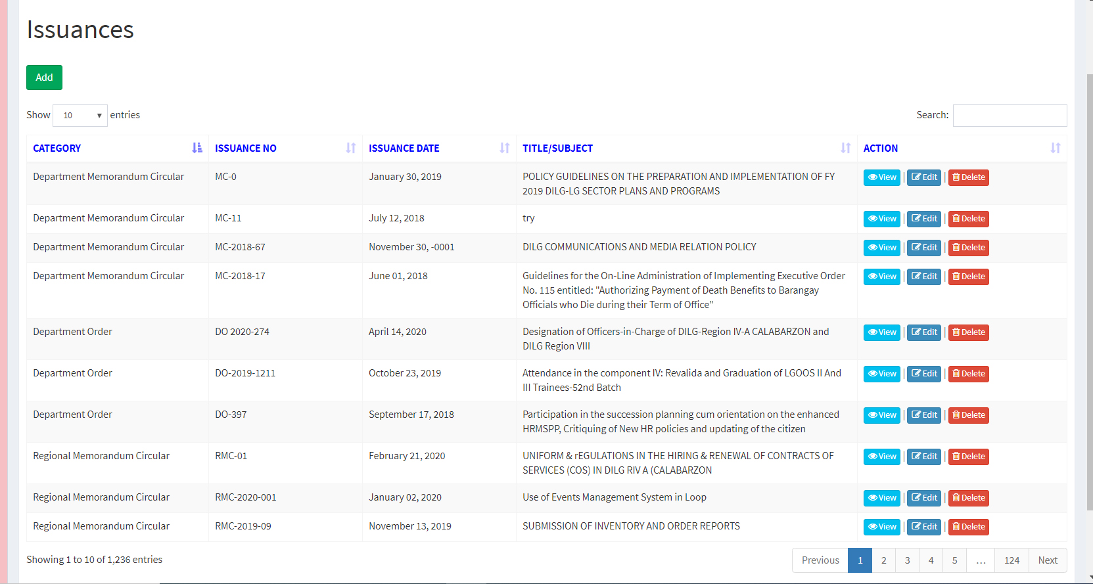

Center Titles

show Edit and Delete for uploader's office.

 | ok

Sheet2
*

DEFORM
2. Add Issuances

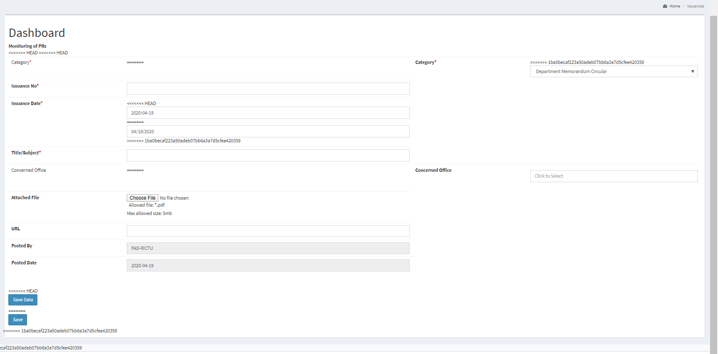

display current date
mm/dd/yyyy

bold

Save

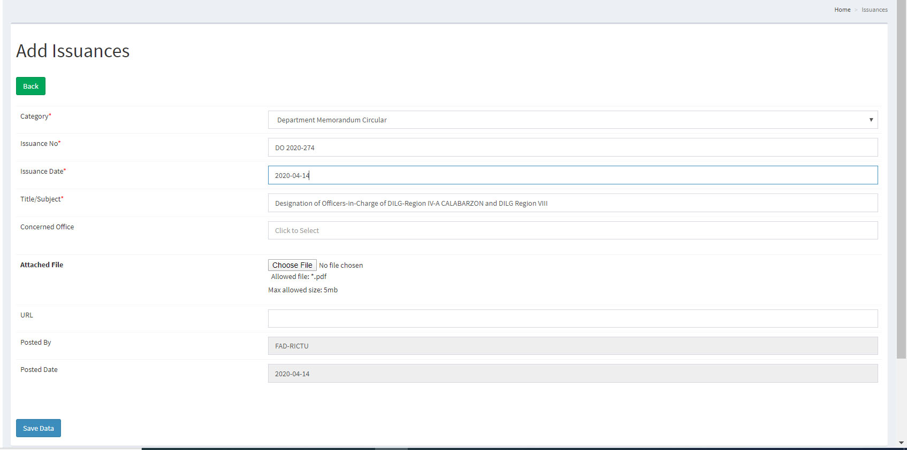

 | ok

Sheet3
3. View Issuances
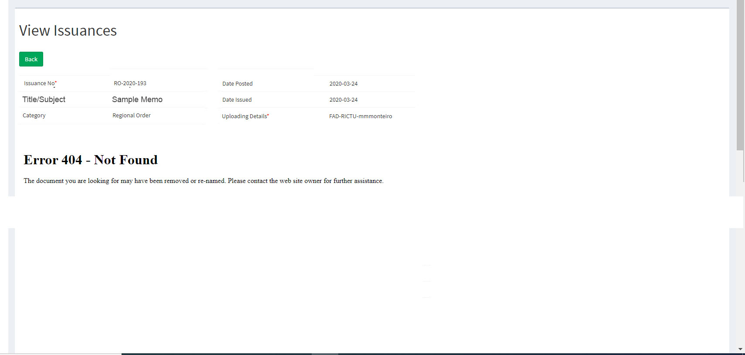

Upload the files
Display the file.

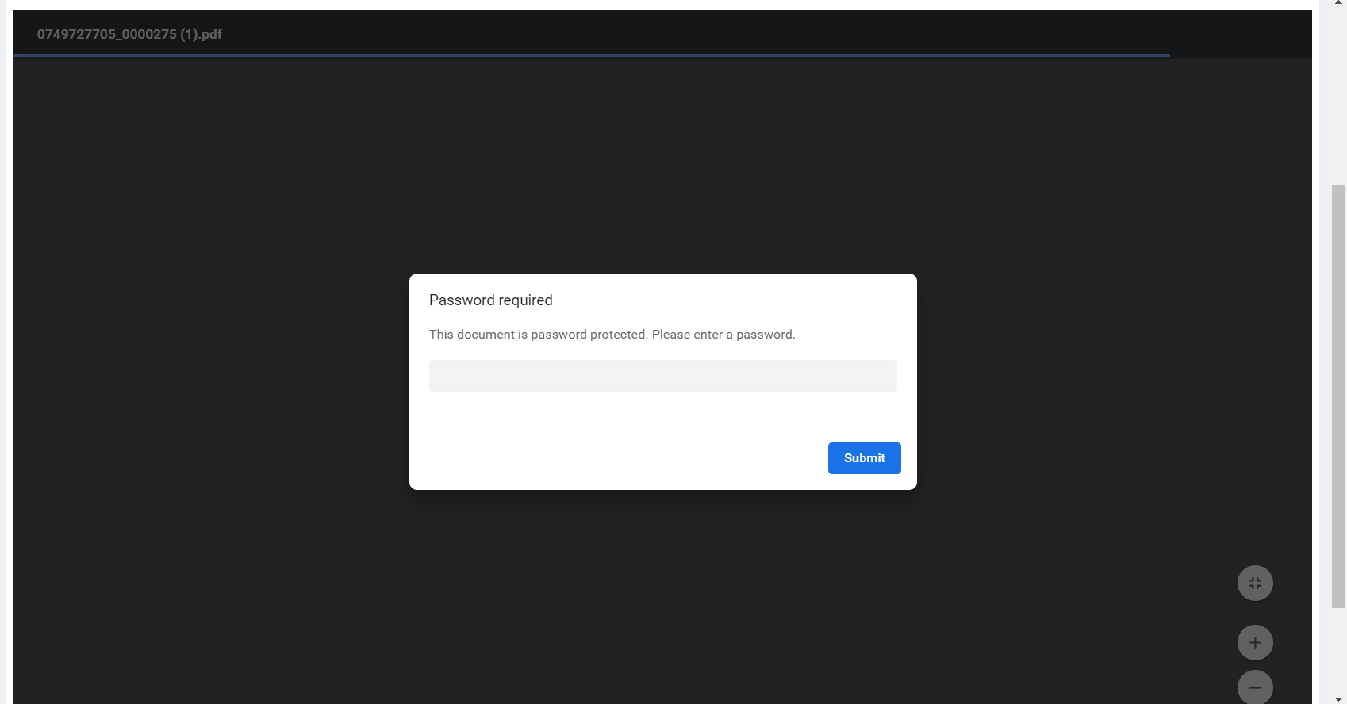

why is it asking for password

Sheet4
4. Edit Issuances
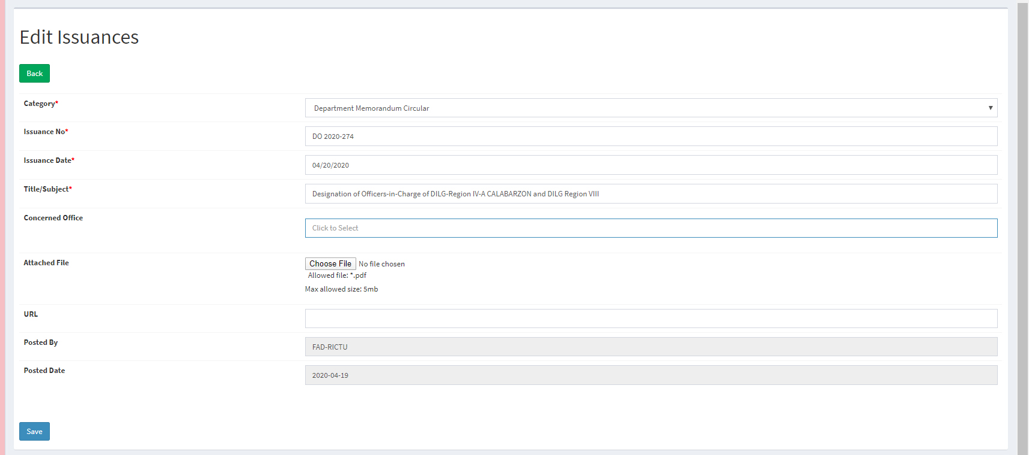

*

After clicking Save, this would be displayed. NOT POP-UP

updated

 | ok

Sheet5
Ang gulo. Ayusin naman ang grouping box at alignment
5. Concerned Office

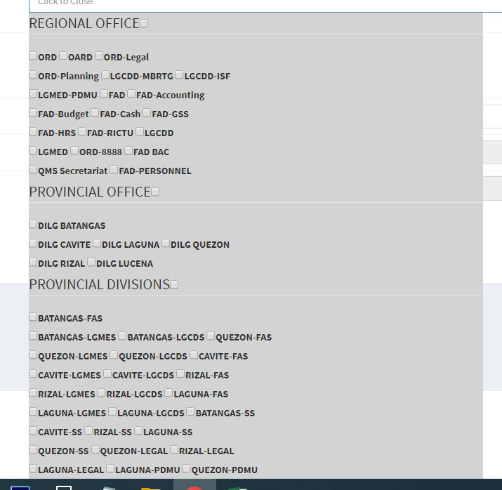

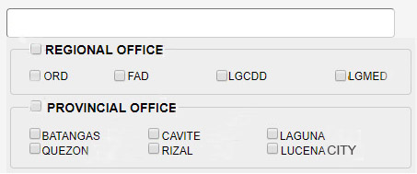

Simplehan na lang

Sheet6
6. Databank

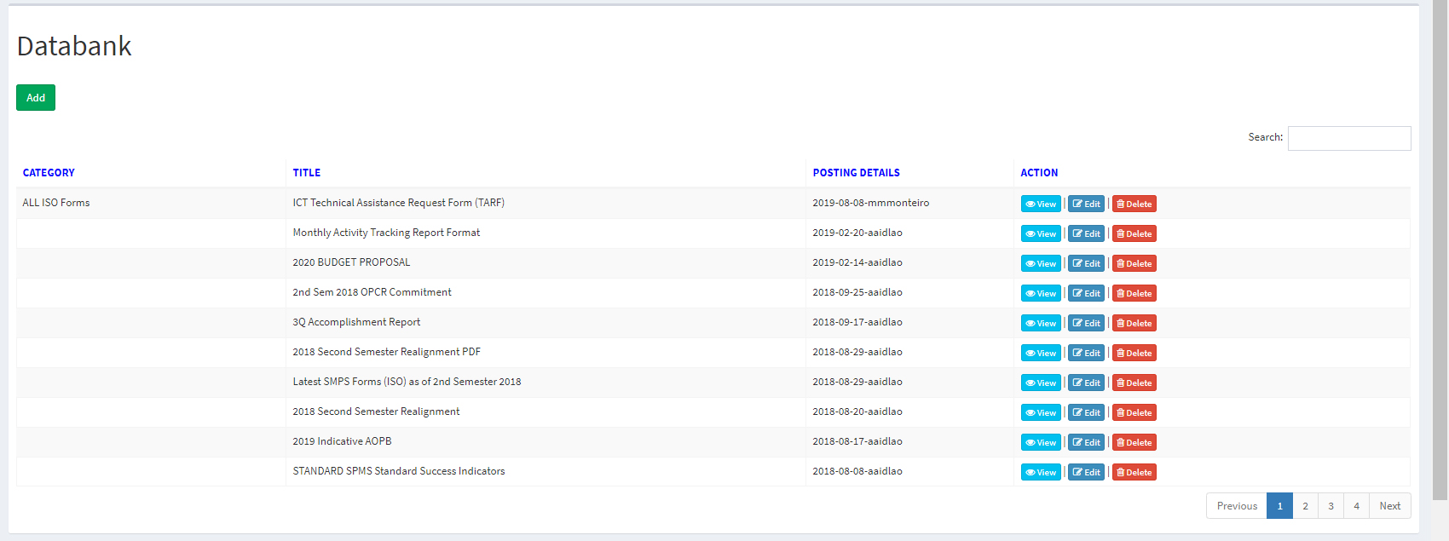

Center Titles

OFFICE
show Edit and Delete for uploader's office.

 | ok

Sheet7
6. Add Databank

Attached file is Required
*

Add Office.
Gray and disabled.

After clicking Save, this would be displayed. NOT POP-UP

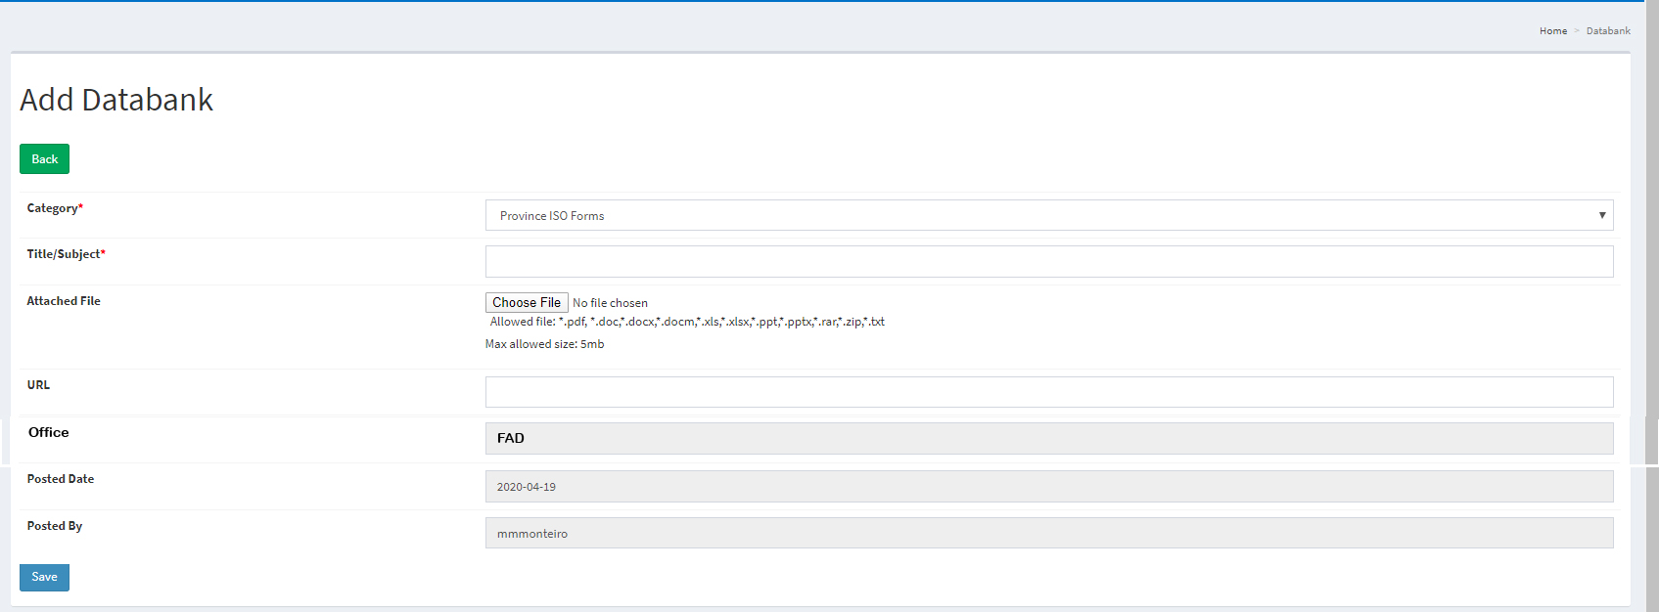

 | ok

