Sheet1
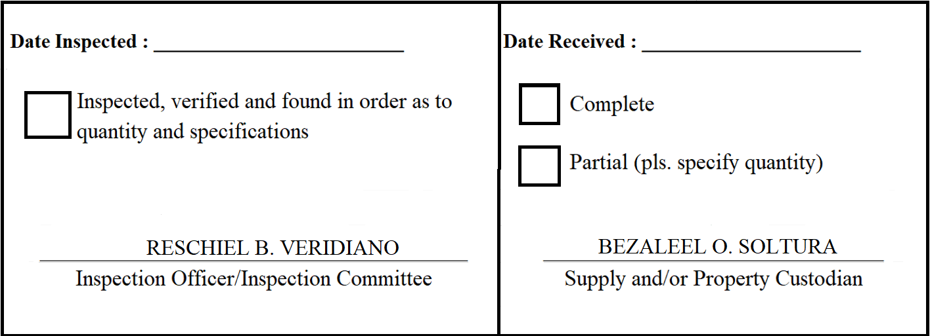
 |  | Appendix 62

INSPECTION AND ACCEPTANCE REPORT

Entity Name : ______________________________ |  | Fund Cluster : ______________

Supplier : | Silicon Valley Computer Group Phil. Inc | IAR No. : | 2020-06-093
PO No./Date : | 2020-05-067 / 2020-06-03 | Date : | 2020-06-29
Requisitioning Office/Dept. : | FAD | Invoice No. : | 38597
Responsibility Center Code : |  | Date : | 2020-06-23

Stock/ Property No. | Description | Unit | Quantity
L009 | Globe Prepaid Card 300 | piece | 196
S983 | Smart Prepaid Card 300 | piece | 82
S984 | Sun Prepaid Card 300 | piece | 6

