Sheet1
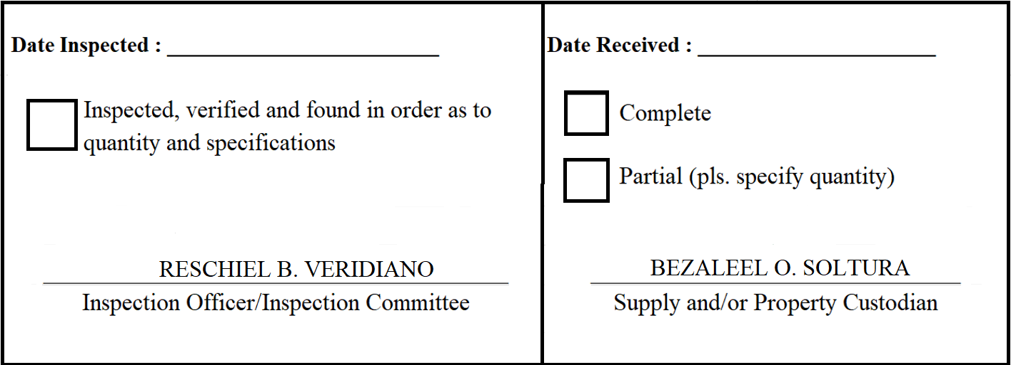
 |  | Appendix 62

INSPECTION AND ACCEPTANCE REPORT

Entity Name : ______________________________ |  | Fund Cluster : ______________

Supplier : | Joneco Tech. Marketing Corp. | IAR No. :
PO No./Date : | 2020-04-062 / 2020-04-24 | Date :
Requisitioning Office/Dept. : | FAD | Invoice No. : | 1947
Responsibility Center Code : |  | Date :

Stock/ Property No. | Description | Unit | Quantity
S329 | Portable Speaker * 15" 500W Portable Sound System * With 2 Wireless Microphone * Remote Controlled * Rechargeable Built-in-Battery * Line-in Guitar Input / Mic * Impedance: 4Ohms * Frequency Response: 50Hz - 20KHz * S/N Ratio : 71dB | unit | 2
S886 | Laptop * Intel Core i7-10510U (1.8 GHz base frequency(2b), up to 4.9 GHz base with Intel® Turbo Boost Technology(2g), 8 MB cache, 4 cores) * 8 GB DDR4-2400 SDRAM * 512 GB PCIe NVMe M.2 SSD * 4-cell, 53 Wh Li-ion polymer * 13.3" diagonal FHD IPS BrightView | unit | 1

