Sheet1
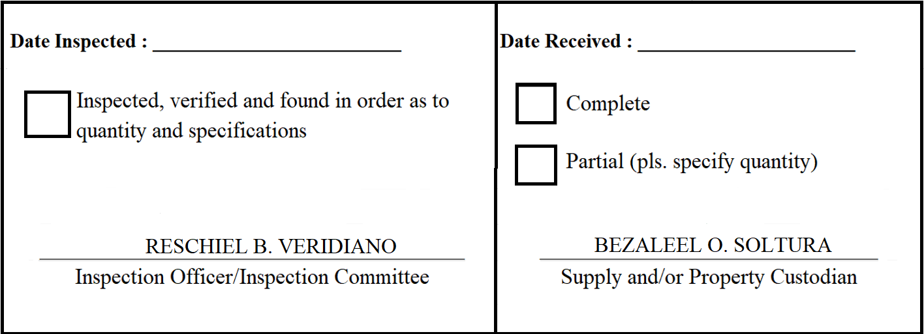
 |  | Appendix 62

INSPECTION AND ACCEPTANCE REPORT

Entity Name : ______________________________ |  | Fund Cluster : ______________

Supplier : | Twis Catering Services | IAR No. : | 2020-055
PO No./Date : | 2020-034 / 2020-02-26 | Date : | 2020-02-28
Requisitioning Office/Dept. : | LGMED | Invoice No. : | 1046
Responsibility Center Code : |  | Date : | 2020-02-18

Stock/ Property No. | Description | Unit | Quantity
S206 | Meals- ELCAC Meeting | set | 30

