Aug 1
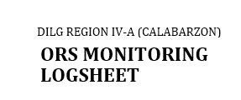

OFFICE |  |  |  |  | Finance and Administrative Division – Budget Section
QUALITY PROCEDURE TITLE |  |  |  |  | Processing and Payment of Claims
PERIOD |  |  |  |  | October, 2019

No. | Timeline |  |  |  | ORS Details

 | Date Received | Date Processed | Date Returned (incomplete docs.) | Date Released | ORS Number | Payee | Particular | Sub-Allotment Number/ Fund Source | PPA | UACS Code | Amount | Remarks | AOPB No. (Budget)
 | 08/20/2019 | 08/20/2019 |  | 08/20/2019 | 02-101101-2019-06-1212 | QUEEN LOIS CATERING SERVICES | meals and snacks POC Performance Audit and RPOC Meeting cum Reorientation on the Enhance PVE Module June | SR2018-08-1452 | 310100100002000 | 5-02-02-010-02 | 9,000.00

