Sheet1
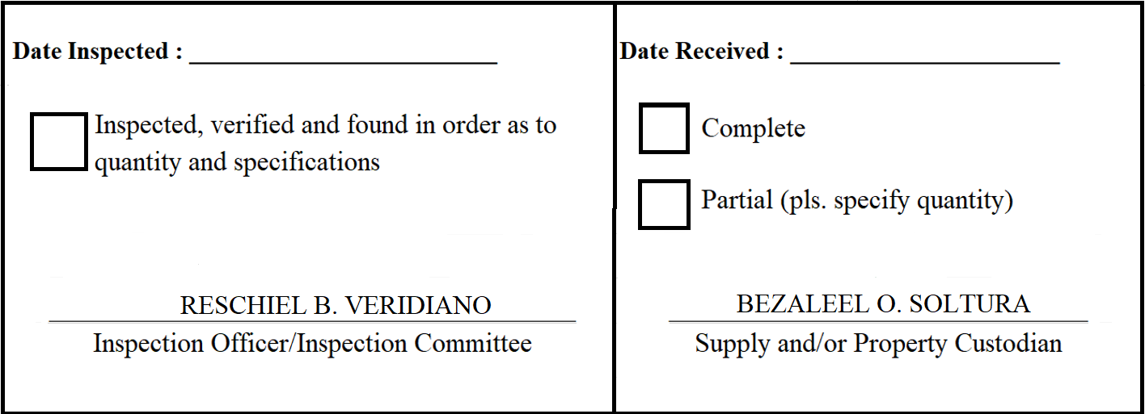
 |  | Appendix 62

INSPECTION AND ACCEPTANCE REPORT

Entity Name : ______________________________ |  | Fund Cluster : ______________

Supplier : | Panthertech Int'l Marketing Corp. | IAR No. : | 2020-001
PO No./Date : | 2020-008 / 2020-01-03 | Date : | 2020-01-03
Requisitioning Office/Dept. : | LGMED | Invoice No. : | 1
Responsibility Center Code : |  | Date : | 2020-01-03

Stock/ Property No. | Description | Unit | Quantity

