Sheet1
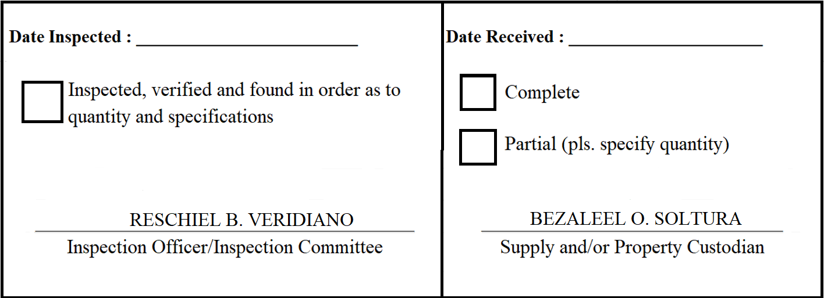
 |  | Appendix 62

INSPECTION AND ACCEPTANCE REPORT

Entity Name : ______________________________ |  | Fund Cluster : ______________

Supplier : | Twis Trading | IAR No. : | 2020-058
PO No./Date : | 2020-039 / 2020-03-02 | Date : | 2020-03-06
Requisitioning Office/Dept. : | FAD | Invoice No. : | 3930
Responsibility Center Code : |  | Date : | 2020-03-06

Stock/ Property No. | Description | Unit | Quantity
S595 | Token Jacket Material: Microfiber Sizes: XS to XXL Color: Dark Brown With DILG Logo on left chest | piece | 5

