Dept Heads
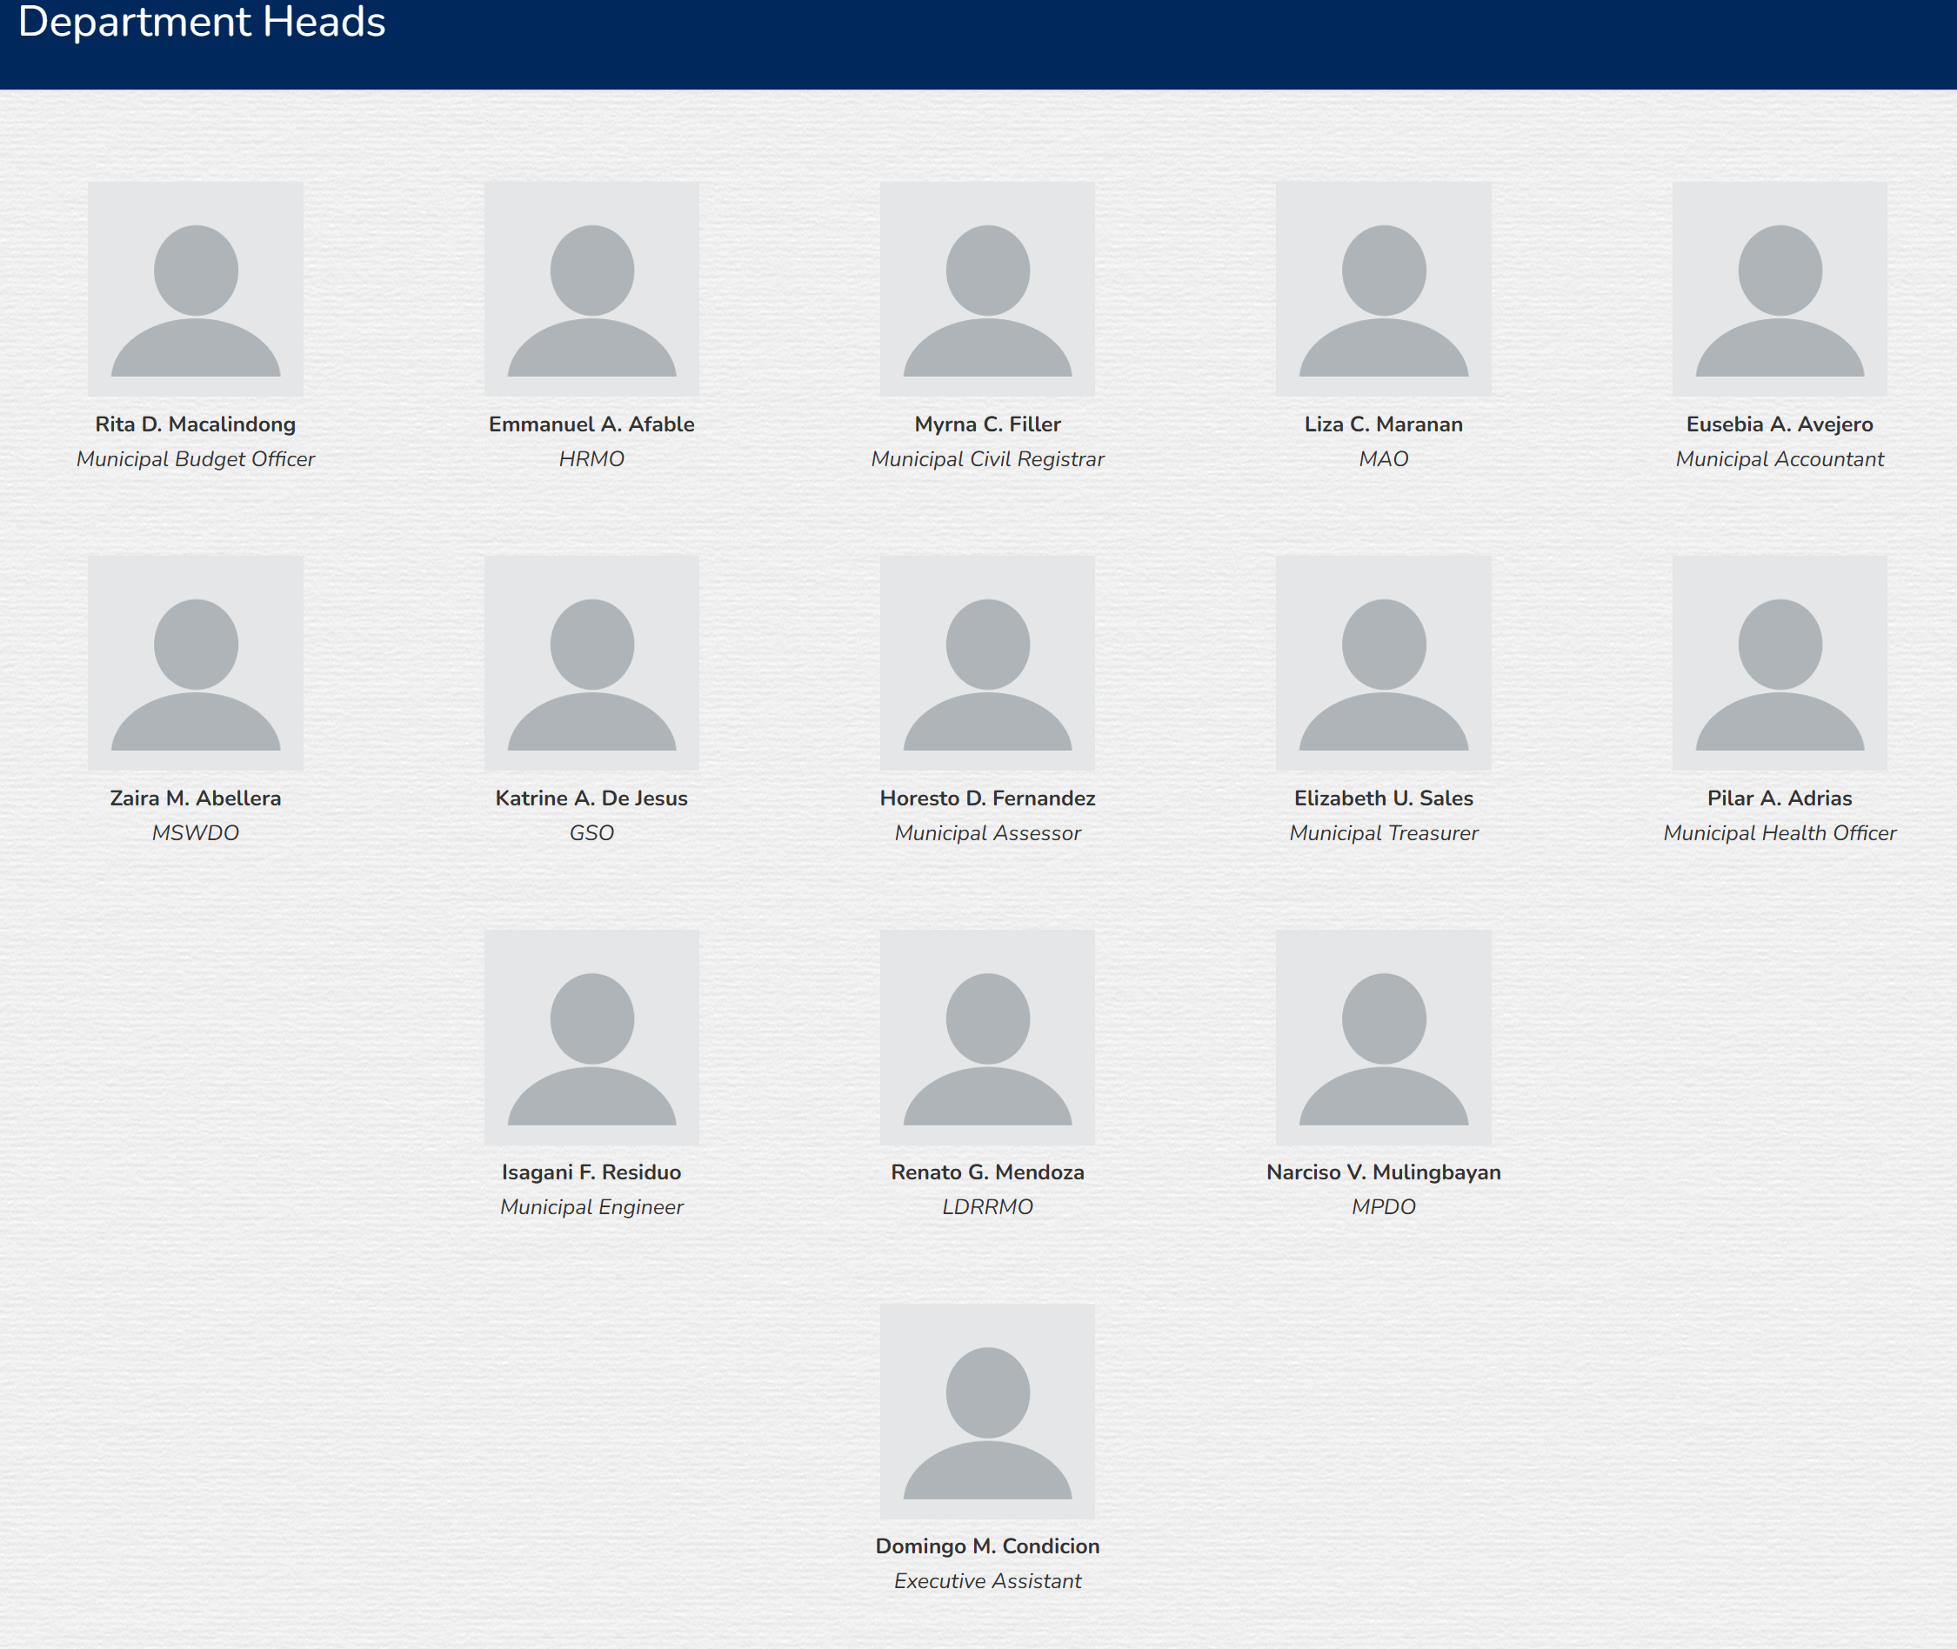
Name | Position
Rita D. Macalindong | Municipal Budget Officer
Emmanuel A. Afable | HRMO
Peter C. Filler | Municipal Civil Registrar
Liza C. Maranan | MAO
Almira Joy A. Rovillos | Municipal Accountant
Zaira M. Abellera | MSWDO
Katrine A. De Jesus | GSO
Horesto D. Fernandez | Municipal Assessor
OIC Miles M. Perez | Municipal Treasurer
Liza Carmelli A. Chua | Municipal Health Officer
Isigani F. Residuo | Municipal Engineer
Jacqueline S. De Taza | LDRRMO
Guillerma D. Mayor | MPDO
Menandro V. De Castro | Administrative Officer V
 | Executive Assistant

