Sheet1
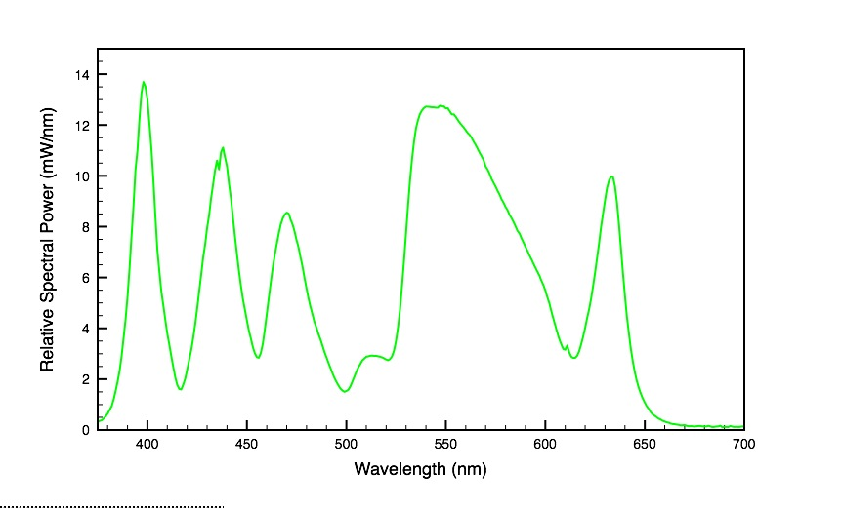
channel | binning | intensity | exposure time | filter name | excitation filter | dichroic filter | eminssion filter
DIA | None | 7.6 (LED) | 20 ms | None | None | None | None
GFP | 2x2 | 10% (Sola) | 100 ms | GFB-B | 460-500 | 505LP | 510-60
RFP | 2x2 | 10% (Sola) | 100 ms | mCher | 560-580 | 600LP | 610LP

Objective | magnification | numerical aperture | working distance | perfect focus
Plan Apo λ 100x Oil objective | 100 x | 1.45 | 130 um | yes

Camera
Zyla 5.5 Cl3, VSC01016, Dec 2013

Light source specifications

