Sheet1
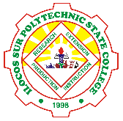

Ilocos Sur Polytechnic State College
Tagudin Campus
Quirino, Tagudin, Ilocos Sur

