Response Time Details-Seconds
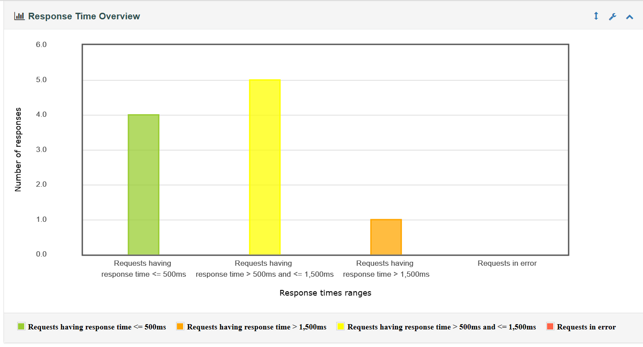
Label | Samples | 90 percentile | Min | Max | Error
HTTP Request | 10 | 1.69 | 0.353 | 1.717 | 0

