All tests
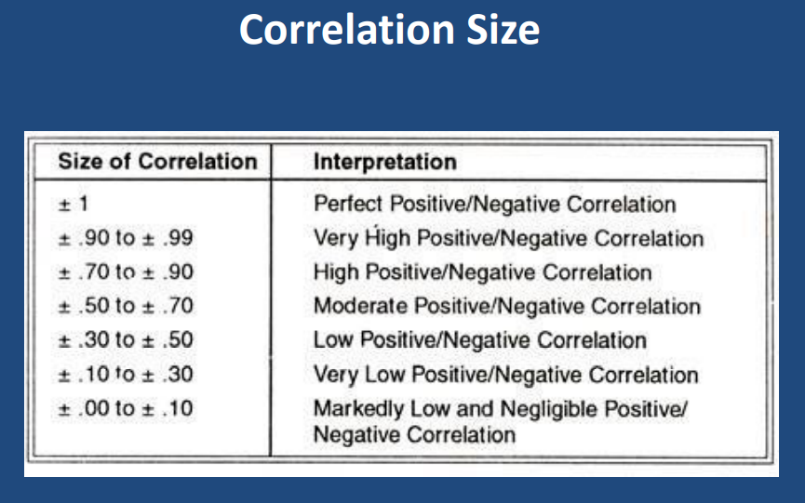
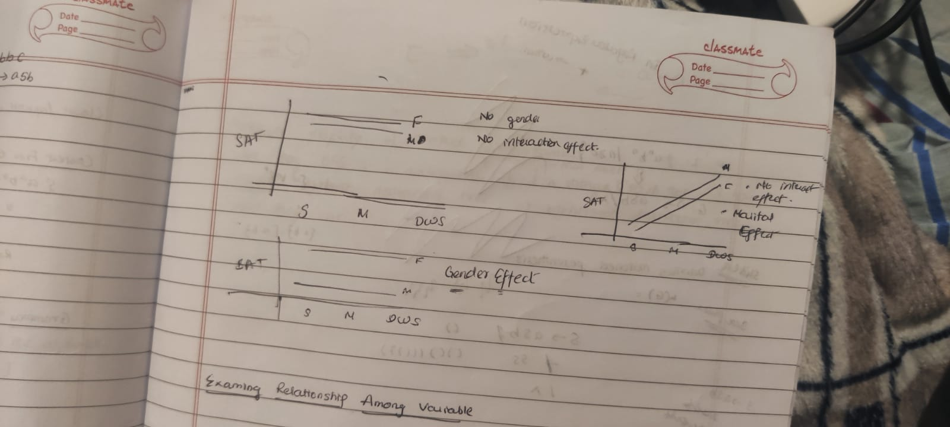
Z-test | Test used to test means when population variance is known

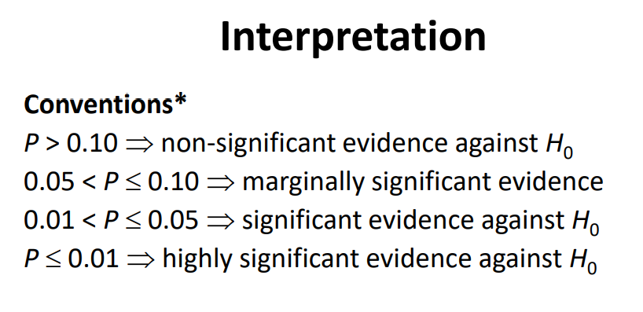

Compare Means of two population
When population Standard Deviations are given
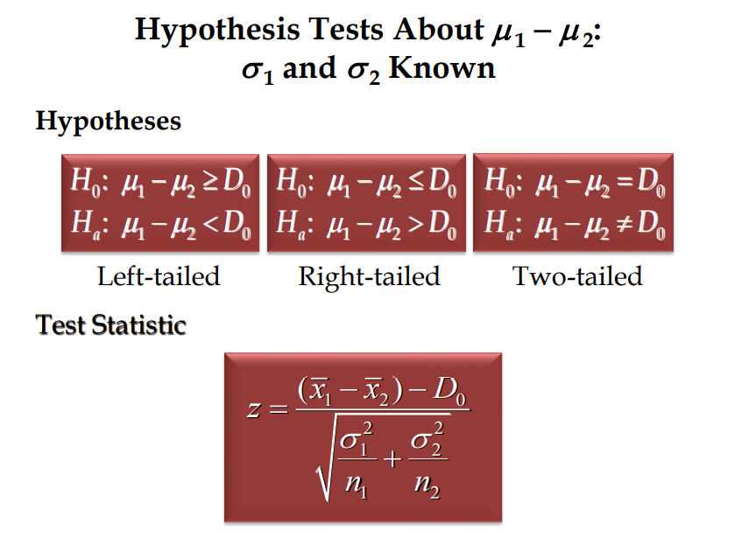

When population standard deviations are unknown
We use t-test instead of z-test

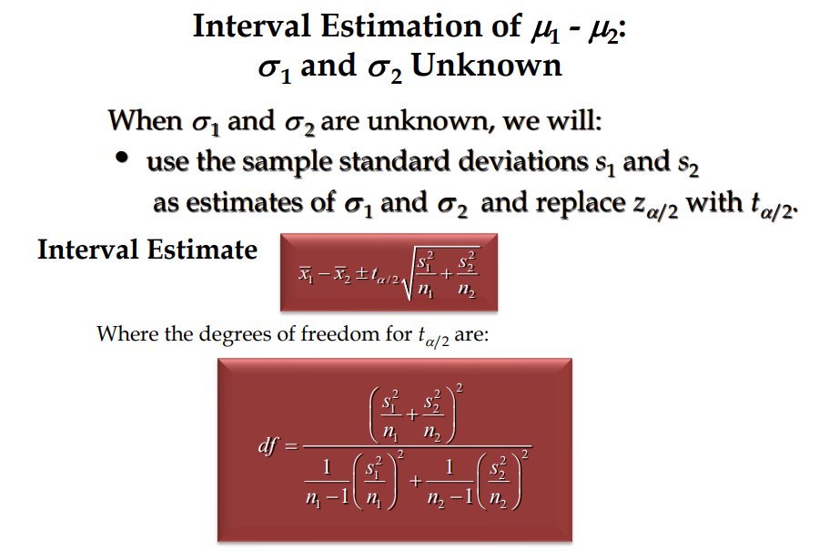

Analysis of Variance
Can be ued to test equality of three or more population means using data obtained from observational or experimental studies.
Null hypothesis is all means are equal
Alternate hypothesis is at least two population means have different values.

The response/dependent variable is the variable you're comparing
The factor/treatment/independent variable is the categorical variable being used to define the groups.

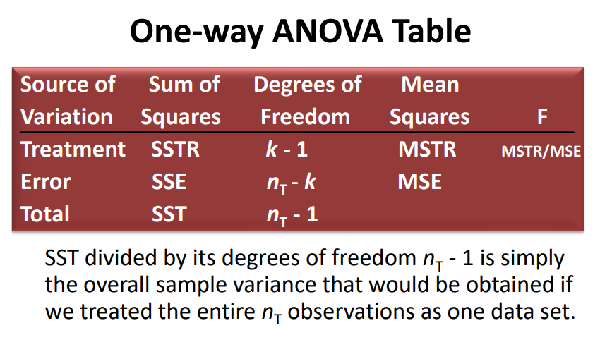
One way ANOVA - one dependent and one independent
Income - dependent ….. Gender - independent

Two way ANOVA - one dependent and two independent.
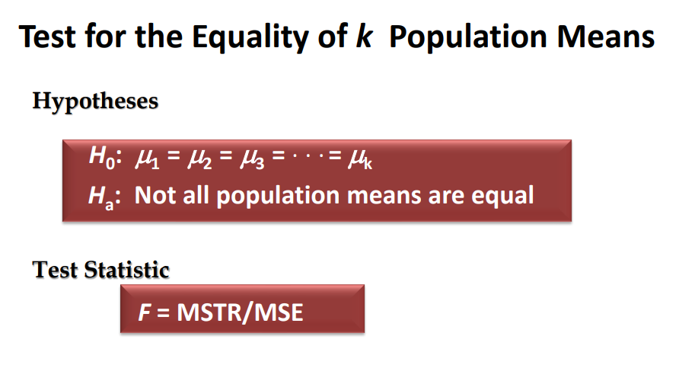

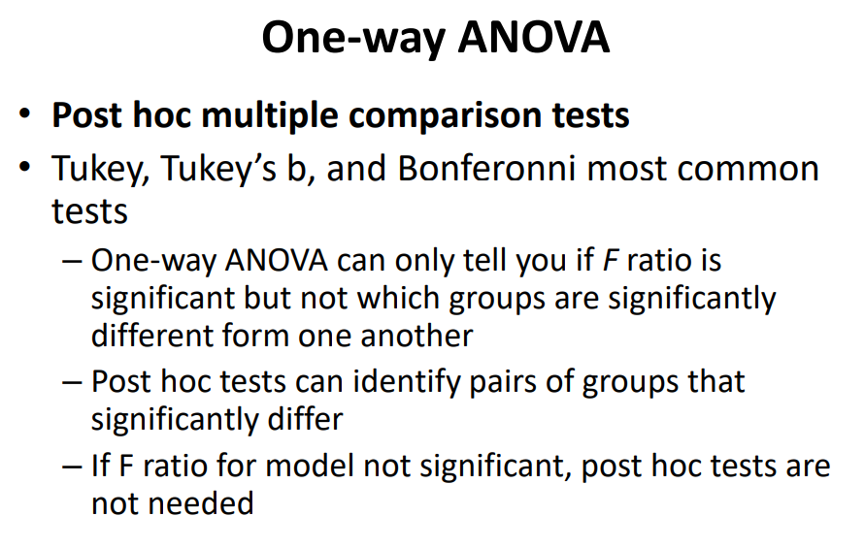

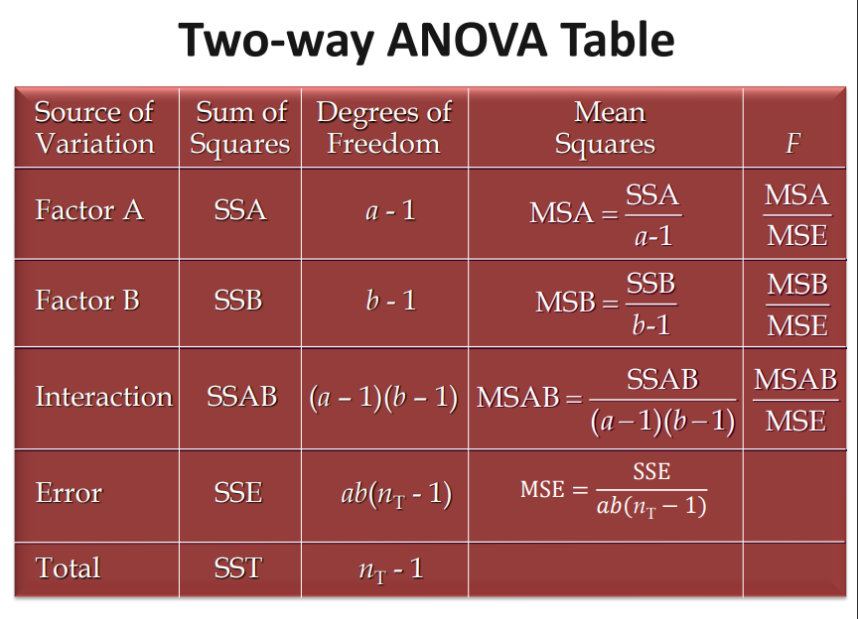

• If interaction is significant, then interpret it along with means and plot. – This indicates that the IV’s are not acting separately from one another in their effect on the DV. Main effect becomes irrelevant. • If interaction is not significant, interpret main effects. – This indicates that IV effects on DV are independent of one another and that there is no significant interaction of the two IV’s in the population.

Numerical Measure of a Simple Linear Relationship
A measure of degree of a linear relationship
Does not imply causation

tests
TEST | STEPS | COMMENTS
Frequency | Analyse > Descriptive Stat > frequencies select variables choose charts if you require. OK
Compute | Transform> compute variable name the target variable expression = q10_1_23=1 & q10_2_23=1 & q10_14_23=1 'OK' *** Compute would generate a new variable at bottom of our variable view tab of SPSS | To merge different options under single option. e.g : Fashion forward
Recode | Transform >> Recode into Diff variables new variable name: e.g. AmazonNPS old and new values: Range : give a range New value: give a value to a selected range.e.g 0-6[old] =distractor(1) [new] 'add' : add all ranges 'continue' 'change' under output variable. 'OK' | To redistribute the ranges e.g : calculate NPS value. Q. As compared to Amazon’s NPS score which retailer must work hardest to compete?
Z test | 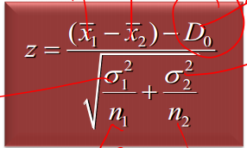 | when σ1 and σ2 of populations are known https://www.socscistatistics.com/pvalues/normaldistribution.aspx
T test | Analyse >> Compare means >> Independent Sample T test select test variables select group variables.(define groups as per requirement). Also check options for confidence interval 'OK' Ho : U1 - U2 <= Do H1 : U1 - U2 > Do Q. Are female customers more likely to recommend Amazon to their friends and family than male customers? Q. Are there any stores where males and females different in their commitment to the brand? Explain via analysis | when σ1 and σ2 are unknown
comparing proportion of 2 population. | Analyse > Descriptive Stat > frequencies -take cummulative percetage as per requirement. ( in case require do use a recode function). -take the percentage value and total population for specific brand and calulate Z and P value using website link. - proportion with higher percent should be sample 1 proportion. - Ho is two sided Ho : p1-p2 = 0 Ha : p1-p2 != 0 Q.There is no difference between the proportion of Amazon customers who are likely to purchase within the next month as compared to the proportion of Nordstrom customers? Q.Are Kohl’s customers equally likely to purchase a product within the next 9 months as compared to TJ Maxx’s customers?
One way ANNOVA: | Analyse >> Compare mean >> Oneway ANNOVA -select dependent variable -factor : select independent variable -'options' : Checkbox Descriptive -'Post-hoc': checkbox Tukey -'OK' Independent variable is the catergorical variable Ho: u1=u2 = ....=uk H1: Not all population means are equal Q.The brand who paid for the research (Brand X) is interested in knowing whether the satisfaction with their reward program differs by the marital status? | *check for the reverse scale. F value > 1 then we should go for post hoc tukey test F < 1: nothing happening , not significant. We would receive 2 tables 1)ANNOVA and 2) multiple comparision. 1) F and P value. Check if p is significant. 2) it would provide mean difference based on which we can make judgement
Two way ANNOVA: | Analysis >> General Linear model >> Univariate Dependent variable : single dependent variable Fixed factors: Dependent variables ( 2 variables) 'OPTIONS': checkbox : Descriptive statistics : 'Continue' 'Plots' : horizontal axis - variable with more values : seperate lines - variable with less values : Chart type- line or bar : EM Means last option (s1*s7) 'Continue' 'OK' Same null hypothesis as of one way anova Q. The brand who paid for the research (Brand X) is interested in knowing whether the satisfaction with their reward program differs by the marital status and Gender? Q. Amazon is interested in knowing whether the satisfaction with their reward program differs by the gender and household income. | Tables: Descriptive subjects: cor Test between -subjects effects: Corrected model significance( will provide if overall model is significant or not) - if overall model is significant then we need to check significance of corelation (e.g. s7*s1 ) - if overall model is not significant then we can even check individual independent variable significance(p value) to write a conclusion.
Correlation | Analyse>> correlate >> Bivariate -variables: both variable between which correlation is to be varified -correlation coefficient: pearson(one of the scale should be interval scale OR used mostly for interval sclae) or spearman (one variable atleast is ordinal). - radio box : two tail(checked) / one tail -'OK' - Ho there is No correlation Q. Is there an association between Brand Commitment and Likelihood to Recommend for Amazon ? Q. What is the nature of association between Brand Commitment and Likelihood to Recommend for the 6 brands included in the data ? Q. JC Penny and Amazon are both interested in knowing whether there is a relationship between annual household income and the respective Likelihood to Purchase (time frame) for their brands. | Table: Correlations pearson /spearsman correlation : (value varies from -1 to 1) . -ve means -ve correlation and +ve means +ve correlation. ** for High number of samples even if we have low (loosly coupled ) correlation still it would be significant ( p<0.1).
LR: Linear Regression Regression Time | Analyse >> Regression >> Linear -Dependent : dependent variable -Independent : independent variable -'OK' - Ho is no linear relationship. - Ha is a linear relationship Q. Is there a linear association between Brand Commitment and Likelihood to Recommend for Brand X? Q .Does perceptions of Brand Love for JC Penny impact the Likelihood of Recommendation? What is the strength and nature of that relationship? | Ho : no linear relationship Ha : Linear relationship b/w variables. Tables: - Model summary: R : value of correlation without sign(+ve /-ve) R^2 : coefficient of determination :( higher the value of R^2) => (more significant the impact of independent on dependent). -ANNOVA: -F ratio and significance(P). - if result is significant that means either b0 or b1 is non zero, which defines linear relation b/w variables. -Coefficient: -B constant : b0 ( check significance, if significant then value of b0 is non-zero) -B brand: b1 (if significant then b1 is non zero) Linear Equation : e.g.( b0 = 11.334 , b1= -1.443) Y = b1X + b0 Y = -1.443*X + 11.334 ( linear equation).( Y - dependent variable, X - independent variable)
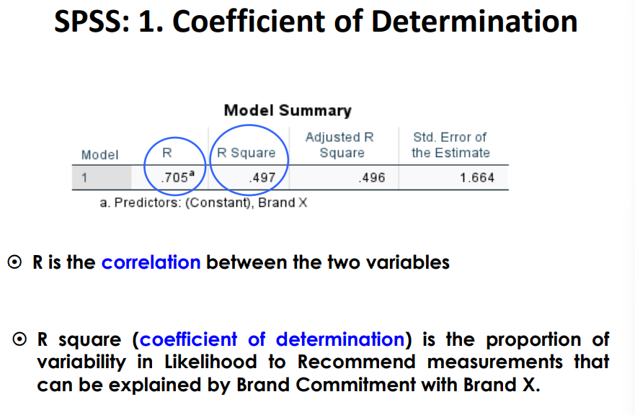

 |  | Variation of independednt variable explainaed by dependent variable

one sample binominal test | analyse >> non parametric test >> one sample >>(objective)customise the analysis >>(Fields)select test field >>(setting)(customise test ,select first binominal test) Q1 Brand X is interested in knowing whether there is proportional difference between merchants who say that the number of customers they received from the deal met or exceeded their expectation compared to those who received fewer customers than they were expecting? | a test to observe test results differ from what was expected (50%). question 1 mid term (discussed in le 9). Check hypothisis test summary table. SIg and Decision field.
Multiple Regression | Analyse >> Regression >> Linear -Dependent : dependent variable -Independent : multiple independent variables -'OK' Q. Data on Brand Imagery with various attributes of Brand X were collected in the survey Brand X is interested in looking at what attributes are related to Brand Commitment of Brand X customers | multiple regression equation is similar to LR but instead of line we are generating a plane. y = b0 + b1x1 + b2x2 + ...+ bpxp tables : Model Summary: R: co-rfficient of multiple correlation R^2: coefficient of multiple determination adjusted R^2 : Adjusts for degrees of freedom ANNOVA: F value and significance: P value decides if linear relation exists coefficients: gives values from b0 to bp ( based on significance value). For equation use the non-standardise data. However, for comparing them with each other use the standardise data(3rd column). Standard co-efficient creates a ratio scale of impact.Higher the standardise coefficient , higher the impact.( create a table and note down standardise co-efficient for all relevent variables to make a judgement). -ve value represent reverse scale.
Logistic Regression | Remove non-sure or NA content from dependent variables using missing values/recode function.Similarly, if required recode the dependent variable into binary outcomes. Analyse >> Regression >>Binary Logistic dependent : dependent variable covariates : independent variables 'OK' | -Probability of y for every value of x. P(Y) = exp{bo + b1X1 + b2X2 + b3X3} / [1+ exp{bo + b1X1 + b2X2 + b3X3}] Tables: Block 0: 1) classification table 2) variables in the equation 3) Variables not in the equation. -all variable we have taken as independent variables. Block 1: 1) Omnibus test of Model coefficient -check significance. 2) Model summary: -R and R^2 3) Classification table. -overall >50% 4) Variable in equation: -check significance -exp(B) :one unit change odds rario. -first column: value of B. | 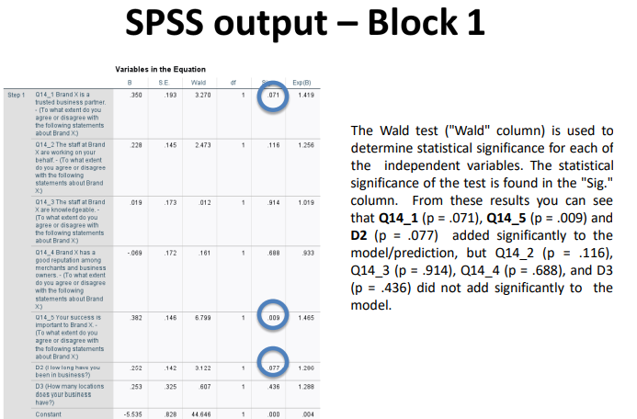 | 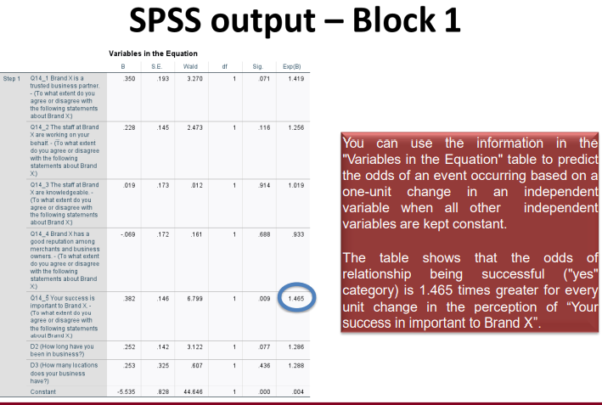
Multcollinearity in Multiple Regression | To check evidence of Multicollinearity check correlation between variables Collinearity Diagnostics in SPSS >>Analyze >> Regression >> Linear In Linear Regression Statistics tick Collinearity diagnostic | A very high R2 but not a lot of independent variable. Check for VIP values of 10 and above
Factor analysis/ Principle component analysis Check Rotated Table | -Remove non-sure or NA content from variables using missing values/recode function. Analyse>>Dimension reduction >> Factor -variable : all variables. -Descriptive : 'checked' KMO and Bartlett's test. -extraction : 'checked' screenplot: eighen value > 1 : Convergence =999 -Rotation: "radio' varimax : Convergence =999 -Scores:'checked' save as variables :'radio' regression : 'continue' -Options: 'checked' shorted by size 'checked' supress small co-efficient value below '0.5' -'OK' | Tables: 1) KMO and Bartlett's test - KMO measure of sampling adequacy : near to 1. - Bartlett significance : P<0.1 2) Total variance Explained -cloumn 1 : eighen values >1.(consider) -last column : % of variance explained. 3) screen plot, (eighen value vs number of factors.) 4) Rotation Component matrix. showcase variable's impact of each factor ( if factor loading is >0.5).
Linear Regression based on Factor analysis to compare results of factor analysis vs asked variables | Analyse >> Regression >> Linear -Dependent : dependent variable -Independent : Factors and asked multiple independent variables -'OK' | we can compare factors impact against independent variables impact if they are significant. also we can compare their factor values to know if how much impact it would have by increasing 1 value to each factor/variable.
Cluster Analysis | We have Hierarchical analysis where we decide how many cluster to form. we provide this number to Non-hierarchical (k mean cluster) analysis. we have 2 types of variables 1) clustering 2)profiling 1)Hierarchical : Analyse >>Clasify >> Hierarchical - variables : clustering -'checked' statics : 'radio' plot. -method: ward (dropdown) -stats : 'checked' Agglomeration Schedule - Display Plots: 'uncheck' -'OK' tables: -case processing summary -Agglomeration schedule ( check for the first biggest jump) take the number and deduct it from total numbers to find number of cluster. 2)Non-hierarchical: Analyse >> classify >> K mean cluster. - variables : clustering - number of cluster _ - Iterate : max iteration = 999 - save : 'checked' cluster membership - options : 'checked' initial cluster centers. - 'OK' tables: *number of cases in each cluster (last) -Final cluster center. variable vs avg/mean response of each cluster members. As we have chosen to save cluster membership, we would have a seperate variable QCL_1 at bottom of variable view. 3)run frequency test on it to find number of data samples in each cluster. 4)To check data for any specific cluster. Data >> select cases select -if condition is satisfied |If| QCL_1=2 (2nd cluster) output 'checked' fliter out unselected cases **now if you go to the data view tab teh rest of the cluster date would be marked as crossed. 5) Analysis:(profiling variables) -variable which require mean value (e.g. age) Analyse >> Descriptive >> Descriptive -table has mean value.

Final Cluster Table

Corelation
