Sheet1
TASK 1

1.WHAT IS ETL ?

ANSWER:
ETL is standard for extract,transform and load is a data integration process that combines data from multiple data source into a single, consistent data store that is loaded into a data warehouse or other target system.

2.WHAT IS ELT ?

ANSWET:
ELT stands for "extract, load,transform" is a another type of data integration process similar to its counterpart etl .this process moves raw data from a source system to a destination resource, such as a data warehouse.

3. LIST OUT THE VARIOUS TOOLS USED IN ETL?

ANSWER:
--INTEGRATE IO
-- APACHE AIRFLOW
--IBM INFOSPHERE DATASTAGE
-- ORACLE DATA INTEGRATOR
-- AWS GULE
-- INFORMATION POWERCENTER

6. DRAW THE MECHANISM OF ETL ?

ANSWER:
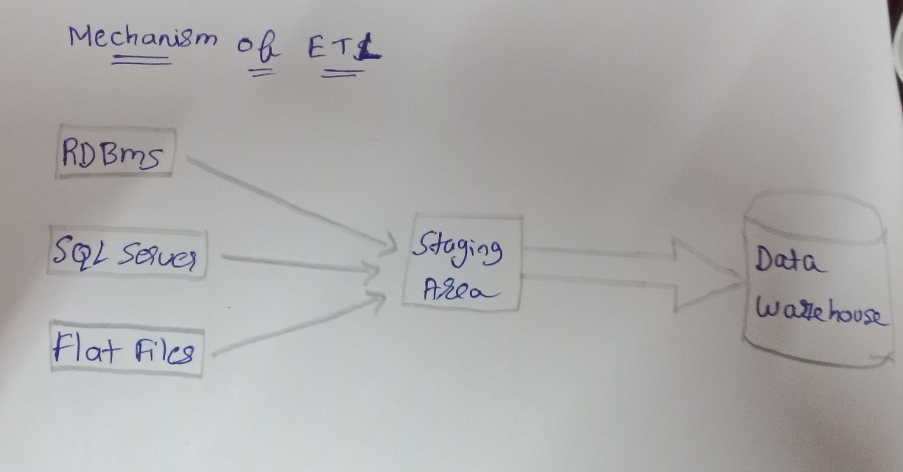
5.WHAT IS DATALAKE?

ANSWER:
DATA LAKE is a centralized repository designed to store, process, and secure large amount of structured, and unstructured data .it can store data in its native format and process any variety of it, ignoring size limits.

6.what is data warehouse?

ANSWER:
A DATA WAREHOUSE is a central repository of information that can be analyxed to make more informed decisions. Data flows into a data warehouse from transactional systems, relational databases, and other sources, typically on a regular cadence.

7.oltp vs olap

ANSWER:
OLAP:
Online analytical processing consists of a type of sofftware tool that is used to data analysis for businness decission . Olap provides an environment to get insights from the database retrieved fro multiple database systems at one time.
EXAMPLES
1.spotify analyzed songs by users to come up with a personalized homepage of their songs and playlist.
2.netflix movie recommendation system.

OLTP:
online transaction processing provides transaction oriented applications in a 3-tier archiecture . Oltp administers the day to day transaction of an organization.

EXAMPLES:
1.atm center is an oltp application.
2. it also used for online banking, online airline ticket booking, semdomg a text ,message ,add a book to the shopping cart.

8.WHAT ARE ALL THE VARIOUS ANALYTICAL TOOLS CAN BE CONNECTED WITH DATA WAREHOUSE?

ANSWER:
1.amazon redshift
2. microsoft azure
3. google bigquery
4.snowflake
5.micro focus vertica
6.amazon dynamoDB
7.postgreSQL
8.amazon s3
9.teradata
10.amazon RDS

9.EXPLAIN THE DIFFERENT STAGE USED IN ETL?

ANSWER:
IN EXTRACT:
in this stage ,data is extracted from the source system or applications. The source can include databases, flat files, apis, web services, cloud-based apllications, or any other data repositories.

IN TRANSFORM:
1.DATA CLEANING
2.DATA FILTERING
3.DATA VALIDATION
4.DATA INTERGRATION
5. DATA ENRICHMENT

IN LOAD:
IN the final stage, the transformed data is loaded int the target destination, such as a data warehouse or a data mart. The loading process involves writing the datra into the appropriate tables or structure in the destination database.
the data is now ready for reporting, analysis, and other business intelligence operations in the destination system.

10.EXPLAIN 3 USE CASES FOR NOSQL?

ANSWER:
1.BIG DATA AND REAL-TIME ANALYTICS:
NOSQL databases excel at handling massive volumes of kata generated in real time . This includes data from social media platforms , iot devices, clickstream data, sensor data ,logs, and more.

2.INTERNET OF THINGS DATA MANAGEMENT:
THE internet of things involves connecting numerous devices, sensors, and machines to the internet, generating vast amounts of data. Nosql databases are well suited for handling iot data due to their flexible schema and horizontal scalability.

3.GRAPH BASED APPLICATIONS:
GRAPH DATABASES ARE A SPECIFIC TYPE OF NOSQL DATABASE THAT WXCEL AT MANAGING AND PROCESSING HIGHLY INTERCONNECTED DATA such as social networks, recommendation systems, fraud detection and knowledge graphs.
graph databases lide neo4h or amazon neptune are designed to efficiently traverse and query complex relationships between entities.

11.WHAT ARE ALL THE CHARCTERSTICS OF NOSQL ?

ANSWER:
1.schema flexibility
2.scalability
3.high performance
4.non relational model
5. distribution architecture

12.WHAT ARE ALL THE TOOLS USED TO ANALYSE THE NOSQL?

ANSWER:
1.machine learning and ai
2.data visualization tools
3.query language and shell
4.aggregation frameworks
5.big data platform

