Worksheet1
Maths | Chemistry | Physics | English | Sample Grade Chart
25 | 30 | 10 | 25
90 | 50 | 45 | 45
20 | 45 | 45 | 50
44 | 35 | 66 | 71
65 | 43 | 65 | 43

This is a rectangle

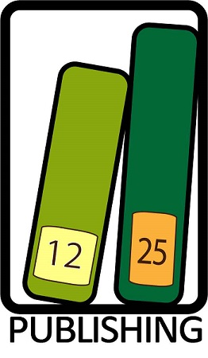

Grade Pie Chart

