图4.8
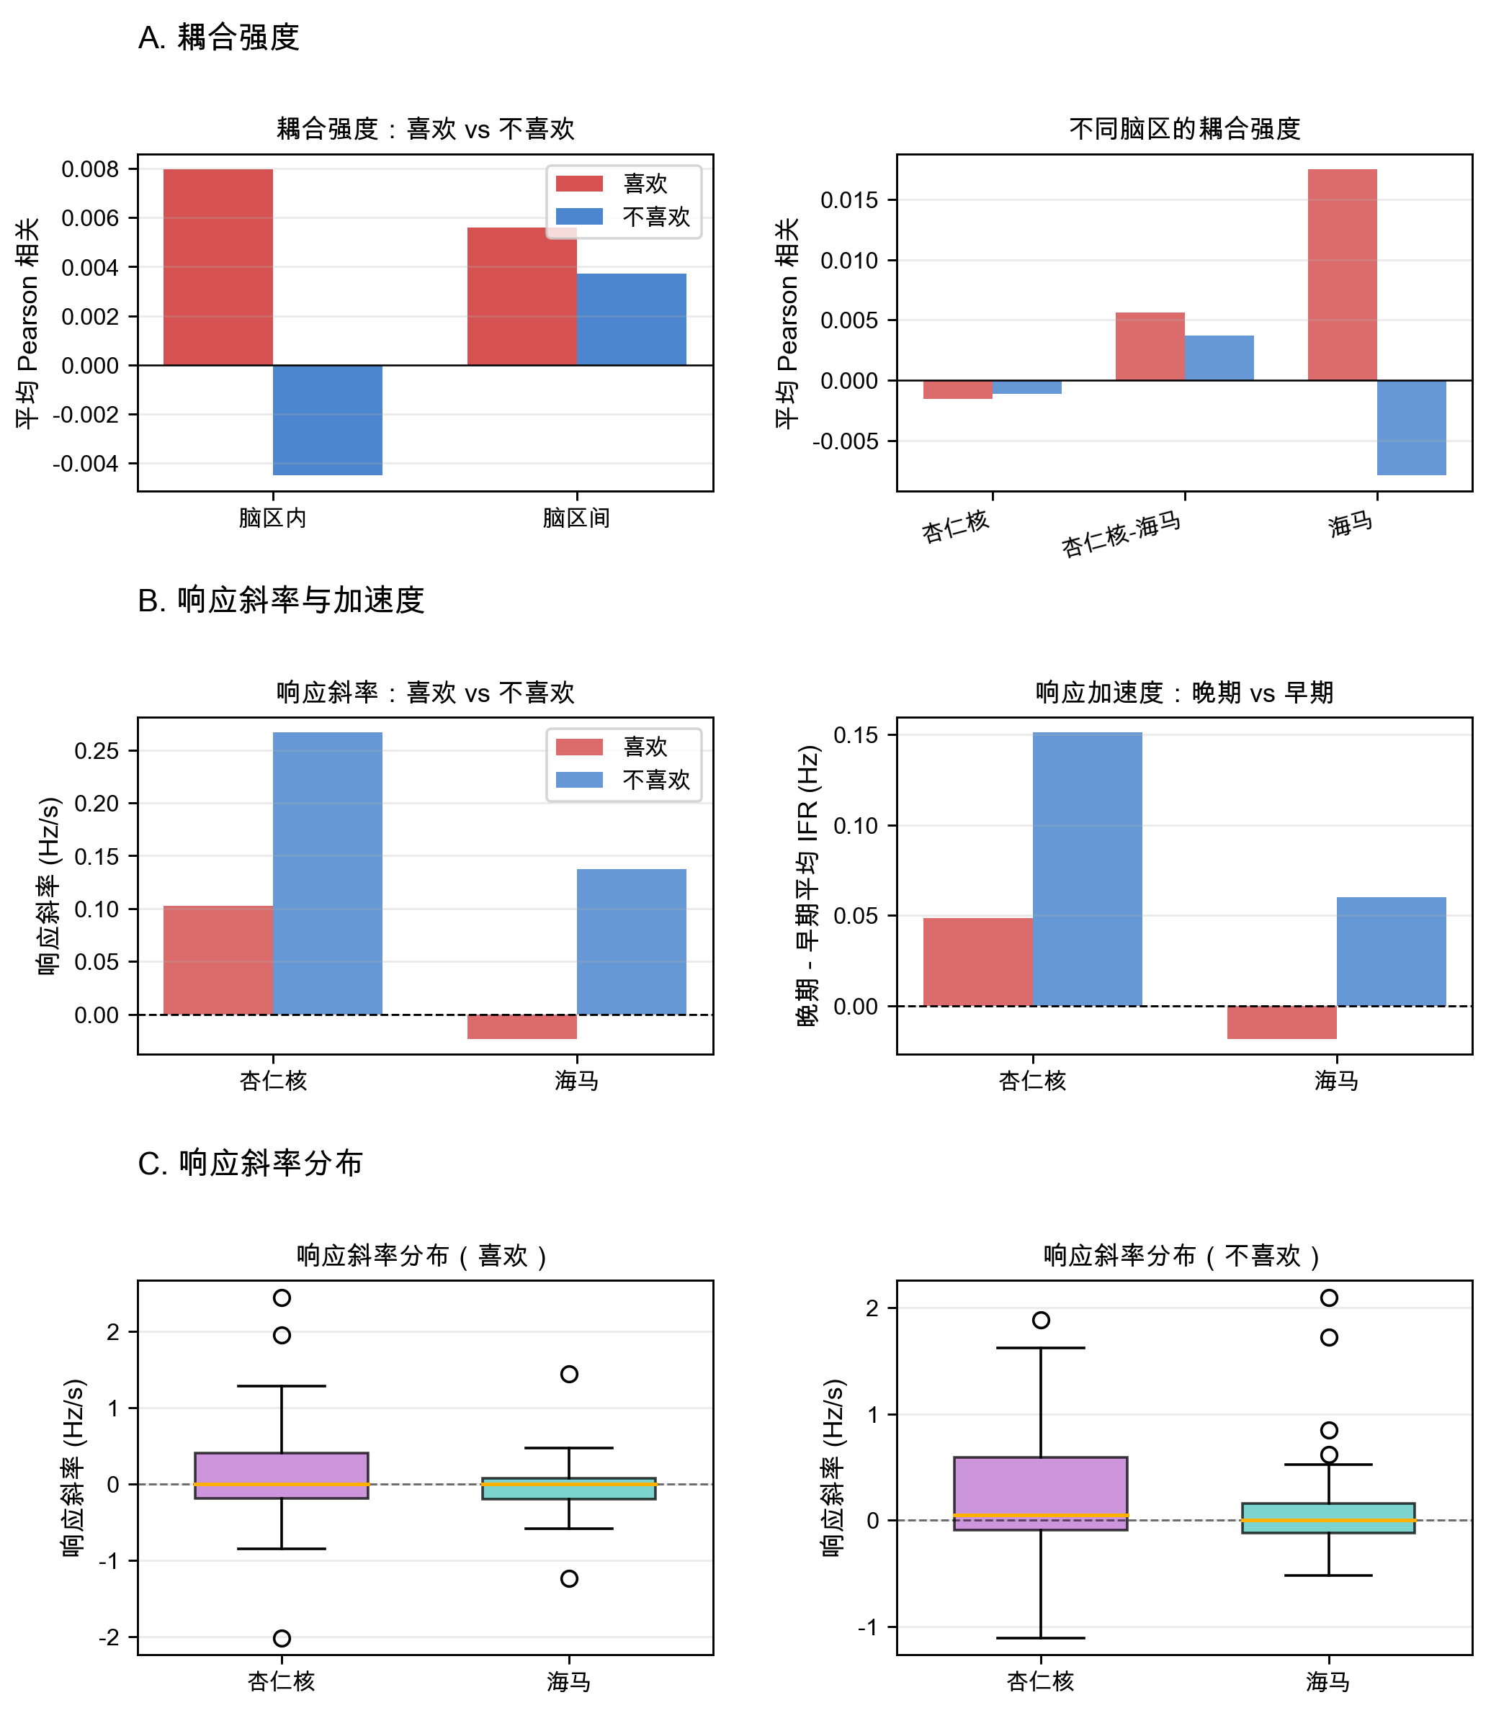
图4.8 短视频任务中喜欢/不喜欢条件的 IFR 耦合强度与响应动态

汇总作图数据
耦合强度：喜欢 vs 不喜欢
不同脑区的耦合强度
分区 | 类别 | 喜欢 | 不喜欢
耦合类型 | 脑区内 | 0.0079770648987 | -0.0045206788602
耦合类型 | 脑区间 | 0.0055975848059 | 0.0037041775971

分区 | 类别 | 喜欢 | 不喜欢
脑区耦合 | 杏仁核 | -0.0015559230729 | -0.0011144853983
脑区耦合 | 杏仁核-海马 | 0.0055975848059 | 0.0037041775971
脑区耦合 | 海马 | 0.01751005287 | -0.007926872322

分区 | 类别 | 喜欢 | 不喜欢
响应斜率 | 杏仁核 | 0.1024325007 | 0.26662703925
响应斜率 | 海马 | -0.023336834396 | 0.13721549443

分区 | 类别 | 喜欢 | 不喜欢
响应加速度 | 杏仁核 | 0.048757527886 | 0.15096634007
响应加速度 | 海马 | -0.018099310588 | 0.060184438007

响应斜率：喜欢 vs 不喜欢
响应加速度：晚期 vs 早期

