Data
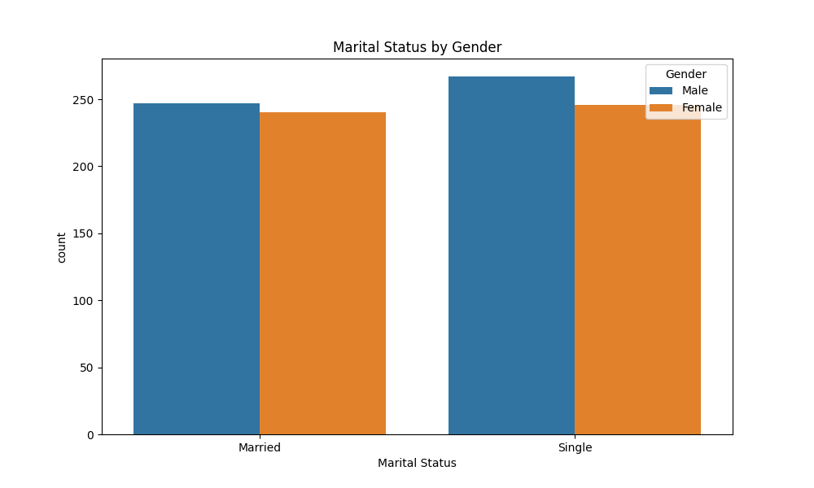
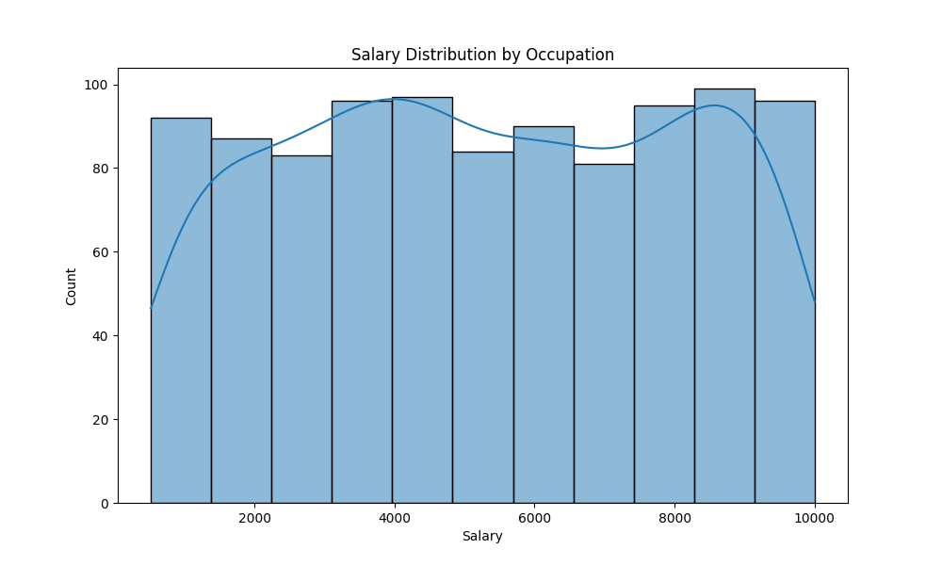
First Name | Last Name | Gender | Age | Occupation | Salary | Marital Status | No. of Children
Jacob | Robinson | Male | 58 | Lawer | 6779 | Married | 2
Grace | Taylor | Female | 36 | Insurer | 4466 | Married | 1
Charlie | Wilson | Male | 58 | Aeroplane Pilot | 5786 | Single | 0
Vanessa | Farrell | Female | 23 | Lawer | 3403 | Married | 2
Fenton | Harrison | Male | 21 | Architect | 693 | Married | 0
Lucas | Brooks | Male | 38 | Auditor | 3029 | Single | 1
Belinda | Spencer | Female | 24 | Dancer | 8927 | Married | 5
Ashton | Farrell | Male | 30 | Cook | 916 | Married | 1
Kellan | Williams | Male | 38 | Police Officer | 8337 | Married | 4
Tyler | Davis | Male | 60 | Dancer | 2705 | Married | 1
Alina | Russell | Female | 51 | Engineer | 8411 | Single | 0
Tiana | Wright | Female | 59 | Composer | 8087 | Single | 4
Kimberly | Rogers | Female | 54 | Geologist | 7929 | Single | 2
Amelia | Craig | Female | 55 | Scientist | 9278 | Single | 2
Connie | Martin | Female | 56 | Economist | 7868 | Single | 1
Edgar | Thomas | Male | 42 | Driver | 2264 | Married | 3
Steven | Johnson | Male | 48 | Auditor | 2533 | Single | 5
Charlie | Hall | Male | 47 | Mathematician | 1378 | Single | 4
Richard | Richards | Male | 56 | Engineer | 6229 | Single | 2
Alan | Allen | Male | 57 | Singer | 5461 | Single | 2
Nicholas | Owens | Male | 47 | Fine Artist | 931 | Married | 3
Tiana | Farrell | Female | 43 | Programmer | 5120 | Single | 0
Sawyer | Carter | Male | 26 | Medic | 9039 | Married | 4
Lyndon | Parker | Male | 45 | Programmer | 4813 | Married | 1
Sofia | Barnes | Female | 58 | Cook | 4856 | Married | 5
Walter | Allen | Male | 24 | Police Officer | 4406 | Married | 5
Kimberly | Payne | Female | 31 | Driver | 2213 | Married | 3
Emily | Chapman | Female | 46 | Lawer | 6890 | Single | 0
Lucy | Anderson | Female | 58 | Manager | 4702 | Single | 0
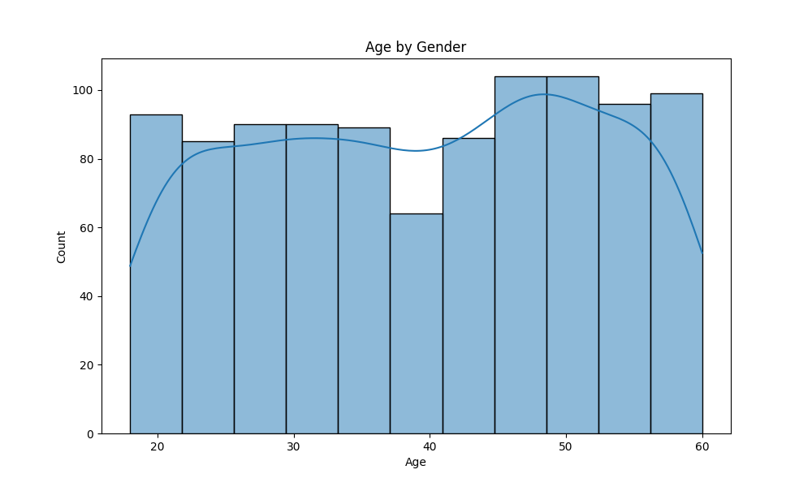
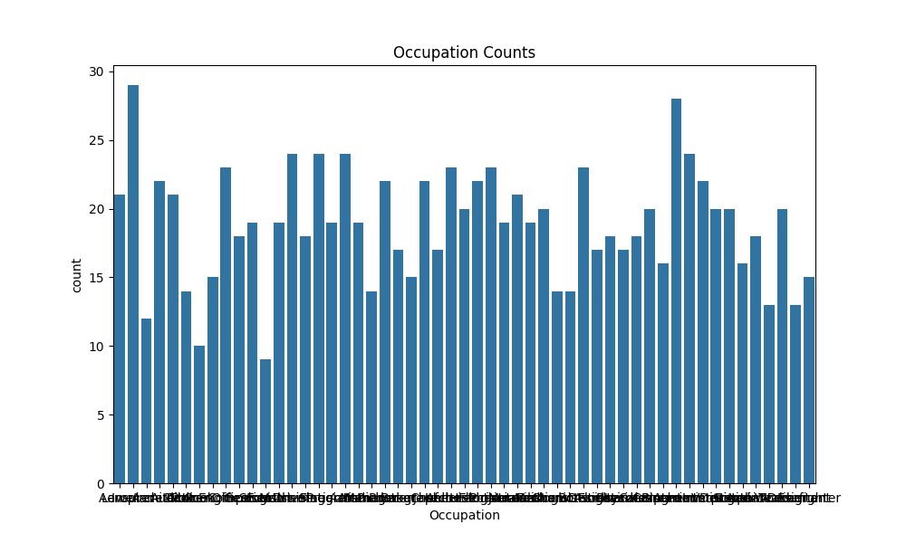
Edward | Stewart | Male | 37 | Producer | 9026 | Married | 1
Frederick | Johnson | Male | 49 | Programmer | 5998 | Married | 2
Lucy | Davis | Female | 59 | Aeroplane Pilot | 8832 | Married | 3
Jenna | Ellis | Female | 51 | Baker | 3578 | Single | 1
Adam | Nelson | Male | 47 | Photographer | 2060 | Married | 4
Anna | Smith | Female | 56 | Fine Artist | 9072 | Single | 2
Frederick | Kelly | Male | 21 | Chef | 8115 | Single | 1
Tara | Brown | Female | 19 | Jeweller | 4424 | Married | 4
Dominik | Martin | Male | 58 | Lecturer | 4754 | Married | 3
Tara | Cameron | Female | 24 | Archeologist | 6531 | Single | 4
Roman | Campbell | Male | 23 | Aeroplane Pilot | 9654 | Single | 2
Eddy | Andrews | Male | 53 | Engineer | 5963 | Single | 0
Valeria | Perry | Female | 46 | Medic | 1419 | Married | 5
Wilson | Farrell | Male | 49 | Insurer | 9406 | Married | 0
Emma | Farrell | Female | 33 | Baker | 2254 | Married | 2
Fenton | Kelly | Male | 46 | Architect | 8547 | Married | 4
Belinda | Dixon | Female | 33 | Historian | 5427 | Married | 4
Alexia | Cooper | Female | 29 | Auditor | 523 | Married | 0
Myra | Ryan | Female | 19 | Architect | 1832 | Single | 0
Henry | Stevens | Male | 53 | Electrician | 2846 | Single | 1
Honey | Turner | Female | 60 | Photographer | 960 | Single | 5
Tara | Brooks | Female | 19 | Pharmacist | 6857 | Married | 2
Jordan | Cunningham | Male | 57 | Journalist | 7942 | Single | 1
Mary | Stevens | Female | 20 | Meteorologist | 8703 | Married | 4
Arnold | Tucker | Male | 60 | Archeologist | 4057 | Single | 1
Jack | Riley | Male | 59 | Driver | 6452 | Single | 2
Brad | Kelley | Male | 42 | Mechanic | 7282 | Married | 1
Jared | Carter | Male | 34 | Meteorologist | 8791 | Married | 2

Sofia | Johnston | Female | 59 | Chemist | 5011 | Single | 1

Sarah | Stevens | Female | 43 | Lecturer | 5855 | Single | 4
Maria | Andrews | Female | 36 | Engineer | 3729 | Married | 3
April | Kelley | Female | 58 | Fashion Designer | 8183 | Married | 3
Bruce | Davis | Male | 55 | Botanist | 1912 | Single | 4
Grace | Hall | Female | 58 | Florist | 3558 | Married | 4
Alexander | Ferguson | Male | 26 | Auditor | 5245 | Single | 0
Nicole | Morgan | Female | 35 | Aeroplane Pilot | 9627 | Married | 0
Dale | Tucker | Male | 53 | Electrician | 9507 | Single | 0
Kellan | Campbell | Male | 21 | Police Officer | 8410 | Single | 5
Kate | Robinson | Female | 29 | Astronomer | 750 | Single | 1
Isabella | Perry | Female | 48 | Aeroplane Pilot | 7518 | Married | 5
Kevin | Evans | Male | 47 | Physicist | 1280 | Single | 0
Maximilian | Ryan | Male | 24 | Florist | 5072 | Single | 2
Alan | Cole | Male | 33 | Chemist | 2670 | Single | 2
Eric | Perkins | Male | 40 | Hairdresser | 7506 | Married | 4
Eddy | Richards | Male | 29 | Salesman | 8547 | Single | 4
Samantha | Clark | Female | 48 | Carpenter | 7924 | Married | 0
Sienna | Baker | Female | 22 | Biochemist | 8979 | Single | 1
Miranda | Douglas | Female | 29 | Astronomer | 2299 | Married | 3
Heather | Perry | Female | 41 | Carpenter | 2772 | Single | 5
Tony | Kelley | Male | 46 | Medic | 4160 | Married | 2
Vanessa | Thomas | Female | 52 | Programmer | 5743 | Single | 5
Haris | Ross | Male | 23 | Fashion Designer | 7157 | Single | 3
Samantha | Farrell | Female | 42 | Journalist | 6501 | Single | 3
Mary | Kelly | Female | 31 | Agronomist | 2669 | Single | 5
Sarah | Higgins | Female | 45 | Chef | 3424 | Married | 3
Jacob | Harper | Male | 21 | Journalist | 5485 | Single | 1
Belinda | Higgins | Female | 49 | Archeologist | 4786 | Single | 0
Alen | Cunningham | Male | 35 | Interior Designer | 5819 | Married | 1
Michael | Higgins | Male | 51 | Botanist | 2778 | Married | 5

Maria | Cole | Female | 57 | Pharmacist | 6964 | Married | 0

Tara | Campbell | Female | 19 | Hairdresser | 5708 | Married | 4
Valeria | Richardson | Female | 42 | Journalist | 8059 | Married | 0
Robert | Phillips | Male | 25 | Interpreter | 8196 | Single | 3
Camila | Mitchell | Female | 32 | Veterinarian | 9237 | Single | 5
Owen | Smith | Male | 60 | Historian | 8232 | Single | 0
Andrew | Reed | Male | 57 | Producer | 7802 | Married | 5
Vincent | Hawkins | Male | 45 | Agronomist | 9147 | Married | 5
Frederick | Douglas | Male | 26 | Actor | 2998 | Single | 1
Ashton | Nelson | Male | 40 | Photographer | 1956 | Single | 0
Julia | Harrison | Female | 26 | Interpreter | 5957 | Single | 5
Jack | Scott | Male | 20 | Actor | 1778 | Single | 3
Florrie | Campbell | Female | 45 | Biochemist | 715 | Single | 4
Stella | Ferguson | Female | 44 | Social Worker | 4311 | Married | 5
Freddie | Owens | Male | 38 | Graphic Designer | 3249 | Single | 4
Sienna | Foster | Female | 58 | Biochemist | 6038 | Married | 0
Amanda | Brown | Female | 53 | Carpenter | 5863 | Married | 4
Stuart | Cole | Male | 23 | Interior Designer | 3549 | Single | 3
Victor | Holmes | Male | 45 | Teacher | 7436 | Married | 1
Arthur | Murray | Male | 42 | Lawer | 4038 | Married | 0
Elian | Howard | Male | 24 | Economist | 8266 | Single | 1
Chloe | Perry | Female | 26 | Lecturer | 9770 | Married | 0
Daryl | Allen | Male | 29 | Jeweller | 1811 | Single | 1
Hailey | Cooper | Female | 54 | Insurer | 7090 | Married | 1
Rosie | Moore | Female | 60 | Baker | 9504 | Single | 2
Garry | Hall | Male | 41 | Botanist | 4954 | Married | 2
Eric | Harper | Male | 46 | Biochemist | 3940 | Married | 5
Edgar | Holmes | Male | 25 | Police Officer | 4713 | Married | 2
Catherine | Sullivan | Female | 26 | Jeweller | 3597 | Single | 3
Arthur | Murphy | Male | 20 | Singer | 8131 | Married | 5
Oliver | Cameron | Male | 35 | Singer | 4625 | Married | 2
Alissa | Ferguson | Female | 44 | Hairdresser | 3221 | Single | 0
Jared | Foster | Male | 48 | Medic | 4804 | Single | 2
Spike | Walker | Male | 52 | Electrician | 547 | Single | 1

Maddie | Hamilton | Female | 34 | Engineer | 1557 | Single | 5

Agata | Adams | Female | 27 | Meteorologist | 2083 | Single | 0
Harold | Phillips | Male | 60 | Actor | 6130 | Single | 4
Amelia | Thomas | Female | 43 | Pharmacist | 2046 | Married | 4
Tiana | Howard | Female | 39 | Teacher | 4236 | Single | 4
Aiden | Nelson | Male | 39 | Social Worker | 2670 | Single | 0
Marcus | Anderson | Male | 33 | Geologist | 4995 | Single | 0
Brooke | Crawford | Female | 50 | Singer | 1299 | Single | 0
Miranda | Tucker | Female | 52 | Chef | 9132 | Married | 3
Carina | Williams | Female | 21 | Aeroplane Pilot | 2194 | Married | 4
Arianna | Hall | Female | 53 | Biochemist | 8680 | Married | 0
Ryan | Watson | Male | 21 | Lecturer | 7380 | Married | 3
David | Bailey | Male | 56 | Meteorologist | 5282 | Married | 4
Isabella | Cunningham | Female | 36 | Historian | 4838 | Single | 4
Richard | Spencer | Male | 21 | Chemist | 1717 | Married | 3
Alexia | Crawford | Female | 55 | Economist | 7540 | Single | 4
Dominik | Miller | Male | 57 | Geologist | 2404 | Married | 2
Dominik | Montgomery | Male | 27 | Architect | 7380 | Married | 1
Savana | Carroll | Female | 40 | Accountant | 6730 | Single | 5
Lydia | Roberts | Female | 19 | Agronomist | 8296 | Single | 0
Jack | Brooks | Male | 51 | Chef | 5967 | Married | 3
Eddy | Stevens | Male | 60 | Producer | 554 | Married | 0
Fiona | Phillips | Female | 44 | Hairdresser | 5117 | Married | 0
Ashton | Dixon | Male | 44 | Firefighter | 6423 | Married | 4
Kelvin | Hamilton | Male | 30 | Firefighter | 9166 | Single | 2
Daniel | Scott | Male | 27 | Lawer | 9001 | Single | 0
Elian | Ferguson | Male | 59 | Veterinarian | 6855 | Married | 5
Maddie | Parker | Female | 60 | Photographer | 1072 | Single | 1
Michael | Farrell | Male | 43 | Journalist | 7363 | Married | 1
Ada | Hall | Female | 46 | Fashion Designer | 3715 | Married | 5
Myra | Grant | Female | 47 | Graphic Designer | 10000 | Married | 2
Hailey | Murphy | Female | 21 | Fashion Designer | 9640 | Married | 1

Paige | Moore | Female | 46 | Biochemist | 5535 | Married | 4

Aston | Ellis | Male | 53 | Historian | 521 | Single | 4
Tara | Howard | Female | 36 | Singer | 5845 | Single | 2
Adrian | Riley | Male | 60 | Dancer | 3670 | Single | 0
Agata | Evans | Female | 56 | Interior Designer | 8512 | Married | 0
Cherry | Anderson | Female | 48 | Singer | 5787 | Married | 5
Michael | Turner | Male | 38 | Interior Designer | 8616 | Single | 4
Robert | Ellis | Male | 45 | Fine Artist | 9868 | Single | 5
Maria | Evans | Female | 55 | Interior Designer | 3130 | Single | 1
Max | Edwards | Male | 19 | Astronomer | 9366 | Single | 4
Roman | Farrell | Male | 56 | Medic | 8309 | Single | 1
Freddie | Anderson | Male | 50 | Historian | 1307 | Married | 4
Daniel | Richards | Male | 26 | Biochemist | 3389 | Single | 4
Bruce | Carter | Male | 24 | Chef | 6600 | Single | 2
Catherine | Hill | Female | 26 | Graphic Designer | 2154 | Married | 5
Vivian | Edwards | Female | 34 | Fine Artist | 2627 | Married | 5
Lilianna | Morrison | Female | 55 | Veterinarian | 2441 | Married | 4
Tiana | Williams | Female | 19 | Salesman | 5566 | Single | 1
Deanna | Spencer | Female | 54 | Actor | 8489 | Single | 5
Henry | Gray | Male | 36 | Economist | 1734 | Married | 5
Arthur | Nelson | Male | 58 | Economist | 7325 | Single | 5
Thomas | Roberts | Male | 50 | Electrician | 1268 | Single | 4
Alen | Johnson | Male | 52 | Interior Designer | 3433 | Single | 2
Tiana | Ross | Female | 47 | Lecturer | 2142 | Single | 2
Dominik | Dixon | Male | 60 | Veterinarian | 7231 | Married | 0
Kristian | Hunt | Male | 24 | Insurer | 5659 | Single | 5
Rebecca | Martin | Female | 47 | Jeweller | 9058 | Married | 0
Adelaide | Farrell | Female | 50 | Producer | 8387 | Single | 3
James | Owens | Male | 56 | Geologist | 1722 | Single | 5
Jordan | Farrell | Male | 20 | Producer | 4979 | Married | 0
Lyndon | Adams | Male | 45 | Historian | 9390 | Single | 2
Aldus | Sullivan | Male | 52 | Carpenter | 9726 | Single | 3
Mike | Sullivan | Male | 30 | Programmer | 2015 | Single | 1
Honey | Grant | Female | 36 | Teacher | 1919 | Married | 2
Victor | Johnson | Male | 24 | Photographer | 6447 | Single | 5
Haris | Carter | Male | 25 | Interior Designer | 5826 | Single | 2

James | Johnston | Male | 44 | Electrician | 3402 | Single | 0

Frederick | Clark | Male | 33 | Botanist | 6961 | Single | 2
Vanessa | Wright | Female | 50 | Historian | 2808 | Married | 1
James | Scott | Male | 54 | Archeologist | 2558 | Married | 0
Audrey | Watson | Female | 55 | Florist | 2509 | Married | 2
Roland | Murphy | Male | 28 | Fine Artist | 3666 | Married | 1
Lily | Henderson | Female | 40 | Actor | 5837 | Single | 5
Sophia | Kelley | Female | 29 | Mechanic | 861 | Single | 1
Garry | Mason | Male | 49 | Mathematician | 3674 | Single | 0
Adison | Miller | Male | 32 | Astronomer | 1199 | Single | 1
Robert | Alexander | Male | 20 | Programmer | 2894 | Single | 4
Stuart | Nelson | Male | 20 | Composer | 5257 | Single | 0
Charlie | Hunt | Male | 20 | Architect | 4783 | Single | 1
Kate | Roberts | Female | 45 | Architect | 2943 | Single | 4
Alan | Dixon | Male | 25 | Programmer | 9990 | Married | 3
Lydia | Scott | Female | 28 | Engineer | 4596 | Married | 5
Rubie | Clark | Female | 19 | Auditor | 4816 | Single | 1
Savana | Ross | Female | 42 | Architect | 3031 | Single | 4
Camila | Campbell | Female | 60 | Insurer | 1064 | Single | 5
Gianna | West | Female | 29 | Teacher | 5479 | Single | 2
Melanie | Craig | Female | 29 | Florist | 4006 | Single | 1
Charlotte | Cunningham | Female | 40 | Programmer | 2192 | Single | 4
Julian | Mitchell | Male | 60 | Chemist | 9005 | Single | 0
Vivian | Allen | Female | 36 | Fine Artist | 6417 | Single | 2
Paige | Andrews | Female | 39 | Graphic Designer | 4177 | Single | 3
Vincent | Stewart | Male | 21 | Hairdresser | 4143 | Single | 5
Albert | Allen | Male | 57 | Social Worker | 8158 | Single | 1
Luke | Morgan | Male | 31 | Baker | 3356 | Single | 0
Oscar | Parker | Male | 51 | Meteorologist | 5242 | Single | 3
Reid | Farrell | Male | 29 | Carpenter | 9418 | Married | 5
Kimberly | Cooper | Female | 46 | Insurer | 9356 | Single | 4
Garry | Jones | Male | 37 | Interpreter | 2469 | Married | 3
Caroline | Alexander | Female | 58 | Interior Designer | 4300 | Married | 0
Wilson | Smith | Male | 28 | Agronomist | 3152 | Single | 5
Savana | Kelly | Female | 18 | Salesman | 4922 | Married | 3
Arnold | Myers | Male | 35 | Graphic Designer | 1465 | Single | 0


Luke | Evans | Male | 27 | Engineer | 6067 | Married | 1
Chelsea | Perkins | Female | 25 | Meteorologist | 7466 | Married | 2
Jack | Johnson | Male | 30 | Architect | 7424 | Single | 4
Dominik | Martin | Male | 26 | Electrician | 9164 | Single | 3
Cadie | Taylor | Female | 23 | Auditor | 975 | Married | 2
Byron | Morris | Male | 43 | Composer | 2382 | Married | 5
Edwin | Hunt | Male | 41 | Manager | 5740 | Single | 0
Arianna | Bailey | Female | 47 | Pharmacist | 5730 | Single | 1
Arthur | Dixon | Male | 42 | Botanist | 6177 | Married | 2
Sawyer | Harrison | Male | 54 | Chef | 6808 | Single | 0
Julia | Henderson | Female | 57 | Driver | 5614 | Single | 2
Mary | Stewart | Female | 30 | Fine Artist | 1157 | Single | 3
Arianna | Hill | Female | 54 | Architect | 6556 | Married | 4
Paul | Ferguson | Male | 36 | Medic | 2204 | Married | 4
Adele | Watson | Female | 51 | Teacher | 7080 | Married | 1
Rubie | Watson | Female | 59 | Mechanic | 8048 | Married | 0
Arianna | Adams | Female | 28 | Lecturer | 2113 | Married | 2
Brianna | Fowler | Female | 19 | Mechanic | 1074 | Married | 1
Jared | Wright | Male | 38 | Police Officer | 9389 | Married | 0
Brad | Allen | Male | 31 | Programmer | 4438 | Married | 3
Dexter | Tucker | Male | 50 | Astronomer | 6852 | Married | 2
Kate | Payne | Female | 50 | Journalist | 4634 | Single | 1
Leonardo | Nelson | Male | 38 | Baker | 3499 | Married | 3
Elian | Cole | Male | 37 | Aeroplane Pilot | 6212 | Single | 3
Lenny | Montgomery | Male | 32 | Fashion Designer | 8019 | Single | 4
Maddie | Murray | Female | 20 | Fashion Designer | 9470 | Married | 4
Roland | Cunningham | Male | 55 | Agronomist | 4171 | Married | 5
Vincent | Jones | Male | 25 | Florist | 3451 | Married | 3
Lana | Martin | Female | 43 | Interior Designer | 6022 | Single | 4
Marcus | Miller | Male | 43 | Composer | 1711 | Married | 5
Lydia | Foster | Female | 54 | Veterinarian | 4011 | Single | 2
Lilianna | Hawkins | Female | 27 | Astronomer | 3025 | Married | 0
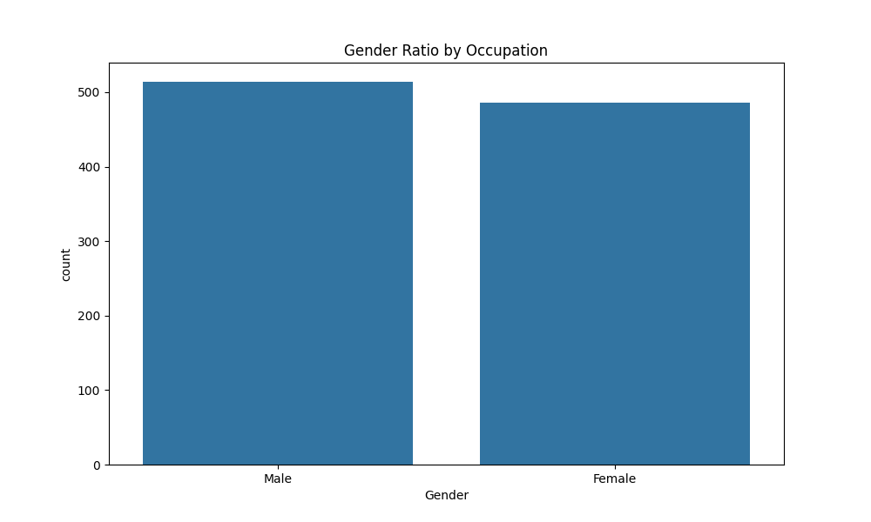

Ada | Perkins | Female | 49 | Salesman | 3169 | Married | 0
Kelsey | Warren | Female | 27 | Physicist | 2188 | Married | 1
Jordan | Myers | Male | 38 | Journalist | 8664 | Married | 5
Maria | Crawford | Female | 18 | Physicist | 9986 | Single | 1
Belinda | Casey | Female | 32 | Interpreter | 9610 | Married | 2
Steven | Payne | Male | 41 | Archeologist | 4136 | Single | 1
Sofia | Wilson | Female | 39 | Programmer | 2928 | Single | 0
Naomi | Barrett | Female | 40 | Photographer | 1819 | Single | 3
David | Gray | Male | 41 | Astronomer | 8209 | Single | 2
Jack | Anderson | Male | 48 | Chef | 8554 | Single | 4
Ryan | Grant | Male | 35 | Medic | 7526 | Married | 2
Julian | Farrell | Male | 21 | Interior Designer | 1799 | Married | 2
Honey | Russell | Female | 55 | Veterinarian | 524 | Single | 2
Sam | Johnston | Male | 40 | Driver | 6717 | Single | 4
Alan | Smith | Male | 52 | Producer | 8050 | Single | 1
Andrew | Mason | Male | 47 | Jeweller | 3595 | Single | 0
Alexander | Tucker | Male | 25 | Journalist | 5234 | Married | 0
Alexia | Carroll | Female | 18 | Jeweller | 7608 | Married | 2
Ryan | Richards | Male | 18 | Botanist | 6184 | Married | 2
Max | Carroll | Male | 18 | Agronomist | 9585 | Single | 5
Rafael | Kelley | Male | 51 | Police Officer | 4847 | Single | 3
Alen | Harper | Male | 40 | Florist | 7382 | Single | 3
Emily | Walker | Female | 57 | Dancer | 3757 | Single | 3
Connie | Gibson | Female | 47 | Electrician | 4905 | Single | 3
Agata | Dixon | Female | 48 | Archeologist | 8142 | Married | 4
Jordan | Chapman | Male | 50 | Architect | 6316 | Married | 5
Kimberly | Rogers | Female | 41 | Baker | 3266 | Single | 2
Ned | Brown | Male | 36 | Geologist | 8194 | Single | 1
Kelvin | Campbell | Male | 49 | Agronomist | 7997 | Married | 1

Agata | West | Female | 54 | Florist | 807 | Single | 3

Alan | Payne | Male | 49 | Archeologist | 8619 | Married | 1
Sophia | West | Female | 22 | Teacher | 3268 | Single | 4
Jared | Barnes | Male | 28 | Interior Designer | 7932 | Married | 3
Tess | Adams | Female | 21 | Cook | 9520 | Single | 2
Spike | Richardson | Male | 57 | Chef | 9573 | Married | 1
Edgar | Warren | Male | 23 | Engineer | 3609 | Single | 2
Darcy | Fowler | Female | 54 | Producer | 2824 | Single | 3
Marcus | Chapman | Male | 29 | Medic | 8221 | Married | 5
Fiona | Moore | Female | 49 | Driver | 1904 | Married | 1
Andrew | Sullivan | Male | 42 | Insurer | 5687 | Married | 0
April | Armstrong | Female | 24 | Historian | 8616 | Single | 4
Maximilian | Crawford | Male | 32 | Mechanic | 8786 | Married | 3
Adrianna | Bennett | Female | 40 | Botanist | 8850 | Single | 1
Robert | Campbell | Male | 41 | Insurer | 2654 | Married | 2
Adelaide | Crawford | Female | 37 | Manager | 838 | Single | 2
John | Gray | Male | 47 | Lecturer | 6344 | Single | 2
Samantha | Howard | Female | 30 | Fine Artist | 1420 | Single | 5
Agata | Watson | Female | 50 | Engineer | 7788 | Single | 3
Jared | Hunt | Male | 58 | Geologist | 9246 | Married | 5
Julia | Bailey | Female | 46 | Lecturer | 709 | Single | 4
Penelope | Henderson | Female | 38 | Singer | 520 | Single | 5
Kelvin | Warren | Male | 54 | Composer | 8443 | Married | 4
Alissa | Sullivan | Female | 32 | Veterinarian | 4131 | Married | 1
Edward | Wilson | Male | 46 | Archeologist | 8572 | Single | 1
Arnold | Higgins | Male | 57 | Chemist | 7500 | Single | 4
Myra | Barrett | Female | 48 | Accountant | 7148 | Married | 3
Ashton | Parker | Male | 49 | Manager | 2920 | Single | 4
Cadie | Harris | Female | 47 | Historian | 692 | Married | 4
Dexter | Cole | Male | 33 | Jeweller | 2826 | Single | 0
Blake | Edwards | Male | 29 | Architect | 7289 | Single | 1
Chelsea | Richards | Female | 42 | Mathematician | 4306 | Single | 4
Frederick | Parker | Male | 57 | Biochemist | 9129 | Single | 3
April | Morris | Female | 29 | Physicist | 8263 | Married | 5
Kate | Grant | Female | 35 | Dancer | 3797 | Single | 3
Brianna | Perry | Female | 38 | Firefighter | 8337 | Married | 2
Amelia | Crawford | Female | 35 | Producer | 6041 | Single | 5
Paige | Alexander | Female | 57 | Interior Designer | 3743 | Single | 2
Alan | Moore | Male | 25 | Astronomer | 1172 | Single | 5
Arianna | Elliott | Female | 23 | Interior Designer | 5577 | Married | 2
Preston | Williams | Male | 55 | Cook | 1464 | Married | 0
Violet | Cooper | Female | 60 | Driver | 7199 | Married | 2
Catherine | Montgomery | Female | 37 | Programmer | 5354 | Single | 4
George | Nelson | Male | 51 | Fashion Designer | 1667 | Single | 5
Honey | Walker | Female | 37 | Aeroplane Pilot | 6097 | Single | 0
Edwin | Reed | Male | 23 | Salesman | 2093 | Single | 1
Alina | Parker | Female | 38 | Chef | 3398 | Married | 4
Elian | Allen | Male | 27 | Insurer | 4169 | Single | 5
Tara | Grant | Female | 19 | Geologist | 3829 | Single | 1
Maddie | Cole | Female | 25 | Producer | 6262 | Single | 3
Maximilian | Wells | Male | 19 | Insurer | 4438 | Single | 5
Charlotte | Williams | Female | 31 | Police Officer | 3297 | Single | 3
Paul | Harrison | Male | 34 | Graphic Designer | 6988 | Married | 4
Ryan | Parker | Male | 40 | Fine Artist | 2601 | Married | 5
Cherry | Lloyd | Female | 18 | Veterinarian | 9428 | Single | 5
Ted | Watson | Male | 36 | Engineer | 2691 | Single | 5
Albert | Robinson | Male | 31 | Botanist | 671 | Single | 1
Elise | Tucker | Female | 19 | Engineer | 1086 | Married | 5
Dale | Elliott | Male | 44 | Interior Designer | 5309 | Single | 5
Charlie | Edwards | Male | 21 | Biochemist | 8381 | Single | 0
Eleanor | Thomas | Female | 55 | Social Worker | 833 | Married | 0
Maya | Mitchell | Female | 34 | Architect | 3338 | Married | 3
Edgar | Phillips | Male | 23 | Jeweller | 2886 | Single | 0
Edgar | Barnes | Male | 54 | Teacher | 8068 | Single | 4
Sawyer | Wright | Male | 32 | Singer | 6181 | Married | 4
Edith | Hall | Female | 18 | Programmer | 4720 | Single | 3
Jared | Perkins | Male | 45 | Fashion Designer | 4075 | Married | 1
Tony | Armstrong | Male | 30 | Driver | 4364 | Single | 4
Aiden | Armstrong | Male | 39 | Engineer | 9370 | Single | 3
Darcy | Jones | Female | 35 | Police Officer | 5571 | Married | 5
Lilianna | Bailey | Female | 49 | Insurer | 6478 | Married | 3
Roman | Douglas | Male | 22 | Interior Designer | 4428 | Single | 4
Roland | Gray | Male | 24 | Jeweller | 782 | Single | 5
Maddie | Perry | Female | 57 | Interpreter | 8679 | Single | 0
Elian | Scott | Male | 23 | Auditor | 9589 | Single | 1
Vincent | Armstrong | Male | 33 | Engineer | 6306 | Married | 0
Kelvin | Edwards | Male | 36 | Astronomer | 2810 | Married | 3
Thomas | Armstrong | Male | 29 | Police Officer | 9850 | Single | 4
Julian | Watson | Male | 45 | Florist | 3195 | Married | 5
Sienna | Howard | Female | 28 | Historian | 2010 | Married | 2
Aida | Edwards | Female | 30 | Social Worker | 9617 | Single | 4
Rubie | Montgomery | Female | 55 | Agronomist | 2277 | Married | 4
Jessica | Cameron | Female | 30 | Social Worker | 2999 | Married | 1
Chester | Sullivan | Male | 44 | Architect | 6793 | Single | 3
Arianna | Kelly | Female | 23 | Carpenter | 8249 | Single | 3
Ashton | Miller | Male | 54 | Journalist | 4723 | Married | 1
Lucas | Chapman | Male | 60 | Scientist | 1198 | Single | 2
Bruce | Gray | Male | 19 | Hairdresser | 7458 | Single | 0
Victoria | Foster | Female | 26 | Salesman | 5385 | Married | 3
Carlos | Watson | Male | 51 | Insurer | 2127 | Single | 2
Vincent | Foster | Male | 31 | Agronomist | 1175 | Single | 3
Thomas | Harris | Male | 36 | Chef | 6811 | Married | 1
Amber | Murray | Female | 42 | Insurer | 9276 | Single | 3
Kimberly | Brown | Female | 43 | Baker | 5879 | Single | 3
Edwin | Douglas | Male | 46 | Medic | 1881 | Married | 5
Tiana | Smith | Female | 32 | Biochemist | 6734 | Married | 3
Kristian | Riley | Male | 40 | Economist | 4086 | Married | 3
Connie | Tucker | Female | 39 | Manager | 6700 | Single | 3
Emma | Robinson | Female | 29 | Cook | 1151 | Single | 1
Tara | Thomas | Female | 36 | Medic | 682 | Single | 0
Camila | Robinson | Female | 50 | Medic | 4473 | Married | 1
Garry | Wilson | Male | 28 | Botanist | 2262 | Married | 3
Preston | Moore | Male | 57 | Archeologist | 9332 | Married | 1
Nicole | Allen | Female | 28 | Singer | 8005 | Single | 0
Sarah | Parker | Female | 46 | Social Worker | 8678 | Single | 1
Kevin | Kelley | Male | 30 | Composer | 3771 | Married | 1
Violet | Stewart | Female | 37 | Economist | 9917 | Single | 4
Marcus | Roberts | Male | 42 | Composer | 8015 | Single | 5
Elise | Bennett | Female | 20 | Baker | 8588 | Single | 1
Grace | Murphy | Female | 20 | Meteorologist | 6887 | Married | 0
Savana | Harris | Female | 31 | Programmer | 3486 | Single | 0
Rafael | Owens | Male | 18 | Physicist | 3869 | Single | 3
Evelyn | Watson | Female | 48 | Teacher | 5930 | Married | 3
David | Myers | Male | 23 | Insurer | 7096 | Married | 2
Aldus | Kelley | Male | 21 | Teacher | 4159 | Married | 4
Oscar | Richards | Male | 19 | Teacher | 6572 | Married | 2
Myra | Montgomery | Female | 60 | Pharmacist | 540 | Married | 3
Kirsten | Perry | Female | 30 | Meteorologist | 9974 | Single | 3
Carina | Hall | Female | 22 | Physicist | 1976 | Single | 0
Maddie | Thomas | Female | 25 | Chemist | 2768 | Married | 5
Cherry | Ryan | Female | 32 | Florist | 1120 | Married | 1
Jared | Carter | Male | 22 | Electrician | 3875 | Married | 2
Roland | Watson | Male | 42 | Insurer | 9377 | Single | 3
Vivian | Casey | Female | 46 | Salesman | 2695 | Married | 5
Lucas | Kelly | Male | 48 | Graphic Designer | 5213 | Single | 3
Lucia | Cameron | Female | 42 | Driver | 5434 | Single | 5
Sam | Brooks | Male | 35 | Astronomer | 3641 | Single | 2
Deanna | Foster | Female | 55 | Mathematician | 7462 | Single | 2
Fiona | Cole | Female | 28 | Pharmacist | 5721 | Married | 3
Adelaide | Thompson | Female | 48 | Biochemist | 5032 | Single | 1
Richard | Walker | Male | 29 | Baker | 2870 | Single | 5
Dexter | Higgins | Male | 20 | Botanist | 4950 | Single | 5
Spike | Hunt | Male | 25 | Engineer | 6903 | Single | 4
Arianna | Walker | Female | 26 | Graphic Designer | 6577 | Single | 4
David | Barrett | Male | 42 | Lecturer | 7295 | Married | 5
Steven | Kelly | Male | 40 | Police Officer | 6173 | Single | 2
Jessica | Ellis | Female | 29 | Fine Artist | 8584 | Married | 4
Walter | Warren | Male | 32 | Physicist | 3726 | Single | 5
Maya | Thomas | Female | 52 | Veterinarian | 2843 | Married | 4
Tiana | Adams | Female | 25 | Auditor | 7543 | Married | 0
Cherry | Tucker | Female | 51 | Architect | 5853 | Single | 1
Justin | Dixon | Male | 33 | Biochemist | 6838 | Married | 1
Mike | Henderson | Male | 50 | Police Officer | 9570 | Married | 5
Lucy | Hunt | Female | 28 | Veterinarian | 4870 | Married | 1
Belinda | Cameron | Female | 20 | Fine Artist | 8863 | Single | 2
Alford | Elliott | Male | 49 | Salesman | 4748 | Married | 0
Arthur | Watson | Male | 52 | Programmer | 1476 | Single | 1
Natalie | Myers | Female | 35 | Auditor | 6813 | Married | 4
Elian | Hill | Male | 22 | Interior Designer | 2644 | Married | 2
Honey | Carroll | Female | 23 | Electrician | 3777 | Married | 2
Valeria | Howard | Female | 27 | Salesman | 3524 | Married | 4
Carlos | Hunt | Male | 42 | Agronomist | 2229 | Single | 3
Julian | Scott | Male | 40 | Scientist | 3353 | Married | 5
Camila | Cameron | Female | 36 | Actor | 1512 | Single | 2
Kirsten | Wilson | Female | 27 | Fashion Designer | 9716 | Single | 3
Adison | Bailey | Male | 44 | Mechanic | 9417 | Married | 1
Carina | Henderson | Female | 57 | Programmer | 2219 | Married | 3
Melanie | Riley | Female | 48 | Medic | 9038 | Single | 5
Ryan | Hawkins | Male | 21 | Pharmacist | 4661 | Married | 3
Connie | Chapman | Female | 52 | Chef | 2657 | Married | 4
Kelsey | Rogers | Female | 35 | Historian | 8220 | Married | 5
Alina | Edwards | Female | 49 | Manager | 1031 | Single | 0
Arthur | Myers | Male | 54 | Meteorologist | 5880 | Single | 5
Tyler | Andrews | Male | 33 | Engineer | 5199 | Single | 2
Carina | Sullivan | Female | 41 | Accountant | 8261 | Single | 0
Arthur | Kelley | Male | 49 | Agronomist | 1056 | Single | 2
Michael | Alexander | Male | 50 | Pharmacist | 7188 | Single | 4
James | Williams | Male | 46 | Mathematician | 616 | Married | 0
Kate | Casey | Female | 49 | Meteorologist | 7756 | Single | 4
Chester | Casey | Male | 44 | Chemist | 4771 | Married | 2
Robert | Adams | Male | 39 | Lecturer | 1015 | Married | 3
Alina | Brooks | Female | 39 | Agronomist | 778 | Single | 0
Agata | Sullivan | Female | 24 | Economist | 9205 | Single | 1
Melissa | Howard | Female | 22 | Baker | 4803 | Single | 5
Ada | Edwards | Female | 41 | Hairdresser | 4511 | Single | 5
Adrian | Farrell | Male | 39 | Carpenter | 4177 | Single | 2
Abigail | Ryan | Female | 55 | Fine Artist | 3160 | Married | 0
Rubie | Phillips | Female | 48 | Interpreter | 8821 | Married | 1
George | Adams | Male | 44 | Interpreter | 3563 | Single | 5
Elise | Smith | Female | 48 | Scientist | 4835 | Married | 5
Albert | Cameron | Male | 55 | Carpenter | 1728 | Married | 4
Penelope | Thomas | Female | 34 | Actor | 2914 | Single | 4
Annabella | Parker | Female | 35 | Composer | 4366 | Married | 5
Eleanor | Morgan | Female | 33 | Insurer | 4050 | Married | 0
Heather | Gray | Female | 50 | Electrician | 4048 | Married | 3
Arianna | Andrews | Female | 29 | Mechanic | 7450 | Married | 5
Thomas | Hill | Male | 53 | Singer | 4255 | Married | 1
Sienna | Anderson | Female | 33 | Teacher | 3936 | Single | 4
Heather | Morris | Female | 53 | Driver | 3952 | Single | 5
Thomas | Harper | Male | 44 | Historian | 4210 | Married | 2
Alfred | Barnes | Male | 28 | Actor | 6576 | Single | 0
Audrey | Craig | Female | 23 | Auditor | 7860 | Single | 4
Alan | Watson | Male | 46 | Mathematician | 4792 | Single | 1
Jacob | Jones | Male | 19 | Firefighter | 2202 | Married | 1
Alan | Payne | Male | 44 | Insurer | 2732 | Married | 3
Albert | Myers | Male | 32 | Accountant | 2842 | Single | 3
Annabella | Evans | Female | 22 | Electrician | 2608 | Single | 3
Maximilian | Perry | Male | 51 | Baker | 9745 | Married | 2
Victoria | Perkins | Female | 57 | Lawer | 9296 | Married | 1
James | Harrison | Male | 54 | Scientist | 5610 | Single | 5
Alen | Hill | Male | 55 | Auditor | 3761 | Married | 1
Elian | Stevens | Male | 60 | Economist | 8318 | Single | 2
Adison | Harper | Male | 20 | Producer | 1004 | Single | 2
Carina | Edwards | Female | 54 | Pharmacist | 2146 | Married | 2
Edgar | Richardson | Male | 23 | Veterinarian | 9079 | Single | 0
Reid | Fowler | Male | 55 | Journalist | 6753 | Single | 1
Honey | Owens | Female | 32 | Photographer | 4480 | Single | 3
Owen | Baker | Male | 53 | Firefighter | 4373 | Single | 4
Amelia | Perry | Female | 18 | Pharmacist | 4106 | Married | 4
Rosie | Ross | Female | 33 | Hairdresser | 5532 | Single | 1
Victoria | Stewart | Female | 45 | Engineer | 8990 | Married | 0
Eddy | Roberts | Male | 29 | Insurer | 6744 | Married | 1
Jordan | Chapman | Male | 19 | Composer | 9324 | Married | 5
Bruce | Thompson | Male | 29 | Botanist | 8930 | Single | 4
Amelia | Hunt | Female | 59 | Baker | 880 | Single | 5
Fenton | Davis | Male | 35 | Historian | 6097 | Single | 3
Amelia | Murphy | Female | 19 | Physicist | 3627 | Married | 4
Frederick | Martin | Male | 46 | Electrician | 8508 | Married | 3
Alina | Fowler | Female | 24 | Chemist | 3794 | Married | 2
Preston | Barrett | Male | 44 | Botanist | 1602 | Single | 0
Vincent | Russell | Male | 25 | Singer | 7486 | Married | 4
Ned | Brown | Male | 35 | Electrician | 9296 | Married | 5
Dainton | Robinson | Male | 31 | Agronomist | 2958 | Married | 1
Maya | Payne | Female | 18 | Astronomer | 4318 | Married | 3
Julia | Miller | Female | 35 | Jeweller | 1305 | Single | 2
Dominik | Andrews | Male | 59 | Driver | 4486 | Married | 1
Madaline | Grant | Female | 19 | Medic | 3881 | Married | 2
Nicholas | Turner | Male | 59 | Composer | 7464 | Married | 5
Ashton | Russell | Male | 35 | Chef | 3682 | Single | 4
Byron | Chapman | Male | 42 | Actor | 9544 | Married | 4
Aston | Baker | Male | 52 | Pharmacist | 2516 | Married | 2
Emily | Kelly | Female | 50 | Economist | 2901 | Single | 3
Bruce | Parker | Male | 51 | Medic | 8701 | Single | 2
Gianna | Jones | Female | 37 | Firefighter | 9689 | Married | 0
Roland | Gibson | Male | 28 | Teacher | 4269 | Single | 5
Roland | Crawford | Male | 40 | Singer | 1962 | Married | 2
Oscar | Taylor | Male | 23 | Agronomist | 4880 | Married | 1
Sienna | Riley | Female | 55 | Lawer | 7239 | Single | 0
Tara | West | Female | 20 | Pharmacist | 6358 | Married | 2
Max | Grant | Male | 44 | Insurer | 5798 | Married | 4
Arthur | Nelson | Male | 53 | Producer | 8258 | Single | 2
Carl | Morgan | Male | 34 | Electrician | 4312 | Single | 2
Lily | Wilson | Female | 52 | Dancer | 5938 | Married | 2
Stuart | Owens | Male | 38 | Accountant | 2537 | Single | 5
Harold | Sullivan | Male | 38 | Manager | 2547 | Married | 1
Julian | Phillips | Male | 50 | Electrician | 9443 | Married | 5
Heather | Perkins | Female | 53 | Lawer | 4250 | Married | 1
Alen | Owens | Male | 44 | Salesman | 3001 | Single | 3
Emily | Carter | Female | 56 | Botanist | 1509 | Married | 4
Robert | Harper | Male | 43 | Police Officer | 8386 | Married | 3
Emily | Campbell | Female | 36 | Lawer | 8794 | Single | 2
Kate | Elliott | Female | 23 | Graphic Designer | 7717 | Single | 0
Cherry | Montgomery | Female | 46 | Salesman | 3436 | Married | 1
Edith | Harper | Female | 47 | Chef | 5859 | Single | 3
Alen | Lloyd | Male | 49 | Medic | 1719 | Married | 1
Deanna | Howard | Female | 23 | Electrician | 8766 | Married | 2
Hailey | Wright | Female | 46 | Archeologist | 3937 | Single | 4
Cherry | Walker | Female | 52 | Chemist | 3407 | Married | 0
Eric | Thomas | Male | 51 | Driver | 715 | Married | 2
Edith | Miller | Female | 24 | Lawer | 1140 | Married | 3
Amanda | Stevens | Female | 30 | Interpreter | 8874 | Single | 5
Arianna | Baker | Female | 27 | Driver | 4334 | Married | 2
Roland | Harrison | Male | 39 | Archeologist | 6877 | Single | 0
Nicole | Wilson | Female | 58 | Cook | 6203 | Married | 4
Mary | Scott | Female | 54 | Journalist | 7440 | Single | 5
Kimberly | Ellis | Female | 21 | Geologist | 8010 | Single | 1
Edwin | Carroll | Male | 60 | Agronomist | 4981 | Married | 1
Lydia | Ellis | Female | 21 | Archeologist | 5362 | Married | 1
Ryan | Adams | Male | 44 | Insurer | 599 | Single | 2
Oscar | Myers | Male | 51 | Physicist | 9792 | Married | 4
Blake | Richards | Male | 26 | Composer | 5807 | Single | 5
Heather | Thomas | Female | 28 | Actor | 3017 | Married | 2
Olivia | Taylor | Female | 30 | Firefighter | 7240 | Single | 3
Ryan | Morrison | Male | 55 | Fashion Designer | 721 | Married | 0
Jared | Morris | Male | 27 | Driver | 7431 | Single | 2
David | Campbell | Male | 54 | Interior Designer | 2988 | Single | 0
Jordan | Williams | Male | 27 | Agronomist | 5177 | Married | 3
Sarah | Bailey | Female | 53 | Manager | 7303 | Married | 2
Clark | Wells | Male | 27 | Mathematician | 5272 | Single | 3
Alexander | Richardson | Male | 45 | Accountant | 675 | Married | 4
Anna | Higgins | Female | 57 | Florist | 8379 | Married | 5
Deanna | Cole | Female | 36 | Interpreter | 899 | Married | 4
Nicholas | Hall | Male | 50 | Medic | 4774 | Single | 4
Leonardo | Myers | Male | 46 | Mathematician | 3647 | Single | 3
Chelsea | Walker | Female | 47 | Astronomer | 1644 | Married | 2
Julian | Barrett | Male | 37 | Programmer | 3381 | Single | 5
Daryl | Turner | Male | 37 | Archeologist | 7376 | Single | 0
Oscar | Cunningham | Male | 23 | Manager | 1441 | Single | 3
Rubie | Warren | Female | 55 | Botanist | 1738 | Single | 1
Jordan | Martin | Male | 42 | Florist | 2770 | Married | 4
Alissa | Jones | Female | 44 | Chef | 5345 | Single | 2
Jenna | Barnes | Female | 26 | Actor | 6240 | Single | 1
Evelyn | Dixon | Female | 49 | Manager | 1028 | Single | 4
Frederick | Wilson | Male | 59 | Archeologist | 4035 | Single | 2
Maria | Watson | Female | 45 | Interpreter | 2561 | Married | 4
Arianna | Lloyd | Female | 55 | Chef | 1195 | Single | 5
Nicole | Rogers | Female | 47 | Meteorologist | 557 | Single | 4
Eleanor | Wells | Female | 20 | Economist | 1961 | Single | 0
Kimberly | Morrison | Female | 34 | Social Worker | 3131 | Single | 3
Patrick | Bennett | Male | 23 | Archeologist | 7336 | Single | 3
Catherine | Fowler | Female | 27 | Fine Artist | 1721 | Married | 3
Lilianna | Kelly | Female | 57 | Accountant | 8474 | Married | 2
Tess | Baker | Female | 23 | Interpreter | 844 | Single | 3
Lilianna | Holmes | Female | 22 | Hairdresser | 7558 | Single | 3
Alberta | Murray | Female | 57 | Hairdresser | 6601 | Married | 2
Preston | Hill | Male | 35 | Aeroplane Pilot | 586 | Married | 5
Penelope | Parker | Female | 28 | Teacher | 2993 | Single | 5
Miley | Perkins | Female | 42 | Geologist | 1782 | Single | 5
Dominik | Foster | Male | 41 | Engineer | 9431 | Married | 1
Harold | Kelly | Male | 28 | Auditor | 2305 | Single | 3
Caroline | Carter | Female | 29 | Accountant | 8059 | Married | 2
Albert | Ryan | Male | 29 | Fine Artist | 8338 | Single | 1
Kirsten | Stevens | Female | 33 | Scientist | 3709 | Single | 3
Melanie | Reed | Female | 22 | Chemist | 3733 | Single | 4
Charlotte | Russell | Female | 39 | Composer | 2443 | Married | 2
Maria | Johnston | Female | 33 | Singer | 6670 | Married | 0
Chelsea | Lloyd | Female | 33 | Social Worker | 5114 | Married | 4
Alina | Richardson | Female | 60 | Lawer | 7447 | Married | 0
Florrie | Hall | Female | 44 | Chef | 9544 | Married | 5
Carina | Johnston | Female | 47 | Manager | 7719 | Single | 4
Aiden | Carter | Male | 37 | Biochemist | 3844 | Married | 0
Amber | Nelson | Female | 18 | Actor | 4185 | Married | 2
Sam | Perry | Male | 30 | Singer | 9225 | Single | 4
Eleanor | Perry | Female | 21 | Mechanic | 9643 | Married | 3
Edgar | Owens | Male | 44 | Programmer | 5623 | Single | 4
Abraham | Perry | Male | 40 | Accountant | 6540 | Married | 3
Wilson | West | Male | 42 | Cook | 4006 | Married | 3
Valeria | Sullivan | Female | 49 | Meteorologist | 1029 | Married | 0
Michael | Harper | Male | 58 | Accountant | 8863 | Married | 2
Bruce | Hall | Male | 58 | Manager | 8625 | Single | 3
Tara | Hall | Female | 30 | Interpreter | 651 | Married | 1
Leonardo | Montgomery | Male | 40 | Firefighter | 6422 | Single | 5
Chloe | Sullivan | Female | 26 | Pharmacist | 560 | Single | 1
Ellia | Kelly | Female | 32 | Dancer | 9474 | Married | 3
Wilson | Stewart | Male | 50 | Biochemist | 7680 | Single | 1
Antony | Mitchell | Male | 43 | Lecturer | 3582 | Single | 2
Lucia | Andrews | Female | 31 | Biochemist | 3263 | Married | 5
Amanda | Foster | Female | 40 | Social Worker | 7059 | Single | 3
Rubie | Owens | Female | 26 | Botanist | 7247 | Married | 1
Lyndon | Casey | Male | 19 | Driver | 9027 | Single | 4
Edith | Montgomery | Female | 18 | Producer | 1244 | Married | 1
Nicholas | Russell | Male | 38 | Pharmacist | 6459 | Single | 4
Wilson | Brooks | Male | 55 | Social Worker | 3270 | Single | 0
Sawyer | Wright | Male | 51 | Mathematician | 2671 | Single | 4
Kristian | Hunt | Male | 50 | Composer | 7468 | Single | 2
Sawyer | Clark | Male | 25 | Medic | 6459 | Single | 5
Chester | Moore | Male | 59 | Electrician | 8541 | Single | 0
Wilson | Davis | Male | 47 | Police Officer | 9297 | Married | 2
Lilianna | Gray | Female | 50 | Insurer | 1418 | Married | 0
Henry | Craig | Male | 33 | Agronomist | 9717 | Single | 2
Melanie | Russell | Female | 23 | Jeweller | 1858 | Married | 1
George | Thompson | Male | 40 | Lecturer | 7298 | Married | 1
Belinda | Holmes | Female | 24 | Pharmacist | 9925 | Single | 1
Richard | Owens | Male | 58 | Botanist | 1844 | Single | 3
Reid | Armstrong | Male | 43 | Dancer | 8271 | Married | 3
Olivia | Gibson | Female | 40 | Photographer | 8053 | Single | 1
Fenton | Williams | Male | 47 | Teacher | 5949 | Single | 0
George | Mitchell | Male | 46 | Journalist | 1822 | Married | 2
Miley | Thomas | Female | 49 | Photographer | 729 | Single | 2
Clark | West | Male | 50 | Teacher | 4124 | Married | 3
Rubie | Brown | Female | 49 | Social Worker | 1458 | Single | 1
Adison | Williams | Male | 31 | Cook | 1114 | Single | 0
Dale | Hawkins | Male | 46 | Pharmacist | 5984 | Single | 0
Charlotte | Cameron | Female | 36 | Singer | 3746 | Married | 5
Myra | Foster | Female | 60 | Chemist | 1926 | Single | 0
Daisy | Casey | Female | 47 | Physicist | 6219 | Single | 4
Naomi | Payne | Female | 56 | Archeologist | 9502 | Married | 0
Eddy | Murray | Male | 29 | Chef | 7812 | Single | 3
Walter | Ryan | Male | 36 | Engineer | 6355 | Single | 1
Alisa | Wright | Female | 47 | Fine Artist | 6624 | Single | 4
Mary | Richards | Female | 55 | Florist | 3401 | Married | 2
Sabrina | Higgins | Female | 56 | Graphic Designer | 5869 | Married | 1
Eddy | Farrell | Male | 39 | Architect | 7506 | Single | 1
Jordan | Montgomery | Male | 53 | Economist | 3217 | Married | 0
Honey | Crawford | Female | 23 | Singer | 8111 | Married | 1
Stella | Carroll | Female | 31 | Biochemist | 8921 | Single | 5
Alan | Grant | Male | 23 | Mechanic | 9620 | Single | 4
Mary | Ellis | Female | 36 | Historian | 9027 | Married | 2
James | Anderson | Male | 27 | Mechanic | 9409 | Single | 4
Alissa | Perkins | Female | 19 | Scientist | 3144 | Married | 4
Caroline | Rogers | Female | 21 | Police Officer | 4624 | Married | 3
Byron | Thomas | Male | 45 | Teacher | 8088 | Single | 4
Edgar | Higgins | Male | 25 | Lecturer | 6699 | Married | 2
Jasmine | Martin | Female | 31 | Mechanic | 7918 | Married | 2
Tara | Miller | Female | 23 | Geologist | 2080 | Married | 0
Charlotte | Warren | Female | 29 | Economist | 9741 | Married | 3
Daisy | Alexander | Female | 22 | Biochemist | 6125 | Single | 2
John | Edwards | Male | 48 | Biochemist | 5530 | Married | 5
Florrie | Elliott | Female | 40 | Accountant | 8613 | Single | 1
Arianna | Cooper | Female | 41 | Chef | 5842 | Single | 0
Robert | Morrison | Male | 56 | Fashion Designer | 1955 | Married | 3
Blake | Bennett | Male | 51 | Photographer | 834 | Single | 3
Justin | Taylor | Male | 41 | Biochemist | 695 | Single | 1
Haris | Elliott | Male | 55 | Biochemist | 2322 | Married | 1
Lily | Williams | Female | 22 | Fine Artist | 6667 | Married | 0
Annabella | Russell | Female | 50 | Historian | 9507 | Single | 1
Michael | Perkins | Male | 23 | Medic | 7929 | Single | 4
Nicole | Owens | Female | 32 | Physicist | 4898 | Single | 2
Kristian | Walker | Male | 59 | Photographer | 1739 | Married | 1
Tara | Richardson | Female | 55 | Electrician | 1528 | Married | 3
Ned | Farrell | Male | 52 | Physicist | 2828 | Married | 0
Justin | Mason | Male | 57 | Engineer | 2065 | Single | 0
Adrianna | Cooper | Female | 32 | Geologist | 3752 | Single | 1
Lana | Harper | Female | 55 | Driver | 4449 | Single | 5
Ada | Moore | Female | 43 | Driver | 9624 | Single | 2
Clark | Hawkins | Male | 53 | Architect | 2915 | Married | 2
Alfred | Riley | Male | 48 | Interior Designer | 4434 | Married | 2
Adison | Bailey | Male | 32 | Composer | 8239 | Married | 4
Sofia | Gibson | Female | 58 | Mathematician | 5725 | Single | 1
Nicholas | Evans | Male | 28 | Journalist | 8089 | Married | 2
Sienna | Adams | Female | 35 | Driver | 6127 | Single | 4
Heather | Davis | Female | 19 | Producer | 6729 | Single | 3
Owen | Barrett | Male | 40 | Geologist | 1173 | Married | 5
Ada | Dixon | Female | 27 | Carpenter | 8563 | Married | 3
Joyce | Johnson | Female | 31 | Baker | 6850 | Single | 5
Catherine | Scott | Female | 54 | Firefighter | 2187 | Single | 0
Antony | West | Male | 53 | Pharmacist | 2492 | Married | 1
Carina | Clark | Female | 57 | Veterinarian | 7687 | Married | 2
Alford | Hall | Male | 58 | Historian | 5176 | Married | 1
Tiana | Owens | Female | 60 | Lawer | 1496 | Single | 1
Lilianna | Foster | Female | 30 | Hairdresser | 3443 | Married | 4
Jasmine | Fowler | Female | 54 | Auditor | 8879 | Single | 2
Adrianna | Kelley | Female | 44 | Cook | 4973 | Married | 3
Brad | Howard | Male | 19 | Auditor | 6610 | Married | 2
Jenna | Stewart | Female | 38 | Electrician | 6347 | Single | 2
Marcus | Campbell | Male | 24 | Biochemist | 8002 | Single | 0
Gianna | Wells | Female | 19 | Baker | 6123 | Single | 4
Lucas | Thomas | Male | 18 | Mechanic | 6577 | Married | 1
April | Turner | Female | 35 | Mathematician | 9970 | Single | 2
Eric | Barrett | Male | 19 | Programmer | 6050 | Single | 5
Ted | Evans | Male | 18 | Firefighter | 7494 | Married | 2
Cadie | Hawkins | Female | 47 | Biochemist | 869 | Married | 5
Lily | Wright | Female | 20 | Agronomist | 9034 | Single | 1
Nicholas | Warren | Male | 54 | Baker | 1488 | Single | 5
Fiona | Hill | Female | 60 | Mechanic | 8332 | Single | 4
Fiona | Kelly | Female | 26 | Mechanic | 6135 | Married | 5
William | Carroll | Male | 42 | Programmer | 6569 | Married | 5
Melissa | Turner | Female | 50 | Graphic Designer | 985 | Single | 3
Alfred | Henderson | Male | 47 | Electrician | 3925 | Single | 0
Deanna | Warren | Female | 49 | Teacher | 1081 | Single | 5
Ryan | Roberts | Male | 32 | Salesman | 5172 | Married | 5
Blake | Morgan | Male | 42 | Mathematician | 8359 | Single | 5
Rubie | Hunt | Female | 59 | Programmer | 659 | Single | 4
Victoria | Hill | Female | 49 | Auditor | 9527 | Single | 5
Catherine | Higgins | Female | 21 | Social Worker | 983 | Single | 5
Heather | Hawkins | Female | 21 | Lawer | 5883 | Married | 3
Alford | Myers | Male | 57 | Auditor | 1181 | Married | 0
Preston | Mason | Male | 38 | Electrician | 4817 | Married | 0
Alexander | Allen | Male | 47 | Carpenter | 4877 | Single | 3
Lucy | Richardson | Female | 49 | Social Worker | 3892 | Married | 2
Connie | Hall | Female | 30 | Interior Designer | 5428 | Single | 4
Reid | West | Male | 43 | Archeologist | 6052 | Married | 5
Ada | Parker | Female | 41 | Veterinarian | 8601 | Single | 2
Oliver | Mitchell | Male | 35 | Astronomer | 9621 | Married | 0
Edgar | Carter | Male | 49 | Journalist | 6984 | Single | 3
Garry | Higgins | Male | 33 | Driver | 1012 | Single | 3
Julian | Reed | Male | 41 | Interpreter | 9971 | Married | 4
Albert | Stewart | Male | 29 | Actor | 4864 | Married | 2
Byron | Bennett | Male | 51 | Lecturer | 8075 | Single | 0
Nicole | Hill | Female | 24 | Carpenter | 9012 | Married | 1
Emma | Parker | Female | 55 | Jeweller | 4060 | Married | 1
Spike | Adams | Male | 50 | Lecturer | 4120 | Married | 4
Ryan | Harrison | Male | 50 | Florist | 2287 | Married | 1
Jack | Henderson | Male | 58 | Scientist | 7987 | Married | 3
Derek | Parker | Male | 30 | Insurer | 9137 | Single | 2
Paul | Sullivan | Male | 51 | Actor | 3364 | Married | 0
Elian | Riley | Male | 50 | Lawer | 5999 | Married | 5
Henry | Richardson | Male | 45 | Graphic Designer | 3334 | Married | 2
Olivia | Thomas | Female | 30 | Botanist | 2894 | Single | 2
Adison | Johnston | Male | 24 | Chemist | 9109 | Married | 2
Savana | Hill | Female | 39 | Historian | 9103 | Married | 1
Byron | Casey | Male | 57 | Biochemist | 2218 | Married | 5
Dominik | Edwards | Male | 59 | Producer | 6699 | Married | 1
Patrick | Grant | Male | 59 | Salesman | 5102 | Single | 0
Sarah | Watson | Female | 23 | Aeroplane Pilot | 6186 | Married | 3
Anna | Parker | Female | 27 | Mathematician | 794 | Married | 1
Tony | Moore | Male | 30 | Photographer | 1951 | Single | 4
Alberta | Holmes | Female | 19 | Botanist | 9549 | Single | 4
Michael | Johnson | Male | 45 | Lawer | 5343 | Married | 5
Hailey | Grant | Female | 22 | Interpreter | 6035 | Single | 2
Stella | Henderson | Female | 18 | Jeweller | 6654 | Married | 0
George | Tucker | Male | 39 | Physicist | 918 | Married | 1
Daryl | Carroll | Male | 36 | Geologist | 7866 | Married | 4
Savana | Spencer | Female | 26 | Singer | 5200 | Married | 3
Kevin | Grant | Male | 35 | Composer | 7033 | Single | 2
Kirsten | Morris | Female | 44 | Dancer | 6370 | Single | 2
Chloe | Bailey | Female | 30 | Photographer | 3816 | Married | 3
Sam | Kelly | Male | 26 | Baker | 1258 | Single | 3
Adele | Cunningham | Female | 36 | Producer | 8461 | Married | 5
Edwin | Baker | Male | 55 | Physicist | 6182 | Married | 1
Adrian | Ferguson | Male | 55 | Firefighter | 7993 | Single | 1
William | Lloyd | Male | 31 | Geologist | 2151 | Married | 1
Alissa | Cunningham | Female | 35 | Carpenter | 3106 | Single | 4
Ryan | Phillips | Male | 39 | Meteorologist | 5222 | Single | 1
Freddie | Warren | Male | 42 | Insurer | 966 | Married | 4
Alina | Watson | Female | 59 | Economist | 4650 | Married | 4
Tony | Carroll | Male | 35 | Dancer | 3358 | Single | 4
Melanie | Nelson | Female | 57 | Teacher | 7831 | Married | 3
Adrian | Wilson | Male | 32 | Dancer | 7586 | Single | 5
Roland | Taylor | Male | 51 | Meteorologist | 7352 | Married | 5
Charlie | Wells | Male | 55 | Botanist | 4418 | Single | 3
Ryan | Gibson | Male | 59 | Veterinarian | 3181 | Married | 3
April | Morrison | Female | 19 | Botanist | 7582 | Married | 0
Grace | Edwards | Female | 31 | Manager | 5045 | Single | 0
Frederick | Miller | Male | 18 | Interpreter | 815 | Married | 2
Belinda | Moore | Female | 46 | Biochemist | 3309 | Married | 0
Stella | Bennett | Female | 58 | Graphic Designer | 4327 | Single | 4
Jenna | Ellis | Female | 40 | Economist | 9849 | Married | 2
Clark | Gibson | Male | 55 | Electrician | 739 | Married | 2
Marcus | Nelson | Male | 43 | Archeologist | 9191 | Married | 1
Julia | Mitchell | Female | 22 | Agronomist | 6154 | Single | 5
Emily | Johnston | Female | 59 | Producer | 4451 | Married | 3
Rubie | Rogers | Female | 33 | Chef | 9181 | Married | 3
Miley | Moore | Female | 52 | Driver | 7793 | Single | 0
Sarah | Cunningham | Female | 27 | Medic | 644 | Married | 5
Violet | Thomas | Female | 48 | Mechanic | 9269 | Married | 4
Clark | Owens | Male | 24 | Botanist | 4005 | Single | 3
April | Walker | Female | 52 | Photographer | 9343 | Single | 1
Adrian | Carter | Male | 21 | Astronomer | 6971 | Single | 3
Alen | Carroll | Male | 51 | Chef | 3573 | Single | 0
Frederick | Ryan | Male | 56 | Fashion Designer | 6234 | Married | 1
Garry | Turner | Male | 45 | Chemist | 6702 | Married | 4
Brooke | Taylor | Female | 31 | Social Worker | 745 | Single | 3
Agata | Higgins | Female | 53 | Pharmacist | 5941 | Single | 1
Naomi | Russell | Female | 21 | Astronomer | 6282 | Married | 1
Patrick | Cooper | Male | 23 | Architect | 6310 | Married | 4
Chester | Ryan | Male | 55 | Florist | 3976 | Married | 3
Carlos | Perry | Male | 26 | Hairdresser | 4048 | Married | 0
Justin | Cole | Male | 56 | Accountant | 8853 | Single | 3
Ned | Thompson | Male | 34 | Agronomist | 8227 | Married | 4
Lilianna | Baker | Female | 30 | Actor | 1253 | Married | 0
Kellan | Elliott | Male | 19 | Actor | 5401 | Single | 0
Maddie | Cooper | Female | 34 | Auditor | 4787 | Single | 1
April | Stevens | Female | 35 | Singer | 4837 | Married | 3
Aida | Gibson | Female | 35 | Archeologist | 3403 | Single | 3
Vivian | Taylor | Female | 39 | Veterinarian | 1796 | Single | 4
Emily | Thomas | Female | 21 | Electrician | 1943 | Single | 0
Miley | Martin | Female | 48 | Lecturer | 4953 | Married | 5
Fiona | Hawkins | Female | 58 | Agronomist | 666 | Single | 0
Clark | Stewart | Male | 45 | Mechanic | 6553 | Married | 4
Vincent | Montgomery | Male | 39 | Composer | 1665 | Married | 0
Alford | Mason | Male | 54 | Producer | 3509 | Married | 4
Robert | Andrews | Male | 29 | Firefighter | 6822 | Single | 0
Kirsten | Allen | Female | 39 | Producer | 9260 | Single | 3
Julian | Clark | Male | 25 | Singer | 9644 | Married | 4
Edward | Elliott | Male | 59 | Hairdresser | 1574 | Married | 3
Roman | Foster | Male | 33 | Lecturer | 4644 | Single | 0
Maximilian | Cunningham | Male | 18 | Dancer | 9745 | Married | 5
Julian | Baker | Male | 20 | Lecturer | 6615 | Married | 0
Harold | Barnes | Male | 50 | Lecturer | 8282 | Married | 0
Lyndon | Watson | Male | 26 | Hairdresser | 9906 | Single | 4
Edith | Bailey | Female | 24 | Historian | 8502 | Single | 0
Thomas | Wilson | Male | 47 | Salesman | 4959 | Married | 4
Edward | Kelly | Male | 50 | Dancer | 8757 | Single | 3
Martin | Chapman | Male | 42 | Programmer | 4247 | Married | 0
Jessica | Moore | Female | 36 | Mathematician | 7141 | Single | 1
Paige | Baker | Female | 38 | Aeroplane Pilot | 8604 | Married | 2
Jasmine | Higgins | Female | 43 | Archeologist | 2542 | Married | 2
Arnold | Robinson | Male | 39 | Social Worker | 7820 | Single | 1
Carina | Ferguson | Female | 49 | Interior Designer | 5699 | Married | 5
Michelle | Fowler | Female | 41 | Composer | 1719 | Married | 3
Lucia | Gray | Female | 59 | Jeweller | 8753 | Single | 3
James | Johnston | Male | 41 | Geologist | 7048 | Single | 5
Oliver | Robinson | Male | 60 | Carpenter | 2607 | Single | 0
Alberta | Wells | Female | 48 | Jeweller | 2707 | Single | 0
Aiden | Cameron | Male | 60 | Engineer | 9242 | Single | 3
Adrianna | Kelley | Female | 51 | Mechanic | 3797 | Single | 4
John | Mason | Male | 37 | Insurer | 8788 | Married | 4
Justin | Perry | Male | 37 | Economist | 4058 | Single | 0
Alisa | Phillips | Female | 21 | Chef | 8311 | Married | 0
Arnold | Barnes | Male | 50 | Driver | 9834 | Single | 2
Jack | Robinson | Male | 55 | Meteorologist | 2693 | Single | 4
Derek | Taylor | Male | 28 | Veterinarian | 6815 | Single | 1
Nicholas | Dixon | Male | 29 | Engineer | 9337 | Married | 1
Julian | Myers | Male | 27 | Fashion Designer | 3655 | Single | 0
Brooke | Harrison | Female | 56 | Mathematician | 3350 | Married | 1
Naomi | Elliott | Female | 41 | Lawer | 6130 | Married | 5
Penelope | Robinson | Female | 33 | Producer | 5293 | Single | 2
Alford | Hamilton | Male | 36 | Jeweller | 5829 | Married | 5
Sydney | Craig | Female | 43 | Lawer | 4836 | Single | 1
Olivia | Murray | Female | 37 | Driver | 9971 | Single | 1
Alissa | Armstrong | Female | 35 | Astronomer | 7421 | Married | 3
Jordan | Allen | Male | 56 | Composer | 5825 | Single | 1
Alina | Henderson | Female | 36 | Florist | 4856 | Married | 0
Agata | Barnes | Female | 20 | Fine Artist | 6903 | Single | 1
Bruce | Wright | Male | 32 | Meteorologist | 8829 | Single | 3
Julia | Taylor | Female | 47 | Botanist | 2570 | Married | 1
Rubie | Bailey | Female | 53 | Insurer | 3611 | Married | 5
Jared | Barnes | Male | 46 | Fine Artist | 6678 | Single | 0
William | Richardson | Male | 26 | Auditor | 5088 | Married | 0
Samantha | Anderson | Female | 55 | Accountant | 8400 | Single | 3
Edith | Edwards | Female | 34 | Historian | 2163 | Married | 3
Violet | Dixon | Female | 53 | Mathematician | 8970 | Single | 4
Arthur | Smith | Male | 57 | Singer | 2395 | Married | 1
Camila | Carter | Female | 60 | Interior Designer | 976 | Married | 0
Dale | Richards | Male | 30 | Singer | 9242 | Married | 1
Abigail | Fowler | Female | 40 | Salesman | 4192 | Married | 0
Jared | Ellis | Male | 28 | Lecturer | 4384 | Single | 0
Samantha | Foster | Female | 27 | Lecturer | 1385 | Single | 0
Tess | Williams | Female | 51 | Lawer | 2948 | Single | 5
Mike | Miller | Male | 58 | Florist | 6952 | Married | 3
Chester | Smith | Male | 47 | Photographer | 8464 | Married | 0
Darcy | Myers | Female | 50 | Interior Designer | 5812 | Single | 2
Thomas | Chapman | Male | 34 | Journalist | 3115 | Single | 1
Arnold | Johnston | Male | 41 | Singer | 9251 | Single | 0
Lyndon | Murphy | Male | 56 | Singer | 4182 | Single | 5
Miranda | Spencer | Female | 33 | Biochemist | 3058 | Married | 1
Lyndon | Fowler | Male | 49 | Chemist | 9740 | Single | 1
Hailey | Cole | Female | 39 | Salesman | 609 | Single | 4
Maddie | Jones | Female | 32 | Journalist | 7315 | Single | 2
Frederick | Craig | Male | 49 | Fashion Designer | 2538 | Married | 1
Cherry | Barnes | Female | 53 | Interpreter | 9737 | Single | 3
Emma | Wright | Female | 46 | Historian | 8144 | Married | 0
Belinda | Brown | Female | 47 | Agronomist | 1827 | Married | 1
Ryan | Bennett | Male | 51 | Aeroplane Pilot | 8998 | Married | 0
Amelia | Barrett | Female | 23 | Geologist | 3240 | Married | 1
Thomas | Baker | Male | 18 | Historian | 2457 | Single | 3
Alberta | Robinson | Female | 43 | Physicist | 8822 | Married | 4
Violet | Ellis | Female | 56 | Lecturer | 8979 | Single | 1
Brooke | Walker | Female | 34 | Journalist | 7733 | Married | 5
Alfred | Ryan | Male | 29 | Mathematician | 4522 | Single | 4
Aiden | Nelson | Male | 45 | Interpreter | 7865 | Single | 2
Briony | Higgins | Female | 30 | Salesman | 8604 | Married | 0
Tara | Owens | Female | 44 | Geologist | 5443 | Married | 2
Adele | Adams | Female | 54 | Mathematician | 1498 | Married | 4
Byron | Tucker | Male | 37 | Biochemist | 5054 | Married | 5
Eddy | Hamilton | Male | 58 | Salesman | 8153 | Married | 4
Jenna | Montgomery | Female | 51 | Hairdresser | 4167 | Single | 5
Paige | Murphy | Female | 34 | Auditor | 9777 | Married | 0
William | Brown | Male | 49 | Astronomer | 3559 | Single | 5
Kellan | Crawford | Male | 47 | Economist | 2901 | Single | 1
James | Carroll | Male | 47 | Jeweller | 634 | Married | 3
Deanna | Adams | Female | 34 | Mechanic | 3817 | Single | 0
David | Rogers | Male | 45 | Veterinarian | 9990 | Married | 1
Edith | Wright | Female | 44 | Agronomist | 8325 | Married | 4
Leonardo | Brooks | Male | 49 | Carpenter | 4604 | Married | 5
Antony | Higgins | Male | 43 | Astronomer | 4254 | Single | 3
Sarah | Dixon | Female | 43 | Fine Artist | 7493 | Married | 2
Patrick | Evans | Male | 19 | Engineer | 5631 | Single | 3
Evelyn | Tucker | Female | 36 | Teacher | 9684 | Married | 0
Luke | Alexander | Male | 35 | Meteorologist | 4400 | Married | 2
Heather | Harper | Female | 29 | Journalist | 9481 | Married | 3
Fiona | Harper | Female | 36 | Engineer | 7932 | Married | 5
Max | Tucker | Male | 34 | Interpreter | 1350 | Married | 0
Carlos | Fowler | Male | 30 | Veterinarian | 4197 | Married | 4
Dominik | Carroll | Male | 18 | Insurer | 3964 | Married | 2
Ned | Morgan | Male | 43 | Chef | 3378 | Married | 3
Tess | Elliott | Female | 48 | Veterinarian | 1804 | Single | 2
Jessica | Wells | Female | 58 | Physicist | 9107 | Married | 4
Frederick | Henderson | Male | 45 | Driver | 1213 | Married | 5
Dexter | Robinson | Male | 26 | Driver | 7686 | Single | 5
Tony | Douglas | Male | 45 | Teacher | 6167 | Married | 0
Ted | Foster | Male | 35 | Architect | 5036 | Married | 5
Roman | Payne | Male | 18 | Manager | 6454 | Single | 0
Audrey | Johnston | Female | 23 | Journalist | 1458 | Single | 3
Adam | Hunt | Male | 48 | Interpreter | 3712 | Single | 0
Carlos | Edwards | Male | 52 | Lawer | 5391 | Single | 4
Lyndon | Kelley | Male | 46 | Firefighter | 9186 | Single | 3
Carl | Walker | Male | 22 | Lawer | 3488 | Married | 3
Victoria | Richards | Female | 51 | Firefighter | 2527 | Single | 1
Bruce | Ellis | Male | 38 | Producer | 4107 | Single | 4
Preston | Harper | Male | 60 | Interpreter | 2707 | Single | 5
Aldus | Higgins | Male | 55 | Economist | 5113 | Married | 5
Roman | Cole | Male | 50 | Biochemist | 9241 | Single | 1
Derek | Adams | Male | 47 | Police Officer | 1453 | Married | 0
Arthur | Stevens | Male | 22 | Mechanic | 8848 | Married | 1
Brooke | Morrison | Female | 59 | Geologist | 9914 | Married | 5
Tiana | Thompson | Female | 34 | Hairdresser | 965 | Married | 1
Julia | Ferguson | Female | 57 | Economist | 578 | Married | 1
Chloe | Gibson | Female | 37 | Producer | 7226 | Single | 2
Amy | Wilson | Female | 47 | Social Worker | 5310 | Single | 3
Rebecca | Holmes | Female | 31 | Botanist | 5273 | Married | 3
Fiona | Kelly | Female | 33 | Cook | 2857 | Married | 0
Nicholas | Taylor | Male | 21 | Physicist | 3899 | Single | 4
Adison | Elliott | Male | 55 | Veterinarian | 5293 | Married | 1
Eric | Hamilton | Male | 22 | Dancer | 4539 | Married | 2
Byron | Warren | Male | 60 | Baker | 8826 | Married | 4
Sydney | Douglas | Female | 30 | Architect | 7990 | Married | 0
William | Miller | Male | 48 | Auditor | 4235 | Married | 1
Edwin | Crawford | Male | 38 | Programmer | 8864 | Single | 4
Ashton | Williams | Male | 24 | Geologist | 4946 | Single | 5
Cadie | Richards | Female | 32 | Singer | 4476 | Single | 3
Reid | Scott | Male | 49 | Meteorologist | 9999 | Single | 5
Briony | Tucker | Female | 32 | Agronomist | 2169 | Single | 1
Emily | Smith | Female | 31 | Lawer | 8823 | Single | 3
Aiden | Foster | Male | 57 | Programmer | 7915 | Single | 2
Edgar | Wilson | Male | 49 | Journalist | 2492 | Married | 5
Paige | Tucker | Female | 25 | Scientist | 2992 | Married | 2
Elise | Wells | Female | 34 | Salesman | 6995 | Single | 1
Antony | Roberts | Male | 45 | Biochemist | 969 | Married | 3
Adison | Hall | Male | 45 | Mechanic | 4854 | Married | 2
Steven | Andrews | Male | 52 | Insurer | 9628 | Single | 0
Alexia | Gray | Female | 42 | Insurer | 8721 | Single | 2
Oscar | Alexander | Male | 44 | Producer | 7500 | Married | 1
Jessica | Fowler | Female | 47 | Hairdresser | 1836 | Married | 4
Jasmine | Anderson | Female | 50 | Architect | 4838 | Single | 1
Lucas | Jones | Male | 54 | Salesman | 7428 | Married | 1
Vivian | Casey | Female | 56 | Lecturer | 4494 | Married | 0
Ryan | Thomas | Male | 60 | Carpenter | 7813 | Single | 4
Roman | Martin | Male | 26 | Pharmacist | 6532 | Single | 4
Penelope | Gibson | Female | 38 | Journalist | 5451 | Single | 3
Anna | Tucker | Female | 28 | Architect | 5528 | Married | 0
Lucia | Holmes | Female | 33 | Firefighter | 8618 | Single | 4
Adelaide | Montgomery | Female | 25 | Auditor | 5217 | Married | 2
Rosie | Harper | Female | 52 | Meteorologist | 9015 | Married | 0
Sophia | Ferguson | Female | 48 | Architect | 9636 | Single | 5
...

