GAPDH
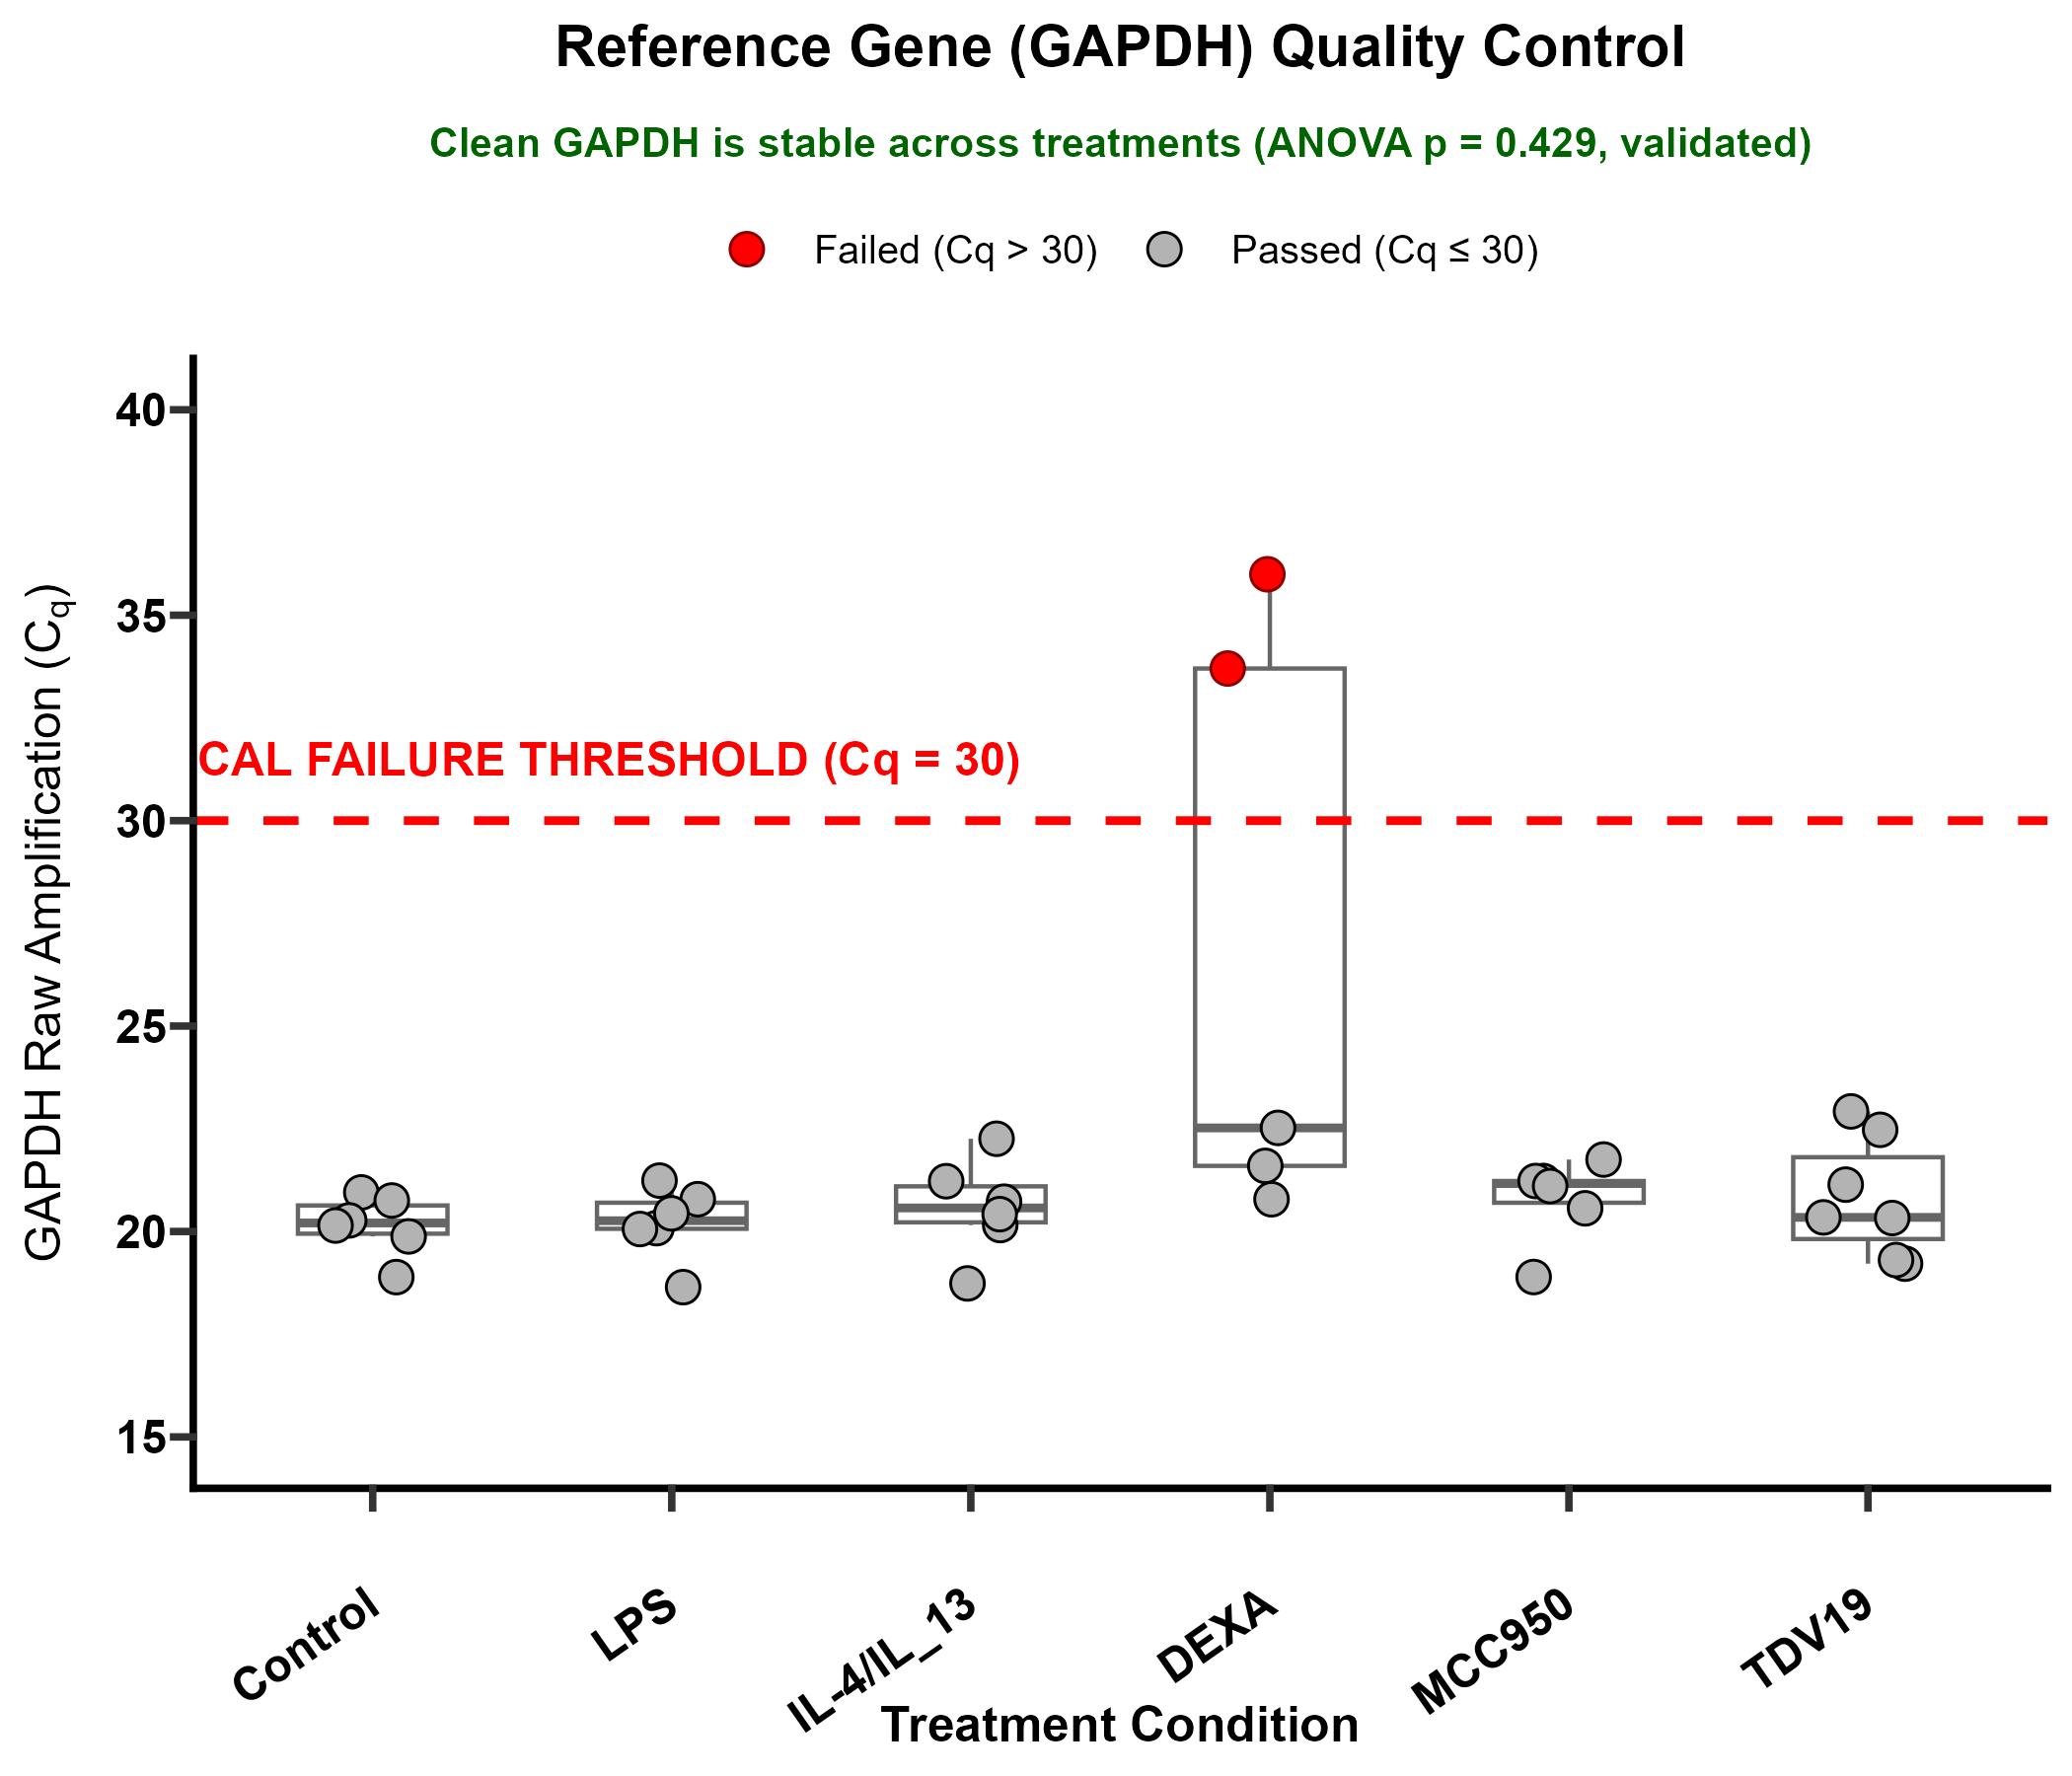
 |  | Cp1 | Cp2 | Cp3 | AVCp
Control | C1 | 19.88 | 20.02 | 19.74 | 19.88
 | C2 | 19.11 | 18.95 | 18.62 | 18.89
 | C3 | 21.28 | 20.99 | 20.58 | 20.95
 | C4 |  | 20.84 | 19.70 | 20.27
 | C5 |  | 20.88 | 20.63 | 20.75
 | C6 | 20.01 | 20.11 | 20.32 | 20.15
LPS | C1 | 18.45 | 18.66 | 18.83 | 18.65
 | C2 | 20.16 | 20.00 |  | 20.08
 | C3 | 20.82 | 20.75 |  | 20.79
 | C4 | 20.46 | 20.20 | 19.52 | 20.06
 | C5 | 21.49 | 21.30 | 20.93 | 21.24
 | C7 |  | 20.50 | 20.39 | 20.44
DEXA | C1 | 33.32 | 32.18 | 35.61 | 33.70
 | C2 | 23.04 | 23.00 | 21.52 | 22.52
 | C3 | 20.96 | 20.84 | 20.55 | 20.78
 | C4 | 21.64 | 21.77 | 21.38 | 21.60
 | C6 | 36.94 | 36.72 | 34.33 | 36.00
MCC950 | C1 | 19.02 | 18.71 | 18.96 | 18.89
 | C2 |  | 20.63 | 20.50 | 20.56
 | C3 | 21.32 | 21.13 |  | 21.23
 | C5 | 22.45 | 21.89 | 20.91 | 21.75
 | C6 | 21.40 | 21.13 | 21.15 | 21.23
 | C7 | 21.42 | 21.00 | 20.90 | 21.11
TDV19 | C1 | 19.30 | 19.20 | 19.16 | 19.22
 | C2 | 19.60 | 19.20 | 19.12 | 19.31
 | C3 | 20.72 | 20.18 | 20.09 | 20.33
 | C4 | 22.97 |  | 22.87 | 22.92
 | C5 | 22.97 | 22.32 | 22.13 | 22.48
 | C6 | 21.01 | 21.33 | 21.09 | 21.14
 | C7 | 20.41 | 20.25 | 20.37 | 20.34
 | C8 | 20.98 | 20.43 | 20.48 | 20.63
IL-4/IL_13 | C1 | 18.96 | 18.94 | 18.31 | 18.74
 | C2 | 21.23 | 21.22 |  | 21.22
 | C3 |  | 20.26 | 20.05 | 20.16
 | C4 | 22.05 | 19.88 | 20.24 | 20.73
 | C6 | 22.24 | 22.35 | 22.19 | 22.26
 | C7 |  | 20.35 | 20.49 | 20.42

