Sheet1
depth/load | 1.5 | 2.5 | 4 | 5 | 7.5
60 | 2.3 | 2.1 | 1.8 | 1.7 | 1.5
100 | 3.8 | 3.4 | 3.1 | 3 | 2.7
160 | 5.1 | 5.1 | 4.7 | 4.5 | 4
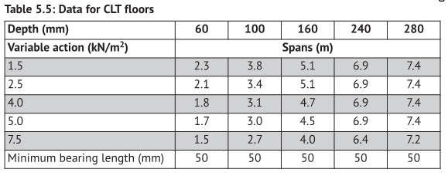
240 | 6.9 | 6.9 | 6.9 | 6.9 | 6.4
280 | 7.4 | 7.4 | 7.4 | 7.4 | 7.2

