Sheet1
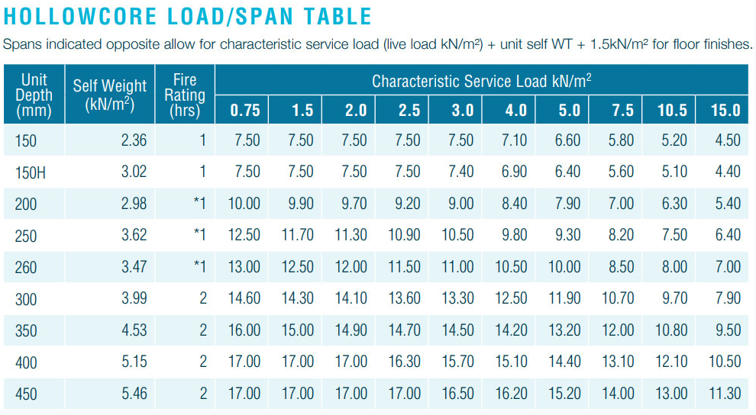
depth/load | 0.75 | 1.5 | 2 | 2.5 | 3 | 4 | 5 | 7.5 | 10.5 | 15
150 | 7.5 | 7.5 | 7.5 | 7.5 | 7.5 | 7.1 | 6.6 | 5.8 | 5.2 | 4.5
200 | 10 | 9.9 | 9.7 | 9.2 | 9 | 8.4 | 7.9 | 7 | 6.3 | 5.4
250 | 12.5 | 11.7 | 11.3 | 10.9 | 10.5 | 9.8 | 9.3 | 8.2 | 7.5 | 6.4
260 | 13 | 12.5 | 12 | 11.5 | 11 | 10.5 | 10 | 8.5 | 8 | 7
300 | 14.6 | 14.3 | 14.1 | 13.6 | 13.3 | 12.5 | 11.9 | 10.7 | 9.7 | 7.9
350 | 16 | 15 | 14.9 | 14.7 | 14.5 | 14.2 | 13.2 | 12 | 10.8 | 9.5
400 | 17 | 17 | 17 | 16.3 | 15.7 | 15.1 | 14.4 | 13.1 | 12.1 | 10.5
450 | 17 | 17 | 17 | 17 | 16.5 | 16.2 | 15.2 | 14 | 13 | 11.3

