Ejemplo
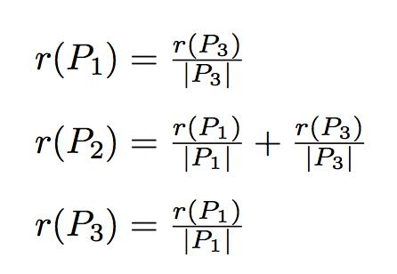
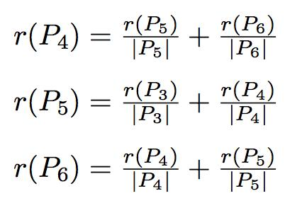
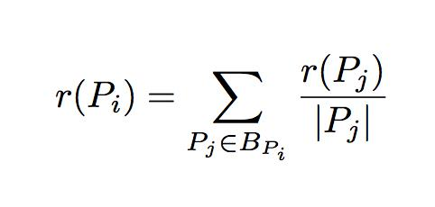

Node number | Inlinks | Outlinks | PageRank | Round 0 | Round 1 | Round 2 | Decimal value Round 2 | Rank at iteration 2
1 | 1 | 2 | r(P1) | 0.16666666667 | 0.055555555556 | 0.027777777778 | 0.03 | 5
2 | 2 | 0 | r(P2) | 0.16666666667 | 0.13888888889 | 0.055555555556 | 0.06 | 4
3 | 1 | 3 | r(P3) | 0.16666666667 | 0.083333333333 | 0.027777777778 | 0.03 | 5
4 | 2 | 2 | r(P4) | 0.16666666667 | 0.25 | 0.23611111111 | 0.24 | 1
5 | 2 | 2 | r(P5) | 0.16666666667 | 0.13888888889 | 0.15277777778 | 0.15 | 3
6 | 2 | 1 | r(P6) | 0.16666666667 | 0.16666666667 | 0.19444444444 | 0.19 | 2

Tarea
Team: Diego Mellado (A01655451), Iwalani Amador (A01732251), Tonatiuh Reyes (A01025459)

Node number | inlinks | outlinks | Page rank | Round 0 | Round 1 | Round 2 | Round 3 | Round 4 | Round 5 | Decimal value rank | PageRank at iteration 5
1 | 2 | 7 | r(P1) | 0.11111111111 | 0.083333333333 | 0.13849206349 | 0.1433106576 | 0.14656965848 | 0.14293648934 | 0.143 | 4
2 | 6 | 4 | r(P2) | 0.11111111111 | 0.18095238095 | 0.21145124717 | 0.21485931788 | 0.21387579084 | 0.21197282855 | 0.212 | 1
3 | 6 | 2 | r(P3) | 0.11111111111 | 0.15317460317 | 0.11383219955 | 0.1104092045 | 0.10995404527 | 0.11127804322 | 0.111 | 5
4 | 3 | 7 | r(P4) | 0.11111111111 | 0.053968253968 | 0.033900226757 | 0.03785089546 | 0.039377342774 | 0.040027929595 | 0.040 | 7
5 | 3 | 5 | r(P5) | 0.11111111111 | 0.047619047619 | 0.0320861678 | 0.036276551437 | 0.037529303266 | 0.038147403623 | 0.038 | 8
6 | 3 | 7 | r(P6) | 0.11111111111 | 0.087301587302 | 0.081543569809 | 0.081543569809 | 0.081084824114 | 0.081540879957 | 0.082 | 6
7 | 6 | 2 | r(P7) | 0.11111111111 | 0.15317460317 | 0.16343537415 | 0.15247269656 | 0.15370404527 | 0.15409923462 | 0.154 | 3
8 | 3 | 2 | r(P8) | 0.11111111111 | 0.053968253968 | 0.02970521542 | 0.022909204498 | 0.024311662469 | 0.024714741637 | 0.025 | 9
9 | 6 | 2 | r(P9) | 0.11111111111 | 0.18650793651 | 0.18089569161 | 0.18570965801 | 0.17893508327 | 0.1806242052 | 0.181 | 2

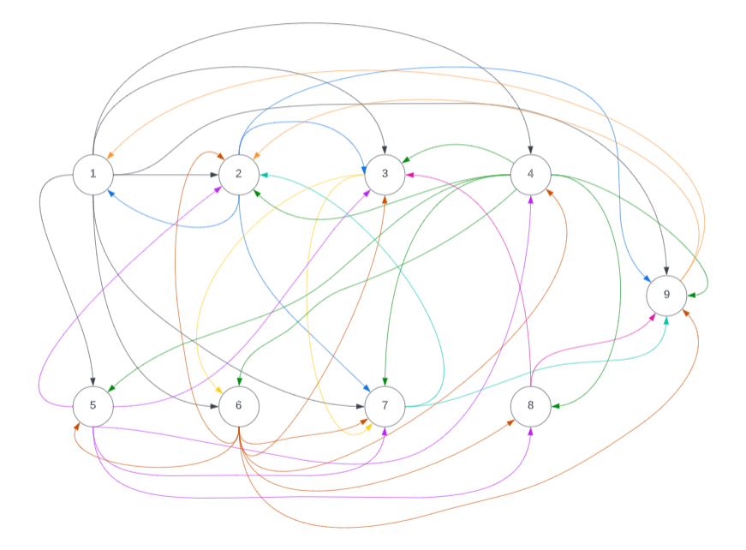
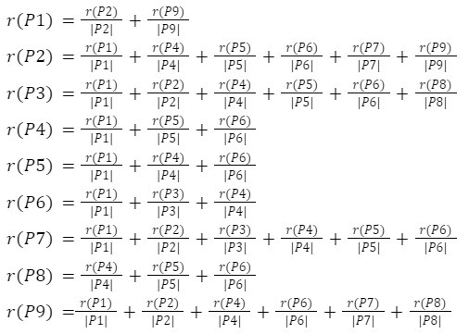
 |  |  |  |  |  |  |  |  |  |  |  |  | matrix
 |  |  |  |  |  |  |  |  |  |  |  |  | 1 | 2 | 3 | 4 | 5 | 6 | 7 | 8 | 9
Node number | outlinks number |  | inlinks number |  |  |  |  |  |  |  |  | 1 | 0 | 1 | 1 | 1 | 1 | 1 | 1 | 0 | 1
1 | (2, 3, 4, 5, 6, 7, 9) |  | (2, 9) |  |  |  |  |  |  |  |  | 2 | 1 | 0 | 1 | 0 | 0 | 0 | 1 | 0 | 1
2 | (1, 3, 7, 9) |  | (1, 4, 5, 6, 7, 9) |  |  |  |  |  |  |  |  | 3 | 0 | 0 | 0 | 0 | 0 | 1 | 1 | 0 | 0
3 | (6, 7) |  | (1, 2, 4, 5, 6, 8) |  |  |  |  |  |  |  |  | 4 | 0 | 1 | 1 |  | 1 | 1 | 1 | 1 | 1
4 | (2, 3, 5, 6, 7, 8, 9) |  | (1, 5, 6) |  |  |  |  |  |  |  |  | 5 | 0 | 1 | 1 | 1 |  | 0 | 1 | 1
5 | (2, 3, 4, 7, 8) |  | (1, 4, 6) |  |  |  |  |  |  |  |  | 6 | 0 | 1 | 1 | 1 | 1 | 0 | 1 | 1 | 1
6 | (2, 3, 4, 5, 7, 8, 9) |  | (1, 3, 4) |  |  |  |  |  |  |  |  | 7 | 0 | 1 | 0 | 0 | 0 | 0 | 0 | 0 | 1
7 | (2, 9) |  | (1, 2, 3, 4, 5, 6) |  |  |  |  |  |  |  |  | 8 | 0 | 0 | 1 | 0 | 0 | 0 | 0 | 0 | 1
8 | (3, 9) |  | (4, 5, 6) |  |  |  |  |  |  |  |  | 9 | 1 | 1 | 0 | 0 | 0 | 0 | 0 | 0 | 0
9 | (1, 2) |  | (1, 2, 4, 6, 7, 8)

