Feature importance
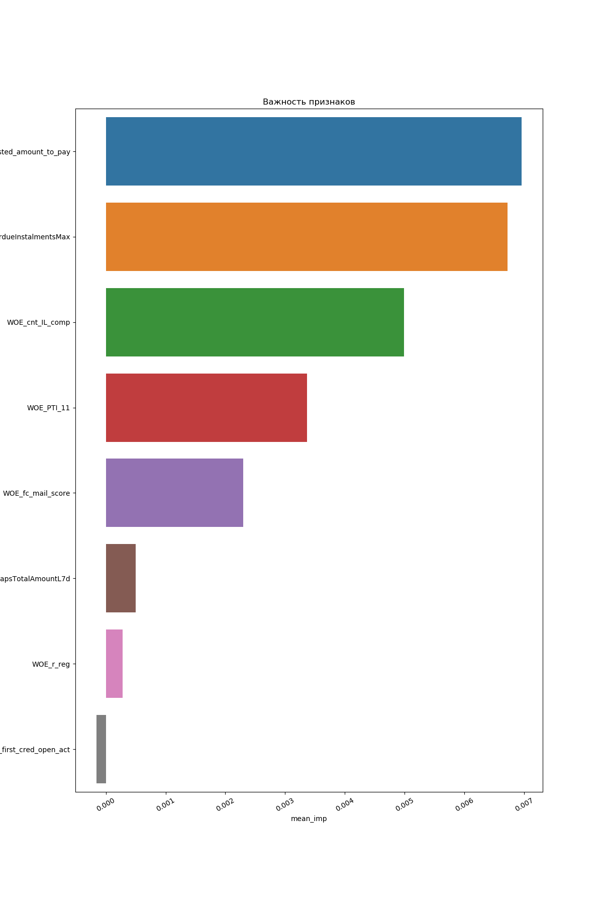

ROC Curve
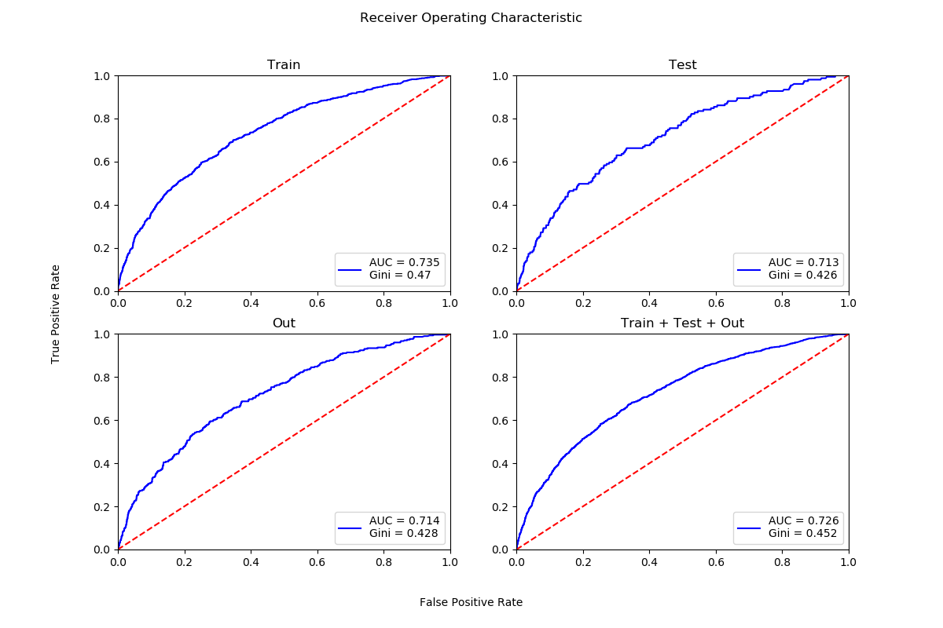

Scores by buckets
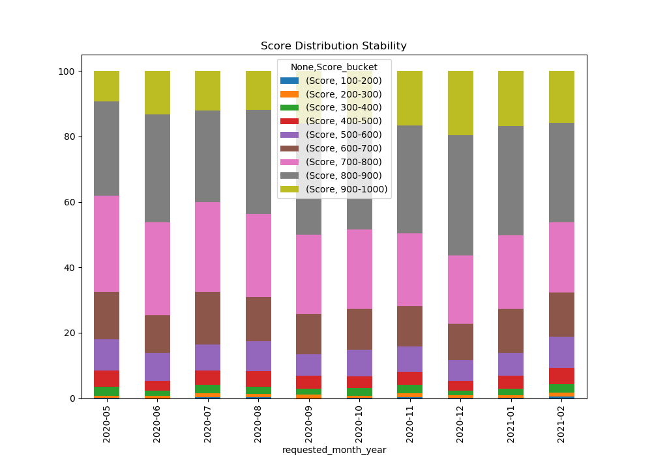
 | Score
Score_bucket | 100-200 | 200-300 | 300-400 | 400-500 | 500-600 | 600-700 | 700-800 | 800-900 | 900-1000
requested_month_year
2020-05 | 1 | 3 | 17 | 31 | 58 | 90 | 181 | 177 | 57
2020-06 | 0 | 4 | 10 | 17 | 51 | 68 | 168 | 195 | 79
2020-07 | 2 | 11 | 20 | 36 | 66 | 132 | 227 | 230 | 100
2020-08 | 2 | 10 | 20 | 42 | 83 | 124 | 231 | 288 | 108
2020-09 | 0 | 9 | 14 | 33 | 54 | 101 | 199 | 279 | 131
2020-10 | 1 | 6 | 26 | 37 | 86 | 131 | 254 | 341 | 166
2020-11 | 6 | 29 | 64 | 95 | 188 | 293 | 538 | 796 | 399
2020-12 | 3 | 13 | 23 | 52 | 113 | 196 | 366 | 646 | 346
2021-01 | 3 | 12 | 37 | 69 | 123 | 237 | 396 | 585 | 298
2021-02 | 6 | 18 | 35 | 69 | 130 | 185 | 295 | 419 | 217

Gini distribution
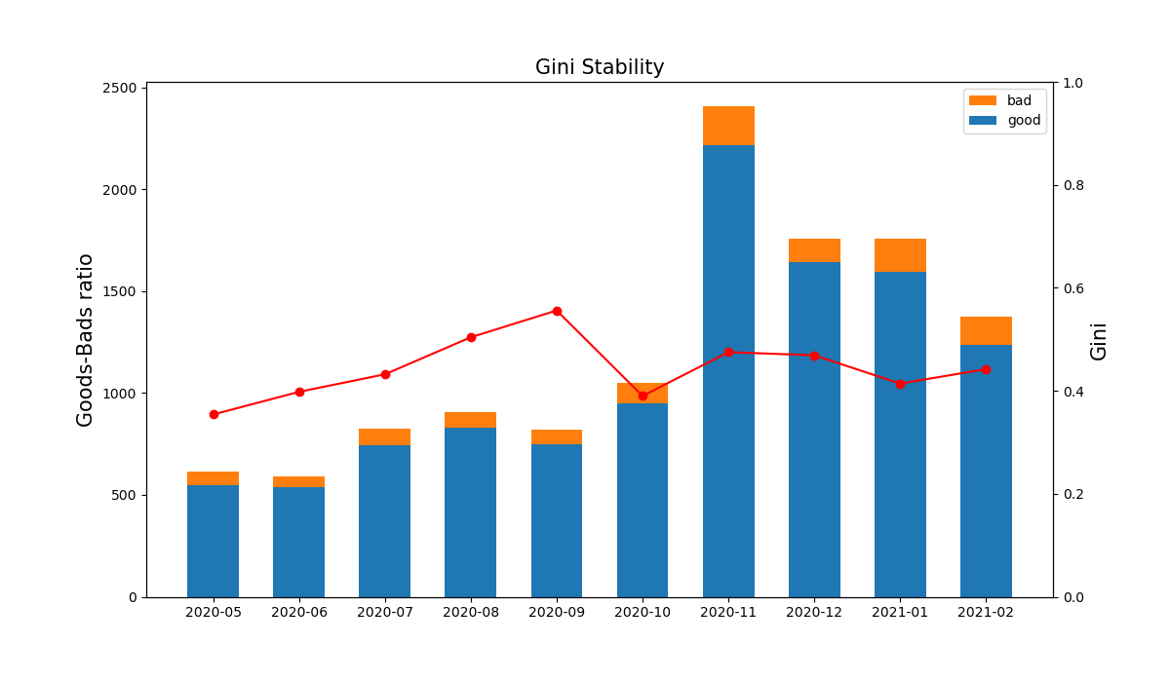
Months | Gini | Goods | Bads
2020-05 | 0.354 | 549 | 66
2020-06 | 0.398 | 538 | 54
2020-07 | 0.432 | 743 | 81
2020-08 | 0.504 | 829 | 79
2020-09 | 0.556 | 750 | 70
2020-10 | 0.39 | 952 | 96
2020-11 | 0.475 | 2216 | 192
2020-12 | 0.469 | 1641 | 117
2021-01 | 0.414 | 1594 | 166
2021-02 | 0.442 | 1236 | 138

Variables Stability
