Feat description
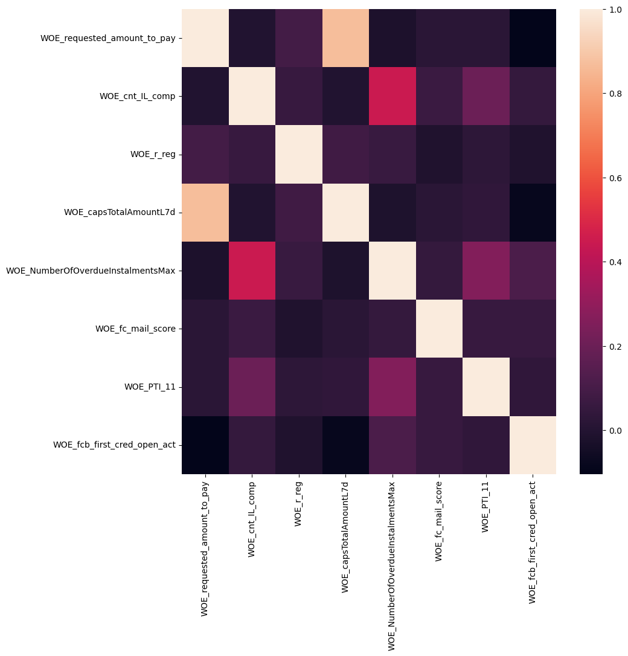
Feature | IV
NumberOfOverdueInstalmentsMax | 0.15072268739
PTI_11 | 0.15726435615
capsTotalAmountL7d | 0.19799091765
cnt_IL_comp | 0.24687840466
fc_mail_score | 0.10084985681
fcb_first_cred_open_act | 0.066427314191
r_reg | 0.098416277654
requested_amount_to_pay | 0.19953647712

Regression coefficients
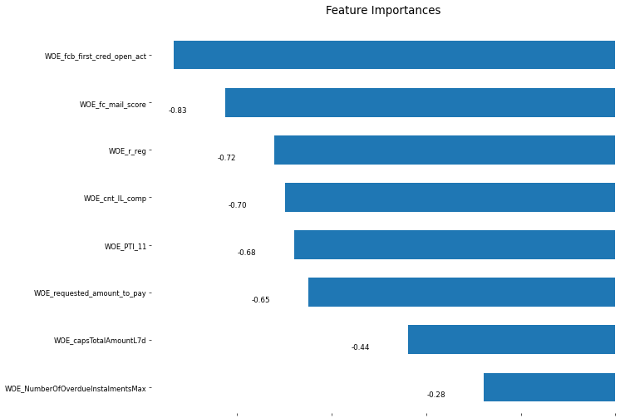
Feature | Coefficient
WOE_NumberOfOverdueInstalmentsMax | -0.27930144742
WOE_capsTotalAmountL7d | -0.4386437672
WOE_requested_amount_to_pay | -0.64990750066
WOE_PTI_11 | -0.67982920984
WOE_cnt_IL_comp | -0.69851216281
WOE_r_reg | -0.72176485971
WOE_fc_mail_score | -0.82586576408
WOE_fcb_first_cred_open_act | -0.93403089905
_INTERCEPT_ | -0.98738768831

ROC and PR curves
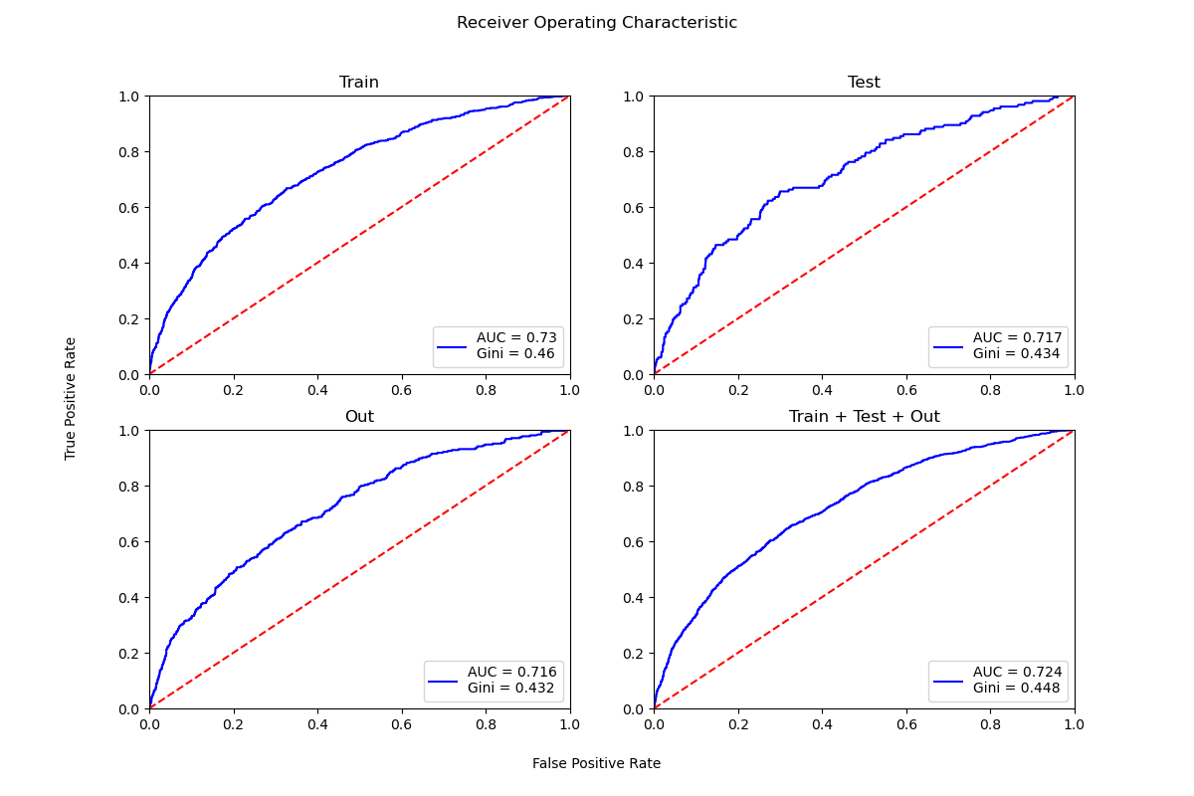

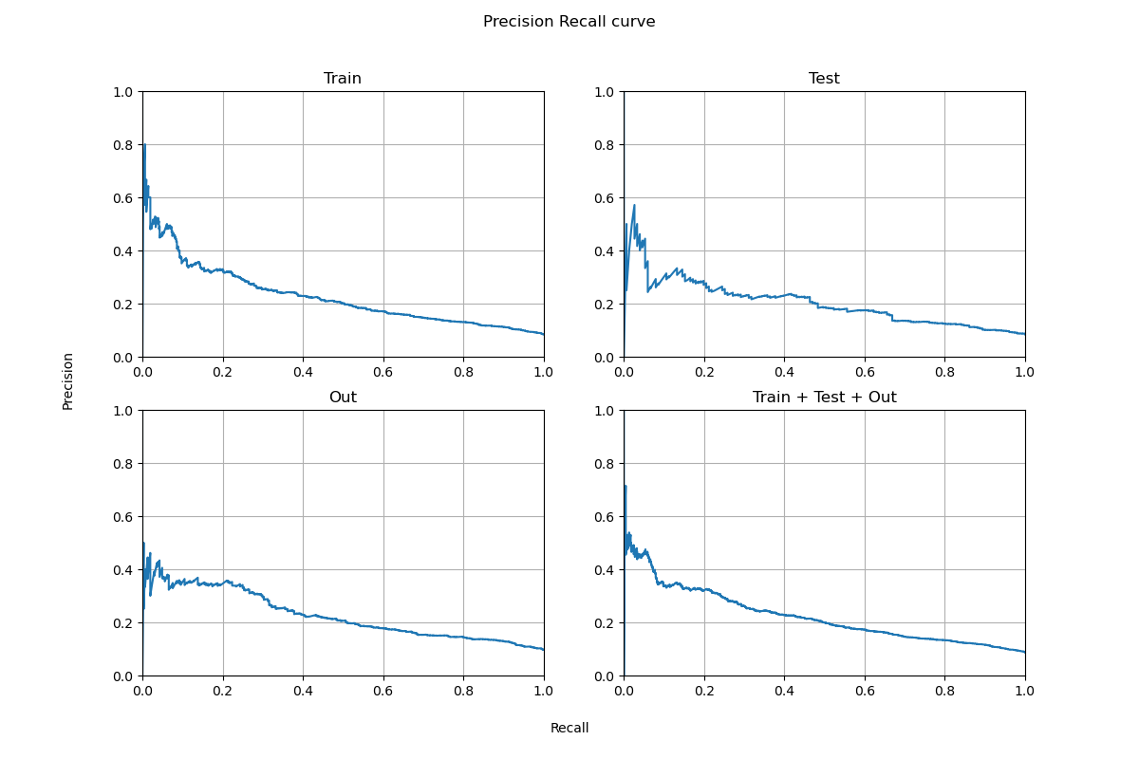

WOE
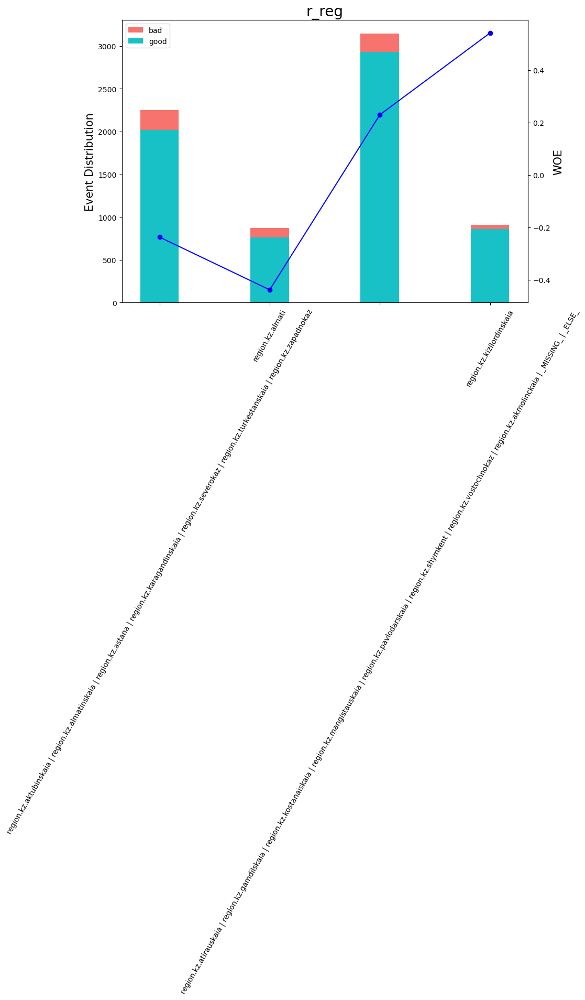
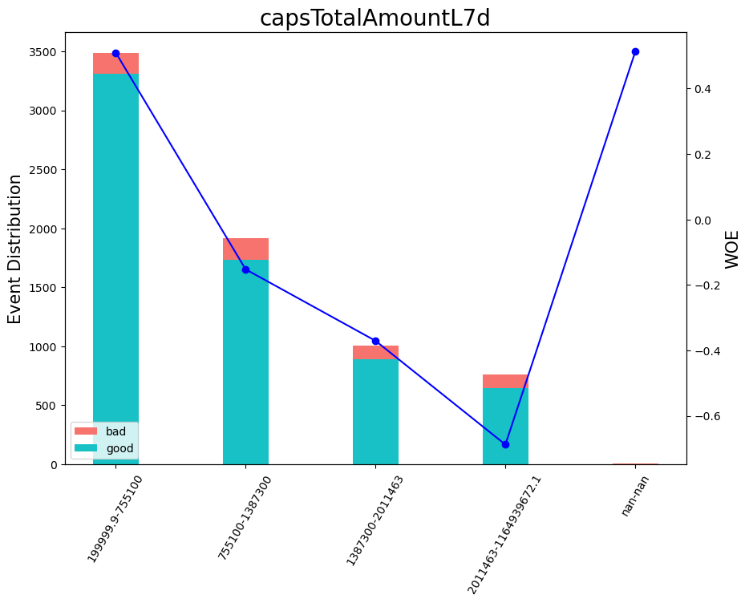
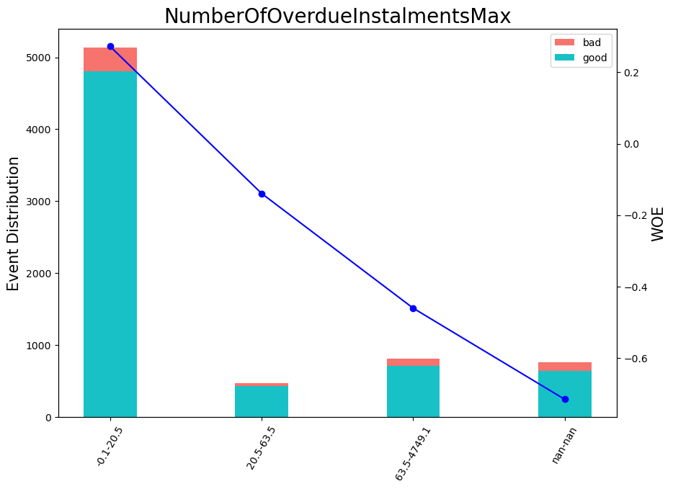
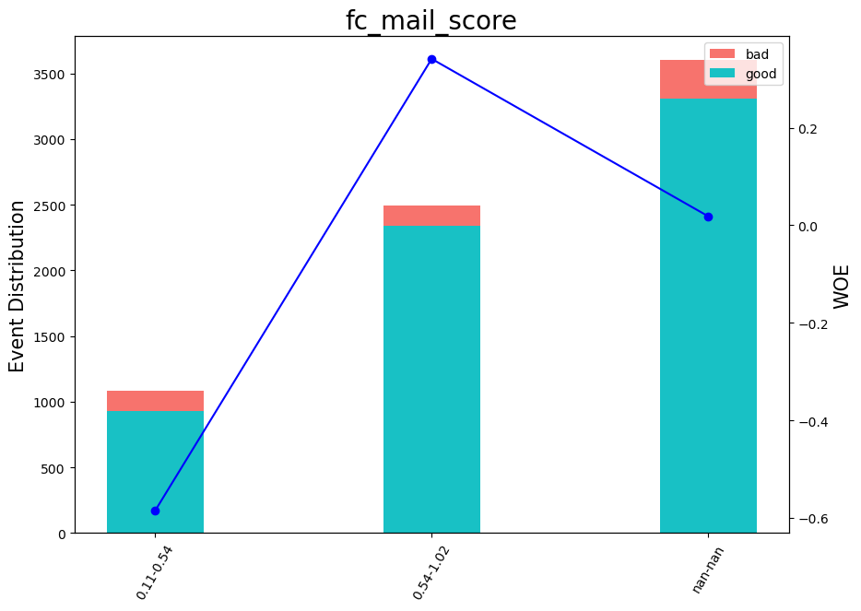
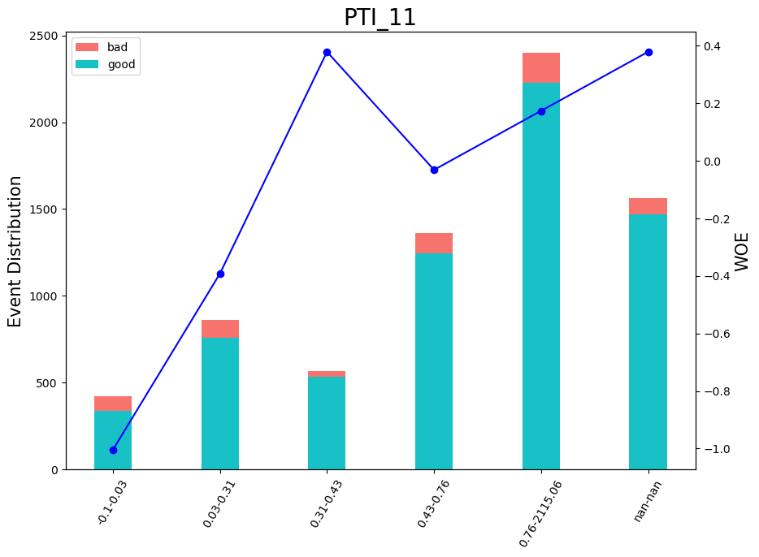
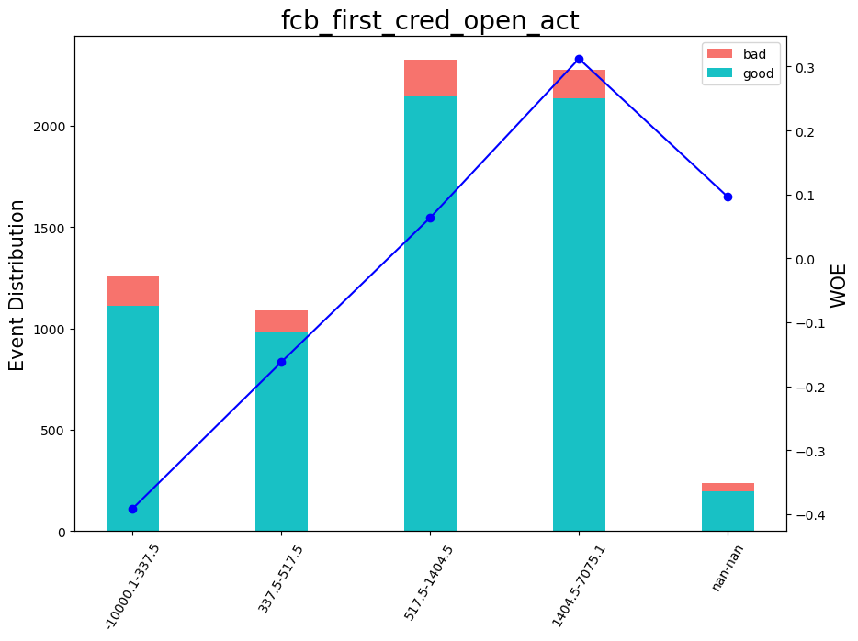
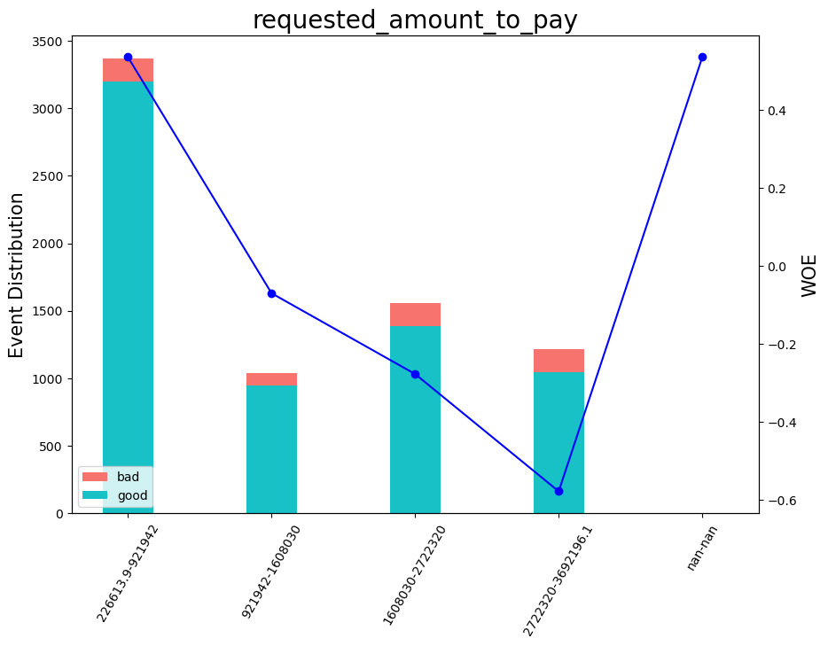
VAR_NAME | Variable range | WOE | COUNT | WOE_group
cnt_IL_comp | < 1.5 | -0.64908485399 | 1411 | 1
cnt_IL_comp | [ 1.5; 3.5 ) | -0.1998265085 | 1249 | 2
cnt_IL_comp | [ 3.5; 5.500000000000001 ) | 0.025629593874 | 1095 | 3
cnt_IL_comp | [ 5.500000000000001; 15.5 ) | 0.43763284059 | 2804 | 4
cnt_IL_comp | >= 15.5 | 1.1175862839 | 617 | 5
cnt_IL_comp | _MISSING_ | 0.43763284059 | 2 | 6
fc_mail_score | < 0.5372379124164582 | -0.5847097449 | 1081 | 1
fc_mail_score | >= 0.5372379124164582 | 0.34101906648 | 2495 | 2
fc_mail_score | _MISSING_ | 0.018492091846 | 3602 | 3
PTI_11 | < 0.02825360372662545 | -1.0039547054 | 424 | 1
PTI_11 | [ 0.02825360372662545; 0.3066688179969788 ) | -0.39134915888 | 861 | 2
PTI_11 | [ 0.3066688179969788; 0.429487556219101 ) | 0.37931499896 | 567 | 3
PTI_11 | [ 0.429487556219101; 0.7552152574062349 ) | -0.031097371856 | 1363 | 4
PTI_11 | >= 0.7552152574062349 | 0.17406156794 | 2400 | 5
PTI_11 | _MISSING_ | 0.37931499896 | 1563 | 6
NumberOfOverdueInstalmentsMax | < 20.5 | 0.27258128541 | 5139 | 1
NumberOfOverdueInstalmentsMax | [ 20.5; 63.50000000000001 ) | -0.13952669979 | 471 | 2
NumberOfOverdueInstalmentsMax | >= 63.50000000000001 | -0.46100187862 | 810 | 3
NumberOfOverdueInstalmentsMax | _MISSING_ | -0.71645701573 | 758 | 4
requested_amount_to_pay | < 921942 | 0.53610805569 | 3372 | 1
requested_amount_to_pay | [ 921942; 1608030 ) | -0.069776883297 | 1037 | 2
requested_amount_to_pay | [ 1608030; 2722320 ) | -0.27709035594 | 1554 | 3
requested_amount_to_pay | >= 2722320 | -0.57815234435 | 1215 | 4
requested_amount_to_pay | _MISSING_ | 0.53610805569 | 0 | 5
capsTotalAmountL7d | < 755100 | 0.50947399206 | 3489 | 1
capsTotalAmountL7d | [ 755100; 1387300 ) | -0.15248570159 | 1919 | 2
capsTotalAmountL7d | [ 1387300; 2011463 ) | -0.3709034228 | 1007 | 3
capsTotalAmountL7d | >= 2011463 | -0.68790166496 | 759 | 4
capsTotalAmountL7d | _MISSING_ | 0.51248646962 | 4 | 5
fcb_first_cred_open_act | < 337.5 | -0.39142824414 | 1256 | 1
fcb_first_cred_open_act | [ 337.5; 517.5 ) | -0.1620242638 | 1088 | 2
fcb_first_cred_open_act | [ 517.5; 1404.5 ) | 0.063572108779 | 2324 | 3
fcb_first_cred_open_act | >= 1404.5 | 0.31227935021 | 2275 | 4
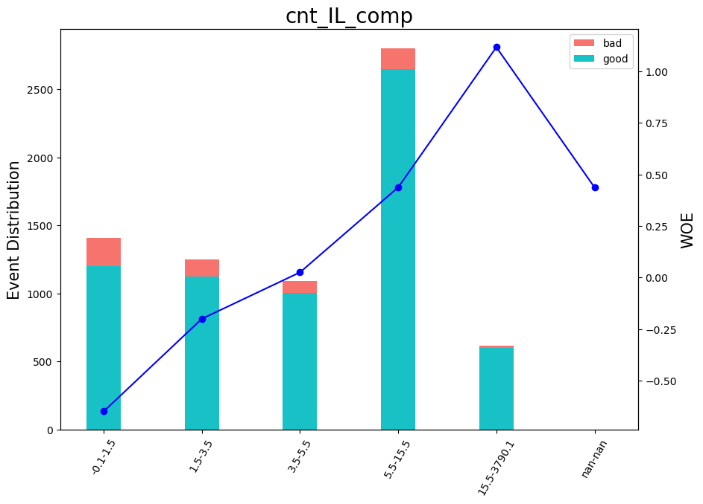
fcb_first_cred_open_act | _MISSING_ | 0.096205469232 | 235 | 5
r_reg | region.kz.aktubinskaia | region.kz.almatinskaia | region.kz.astana | region.kz.karagandinskaia | region.kz.severokaz | region.kz.turkestanskaia | region.kz.zapadnokaz | -0.23752253248 | 2252 | 1
r_reg | region.kz.almati | -0.43877560469 | 874 | 2
r_reg | region.kz.atirauskaia | region.kz.gamdilskaia | region.kz.kostanaiskaia | region.kz.mangistauskaia | region.kz.pavlodarskaia | region.kz.shymkent | region.kz.vostochnokaz | region.kz.akmolinckaia | _MISSING_ | _ELSE_ | 0.2298193694 | 3145 | 3
r_reg | region.kz.kizilordinskaia | 0.54214955165 | 907 | 4

Scores by buckets
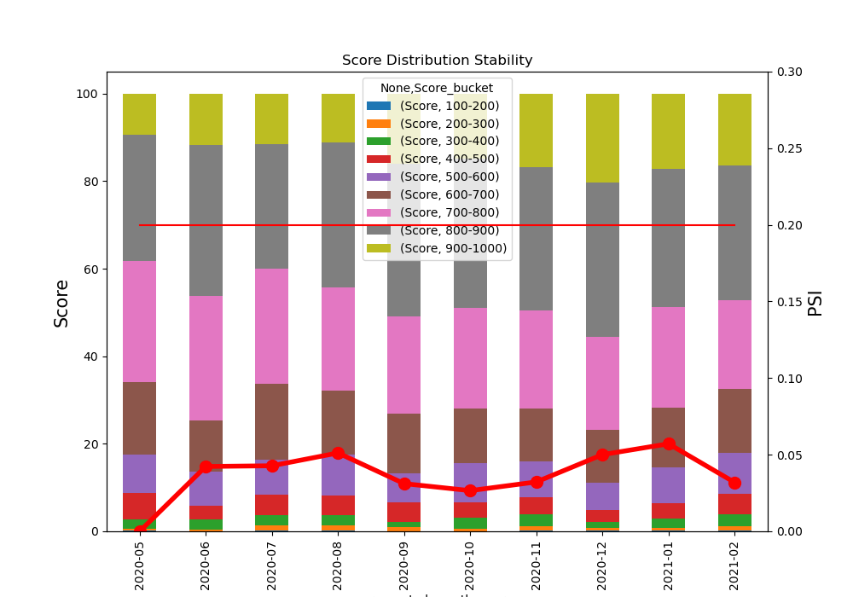
 | Score |  |  |  |  |  |  |  |  | psi
Score_bucket | 100-200 | 200-300 | 300-400 | 400-500 | 500-600 | 600-700 | 700-800 | 800-900 | 900-1000
requested_month_year
2020-05 | 1 | 3 | 13 | 37 | 54 | 102 | 170 | 177 | 58 | 0
2020-06 | 0 | 2 | 14 | 19 | 46 | 69 | 168 | 204 | 70 | 0.042333309687
2020-07 | 1 | 11 | 19 | 38 | 66 | 143 | 217 | 234 | 95 | 0.042790146443
2020-08 | 2 | 11 | 20 | 41 | 85 | 133 | 214 | 301 | 101 | 0.051150551068
2020-09 | 0 | 8 | 10 | 36 | 55 | 111 | 183 | 286 | 131 | 0.031141351069
2020-10 | 1 | 6 | 25 | 37 | 95 | 130 | 241 | 357 | 156 | 0.026567537477
2020-11 | 4 | 25 | 67 | 90 | 197 | 293 | 540 | 789 | 403 | 0.03223116135
2020-12 | 2 | 12 | 24 | 47 | 111 | 211 | 373 | 621 | 357 | 0.050053257955
2021-01 | 2 | 11 | 38 | 63 | 142 | 240 | 405 | 555 | 304 | 0.057133821688
2021-02 | 3 | 14 | 37 | 64 | 128 | 202 | 278 | 422 | 226 | 0.031911514603

Gini distribution
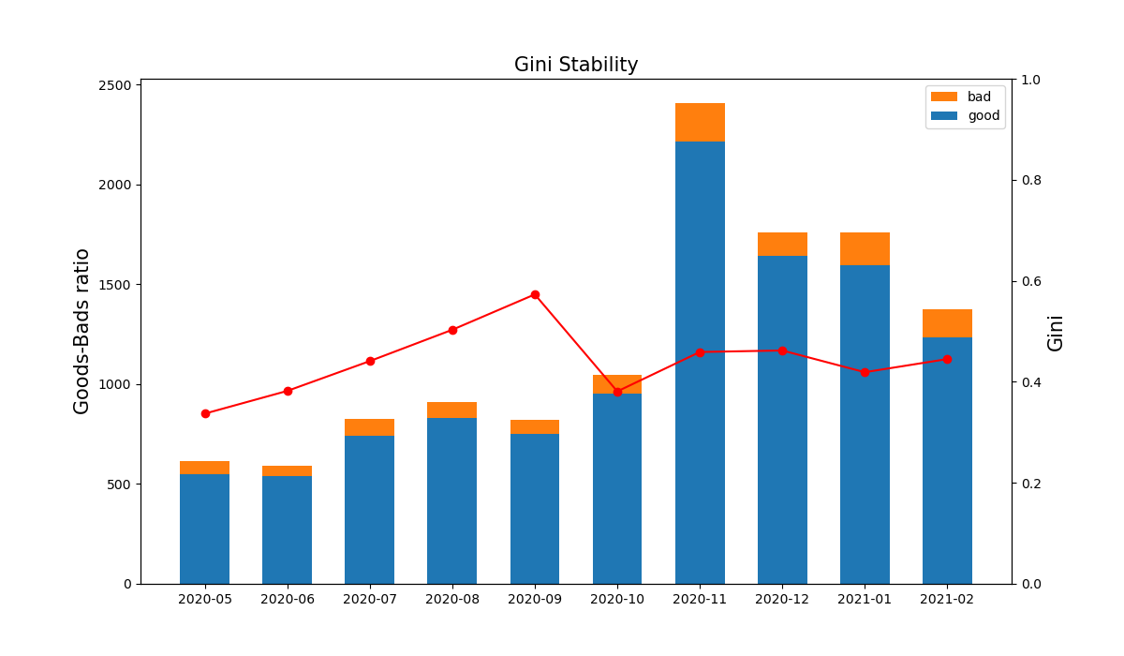
Months | Gini | Goods | Bads
2020-05 | 0.337 | 549 | 66
2020-06 | 0.382 | 538 | 54
2020-07 | 0.441 | 743 | 81
2020-08 | 0.503 | 829 | 79
2020-09 | 0.573 | 750 | 70
2020-10 | 0.381 | 952 | 96
2020-11 | 0.459 | 2216 | 192
2020-12 | 0.462 | 1641 | 117
2021-01 | 0.419 | 1594 | 166
2021-02 | 0.445 | 1236 | 138

Variables Stability
