WOE
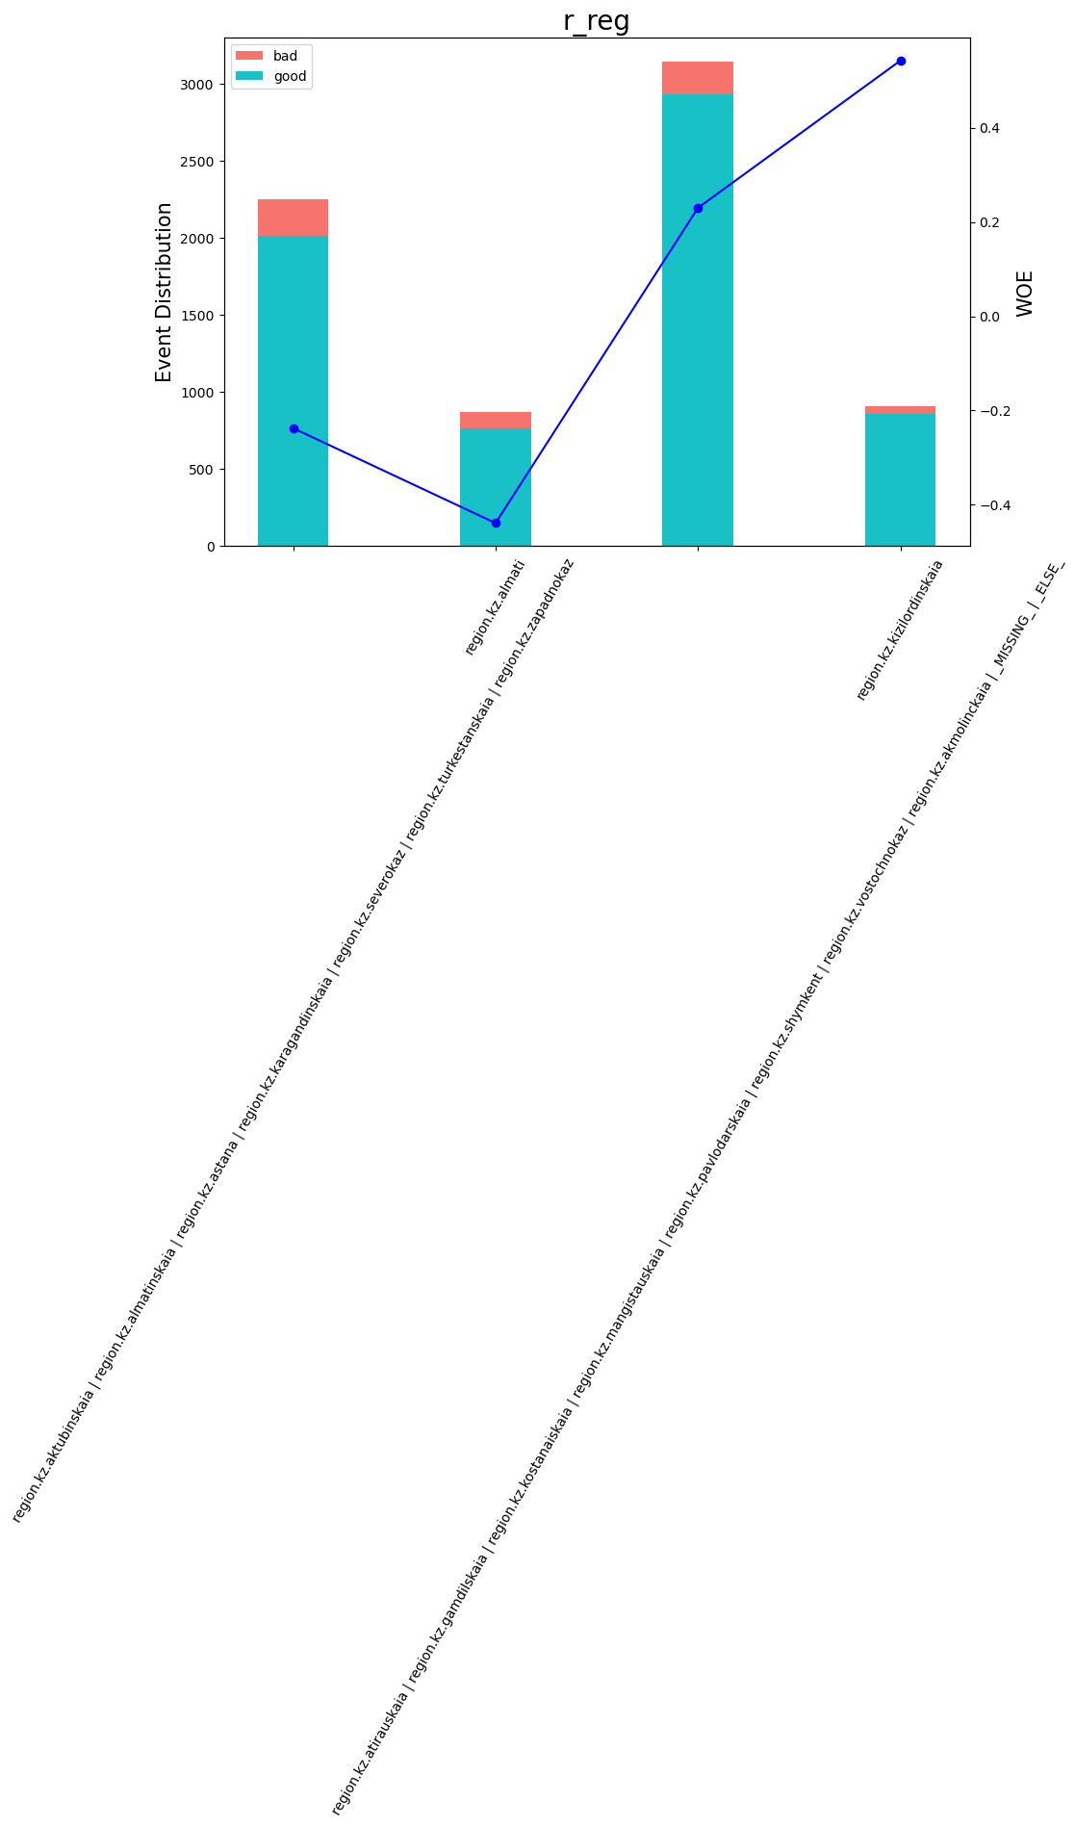
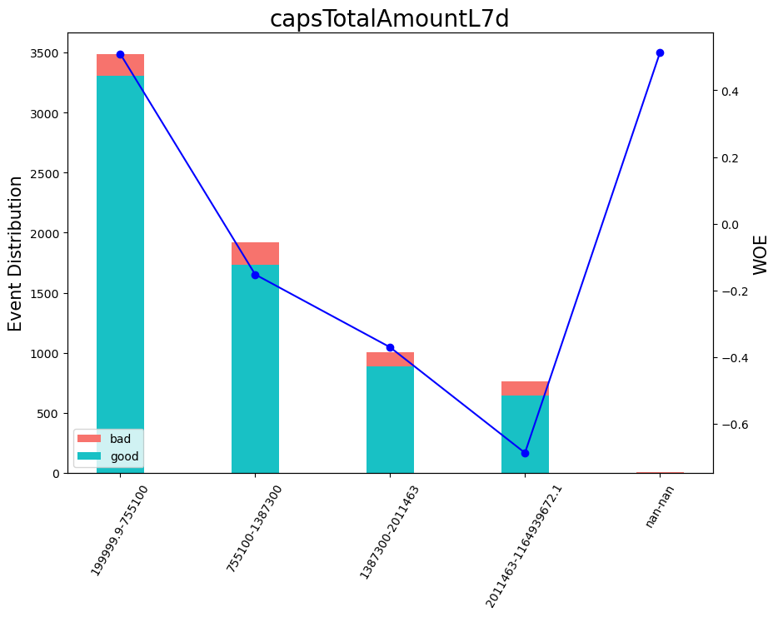
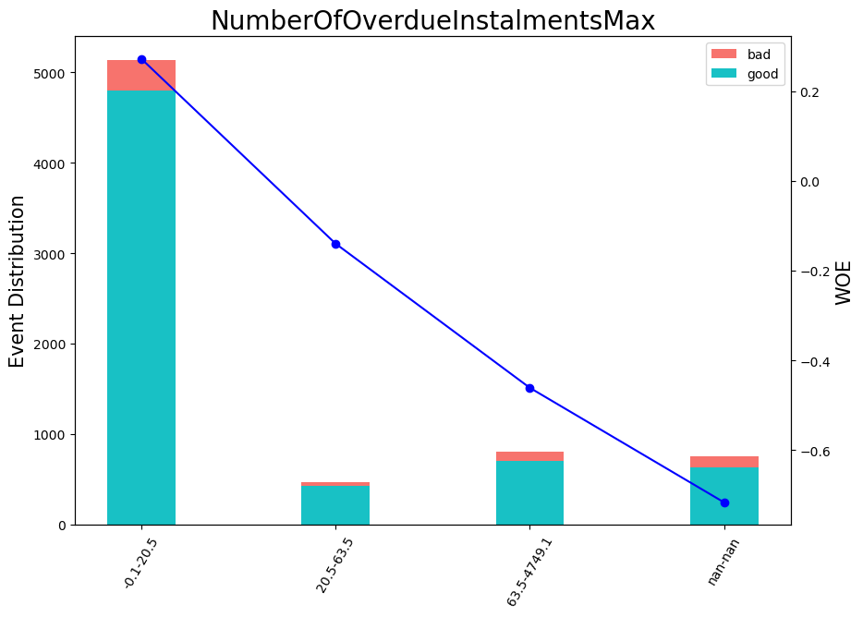
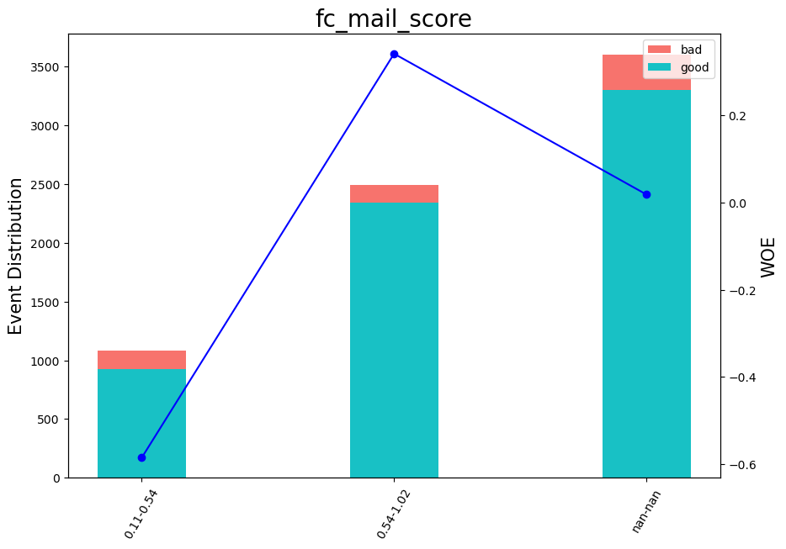
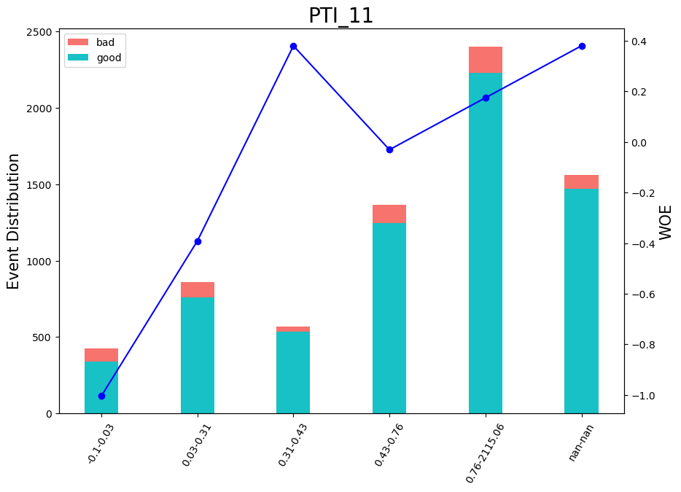
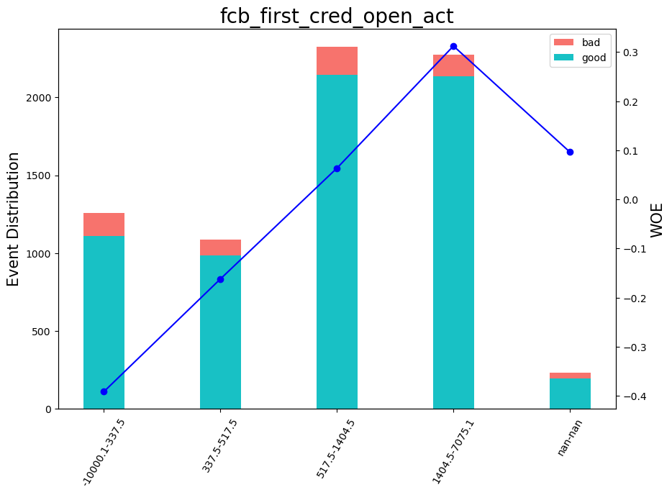
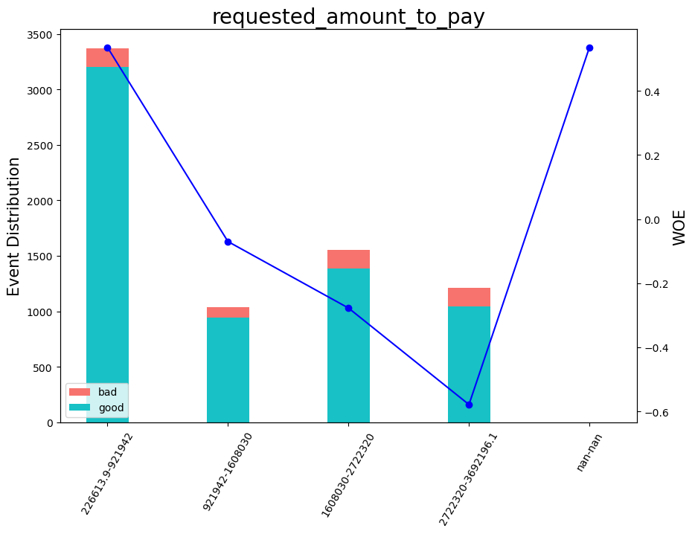
VAR_NAME | Variable range | WOE | COUNT | WOE_group
fcb_first_cred_open_act | < 337.50000000000006 | -0.35879488369 | 1256 | 1
fcb_first_cred_open_act | [ 337.50000000000006; 441.50000000000006 ) | -0.013542184827 | 716 | 2
fcb_first_cred_open_act | [ 441.50000000000006; 517.5000000000001 ) | -0.32588052011 | 372 | 3
fcb_first_cred_open_act | [ 517.5000000000001; 1404.5000000000002 ) | 0.096205469232 | 2324 | 4
fcb_first_cred_open_act | >= 1404.5000000000002 | 0.34491271066 | 2275 | 5
fcb_first_cred_open_act | _MISSING_ | 0.096205469232 | 235 | 6
cnt_IL_comp | < 1.5000000000000002 | -0.64908485399 | 1411 | 1
cnt_IL_comp | [ 1.5000000000000002; 3.5000000000000004 ) | -0.1998265085 | 1249 | 2
cnt_IL_comp | [ 3.5000000000000004; 5.500000000000001 ) | 0.025629593874 | 1095 | 3
cnt_IL_comp | [ 5.500000000000001; 15.500000000000002 ) | 0.43763284059 | 2804 | 4
cnt_IL_comp | >= 15.500000000000002 | 1.1175862839 | 617 | 5
cnt_IL_comp | _MISSING_ | 0.43763284059 | 2 | 6
fc_mail_score | < 0.5372379124164582 | -0.5847097449 | 1081 | 1
fc_mail_score | >= 0.5372379124164582 | 0.34101906648 | 2495 | 2
fc_mail_score | _MISSING_ | 0.018492091846 | 3602 | 3
requested_amount_to_pay | < 921942.0000000001 | 0.53610805569 | 3372 | 1
requested_amount_to_pay | [ 921942.0000000001; 1608030.0000000002 ) | -0.069776883297 | 1037 | 2
requested_amount_to_pay | [ 1608030.0000000002; 1787436.0000000002 ) | -0.39124362355 | 418 | 3
requested_amount_to_pay | [ 1787436.0000000002; 2722320.0000000005 ) | -0.23239298364 | 1136 | 4
requested_amount_to_pay | >= 2722320.0000000005 | -0.57815234435 | 1215 | 5
requested_amount_to_pay | _MISSING_ | 0.53610805569 | 0 | 6
capsTotalAmountL7d | < 755100.0000000001 | 0.51248646962 | 3489 | 1
capsTotalAmountL7d | [ 755100.0000000001; 1108378.5000000002 ) | -0.33340476917 | 1003 | 2
capsTotalAmountL7d | [ 1108378.5000000002; 1387300.0000000002 ) | 0.089353194027 | 916 | 3
capsTotalAmountL7d | [ 1387300.0000000002; 2011463.0000000002 ) | -0.36789094524 | 1007 | 4
capsTotalAmountL7d | >= 2011463.0000000002 | -0.6848891874 | 759 | 5
capsTotalAmountL7d | _MISSING_ | 0.51248646962 | 4 | 6
PTI_11 | < 0.028253603726625446 | -1.0039547054 | 424 | 1
PTI_11 | [ 0.028253603726625446; 0.3066688179969788 ) | -0.39134915888 | 861 | 2
PTI_11 | [ 0.3066688179969788; 0.429487556219101 ) | 0.37931499896 | 567 | 3
PTI_11 | [ 0.429487556219101; 0.7552152574062349 ) | -0.031097371856 | 1363 | 4
PTI_11 | >= 0.7552152574062349 | 0.17406156794 | 2400 | 5
PTI_11 | _MISSING_ | 0.37931499896 | 1563 | 6
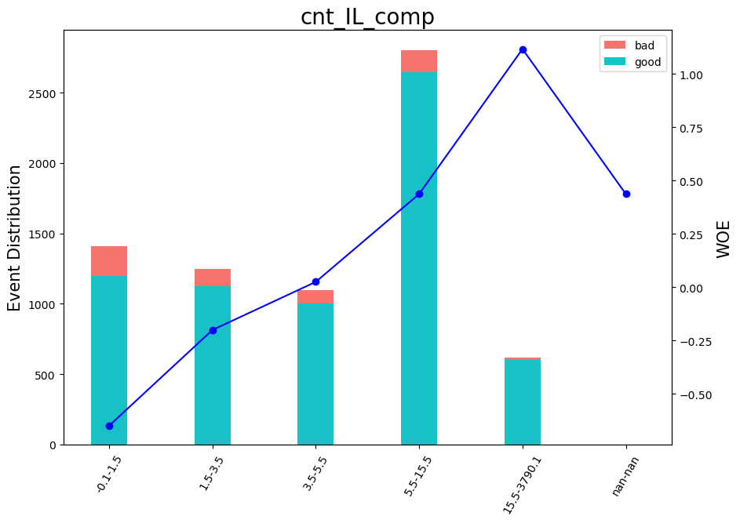
NumberOfOverdueInstalmentsMax | < 20.500000000000004 | 0.27258128541 | 5139 | 1
NumberOfOverdueInstalmentsMax | [ 20.500000000000004; 63.50000000000001 ) | -0.13952669979 | 471 | 2
NumberOfOverdueInstalmentsMax | >= 63.50000000000001 | -0.46100187862 | 810 | 3
NumberOfOverdueInstalmentsMax | _MISSING_ | -0.71645701573 | 758 | 4
r_reg | region.kz.akmolinckaia | 0.097603093499 | 104 | 1
r_reg | region.kz.aktubinskaia | region.kz.almatinskaia | region.kz.astana | region.kz.karagandinskaia | region.kz.severokaz | region.kz.turkestanskaia | region.kz.zapadnokaz | -0.23752253248 | 2252 | 2
r_reg | region.kz.almati | -0.43877560469 | 874 | 3
r_reg | region.kz.atirauskaia | region.kz.gamdilskaia | region.kz.kostanaiskaia | region.kz.mangistauskaia | region.kz.pavlodarskaia | region.kz.shymkent | region.kz.vostochnokaz | _MISSING_ | _ELSE_ | 0.23461749108 | 3041 | 4
r_reg | region.kz.kizilordinskaia | 0.54214955165 | 907 | 5

Scores by buckets
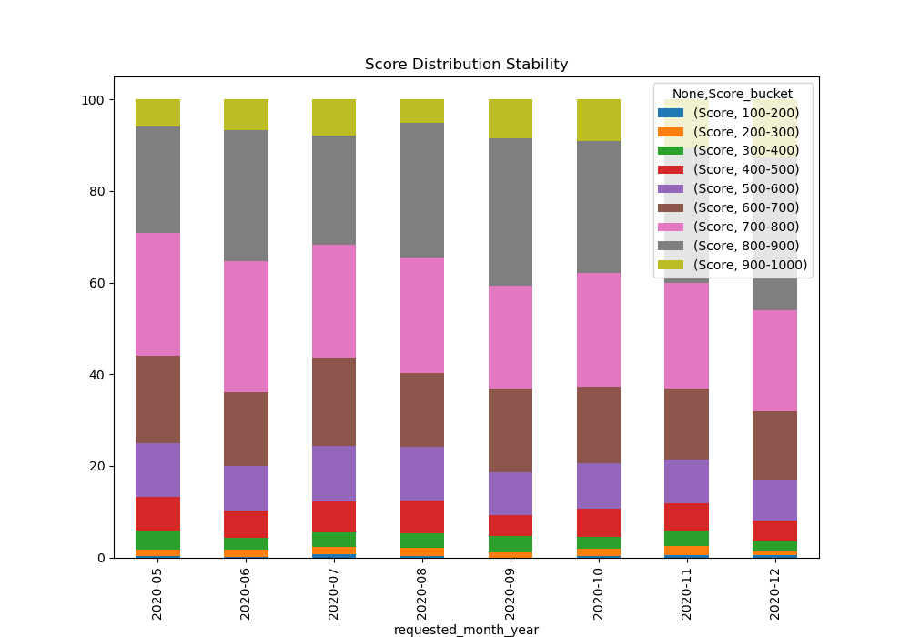
 | Score
Score_bucket | 100-200 | 200-300 | 300-400 | 400-500 | 500-600 | 600-700 | 700-800 | 800-900 | 900-1000
requested_month_year
2020-05 | 3 | 6 | 28 | 47 | 71 | 110 | 171 | 145 | 34
2020-06 | 1 | 8 | 21 | 27 | 58 | 92 | 173 | 170 | 42
2020-07 | 5 | 14 | 32 | 50 | 104 | 150 | 209 | 193 | 67
2020-08 | 5 | 15 | 25 | 68 | 102 | 151 | 233 | 260 | 49
2020-09 | 2 | 9 | 34 | 32 | 74 | 147 | 189 | 261 | 72
2020-10 | 4 | 16 | 27 | 59 | 115 | 164 | 266 | 299 | 98
2020-11 | 12 | 47 | 82 | 143 | 241 | 358 | 557 | 712 | 256
2020-12 | 7 | 17 | 36 | 85 | 154 | 259 | 397 | 567 | 236

Gini distribution
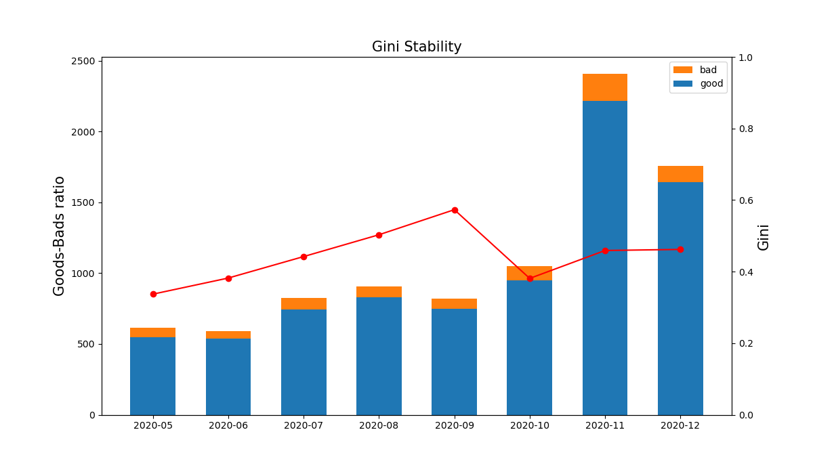
Months | Gini | Goods | Bads
2020-05 | 0.355 | 549 | 66
2020-06 | 0.387 | 538 | 54
2020-07 | 0.443 | 743 | 81
2020-08 | 0.506 | 829 | 79
2020-09 | 0.567 | 750 | 70
2020-10 | 0.391 | 952 | 96
2020-11 | 0.462 | 2216 | 192
2020-12 | 0.46 | 1641 | 117

Variables Stability
