Sheet1
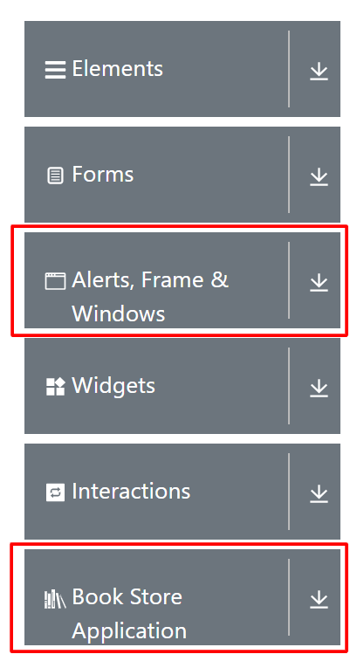
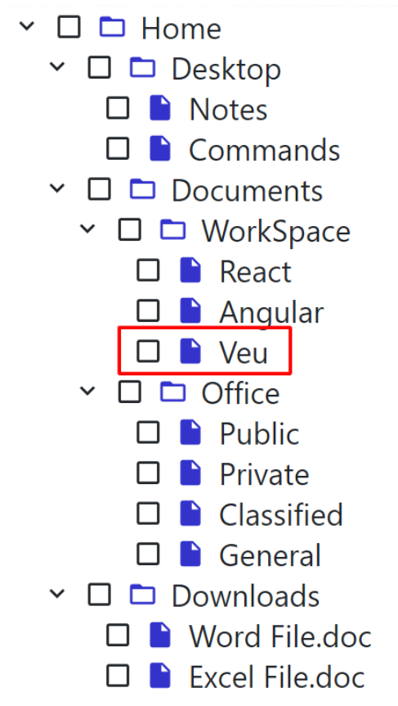
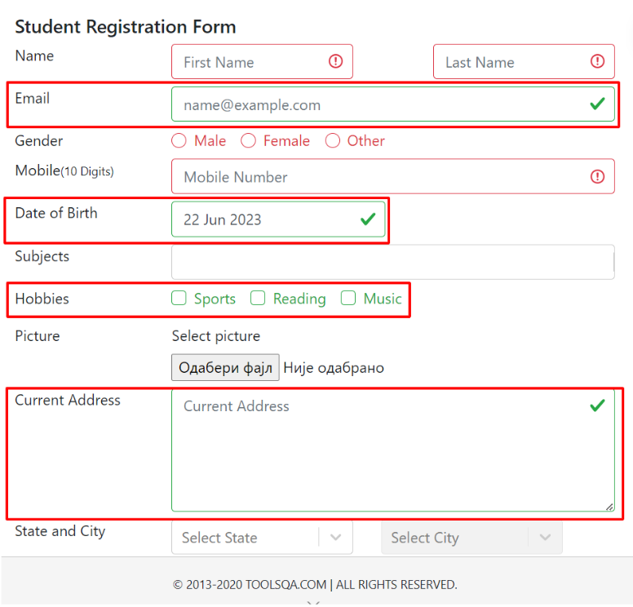
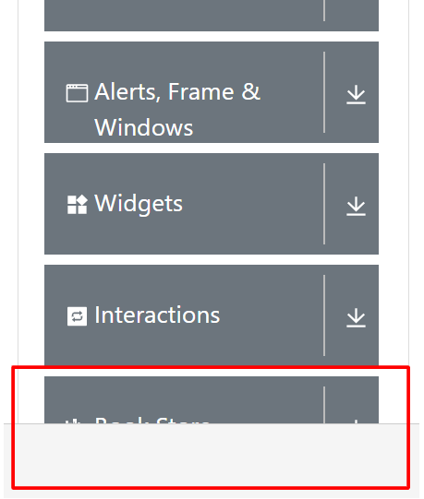
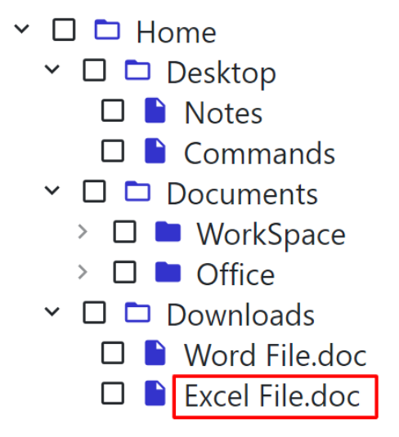
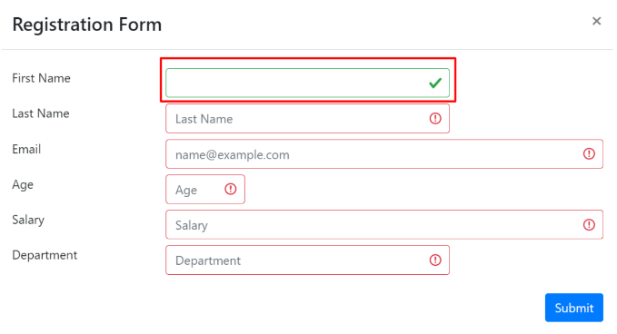
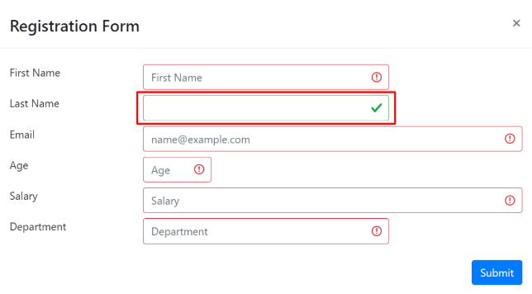
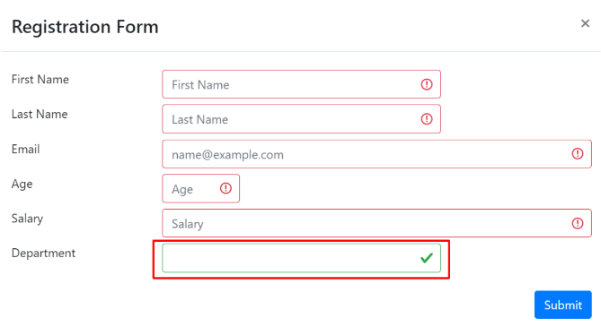
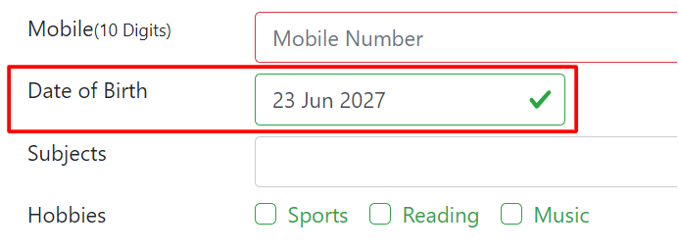
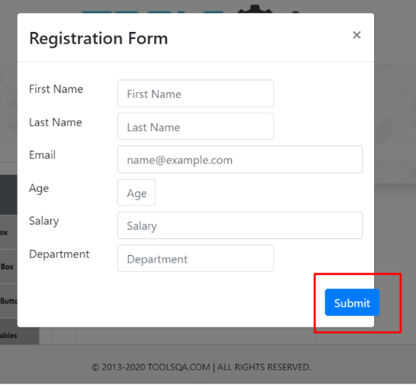
Category | Label | Value | Value | Value | Value | Value | Value | Value | Value | Value | Value | Value | Value | Value | Value
Bug ID | ID number | BR-001 | BR-002 | BR-003 | BR-004 | BR-005 | BR-006 | BR-007 | BR-008 | BR-009 | BR-010 | BR-011 | BR-012 | BR-013 | BR-014 | BR-015 | BR-016 | BR-017 | BR-018
 | Test Case | TC-004 | TC-007 | TC-007 | TC-019 | TC-020 | TC-025 | TC-027:
 | Name | TEXT BOX PAGE - Incorrect text formatting | CHECK BOX PAGE - Spelling mistake ("veu" and not "vue") | CHECK BOX PAGE - Wrong file format is displayed | WEB TABLES PAGE - Input field "First Name" accepts space as valid input | WEB TABLES PAGE - Input field "Last Name" accepts space as valid input | WEB TABLES PAGE - Input field "Department" accepts space as valid input | WEB TABLES PAGE - Drop-down menu is not displayed after number of rows is changed to 25, 50 or 100 | PRACTICE FORM - "Submit" button is not visible | PRACTICE FORM - Required fields are outlined green and marked with a green checkmark when there is no data | PRACTICE FORM - Registration form accepts dates in the future as "date of birth" | PRACTICE FORM - Registration form accepts any type of the file for a picture | PRACTICE FORM - Input field "First Name" accepts space as valid input | PRACTICE FORM - Input field "Last Name" accepts space as valid input | MENU PANEL - Card titles are not centered and correctly if the title is in two rows | SLIDER - User cannot manually input value | TABS - "More" tab is not clickable | MENU PANEL - Card "Book Store Application" is not fully visible | WEB TABLES - "Submit" button goes over the border line of the "Registration Form"
Bug overview | Summary | All the entered data is displayed but formating is not right. | All expected checkboxes are displayed but instead of "Vue" there's "Veu". | All expected checkboxes are displayed but extension for Excel file is doc and not xls. | The input field with a placeholder "First Name" accepts space as a valid input and is outlined green and marked with a green checkmark. | The input field with a placeholder "Last Name" accepts space as a valid input and is outlined green and marked with a green checkmark. | The input field with a placeholder "Department" accepts space as a valid input and is outlined green and marked with a green checkmark. | After number of rows is changed to 25, 50 or 100, expected number of rows is shown, but the drop-down menu is not displayed any more. | When page width is 768 px and higher, "Submit" button is not visible. | After clicking on the "Submit" button, required fields are outlined green and marked with a green checkmark when there is no data. | After selecting a date in the future and clicking on the "Submit" button, registration form accepts selected date as a valid input. | After uploading an .mp3 file as a picture and clicking on the "Submit" button, .mp3 file is uploaded and accepted. | The input field with a placeholder "First Name" accepts space as a valid input and is outlined green and marked with a green checkmark. | The input field with a placeholder "Last Name" accepts space as a valid input and is outlined green and marked with a green checkmark. | When the card title is in two rows, title is alligned to the bottom. | Input field is clickable but user cannot manually enter any value. | User cannot click on the "More" tab to see more content. | When one of the other cards is selected, "Book Store Application" card is not fully visible | On different screen size, "Submit" button goes over the border line of the "Registration Form".
 | Description | After submitting the entered data in the text box form on the https://demoqa.com/text-box page, all the entered data is displayed below the text box form but the space between ":" and entered data is missing, and there is extra space before ":" in "Current Address :" and "Permanent Address :". "Current Address" and "Permanent Address" are displayed in one row instead of the exact number of rows as entered in the input field. | After clicking on "Expand All" button, all checkboxes are displayed, but instead of "Vue" there's "Veu". | All expected checkboxes are displayed but extension for Excel file is doc and not xls. | After selecting the input field with a placeholder "First Name" and entering only space, input field is outlined green and marked with a green checkmark like space is a valid input. | After selecting the input field with a placeholder "Last Name" and entering only space, input field is outlined green and marked with a green checkmark like space is a valid input. | After selecting the input field with a placeholder "Department" and entering only space, input field is outlined green and marked with a green checkmark like space is a valid input. | After number of rows is changed to 25, 50 or 100, expected number of rows is shown, but the drop-down menu is not displayed any more, making it impossible to change number of rows again. | When page width is 768 px and higher, "Submit" button is not visible so user cannot click on it. | After clicking on the "Submit" button, without entering any data into the input fields, required fields ("Email", "Date of Birth", "Current Address") are outlined green and marked with a green checkmark instead of being outlined red and marked with a red exclamation mark. "Hobbies" are also outlined green even though none of the available check boxes is checked. | When filling out a "Student Registration Form", if a user selects date in the future as a "Date of Birth" and clicks on the "Submit" button, registration form accepts selected date as a valid input. | When filling out a "Student Registration Form", if a user selects and uploads an .mp3 file as a picture and clicks on the "Submit" button, registration form accepts selected file as a valid file for a picture. | After selecting the input field with a placeholder "First Name", entering only space and clicking on the "Submit" button, input field is outlined green and marked with a green checkmark like space is a valid input. | After selecting the input field with a placeholder "Last Name", entering only space and clicking on the "Submit" button, input field is outlined green and marked with a green checkmark like space is a valid input. | When the card title is in two rows ("Alerts, Frame & Windows" and "Book Store Application"), title is alligned to the bottom and not between top and bottom. | When on the "Slider" page, user can click on the input field with a value but cannot manually enter any value. | When on the "Tabs" page, user cannot click on the "More" tab. | When one of the other cards is selected, title of the "Book Store Application" card is not visible. | When page width is between 768 and 991 px, "Submit" button goes over the border line of the "Registration Form".
 | URL | https://demoqa.com/text-box | https://demoqa.com/checkbox | https://demoqa.com/checkbox | https://demoqa.com/webtables | https://demoqa.com/webtables | https://demoqa.com/webtables | https://demoqa.com/webtables | https://demoqa.com/automation-practice-form | https://demoqa.com/automation-practice-form | https://demoqa.com/automation-practice-form | https://demoqa.com/automation-practice-form | https://demoqa.com/automation-practice-form | https://demoqa.com/automation-practice-form | https://demoqa.com/automation-practice-form | https://demoqa.com/slider | https://demoqa.com/tabs | https://demoqa.com/elements | https://demoqa.com/webtables
 | Screenshot | https://prnt.sc/4FHZCq4k3FkM | https://prnt.sc/JUijbsYHgRFx | https://prnt.sc/AsM38ce1H1my | https://prnt.sc/8e1N-ZU9H7nW | https://prnt.sc/ytV6BEv7fC_M | https://prnt.sc/2wfMeVKV2D4y | https://prnt.sc/tvYS17FnUoNU | https://prnt.sc/vqXYm4h38QBH | https://prnt.sc/-QaWj8fi9YxH | https://prnt.sc/kuX_Z4olDiR6 | https://prnt.sc/_IIkK18Xh1BA | https://prnt.sc/Ltg8cZopeuHQ | https://prnt.sc/c_6bpgQCiGuG | https://prnt.sc/f2h0DGodrEhA |  | https://prnt.sc/M2csO6wCw0qs | https://prnt.sc/f7_9wDGvrjPx | https://prnt.sc/6Uaf_IQ8K1tY
Bug Details | Steps to reproduce | 1. Navigate to the https://demoqa.com/text-box page. 2. Enter full name into the input field with a placeholder "Full Name". 3. Enter email address into the input field with a placeholder "name@example.com". 4. Enter current address into the input field with a placeholder "Current Address". 5. Enter permanent address into the input field with a label "Permanent Address". 6. Click on the "Submit" button. | 1. Navigate to the https://demoqa.com/checkbox page. 2. Click on the "Expand All" (+) button. | 1. Navigate to the https://demoqa.com/checkbox page. 2. Click on the "Expand All" (+) button. | 1. Navigate to the https://demoqa.com/webtables page. 2. Click on the "Add" button. 3. Select the input field with a placeholder "First Name" and click on the spacebar. 4. Click on the "Submit" button. | 1. Navigate to the https://demoqa.com/webtables page. 2. Click on the "Add" button. 3. Select the input field with a placeholder "Last Name" and click on the spacebar. 4. Click on the "Submit" button. | 1. Navigate to the https://demoqa.com/webtables page. 2. Click on the "Add" button. 3. Select the input field with a placeholder "Department" and click on the spacebar. 4. Click on the "Submit" button. | 1. Navigate to the https://demoqa.com/webtables page. 2. Select different number of rows (5, 10, 20, 25, 50, 100) from the drop-down menu. | 1. Navigate to the https://demoqa.com/automation-practice-form page. | 1. Navigate to the https://demoqa.com/automation-practice-form page. 2. Click on the "Submit" button. | 1. Navigate to the https://demoqa.com/automation-practice-form page. 2. Click on the "Date of Birth" input field. 3. Select a date in the future. 4. Click on the "Submit" button. | 1. Navigate to the https://demoqa.com/automation-practice-form page. 2. Click on the "Select a file"button. 3. Select an .mp3 file and click on the "Open" button. 4. Click on the "Submit" button. | 1. Navigate to the https://demoqa.com/automation-practice-form page. 2. Select the input field with a placeholder "First Name" and click on the spacebar. 3. Click on the "Submit" button. | 1. Navigate to the https://demoqa.com/automation-practice-form page. 2. Select the input field with a placeholder "Last Name" and click on the spacebar. 3. Click on the "Submit" button. | 1. Navigate to the https://demoqa.com/automation-practice-form page. | 1. Navigate to the https://demoqa.com/slider page. 2. Click on the input field with a slider value. 3. Input any valid value (number from 1 to 100). | 1. Navigate to the https://demoqa.com/tabs page. 2. Click on the "More" tab. | 1. Navigate to the https://demoqa.com/elements page. | 1. Navigate to the https://demoqa.com/webtables page. 2. Change page width to any value between 768 and 991 px. 3. Click on the "Add" button.
 | Expected result | All the entered data is neatly displayed below the text box form. | All expected checkboxes (home, desktop. notes, commands, documents, workspace, react, angular, veu, office, public, private, classified, general, downloads, word file, excel file) are displayed. | All expected checkboxes (home, desktop. notes, commands, documents, workspace, react, angular, veu, office, public, private, classified, general, downloads, word file, excel file) are displayed. | The input field with a placeholder "First Name" is outlined red and marked with a red exclamation mark. | The input field with a placeholder "Last Name" is outlined red and marked with a red exclamation mark. | The input field with a placeholder "Department" is outlined red and marked with a red exclamation mark. | Expected number of rows is shown in the table. | "Submit" button is displayed after all the input fields. | All empty required fields are outlined red and/or marked with a red exclamation mark. | A date in the future cannot be accepted as a valid input and "Date of Birth" field is outlined red and marked with a red exclamation mark. | An error message is displayed, notifying the user that only .jpg .jpeg and .png files are accepted. | The input field with a placeholder "First Name" is outlined red and marked with a red exclamation mark. | The input field with a placeholder "Last Name" is outlined red and marked with a red exclamation mark. | All card titles are alligned between top and bottom and centered correctly. | Input field is clickable, entered value is displayed in the input field and slider moves to the selected value. | "More" tab opens and content is displayed. | All card titles are fully visible. | All fields and buttons are within the border line of the "Registration Form".
 | Actual result | All the entered data is displayed below the text box form but the text formatting is not right. | All expected checkboxes are displayed but instead of "Vue" there's "Veu". | All expected checkboxes are displayed but extension for Excel file is doc and not xls. | The input field with a placeholder "First Name" is outlined green and marked with a green checkmark. | The input field with a placeholder "Last Name" is outlined green and marked with a green checkmark. | The input field with a placeholder "Department" is outlined green and marked with a green checkmark. | Expected number of rows is shown in the table but when 25, 50 or 100 rows are shown, drop-down menu is not visible any more. | "Submit" button is not displayed when page width is 768 px and higher. | Required fields ("Email", "Date of Birth", "Current Address") are outlined green and marked with a green checkmark. "Hobbies" are also outlined green even though none of the available check boxes is checked. | A date in the future is accepted as a valid input and "Date of Birth" field is outlined green and marked with a green checkmark. | File is uploaded and accepted. | The input field with a placeholder "First Name" is outlined green and marked with a green checkmark. | The input field with a placeholder "Last Name" is outlined green and marked with a green checkmark. | Card titles in two rows are alligned to the bottom and not between top and bottom. | Input field is clickable, but value in the input field doesn't change, so the slider doesn't move. | "More" tab is not clickable. | "Book Store Application" card title is not fully visible. | "Submit" button goes over the border line of the "Registration Form".
 | Repro Rate | 100% | 100% | 100% | 100% | 100% | 100% | 100% | 100% | 100% | 100% | 100% | 100% | 100% | 100% | 100% | 100% | 100% | 100%
Bug tracking | Severity | Low | Low | Low | Low | Low | Low | Major | Major | Low | Low | Low | Low | Low | Low | Low | Low | Low | Low
 | Priority | Low | Low | Low | Low | Low | Low | Medium | Medium | Low | Low | Low | Low | Low | Low | Low | Low | Medium | Low

