Score
 |  | Code Quality
 | Higher Quality

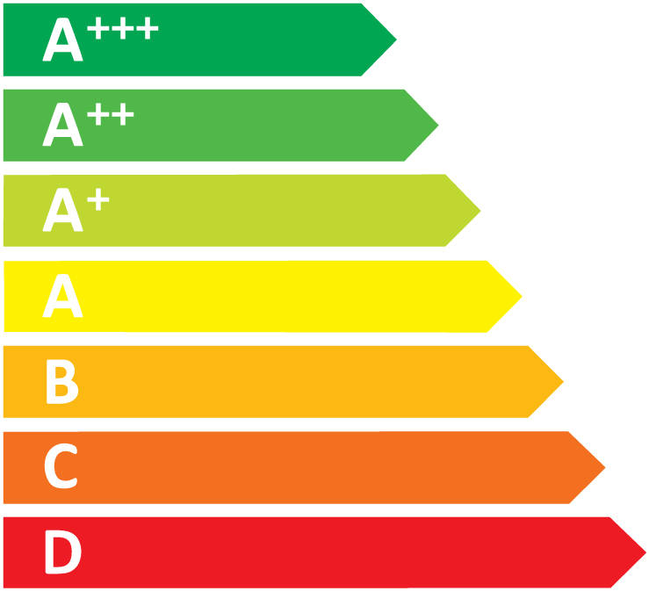

 | Lower Quality

 |  |  | Measured by:
 |  |  | Doctor ZedGe
 | Global Score (0-100) |  | 98
 | Quality |  | 100
 | Mantainability |  | 100
 | Security |  | 100
 | Performance |  | 62
 | HANA Readness |  | 100

.

